Other brand
harga varian fibercreme
gramasi | harga | harga per gram
168 | 27000 | 160.71428571
450 | 41200 | 91.555555556 |  |  |  | *200 utk HET
1000 | 93000 | 93 |  |  |  | *1.25 utk price list
 |  | 115.08994709 | 23017.989418 | 28772.486772
 |  |  | Price List | Customer

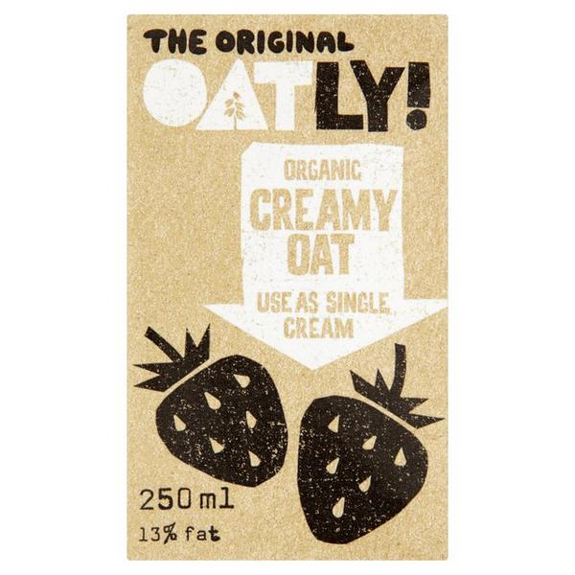

 |  |  | Ingredients
 |  |  | Organic Oat Cream dairy free, ingredients: Oat base (water, oats* 10%), rapeseed oil*, palm oil*, emulsifier: rapeseed lecithin, stabiliser: xanthan, sea salt *Organic, SE-EKO-01

 |  |  | Free from lactose, milk protein and soya.

 |  |  | About Organic Oat Cream dairy free,
 |  |  | A healthy oat based, dairy-free alternative to cream. Basically you can use this product instead of cream. The 13% fat in this product comes from organic rapeseed oil but it is the quality of the fat that is so unusual. It has a balanced nutritious composition with only 1% saturated (compared to 9.6% in cream).

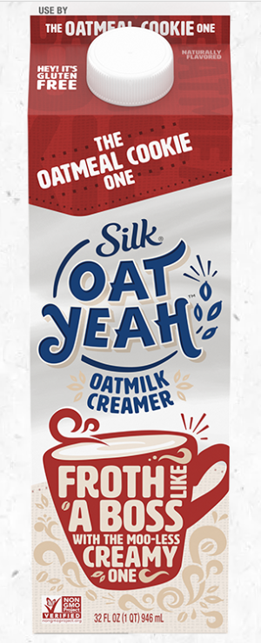
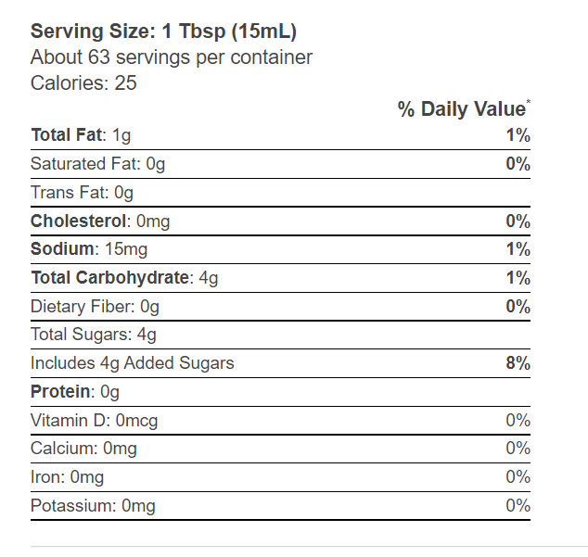

 |  |  | ingredients
 |  |  | oatmilkd(filtered water, whole oat flour), cane sugar, sunflower oil, pea protein, potassium citrate
 |  |  | baking soda, gellan gun, natural flavor

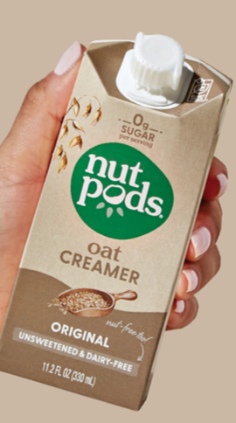

 |  |  |  | Oatmilk (Water, Whole Oat Flour), Sunflower Oil, Calcium Phosphate, Dipotassium Phosphate, Sunflower Lecithin, Guar Gum, Natural Flavors, Sea Salt, Gellan Gum.

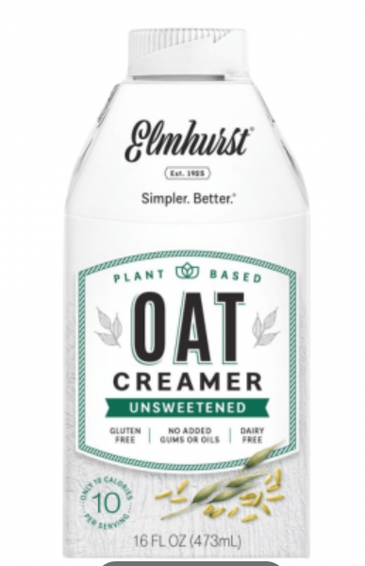
 |  |  |  |  | Ingredients
 |  |  |  |  | Oatmilk (water, whole grain oats), hemp cream (water, hemp seeds), containts 2% or less of: mineral blend (dipotassium phospate, potaasium citrate), natural flavors

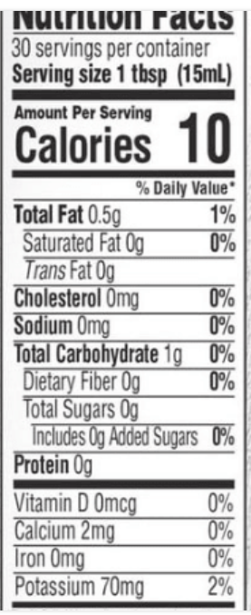

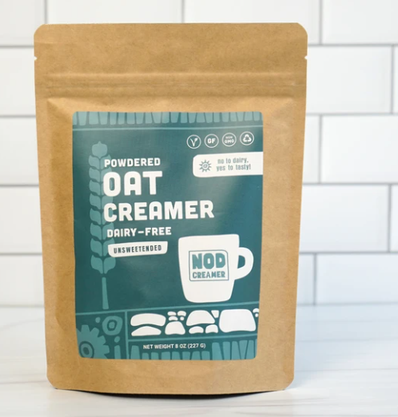
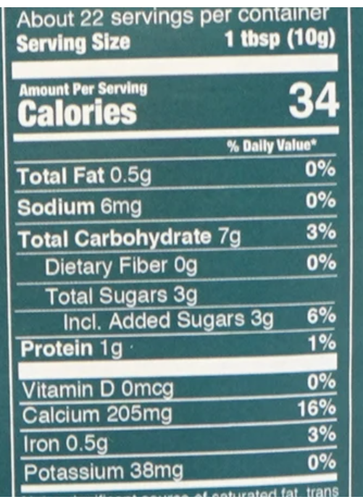

 |  |  |  |  | ingredients
 |  |  |  |  | organic oat milk, organic tapioca, natural vanilla flavor, organic gum acacia,
 |  |  |  |  | calcium carobante

