Market
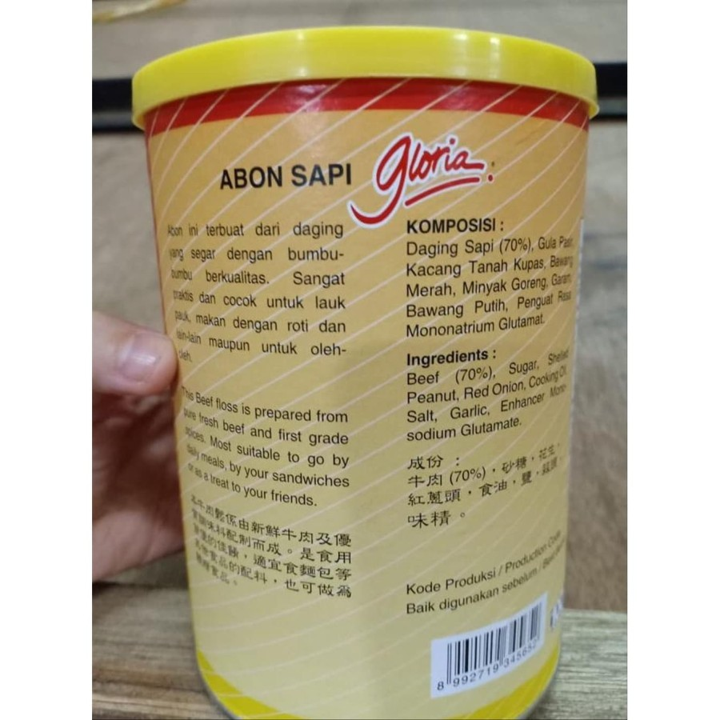
 | Abon Sapi Cap Ratu |  |  | Abon Sapi Gloria
Komposisi/ingredients
Daging sapi segar, gula, garam, bawang goreng, rempah-rempah, minyak nabati
Fresh beef, sugar, salt, fried onion, spices, vegetable oil.
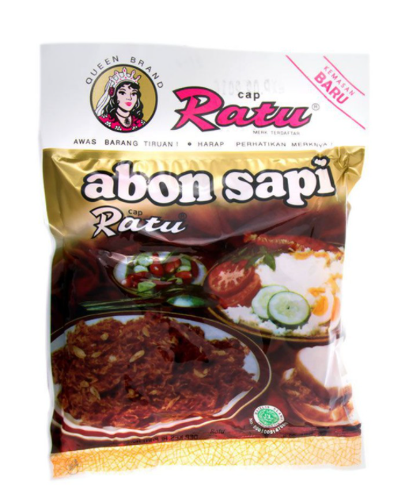
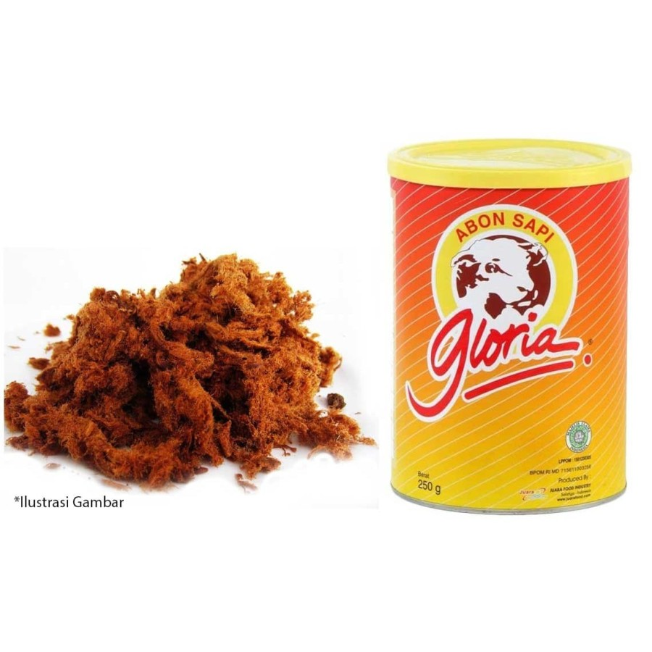

 |  | PIRT 201317401055-19

 |  | Rp18,600 | Rp186 |  | Rp43,650 | Rp437
 |  | 100 gram | per gram |  | 100 gr | per gram
 |  |  |  |  |  |  | AVG
 |  |  |  |  | Rp98,000 | Rp392 | Rp338 | per gr
 |  |  |  |  | 250 gr | per gram

Market Potency
Jumlah penduduk Jakarta | 10,177,924
SES SU, U12 | 30% | Jakarta Population
F, 24-55 | 24% | Jakarta Population

Stock abon di rumah | 42% | based on research
Ingin abon yang sehat | 65% | based on research
Memilih abon sapi | 52% | based on research

Choose Tropicana Slim | 5.0%

Target market TS | 5,168 | persons

Consume TS
- min 1x konsumsi perbulan | 5,168 | pcs per month
 |  |  | 524826
Price TS | IDR 33,800 | per portion | 509726
Sales potency |  |  | 451364
- per mo | IDR 174,683,343 |  | 380792
Round Up Market Potency | IDR 200,000,000 | per month | 323266
 |  |  | 267752
 |  |  |  | 2,457,726

Research
