Sheet1
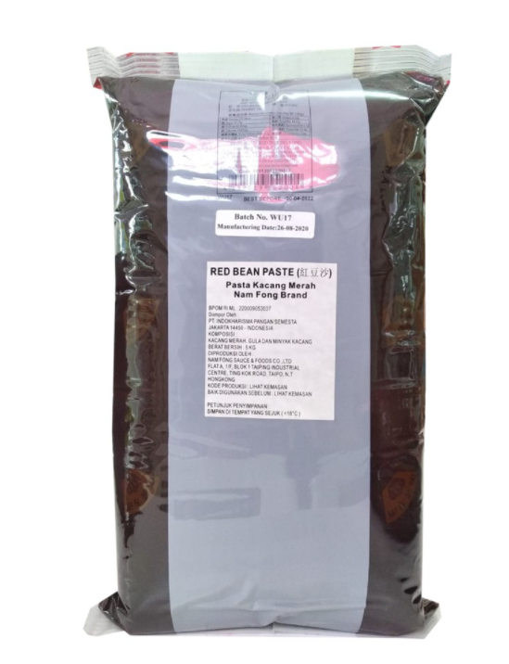
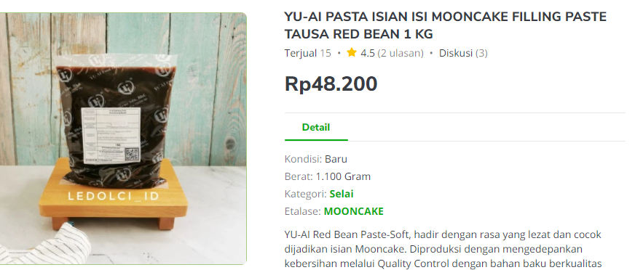

Item | gr | IDR | Rp/gr | 300 gr
Yu Ai Red Bean Paste | 1000 | Rp48,200 | Rp48 | Rp14,460 | Rp20,070 | HomeMade
Nam Fong Red Bean Paste | 5000 | 428000 | Rp86 | Rp25,680 | Rp159,800 | Import
Heng's Black Sesame | 150 | Rp79,900 | Rp533 | Rp159,800

Market Potency
Jumlah penduduk Jakarta | 10,177,924
SES SU, U12 | 30% | Jakarta population
MF, 25-39 | 30% | Jakarta population

Healthy Concern | 40%
Menyukai spread jam | 30%
Memilih Jam Asian Taste | 35%
Choose Tropicana Slim | 50.0%

Target market TS | 19,032 | persons

Consume TS
- min 1x konsumsi perbulan | 19,032 | pcs per month
 |  |  | 524826
Price TS | IDR 10,000 | per portion | 509726
Sales potency |  |  | 451364
- per mo | IDR 190,318,779 |  | 380792
Round Up Market Potency | IDR 200,000,000 | per month | 323266
 |  |  | 267752
 |  |  |  | 2,457,726

