Product
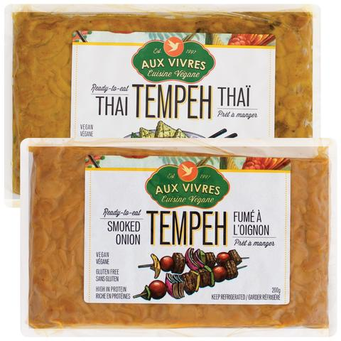
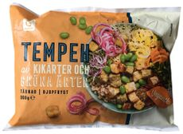



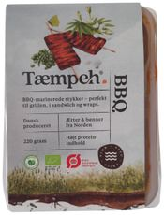

Market Potency
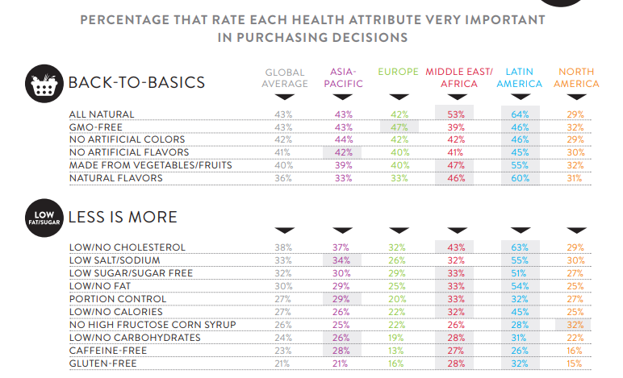
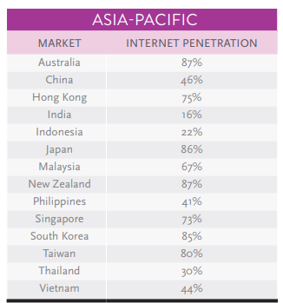
Jumlah penduduk Indonesia |  | 267,000,000
SES SU, U12 |  | 30% | Indonesian population
F, 25-50 |  | 38% | Indonesian population
Suka Memasak |  | 87%
Memilih memasak praktis |  | 50%
Memilih RTE Produk |  | 20%
Vegan / Prefer Plant base product |  | 10%
Healthy Concern |  | 70%
Choose Tropicana Slim |  | 5%

Target market TS |  | 9,268 | persons

Beli TS
1 pack per bulab |  | 9,268 | porsi

Price TS |  | #REF! | per porsi

Sales potency |  | #REF! | per month

 | Pembulatan | 190,000,000

 |  |  |  | 464982 | 883883
 |  |  |  | 524826
 |  |  |  | 509726 | 6947659
 |  |  |  | 451364
 |  |  |  | 380792 | 10177924
 |  |  |  | 323266 | 3230265
 |  |  |  | 323266 | 68%
 |  |  |  | 267752
 |  |  |  | 284080
 |  |  |  | 375893
 |  |  |  | 2916139
 |  |  |  | 27.3%

