Product
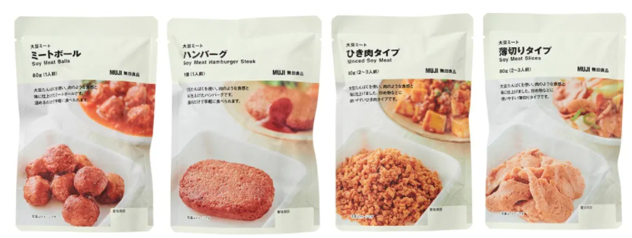

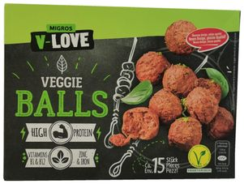
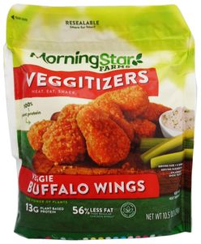
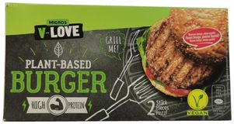

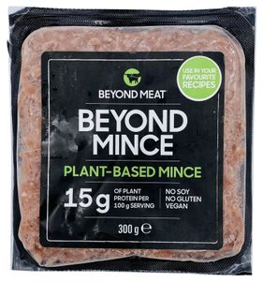

Market
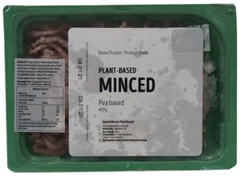
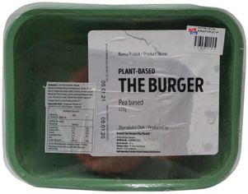
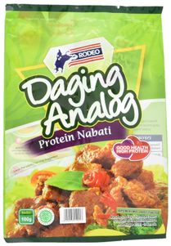
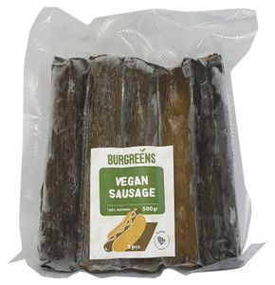
Plant Base Meat yang ada di Indo
Merk | Harga | gr | Harga/gr | Harga per 250
Naturli Plant Based Minced | Rp94,300 | 400 | 235.8 | Rp58,938 | https://www.gnpd.com/sinatra/recordpage/8349829/from_search/492jsKrg99/?page=1
Naturli Plant Based Burger | Rp93,000 | 227 | 409.7 | Rp102,423 | https://www.gnpd.com/sinatra/recordpage/8349827/from_search/492jsKrg99/?page=1
Rodeo Daging Analog | Rp11,500 | 100 | 115.0 | Rp28,750 | https://www.gnpd.com/sinatra/recordpage/7052345/from_search/492jsKrg99/?page=1
Burgreens Vegan Sausage | Rp82,500 | 500 | 165.0 | Rp41,250 | https://www.gnpd.com/sinatra/recordpage/8029109/from_search/492jsKrg99/?page=1
 |  |  | HET Avg | Rp102,423
 |  |  | Preferred Price | Rp40,000 | refer ke burgreens
 |  |  | Price List | Rp30,769

Market Potency
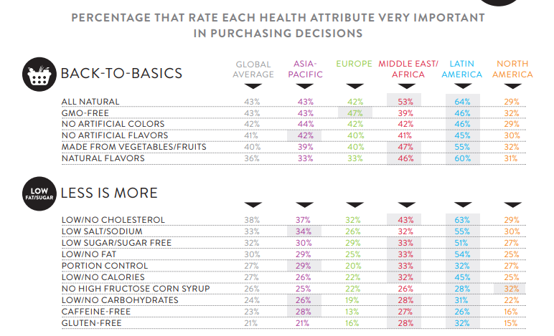
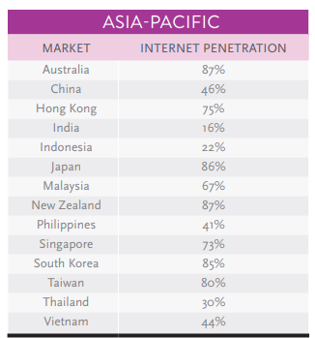
Jumlah penduduk Indonesia |  | 267,000,000
SES SU, U12 |  | 30% | Indonesian population
F, 25-50 |  | 38% | Indonesian population
Suka Memasak |  | 87%
Memilih memasak praktis |  | 50%
Memilih RTE Produk |  | 20%
Vegan / Prefer Plant base product |  | 10%
Healthy Concern |  | 70%
Choose Tropicana Slim |  | 5%

Target market TS |  | 9,268 | persons

Beli TS
1 pack per bulan |  | 9,268 | porsi

Price TS |  | IDR 40,000 | per porsi

Sales potency |  | 370,734,840 | per month

 | Pembulatan | 200,000,000

 |  |  |  | 464982 | 883883
 |  |  |  | 524826
 |  |  |  | 509726 | 6947659
 |  |  |  | 451364
 |  |  |  | 380792 | 10177924
 |  |  |  | 323266 | 3230265
 |  |  |  | 323266 | 68%
 |  |  |  | 267752
 |  |  |  | 284080
 |  |  |  | 375893
 |  |  |  | 2916139
 |  |  |  | 27.3%

