Product
PT. NUTRIFOOD INDONESIA |  |  | KODE FORM : F.Q.201


PENGEMBANGAN KONSEP AWAL PRODUK BARU
( PKP )
Tropicana Slim®
Buklat (Butir Coklat)
Author |  | : | Noviana
Last Updated On |  | : | January 13rd, 2020
 | Revision No | : | 0
Background
Idea | Sugar Free or No Added Sucrose Chocolate Sprinkle
Target market | MF, 25+ SU, U1
Uniqueness of idea | weak - moderate - strong
Estimated potential market | niche - in between - mass
Reason(s) | Chocolate sprinkle is alternative for jam and still consumed by many Indonesians.
Market Analysis
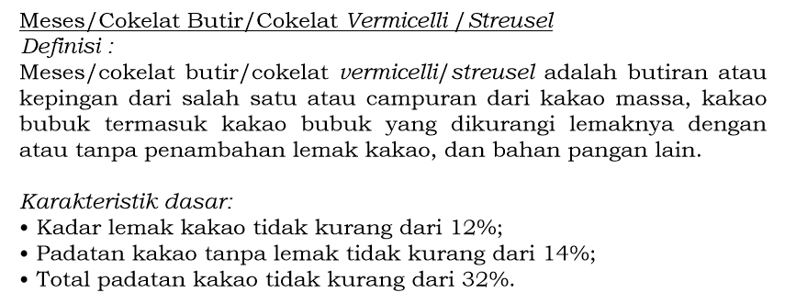
Launch Deadline | 2021
Aisle Placement | Chocolate Sprinkle Aisle, Besides Ceres
Sales Forecast | IDR 200,000,000
Selling Price | IDR 7,438 /transparante sachet (IDR 9,000 per sachet = HET)
Main Competitor | Ceres
Competitive Analysis | PFT TBN with Competitors, nilai hedonik min 4.0 & T3BN 75% (masih bisa berubah setelah formulasi)
Product Features
Product Form | Sprinkle
Product Packaging | Transparant Sachet (like Ceres)
Kategori Pangan (BPOM) | 05.1.4 Produk kakao & coklat (Meses)
Prefered Flavour | Chocolate
Product Benefits | sucrose free (tidak boleh pakai glucose, masih ok untuk pakai fructose), non aspartame

Mandatory Ingredients
Related Picture
ATTENTION!
 | compulsory; filled by QBX (brand function) Managers
 | should only be filled with great certainty
 | should only be filled after discussion with QPA
Service Level Agreements | Lead Time QBX (brand function) |  | 5 workdays
 | Lead Time QPA (product development function) |  | [1 (benefits) + 2 (COGS)] = 2 workdays
 | Lead Time Revision |  | 2 workdays
Processes | After being filled. HOD approval request. Then, forward to RD as low priority project. Will be further prioritized in PV Cross Funct Mtg. Meanwhile, RD can prepare SLA projection to propose into PV's SLA for the project based on capacity and feasibility.

 |  |  | Revisi / Berlaku : 05 / 10.03.2010
 |  |  | Lama Simpan : Selamanya

Sheet1

Merk | Gramasi | HET | HET/gramasi
Ceres Milk | 90 | 9,000 | 100
Ceres Classic | 90 | 9,000 | 100

 | Price List | 7,438

