Product in the Market
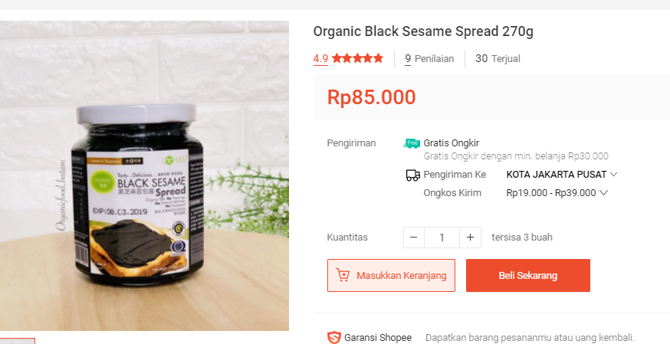
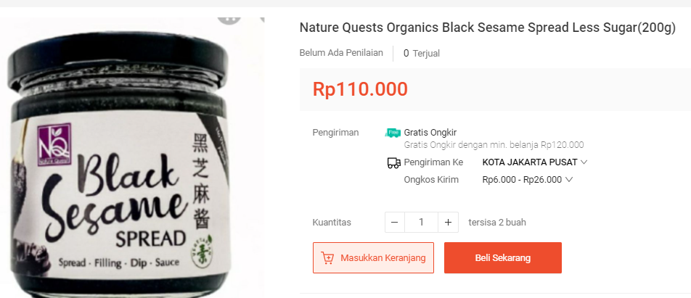
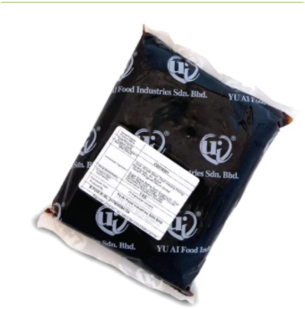
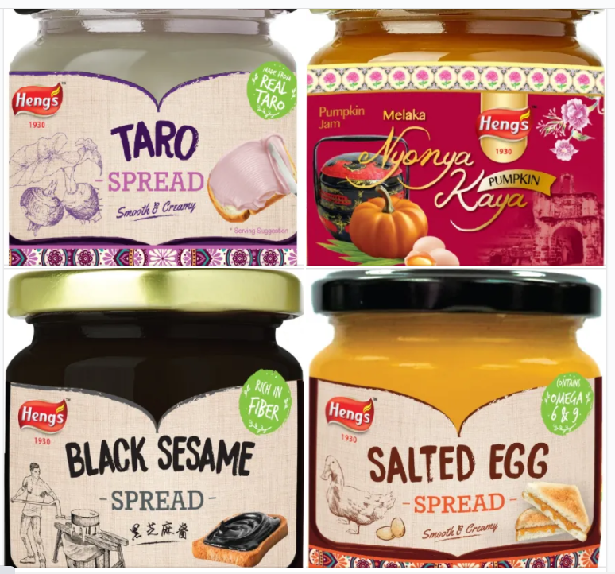


Item | gr | IDR | Rp/gr | 300 gr | Taosa Black Bean | per gr | x300 | AVG
Taosa Liang Hap 1930 | 1000 | Rp78,000 | Rp78 | Rp23,400 | HomeMade Average | Rp87 | Rp25,950 | Rp82,849
Yu Ai Black Sesame Beat Paste | 1000 | Rp95,000 | Rp95 | Rp28,500 | Import Average | Rp466 | Rp139,748
Organic Black Sesame Spread | 270 | Rp85,000 | Rp315 | Rp94,444
Nature Quest Organic Black Sesame Spread Less Sugar | 200 | Rp110,000 | Rp550 | Rp165,000
Heng's Salted Egg | 150 | Rp79,900 | Rp533 | Rp159,800 | Ogura Red Bean | per gr | x300 | AVG
 |  |  |  |  | HomeMade Average | Rp67 | Rp20,100 | Rp90,000
 |  |  |  |  | Import Average | Rp533 | Rp159,900

 |  |  |  |  | Salted Egg | per gr | x300 | AVG
 |  |  |  |  | HomeMade Average | Rp269 | Rp80,775 | Rp113,163
 |  |  |  |  | Import Average | Rp485 | Rp145,550

Market Potency
Jumlah penduduk Jakarta | 10,177,924
SES SU, U12 | 30% | Jakarta population
MF, 25-39 | 30% | Jakarta population

Healthy Concern | 40%
Menyukai spread jam | 30%
Memilih Jam Asian Taste | 35%
Choose Tropicana Slim | 50.0%

Target market TS | 19,032 | persons

Consume TS
- min 1x konsumsi perbulan | 19,032 | pcs per month
 |  |  | 524826
Price TS | IDR 10,000 | per portion | 509726
Sales potency |  |  | 451364
- per mo | IDR 190,318,779 |  | 380792
Round Up Market Potency | IDR 200,000,000 | per month | 323266
 |  |  | 267752
 |  |  |  | 2,457,726

