Market
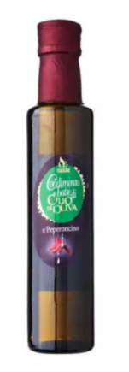
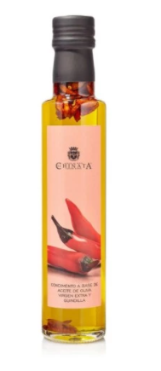
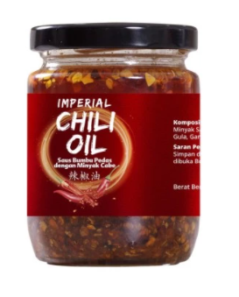
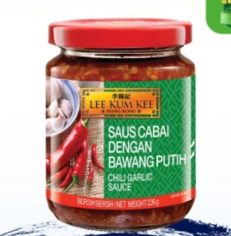
EVOO + Truffle Oil
Merk | Harga | ml | Harga/ml | Harga per 250
Casolana Italian Olive Oil Infused With Chilli | Rp315,000 | 250 | 1260.0 | Rp315,000 | base EVOO
JAVASUPERFOOD MINYAK CABAI CHILI OIL KOREA 250ML | Rp80,000 | 250 | 320.0 | Rp80,000 | base Olive Oil
Lee Kum Kee Chili Garlic Sauce | Rp38,000 | 226 | 168.1 | Rp42,035
Imperial Chili Oil | Rp30,000 | 180 | 166.7 | Rp41,667 | base minyak sawit
La Chinata Chilli Pepper Extra Virgin Olive Oil 250ml | Rp309,000 | 250 | 1236.0 | Rp309,000 | base EVOO
 |  |  | HET Avg | Rp80,000
 |  |  | Preferred Price | Rp80,000
 |  |  | Price List | Rp61,538

Market Potency
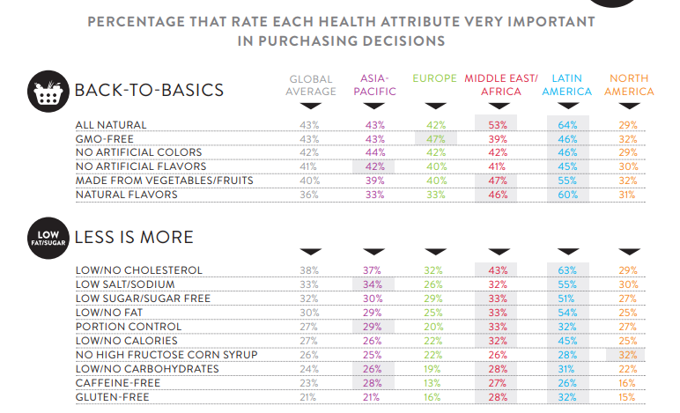
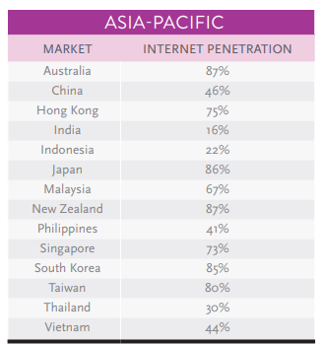
Jumlah penduduk Indonesia |  | 267,000,000
SES SU, U12 |  | 30% | Indonesian population
F, 25-50 |  | 38% | Indonesian population
Suka Memasak |  | 87%
Memasak menggunakan chilli oil |  | 5%
Healthy Concern |  | 20%
Choose Tropicana Slim |  | 5%

Target market TS |  | 13,241 | persons

Beli TS
- 1 botol per 6 bulan |  | 0.2 | per bulan

Price TS |  | IDR 61,538 | per botol

Sales potency |  | 135,800,308 | per month

 | Pembulatan | 135,000,000

 |  |  |  | 464982 | 883883
 |  |  |  | 524826
 |  |  |  | 509726 | 6947659
 |  |  |  | 451364
 |  |  |  | 380792 | 10177924
 |  |  |  | 323266 | 3230265
 |  |  |  | 323266 | 68%
 |  |  |  | 267752
 |  |  |  | 284080
 |  |  |  | 375893
 |  |  |  | 2916139
 |  |  |  | 27.3%

