Market
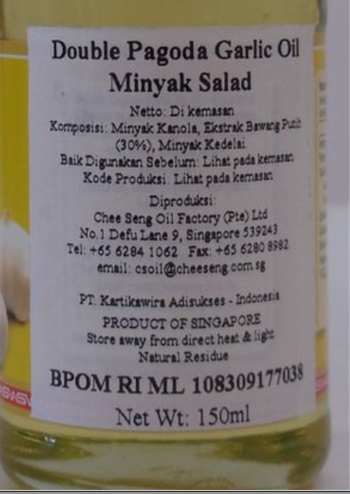
EVOO + Truffle Oil
Merk | Harga | ml | Harga/ml | Harga per 250
La Chinata Garlic Extra Virgin Olive Oil 250 ML | Rp195,900 | 250 | 783.6 | Rp195,900 | base EVOO
Belazu Extra Virgin Olive Oil Infused Garlic 250ml | Rp235,000 | 250 | 940.0 | Rp235,000 | base EVOO
Double Pagoda Garlic Oil | Rp61,000 | 150 | 406.7 | Rp101,667 | base minyak kanola
 |  |  | HET Avg | Rp101,667
 |  |  | Prefered Price | Rp101,667
 |  |  | Price List | Rp81,333
 |  |  | pembulatan | Rp80,000

Market Potency
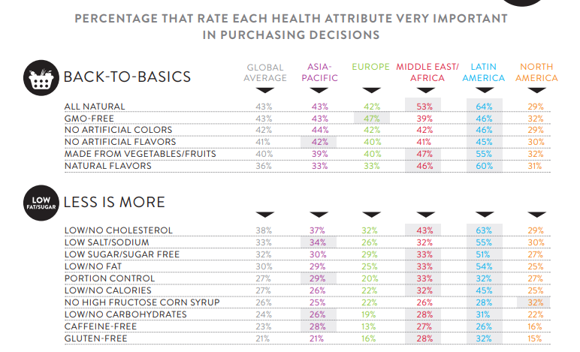
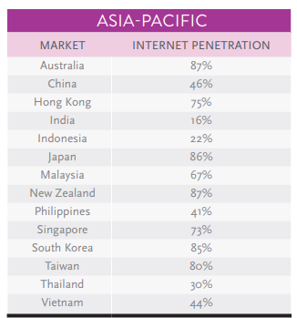
Jumlah penduduk Indonesia |  | 267,000,000
SES SU, U12 |  | 30% | Indonesian population
F, 25-50 |  | 38% | Indonesian population
Suka Memasak |  | 87%
Memasak menggunakan garlic oil |  | 5%
Healthy Concern |  | 20%
Choose Tropicana Slim |  | 5%

Target market TS |  | 13,241 | persons

Beli TS
- 1 botol per 6 bulan |  | 0.2 | per bulan

Price TS |  | IDR 80,000 | per botol

Sales potency |  | 176,540,400 | per month

 | Pembulatan | 180,000,000

 |  |  |  | 464982 | 883883
 |  |  |  | 524826
 |  |  |  | 509726 | 6947659
 |  |  |  | 451364
 |  |  |  | 380792 | 10177924
 |  |  |  | 323266 | 3230265
 |  |  |  | 323266 | 68%
 |  |  |  | 267752
 |  |  |  | 284080
 |  |  |  | 375893
 |  |  |  | 2916139
 |  |  |  | 27.3%

