Market
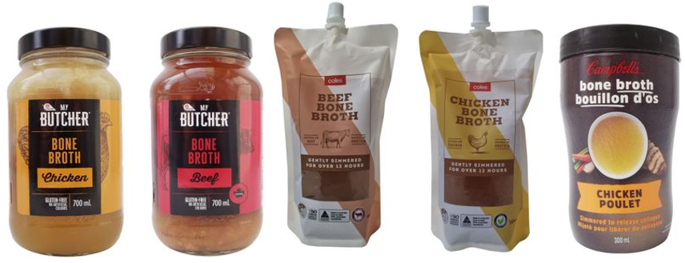
Bone Broth yang ready di Indo
Merk | Harga | ml | Harga/gr | Harga per 200
Broth & Co Chicken | Rp85,000 | 210 | 404.8 | Rp80,952
Broth & Co Beef | Rp120,000 | 210 | 571.4 | Rp114,286
Doctor Broth Chicken | Rp70,000 | 210 | 333.3 | Rp66,667
 | 95000 | 210 | 452.4 | Rp90,476
 |  |  | Preferred Price | Rp80,000 | chicken
Reference Broth & Co |  |  | Price List | Rp61,538


Reference produk luar negri yg shelf stable

Market Potency
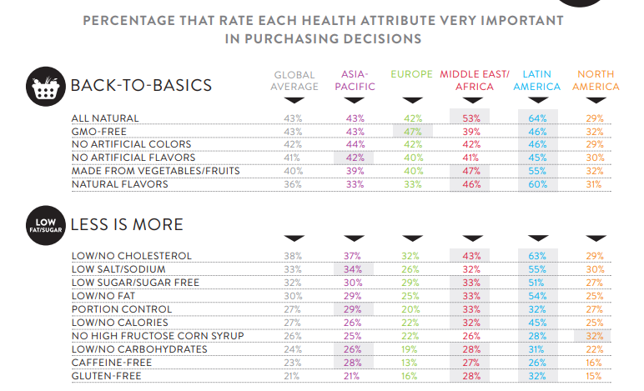
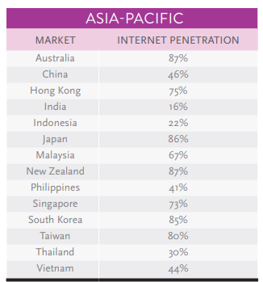
Jumlah penduduk Indonesia |  | 267,000,000
SES SU, U12 |  | 30% | Indonesian population
F, 25-50 |  | 38% | Indonesian population
Suka Memasak |  | 87%
Healthy Concern |  | 20%
Suka mengonsumsi bone broth |  | 3%
Pilih bone broth chicken |  | 50%
Choose Tropicana Slim |  | 3%

Target market TS |  | 4,767 | persons

Beli TS
1 pack per bulan |  | 4,767 | porsi

Price TS |  | IDR 61,000 | per porsi

Sales potency |  | 290,762,039 | per month

 | Pembulatan | 300,000,000

 |  |  |  | 464982 | 883883
 |  |  |  | 524826
 |  |  |  | 509726 | 6947659
 |  |  |  | 451364
 |  |  |  | 380792 | 10177924
 |  |  |  | 323266 | 3230265
 |  |  |  | 323266 | 68%
 |  |  |  | 267752
 |  |  |  | 284080
 |  |  |  | 375893
 |  |  |  | 2916139
 |  |  |  | 27.3%

