Market
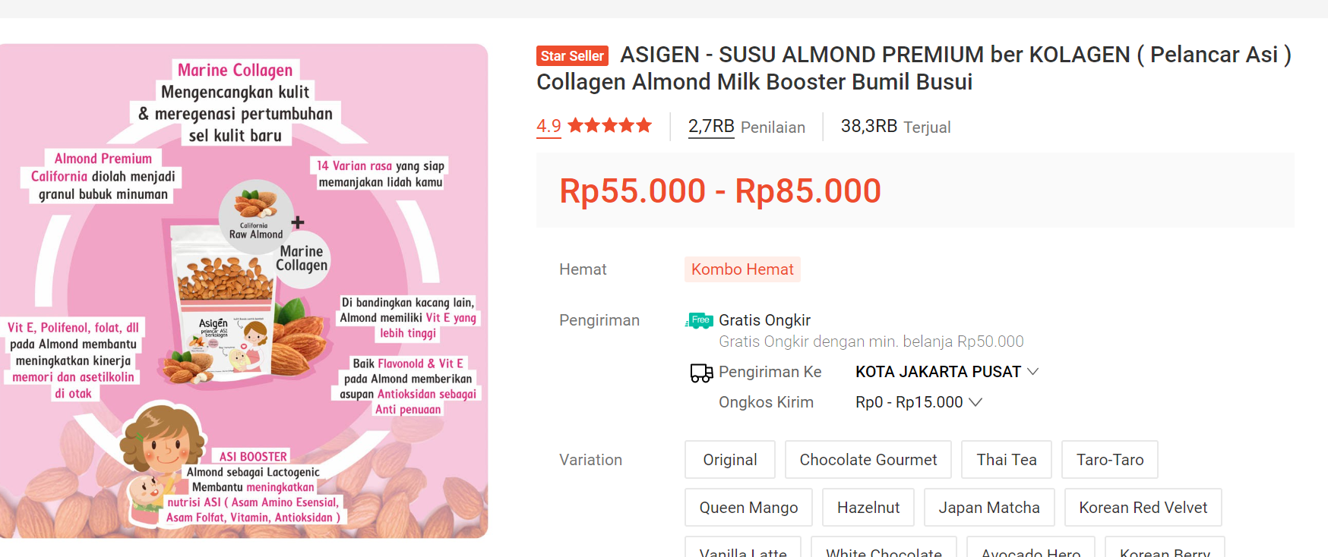
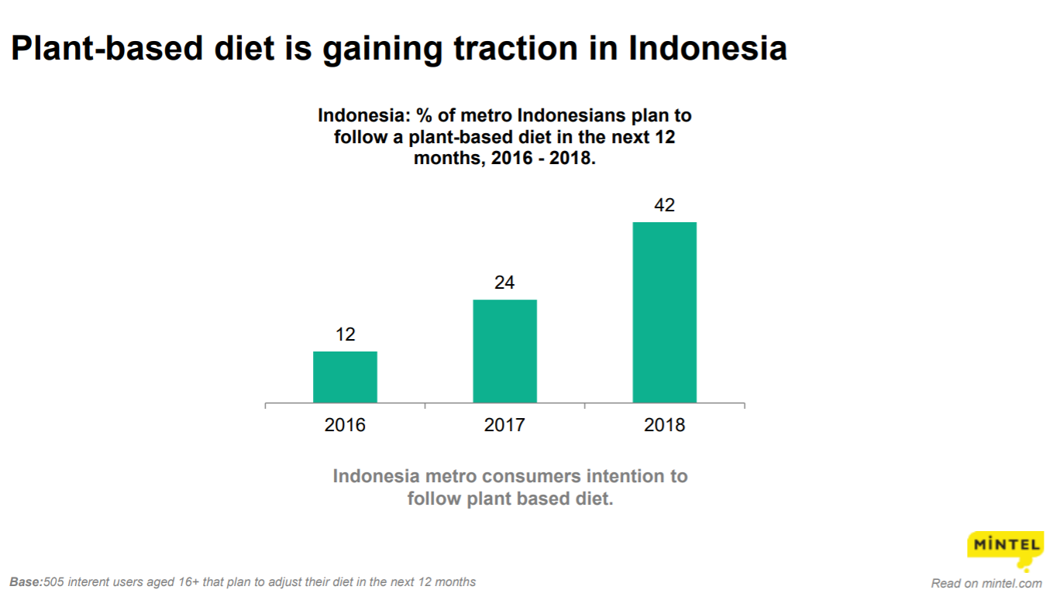
Merk | Harga | Gramasi | Harga/mL | Harga per 150 gr | Omset Tokopedia Est. Sejak Listing (satu toko)
Alamond Almond Milk | Rp42,500 | 170 | 250.0 | Rp37,500 | Rp797,937,500
Asigen Almond Collagen Milk | Rp55,000 | 170 | 323.5 | Rp48,529 | Rp2,106,500,000
Susu Almond Afis Life | Rp32,500 | 200 | 162.5 | Rp24,375 | Rp117,715,000
Mama Health Almond Milk | Rp55,000 | 200 | 275.0 | Rp41,250 | Rp6,435,000

 |  |  | HET Avg | Rp37,914
 |  |  | Price List | Rp30,331 | per 150 gram
 |  |  | Dibulatkan | Rp31,000

Market Potency
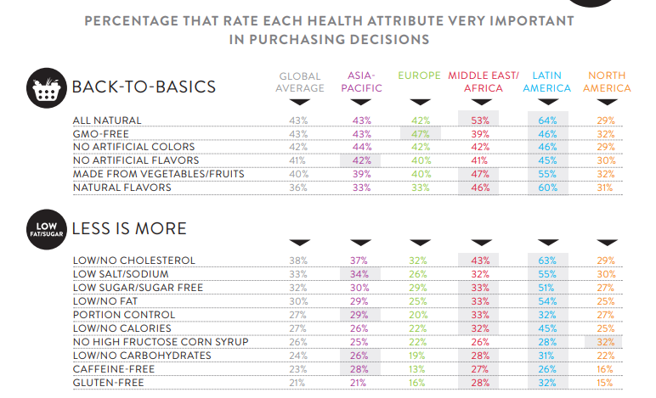
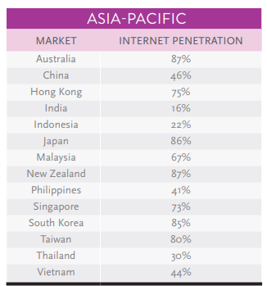

 |  |  | Jumlah penduduk Indonesia | 267,000,000
 |  |  | SES SU, U12 | 30% | Indonesian population
 |  |  | MF, 25-50 | 58% | Indonesian population
 |  |  | Diet plant based | 5%
 |  |  | AyahASI / Ibu ASI Booster | 2%
 |  |  | Choose Tropicana Slim | 10%

418901 | 464982 | 20 | Total Potensi Market | 4,630
524940 | 524826 | 25
534321 | 509726 | 30 | Consume TS
475756 | 451364 | 35 | 1 pack per 3 bulan | 4,630
400602 | 380792 | 40
333996 | 323266 | 45 | Price TS | 31000 | per pack
267070 | 267752 | 50
 |  |  | Sales potency | 143,523,180 | per 3 mo
 |  | 5878294 |  | 47,841,060
 |  |  |  | 50,000,000 | per month

 | 57.8%

Familiarity & Taste Survey
Further survey & studies needed to be conducted

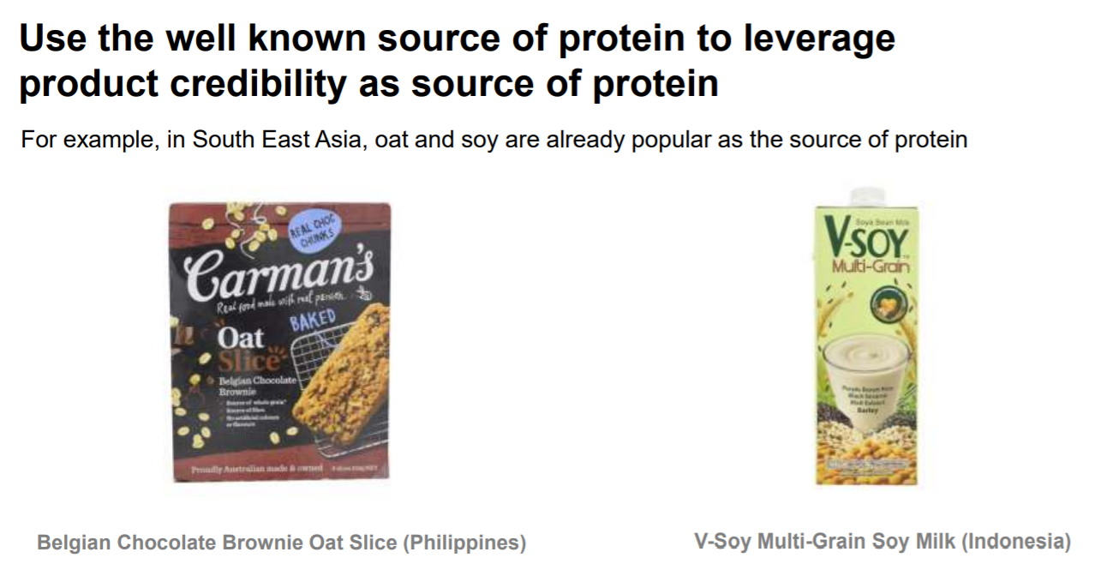
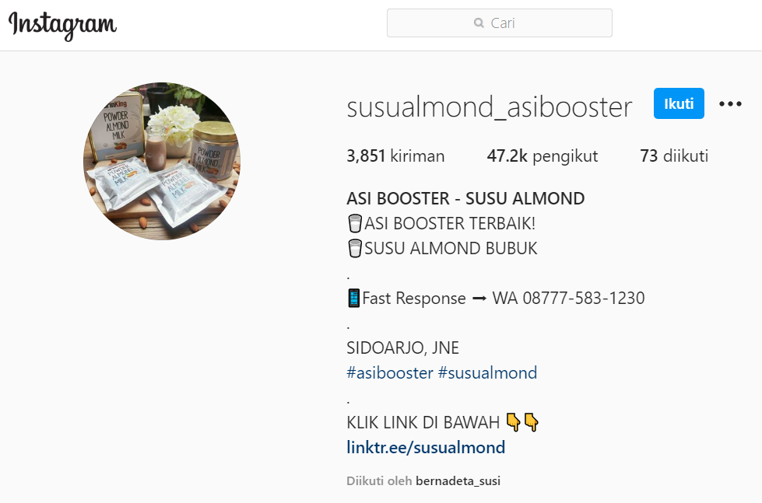
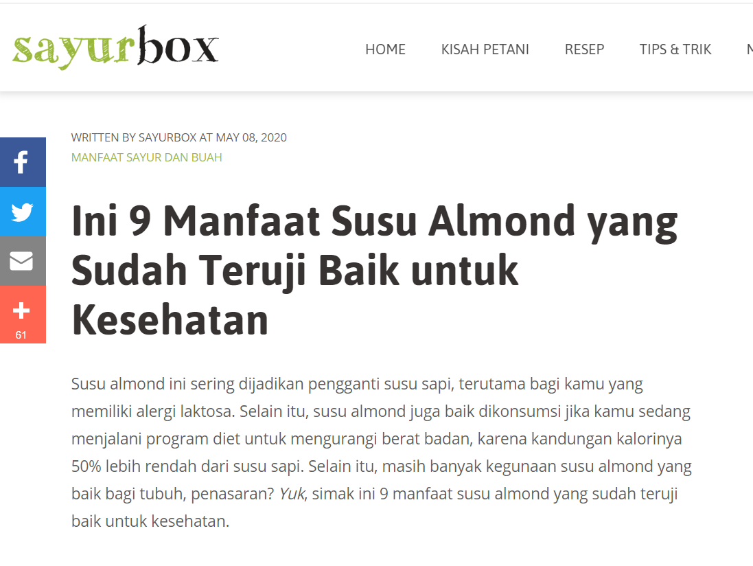

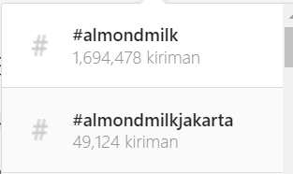

 | Susu plant based yang sudah populer di Indonesia:
 | 1. Soya Milk | Red ocean, banyak brand liquid yang sudah masuk (Vsoy, ABC, UJ, dan PIRT lain)
 | 2. Oat Milk | PKP on going di RD
 | 3. Almond Milk
 | Opportunity baru, belum ada produk BPOM MD yang main, either liquid / powder.
 | Di PIRT Powder, populer untuk booster ASI. Di liquid PIRT, populer untuk diet plant based

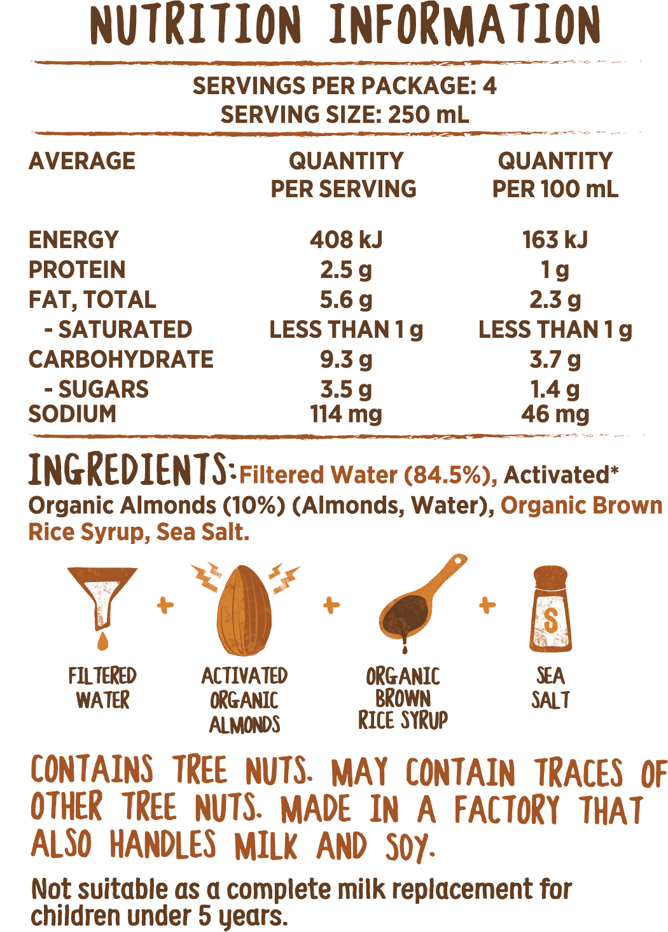

 |  |  | https://biofinest.com/en/home/482-almond-powder-organic-superfood.html

