Product
PT. NUTRIFOOD INDONESIA |  |  | KODE FORM : F.Q.201


PENGEMBANGAN KONSEP AWAL PRODUK BARU
( PKP )
Tropicana Slim®
Gumbo (Gummy Bear Tropicana Slim)
Author |  | : | Noviana
Last Updated On |  | : | 2020-10-12
 | Revision No | : | 0
Background
Idea | TS Sugar Free Jelly Candy (idem formula export)
Target market | MF 25+ SU-U2
Uniqueness of idea | -
Estimated potential market | -
Reason(s)
Market Analysis
Launch Deadline | 2021
Aisle Placement | E-com
Sales Forecast | Rp30,000,000
Selling Price (Price List) | Rp.14,000 (price list)/ min. 8 pcs candy (Rp.1,750 per pcs candy)
HET | Rp16,940
Main Competitor | Youvit
Competitive Analysis
Product Features
Product Form | Jelly candy (refer export)
Product Packaging | Refer export (open for adjustment)
Kategori pangan
Prefered Flavour | Idem export (variative)
Proposed Product Benefits | sweetened with stevia
 | no aspartame
 | no colorant

Final Product Benefits
Related Picture

ATTENTION!
 | compulsory; filled by QBX (brand function) Managers
 | should only be filled with great certainty
 | should only be filled after discussion with QPA
Service Level Agreements | Lead Time QBX (brand function) |  | 5 workdays
 | Lead Time QPA (product development function) |  | [1 (benefits) + 2 (COGS)] = 2 workdays
 | Lead Time Revision |  | 2 workdays
Processes | After being filled. HOD approval request. Then, forward to RD as low priority project. Will be further prioritized in PV Cross Funct Mtg. Meanwhile, RD can prepare SLA projection to propose into PV's SLA for the project based on capacity and feasibility.

 |  |  | Revisi / Berlaku : 05 / 10.03.2010
 |  |  | Lama Simpan : Selamanya

Youvit
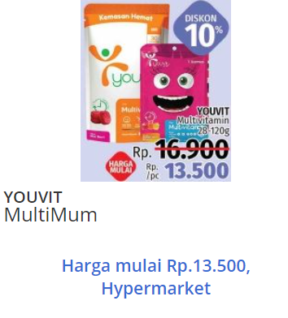
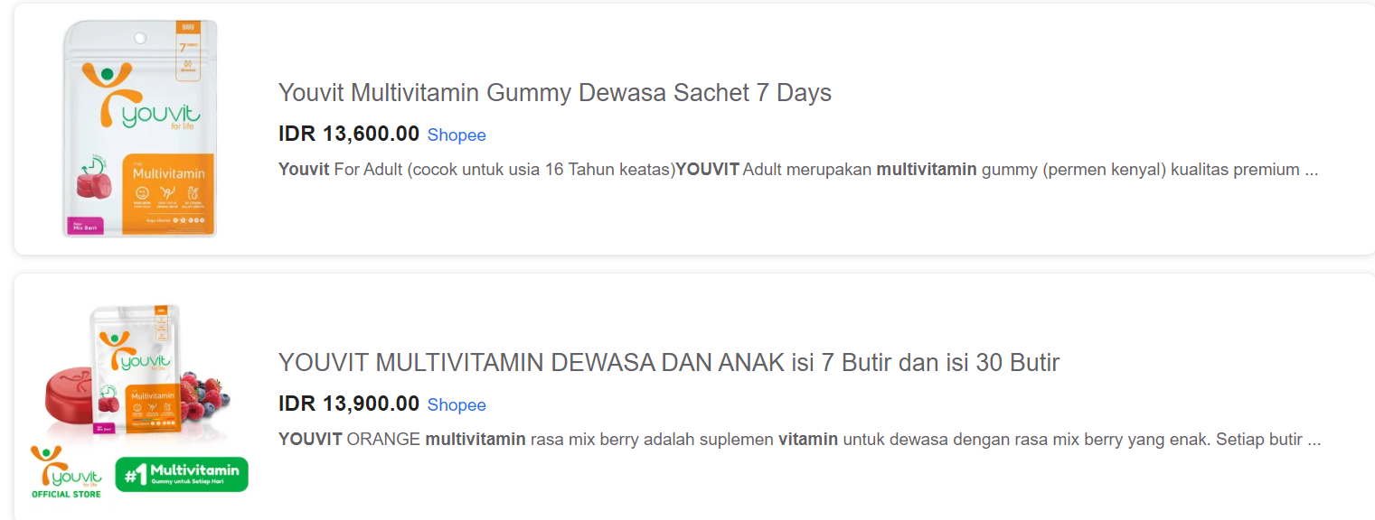

Merk | Harga | Jumlah
Youvit | 14,000 | 7

