Competitor
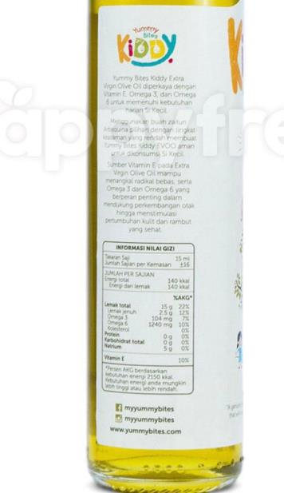
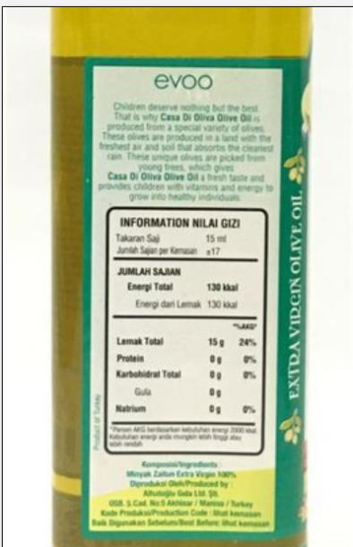
PKP Popeye
Brand | Claim | Nutrition Fact | Gramasi | HET
My Yummy Bites | 1. Cold Pressed 2. Omega 3 3. Omega 6 4. Vitamin E |  | 250ml | 71,000 | https://www.tokopedia.com/yummybites/yummy-bites-olive-oil-250-ml
Casa Di Olivia | Cold Pressed | https://www.gnpd.com/sinatra/recordpage/6683539/from_search/oBhe678d8f/?page=2 | 250ml | 65,000

