HET competitor
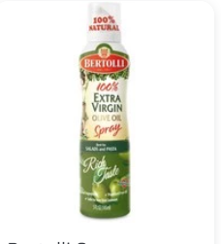
HET competitor
Vol (ml) | Price (Rp) | Price/ml | Brand
200 | 64,000 | 320 | Filipo Berio
145 | 74,000 | 510 | Bertolli

Vol (ml) | HET | Price List | DDP | % Margin
200 | 83,034 | 63,873 | 31,438 | 51%

