Sheet1
PO Class | Method - Variable | Classification of the Methods 1 = getter = retrieves data 2 = action = interacts with elements 3= navigational = leads to a new page or state Or, it could be that the thing is not a method, but an element defined with WebElement = 4 | Classification Information regarding classification: 1 = correct 2 = can be used to modify explanation for if the signature or implementation is nearly correct (return method missing, incomplete signature, wrong implementation) 3 = missing 4 = possible wrong implementation | Number of defined elements inside PO class | Number of defined methods inside PO class | Explanation for Classification | In case of missing or incomplete methods: Classify what is missing: 1: Missing return type 2: Wrong return type 3: Missing return type (returns same page) 4: wrong naming 5: missing implementation | Explanation: State which type of elements are missing (if any) | Does PO class have a proper naming? | Does PO class have a correct constructor?
AddUserPage | 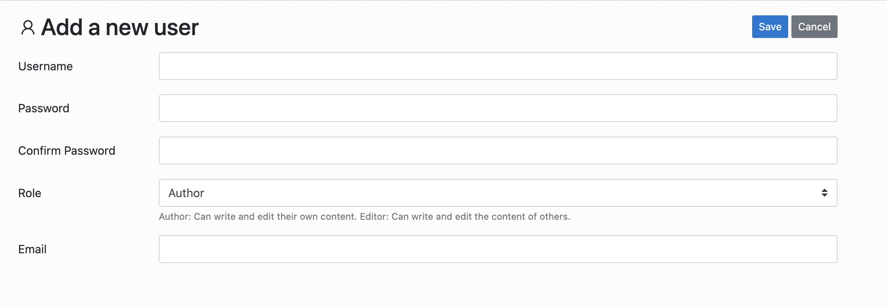 |  |  | 7 2 extra | 7 only 1 extra navigation method
 | username | 4 | 1 |  |  | usernameInput
 | password | 4 | 1 |  |  | passwordInput
 | confirmPassword | 4 | 1 |  |  | confirmPasswordInput
 | email | 4 | 1 |  |  | emailInput
 | saveBtn | 4 | 1 |  |  | saveButton
 | public AddUserPage setUsername(String usr) | 2 | 2 |  |  | public void setUsername(String username) | 3
 | public AddUserPage setPassword(String psw) | 2 | 2 |  |  | public void setPassword(String password) | 3
 | public AddUserPage confirmPassword(String psw) | 2 | 2 |  |  | public void setConfirmPassword(String password) | 3
 | public AddUserPage setEmail(String mail) | 2 | 2 |  |  | public void setEmail(String email) | 3
 | public AddUserPage setRole(String role) | 2 | 2 |  |  | public void selectRole(String role) | 3
 | public UsersPage save() | 3 | 2 |  |  | public void clickSave() | 1
AdminLogin | 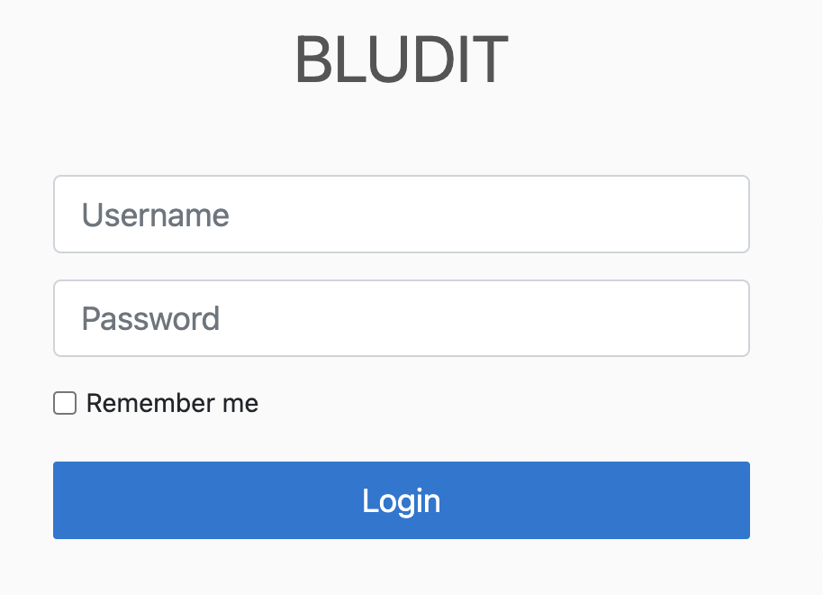 |  |  | 4 1 extra | 4 1 extra action method // Assuming login leads to another page - adjust return type as needed public DashboardPage clickLogin() { loginButton.click(); return new DashboardPage(driver); } // If login stays on same page, use this instead: // public void clickLogin() { // loginButton.click(); // } provides multiple options |  |  | Deepseek gives two options for saveButton with one missing return type and one with dashboard page with explanatory comments
 | username | 4 | 1 |  |  | usernameInput
 | password | 4 | 1 |  |  | passwordInput
 | loginBtn | 4 | 1 |  |  | loginButton
 | public AdminLogin setUsername(String usr) | 2 | 2 |  |  | public void setUsername(String username) | 3
 | public AdminLogin setPassword(String psw) | 2 | 2 |  |  | public void setPassword(String password) | 3
 | public AdminHome login() | 3 | 2 |  |  | // Assuming login leads to another page - adjust return type as needed public DashboardPage clickLogin() { loginButton.click(); return new DashboardPage(driver); } // If login stays on same page, use this instead: // public void clickLogin() { // loginButton.click(); // } | 2
AdminSidebar |  |  |  | 9 extra | 8 extra navigational 1 getter
 | newContent | 4 | 1 |  |  | newContentLink
 | content | 4 | 1 |  |  | contentLink
 | users | 4 | 1 |  |  | usersLink
 | categories | 4 | 1 |  |  | categoriesLink
 | public NewContentPage newContent() | 3 | 2 |  |  | public void clickNewContentLink() | 1
 | public ContentPage content() | 3 | 2 |  |  | public void clickContentLink() | 1
 | public UsersPage users() | 3 | 2 |  |  | public void clickUsersLink() | 1
 | public CategoriesPage categories() | 3 | 2 |  |  | public void clickCategoriesLink() | 1
CategoriesPage |  |  |  | 7 extra | 3 extra navigational 7 extra getter
 | addCategory | 4 | 1 |  |  | addNewLink
 | firstCategoryName | 4 | 1 |  |  | firstRowFirstLink
 | firstCategoryUrl | 4 | 1 |  |  | firstRowSecondLink
 | categoriesTable | 4 | 3
 | public NewCategoryPage addCategory() | 3 | 2 |  |  | public void clickAddNewLink() | 1
 | public String getFirstCategoryName() | 1 | 1 |  |  | public String getFirstRowFirstLinkText()
 | public String getFirstCategoryUrl() | 1 | 1 |  |  | public String getFirstRowSecondLinkText()
 | public EditCategoryPage editCategory(String cat) | 3 | 3
 | public SiteCategoryPage seeCategoryArticles(String catUrl) | 3 | 3
 | public boolean containsCategory(String cat) | 1 | 3
ContentPage | 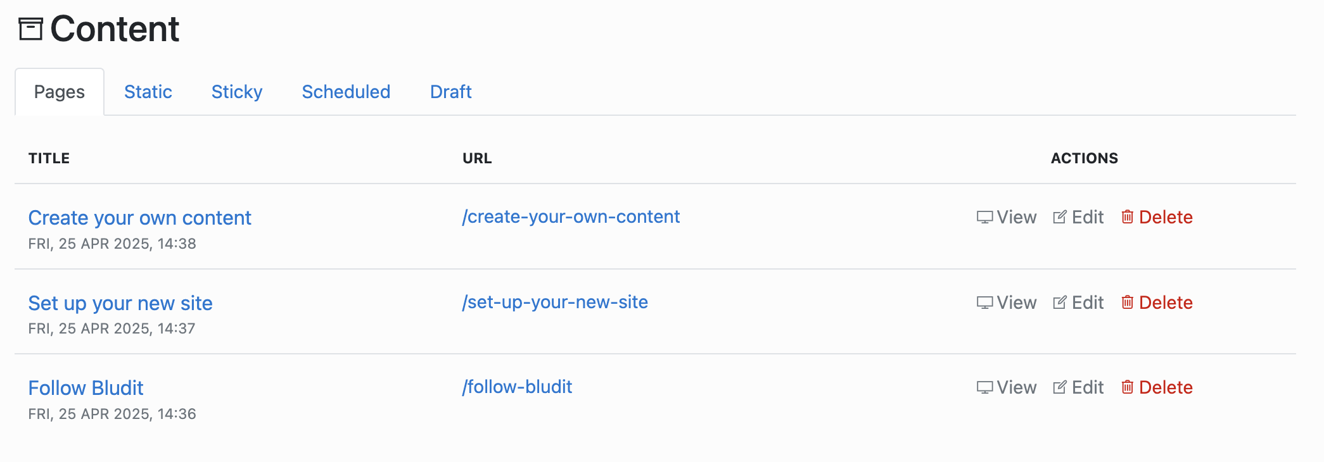 |  |  | 26 21 extra | 26 9 extra getter 4 extra action 7 extra navigation
 | firstContentTitle | 4 | 1 |  |  | firstTitleLink
 | firstContentEdit | 4 | 1 |  |  | firstEditButton
 | firstElementUrl | 4 | 1 |  |  | firstUrlLink
 | thirdContentEdit | 4 | 1 |  |  | thirdEditButton
 | deleteThirdContent | 4 | 1 |  |  | thirdDeleteButton
 | public String getFirstContentTitle() | 1 | 1 |  |  | public String getFirstTitleText()
 | public NewContentPage editFirstContent() | 3 | 2 |  |  | public void clickFirstEditButton() | 2
 | public NewContentPage editThirdContent() | 3 | 2 |  |  | public void clickThirdEditButton() | 2
 | public String getFirstElementUrl() | 1 | 1 |  |  | public String getFirstUrlText()
 | public ContentPage deleteThirdElement() | 2 | 2 |  |  | public void clickThirdDeleteButton() | 3
 | public ContentPage confrmDelete() | 2 | 2 |  |  | public void clickDeleteModalAcceptButton() | 3
 | public boolean containsElement(String elem) | 1 | 3
EditCategoryPage |  |  |  | 10 7 extra | 4 extra getter 5 extra action
 | url | 4 | 1 |  |  | friendlyUrlInput
 | deleteBtn | 4 | 1 |  |  | deleteButton
 | confirmDeleteBtn | 4 | 3
 | public EditCategoryPage setUrl(String url) | 2 | 2 |  |  | public void setFriendlyUrl(String url) | 3
 | public EditCategoryPage delete() | 2 | 2 |  |  | public void clickDelete() | 3
 | public CategoriesPage confirmDelete() | 3 | 3
EditUserPage | 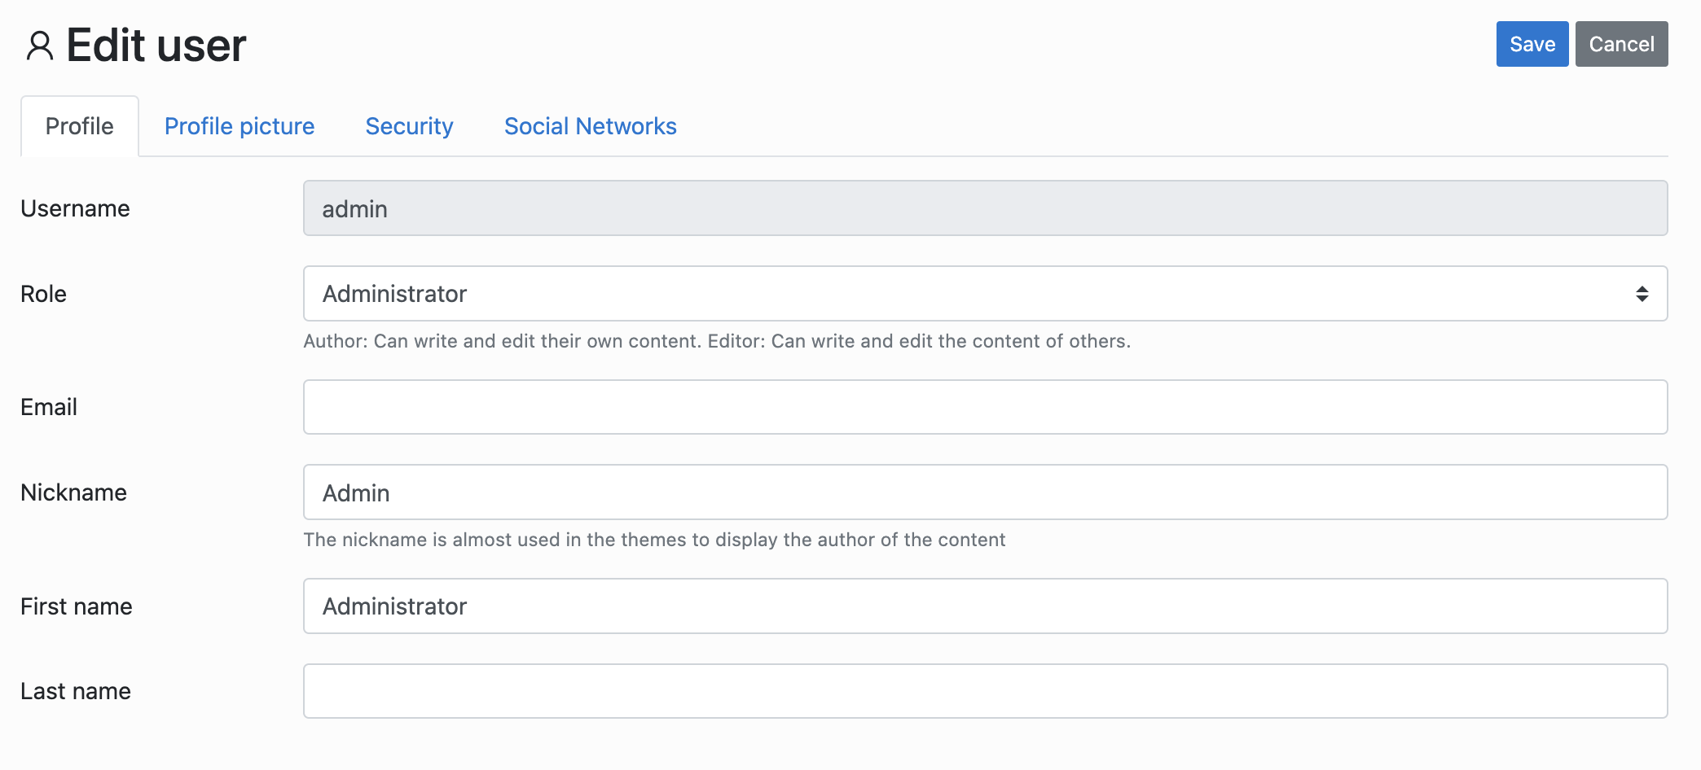 |  |  | 2 extra | 2 extra navigational
 | securityTab | 4 | 1 |  |  | securityTab
 | socials | 4 | 1 |  |  | socialTab
 | public UserSecurityPage security() | 3 | 2 |  |  | public void clickSecurityTab() | 1
 | public SocialNetworksPage socials() | 3 | 2 |  |  | public void clickSocialTab() | 1
GeneralSettingsAbstractPage |  |  |  | 4 extra | 4 extra navigational
 | general | 4 | 1 |  |  | generalTab
 | advanced | 4 | 1 |  |  | advancedTab
 | socials | 4 | 1 |  |  | socialNetworksTab
 | language | 4 | 1 |  |  | languageTab
 | saveBtn | 4 | 1
 | public GeneralSettingsPage general() | 3 | 2 |  |  | public void clickGeneralTab() | 1
 | public AdvancedSettingsPage advanced() | 3 | 2 |  |  | public void clickAdvancedTab() | 1
 | public SiteSocialsPage socials() | 3 | 2 |  |  | public void clickSocialNetworksTab() | 1
 | public LanguagePage language() | 3 | 2 |  |  | public void clickLanguageTab() | 1
GeneralSettingsPage | 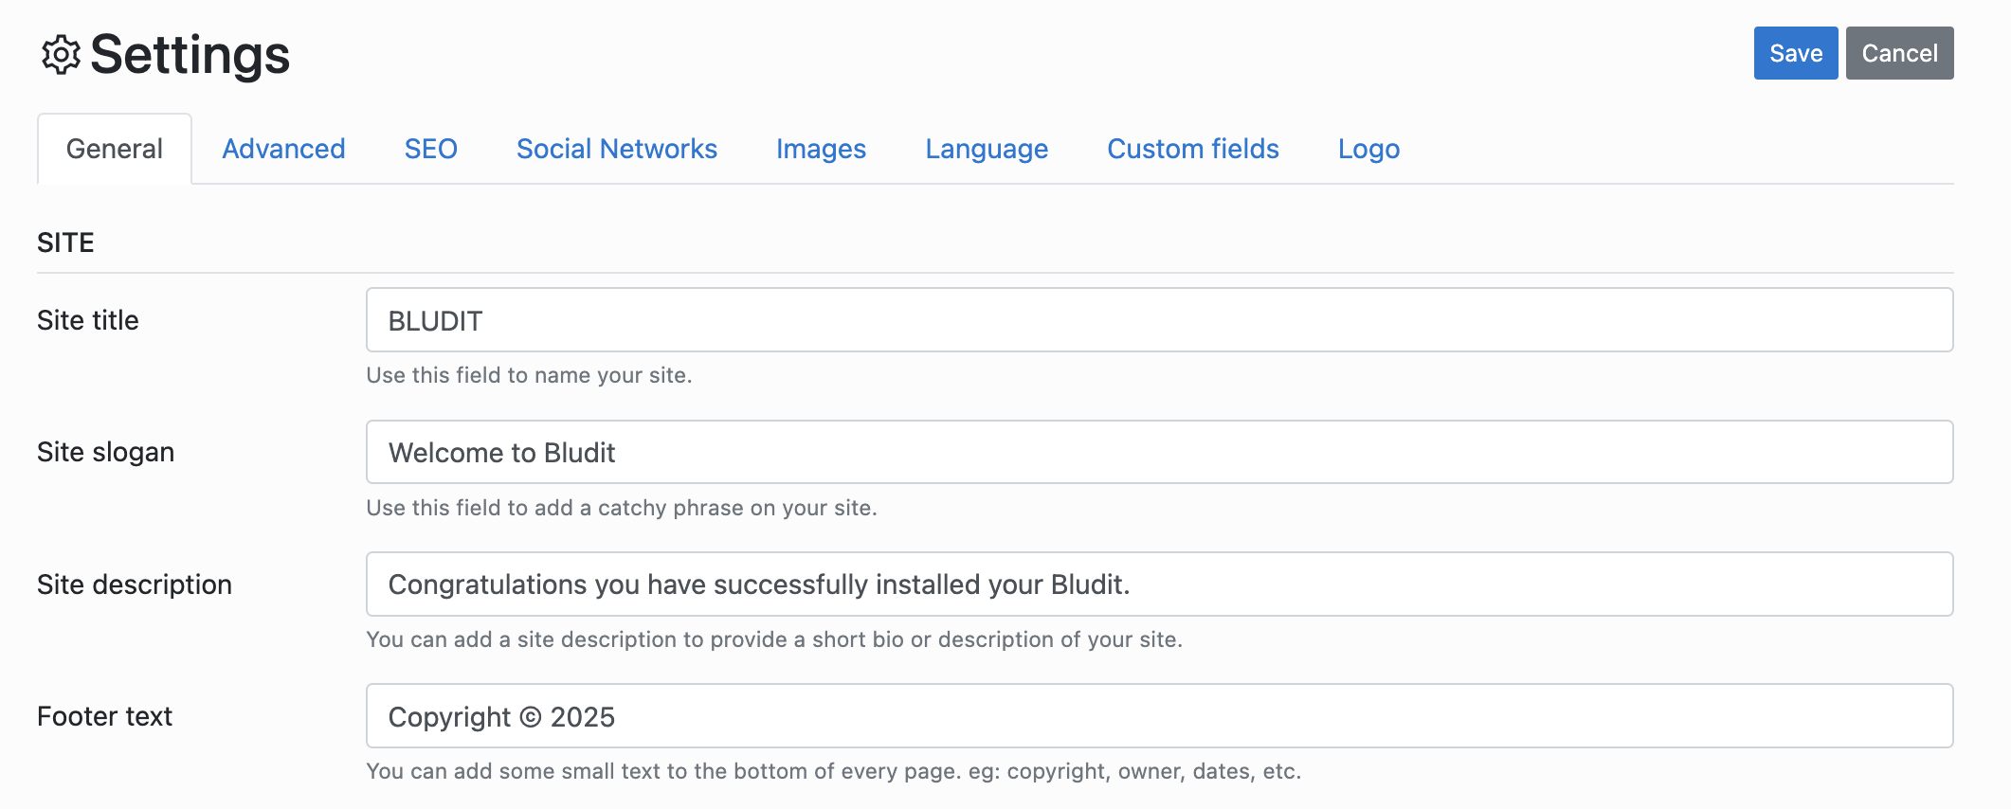 |  |  | 3 extra | 3 extra getter 4 extra action
 | footer | 4 | 1 |  |  | footerTextInput
 | public GeneralSettingsPage setFooter(String ft) | 2 | 2 |  |  | public void setFooterText(String footerText) | 1
 | public GeneralSettingsPage save() | 3 | 1
 | public String getFooter() | 1 | 1 |  |  | public String getFooterText()
LanguagePage | 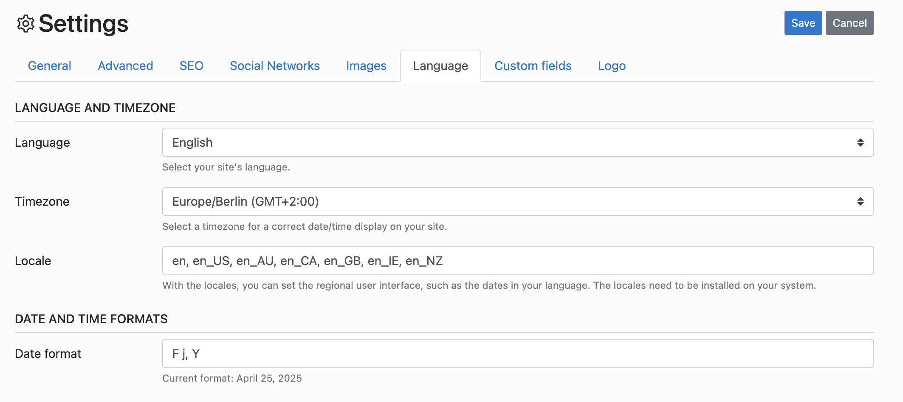 |  |  | 4 extra | 3 extra getter 3 extra action
 | public LanguagePage setLanguage(String lang) | 2 | 2 |  |  | public void selectLanguage(String languageValue) { // Implementation to select language from dropdown } | 5
 | public LanguagePage save() | 3 | 1
 | public String getLanguage() | 1 | 2 |  |  | public String getSelectedLanguage() { return ""; // Implementation to get selected language } | 5
NewCategoryPage |  |  |  | 2 extra | 1 extra action
 | name | 4 | 1 |  |  | nameInput
 | description | 4 | 1 |  |  | descriptionTextarea
 | saveBtn | 4 | 1 |  |  | saveButton
 | public NewCategoryPage setName(String name) | 2 | 2 |  |  | public void setName(String name) | 3
 | public NewCategoryPage setDescr(String descr) | 2 | 2 |  |  | public void setDescription(String description) | 3
 | public CategoriesPage save() | 3 | 1 |  |  | public CategoriesPage clickSave()
NewContentPage | 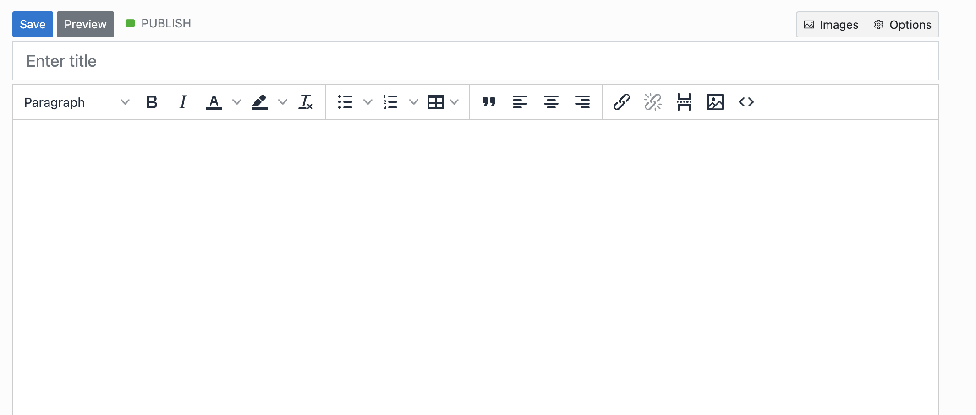 |  |  | 19 extra | 2 extra getter 10 extra action |  |  | In this class, although elements were defined in detail correctly, a lot of the methods were missing
 | title | 4 | 1 |  |  | titleInput
 | saveBtn | 4 | 1 |  |  | saveButton
 | optionsBtn | 4 | 1 |  |  | optionsButton
 | seoTab | 4 | 3
 | advancedTab | 4 | 3
 | urlField | 4 | 3
 | positionField | 4 | 1 |  |  | positionInput
 | draftBtn | 4 | 3
 | date | 4 | 1 |  |  | dateInput
 | public NewContentPage setTitle(String ttl) | 2 | 2 |  |  | public void setTitle(String title) | 3
 | public ContentPage saveAndReturnToContentPage() | 3 | 2 |  |  | public void clickSaveButton()? | 5
 | public NewContentPage saveAndStay() | 2 | 2 |  |  | public void clickSaveButton()? | 5
 | public NewContentPage options() | 3 | 3
 | public NewContentPage seo() | 3 | 3
 | public NewContentPage advanced() | 3 | 3
 | public NewContentPage setUrl(String url) | 2 | 3
 | public NewContentPage setPosition(String pos) | 2 | 3
 | public NewContentPage setDraft() | 2 | 3
 | public NewContentPage setPostType(String type) | 2 | 3
 | public String getPosition() | 1 | 3
 | public NewContentPage setParent(String parent) | 2 | 3
 | public String getSelectedParent() | 1 | 3
 | public NewContentPage setDate(String date) | 2 | 2 |  |  | public void setDate(String date) | 3
 | public String getDate() | 1 | 3
 | public NewContentPage setCategory(String category) | 2 | 3
 | public String getSelectedCategory() | 1 | 3
SiteSocialsPage |  |  |  | 9 extra | 9 extra action 9 extra getter
 | instagram | 4 | 1 |  |  | instagramInput
 | public SiteSocialsPage setInstagram(String ig) | 2 | 2 |  |  | public void setInstagramInput(String value) | 3
 | public SiteSocialsPage save() | 3 | 3
 | public String getInstagram() | 1 | 1 |  |  | public String getInstagramInputValue()
SocialNetworksPage | 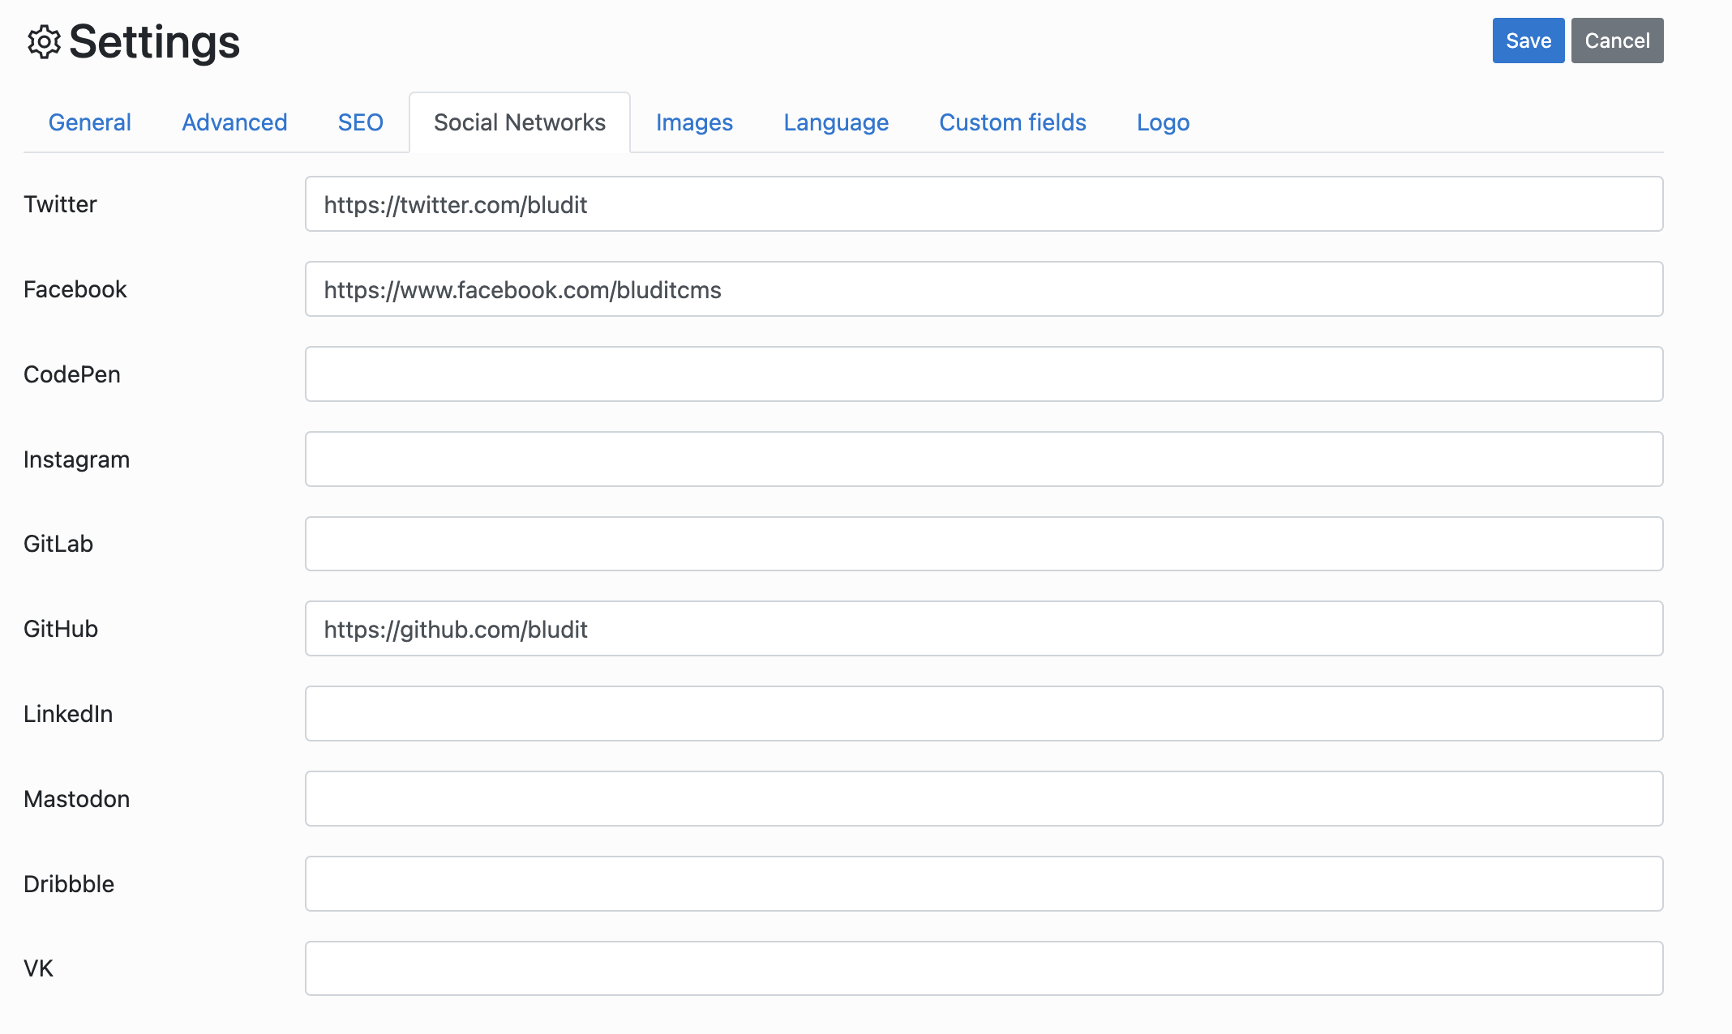 |  |  | 7 extra | 7 extra action 7 extra getter
 | facebook | 4 | 1 |  |  | facebookInput
 | instagram | 4 | 1 |  |  | instagramInput
 | saveBtn | 4 | 3
 | public SocialNetworksPage setFb(String fb) | 2 | 2 |  |  | public void setFacebookInput(String value) | 3
 | public SocialNetworksPage setIg(String ig) | 2 | 2 |  |  | public void setInstagramInput(String value) | 3
 | public UsersPage save() | 3 | 3
 | public String getFb() | 1 | 1 |  |  | public String getFacebookInputValue()
 | public String getIg() | 1 | 1 |  |  | public String getInstagramInputValue()
UserSecurityPage | 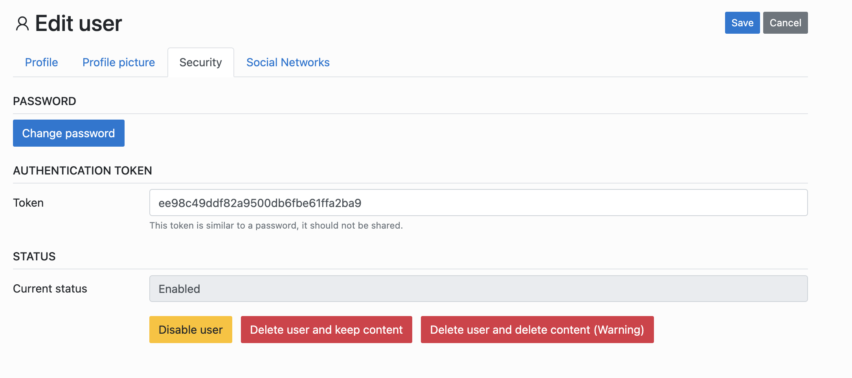 |  |  | 2 extra | 1 extra action 2 extra getter
 | changePasswordBtn | 4 | 1 |  |  | changePasswordLink
 | newPassword | 4 | 1 |  |  | tokenInputField
 | confirmPassword | 4 | 3
 | saveBtn | 4 | 3
 | disableBtn | 4 | 1 |  |  | disableUserButton
 | deleteBtn | 4 | 1 |  |  | deleteUserKeepContentButton
 | public UserSecurityPage changePassword() | 2 | 2 |  |  | public void clickChangePasswordLink() | 3
 | public UserSecurityPage setPassword(String psw) | 2 | 2 |  |  | public void setTokenValue(String token) | 3
 | public UserSecurityPage confirmPassword(String psw) | 2 | 3
 | public UsersPage save() | 3 | 3 |  |  | where is the confirm password?
 | public UsersPage disable() | 3 | 2 |  |  | public void clickDisableUserButton() | 3
 | public UsersPage delete() | 3 | 2 |  |  | public void clickDeleteUserKeepContentButton() | 3
UsersPage |  |  |  | 11 extra | 4 extra getter 1 extra action 1 extra navigation
 | addUser | 4 | 1 |  |  | addNewUserLink
 | secondUserName | 4 | 1 |  |  | naming is different because there were only one item in my list firstUsernameLink
 | secondUserAbilitation | 4 | 3
 | firstUserName | 4 | 1 |  |  | firstNicknameCell
 | public AddUserPage addUser() | 3 | 2 |  |  | public NewUserPage clickAddNewUserLink() | 4
 | public String getSecondUserName() | 1 | 1 |  |  | public String getFirstUsernameText()
 | public EditUserPage editSecondUser() | 3 | 3
 | public EditUserPage editFirstUser() | 3 | 3
 | public String getSecondUserAbilitation() | 1 | 3
 | public boolean containsUser(String usr) | 1 | 3 |  |  | custom method used for testing

 |  |  | 60 |  |  |  | 13
 |  |  | 43 |  |  |  | 3
 |  |  | 36 |  |  |  | 22
 |  |  |  |  |  |  | 1
 |  |  |  |  |  |  | 4
 |  |  |  |  |  |  | 0

