Sheet1
PO Class | Method - Variable | Classification of the Methods 1 = getter = retrieves data 2 = action = interacts with elements 3= navigational = leads to a new page or state Or, it could be that the thing is not a method, but an element defined with WebElement = 4 | Classification Information regarding classification: 1 = correct 2 = can be used to modify explanation for if the signature or implementation is nearly correct (return method missing, incomplete signature, wrong implementation) 3 = missing | Number of defined elements inside PO class | Number of defined methods inside PO class | Explanation for Classification | In case of missing or incomplete methods: Classify what is missing: 1: Missing return type 2: Wrong return type 3: Missing return type (returns same page) 4: wrong naming | Explanation: State which type of elements are missing (if any) | Does PO class have a proper naming? | Does PO class have a correct constructor?
AddUserPage | 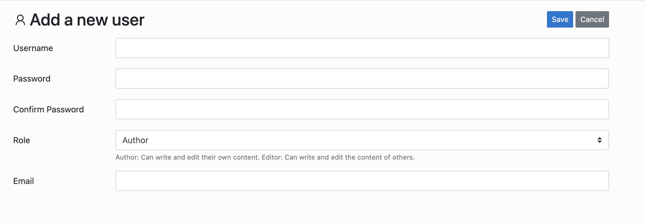 |  |  | 2 extra element | 0 extra |  |  | The LLM has more complete class, because the manual LLM has missing methods/variables. For instance, althought the manual class has a setRole method, it does not have a defined role variable (but the LLM generated one has), same as the Cancel button. | Yes - AddUserPage | Yes
 | username | 4 | 1 |  |  | usernameInputField
 | password | 4 | 1 |  |  | passwordInputField
 | confirmPassword | 4 | 1 |  |  | confirmPasswordInputField
 | email | 4 | 1 |  |  | emailInputField
 | saveBtn | 4 | 1 |  |  | saveButton
 | public AddUserPage setUsername(String usr) | 2 | 2 |  |  | the implementation is correct but the return method is missing public void enterUsername(String username) | 3
 | public AddUserPage setPassword(String psw) | 2 | 2 |  |  | the implementation is correct but the return method is missing public void enterPassword(String password) | 3
 | public AddUserPage confirmPassword(String psw) | 2 | 2 |  |  | the implementation is correct but the return method is missing public void enterConfirmPassword (String confirmPassword) | 3
 | public AddUserPage setEmail(String mail) | 2 | 2 |  |  | the implementation is correct but the return method is missing public void enterEmail(String email) | 3
 | public AddUserPage setRole(String role) | 2 | 2 |  |  | the implementation is correct but the return method is missing public void selectRole(String role) | 3
 | public UsersPage save() | 3 | 2 |  |  | the implementation is correct but the return method is missing public void clickSaveButton() | 1
AdminLogin | 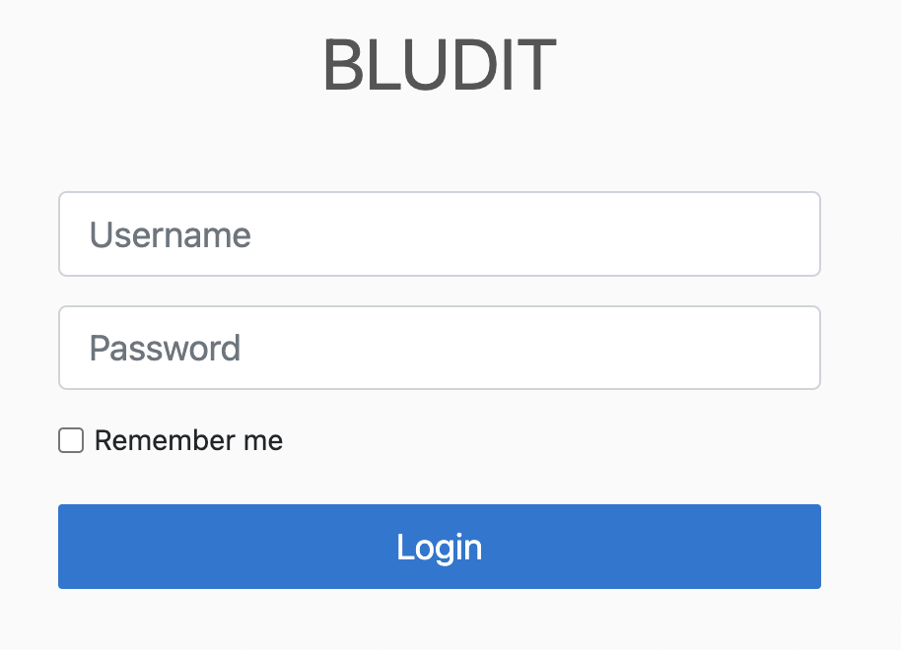 |  |  | 1 extra element | 1 extra action |  |  | The LLM has more complete class, because the manual LLM has missing methods/variables. For example, the rememberMe button. However, it's again struggling with return types. | Yes
 | username | 4 | 1 |  |  | usernameInput
 | password | 4 | 1 |  |  | passwordInput
 | loginBtn | 4 | 1 |  |  | loginButton
 | public AdminLogin setUsername(String usr) | 2 | 2 |  |  | public void enterUsername(String username) | 3
 | public AdminLogin setPassword(String psw) | 2 | 2 |  |  | public void enterPassword(String password) | 3
 | public AdminHome login() | 3 | 2 |  |  | public void clickLoginButton() | 1
AdminSidebar |  |  |  | 8 extra element | 8 extra navigational
 | newContent | 4 | 1 |  |  | newContentLink
 | content | 4 | 1 |  |  | contentLink
 | users | 4 | 1 |  |  | usersLink
 | categories | 4 | 1 |  |  | categoriesLink
 | public NewContentPage newContent() | 3 | 2 |  |  | public void clickNewContentLink() | 1
 | public ContentPage content() | 3 | 2 |  |  | public void clickContentLink() | 1
 | public UsersPage users() | 3 | 2 |  |  | public void clickUsersLink() | 1
 | public CategoriesPage categories() | 3 | 2 |  |  | public void clickCategoriesLink() | 1
CategoriesPage |  |  |  | 0 extra element | 1 extra action |  |  | I think for this PO class, the one LLM is generated with and the one we take as ground truth are not exactly matching. The page I used to prompt (which is the default page of when I run the app) has 3 categories, and for each category element LLM defined different elements
 | addCategory | 4 | 1 |  |  | addNewCategoryLink
 | firstCategoryName | 4 | 3
 | firstCategoryUrl | 4 | 1 |  |  | firstCategoryLink
 | categoriesTable | 4 | 3
 | public NewCategoryPage addCategory() | 3 | 2 |  |  | public void clickAddNewCategory() | 1
 | public String getFirstCategoryName() | 1 | 3
 | public String getFirstCategoryUrl() | 1 | 3
 | public EditCategoryPage editCategory(String cat) | 3 | 3
 | public SiteCategoryPage seeCategoryArticles(String catUrl) | 3 | 3
 | public boolean containsCategory(String cat) | 1 | 3
ContentPage | 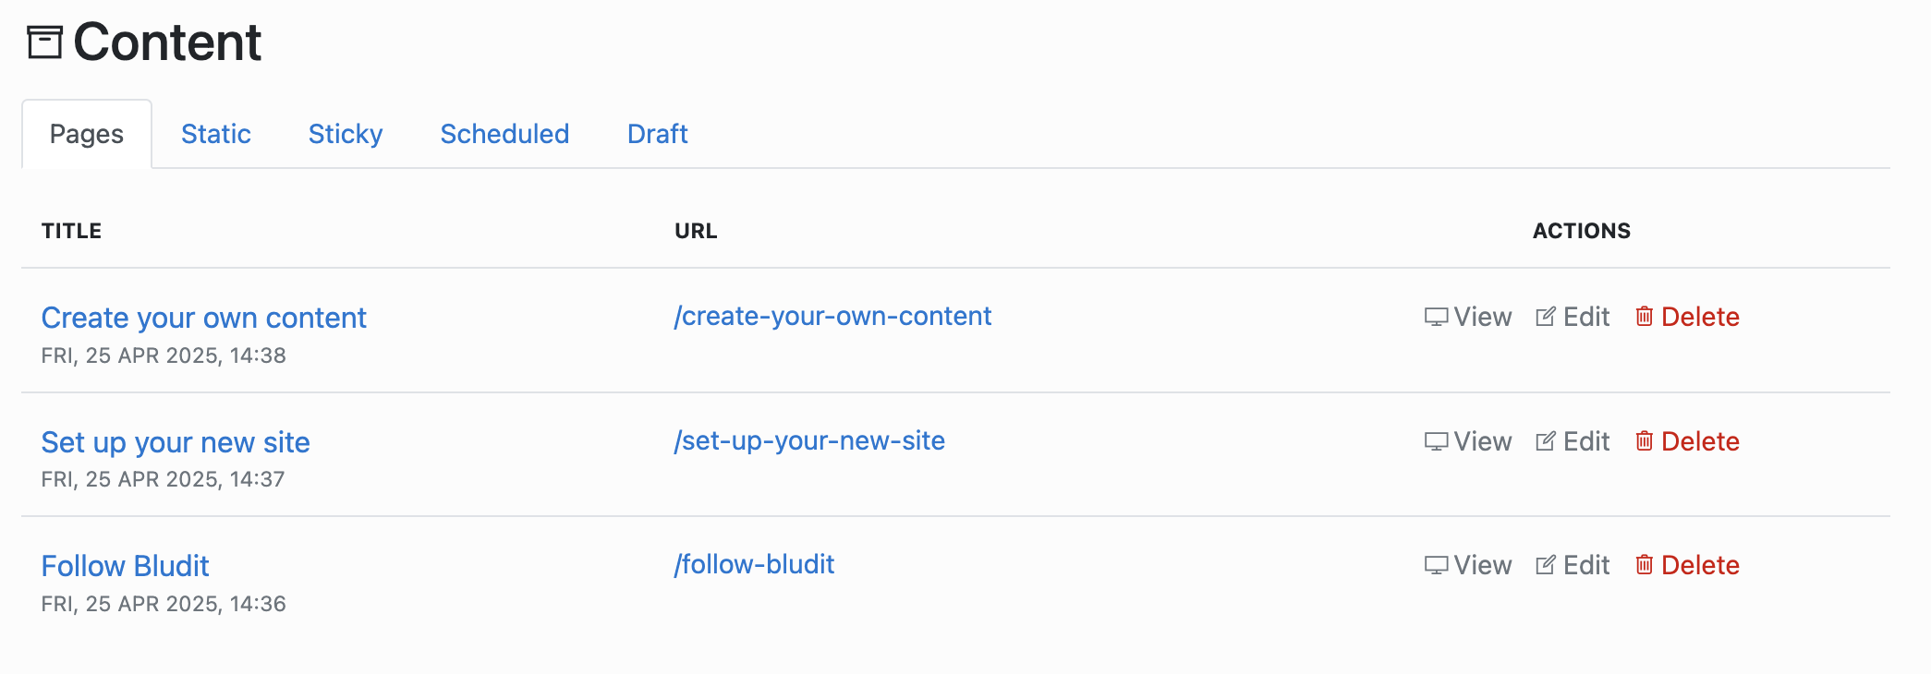 |  |  | 10 extra element | 3 extra action 7 extra navigation |  |  | Manual generated one is missing details about the second item. On the other hand, LLM generated one defined the elements differently than the manual ones: - links should be texts etc
 | firstContentTitle | 4 | 3 |  |  | I think the definitions are not exactly mathing, LLM defines it as link whereas it's defined as a normal String in title field firstTitleLink
 | firstContentEdit | 4 | 1 |  |  | firstEditLink
 | firstElementUrl | 4 | 1 |  |  | firstViewLink
 | thirdContentEdit | 4 | 1 |  |  | thirdEditLink
 | deleteThirdContent | 4 | 1 |  |  | thirdDeleteButton
 | public String getFirstContentTitle() | 1 | 3 |  |  | Again, not correctly matchinc because it's not string. public void clickFirstTitleLink()
 | public NewContentPage editFirstContent() | 3 | 2 |  |  | public void clickFirstEditLink() | 1
 | public NewContentPage editThirdContent() | 3 | 2 |  |  | public void clickThirdEditLink() | 1
 | public String getFirstElementUrl() | 1 | 3 |  |  | public void clickFirstViewLink()
 | public ContentPage deleteThirdElement() | 2 | 2 |  |  | public void clickThirdDeleteButton() | 3
 | public ContentPage confrmDelete() | 2 | 2 |  |  | public void confirmDelete() | 3
 | public boolean containsElement(String elem) | 1 | 3
EditCategoryPage |  |  |  | 5 extra element | 4 extra action 1 extra navigation
 | url | 4 | 1 |  |  | friendlyUrlInputField
 | deleteBtn | 4 | 1 |  |  | deleteButton
 | confirmDeleteBtn | 4 | 3 |  |  | There is no button defined like this on the page, it pops up with the modal which is not propmted to the LLM
 | public EditCategoryPage setUrl(String url) | 2 | 2 |  |  | public void enterFriendlyUrl(String friendlyUrl) | 3
 | public EditCategoryPage delete() | 2 | 2 |  |  | public void clickDeleteButton() | 3
 | public CategoriesPage confirmDelete() | 3 | 3 |  |  | Not defined on the page
EditUserPage | 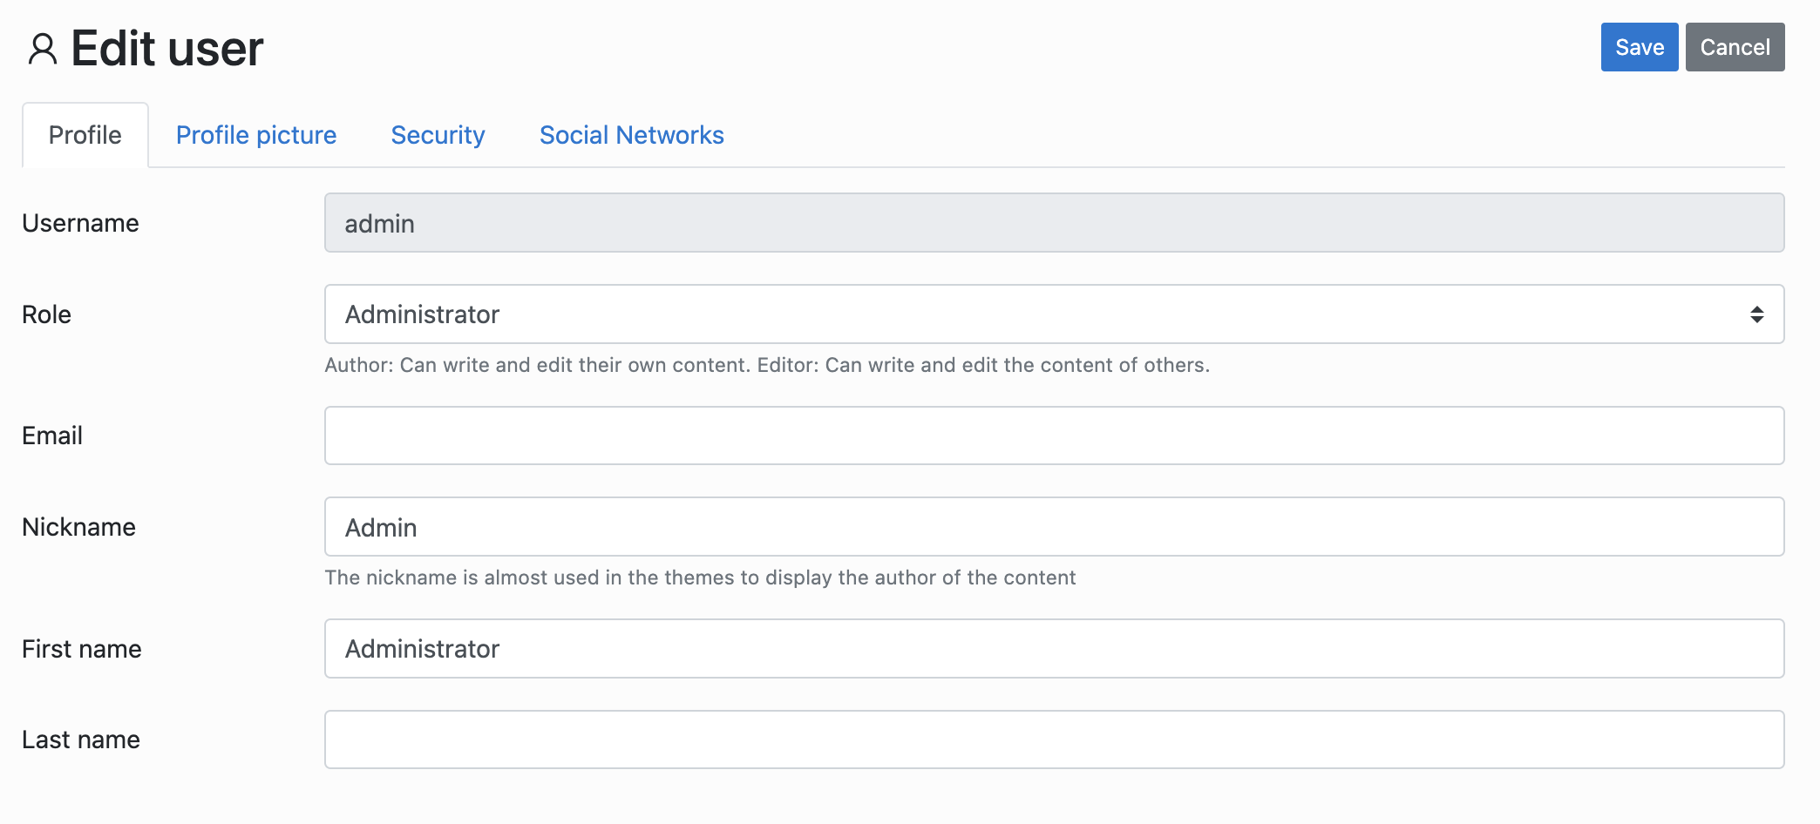 |  |  | 2 extra element | 2 extra navigation |  |  | LLM defined one is more complete but again missing proper return types
 | securityTab | 4 | 1 |  |  | securityTab
 | socials | 4 | 1 |  |  | socialTab
 | public UserSecurityPage security() | 3 | 2 |  |  | public void clickSecurityTab() | 1
 | public SocialNetworksPage socials() | 3 | 2 |  |  | public void clickSocialTab() | 1
GeneralSettingsAbstractPage |  |  |  | 3 extra element | 4 extra navigation |  |  | For the LLM generated one, it contains all tabs defined whereas the manually generated one has missing tabs. The LLm generated one has void return types but the reason for that is I think that they are pages but not links. So basically it's still the same PO. Since the manual one defines POs as components, it returns a new object but in reality not sure if that should be the behavior
 | general | 4 | 1 |  |  | generalTab
 | advanced | 4 | 1 |  |  | advancedTab
 | socials | 4 | 1 |  |  | socialNetworksTab
 | language | 4 | 1 |  |  | languageTab
 | saveBtn | 4 | 1 |  |  | saveButton
 | public GeneralSettingsPage general() | 3 | 2 |  |  | public void clickGeneralTab() | 1
 | public AdvancedSettingsPage advanced() | 3 | 2 |  |  | public void clickAdvancedTab() | 1
 | public SiteSocialsPage socials() | 3 | 2 |  |  | public void clickSocialNetworksTab() | 1
 | public LanguagePage language() | 3 | 2 |  |  | public void clickLanguageTab() | 1
GeneralSettingsPage | 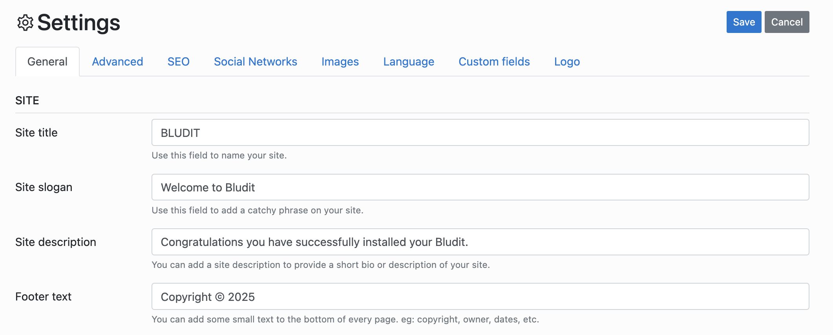 |  |  | 3 extra element | 3 extra getter 3 extra action |  |  | LLM generated one is more complete, the manual one is missing other fields like siteSlogan, siteDescription...
 | footer | 4 | 1 |  |  | footerTextInput
 | public GeneralSettingsPage setFooter(String ft) | 2 | 2 |  |  | public void enterFooterText(String footerText) | 3
 | public GeneralSettingsPage save() | 3 | 1 |  |  | savveButton
 | public String getFooter() | 1 | 1 |  |  | public String getFooterText()
LanguagePage | 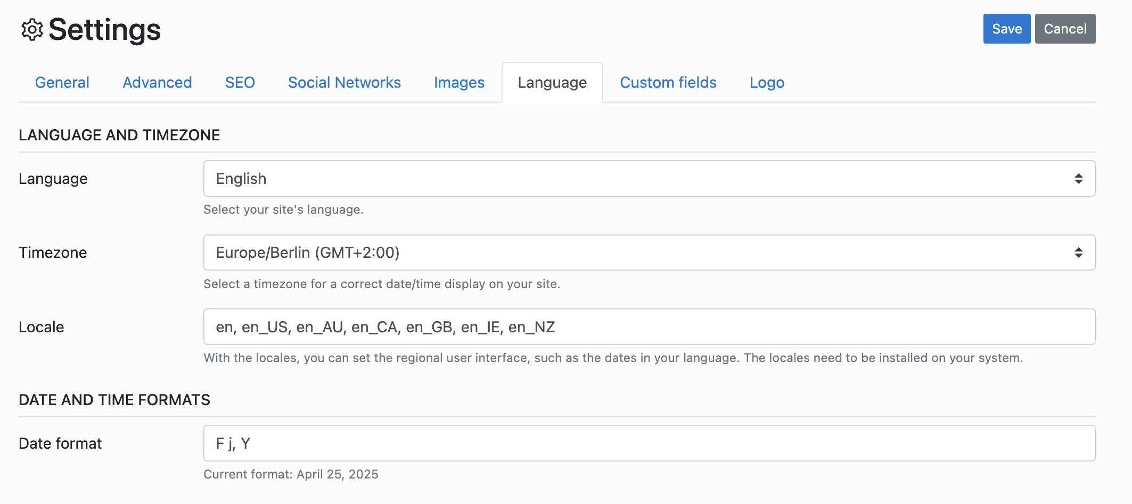 |  |  | 4 extra element | 3 extra action 3 extra getter
 | public LanguagePage setLanguage(String lang) | 2 | 2 |  |  | public void selectLanguage(String languageValue) | 3
 | public LanguagePage save() | 3 | 2 |  |  | saveButton | 3
 | public String getLanguage() | 1 | 1 |  |  | public String getSelectedLanguage()
NewCategoryPage |  |  |  | 1 extra element | 1 extra action
 | name | 4 | 1 |  |  | nameInputField
 | description | 4 | 1 |  |  | descriptionTextArea
 | saveBtn | 4 | 1 |  |  | saveButton
 | public NewCategoryPage setName(String name) | 2 | 2 |  |  | public void enterName(String name) | 3
 | public NewCategoryPage setDescr(String descr) | 2 | 2 |  |  | public void enterDescription(String description) | 3
 | public CategoriesPage save() | 3 | 2 |  |  | public void clickSaveButton() | 1
NewContentPage | 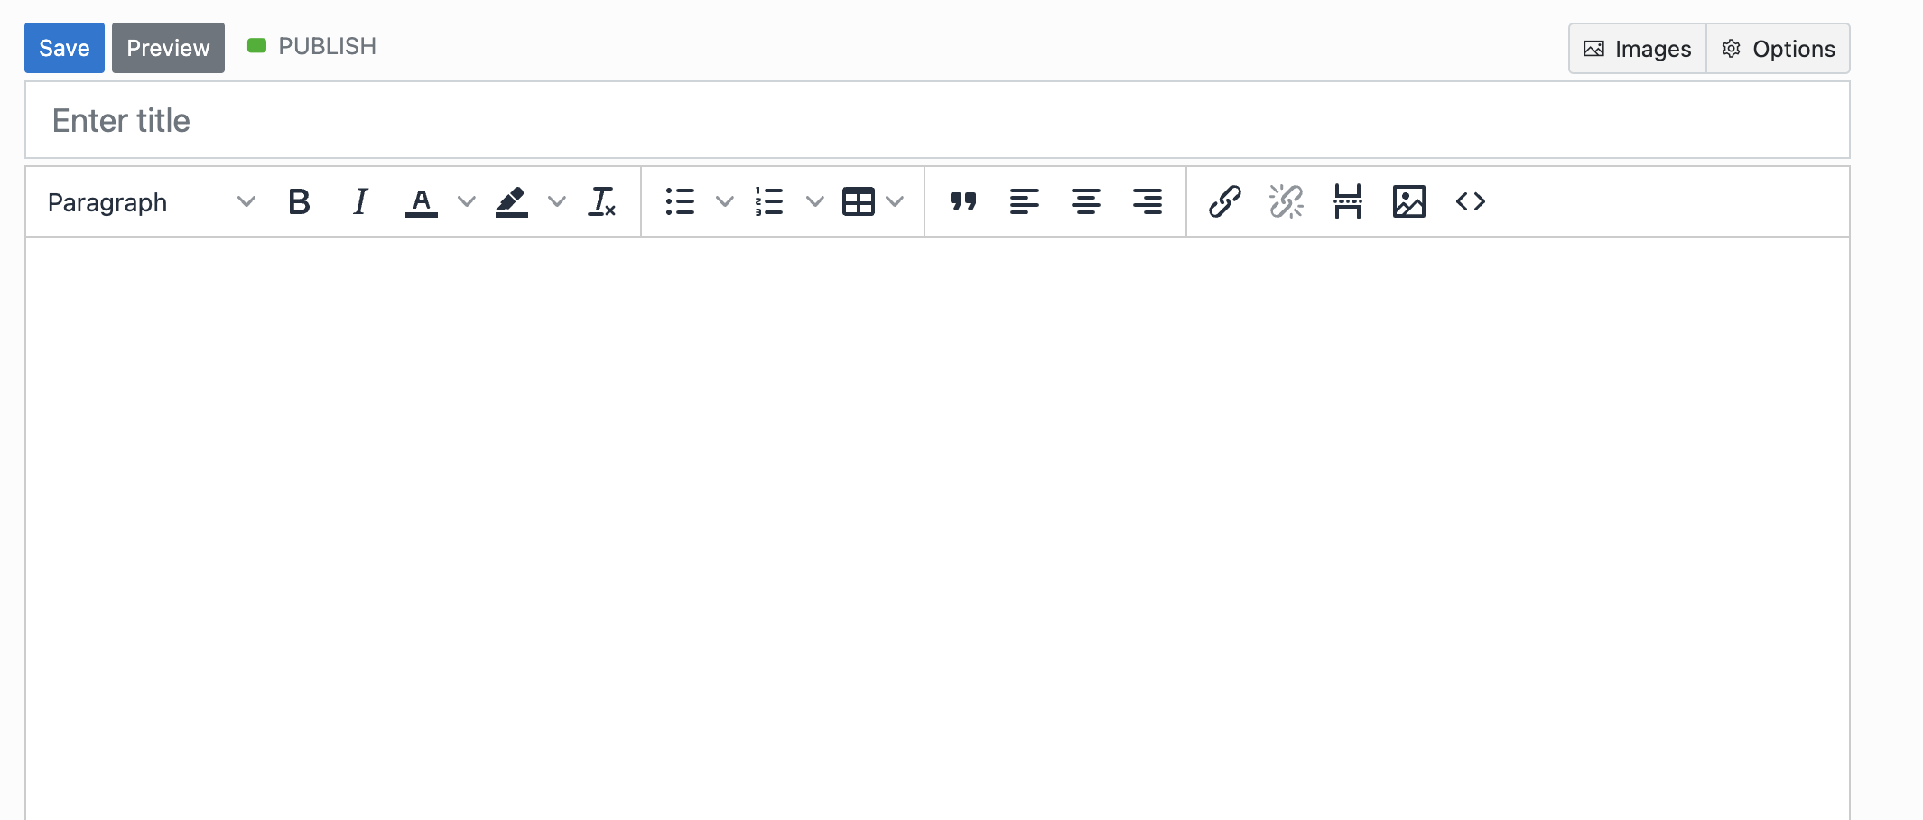 |  |  | 18 extra element | 15 extra action
 | title | 4 | 1 |  |  | titleInput
 | saveBtn | 4 | 1 |  |  | saveButton
 | optionsBtn | 4 | 1 |  |  | optionsButton
 | seoTab | 4 | 3
 | advancedTab | 4 | 3
 | urlField | 4 | 3
 | positionField | 4 | 1 |  |  | positionInput
 | draftBtn | 4 | 3
 | date | 4 | 1 |  |  | dateInput
 | public NewContentPage setTitle(String ttl) | 2 | 2 |  |  | public void enterTitle(String title) | 3
 | public ContentPage saveAndReturnToContentPage() | 3 | 2 |  |  | public void clickSaveButton() | 1
 | public NewContentPage saveAndStay() | 2 | 3
 | public NewContentPage options() | 2 | 2 |  |  | public void clickOptionsButton() | 3
 | public NewContentPage seo() | 3 | 3
 | public NewContentPage advanced() | 3 | 3
 | public NewContentPage setUrl(String url) | 2 | 3
 | public NewContentPage setPosition(String pos) | 2 | 2 |  |  | public void enterPosition(String position) | 3
 | public NewContentPage setDraft() | 2 | 3
 | public NewContentPage setPostType(String type) | 2 | 2 |  |  | public void selectType(String type) | 3
 | public String getPosition() | 1 | 3
 | public NewContentPage setParent(String parent) | 2 | 2 |  |  | public void selectParent(String parent) | 3
 | public String getSelectedParent() | 1 | 3
 | public NewContentPage setDate(String date) | 2 | 2 |  |  | public void enterDate(String date) { | 3
 | public String getDate() | 1 | 3
 | public NewContentPage setCategory(String category) | 2 | 2 |  |  | public void selectCategory(String category) | 3
 | public String getSelectedCategory() | 1 | 3
SiteSocialsPage |  |  |  | 9 extra element | 9 extra action 9 extra getter
 | instagram | 4 | 1 |  |  | instagramInputField
 | public SiteSocialsPage setInstagram(String ig) | 2 | 2 |  |  | public void setInstagramInputField(String url) | 3
 | public SiteSocialsPage save() | 3 | 2 |  |  | public void clickSaveButton() | 3
 | public String getInstagram() | 1 | 1 |  |  | public String getInstagramInputFieldValue()
SocialNetworksPage | 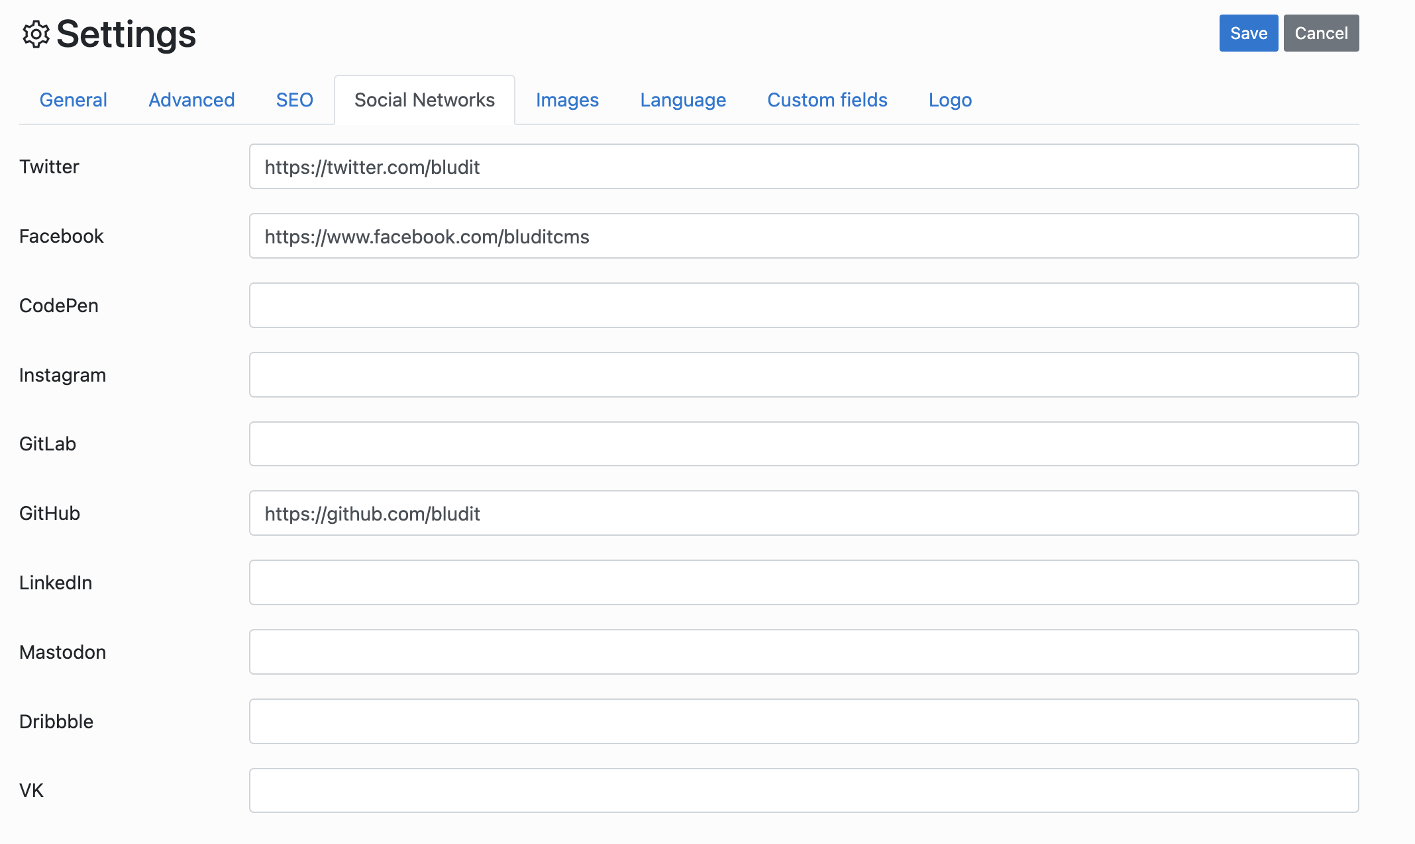 |  |  | 6 extra element | 7 extra action |  |  | LLM generated one contains more input fields than the manual one. The manually generated one only has instagram and facebook.
 | facebook | 4 | 1 |  |  | facebookInputField
 | instagram | 4 | 1 |  |  | instagramInputField
 | saveBtn | 4 | 1 |  |  | saveButton
 | public SocialNetworksPage setFb(String fb) | 2 | 2 |  |  | public void enterFacebook(String facebook) | 3
 | public SocialNetworksPage setIg(String ig) | 2 | 2 |  |  | public void enterInstagram(String instagram) | 3
 | public UsersPage save() | 3 | 2 |  |  | public void clickSaveButton() | 1
 | public String getFb() | 1 | 3
 | public String getIg() | 1 | 3
UserSecurityPage | 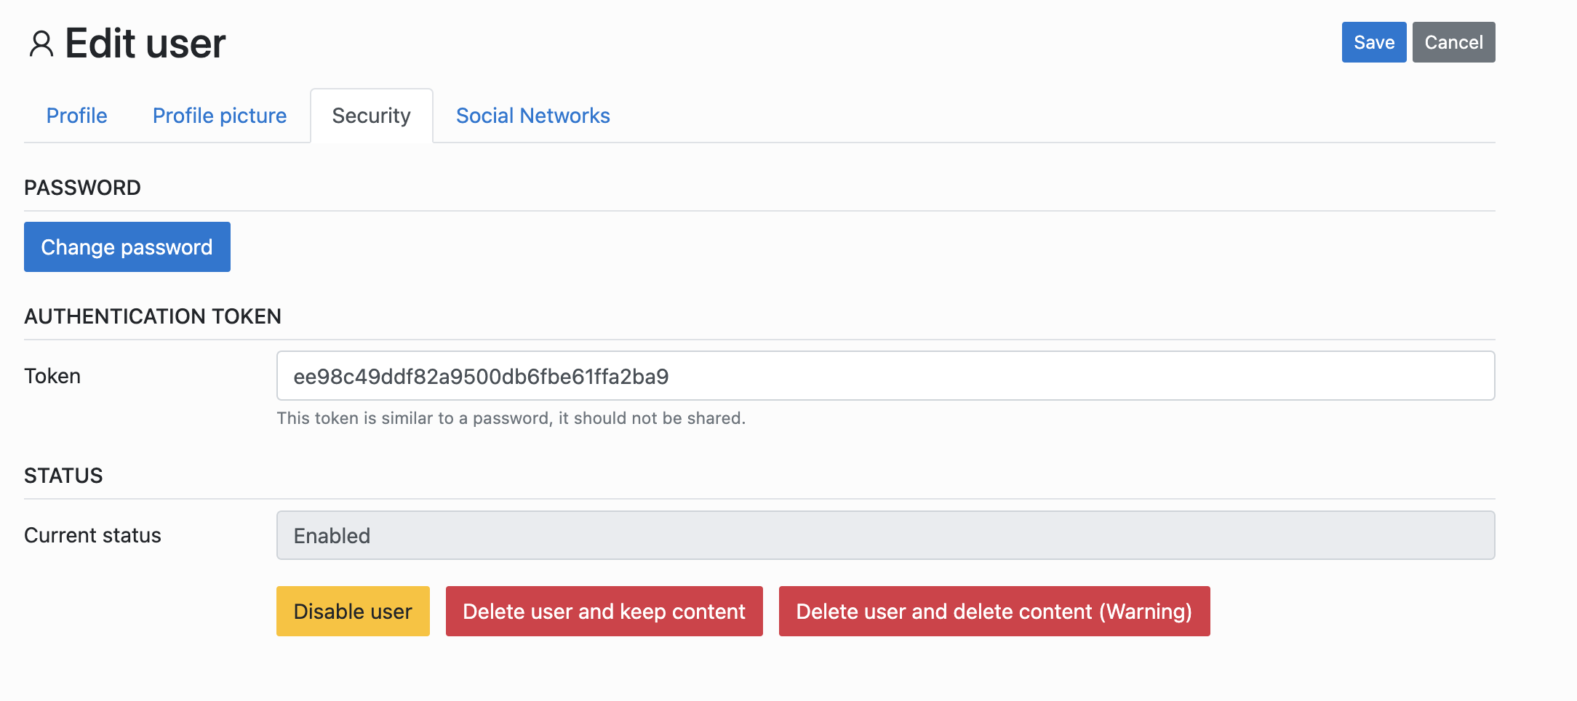 |  |  | 4 extra element | 1 extra getter 3 extra action |  |  | Again, LLM generated a more complete class but its methods' return methods are not complete
 | changePasswordBtn | 4 | 1 |  |  | changePasswordLink
 | newPassword | 4 | 3 |  |  | I think there is no information about password setting in this particulat PO
 | confirmPassword | 4 | 3
 | saveBtn | 4 | 1 |  |  | saveButton
 | disableBtn | 4 | 1 |  |  | disableUserButton
 | deleteBtn | 4 | 1 |  |  | deleteUserAndKeepContentButton
 | public UserSecurityPage changePassword() | 2 | 2 |  |  | public void clickChangePasswordLink() | 3
 | public UserSecurityPage setPassword(String psw) | 2 | 3
 | public UserSecurityPage confirmPassword(String psw) | 2 | 3
 | public UsersPage save() | 3 | 2 |  |  | public void clickSaveButton() | 1
 | public UsersPage disable() | 3 | 2 |  |  | public void clickDisableUserButton() | 1
 | public UsersPage delete() | 3 | 2 |  |  | public void clickDeleteUserAndKeepContentButton() | 1
UsersPage |  |  |  | 12 extra element | 7 extra getter 1 extra navigation
 | addUser | 4 | 1 |  |  | addNewUserLink
 | secondUserName | 4 | 3 |  |  | not relevant because there was only one user listed in the default page
 | secondUserAbilitation | 4 | 3 |  |  | not relevant
 | firstUserName | 4 | 1 |  |  | firstUserNickname
 | public AddUserPage addUser() | 3 | 2 |  |  | returns the page, but naming is wrong public NewUserPage clickAddNewUserLink() | 4
 | public String getSecondUserName() | 1 | 3 |  |  | not relevant
 | public EditUserPage editSecondUser() | 3 | 3 |  |  | not relevant
 | public EditUserPage editFirstUser() | 3 | 3
 | public String getSecondUserAbilitation() | 1 | 3 |  |  | not relevant
 | public boolean containsUser(String usr) | 1 | 3 |  |  | I think also not relevant, this method is used in the testing, but the PO does not have to have this functionality

 |  |  | 50 |  |  |  | 21
 |  |  | 50 |  |  |  | 0
 |  |  | 39 |  |  |  | 28
 |  |  |  |  |  |  | 1
 |  |  |  |  |  |  | 0

