Sheet1
PO Class | Method - Variable | Classification of the Methods 1 = getter = retrieves data 2 = action = interacts with elements 3= navigational = leads to a new page or state Or, it could be that the thing is not a method, but an element defined with WebElement = 4 | Classification | Number of defined elements inside PO class | Number of defined methods inside PO class | Information regarding classification: 1 = correct 2 = can be used to modify explanation for if the signature or implementation is nearly correct (return method missing, incomplete signature, wrong implementation) 3 = missing 4 = possible wrong implementation of LLm | In case of missing or incomplete methods: Classify what is missing: 1: Missing return type 2: Wrong return type 3: Missing return type (returns same page) 4: wrong naming" | Does PO class have a proper naming? | Does PO class have a correct constructor? | Explanation: State which type of elements are missing (if any)
CartSidebar | 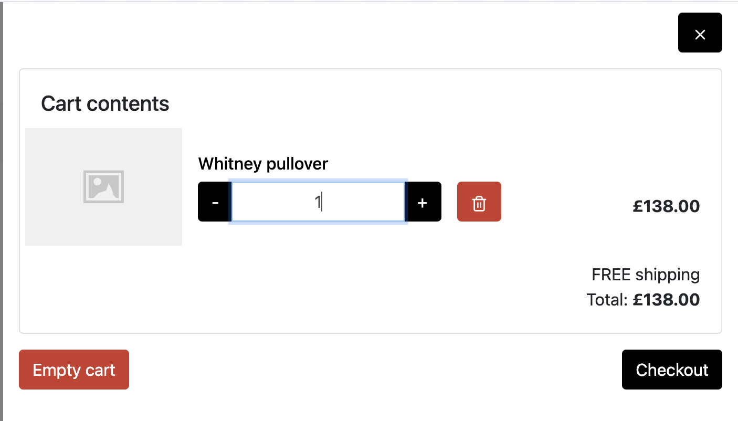 |  |  | 9 extra elements | 4 extra getter 1 extra navigational 6 extra action method
 | closeCartBtn | 4 | 1 |  |  | closeButton
 | checkoutBtn | 4 | 1 |  |  | secondButton
 | public CheckoutPage checkout() | 3 | 2 |  |  | public void clickCloseButton() | 1
 | public Home close() | 3 | 2 |  |  | public CheckoutInformationPage clickSecondButton() | 4
CheckoutPage | 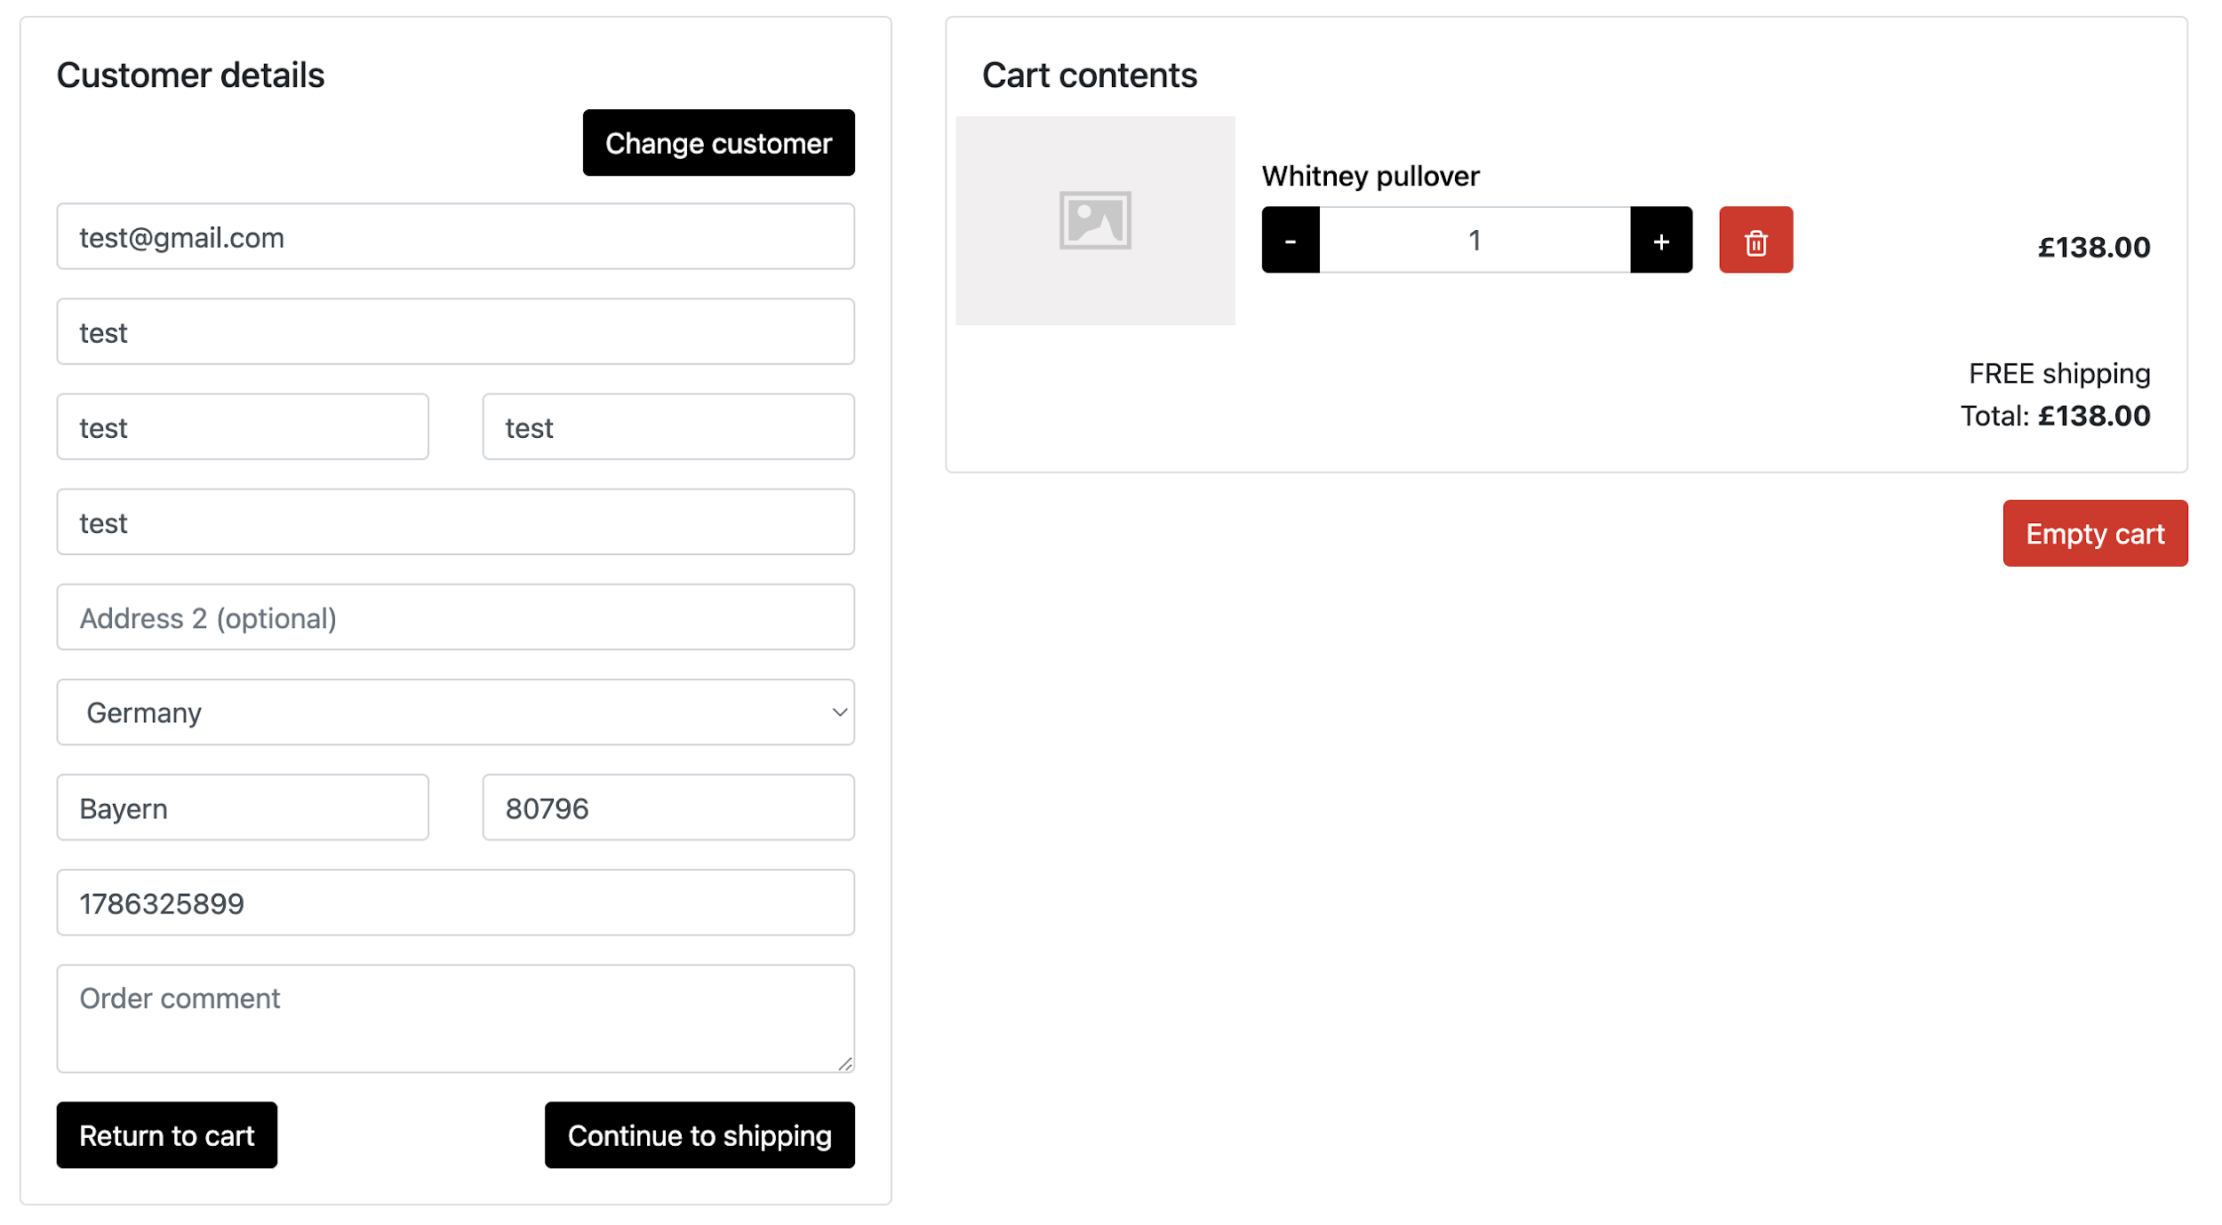 |  |  | 20 extra elements | 16 extra action 3 extra getter 1 extra navigational
 | protected WebElement continueToShippingBtn | 4 | 1 |  |  | continueToShippingLink
 | public ShippingPage continueToShipping() | 3 | 1 |  |  | public ShippingPage clickContinueToShipping()
CustomerLoginPage | 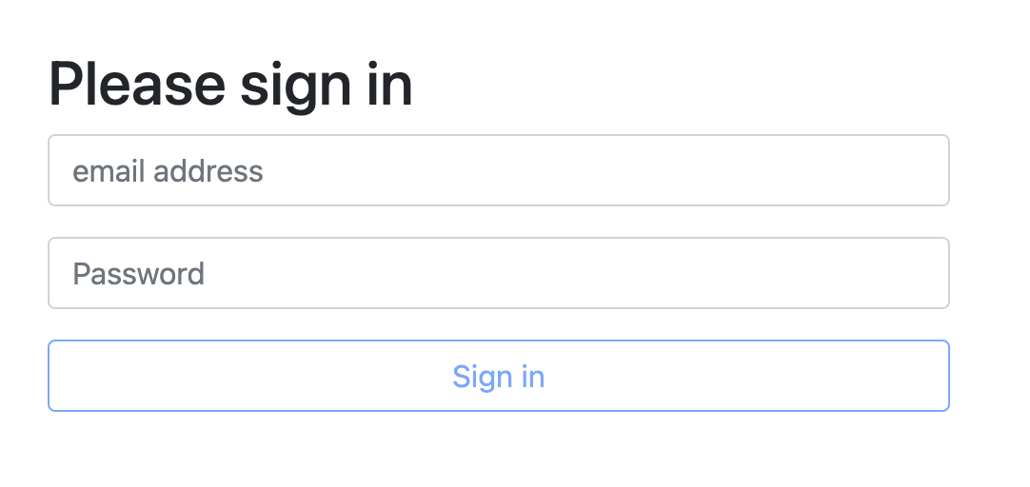 |  |  | 0 extra | 0 extra
 | email | 4 | 1 |  |  | emailInputField
 | password | 4 | 1 |  |  | passwordInputField
 | loginBtn | 4 | 1 |  |  | signInButton
 | setEmail(String email) | 2 | 1 |  |  | public void enterEmail(String email)
 | setPassword(String psw) | 2 | 1 |  |  | public void enterPassword(String password)
 | public CustomerInfoPage login() | 3 | 2 |  |  | public NextPage clickSignInButton() | 2
PaymentPage |  |  |  | 5 extra elements | 1 extra getter 4 extra action
 | discountCode | 4 | 1 |  |  | discountCodeInput
 | addDiscountCodeBtn | 4 | 1 |  |  | applyDiscountButton
 | PaymentPage setDiscountCode(String code) | 2 | 2 |  |  | public void enterDiscountCode(String code) | 3
 | PaymentPage addDiscountCode() | 2 | 2 |  |  | public void clickApplyDiscount() | 3
ProductPage | 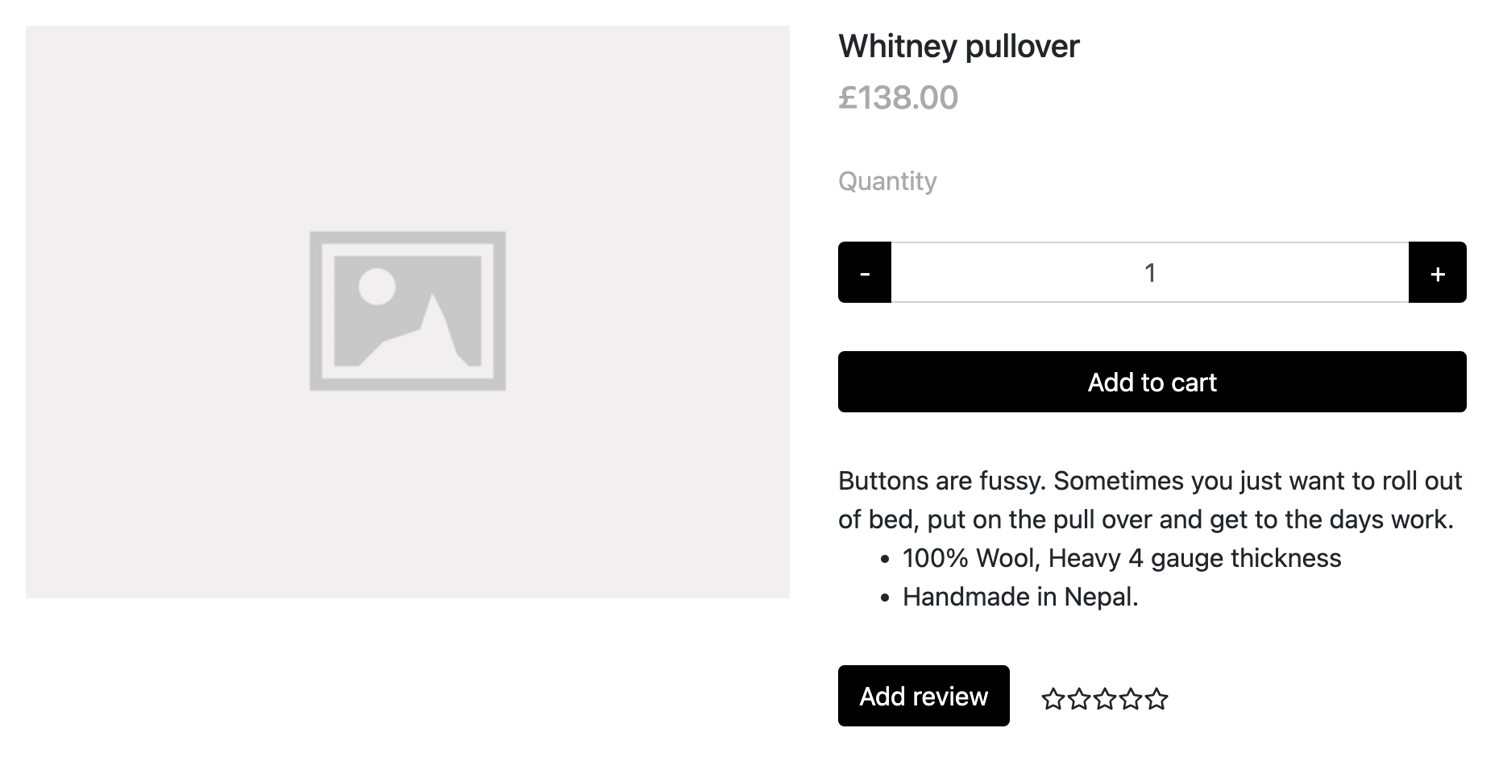 |  |  | 5 extra elements | 3 extra getter 2 extra action 1 extra navigational
 | addToCartBtn | 4 | 1 |  |  | primaryButton
 | addReviewBtn | 4 | 1 |  |  | secondaryButton
 | recentReviews | 4 | 1 |  |  | recentReviewsLink
 | public ProductPage addToCart() | 2 | 2 |  |  | public void clickPrimaryButton() | 3
 | public ReviewForm addReview() | 3 | 2 |  |  | public void clickSecondaryButton() | 1
 | public ProductPage recentReviews() | 3 | 2 |  |  | public void clickRecentReviewsLink() | 3
ReviewForm | 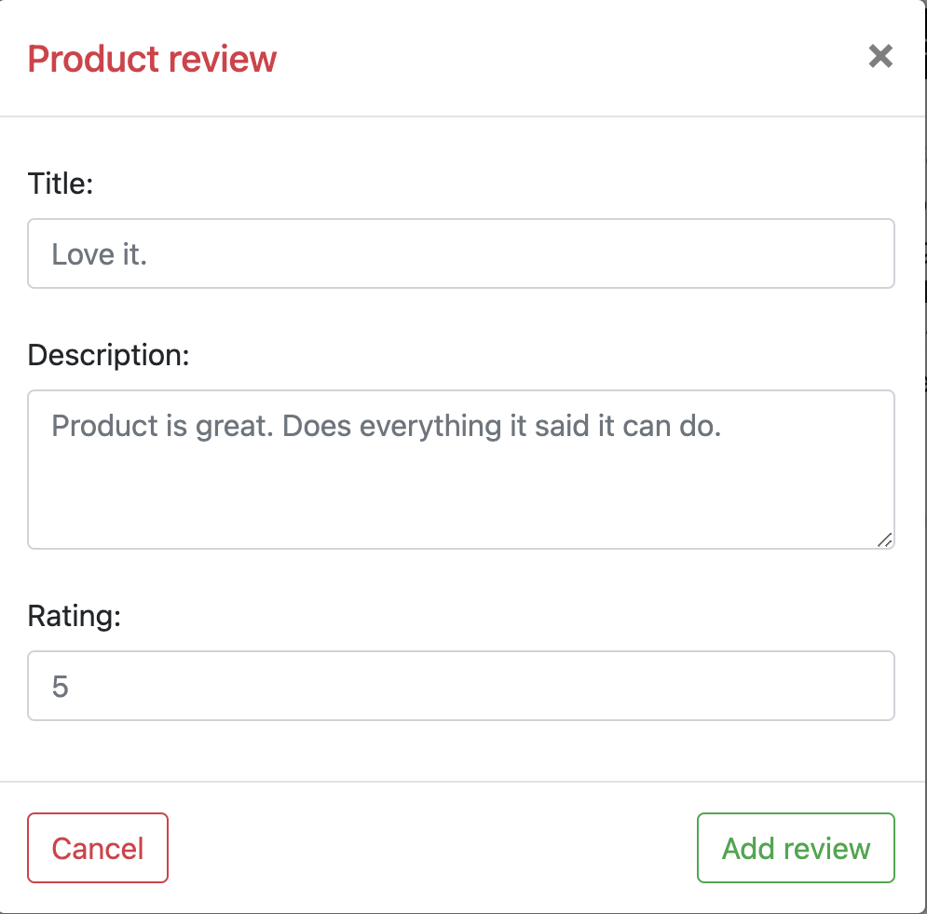 |  |  | 6 extra elements | 1 extra getter 2 extra action
 | title | 4 | 1 |  |  | titleInput
 | addReviewBtn | 4 | 1 |  |  | submitButton
 | public ReviewForm setTitle(String titleStr) | 2 | 2 |  |  | public void setTitle(String title) | 3
 | public ReviewForm setDescr(String descr) | 2 | 2 |  |  | public void setDescription(String description) | 3
 | public ReviewForm setRating(String rating) | 2 | 2 |  |  | public void setRating(String rating) | 3
 | public ProductPage addReview() | 3 | 2 |  |  | public ProductSummaryPage clickSubmitButton() | 4
ShippingPage | 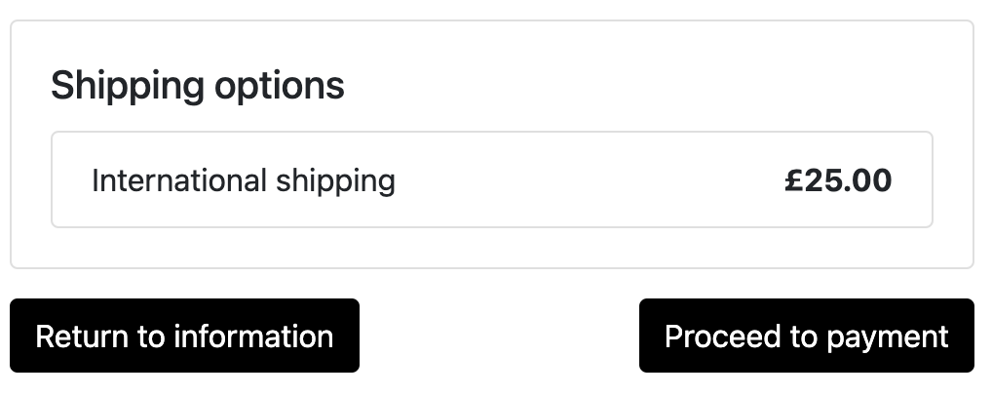 |  |  | 3 extra element | 2 extra getter 1 extra navigational
 | goToPaymentBtn | 4 | 1 |  |  | secondButton
 | public PaymentPage goToPayment() | 3 | 2 |  |  | public void clickSecondButton() | 1
TopNavBar |  |  |  | 7 extra elements | 6 extra action 1 extra navigational
 | accountBtn | 4 | 1 |  |  | accountLink
 | cartBtn | 4 | 1 |  |  | cartLink
 | loggedCartBtn | 4 | 3
 | cartCount | 4 | 1 |  |  | cartCountBadge
 | public int getCartCount() | 1 | 1 |  |  | public String getCartCount()
 | public CartSidebar openCart() | 3 | 3
 | public CartSidebar openCartLogged() | 3 | 3
 | public CustomerLoginPage account() | 3 | 2 |  |  | public AccountPage clickAccountLink() | 4
SearchResults | 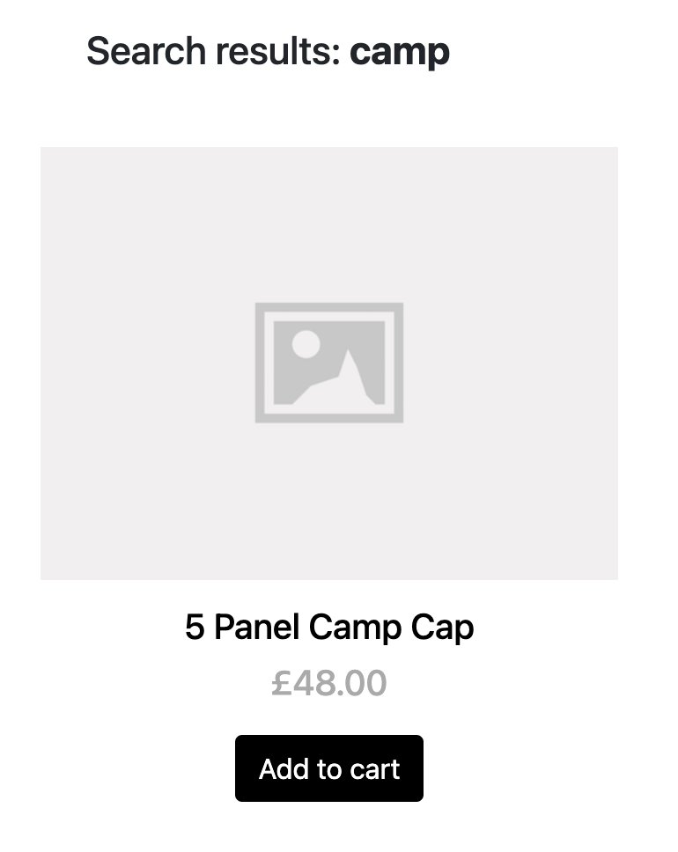 |  |  | 4 extra elements | 1 extra getter 2 extra action
 | searchKey | 4 | 1 |  |  | headerLabel - because the item is defined as h1 in HTML
 | public String getFirstItemName() | 1 | 1 |  |  | public String getFirstProductTitle()
 | public String getSearchKey() | 1 | 1 |  |  | public String getHeaderText()
MainNavbar |  |  |  | 4 extra elements | 2 extra navigational 1 extra action 1 extra getter
 | homeBtn | 4 | 1 |  |  | homeLink
 | public Home goHome() | 3 | 2 |  |  | public void clickHomeLink() | 1
Home |  |  |  | 14 extra elements | 3 extra getter 2 extra navigational
 | searchForm | 4 | 1 |  |  | searchInputField
 | searchBtn | 4 | 1 |  |  | searchButton
 | public Home addToCart(int i) | 2 | 2 |  |  | public void clickFirstAddToCartButton() | 3
 | public ProductPage goToProduct(int i) | 3 | 2 |  |  | public void clickSecondProduct() | 1
 | public ProductPage goToProduct(String prod) | 3 | 2 |  |  | public void clickSecondProduct()? | 1
 | public Home setSearchText(String txt) | 2 | 2 |  |  | public void enterSearchTerm(String term) | 3
 | public SearchResultsPage doSearch() | 3 | 2 |  |  | public void clickSearchButton() | 1

 |  |  | 27 |  |  |  | 7
 |  |  | 20 |  |  |  | 1
 |  |  | 3 |  |  |  | 9
 |  |  |  |  |  |  | 3
 |  |  |  |  |  |  | 0

