Sheet1
PO Class | Method - Variable | Classification of the Methods 1 = getter = retrieves data 2 = action = interacts with elements 3= navigational = leads to a new page or state Or, it could be that the thing is not a method, but an element defined with WebElement = 4 | Classification | In case of missing or incomplete methods: Classify what is missing: 1: Missing return type 2: Wrong return type 3: Missing return type (returns same page) 4: wrong naming 5: wrong implementation | Number of defined elements inside PO class | Number of defined methods inside PO class | Information regarding classification: 1 = correct 2 = can be used to modify explanation for if the signature or implementation is nearly correct (return method missing, incomplete signature, wrong implementation) 3 = missing | Does PO class have a proper naming? | Does PO class have a correct constructor? | Explanation: State which type of elements are missing (if any)
CartSidebar | 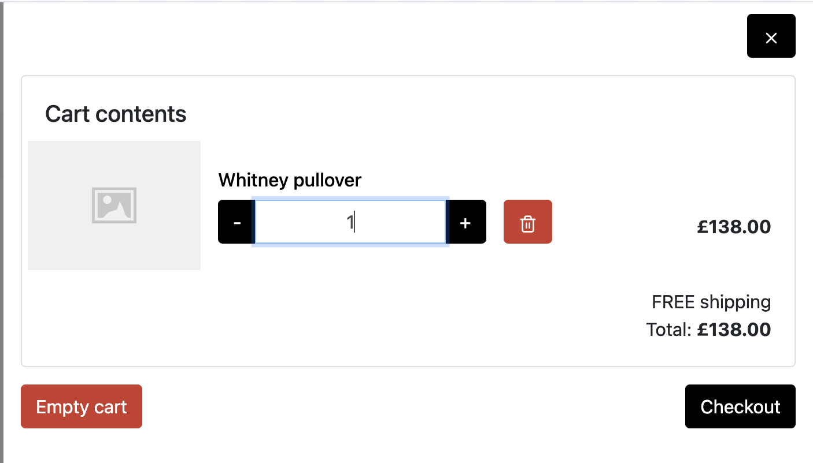 |  |  |  | 7 extra elements | 5 extra action 2 extra getters |  | Yes - CartSidebar | Yes public CartSidebar(WebDriver driver) { this.driver = driver; PageFactory.initElements(driver, this); } | I think, for this PO the number of elements - names and the functions are correct and complete according to the screenshot I provided. However, the PO we use to compare has missing ones. It only has closeCartBtn and checkoutBtn defined inside the PO which does not seem correct to me. So I decided to take the PO from BEWT as the truth and compare the methods only they defined.
 | closeCartBtn | 4 | 1 |  |  |  | defined as closeButton
 | checkoutBtn | 4 | 1 |  |  |  | defined as checkoutLink
 | public Home close() | 3 | 2 | 1 |  |  | defined as clickCloseButton() it does not return a page - which I think is correct - but the reference we have returns the Home Page - but the f unctionality of the app is not like that - it just closes the modal
 | checkout() | 3 | 1 |  |  |  | defined as public CheckoutPage clickCheckoutLink() return page and type correct - naming is correct
CheckoutPage | 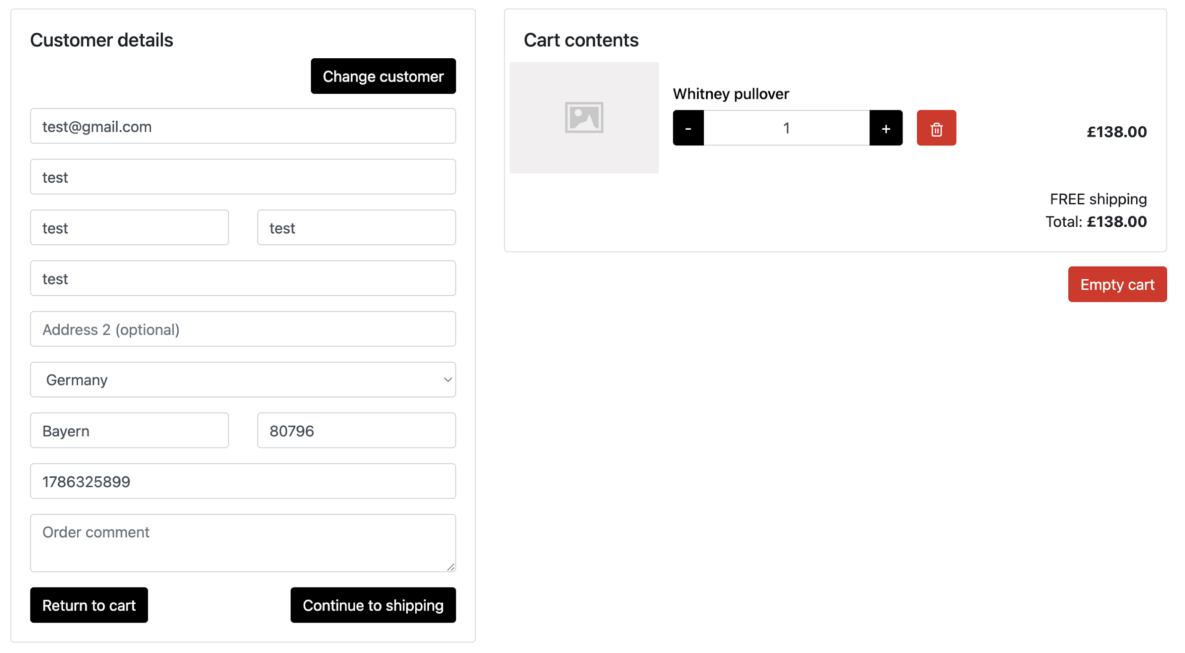 |  |  |  | 20 extra elements | 16 extra action 2 extra getter 1 extra navigational |  | Yes - defined as CheckoutPage | Yes // Constructor public Checkoutpage(WebDriver driver) { this.driver = driver; PageFactory.initElements(driver, this); } | Again the same problem, the reference file only has one element which is continueToShippingBtn, but if we check the actual page we can see there are more, I think what we generated is more accurate and complete
 | continueToShippingBtn | 4 | 1 |  |  |  | Yes - continueToShippingLink
 | public ShippingPage continueToShipping() | 3 | 2 | 1 |  |  | defined as missing return type public void clickContinueToShippingLink() { continueToShippingLink.click(); }
CustomerLoginPage | 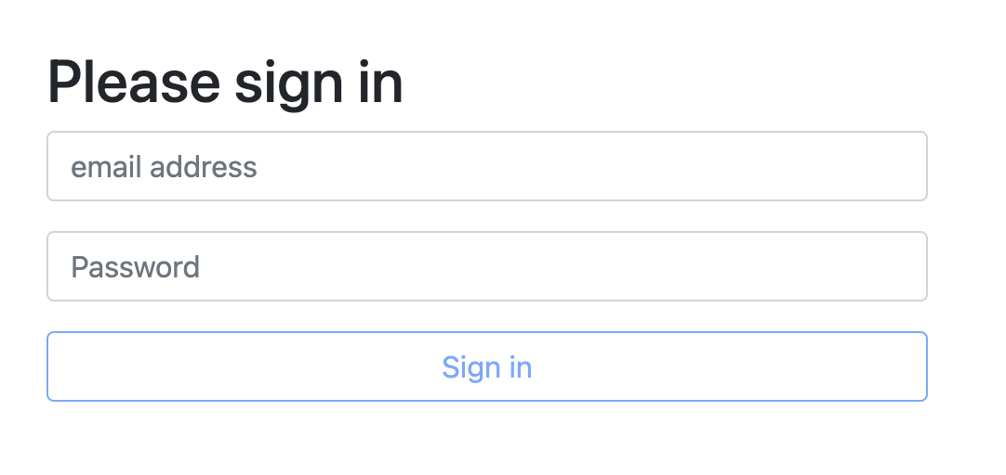 |  |  |  | 0 extra elements | 0 extra methods |  | Yes CustomerLoginPage | Yes public Customerloginpage(WebDriver driver) { this.driver = driver; PageFactory.initElements(driver, this); } | This one matches perfectly with the reference we have
 | email | 4 | 1 |  |  |  | emailInputField
 | password | 4 | 1 |  |  |  | passwordInputField
 | loginBtn | 4 | 1 |  |  |  | signInButton
 | setEmail(String email) | 2 | 1 |  |  |  | enterEmail(String email)
 | setPassword(String psw) | 2 | 1 |  |  |  | enterPassword(String password)
 | public CustomerInfoPage login() | 3 | 2 | 1 |  |  | void clickSignInButton() return type is missing - but it's not possible to infer from the HTML file provided
PaymentPage |  |  |  |  | 5 extra elements | 4 extra action 1 extra getter |  | Yes PaymentPage | Yes public PaymentPage(WebDriver driver) { this.driver = driver; PageFactory.initElements(driver, this); } | Again, the reference has the missing fields for the entire left side of the page
 | discountCode | 4 | 1
 | addDiscountCodeBtn | 4 | 1
 | PaymentPage setDiscountCode(String code) | 2 | 2 | 3 |  |  | the return method is wrong - but I believe it should not return a PO (!?) public void enterDiscountCode(String code) { discountCodeInput.clear(); discountCodeInput.sendKeys(code); }
 | PaymentPage addDiscountCode() | 2 | 2 | 3 |  |  | I think LLM defined the method better - naming is also better and it should not return any PO because it's not a link it's a functional button public void clickApplyDiscountButton() { applyDiscountButton.click(); }
ProductPage |  |  |  |  | 4 extra elements | 3 extra action 1 extra getter |  | Yes ProductPage | public Productpage(WebDriver driver) { this.driver = driver; PageFactory.initElements(driver, this); } | The reference has only 3 methods and 3 variables.
 | addToCartBtn | 4 | 1 |  |  |  | addToCartButton
 | addReviewBtn | 4 | 1 |  |  |  | addReviewButton
 | recentReviews | 4 | 1 |  |  |  | recentReviewsLink
 | public ProductPage addToCart() | 2 | 2 | 3 |  |  | return type is void - not ProductPage public void clickAddToCartButton() { addToCartButton.click(); }
 | public ReviewForm addReview() | 3 | 2 | 1 |  |  | return type is void - not ProductPage public void clickAddReviewButton() { addReviewButton.click(); }
 | public ProductPage recentReviews() | 3 | 2 | 3 |  |  | return type is void - not ProductPage public void clickRecentReviewsLink() { recentReviewsLink.click(); }
ReviewForm | 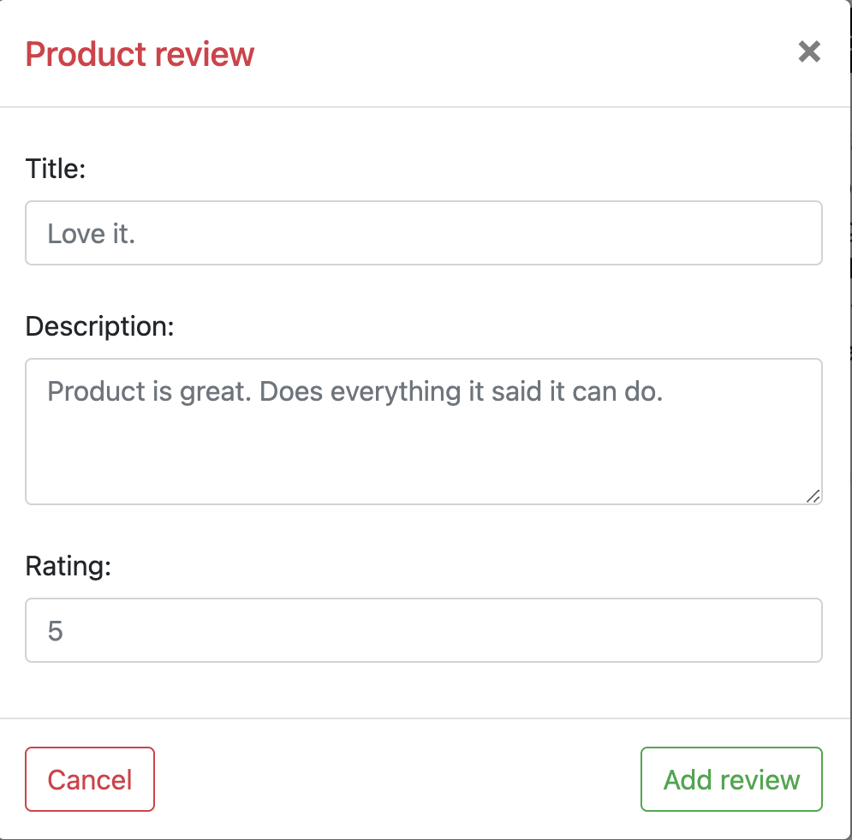 |  |  |  | 3 extra elements | 1 extra action method |  | Yes ReviewForm | Yes public Reviewform(WebDriver driver) { this.driver = driver; PageFactory.initElements(driver, this); } | The reference is missing the description and rating fields
 | title | 4 | 1 |  |  |  | titleInputField
 | addReviewBtn | 4 | 1 |  |  |  | addReviewButton
 | public ReviewForm setTitle(String titleStr) | 2 | 2 | 3 |  |  | the implementation and naming is correct public void enterTitle(String title)
 | public ReviewForm setDescr(String descr) | 2 | 2 | 3 |  |  | the implementation and naming is correct but it does not return the ReviewForm (not sure if this is the expected behavior) public void enterDescription(String description)
 | public ReviewForm setRating(String rating) | 2 | 2 | 3 |  |  | the implementation and naming is correct public void enterRating(String rating)
 | public ProductPage addReview() | 3 | 2 | 1 |  |  | the implementation and naming is correct public void clickAddReviewButton()
ShippingPage | 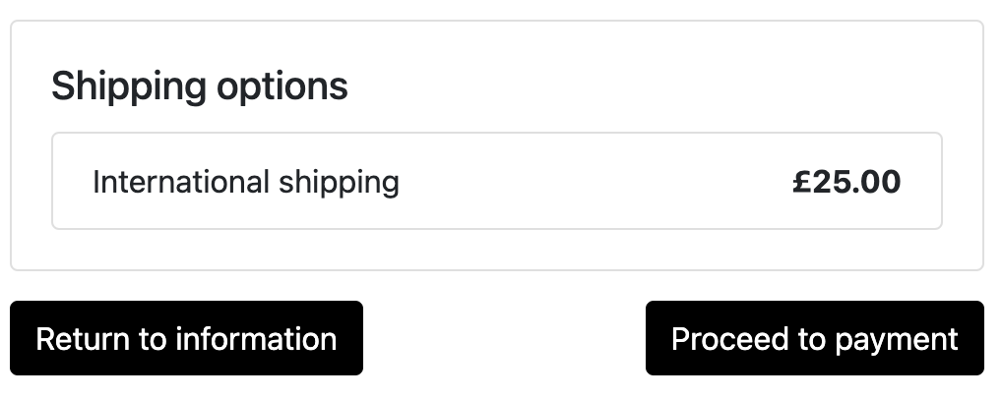 |  |  |  | 3 extra elements | 2 extra getter 1 extra navigational |  | Yes ShippingPage | Yes public Shippingpage(WebDriver driver) { this.driver = driver; PageFactory.initElements(driver, this); } | The reference is missing the information Page link
 | goToPaymentBtn | 4 | 1 |  |  |  | secondButton
 | public PaymentPage goToPayment() | 3 | 1 |  |  |  | the implementation and return type is correct public PaymentPage clickSecondButton()
TopNavBar |  |  |  |  | 7 extra elements | 5 extra action 3 extra navigational |  | Yes TopNavBar | Yes public TopNavbar(WebDriver driver) { this.driver = driver; PageFactory.initElements(driver, this); }
 | accountBtn | 4 | 1 |  |  |  | accountLink
 | cartBtn | 4 | 1 |  |  |  | cartLink
 | loggedCartBtn | 4 | 3
 | cartCount | 4 | 3
 | public int getCartCount() | 1 | 3
 | public CartSidebar openCart() | 3 | 3
 | public CartSidebar openCartLogged() | 3 | 3
 | public CustomerLoginPage account() | 3 | 2 | 1 |  |  | missing return method public void clickAccountLink()
SearchResults |  |  |  |  | 4 extra elements | 1 extra getter method 2 extra navigational |  | Yes SearchResults | Yes public SearchResults(WebDriver driver) { this.driver = driver; PageFactory.initElements(driver, this); } | In this one, the PO might change depending on how many elements were shown in the results
 | searchKey | 4 | 1 |  |  |  | the naming does not match completely so it probably didn't understand the context, but we still have the element headerLabel
 | public String getFirstItemName() | 1 | 2 | 4 |  |  | for this one, the behavior is not exactly the same but it still should be valid because instead of having one method and calling getIthItem() it returns one method for each item, so the methods are still there
 | public String getSearchKey() | 1 | 1 |  |  |  | public String getHeaderText()
MainNavbar |  |  |  |  | 4 extra elements | 3 extra navigational 1 extra action method |  | Yes MainNavBar | Yes public MainNavbar(WebDriver driver) { this.driver = driver; PageFactory.initElements(driver, this); }
 | homeBtn | 4 | 1 |  |  |  | homeLink
 | public Home goHome() | 3 | 2 | 4 |  |  | when it's not sure about the page it should return, it leaves the return type commented out but it's very easy to refactor for us public void clickHomeLink() { homeLink.click(); // Assuming this leads to a HomePage class // return new HomePage(driver); }
Home |  |  |  |  | 12 extra elements | 6 extra action 3 extra navigational
 | searchForm | 4 | 1 |  |  |  | searchInputField
 | searchBtn | 4 | 1 |  |  |  | searchButton
 | public Home addToCart(int i) | 2 | 2 | 4 |  |  | This and the next two methods are not exactly defined this way, but they are defined one by one for each elements seen on the screen, so it should still do the job
 | public ProductPage goToProduct(int i) | 3 | 2 | 1
 | public ProductPage goToProduct(String prod) | 3 | 2 | 1
 | public Home setSearchText(String txt) | 2 | 2 | 1 |  |  | the return type is not correct, but why it should return Home page? public void enterSearchTerm(String searchTerm)
 | public SearchResultsPage doSearch() | 3 | 2 | 1 |  |  | return type is not correct public void clickSearchButton()

 |  |  | 25
 |  |  | 20
 |  |  | 5

 |  |  |  | 10
 |  |  |  | 0
 |  |  |  | 7
 |  |  |  | 3

