Sheet1
PO Class | Method - Variable | Classification of the Methods 1 = getter = retrieves data 2 = action = interacts with elements 3= navigational = leads to a new page or state Or, it could be that the thing is not a method, but an element defined with WebElement = 4 | Classification Information regarding classification: 1 = correct 2 = can be used to modify explanation for if the signature or implementation is nearly correct (return method missing, incomplete signature, wrong implementation) 3 = missing | Number of extra defined elements inside PO class | Number of defined methods inside PO class | Explanation for Classification | In case of missing or incomplete methods: Classify what is missing: 1: Missing return type 2: Wrong return type 3: Missing return type (returns same page) 4: wrong naming 5: wrong implementation | Explanation: State which type of elements are missing (if any) | Does PO class have a correct constructor?
AddNewProjectPage | 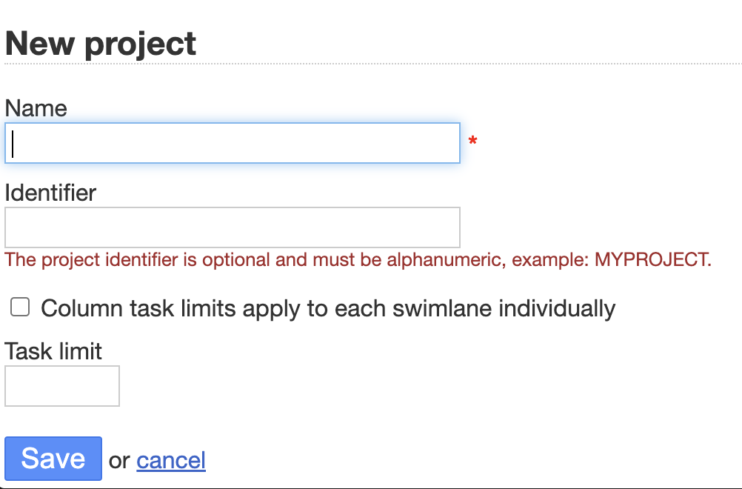 |  |  | 6 extra element | 6 extra action |  |  | After seeing that the LLM is missing almost all of error texts, I changed the prompt and added a new instruction to include error related elements
 | newProjectInput | 4 | 1 |  |  | nameInputField
 | saveBtn | 4 | 1 |  |  | saveButton
 | errorMsg | 4 | 3
 | public ProjectSummaryPage addNewProject(String name) | 3 | 2 |  |  | There is no button in the page for add new project it's rather save() functionality public void clickSaveButton() | 1
 | public AddNewProjectPage addEmptyProject() | 2 | 3 |  |  | The functionality of the method says that it creates a project without a name, but from the it does look not possible. (name is a required field) --- so this is done to test the error message
 | public String getErrorMessage() | 1 | 3
ApplicationSettingsPage | 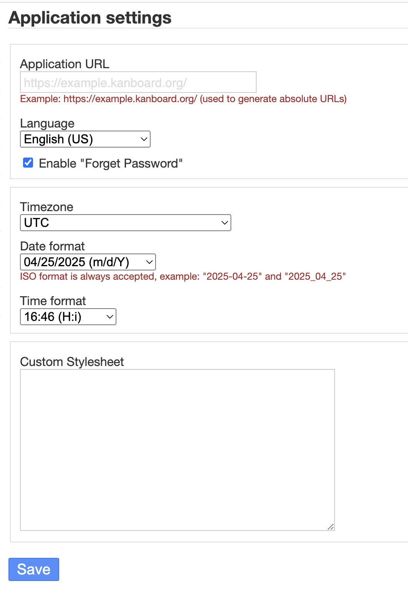 |  |  | 17 extra element | 5 extra action 10 extra navigation
 | saveBtn | 4 | 1 |  |  | saveButton
 | languageLabel | 4 | 1 |  |  | applicationLanguageSelect
 | public ApplicationSettingsPage selectLanguage(String lang) | 2 | 2 |  |  | public void selectApplicationLanguage (String language) | 3
 | public ApplicationSettingsPage save() | 2 | 2 |  |  | public void clickSaveButton() | 1
 | public String getSelectedLanguage() | 1 | 3
 | public String getLanguageLabel() | 1 | 3
BoardSettingsPage | 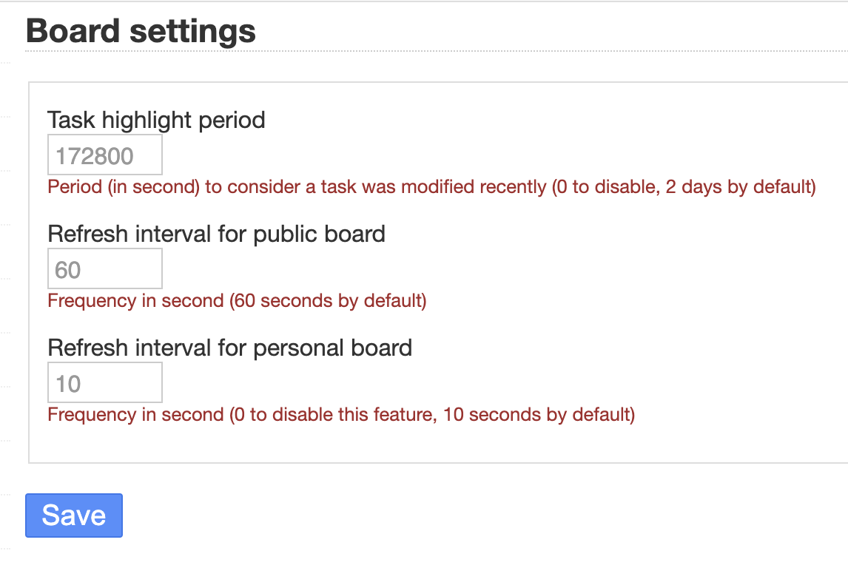 |  |  | 2 extra element | 2 extra action |  |  | I realized usually the input get methods are missing
 | formInterval | 4 | 1 |  |  | better naming from LLM because there are two interval inputs publicBoardRefreshIntervalInput
 | saveBtn | 4 | 1 |  |  | saveButton
 | public BoardSettingsPage setPublicrefreshIntgerval (String interval) | 2 | 2 |  |  | public void setPublicBoardRefreshInterval (String interval) | 3
 | public BoardSettingsPage save() | 2 | 2 |  |  | public void clickSaveButton() | 3
 | public String getPublicRefreshInterval() | 1 | 3
CurrencyRatesPage |  |  |  | 2 extra element | 2 extra action
 | referenceCurrency | 4 | 1 |  |  | referenceCurrencyLabel
 | changeReferenceCurrency | 4 | 1 |  |  | changeReferenceCurrencyLink
 | saveBtn | 4 | 1 |  |  | saveButton
 | addCurrencyRate | 4 | 1 |  |  | addOrChangeCurrencyRateLink
 | rate | 4 | 1 |  |  | rateInputField
 | rateCurrency | 4 | 3 |  |  | I don't understand where these are displayed
 | rateValue | 4 | 3 |  |  | I don't understand where these are displayed
 | public CurrencyRatesPage changeReferenceCurrency() | 2 | 2 |  |  | public void clickChangeReferenceCurrencyLink() | 3
 | public CurrencyRatesPage selectCurrency(String curr) | 2 | 2 |  |  | public void selectCurrency(String currency) | 3
 | public CurrencyRatesPage save() | 2 | 2 |  |  | public void clickSaveButton() | 3
 | public CurrencyRatesPage addCurrencyRate() | 2 | 2 |  |  | public void selectCurrency(String currency) | 3
 | public String getReferenceCurrency() | 1 | 3
 | public CurrencyRatesPage setRate(String rt) | 2 | 1 |  |  | public void enterRate(String rate)
 | public String getRateCurrency() | 1 | 3
 | public String getRateValue() | 1 | 3
EditProjectPage | 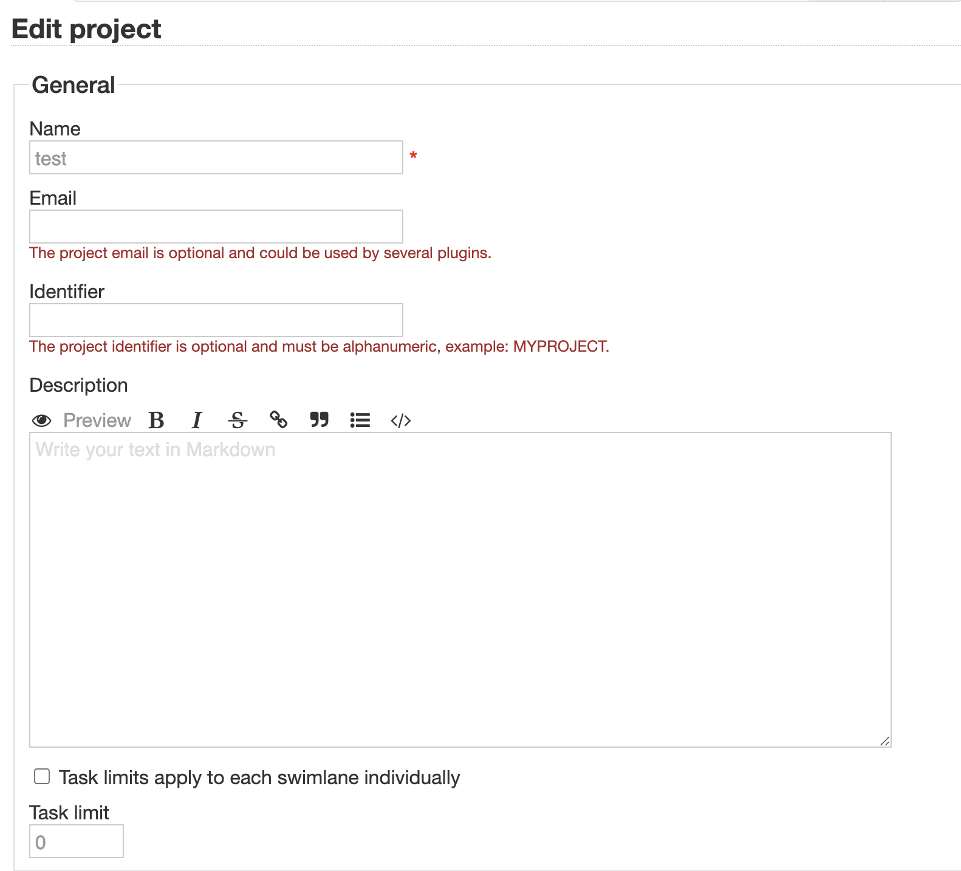 |  |  | 12 extra element | 12 extra action |  |  | LLM generated PO provides more complete page with all input fields.
 | formDesc | 4 | 1 |  |  | descriptionTextarea
 | saveBtn | 4 | 1 |  |  | saveButton
 | public EditProjectPage setDescription(String name) | 2 | 2 |  |  | public void enterDescription(String description) | 3
 | public EditProjectPage save() | 2 | 2 |  |  | public SummaryPage clickSaveButton() | 2
EditUserProfilePage | 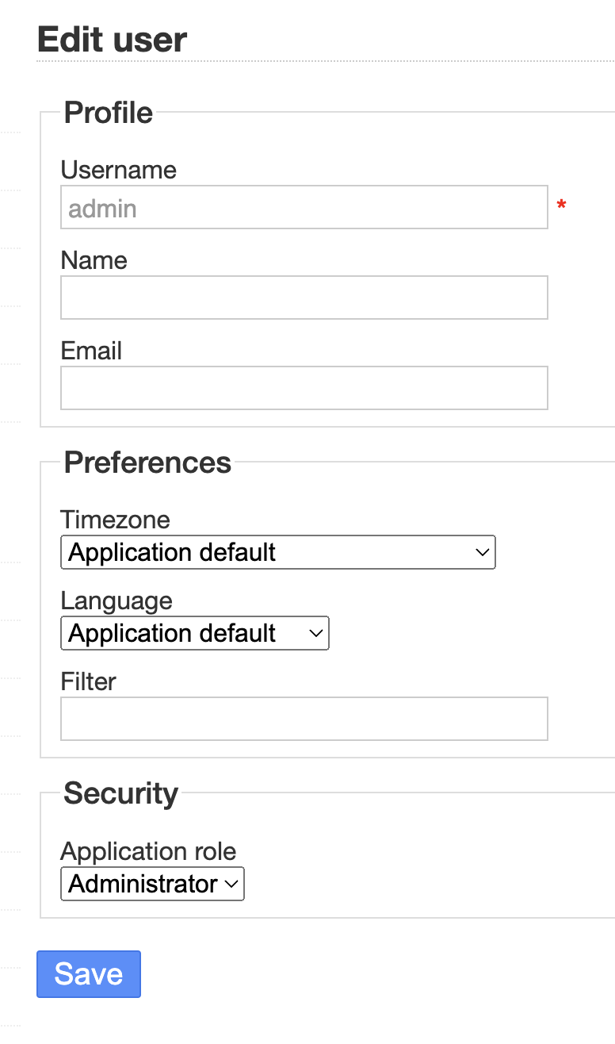 |  |  | 6 extra element | 6 extra action
 | formEmail | 4 | 1 |  |  | emailInput
 | saveBtn | 4 | 1 |  |  | saveButton
 | public EditUserProfilePage setEmail(String mail) | 2 | 2 |  |  | public void enterEmail(String email) | 3
 | public UserSummaryPage save() | 3 | 2 |  |  | public SummaryPage clickSaveButton() | 4
KanboardHomePage |  |  |  | 8 extra element | 7 extra navigational 2 extra action 1 extra getter
 | newProjectLink | 4 | 1 |  |  | newProjectLink
 | firstProjectLink | 4 | 3
 | option | 4 | 3
 | configure | 4 | 3
 | newPrivateProjectLink | 4 | 1 |  |  | newPersonalProjectLink
 | search | 4 | 1 |  |  | searchInputField
 | public AddNewProjectPage newProject() | 3 | 3
 | public ProjectManagementPage goToFirstProject() | 3 | 3
 | public ProjectSummaryPage firstProjectSummary() | 3 | 3
 | public AddNewProjectPage newPersonalProject() | 3 | 2 |  |  | public NewPersonalProjectPage clickNewPersonalProjectLink() | 4
 | public SearchResultsPage search(String key) | 3 | 3
 | public ProjectPage goToProject(String proj) | 3 | 3
LoginPage | 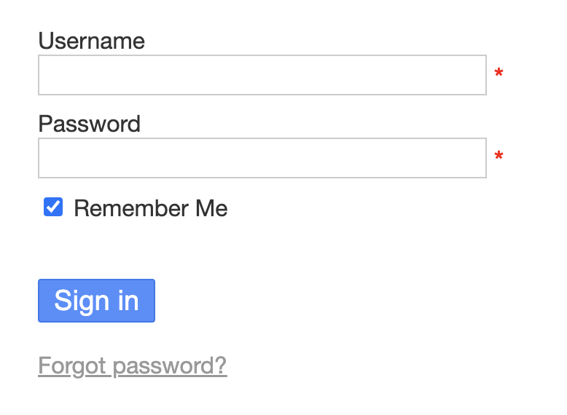 |  |  | 2 extra element | 3 extra action 1 extra navigation
 | email | 4 | 1 |  |  | LLM defined it better because the field is not email it is username usernameInput
 | password | 4 | 1 |  |  | passwordInput
 | login | 4 | 1 |  |  | signInButton
 | public KanboardHomePage loginToKanboard (String username, String psw) | 3 | 2 |  |  | public HomePage clickSignInButton() | 4
NewUserPage | 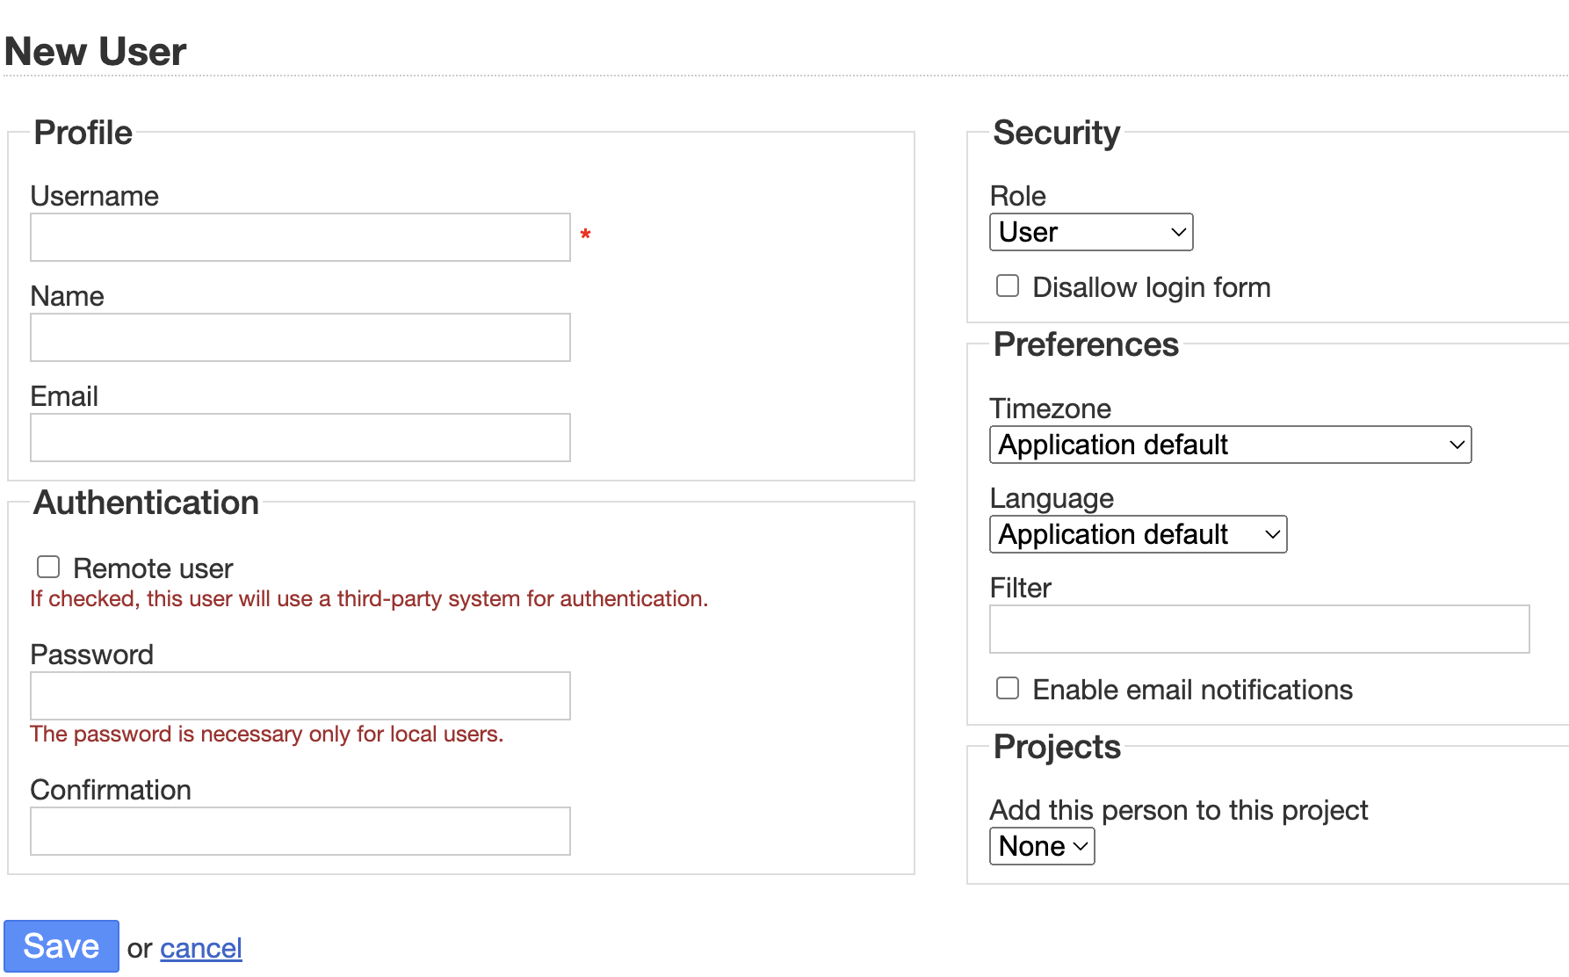 |  |  | 10 extra element | 8 extra action
 | formUserName | 4 | 1 |  |  | usernameInput
 | formName | 4 | 1 |  |  | nameInput
 | formEmail | 4 | 1 |  |  | emailInput
 | formPassword | 4 | 1 |  |  | passwordInput
 | formConfirm | 4 | 1 |  |  | confirmationInput
 | saveBtn | 4 | 1 |  |  | saveButton
 | nameError | 4 | 3
 | pswError | 4 | 3
 | pswConfirmError | 4 | 3
 | public NewUserPage setUsername(String usr) | 2 | 2 |  |  | public void enterUsername(String username) | 3
 | public NewUserPage setFullname(String name) | 2 | 2 |  |  | public void enterName(String name) | 3
 | public NewUserPage setEmail(String mail) | 2 | 2 |  |  | public void enterEmail(String email) | 3
 | public NewUserPage setPassword(String psw) | 2 | 2 |  |  | public void enterPassword(String password) | 3
 | public NewUserPage confirmPassword(String psw) | 2 | 2 |  |  | public void enterConfirmation(String confirmation) | 3
 | public NewUserPage setRemote() | 2 | 2 |  |  | public void toggleRemoteUserCheckbox() | 3
 | public UserSummaryPage save() | 3 | 2 |  |  | public SummaryPage clickSaveButton() | 4
 | public NewUserPage saveError() | 2 | 3
 | public String getNameError() | 1 | 3
 | public String getPswError() | 1 | 3
 | public String getPswConfirmError() | 1 | 3
ProjectSidebar | 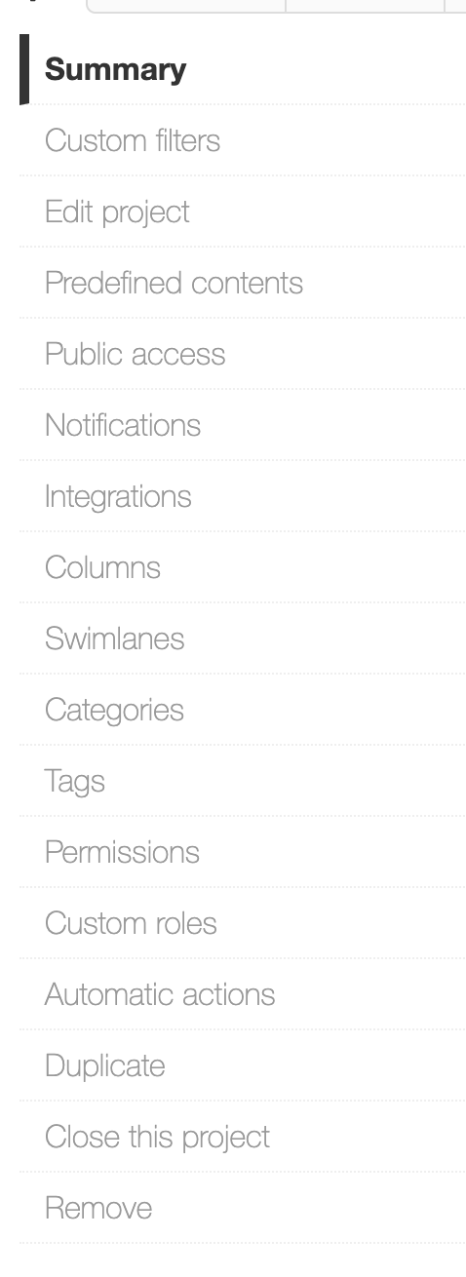 |  |  | 11 extra element | 10 extra navigational
 | summary | 4 | 1 |  |  | summaryLink
 | edit | 4 | 1 |  |  | editProjectLink
 | columns | 4 | 1 |  |  | columnsLink
 | categories | 4 | 1 |  |  | categoriesLink
 | permissions | 4 | 1 |  |  | permissionsLink
 | remove | 4 | 1 |  |  | removeLink
 | public EditProjectPage editProject() | 3 | 1 |  |  | public EditProjectPage clickEditProjectLink()
 | public ProjectSummaryPage summary() | 3 | 2 |  |  | public SummaryPage clickSummaryLink() | 4
 | public ColumnsPage columns() | 3 | 1 |  |  | public ColumnsPage clickColumnsLink()
 | public SwimlanesPage swimlanes() | 3 | 1 |  |  | public SwimlanesPage clickSwimlanesLink()
 | public CategoriesPage categories() | 3 | 1 |  |  | public CategoriesPage clickCategoriesLink()
 | public PermissionsPage permissions() | 3 | 1 |  |  | public PermissionsPage clickPermissionsLink()
 | public ProjectListPage remove() | 3 | 2 |  |  | public RemovePage clickRemoveLink() | 4
ProjectSummaryPage | 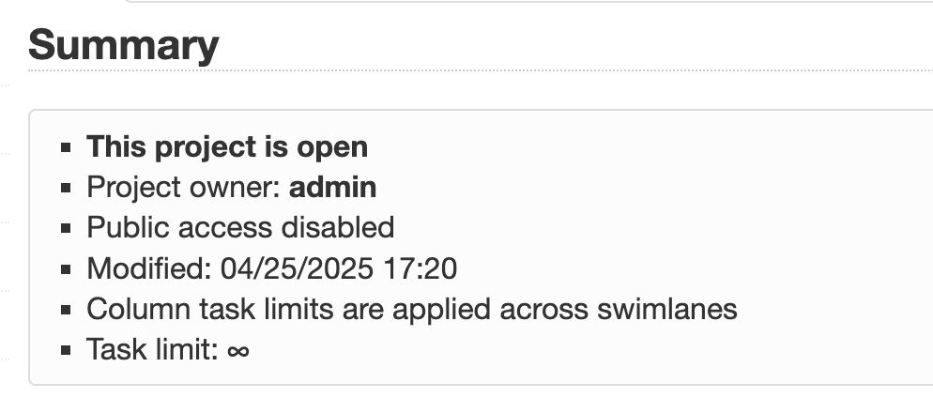 |  |  | 4 extra element | 4 extra getter |  |  | In this page, it's not easy to infer that the texts are either status, title, description etc. And according yo my prompt, if it's not obvious it names them with first-second-third and so on
 | projectName | 4 | 3 |  |  | I don't see the project name in this page
 | status | 4 | 2 |  |  | firstListItem | 4
 | description | 4 | 3 |  |  | Which one is description here?
 | accessLevel | 4 | 2 |  |  | secondListItem | 4
 | publicAccess | 4 | 2 |  |  | thirdListItem | 4
 | public String getTitle() | 1 | 1 |  |  | public String getHeaderLabelText()
 | public String getStatus() | 1 | 2 |  |  | public String getFirstListItemText() | 4
 | public String getDescription() | 1 | 3
 | public String getAccessLevel() | 1 | 2 |  |  | public String getSecondListItemText() | 4
 | public String getPublicAccess() | 1 | 2 |  |  | public String getThirdListItemText() | 4
SettingsSidebar | 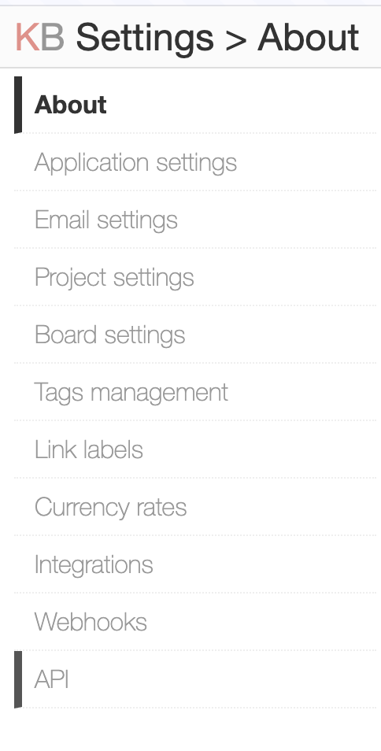 |  |  | 8 extra element | 8 extra navigational
 | currencyRates | 4 | 1 |  |  | currencyRatesLink
 | appSettings | 4 | 1 |  |  | applicationSettingsLink
 | boardSettings | 4 | 1 |  |  | boardSettingsLink
 | public CurrencyRatesPage currencyRates() | 3 | 2 |  |  | public void clickCurrencyRatesLink() | 1
 | public ApplicationSettingsPage appSettings() | 3 | 2 |  |  | public void clickApplicationSettingsLink() | 1
 | public BoardSettingsPage boardSettings() | 3 | 2 |  |  | public void clickBoardSettingsLink() | 1
SwimlanesPage |  |  |  | 5 extra element | 5 extra action
 | addSwimlane | 4 | 1 |  |  | addNewSwimlaneLink
 | formName | 4 | 1 |  |  | nameInputField
 | saveBtn | 4 | 1 |  |  | saveButton
 | errorMsg | 4 | 3
 | public SwimlanesPage addSwimlane() | 2 | 2 |  |  | LLM understood this is different than a link public void clickAddNewSwimlane() { addNewSwimlaneLink.click(); // Assuming a modal opens, no page navigation } | 3
 | public SwimlanesPage setName(String name) | 2 | 2 |  |  | public void enterName(String name) | 3
 | public SwimlanesPage save() | 2 | 2 |  |  | public void clickSaveButton() | 3
 | public String getLastSwimlaneName() | 1 | 3
 | public String getErrorMessage() | 1 | 3
TaskSidebar |  |  |  | 18 extra element | 18 extra navigational
 | closeTask | 4 | 1 |  |  | closeTaskLink
 | public TaskPage closeTask() | 3 | 2 |  |  | public CloseTaskPage clickCloseTaskLink() | 4
TaskPage |  |  |  | 14 extra element | 9 extra getter 5 extra action
 | status | 4 | 1 |  |  | statusLabel
 | public String getStatus() | 1 | 1 |  |  | public String getStatus()
TopNavBar | 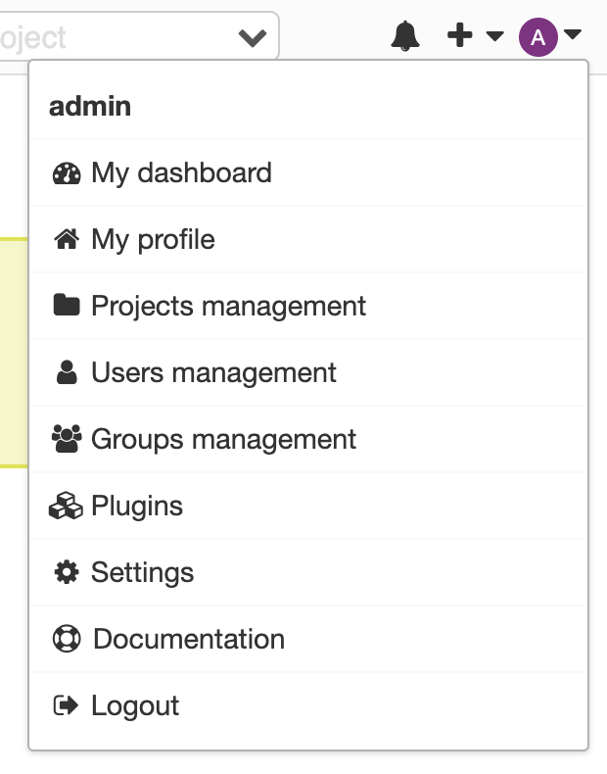 |  |  | 7 extra element | 5 extra navigational 2 extra action
 | settingsMenu | 4 | 3 |  |  | I don't know which item this is
 | settings | 4 | 1 |  |  | settingsLink
 | usrMgmt | 4 | 1 |  |  | usersManagementLink
 | public SettingsPage goToSettings() | 3 | 1 |  |  | public SettingsPage clickSettingsLink()
 | public UsersManagementPage usersManagement() | 3 | 2 |  |  | public UsersPage clickUsersManagementLink() | 4
UsersManagementPage | 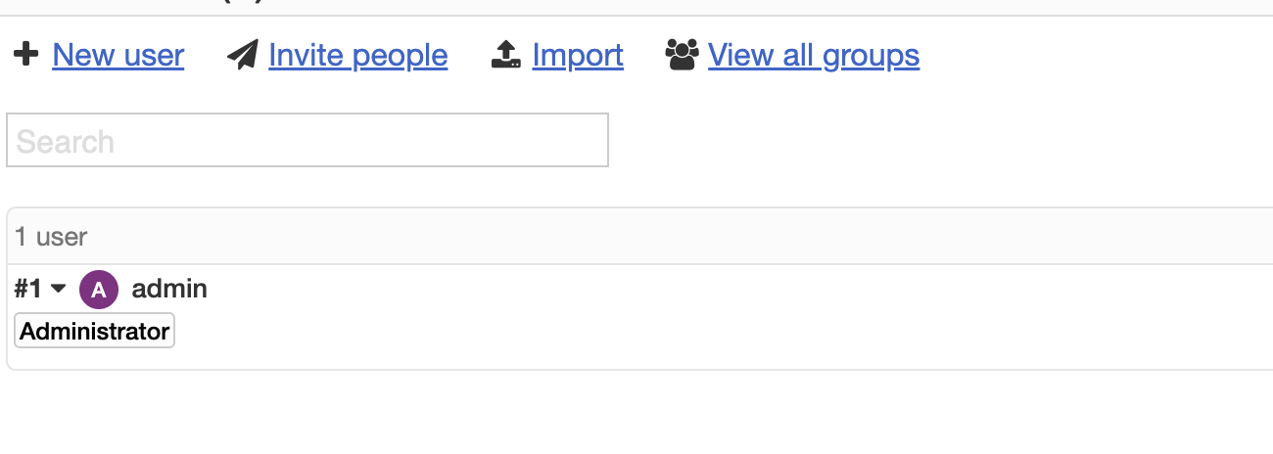 |  |  | 26 extra element | 17 extra navigational 8 extra action
 | newUser | 4 | 1 |  |  | newUserLink
 | firstUserDropdown | 4 | 2 |  |  | Instead of the dropdown item, LLM defined all links inside the dropdown like: editLink, avatarLink, changePasswordLink etc | 4
 | remove | 4 | 3 |  |  | Where is the remove button in this page?
 | confirmRemoveBtn | 4 | 3
 | public NewUserPage newUser() | 3 | 2 |  |  | public UserCreationPage clickNewUserLink() | 4
 | public UsersManagementPage removeFirstUser() | 2 | 3
 | public boolean containsUser(String user) | 1 | 3
 | public UserSummaryPage goToUser(String user) | 3 | 2 |  |  | public UserProfilePage clickViewProfileLink() | 4
UserSummaryPage | 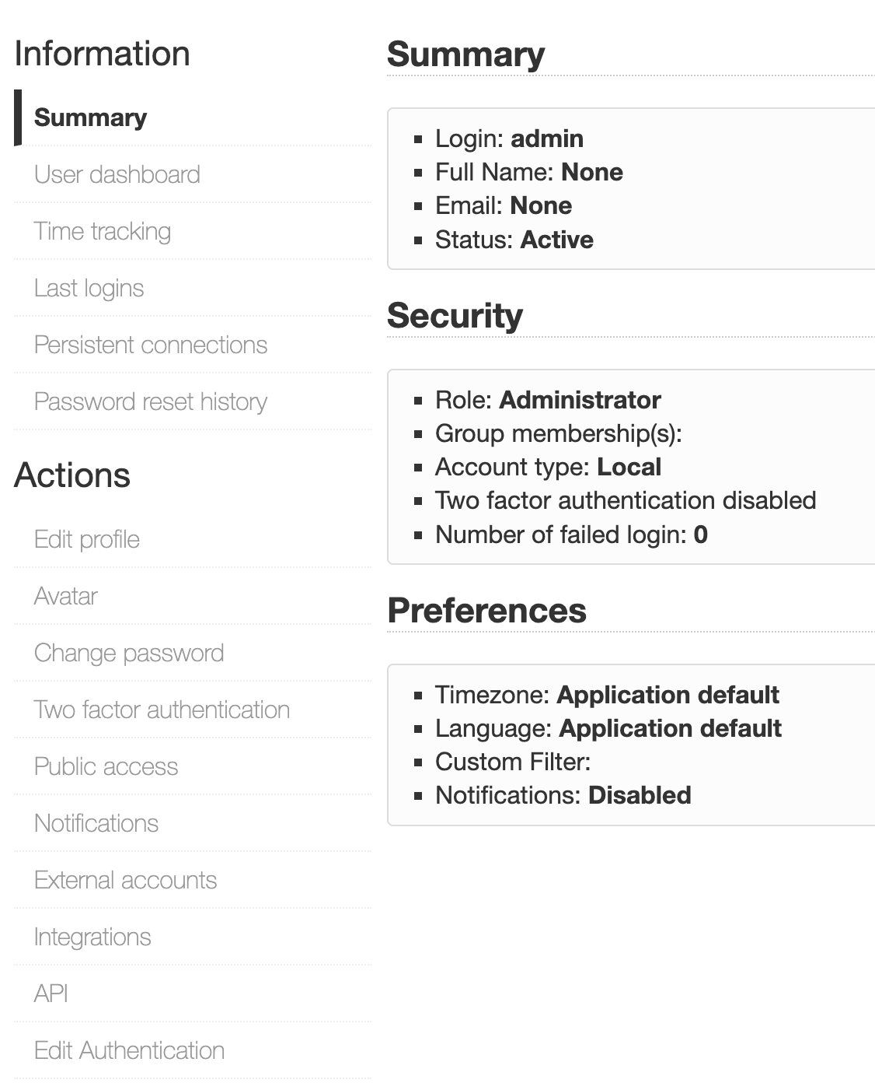 |  |  | 15 extra element | 15 extra navigational
 | username | 4 | 3
 | fullName | 4 | 3
 | email | 4 | 3
 | accountType | 4 | 3
 | editProfile | 4 | 1 |  |  | editProfileLink
 | public String getUsername() | 1 | 3
 | public String getFullname() | 1 | 3
 | public String getEmail() | 1 | 3
 | public String getAccountType() | 1 | 3
 | public EditUserProfilePage editProfile() | 3 | 2 |  |  | public void clickEditProfileLink() | 1
PermissionsPage |  |  |  | 5 extra element | 4 extra action 2 extra getter
 | firstAllowed | 4 | 1 |  |  | firstInputField
 | public String getFirstAllowedUser() | 1 | 3

 |  |  | 55 |  |  |  | 6
 |  |  | 42 |  |  |  | 1
 |  |  | 46 |  |  |  | 18
 |  |  | 0 |  |  |  | 17

