Sheet1
PO Class | Method - Variable | Classification of the Methods 1 = getter = retrieves data 2 = action = interacts with elements 3= navigational = leads to a new page or state Or, it could be that the thing is not a method, but an element defined with WebElement = 4 | Classification Information regarding classification: 1 = correct 2 = can be used to modify explanation for if the signature or implementation is nearly correct (return method missing, incomplete signature, wrong implementation) 3 = missing 4 = possible wrong implementation | Number of defined elements inside PO class | Number of defined methods inside PO class | Explanation for Classification | In case of missing or incomplete methods: Classify what is missing: 1: Missing return type 2: Wrong return type 3: Missing return type (returns same page) 4: wrong naming 5: missing implementation | Explanation: State which type of elements are missing (if any) | Does PO class have a correct constructor?
BlockUserPage | 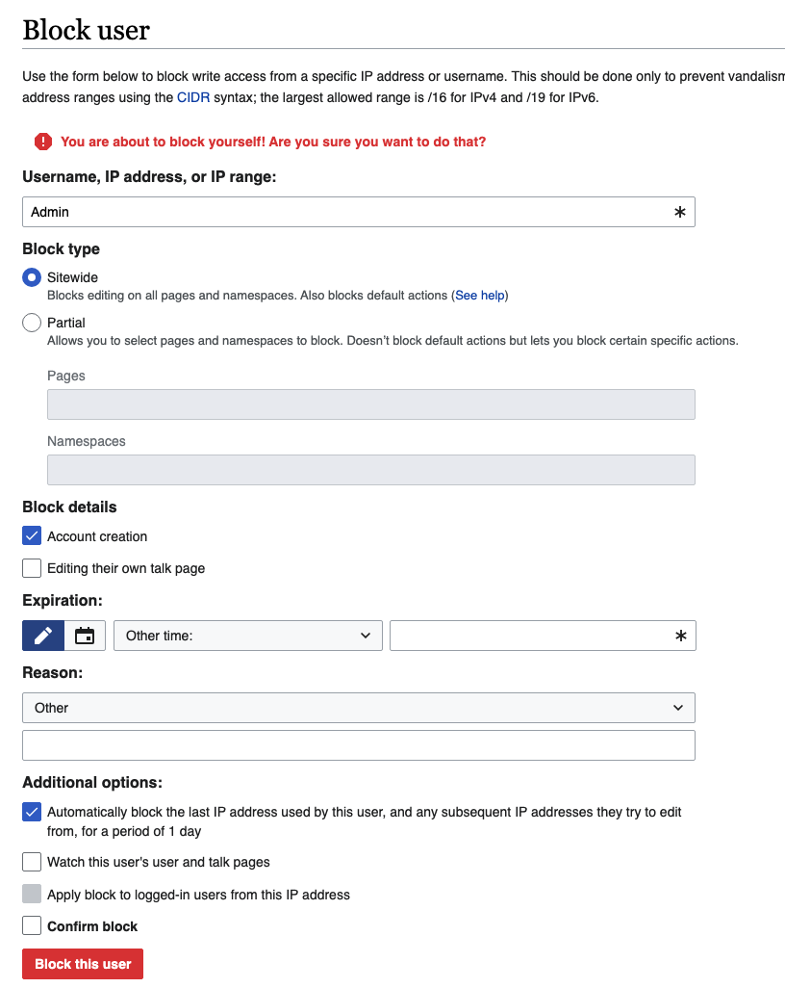 |  |  | 11 extra element | 8 extra action 1 extra getter
 | ipBlock | 4 | 1 |  |  | targetInputField
 | target | 4 | 3
 | expiry | 4 | 1 |  |  | expiryDropdown
 | blockBtn | 4 | 1 |  |  | submitButton
 | public BlockUserPage setUsername(String usr) | 2 | 2 |  |  | public void setTarget(String target) | 3
 | public BlockUserPage ipBlock() | 2 | 2 |  |  | public void setTarget(String target) | 3
 | public BlockUserPage selectExpiry(String exp) | 2 | 2 |  |  | public void setExpiry(String expiry) | 3
 | public BlockUserPage block() | 2 | 2 |  |  | public void submitBlock() | 3
 | public String getMessage() | 1 | 1 |  |  | public String getErrorMessage()
ChangeCredentialsPage | 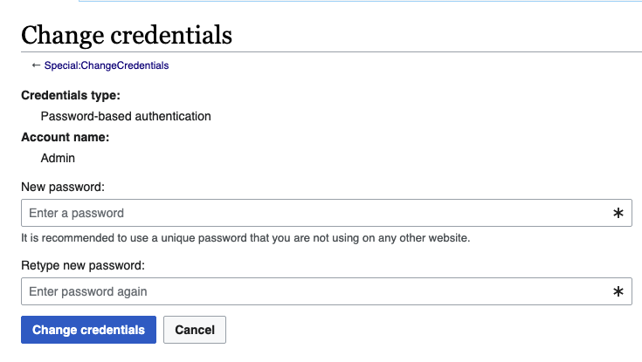 |  |  | 3 extra element | 1 extra getter 1 extra action
 | password | 4 | 1 |  |  | newPasswordInput
 | confirmPassword | 4 | 1 |  |  | retypePasswordInput
 | changeBtn | 4 | 1 |  |  | changeCredentialsButton
 | public ChangeCredentialsPage clickUsername() | 2 | 3 |  |  | it's an input field?
 | public ChangeCredentialsPage setPassword (String psw) | 2 | 2 |  |  | public void enterNewPassword (String password) | 3
 | public ChangeCredentialsPage confirmPassword (String psw) | 2 | 2 |  |  | public void enterRetypePassword (String password) | 3
 | public ChangeCredentialsPage change() | 2 | 2 |  |  | public void clickChangeCredentials() | 3
 | public String getSuccessMessage() | 1 | 3 |  |  | custom implementation
 | public String getErrorMessage() | 1 | 1 |  |  | public String getErrorMessage()
CreateAccountPage | 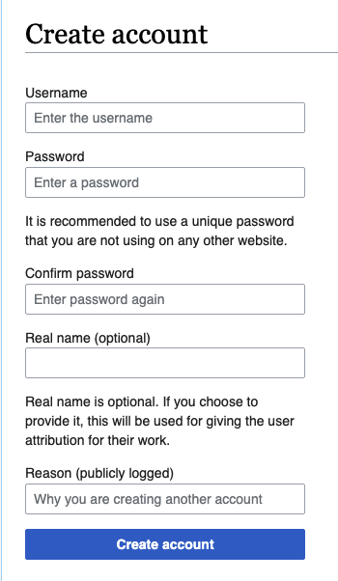 |  |  | 2 extra element | 1 extra getter 1 extra action
 | username | 4 | 1 |  |  | usernameInput
 | password | 4 | 1 |  |  | passwordInput
 | confirmPassword | 4 | 1 |  |  | confirmPasswordInput
 | realName | 4 | 1 |  |  | realNameInput
 | createAccountBtn | 4 | 1 |  |  | createAccountButton
 | public CreateAccountPage setUsername (String usr) | 2 | 2 |  |  | public void enterUsername(String username) | 3
 | public CreateAccountPage setPassword (String psw) | 2 | 2 |  |  | public void enterPassword(String password) | 3
 | public CreateAccountPage confirmPassword( String psw) | 2 | 2 |  |  | public void enterConfirmPassword (String password) | 3
 | public CreateAccountPage setRealName(String rn) | 2 | 2 |  |  | public void enterRealName(String realName) | 3
 | public CreateAccountPage create() | 2 | 2 |  |  | public void clickCreateAccount() | 3
 | public String getSuccessMessage() | 1 | 3
 | public String getUsernameValidationMessage() | 1 | 3
LoginPage | 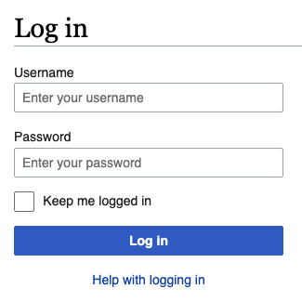 |  |  | 5 extra element | 1 extra getter 2 extra action
 | username | 4 | 1 |  |  | usernameInput
 | password | 4 | 1 |  |  | passwordInput
 | loginBtn | 4 | 1 |  |  | loginButton
 | public LoginPage setUsername(String usr) | 2 | 2 |  |  | public void setUsername(String username) | 3
 | public LoginPage setPassword(String psw) | 2 | 2 |  |  | public void setPassword(String password) | 3
 | public MainPage login() | 3 | 2 |  |  | public void clickLoginButton() | 1
DeletePage | 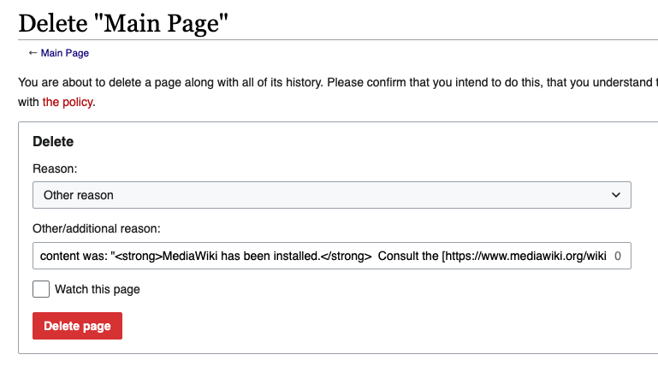 |  |  | 5 extra element | 2 extra getter 5 extra action
 | deleteBtn | 4 | 1 |  |  | deleteButton
 | public DeletePage delete() | 2 | 2 |  |  | public void clickDeleteButton() | 1
 | public String getSuccessMessage() | 1 | 3
EditSourcePage | 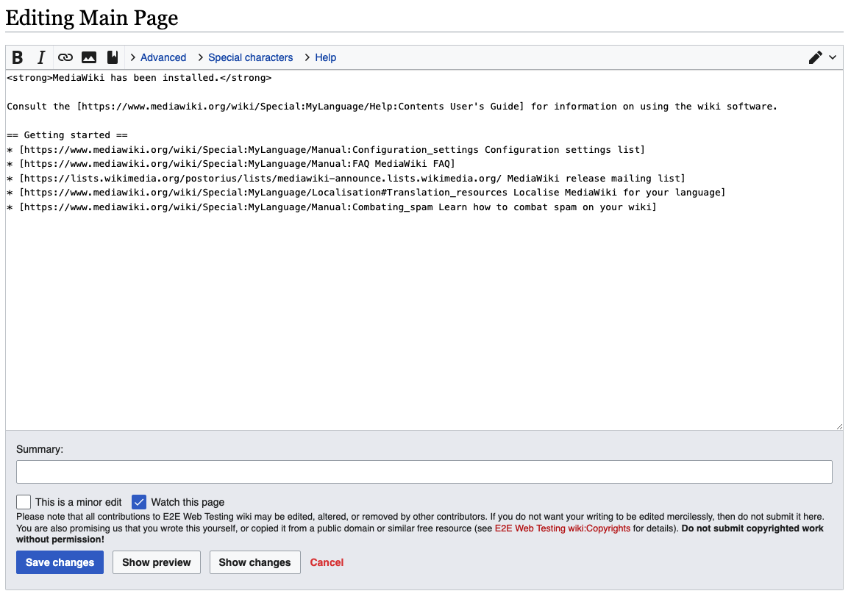 |  |  | 17 extra element | 1 extra getter 13 extra action 3 extra navigational
 | sourceTextArea | 4 | 1 |  |  | mainTextArea
 | saveSourceBtn | 4 | 1 |  |  | saveButton
 | public EditSourcePage editStart(String text) | 2 | 3
 | public EditSourcePage setSourceText(String text) | 2 | 2 |  |  | public void setMainText(String text) | 3
 | public WikiPage saveSource() | 3 | 2 |  |  | public void clickSaveButton() | 1
PageProtectPage | 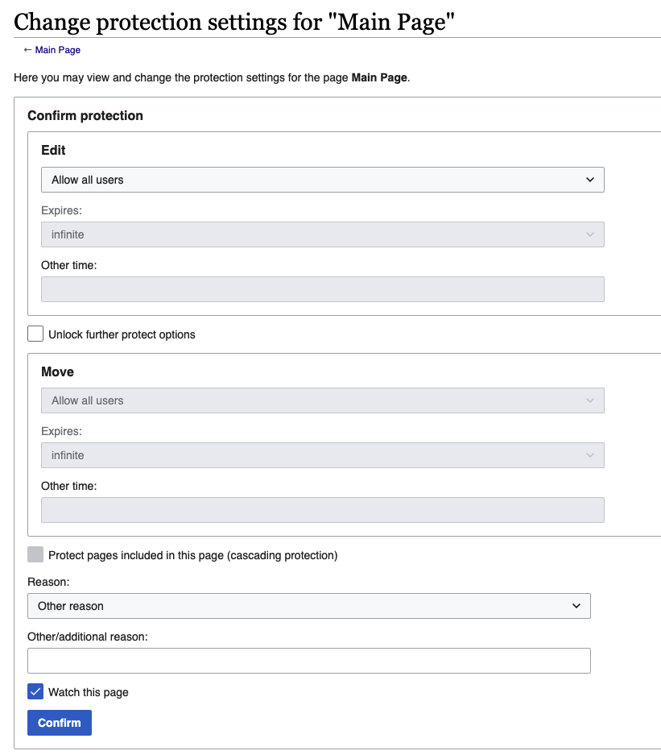 |  |  | 12 extra element | 10 extra action 1 extra getter
 | confirmBtn | 4 | 1 |  |  | confirmButton
 | public PageProtectPage selectProtectionLevel() | 2 | 2 |  |  | public void selectEditProtectionLevel (String level) | 5
 | public String getProtectionLevel() | 1 | 3
 | public WikiPage confirm() | 3 | 2 |  |  | public void clickConfirm() | 1
SearchResultsPage | 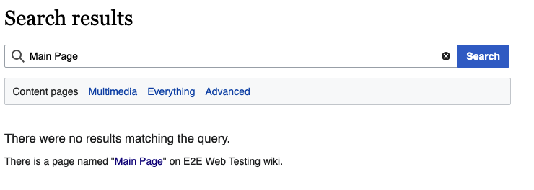 |  |  | 9 extra element | 6 extra action 1 extra getter 2 extra navigational |  |  | Deepseek has way better implementation for extra methods, like getting messages, error success etc
 | query | 4 | 1 |  |  | searchInputField
 | public PageCreationPage createNonExisting() | 3 | 3
SpecialPagesPage | 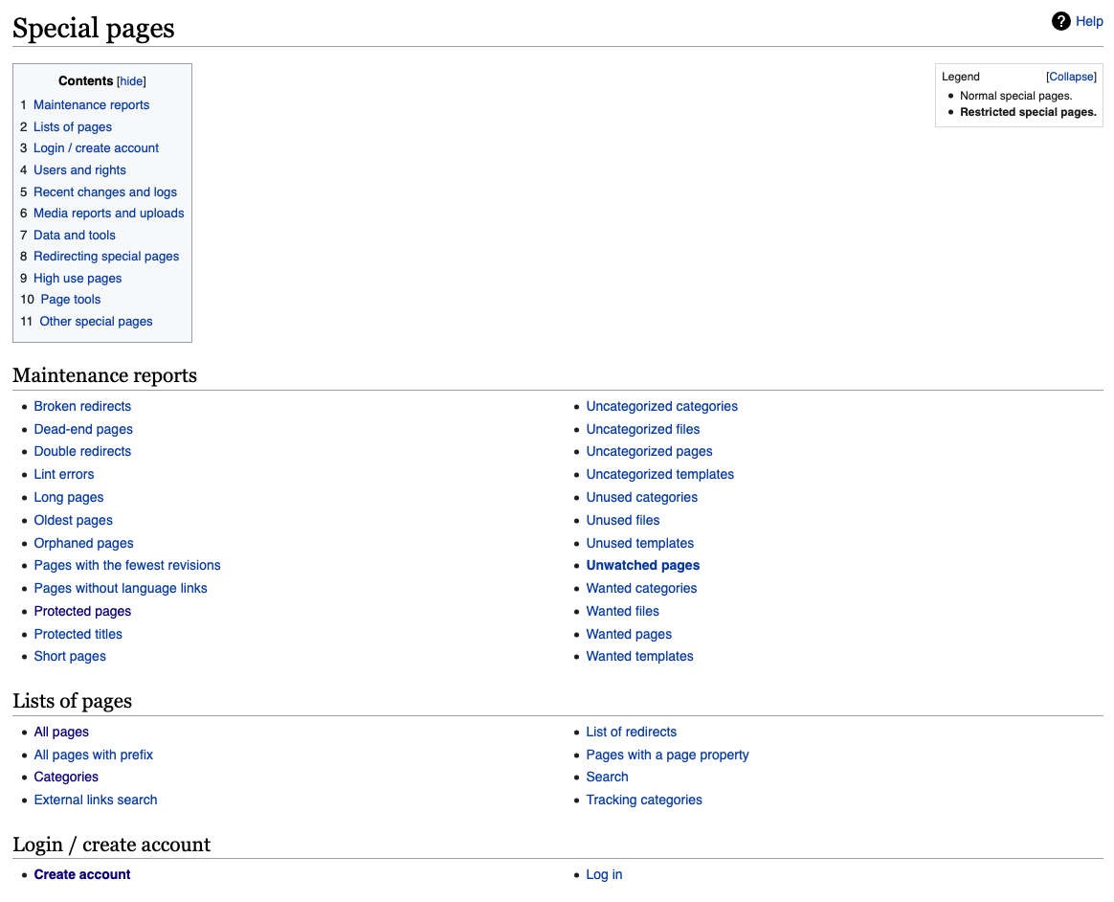 |  |  | 22 extra element | 3 extra getter 5 extra navigational 3 extra action |  |  | OpenAI defined these as links, while DeepSeek defined as header elements Check the missing methods here, why they are missing? Are they defined in the HTML?
 | createAccount | 4 | 1 |  |  | loginCreateAccountHeader
 | userRights | 4 | 1 |  |  | usersAndRightsHeader
 | blockUser | 4 | 3
 | changeCreds | 4 | 3
 | public CreateAccountPage createAccount() | 3 | 3
 | public UserRightsPage userRights() | 3 | 3
 | public BlockUserPage blockUser() | 3 | 3
 | public ChangeCredentialsPage changeCredentials() | 3 | 3
UserRightsPage | 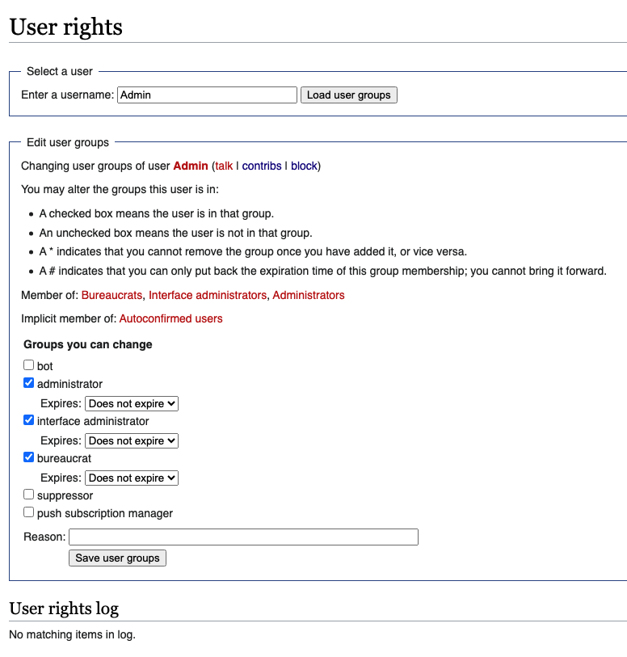 |  |  | 19 extra element | 17 extra action
 | searchUserField | 4 | 2 |  |  | usernameInput? | 4
 | searchBtn | 4 | 3
 | adminCheckbox | 4 | 1 |  |  | administratorCheckbox
 | reason | 4 | 1 |  |  | reasonInput
 | saveBtn | 4 | 1 |  |  | saveUserGroupsButton
 | public UserRightsPage findUser(String user) | 2 | 2 |  |  | public void enterUsername(String username) | 3
 | public UserRightsPage checkAdmin() | 2 | 2 |  |  | public void toggleAdministratorCheckbox() | 3
 | public UserRightsPage setReason(String reason) | 2 | 2 |  |  | public void enterReason(String reason) | 3
 | public UserRightsPage save() | 2 | 2 |  |  | public void clickSaveUserGroups() | 3
 | public boolean isAdminChecked() | 1 | 3 |  |  | custom implementation
 | public String getLogEntry() | 1 | 1 |  |  | public String getLogEmptyWarning()
MainPage | 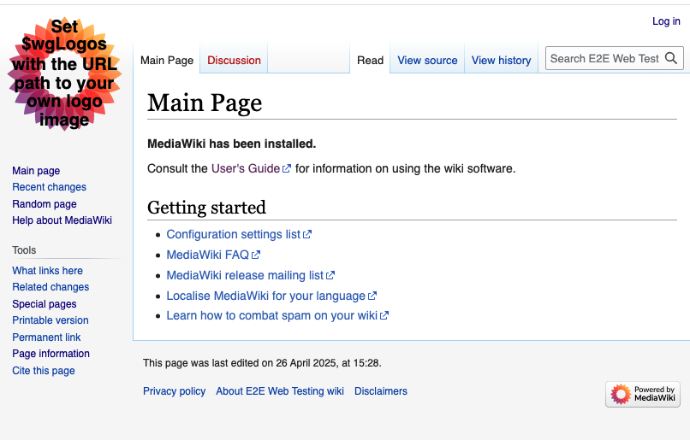 |  |  | 17 extra element | 2 extra getter 4 extra navigational 3 extra action
 | login | 4 | 1 |  |  | loginLink
 | createAccount | 4 | 3
 | specialPages | 4 | 2 |  |  | thirdListItemLink | 4
 | searchBar | 4 | 1 |  |  | searchInputField
 | public SpecialPagesPage specialPages() | 3 | 3
 | public LoginPage login() | 3 | 1 |  |  | public LoginPage clickLoginLink()
 | public WikiPage goToUserPage(String user) | 3 | 3
 | public SearchResultsPage searchNonExisting (String query) | 3 | 2 |  |  | public void clickSearchButton() | 5
 | public WikiPage searchExisting(String query) | 3 | 3 |  |  | public void clickSearchButton()
PageCreationPage | 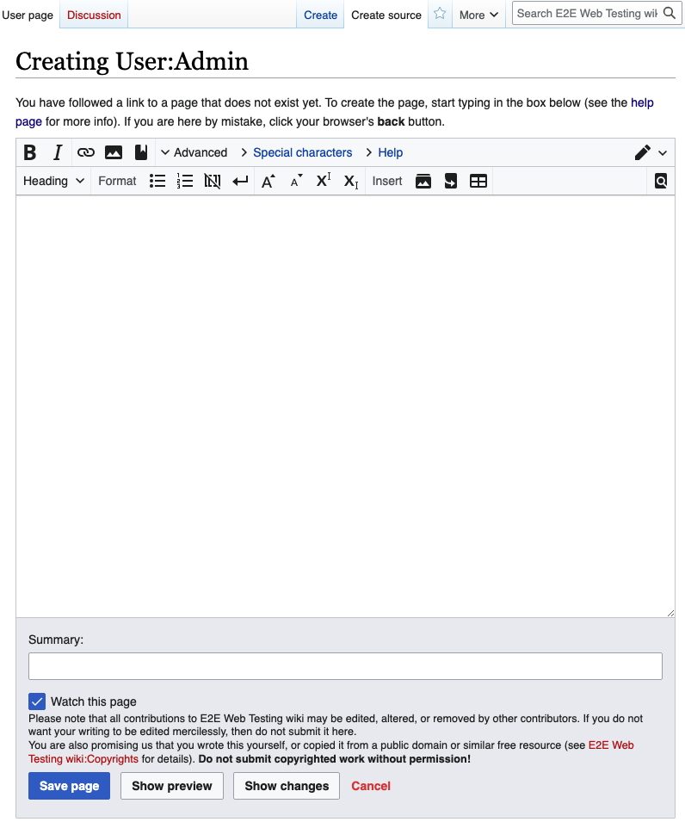 |  |  | 20 extra element | 17 extra action 2 extra getter
 | textArea | 4 | 1 |  |  | mainTextArea
 | createSourceBtn | 4 | 3
 | sourceTextArea | 4 | 3
 | saveBtn | 4 | 1 |  |  | saveButton
 | saveSourceBtn | 4 | 3 |  |  | sourceEditingButton?
 | editTextArea | 4 | 3
 | options | 4 | 3
 | blankPageWarning | 4 | 3
 | public PageCreationPage setText(String text) | 2 | 2 |  |  | public void enterText(String text) | 3
 | public PageCreationPage setSourceText (String text) | 2 | 3
 | public PageCreationPage editText(String text) | 2 | 3
 | public PageCreationPage addLink(String link) | 2 | 3
 | public PageCreationPage setChangeDescription (String change) | 2 | 3
 | public WikiPage confirmSave() | 3 | 3
 | public PageCreationPage save() | 2 | 2 |  |  | public void clickSaveButton() | 1
 | public WikiPage saveSource() | 3 | 3
 | public EditSourcePage createSource() | 3 | 3
 | public PageCreationPage options() | 3 | 3
 | public AddCategoryPage categories() | 3 | 3
 | public PageCreationPage saveEmpty() | 2 | 3 |  |  | custom implementation

 |  |  | 32 |  |  |  | 5
 |  |  | 29 |  |  |  | 0
 |  |  | 37 |  |  |  | 20
 |  |  | 0 |  |  |  | 2
 |  |  |  |  |  |  | 2
 |  |  |  |  |  |  | 0

