Sheet1
PO Class | Method - Variable | Classification of the Methods 1 = getter = retrieves data 2 = action = interacts with elements 3= navigational = leads to a new page or state Or, it could be that the thing is not a method, but an element defined with WebElement = 4 | Classification Information regarding classification: 1 = correct 2 = can be used to modify explanation for if the signature or implementation is nearly correct (return method missing, incomplete signature, wrong implementation) 3 = missing 4 = possible wrong implementation of LLM | Number of defined elements inside PO class | Number of defined methods inside PO class | Explanation for Classification | In case of missing or incomplete methods: Classify what is missing: 1: Missing return type 2: Wrong return type 3: Missing return type (returns same page) 4: wrong naming | Explanation: State which type of elements are missing (if any) | Does PO class have a correct constructor?
BlockUserPage | 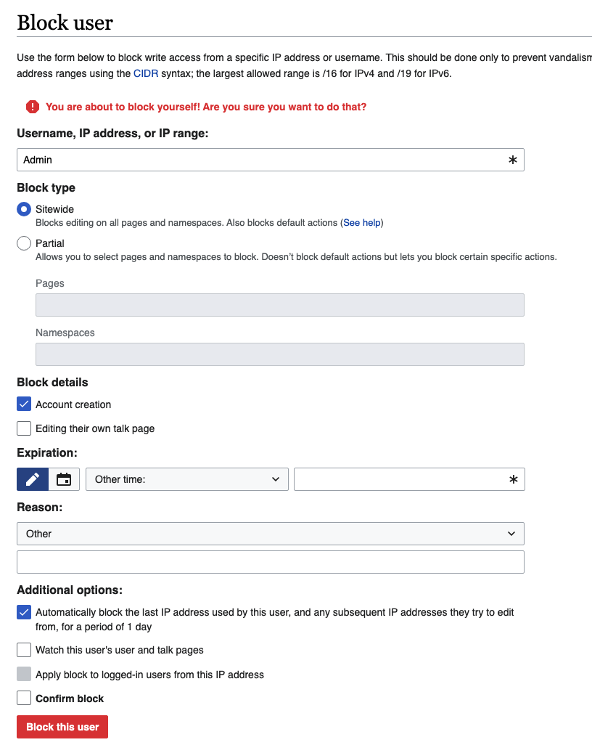 |  |  | 10 extra elements | 8 extra action method |  |  | In this PO, LLM created all toggles, this time it also created fields for error messages, so it looks like a complete page.
 | ipBlock | 4 | 1 |  |  | usernameIpInput
 | target | 4 | 3 |  |  | which one is the target field?
 | expiry | 4 | 1 |  |  | expiryDropdown
 | blockBtn | 4 | 1 |  |  | blockUserButton
 | public BlockUserPage setUsername(String usr) | 2 | 2 |  |  | username and ip are displayed in the same input field public void enterUsernameOrIp (String usernameOrIp) | 3
 | public BlockUserPage ipBlock() | 2 | 2 |  |  | public void enterUsernameOrIp (String usernameOrIp) | 3
 | public BlockUserPage selectExpiry(String exp) | 2 | 2 |  |  | public void selectExpiry (String expiry) | 3
 | public BlockUserPage block() | 2 | 2 |  |  | public void clickBlockUserButton() | 1
 | public String getMessage() | 1 | 1 |  |  | public void clickBlockUserButton()
ChangeCredentialsPage | 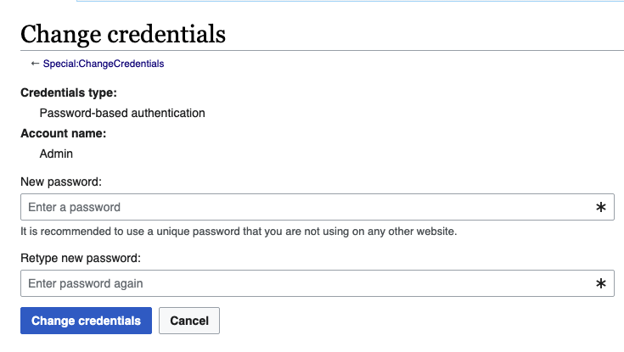 |  |  | 2 extra element | 1 extra getter 1 extra action
 | password | 4 | 1 |  |  | newPasswordInput
 | confirmPassword | 4 | 1 |  |  | retypePasswordInput
 | changeBtn | 4 | 1 |  |  | changeCredentialsButton
 | public ChangeCredentialsPage clickUsername() | 2 | 3 |  |  | username is an input field which should not be clickable
 | public ChangeCredentialsPage setPassword (String psw) | 2 | 2 |  |  | public void enterNewPassword (String password) | 3
 | public ChangeCredentialsPage confirmPassword (String psw) | 2 | 2 |  |  | public void enterRetypePassword (String password) | 3
 | public ChangeCredentialsPage change() | 2 | 2 |  |  | public NextPage clickChangeCredentialsButton() | 2
 | public String getSuccessMessage() | 1 | 3
 | public String getErrorMessage() | 1 | 3
CreateAccountPage | 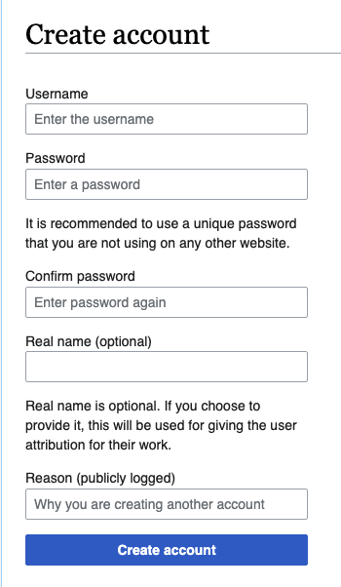 |  |  | 1 extra element | 1 extra action
 | username | 4 | 1 |  |  | private WebElement usernameInput
 | password | 4 | 1 |  |  | passwordInput
 | confirmPassword | 4 | 1 |  |  | confirmPasswordInput
 | realName | 4 | 1 |  |  | realNameInput
 | createAccountBtn | 4 | 1 |  |  | createAccountButton
 | public CreateAccountPage setUsername (String usr) | 2 | 2 |  |  | public void enterUsername (String username) | 3
 | public CreateAccountPage setPassword (String psw) | 2 | 2 |  |  | public void enterPassword (String password) | 3
 | public CreateAccountPage confirmPassword( String psw) | 2 | 2 |  |  | public void enterConfirmPassword (String confirmPassword) | 3
 | public CreateAccountPage setRealName(String rn) | 2 | 2 |  |  | public void enterRealName (String realName) | 3
 | public CreateAccountPage create() | 2 | 2 |  |  | it understands it should return a new PO but couldn't infer which page -- then left a comment public NextPage clickCreateAccountButton() { createAccountButton.click(); return new NextPage(driver); // Replace NextPage with the actual next page class } | 3
 | public String getSuccessMessage() | 1 | 3
 | public String getUsernameValidationMessage() | 1 | 3
LoginPage | 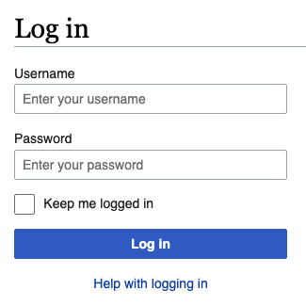 |  |  | 2 extra element | 2 extra action
 | username | 4 | 1 |  |  | usernameInput
 | password | 4 | 1 |  |  | passwordInput
 | loginBtn | 4 | 1 |  |  | loginButton
 | public LoginPage setUsername(String usr) | 2 | 2 |  |  | public void enterUsername(String username) | 3
 | public LoginPage setPassword(String psw) | 2 | 2 |  |  | public void enterPassword(String password) | 3
 | public MainPage login() | 3 | 2 |  |  | public HomePage clickLoginButton() | 2
DeletePage | 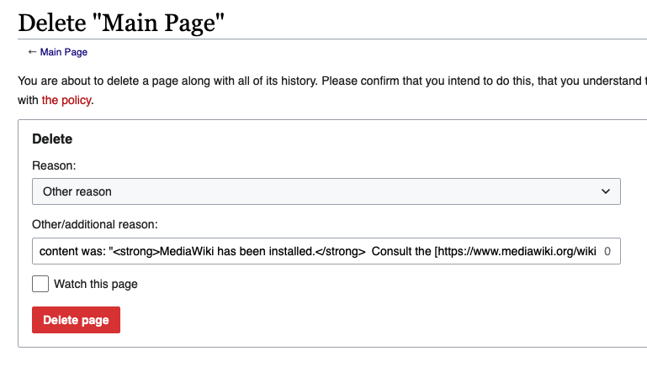 |  |  | 4 extra element | 3 extra action 1 extra navigational
 | deleteBtn | 4 | 1 |  |  | deleteButton
 | public DeletePage delete() | 2 | 2 |  |  | public void clickDeleteButton() { deleteButton.click(); // Assuming clicking the delete button navigates to a confirmation or summary page // return new ConfirmationPage(driver); // Uncomment and replace with actual page class } | 3
 | public String getSuccessMessage() | 1 | 3
EditSourcePage | 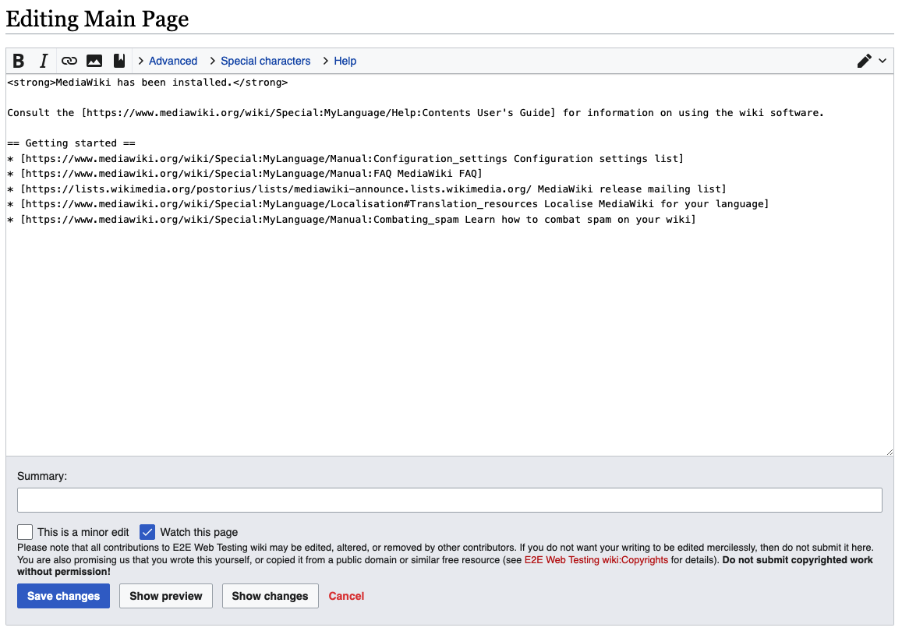 |  |  | 8 extra element | 6 extra action 2 extra navigational
 | sourceTextArea | 4 | 1 |  |  | mainTextArea
 | saveSourceBtn | 4 | 1 |  |  | saveChangesButton
 | public EditSourcePage editStart(String text) | 2 | 3 |  |  | no idea what is this element about
 | public EditSourcePage setSourceText(String text) | 2 | 2 |  |  | public void enterTextInMainTextArea(String text) | 3
 | public WikiPage saveSource() | 3 | 2 |  |  | public ProjectSummaryPage clickSaveChangesButton() | 2
PageProtectPage | 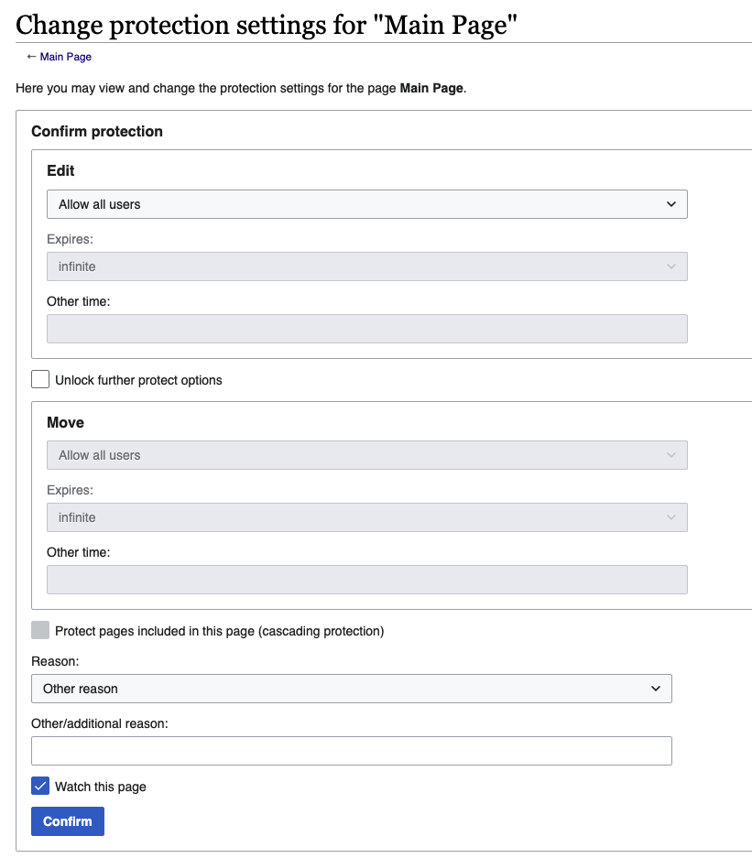 |  |  | 11 extra element | 10 extra action method
 | confirmBtn | 4 | 1 |  |  | confirmButton
 | public PageProtectPage selectProtectionLevel() | 2 | 2 |  |  | public void selectEditProtectionLevel(String level) | 3
 | public String getProtectionLevel() | 1 | 3
 | public WikiPage confirm() | 3 | 2 |  |  | public void clickConfirmButton() { confirmButton.click(); // Assuming this action leads to another page, return the appropriate POM class // return new NextPage(driver); } | 1
SearchResultsPage | 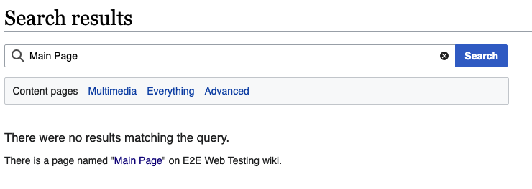 |  |  | 7 extra element | 2 extra getter 6 extra action |  |  | LLM generated one created search result element links, message methods and input fields which are not defined in the manually generated one.
 | query | 4 | 1 |  |  | mainInputField
 | public PageCreationPage createNonExisting() | 3 | 3
SpecialPagesPage | 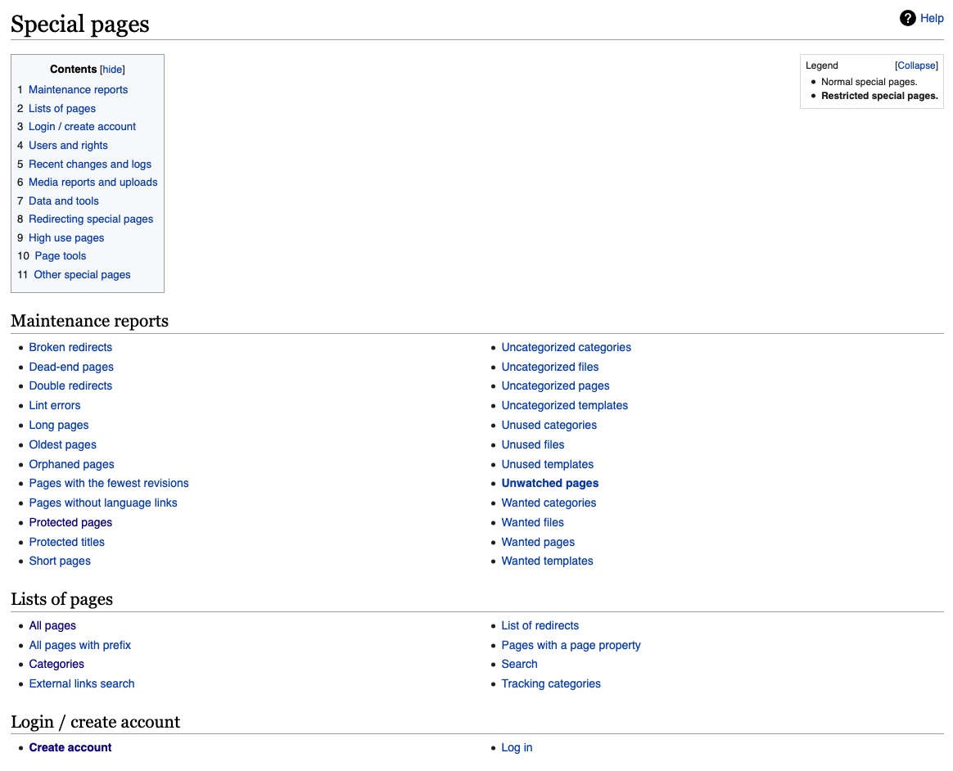 |  |  | 15 extra element | 1 extra getter 13 extra navigational |  |  | Although prompted with all links, LLM didn't give a complete result, some links were missing
 | createAccount | 4 | 1 |  |  | loginCreateAccountLink
 | userRights | 4 | 1 |  |  | usersAndRightsLink
 | blockUser | 4 | 3
 | changeCreds | 4 | 3
 | public CreateAccountPage createAccount() | 3 | 2 |  |  | public void clickLoginCreateAccountLink() | 1
 | public UserRightsPage userRights() | 3 | 2 |  |  | public void clickUsersAndRightsLink() | 1
 | public BlockUserPage blockUser() | 3 | 3
 | public ChangeCredentialsPage changeCredentials() | 3 | 3
UserRightsPage | 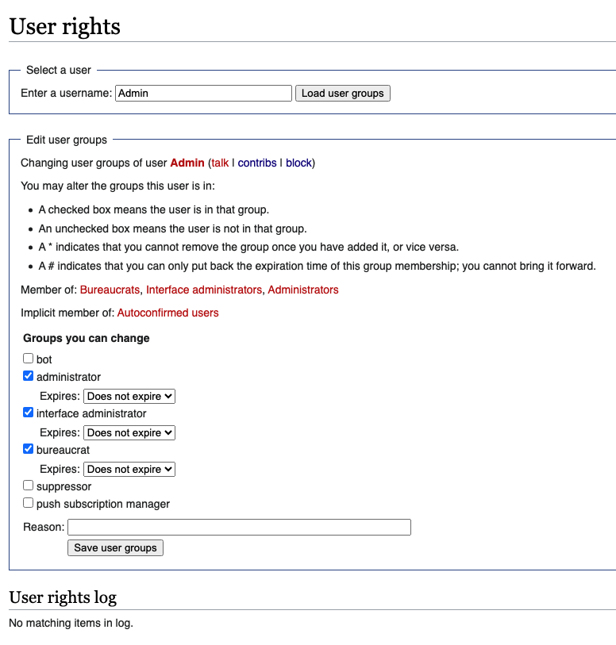 |  |  | 7 extra element | 5 extra action
 | searchUserField | 4 | 1 |  |  | usernameInput
 | searchBtn | 4 | 3 |  |  | the page does not have a search user field
 | adminCheckbox | 4 | 1 |  |  | interfaceAdminCheckbox
 | reason | 4 | 1 |  |  | reasonInput
 | saveBtn | 4 | 1 |  |  | saveUserGroupsButton
 | public UserRightsPage findUser(String user) | 2 | 3
 | public UserRightsPage checkAdmin() | 2 | 2 |  |  | public void toggleInterfaceAdminCheckbox() | 3
 | public UserRightsPage setReason(String reason) | 2 | 1 |  |  | public void enterReason(String reason)
 | public UserRightsPage save() | 2 | 2 |  |  | public void clickSaveUserGroupsButton() | 1
 | public boolean isAdminChecked() | 1 | 3
 | public String getLogEntry() | 1 | 1 |  |  | public String getWarningMessage()
MainPage | 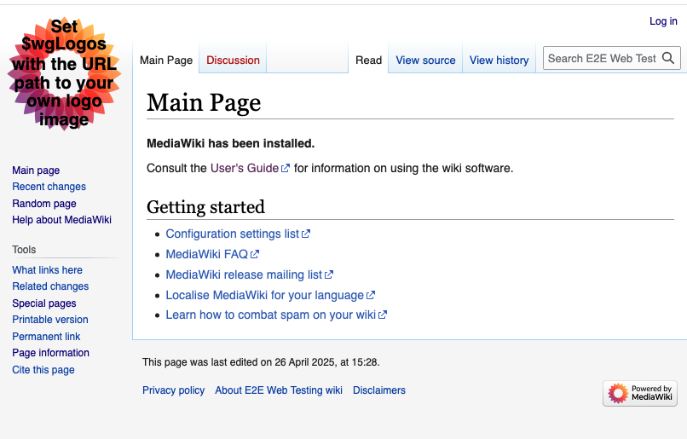 |  |  | 19 extra element | 2 extra getter 14 extra navigational
 | login | 4 | 1 |  |  | loginLink
 | createAccount | 4 | 3
 | specialPages | 4 | 1 |  |  | specialPagesLink
 | searchBar | 4 | 1 |  |  | searchInputField
 | public SpecialPagesPage specialPages() | 3 | 2 |  |  | public void clickSpecialPagesLink() | 1
 | public LoginPage login() | 3 | 2 |  |  | public void clickLoginLink() | 1
 | public WikiPage goToUserPage(String user) | 3 | 3
 | public SearchResultsPage searchNonExisting (String query) | 3 | 2 |  |  | the functionality does not exactly match, but it can be used public void clickSearchButton()
 | public WikiPage searchExisting(String query) | 3 | 2 |  |  | public void clickSearchButton()
PageCreationPage | 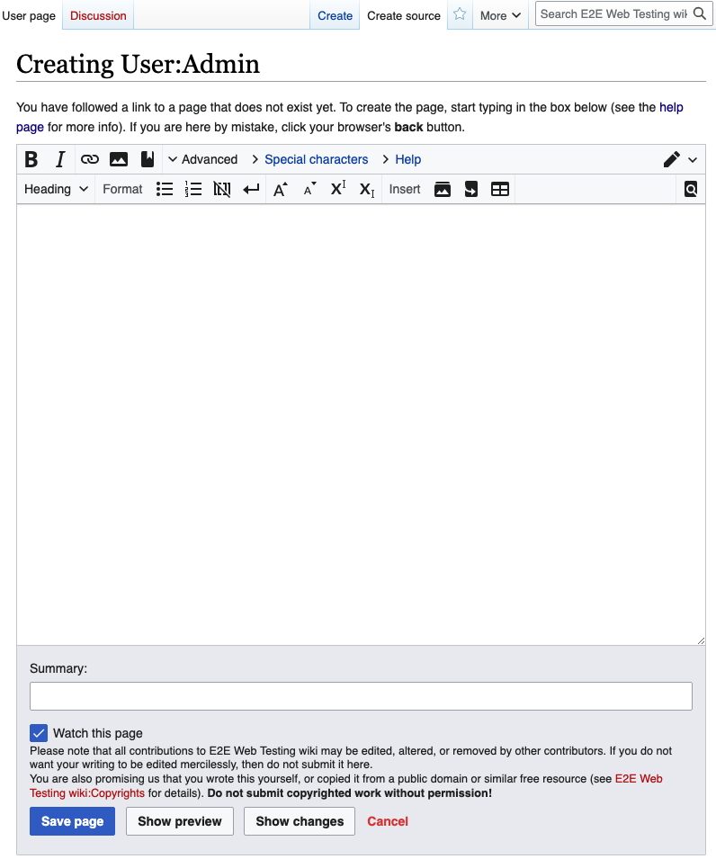 |  |  | 2 extra element | 2 extra action
 | textArea | 4 | 2 |  |  | summaryInputField | 2
 | createSourceBtn | 4 | 2 |  |  | saveButton?
 | sourceTextArea | 4 | 1 |  |  | mainTextArea
 | saveBtn | 4 | 1 |  |  | there is only one button here? saveButton?
 | saveSourceBtn | 4 | 2 |  |  | saveButton?
 | editTextArea | 4 | 3
 | options | 4 | 3
 | blankPageWarning | 4 | 3
 | public PageCreationPage setText(String text) | 2 | 2 |  |  | public void enterTextInMainTextArea(String text) | 2
 | public PageCreationPage setSourceText (String text) | 2 | 1 |  |  | public void enterTextInMainTextArea(String text)
 | public PageCreationPage editText(String text) | 2 | 2 |  |  | public void enterSummary(String summary) | 3
 | public PageCreationPage addLink(String link) | 2 | 3
 | public PageCreationPage setChangeDescription (String change) | 2 | 3
 | public WikiPage confirmSave() | 3 | 3 |  |  | there is no button like that?
 | public PageCreationPage save() | 2 | 2 |  |  | public void clickSaveButton() | 3
 | public WikiPage saveSource() | 3 | 2 |  |  | public void clickSaveButton() ? | 2
 | public EditSourcePage createSource() | 3 | 2 |  |  | public void clickSaveButton() ? | 2
 | public PageCreationPage options() | 3 | 3
 | public AddCategoryPage categories() | 3 | 3
 | public PageCreationPage saveEmpty() | 2 | 3

 |  |  | 34 |  |  |  | 7
 |  |  | 36 |  |  |  | 7
 |  |  | 28 |  |  |  | 18
 |  |  | 0 |  |  |  | 0
 |  |  |  |  |  |  | 0

