Sheet1
PO Class | Method - Variable | Classification of the Methods 1 = getter = retrieves data 2 = action = interacts with elements 3= navigational = leads to a new page or state Or, it could be that the thing is not a method, but an element defined with WebElement = 4 | Classification Information regarding classification: 1 = correct 2 = can be used to modify explanation for if the signature or implementation is nearly correct (return method missing, incomplete signature, wrong implementation) 3 = missing 4 = possible wrong implementation from manual | Number of defined elements inside PO class | Number of defined methods inside PO class | Explanation for Classification | In case of missing or incomplete methods: Classify what is missing: 1: Missing return type 2: Wrong return type 3: Missing return type (returns same page) 4: wrong naming 5: wrong implementation 6: different implementation | Explanation: State which type of elements are missing (if any) | Does PO class have a correct constructor?
AdminSidebar |  |  |  | 20 extra element | 23 extra navigational
 | catalog | 4 | 1 |  |  | catalogMainLink
 | product | 4 | 1 |  |  | productsSubLink
 | international | 4 | 1 |  |  | internationalMainLink
 | locations | 4 | 3
 | features | 4 | 3
 | attributes | 4 | 1 |  |  | attributesFeaturesSubLink
 | customers | 4 | 1 |  |  | customersMainLink
 | address | 4 | 3
 | category | 4 | 1 |  |  | categoriesSubLink
 | manufacturer | 4 | 3
 | supplier | 4 | 1 |  |  | brandsSuppliersSubLink
 | administration | 4 | 3
 | employees | 4 | 3
 | orders | 4 | 1 |  |  | ordersMainLink
 | ordersSubtab | 4 | 1 |  |  | ordersSubLink
 | tags | 4 | 3
 | language | 4 | 3
 | currency | 4 | 3
 | shopParams | 4 | 1 |  |  | shopParametersMainLink
 | shopParamsSearch | 4 | 3
 | localization | 4 | 3
 | public ProductsPage goToProducts() | 3 | 2 |  |  | public void clickProductsSubLink() | 1
 | public StatesPage goToStates() | 3 | 3
 | public FeaturesPage goToFeatures() | 3 | 2 |  |  | public void clickAttributesFeaturesSubLink() | 1
 | public AttributesPage goToAttributes() | 3 | 3
 | public AddressesPage goToAddresses() | 3 | 3
 | public CategoriesPage goToCategories() | 3 | 2 |  |  | public void clickCategoriesSubLink() | 1
 | public ManufacturerPage goToManufacturer() | 3 | 3
 | public EmployeesPage goToEmployees() | 3 | 3
 | public OrdersPage goToOrders() | 3 | 2 |  |  | public void clickOrdersMainLink() | 1
 | public TagsPage goToTags() | 3 | 3
 | public CurrencyPage goToCurrency() | 3 | 3
AttributesPage | 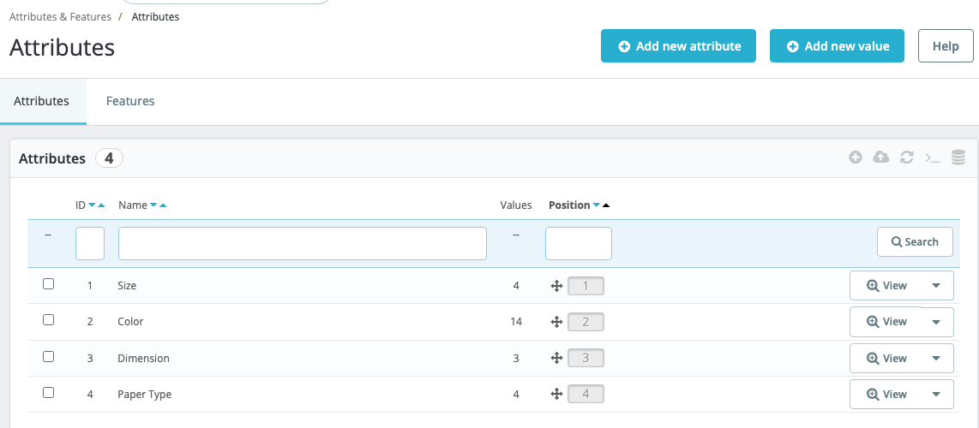 |  |  | 2 extra elements | 2 extra action 1 extra navigational
 | addAttribute | 4 | 1 |  |  | addNewAttributeLink
 | tagMessage | 4 | 3
 | public AddAttributePage clickAddAttribute() | 3 | 2 |  |  | public AttributesGroupPage clickAddNewAttribute() | 4
 | public String getSuccessMessage() | 1 | 3
CategoriesPage | 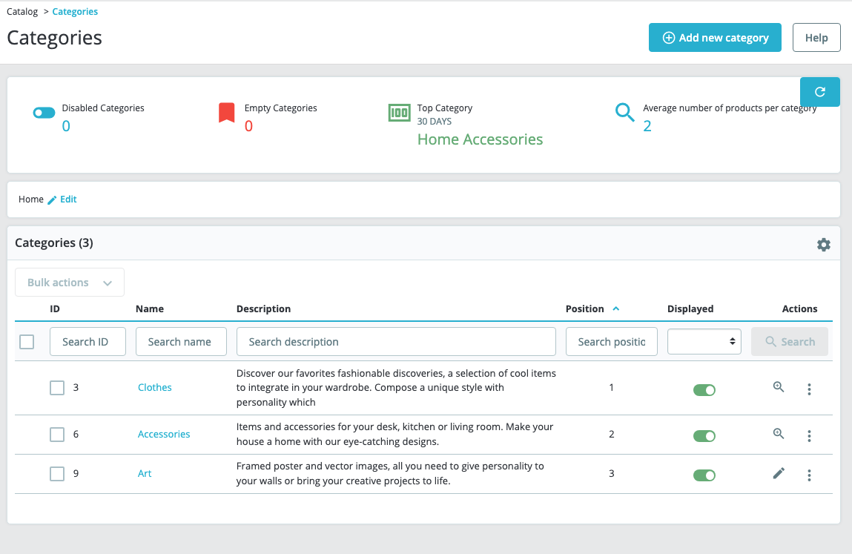 |  |  | 32 extra elements | 26 extra action 4 extra getter
 | addCategory | 4 | 1 |  |  | addNewCategoryButton
 | editCategory | 4 | 3
 | public AddCategoryPage clickAddCategory() | 3 | 2 |  |  | public void clickAddNewCategory() | 1
 | public AddCategoryPage editCategory() | 3 | 3
CurrencyPage | 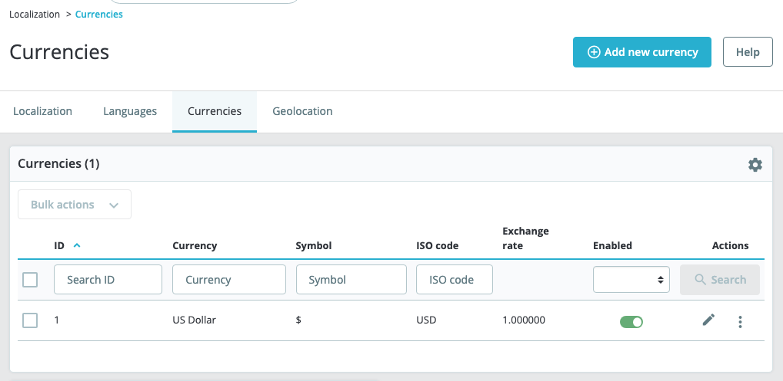 |  |  | 2 extra element | 1 extra navigational 1 extra getter
 | addCurrency | 4 | 2 |  |  | primaryLink | 4
 | public AddCurrencyPage clickAddCurrency() | 3 | 2 |  |  | public void clickPrimaryLink() | 1
FeaturesPage | 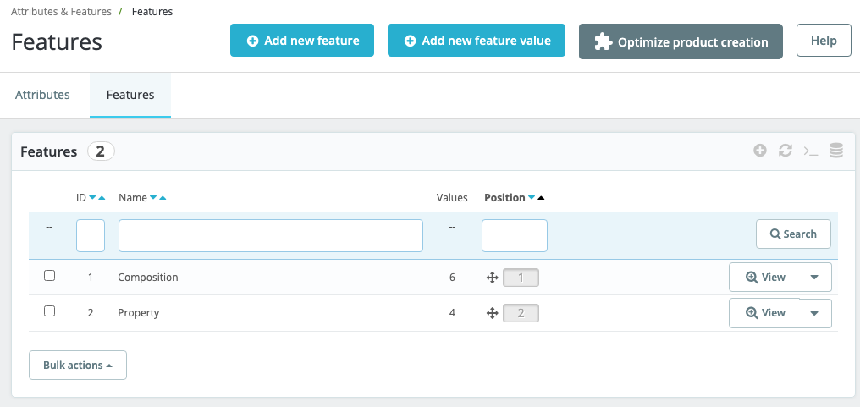 |  |  | 20 extra elements | 9 extra action 6 extra getter 2 extra navigational
 | addFeature | 4 | 1 |  |  | addNewFeatureButton
 | tagMessage | 4 | 2 |  |  | emptyFiltersAlert | 4
 | public AddFeaturesPage clickAddFeature() | 3 | 2 |  |  | public void clickAddNewFeature() | 1
 | public String getSuccessMessage() | 1 | 1 |  |  | public String getAjaxConfirmationText()
OrdersPage | 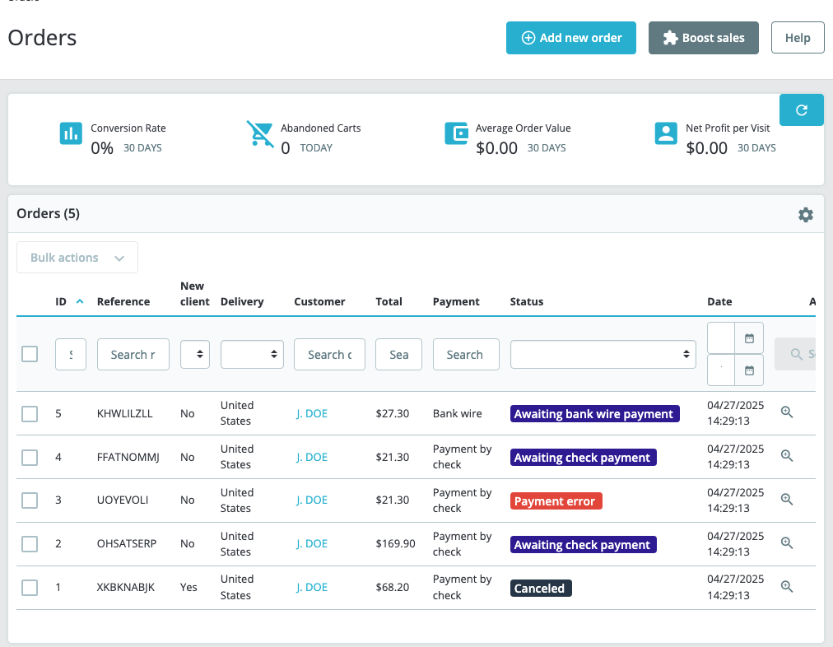 |  |  | 6 extra elements | 1 extra getter 2 extra action 3 extra navigational
 | addOrder | 4 | 2 |  |  | floatingPrimaryButton | 4
 | public AddToCartPage addOrder() | 3 | 2 |  |  | public void clickFloatingPrimaryButton() | 1
PrestaLogin | 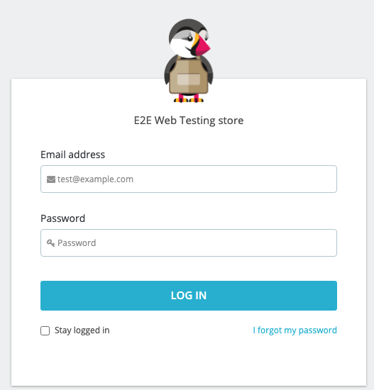 |  |  | 3 extra elements | 3 extra action 1 extra getter 1 extra navigational
 | email | 4 | 1 |  |  | emailInputField
 | password | 4 | 1 |  |  | passwordInputField
 | login | 4 | 1 |  |  | loginButton
 | public AdminPage loginToPresta (String username, String psw) | 3 | 2 |  |  | public DashboardPage clickLoginButton() | 2
SupplierPage | 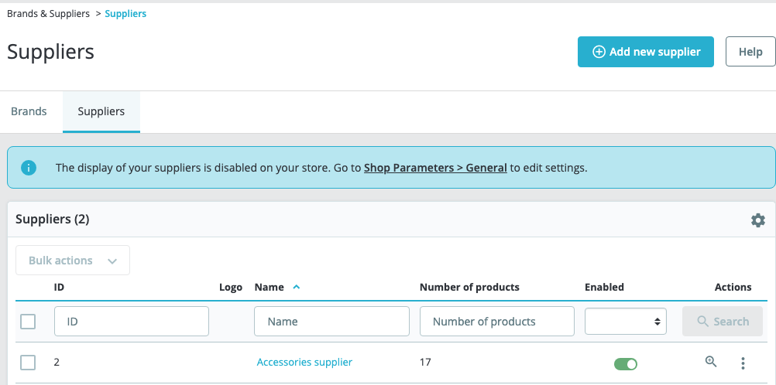 |  |  | 15 extra elements | 2 extra getters 8 extra action 1 extra navigational
 | addSupplier | 4 | 1 |  |  | addNewSupplierButton
 | removeDropDown | 4 | 3
 | public AddSupplierPage clickAddSupplier() | 3 | 2 |  |  | public NewSupplierPage clickAddNewSupplier() | 4
 | public SupplierPage removeSupplier() | 2 | 3
AddCategoryPage | 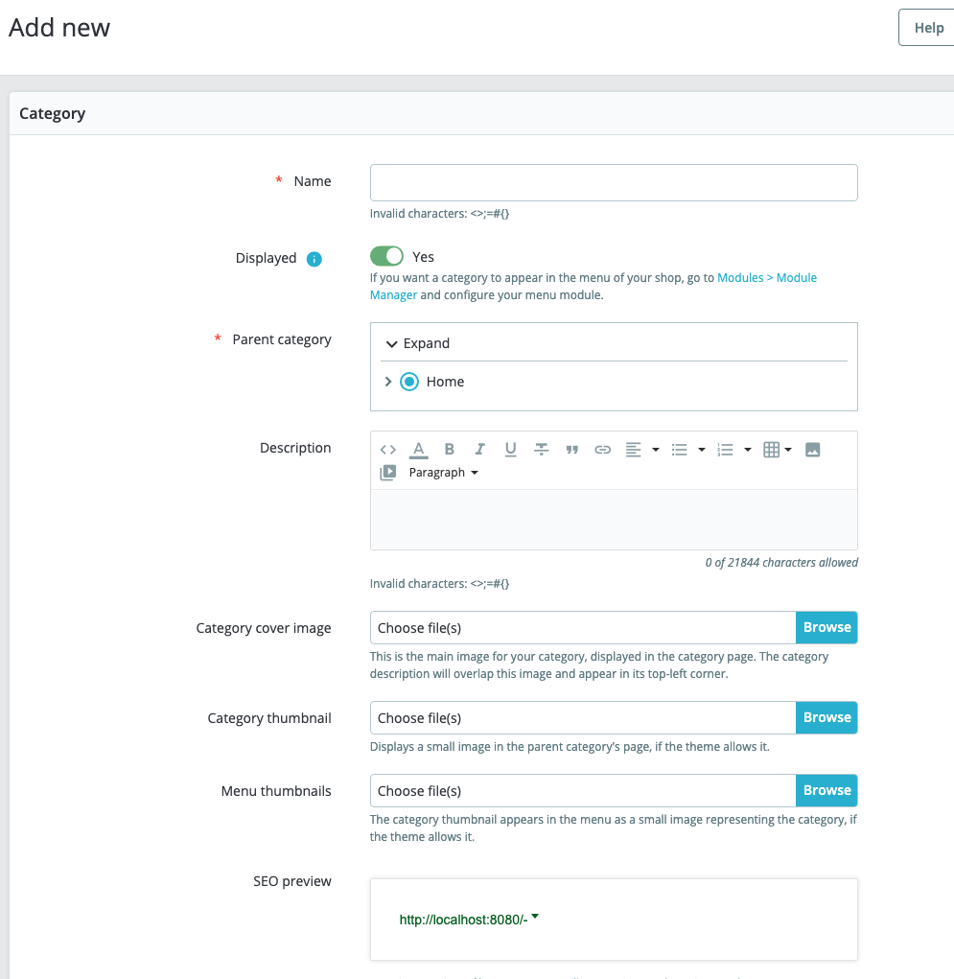 |  |  | 22 extra elements | 13 extra action
 | addCategory | 4 | 3
 | name_1 | 4 | 1 |  |  | nameInput
 | submitCategory | 4 | 1 |  |  | saveButton
 | alertMsg | 4 | 3
 | public CategoriesPage submitCategory(String nameStr) | 3 | 2 |  |  | public void clickSave() | 1
 | public AddCategoryPage submitEmptyCategory() | 2 | 3
 | public String getAlertMessage() | 1 | 3
AddAttributePage | 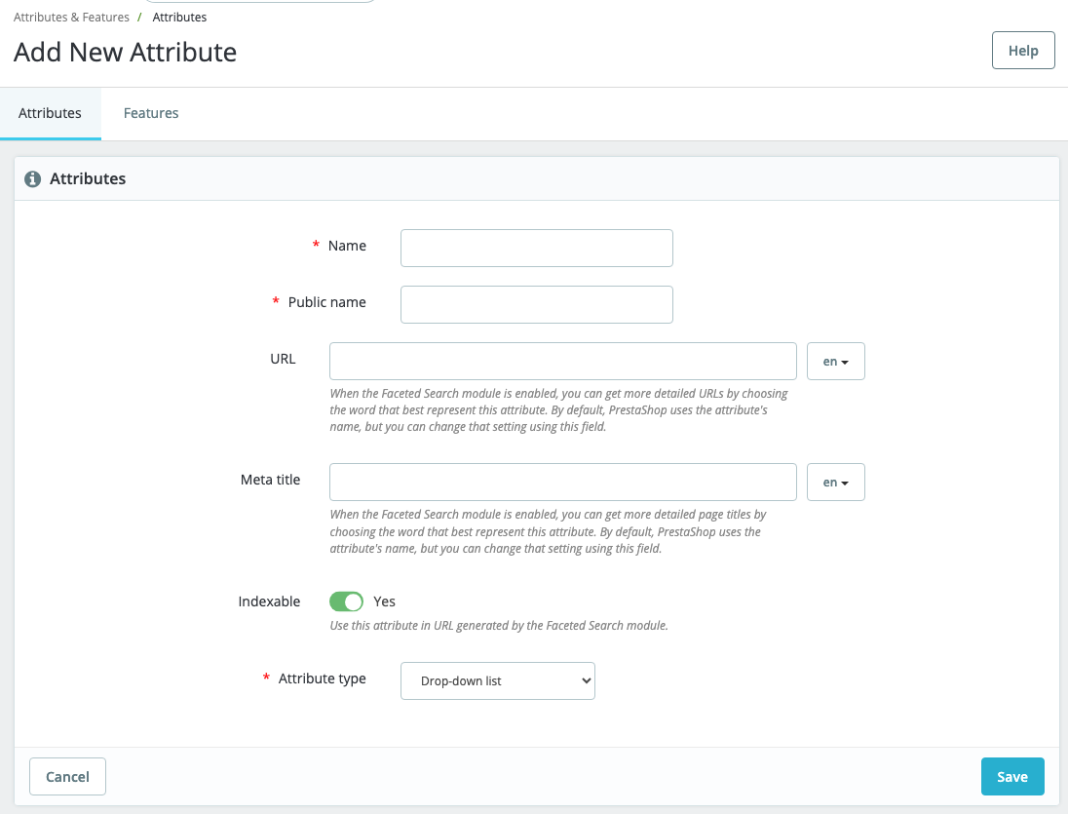 |  |  | 8 extra elements | 6 extra action methods
 | addAttribute | 4 | 3
 | name | 4 | 1 |  |  | nameInput
 | public_name | 4 | 1 |  |  | publicNameInput
 | submitAttribute | 4 | 1 |  |  | saveButton
 | alertMsg | 4 | 3
 | public AddAttributePage setName(String nameStr) | 2 | 2 |  |  | public void setName(String name) | 3
 | public AddAttributePage setPublicName (String pubNameStr) | 2 | 2 |  |  | public void setPublicName(String publicName) | 3
 | public AttributesPage submitAttribute() | 3 | 2 |  |  | public void clickSave() | 1
 | public AddAttributePage submitError() | 2 | 3
 | public String getAlertMessage() | 1 | 3
AddSupplierPage | 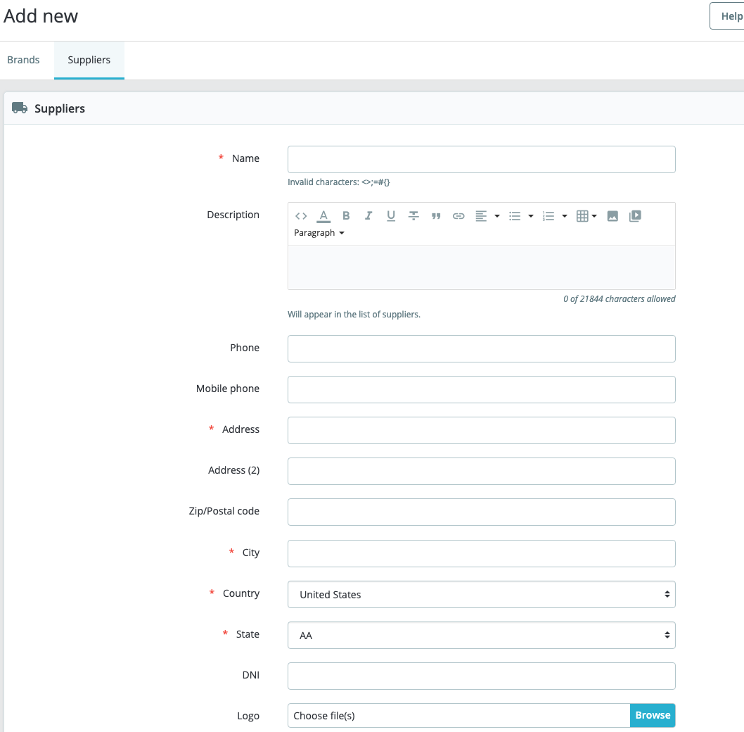 |  |  | 14 extra elements | 15 extra action 1 extra navigational
 | addSupplier | 4 | 3
 | name | 4 | 1 |  |  | nameInput
 | address | 4 | 1 |  |  | addressInput
 | city | 4 | 1 |  |  | cityInput
 | country | 4 | 1 |  |  | countrySelect
 | submitSupplier | 4 | 1 |  |  | saveButton
 | alertMsg | 4 | 1 |  |  | errorMessage
 | public SupplierPage addSupplier (String nameStr, String addressStr, String cityStr) | 3 | 2 |  |  | public void clickSave() | 1
 | public AddSupplierPage addEmptySupplier() | 2 | 3
 | public String getEmptyNameAlert() | 1 | 1 |  |  | public String getErrorMessage()
 | public String getAlertMessage() | 1 | 1 |  |  | public String getErrorMessage()
EmployeesPage |  |  |  | 25 extra elements | 21 extra action
 | addEmployee | 4 | 1 |  |  | addNewEmployeeButton
 | edit | 4 | 3
 | public RegisterEmployeePage addEmployee() | 3 | 2 |  |  | public void clickAddNewEmployee() | 1
 | public RegisterEmployeePage editEmployee() | 3 | 3
EditEmployeePage | 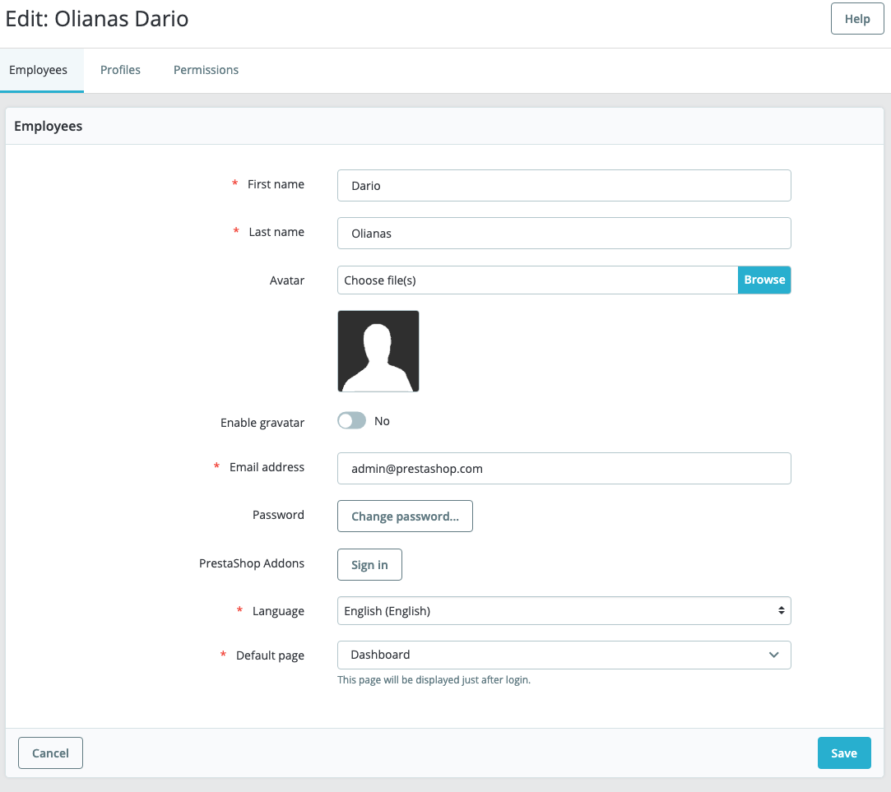 |  |  | 21 extra elements | 13 extra action 8 extra getter
 | addEmployee | 4 | 3
 | edit | 4 | 3
 | lastname | 4 | 1 |  |  | lastNameInput
 | submitEditEmployee | 4 | 1 |  |  | saveButton
 | remove | 4 | 3
 | public void editEmployee(String lastnameStr) | 2 | 1 |  |  | public void clickSave()
RegisterEmployeePage | 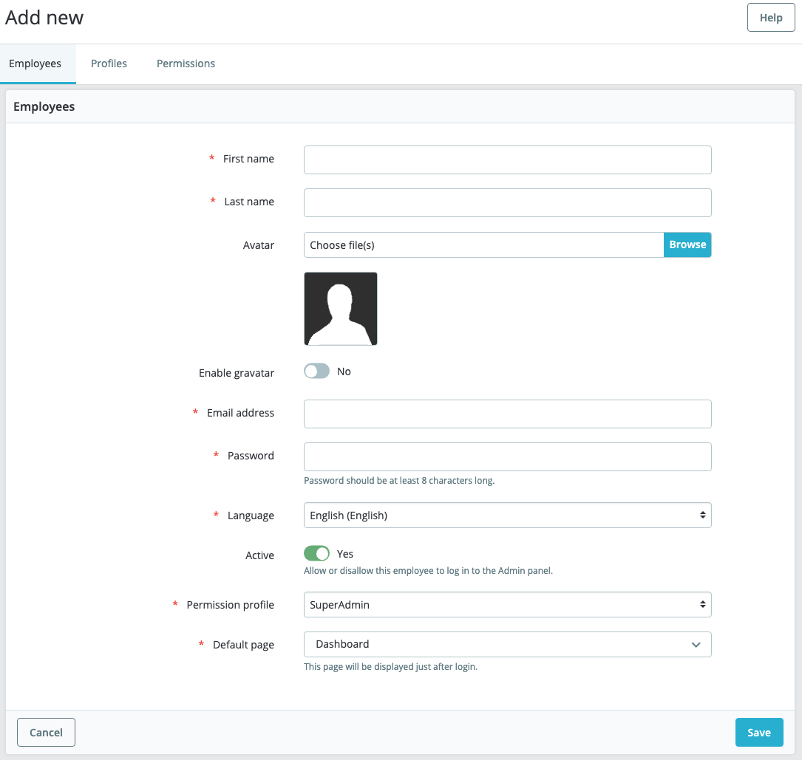 |  |  | 8 extra elements | 11 extra action methods
 | addEmployee | 4 | 3
 | firstname | 4 | 1 |  |  | firstNameInput
 | lastname | 4 | 1 |  |  | lastNameInput
 | passwd | 4 | 1 |  |  | passwordInput
 | email | 4 | 1 |  |  | emailInput
 | permission | 4 | 2 |  |  | profileDropdown | 4
 | submitAddEmployee | 4 | 1 |  |  | saveButton
 | dropDownMenu | 4 | 1 |  |  | languageDropdown
 | remove | 4 | 3
 | alertMsg | 4 | 3
 | public EmployeesPage addEmployee (String nameStr, String lastnameStr, String emailStr, String passStr) { | 3 | 2 |  |  | public Employeelistpage clickSave() | 4
 | public RegisterEmployeePage addEmployeeNoName (String emailStr, String passStr) { | 3 | 3
 | public RegisterEmployeePage addEmployeeNoPassword (String nameStr, String lastnameStr, String emailStr) { | 3 | 3
 | public RegisterEmployeePage addEmployeeNoEmail (String nameStr, String lastnameStr, String passStr) { | 3 | 3
 | public RegisterEmployeePage addEmployeeNoPermission (String nameStr, String lastnameStr, String emailStr, String passStr) { | 3 | 3
 | public EmployeesPage editEmployee(String lastnameStr) | 3 | 3
 | public String getAlertMessage() { | 1 | 3
 | public String getEmptyNameAlert() { | 1 | 3
 | public String getEmptyMailAlert() { | 1 | 3
 | public String getEmptyPasswordAlert() { | 1 | 3
AddAddressPage |  |  |  | 7 extra elements | 16 extra action
 | addAddress | 4 | 3
 | email | 4 | 1 |  |  | emailInputField
 | alias | 4 | 1 |  |  | aliasInputFieldv
 | firstname | 4 | 1 |  |  | firstNameInputField
 | lastname | 4 | 1 |  |  | lastNameInputField
 | address1 | 4 | 1 |  |  | address1InputField
 | postcode | 4 | 1 |  |  | postcodeInputField
 | city | 4 | 1 |  |  | cityInputField
 | phone | 4 | 1 |  |  | phoneInputField
 | phone_mobile | 4 | 1 |  |  | mobilePhoneInputField
 | id_state | 4 | 1 |  |  | stateSelectField
 | submitAddress | 4 | 1 |  |  | saveButton
 | public AddressesPage addAddress (String emailStr, String aliasStr, String firstStr, String lastStr,String addressStr, String postStr, String phoneStr, String mobileStr, String cityStr) | 3 | 2 |  |  | public void clickSaveButton() | 1
 | public AddAddressPage addEmptyAddress() | 2 | 3
 | public String getEmailEmptyAlert() | 3 | 3
 | public AddressesPage editName(String name) | 1 | 3
AddFeaturesPage | 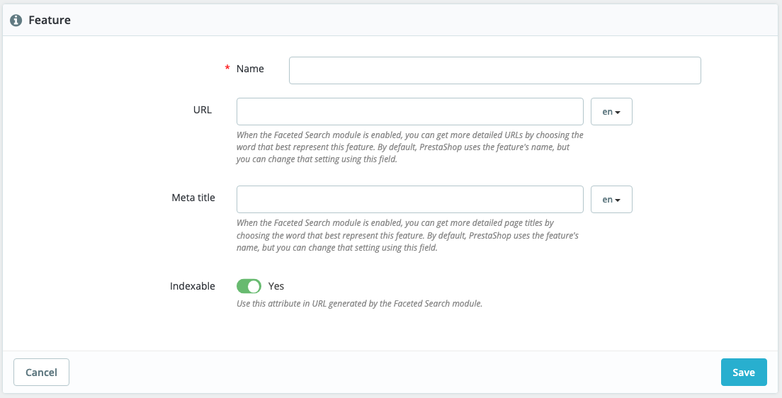 |  |  | 7 extra elements | 8 extra action 3 extra getters
 | addFeature | 4 | 3
 | name | 4 | 1 |  |  | nameInputField
 | submitFeature | 4 | 1 |  |  | saveButton
 | alertMessage | 4 | 3
 | public AddFeaturesPage addName(String nameStr) | 2 | 2 |  |  | public void setNameInputField(String name) | 3
 | public FeaturesPage submitFeature() | 3 | 2 |  |  | public void clickSaveButton() | 1
 | public AddFeaturesPage submitError() | 2 | 3
 | public String getAlertMessage() | 1 | 3
StatesPage | 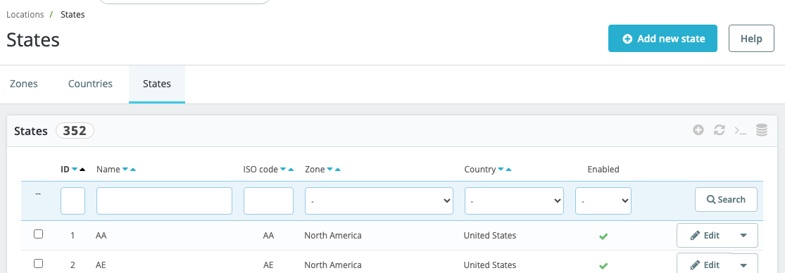 |  |  | 4 extra elements | 2 extra navigational 2 extra action
 | addNewState | 4 | 1 |  |  | addNewStateButton
 | tagMessage | 4 | 3
 | statesTab | 4 | 1 |  |  | statesTab
 | public AddNewStatePage addNewState() | 3 | 2 |  |  | public Statespage clickAddNewState() | 2
 | public StatesPage goToStatesTab() | 3 | 1 |  |  | public StatesPage clickStatesTab()
 | public String getSuccessMessage() | 1 | 3
TagsPage |  |  |  | 3 extra elements | 3 extra action
 | addTag | 4 | 1 |  |  | addNewTagButton
 | tagMessage | 4 | 1 |  |  | successAlert
 | public AddTagPage addTag() | 3 | 2 |  |  | public Tagspage clickAddNewTag() | 2
 | public String getSuccessMessage() | 1 | 1 |  |  | public String getSuccessMessage()
AddCurrencyPage | 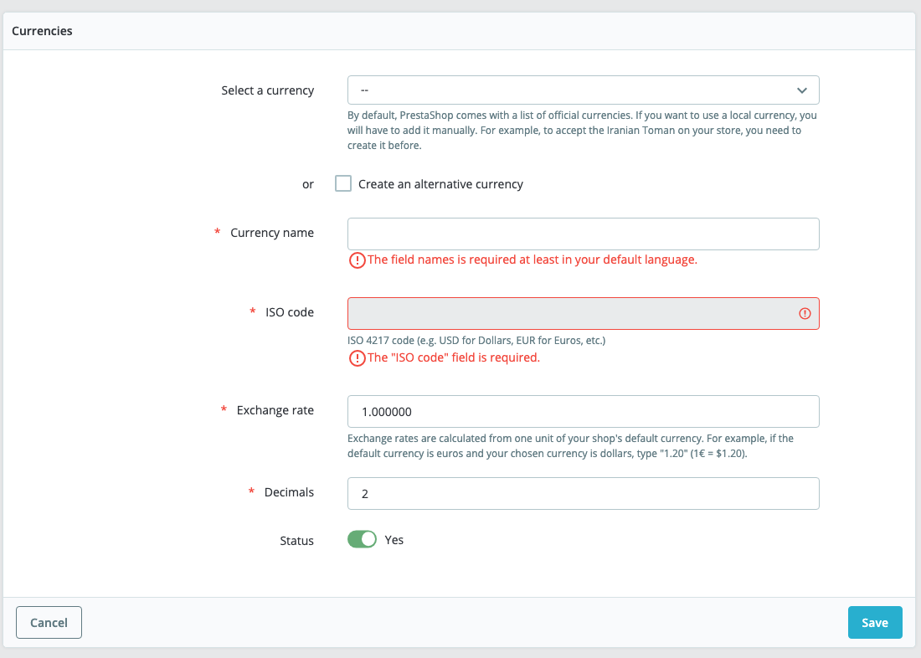 |  |  | 7 extra elements | 10 extra action methods
 | addCurrency | 4 | 3
 | name | 4 | 1 |  |  | nameInputField
 | iso_code | 4 | 1 |  |  | isoCodeInputField
 | exchangeRate | 4 | 1 |  |  | exchangeRateInputField
 | sign | 4 | 3
 | submitCurrency | 4 | 1 |  |  | saveButton
 | alertMsg | 4 | 3
 | altCurrency | 4 | 3
 | emptyNameAlert | 4 | 1 |  |  | nameErrorMessage
 | emptyIsoAlert | 4 | 1 |  |  | isoCodeErrorMessage
 | public CurrencyPage addCurrency (String nameStr, String isoStr, String rate) | 3 | 2 |  |  | public void clickSave() | 1
 | public AddCurrencyPage addEmptyCurrency() | 2 | 3
 | public String getAlertMessage() | 1 | 3
 | public String getEmptyIsoAlert() | 1 | 1 |  |  | public String getIsoCodeErrorMessage()
 | public String getEmptyNameAlert() | 1 | 1 |  |  | public String getNameErrorMessage()
AddNewStatePage | 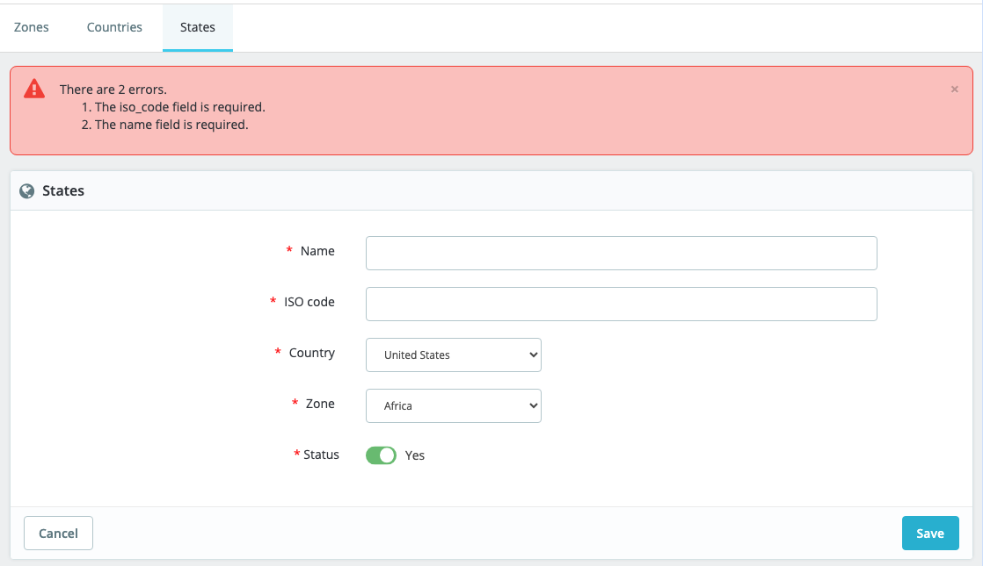 |  |  | 3 extra elements | 6 extra action methods
 | state_name | 4 | 1 |  |  | nameInput
 | iso_code | 4 | 1 |  |  | isoCodeInput
 | country_name | 4 | 1 |  |  | countrySelect
 | zone_name | 4 | 1 |  |  | zoneSelect
 | add_state_button | 4 | 1 |  |  | saveButton
 | alertMsg | 4 | 1 |  |  | errorAlert
 | public StatesPage addNewState (String name, String isoCode, String country, String zone) | 3 | 2 |  |  | public void clickSave() | 1
 | public AddNewStatePage addEmptyState() | 2 | 3
 | public String getAlertMessage() | 1 | 1 |  |  | public String getErrorMessage()
AddTagPage | 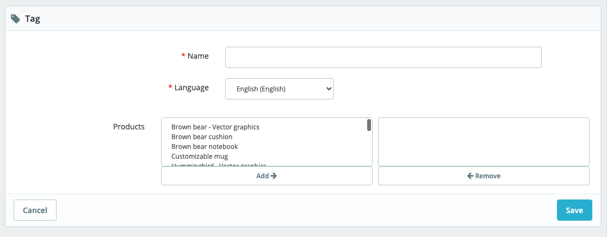 |  |  | 6 extra elements | 4 extra action 1 extra navigational
 | name | 4 | 1 |  |  | nameInputField
 | submitTag | 4 | 1 |  |  | saveButton
 | alertMsg | 4 | 1 |  |  | errorMessage
 | public TagsPage addTag(String nameStr) | 3 | 2 |  |  | public void clickSave() | 1
 | public AddTagPage addEmptyTag() | 2 | 3
 | public String getAlertMessage() | 1 | 1 |  |  | public String getErrorMessage()

 |  |  | 79 |  |  |  | 17
 |  |  | 30 |  |  |  | 3
 |  |  | 69 |  |  |  | 3
 |  |  | 0 |  |  |  | 7
 |  |  |  |  |  |  | 0
 |  |  |  |  |  |  | 0

