Cover Page
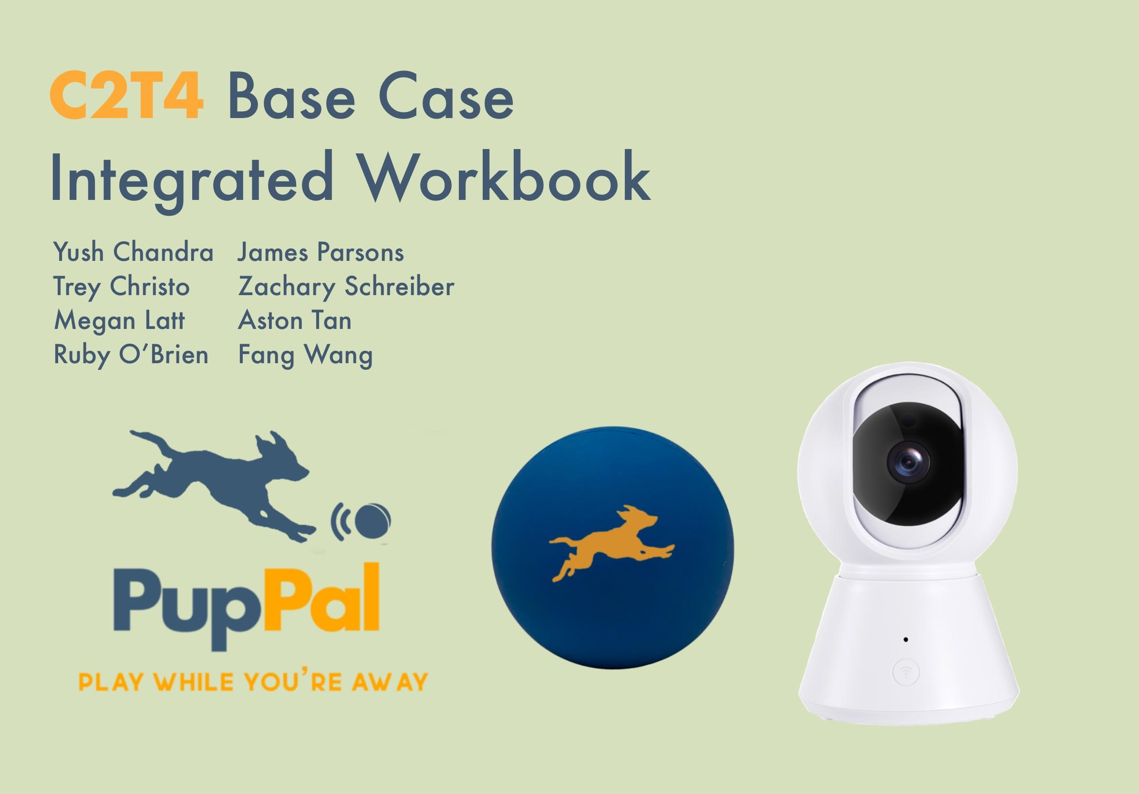

MK Segmentation
Index

Total Target Market
16,570,000

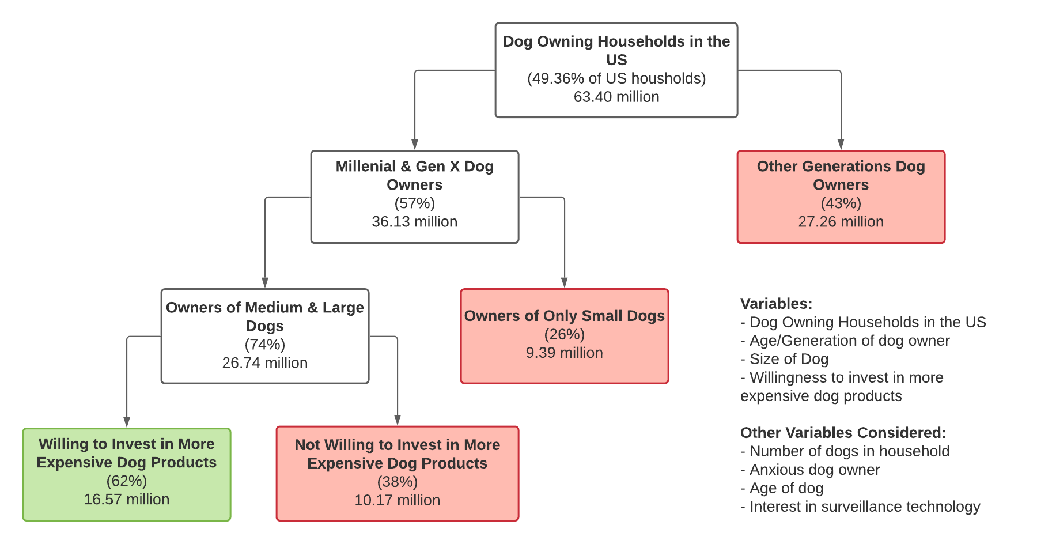

AGE | Probably Buy |  | Definitely Buy |  | TOTAL
20-30 | 17 | 25% | - | 0% | 17 | 25%
31-40 | - | 0% | 3 | 43% | 3 | 43%
41-50 | - | 0% | - | 0% | 0 | 0%
51-60 | 4 | 16% | - | 0% | 4 | 16%
61-70 | - | 0% | - | 0% | 0 | 0%
Based on the fact that our product is very tech heavy and we do not have a working prototype, people may feel reluctant to want to buy our product - If we have working demos in stores, purchase intent could increase

WILLINGNESS TO INVEST MORE ($) | Probably Buy |  | Definitely Buy |  | TOTAL
164-227 | 13 | 14% | 2 | 2% | 15 | 16%
228-291 | 9 | 41% | - | 0% | 9 | 41%
292-355 | 4 | 36% | 1 | 9% | 5 | 45%
356-419 | - | 0% | - | 0% | 0 | 0%
420-483 | - | 0% | 1 | 100% | 1 | 100%
The purchase intent for the highest income bracket is surprisingly low and the purchase intent for the lowest income bracket is surprisingly high - Income does not contribute significantly to purchase intent

SIZE OF DOG | Probably Buy |  | Definitely Buy |  | TOTAL
Medium | 14 | 29% |  | 0% | 49 | 29%
Large | 4 | 13% | 1 | 3% | 32 | 16%
All |  | 0% | 2 | 40% | 5 | 40%
Most respondents were from the highest income bracket

MK Purchase Intent & Price
Index | As the product price increases, the purchase intent decreases. The purchase intent drastically decreses once the price increases from $200 to $250; however after the price hits $400, the purchase intent is little affected.
Purchase Intent vs. Expected Price
Count of willing price | Column Labels |  |  |  |  |  |  | Pasted Data
Row Labels | Definitely Not | Probably Not | Not Sure | Probably Buy | Definitely Buy | Grand Total |  | Prob Buy | Def Buy
195.50 | 17 | 33 | 30 | 13 | 2 | 95 |  | 13 | 2
259.50 | 3 | 6 | 4 | 9 |  | 22 |  | 9 | 0
323.50 | 3 | 1 | 2 | 4 | 1 | 11 |  | 4 | 1
387.50 |  | 1 |  |  |  | 1 |  | 0 | 0
451.50 |  |  |  |  | 1 | 1 |  | 0 | 1
Grand Total | 23 | 41 | 36 | 26 | 4 | 130 | Total | 26 | 4

 |  |  |  |  | Sample | 130
 |  |  |  |  | Population | 16,570,000

Price | Adjusted PB | Adjusted DB | PB * .3 | DB * .8 | Sum Across | Cumulative PI | Quantity | Revenue |  | Price | Cumulative PI
$195.50 | 10.00% | 1.54% | 3.00% | 1.23% | 4.23% | 8.46% | 1,402,077 | $274,106,038 |  | $195.50 | 8.46%
$259.50 | 6.92% | 0.00% | 2.08% | 0.00% | 2.08% | 4.23% | 701,038 | $181,919,481 |  | $259.50 | 4.23%
$323.50 | 3.08% | 0.77% | 0.92% | 0.62% | 1.54% | 2.15% | 356,892 | $115,454,662 |  | $323.50 | 2.15%
$387.50 | 0.00% | 0.00% | 0.00% | 0.00% | 0.00% | 0.62% | 101,969 | $39,513,077 |  | $387.50 | 0.62%
$451.50 | 0.00% | 0.77% | 0.00% | 0.62% | 0.62% | 0.62% | 101,969 | $46,039,108 |  | $451.50 | 0.62%

PupPal Demand Curve
NOTE: Demand curve does not include 3% increase in PI for CSR
Demand Curve Instructions |  |  |  |  |  |  |  | RM Price | Cumulative PI | Total Revenue
 |  |  |  |  |  |  |  | $216.17 | 6.49% | $232,285,026

OM BOM EOQ Y0-Y5
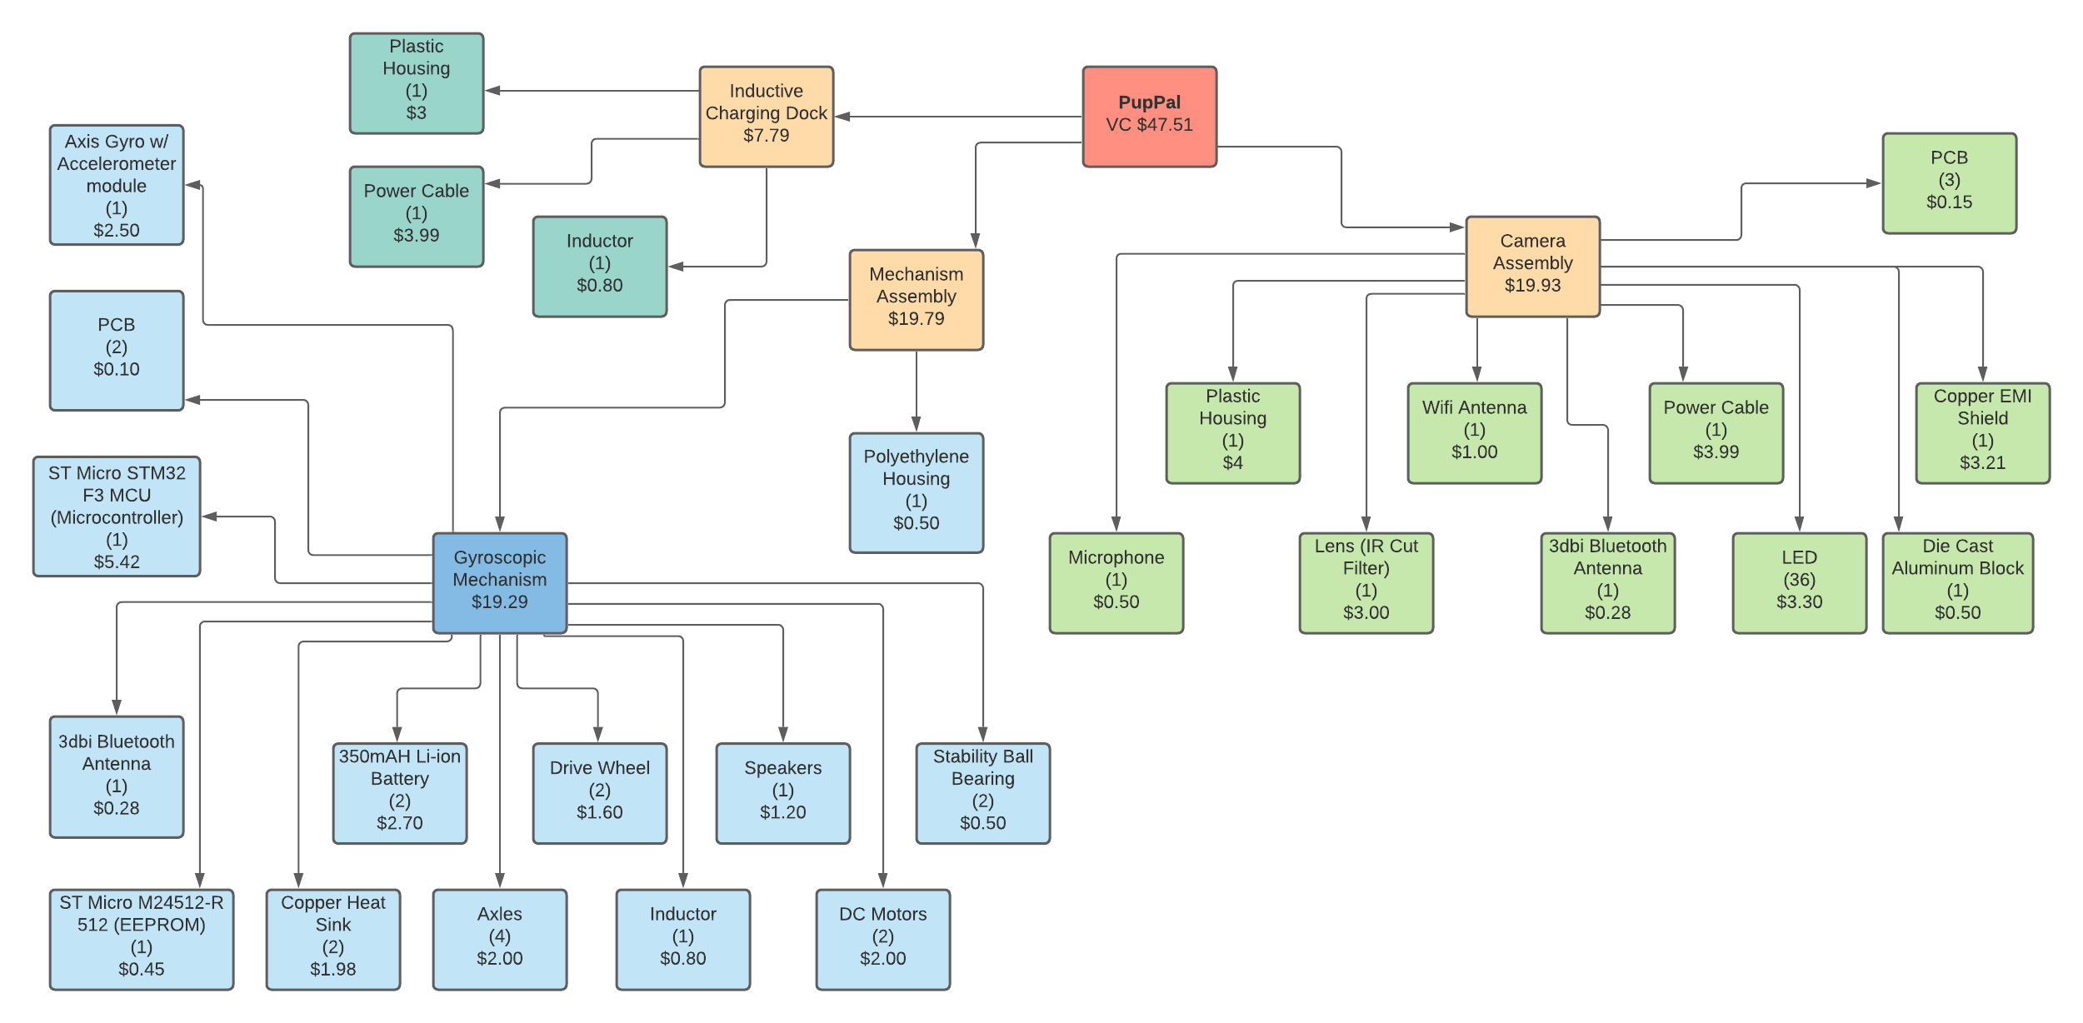
Index

YEAR 0 |  |  |  |  |  |  |  |  |  | Cost Reduction Calculations
 |  | From Location | Units required per PupPal | Price / Unit | Order Cost (S) | Holding Cost (H) | Order Quantity | EOQ in Units | EOQ in Dollars | Year | Order Quantity | /10k | Cost Reduction % (3% for every 10k) | Order Cost
Camera |  |  |  |  | $19.93 |  |  |  |  | 0 | 1,574 | 0 | 0.00% | $47.51
 | Camera | China | 1 | $19.93 | $19.93 | $5.98 | 1,574 | 41.90 | $835.04 | 1 | 10,440 | 1 | 3.00% | $46.08
Inductive Charging Dock |  |  |  |  | $7.79 |  |  |  |  | 2 | 18,302 | 1 | 3.00% | $46.08
 | Plastic Housing (ICD) | US | 1 | $3.00 | $3.00 | $0.90 | 1,574 | 107.99 | $323.98 | 3 | 42,394 | 4 | 12.00% | $41.81
 | Power Cable (ICD) | US | 1 | $3.99 | $3.99 | $1.20 | 1,574 | 93.64 | $373.63 | 4 | 54,475 | 5 | 15.00% | $40.38
 | Inductor (ICD) | US | 1 | $0.80 | $0.80 | $0.24 | 1,574 | 209.13 | $167.30 | 5 | 69,619 | 6 | 18.00% | $38.96
Gyroscopic Mechanism |  |  |  |  | $19.29 |  |  |  |  | Cost Reduction Assumptions |  | Sensitivity
 | Axis Gyro w/ Accelerometer Module | China | 1 | $2.50 | $2.50 | $0.75 | 1,574 | 118.30 | $295.75 | Discount Rate | 3% | 100%
 | PCB | US | 2 | $0.05 | $0.10 | $0.03 | 3,149 | 836.50 | $83.65 | Units Needed For Discount | 10000
 | ST Micro STM32 F3 MCU (Microcontroller) | US | 1 | $3.18 | $3.18 | $0.95 | 1,574 | 104.89 | $333.55
 | 3dbi Bluetooth Antenna | China | 1 | $0.28 | $0.28 | $0.08 | 1,574 | 353.49 | $98.98
 | ST Micro M24512-R 512 (EEPROM) | US | 1 | $0.45 | $0.45 | $0.14 | 1,574 | 278.83 | $125.48
 | Copper Heat Sink | China | 2 | $0.99 | $1.98 | $0.59 | 3,149 | 187.99 | $372.22
 | 350mAH Li-ion Battery | China | 2 | $1.35 | $2.70 | $0.81 | 3,149 | 160.98 | $434.66
 | Axle | US | 4 | $0.50 | $2.00 | $0.60 | 6,298 | 264.52 | $529.05
 | Drive Wheel | US | 2 | $0.80 | $1.60 | $0.48 | 3,149 | 209.13 | $334.60
 | Inductor | US | 1 | $0.80 | $0.80 | $0.24 | 1,574 | 209.13 | $167.30
 | Speaker | China | 1 | $1.20 | $1.20 | $0.36 | 1,574 | 170.75 | $204.90
 | DC Motor | China | 2 | $1.00 | $2.00 | $0.60 | 3,149 | 187.05 | $374.09
 | Stability Ball Bearing | China | 2 | $0.25 | $0.50 | $0.15 | 3,149 | 374.09 | $187.05
Mechanism Assembly |  |  |  |  | $0.50
 | Polyethylene Housing | US | 1 | $0.50 | $0.50 | $0.15 | 1,574 | 264.52 | $132.26
TOTAL |  |  | 27 | $41.57 | $47.51 | $14.25 | 1,574 | 4,173 | $5,373.47
 |  |  |  |  | * Order cost is inclusive of cost reductions

YEAR 1
 |  | From Location | Units required per PupPal | Price / Unit | Order Cost (S) | Holding Cost (H) | Demand in Units (D) | EOQ in Units | EOQ in Dollars
Camera |  |  |  |  | $19.93
 | Camera | China | 1 | $19.93 | $19.93 | $5.98 | 12,789 | 119.41 | $2,379.93
Inductive Charging Dock |  |  |  |  | $7.79
 | Plastic Housing (ICD) | US | 1 | $3.00 | $3.00 | $0.90 | 12,789 | 307.79 | $923.36
 | Power Cable (ICD) | US | 1 | $3.99 | $3.99 | $1.20 | 12,789 | 266.88 | $1,064.87
 | Inductor (ICD) | US | 1 | $0.80 | $0.80 | $0.24 | 12,789 | 596.03 | $476.82
Gyroscopic Mechanism |  |  |  |  | $19.29
 | Axis Gyro w/ Accelerometer Module | China | 1 | $2.50 | $2.50 | $0.75 | 12,789 | 337.16 | $842.91
 | PCB | US | 2 | $0.05 | $0.10 | $0.03 | 25,578 | 2,384.10 | $238.41
 | ST Micro STM32 F3 MCU (Microcontroller) | US | 1 | $3.18 | $3.18 | $0.95 | 12,789 | 298.95 | $950.66
 | 3dbi Bluetooth Antenna | China | 1 | $0.28 | $0.28 | $0.08 | 12,789 | 1,007.47 | $282.09
 | ST Micro M24512-R 512 (EEPROM) | US | 1 | $0.45 | $0.45 | $0.14 | 12,789 | 794.70 | $357.62
 | Copper Heat Sink | China | 2 | $0.99 | $1.98 | $0.59 | 25,578 | 535.79 | $1,060.86
 | 350mAH Li-ion Battery | China | 2 | $1.35 | $2.70 | $0.81 | 25,578 | 458.82 | $1,238.82
 | Axle | US | 4 | $0.50 | $2.00 | $0.60 | 51,155 | 753.92 | $1,507.84
 | Drive Wheel | US | 2 | $0.80 | $1.60 | $0.48 | 25,578 | 596.03 | $953.64
 | Inductor | US | 1 | $0.80 | $0.80 | $0.24 | 12,789 | 596.03 | $476.82
 | Speaker | China | 1 | $1.20 | $1.20 | $0.36 | 12,789 | 486.65 | $583.98
 | DC Motor | China | 2 | $1.00 | $2.00 | $0.60 | 25,578 | 533.10 | $1,066.20
 | Stability Ball Bearing | China | 2 | $0.25 | $0.50 | $0.15 | 25,578 | 1,066.20 | $533.10
Mechanism Assembly |  |  |  |  | $0.50
 | Polyethylene Housing | US | 1 | $0.50 | $0.50 | $0.15 | 12,789 | 753.92 | $376.96
TOTAL |  |  | 27 | $41.57 | $46.08 | $14.25 | 12,789 | 11,893 | $15,314.87
 |  |  |  |  | * Order cost is inclusive of cost reductions

YEAR 2
 |  | From Location | Units required per PupPal | Price / Unit | Order Cost (S) | Holding Cost (H) | Demand in Units (D) | EOQ in Units | EOQ in Dollars
Camera |  |  |  |  | $19.93
 | Camera | China/Taiwan | 1 | $19.93 | $19.93 | $5.98 | 18,291 | 142.81 | $2,846.19
Inductive Charging Dock |  |  |  |  | $7.79
 | Plastic Housing (ICD) | US | 1 | $3.00 | $3.00 | $0.90 | 18,291 | 368.09 | $1,104.26
 | Power Cable (ICD) | US | 1 | $3.99 | $3.99 | $1.20 | 18,291 | 319.17 | $1,273.49
 | Inductor (ICD) | US | 1 | $0.80 | $0.80 | $0.24 | 18,291 | 712.79 | $570.24
Gyroscopic Mechanism |  |  |  |  | $19.29
 | Axis Gyro w/ Accelerometer Module | China | 1 | $2.50 | $2.50 | $0.75 | 18,291 | 403.22 | $1,008.04
 | PCB | US | 2 | $0.05 | $0.10 | $0.03 | 36,582 | 2,851.18 | $285.12
 | ST Micro STM32 F3 MCU (Microcontroller) | US | 1 | $3.18 | $3.18 | $0.95 | 18,291 | 357.52 | $1,136.90
 | 3dbi Bluetooth Antenna | China | 1 | $0.28 | $0.28 | $0.08 | 18,291 | 1,204.84 | $337.36
 | ST Micro M24512-R 512 (EEPROM) | US | 1 | $0.45 | $0.45 | $0.14 | 18,291 | 950.39 | $427.68
 | Copper Heat Sink | China | 2 | $0.99 | $1.98 | $0.59 | 36,582 | 640.76 | $1,268.69
 | 350mAH Li-ion Battery | China | 2 | $1.35 | $2.70 | $0.81 | 36,582 | 548.71 | $1,481.52
 | Axle | US | 4 | $0.50 | $2.00 | $0.60 | 73,163 | 901.62 | $1,803.24
 | Drive Wheel | US | 2 | $0.80 | $1.60 | $0.48 | 36,582 | 712.79 | $1,140.47
 | Inductor | US | 1 | $0.80 | $0.80 | $0.24 | 18,291 | 712.79 | $570.24
 | Speaker | China | 1 | $1.20 | $1.20 | $0.36 | 18,291 | 581.99 | $698.39
 | DC Motor | China | 2 | $1.00 | $2.00 | $0.60 | 36,582 | 637.54 | $1,275.09
 | Stability Ball Bearing | China | 2 | $0.25 | $0.50 | $0.15 | 36,582 | 1,275.09 | $637.54
Mechanism Assembly |  |  |  |  | $0.50
 | Polyethylene Housing | US | 1 | $0.50 | $0.50 | $0.15 | 18,291 | 901.62 | $450.81
Total |  |  | 27 | $41.57 | $46.08 | $14.25 | 18,291 | 14,223 | $18,315.27
 |  |  |  |  | * Order cost is inclusive of cost reductions

YEAR 3
 |  | From Location | Units required per PupPal | Price / Unit | Order Cost (S) | Holding Cost (H) | Demand in Units (D) | EOQ in Units | EOQ in Dollars
Camera |  |  |  |  | $19.93
 | Camera | China/Taiwan | 1 | $19.93 | $19.93 | $5.98 | 44,086 | 221.71 | $4,418.74
Inductive Charging Dock |  |  |  |  | $7.79
 | Plastic Housing (ICD) | US | 1 | $3.00 | $3.00 | $0.90 | 44,086 | 571.46 | $1,714.37
 | Power Cable (ICD) | US | 1 | $3.99 | $3.99 | $1.20 | 44,086 | 495.52 | $1,977.11
 | Inductor (ICD) | US | 1 | $0.80 | $0.80 | $0.24 | 44,086 | 1,106.62 | $885.30
Gyroscopic Mechanism |  |  |  |  | $19.29
 | Axis Gyro w/ Accelerometer Module | China | 1 | $2.50 | $2.50 | $0.75 | 44,086 | 626.00 | $1,565.00
 | PCB | US | 2 | $0.05 | $0.10 | $0.03 | 88,172 | 4,426.49 | $442.65
 | ST Micro STM32 F3 MCU (Microcontroller) | US | 1 | $3.18 | $3.18 | $0.95 | 44,086 | 555.05 | $1,765.06
 | 3dbi Bluetooth Antenna | China | 1 | $0.28 | $0.28 | $0.08 | 44,086 | 1,870.53 | $523.75
 | ST Micro M24512-R 512 (EEPROM) | US | 1 | $0.45 | $0.45 | $0.14 | 44,086 | 1,475.50 | $663.97
 | Copper Heat Sink | China | 2 | $0.99 | $1.98 | $0.59 | 88,172 | 994.78 | $1,969.67
 | 350mAH Li-ion Battery | China | 2 | $1.35 | $2.70 | $0.81 | 88,172 | 851.88 | $2,300.07
 | Axle | US | 4 | $0.50 | $2.00 | $0.60 | 176,345 | 1,399.78 | $2,799.56
 | Drive Wheel | US | 2 | $0.80 | $1.60 | $0.48 | 88,172 | 1,106.62 | $1,770.60
 | Inductor | US | 1 | $0.80 | $0.80 | $0.24 | 44,086 | 1,106.62 | $885.30
 | Speaker | China | 1 | $1.20 | $1.20 | $0.36 | 44,086 | 903.55 | $1,084.27
 | DC Motor | China | 2 | $1.00 | $2.00 | $0.60 | 88,172 | 989.79 | $1,979.59
 | Stability Ball Bearing | China | 2 | $0.25 | $0.50 | $0.15 | 88,172 | 1,979.59 | $989.79
Mechanism Assembly |  |  |  |  | $0.50
 | Polyethylene Housing | US | 1 | $0.50 | $0.50 | $0.15 | 44,086 | 1,399.78 | $699.89
Total |  |  | 27 | $41.57 | $41.81 | $14.25 | 44,086 | 22,081 | $28,434.69
 |  |  |  |  | * Order cost is inclusive of cost reductions

YEAR 4
 |  | From Location | Units required per PupPal | Price / Unit | Order Cost (S) | Holding Cost (H) | Demand in Units (D) | EOQ in Units | EOQ in Dollars
Camera |  |  |  |  | $19.93
 | Camera | China/Taiwan | 1 | $19.93 | $19.93 | $5.98 | 55492 | 248.75 | $4,957.50
Inductive Charging Dock |  |  |  |  | $7.79
 | Plastic Housing (ICD) | US | 1 | $3.00 | $3.00 | $0.90 | 55492 | 641.13 | $1,923.40
 | Power Cable (ICD) | US | 1 | $3.99 | $3.99 | $1.20 | 55492 | 555.93 | $2,218.17
 | Inductor (ICD) | US | 1 | $0.80 | $0.80 | $0.24 | 55492 | 1,241.55 | $993.24
Gyroscopic Mechanism |  |  |  |  | $19.29
 | Axis Gyro w/ Accelerometer Module | China | 1 | $2.50 | $2.50 | $0.75 | 55492 | 702.33 | $1,755.82
 | PCB | US | 2 | $0.05 | $0.10 | $0.03 | 110984 | 4,966.20 | $496.62
 | ST Micro STM32 F3 MCU (Microcontroller) | US | 1 | $3.18 | $3.18 | $0.95 | 55492 | 622.72 | $1,980.26
 | 3dbi Bluetooth Antenna | China | 1 | $0.28 | $0.28 | $0.08 | 55492 | 2,098.60 | $587.61
 | ST Micro M24512-R 512 (EEPROM) | US | 1 | $0.45 | $0.45 | $0.14 | 55492 | 1,655.40 | $744.93
 | Copper Heat Sink | China | 2 | $0.99 | $1.98 | $0.59 | 110984 | 1,116.07 | $2,209.82
 | 350mAH Li-ion Battery | China | 2 | $1.35 | $2.70 | $0.81 | 110984 | 955.74 | $2,580.51
 | Axle | US | 4 | $0.50 | $2.00 | $0.60 | 221968 | 1,570.45 | $3,140.90
 | Drive Wheel | US | 2 | $0.80 | $1.60 | $0.48 | 110984 | 1,241.55 | $1,986.48
 | Inductor | US | 1 | $0.80 | $0.80 | $0.24 | 55492 | 1,241.55 | $993.24
 | Speaker | China | 1 | $1.20 | $1.20 | $0.36 | 55492 | 1,013.72 | $1,216.46
 | DC Motor | China | 2 | $1.00 | $2.00 | $0.60 | 110984 | 1,110.48 | $2,220.95
 | Stability Ball Bearing | China | 2 | $0.25 | $0.50 | $0.15 | 110984 | 2,220.95 | $1,110.48
Mechanism Assembly |  |  |  |  | $0.50
 | Polyethylene Housing | US | 1 | $0.50 | $0.50 | $0.15 | 55492 | 1,570.45 | $785.22
Total |  |  | 27 | $41.57 | $40.38 | $14.25 | 55,492 | 24,774 | $31,901.61
 |  |  |  |  | * Order cost is inclusive of cost reductions

YEAR 5
 |  | From Location | Units required per PupPal | Price / Unit | Order Cost (S) | Holding Cost (H) | Demand in Units (D) | EOQ in Units | EOQ in Dollars
Camera |  |  |  |  | $19.93
 | Camera | China/Taiwan | 1 | $19.93 | $19.93 | $5.98 | 71384 | 282.12 | $5,622.74
Inductive Charging Dock |  |  |  |  | $7.79
 | Plastic Housing (ICD) | US | 1 | $3.00 | $3.00 | $0.90 | 71384 | 727.17 | $2,181.50
 | Power Cable (ICD) | US | 1 | $3.99 | $3.99 | $1.20 | 71384 | 630.53 | $2,515.83
 | Inductor (ICD) | US | 1 | $0.80 | $0.80 | $0.24 | 71384 | 1,408.15 | $1,126.52
Gyroscopic Mechanism |  |  |  |  | $19.29
 | Axis Gyro w/ Accelerometer Module | China | 1 | $2.50 | $2.50 | $0.75 | 71384 | 796.57 | $1,991.43
 | PCB | US | 2 | $0.05 | $0.10 | $0.03 | 142768 | 5,632.61 | $563.26
 | ST Micro STM32 F3 MCU (Microcontroller) | US | 1 | $3.18 | $3.18 | $0.95 | 71384 | 706.29 | $2,245.99
 | 3dbi Bluetooth Antenna | China | 1 | $0.28 | $0.28 | $0.08 | 71384 | 2,380.21 | $666.46
 | ST Micro M24512-R 512 (EEPROM) | US | 1 | $0.45 | $0.45 | $0.14 | 71384 | 1,877.54 | $844.89
 | Copper Heat Sink | China | 2 | $0.99 | $1.98 | $0.59 | 142768 | 1,265.83 | $2,506.35
 | 350mAH Li-ion Battery | China | 2 | $1.35 | $2.70 | $0.81 | 142768 | 1,084.00 | $2,926.79
 | Axle | US | 4 | $0.50 | $2.00 | $0.60 | 285536 | 1,781.19 | $3,562.37
 | Drive Wheel | US | 2 | $0.80 | $1.60 | $0.48 | 142768 | 1,408.15 | $2,253.04
 | Inductor | US | 1 | $0.80 | $0.80 | $0.24 | 71384 | 1,408.15 | $1,126.52
 | Speaker | China | 1 | $1.20 | $1.20 | $0.36 | 71384 | 1,149.75 | $1,379.70
 | DC Motor | China | 2 | $1.00 | $2.00 | $0.60 | 142768 | 1,259.49 | $2,518.98
 | Stability Ball Bearing | China | 2 | $0.25 | $0.50 | $0.15 | 142768 | 2,518.98 | $1,259.49
Mechanism Assembly |  |  |  |  | $0.50
 | Polyethylene Housing | US | 1 | $0.50 | $0.50 | $0.15 | 71384 | 1,781.19 | $890.59
Total |  |  | 27 | $41.57 | $38.96 | $14.25 | 71,384 | 28,098 | $36,182.46
 |  |  |  |  | * Order cost is inclusive of cost reductions

OM Year0-5 Inventory Management
Index

OM Year 0 Safety Stock/Cycle Stock RM, WIP, FG (Inventory for Start Up) |  |  |  | Average Lead Time | in weeks
 |  |  |  | 15.56 | 2.22
Raw Materials |  |  |  | Annual Demand Required | in weeks
 | Raw Materials (Units) | Raw Materials ($) |  | 1,574 | 30
Cycle Stock | 40 | $1,906.26 |  | SD Annual Demand | in weeks
Safety Stock | 174 | $8,245.84 |  | 218 | 30
In Transit Stock | 67 | $3,196.57 |  | SD LT | in weeks
Total | 281 | $12,948.21 |  | 1.037 | 0.39
Total w/o In Transit Stock | 214 | $9,847.54 |  | Service Level
 |  |  |  | 99.99%
Work in Process |  |  |  | Z-Score
 | Work in Process (Units) | Work in Process ($) |  | 3.72
Cycle Stock | 30 | $2,064.52 |  | COGS
Safety Stock | 0 | $- |  | $88.87
Total | 30 | $2,331.69 |  | Total Material Cost
 |  |  |  | $47.51
Finished Goods |  |  |  | EOQ | in weeks
 | Finished Goods (Units) | Finished Goods ($) |  | 4,173 | 80
Cycle Stock | 15 | $1,345.29
Safety Stock | 113 | $10,006.29
Pre-built Stock | 0 | $-
Total | 128 | $13,788.11

OM Year 1 Safety Stock/Cycle Stock RM, WIP, FG |  |  |  | Average Lead Time | in weeks
 |  |  |  | 15.56 | 2.22
Raw Materials |  |  |  | Average Annual Demand | in weeks
 | Raw Materials (Units) | Raw Materials ($) |  | 13,855 | 266
Cycle Stock | 114 | $5,270.03 |  | SD Annual Demand | in weeks
Safety Stock | 934 | $43,042.39 |  | 3,197 | 443
In Transit Stock | 592 | $27,285.69 |  | SD LT | in weeks
Total | 1,640 | $75,598.10 |  | 1.037 | 0.39
Total w/o In Transit Stock | 1,048 | $48,312.41 |  | Service Level
 |  |  |  | 91.86%
Work in Process |  |  |  | Z-Score
 | Work in Process (Units) | Work in Process ($) |  | 1.40
Cycle Stock | 266 | $20,518.74 |  | COGS
Safety Stock | 0 | $- |  | $107.94
Total | 266 | $20,518.74 |  | Total Material Cost
 |  |  |  | $46.08
Finished Goods |  |  |  | EOQ | in weeks
 | Finished Goods (Units) | Finished Goods ($) |  | 11,893 | 229
Cycle Stock | 133 | $14,379.46
Safety Stock | 619 | $66,799.48
Pre-built Stock | 38 | $4,085.11
Total | 790 | $85,264.05

OM Year 2 Safety Stock/Cycle Stock RM, WIP, FG |  |  |  | Average Lead Time | in weeks
 |  |  |  | 15.56 | 2.22
Raw Materials |  |  |  | Average Annual Demand | in weeks
 | Raw Materials (Units) | Raw Materials ($) |  | 19,815 | 381
Cycle Stock | 137 | $6,302.50 |  | SD Annual Demand | in weeks
Safety Stock | 1,587 | $73,132.96 |  | 4,573 | 634
In Transit Stock | 847 | $39,024.27 |  | SD LT | in weeks
Total | 2,570 | $118,459.73 |  | 1.037 | 0.39
Total w/o In Transit Stock | 1,724 | $79,435.46 |  | Service Level
 |  |  |  | 95.14%
Work in Process |  |  |  | Z-Score
 | Work in Process (Units) | Work in Process ($) |  | 1.66
Cycle Stock | 381 | $25,232.44 |  | COGS
Safety Stock | 0 | $- |  | $86.35
Total | 381 | $25,232.44 |  | Total Material Cost
 |  |  |  | $46.08
Finished Goods |  |  |  | EOQ | in weeks
 | Finished Goods (Units) | Finished Goods ($) |  | 14,223 | 274
Cycle Stock | 191 | $16,451.98
Safety Stock | 1,051 | $90,795.78
Pre-built Stock | 20 | $1,703.48
Total | 1,262 | $108,951.25

OM Year 3 Safety Stock/Cycle Stock RM, WIP, FG |  |  |  | Average Lead Time | in weeks
 |  |  |  | 15.56 | 2.22
Raw Materials |  |  |  | Average Annual Demand | in weeks
 | Raw Materials (Units) | Raw Materials ($) |  | 47,760 | 918
Cycle Stock | 212 | $8,876.85 |  | SD Annual Demand | in weeks
Safety Stock | 4,225 | $176,647.40 |  | 11,022 | 1528
In Transit Stock | 2,041 | $85,332.83 |  | SD LT | in weeks
Total | 6,478 | $270,857.08 |  | 1.037 | 0.39
Total w/o In Transit Stock | 4,437 | $185,524.25 |  | Service Level
 |  |  |  | 96.65%
Work in Process |  |  |  | Z-Score
 | Work in Process (Units) | Work in Process ($) |  | 1.83
Cycle Stock | 918 | $50,794.16 |  | COGS
Safety Stock | 0 | $- |  | $68.80
Total | 918 | $50,794.16 |  | Total Material Cost
 |  |  |  | $41.81
Finished Goods |  |  |  | EOQ | in weeks
 | Finished Goods (Units) | Finished Goods ($) |  | 22,081 | 425
Cycle Stock | 459 | $31,594.27
Safety Stock | 2,800 | $192,605.44
Pre-built Stock | 43 | $2,971.60
Total | 3,302 | $227,171.31

OM Year 4 Safety Stock/Cycle Stock RM, WIP, FG |  |  |  | Average Lead Time | in weeks
 |  |  |  | 15.56 | 2.22
Raw Materials |  |  |  | Average Annual Demand | in weeks
 | Raw Materials (Units) | Raw Materials ($) |  | 60116.33 | 1,156
Cycle Stock | 238 | $9,619.65 |  | SD Annual Demand | in weeks
Safety Stock | 5,375 | $217,049.71 |  | 13873.00 | 1,924
In Transit Stock | 2,569 | $103,748.20 |  | SD LT | in weeks
Total | 8,182 | $330,417.55 |  | 1.04 | 0.39
Total w/o In Transit Stock | 5,613 | $226,669.36 |  | Service Level
 |  |  |  | 96.79%
Work in Process |  |  |  | Z-Score
 | Work in Process (Units) | Work in Process ($) |  | 1.85
Cycle Stock | 1,156 | $60,131.35 |  | COGS
Safety Stock | 0 | $- |  | $63.64
Total | 1,156 | $60,131.35 |  | Total Material Cost
 |  |  |  | $40.38
Finished Goods |  |  |  | EOQ | in weeks
 | Finished Goods (Units) | Finished Goods ($) |  | 24,774 | 476
Cycle Stock | 578 | $36,788.00
Safety Stock | 3,561 | $226,649.06
Pre-built Stock | 43 | $2,725.72
Total | 4,182 | $266,162.78

OM Year 5 Safety Stock/Cycle Stock RM, WIP, FG |  |  |  | Average Lead Time | in weeks
 |  |  |  | 15.56 | 2.22
Raw Materials |  |  |  | Average Annual Demand | in weeks
 | Raw Materials (Units) | Raw Materials ($) |  | 77,333 | 1487
Cycle Stock | 270 | $10,525.42 |  | SD Annual Demand | in weeks
Safety Stock | 7,010 | $273,077.73 |  | 17,846 | 2475
In Transit Stock | 3,305 | $128,749.77 |  | SD LT | in weeks
Total | 10,584 | $412,352.93 |  | 1.037 | 0.39
Total w/o In Transit Stock | 7,280 | $283,603.15 |  | Service Level
 |  |  |  | 96.97%
Work in Process |  |  |  | Z-Score
 | Work in Process (Units) | Work in Process ($) |  | 1.88
Cycle Stock | 1,487 | $73,028.61 |  | COGS
Safety Stock | 0 | $- |  | $59.25
Total | 1,487 | $73,028.61 |  | Total Material Cost
 |  |  |  | $38.96
Finished Goods |  |  |  | EOQ | in weeks
 | Finished Goods (Units) | Finished Goods ($) |  | 28,098 | 540
Cycle Stock | 744 | $44,059.91
Safety Stock | 4,645 | $275,202.57
Pre-built Stock | 54 | $3,199.96
Total | 5,442 | $322,462.44

 | Safety Stock | Cycle Stock |  | Safety Stock | Forecasted Demand |  | Factory Capcity | Forecasted Demand
1 | 1,553 | 514 | 1 | 1,553 | 12,789 | 1 | 13,440 | 12,789
2 | 2,638 | 708 | 2 | 2,638 | 18,291 | 2 | 21,120 | 18,291
3 | 7,025 | 1,590 | 3 | 7,025 | 44,086 | 3 | 44,160 | 44,086
4 | 8,936 | 1,972 | 4 | 8,936 | 55,492 | 4 | 57,600 | 55,492
5 | 11,654 | 2,501 | 5 | 11,654 | 71,384 | 5 | 71,040 | 71,384

Safety Stock vs. Cycle Stock
Safety Stock vs. Forecasted Demand

Factory Capacity vs. Forecasted Demand

OM Costs Pie Charts Y0-Y5
Index

Costs | Y0 | Y1 | Y2 | Y3 | Y4 | Y5
Facility Costs | $344,436 | $44,436 | $44,436 | $44,436 | $44,436 | $44,436
Staffing | $146,363 | $956,848 | $1,016,694 | $1,550,267 | $1,635,034 | $1,728,454
Software | $5,000 | $52,920 | $52,920 | $83,160 | $83,160 | $83,160
Hardware | $12,500 | $- | $- | $18,750 | $- | $-
IS | $2,800 | $17,204 | $17,204 | $17,582 | $17,582 | $16,070
Machines | $75,283 | $- | $- | $- | $- | $-
Transit Vehicles | $280,000 | $- | $- | $- | $- | $-
TOTAL Costs | $866,382 | $1,071,408 | $1,131,255 | $1,714,195 | $1,780,213 | $1,872,120

% of Total Costs | Y0 | Y1 | Y2 | Y3 | Y4 | Y5
Facility Costs | 39.76% | 4.15% | 3.93% | 2.59% | 2.50% | 2.37%
Staffing | 16.89% | 89.31% | 89.87% | 90.44% | 91.84% | 92.33%
Software | 0.58% | 4.94% | 4.68% | 4.85% | 4.67% | 4.44%
Hardware | 1.44% | 0.00% | 0.00% | 1.09% | 0.00% | 0.00%
IS | 0.32% | 1.61% | 1.52% | 1.03% | 0.99% | 0.86%
Machines | 8.69% | 0.00% | 0.00% | 0.00% | 0.00% | 0.00%
Transit Vehicles | 32.32% | 0.00% | 0.00% | 0.00% | 0.00% | 0.00%
TOTAL % | 100.00% | 100.00% | 100.00% | 100.00% | 100.00% | 100.00%
Year 0
Year 1
Year 2

Year 3
Year 4
Year 5

QM Influence Chart
Index
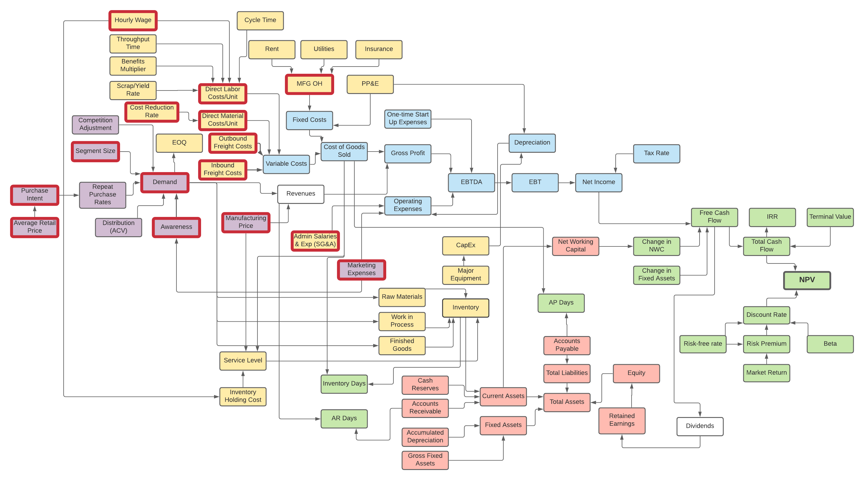

*Sensitivity analysis conducted on parameters highlighted in red

QM Sensitivity Analysis
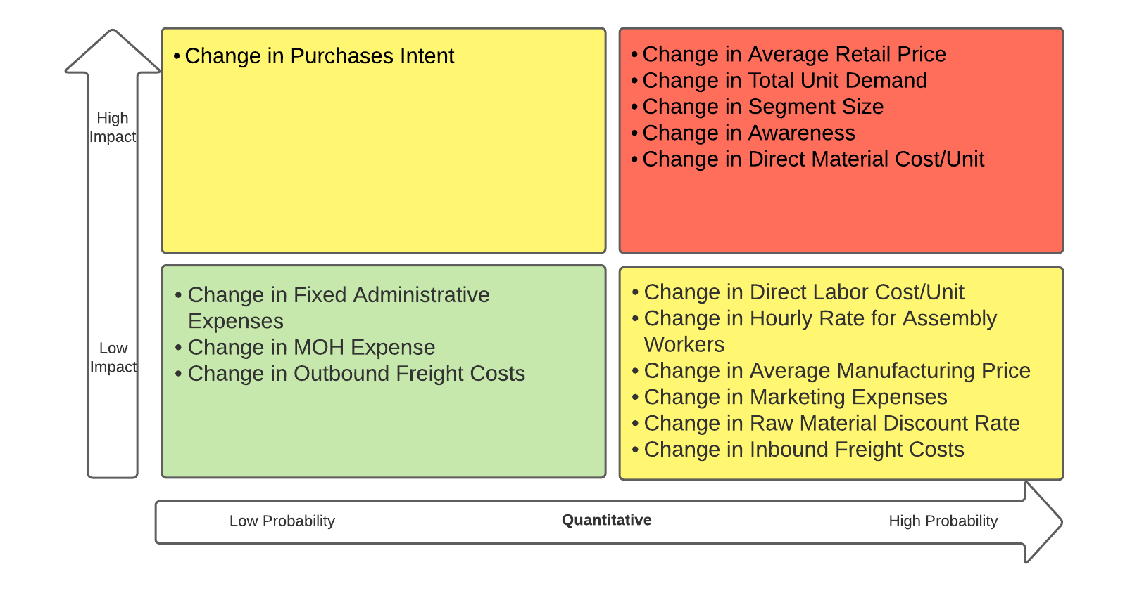
Index | NPV | $2,719,365

 | Function | Starting Value (Base case) | Breakeven Value | Breakeven % Change | Margin of Safety % | NPV with 1% increase | Change in NPV with 1% increase | Elasticities (% change due to 1% increase) | Impact | Probability | Breakeven Change x Elasticity (Check)
Average Retail Price | MK | $290 | $347 | 20% | -20% | $2,581,877 | $(137,489) | 5% | High | High | 1%
Total Units Demand | MK | 12,789 | 9,885 | -23% | 23% | $2,839,200 | $119,835 | 4% | High | High | -1%
Segment Size | MK | 16,570,000 | 12,807,828 | -23% | 23% | $2,839,200 | $119,835 | 4% | High | High | -1%
Purchase Intent | MK | 7.28% | 5.62% | -23% | 23% | $2,838,601 | $119,236 | 4% | High | Low | -1%
Awareness | MK | 7.58% | 5.85% | -23% | 23% | $2,838,601 | $119,236 | 4% | High | High | -1%
Direct Material Cost/Unit | OM | $46 | $79 | 71% | -71% | $2,681,005 | $(38,360) | 1% | High | High | 1%
Fixed Administrative Expenses | OM | $413,660 | $1,293,716 | 213% | -213% | $2,706,583 | $(12,782) | 0% | Low | Low | 1%
Direct Labor Cost/Unit | OM | $31 | $111 | 258% | -258% | $2,708,979 | $(10,386) | 0% | Low | High | 1%
MOH Expense | OM | $256,050 | $1,124,122 | 339% | -339% | $2,711,344 | $(8,021) | 0% | Low | Low | 1%
Average Manufacturing Price | MK | $169 | $982 | 482% | -482% | $2,712,682 | $(6,683) | 0% | Low | High | 1%
Raw Material Discount Rate | OM | 3.00% | -10% | -433% | 433% | $2,725,827 | $6,462 | 0% | Low | High | -1%
Marketing Expenses | MK | $172,760 | $977,033 | 466% | -466% | $2,713,524 | $(5,841) | 0% | Low | High | 1%
Inbound Freight Costs | OM | $48,112 | $428,643 | 791% | -791% | $2,722,570 | $3,205 | 0% | Low | High | 1%
Hourly Rate For Assembly Workers | OM | $13 | $132 | 914% | -914% | $2,716,370 | $(2,995) | 0% | Low | High | 1%
Outbound Freight Costs | OM | $16,818 | $403,698 | 2300% | -2300% | $2,718,173 | $(1,192) | 0% | Low | Low | 1%

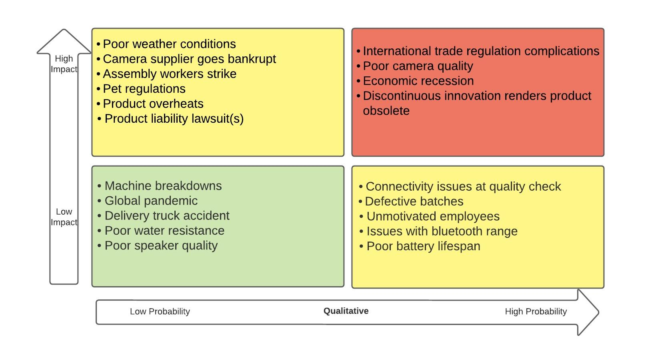
Qualitative Risk Matrix

Quantitative Risk Matrix

QM Simulation Summary
Index
0 | Segment Size | Direct Material | All Variables | Parameters for Simulation | Type of Distribution
Average | $2,719,365 | $2,719,365 | $2,719,365 | Segment Size | Normal
Median | $2,719,365 | $2,719,365 | $2,719,365 | Direct Material Cost/Unit | Triangular
Standard Deviation | $0 | $0 | $0
25th percentile | $2,719,365 | $2,719,365 | $2,719,365
75th percentile | $2,719,365 | $2,719,365 | $2,719,365
2.5th percentile | $2,719,365 | $2,719,365 | $2,719,365
97.5th percentile | $2,719,365 | $2,719,365 | $2,719,365
VaR@5% | $2,719,365 | $2,719,365 | $2,719,365
Minimum | $2,719,365 | $2,719,365 | $2,719,365
Maximum | $2,719,365 | $2,719,365 | $2,719,365
%NPV < 0 | 0.00% | 0.00% | 0.00%

 | Segment Size | Direct Material | All Variables
Average | $2,698,430 | $1,649,669 | $1,650,624
Median | $2,710,175 | $1,832,705 | $1,632,787
Standard Deviation | $1,478,605 | $1,114,899 | $1,870,201
25th percentile | $1,645,178 | $866,890 | $386,370
75th percentile | $3,688,418 | $2,538,559 | $2,962,968
2.5th percentile | $33,010 | $(689,825) | $(1,939,640)
97.5th percentile | $5,745,706 | $3,389,322 | $5,190,350
VaR@5% | $352,180 | $(443,696) | $(1,334,528)
Minimum | $(2,391,230) | $(1,386,802) | $(4,671,100)
Maximum | $7,554,802 | $3,700,782 | $7,229,477
%NPV < 0 | 2.40% | 9.60% | 20.50%

For Tornado Chart
 | Segment Size | Direct Material | All Variables
2.5th percentile | $33,010 | $(689,825) | $(707,275)
97.5th percentile | $5,745,706 | $3,389,322 | $3,603,580

Tornado Chart

