smb debug
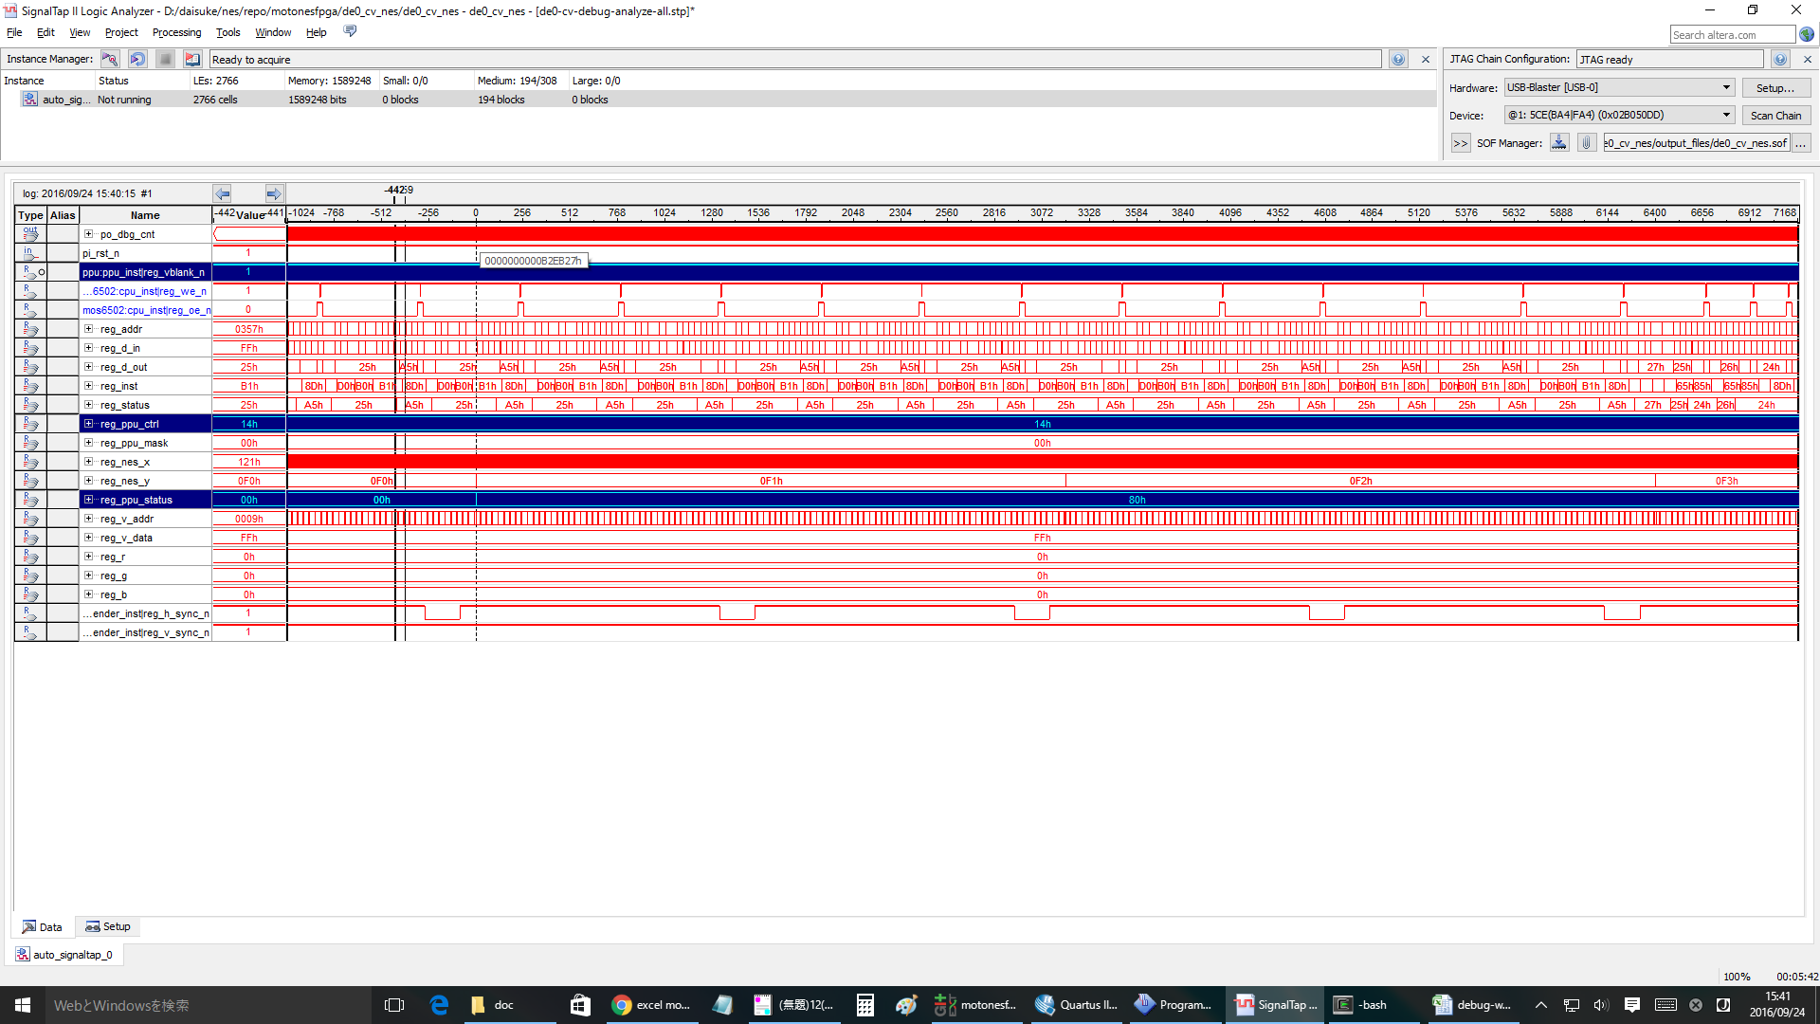
無限ループ |  |  |  |  | NMI | RTI
804f: ad 78 07 LDA $0778 |  |  |  |  | ： | ：
8052: 09 80 ORA #$80 |  |  |  |  | ： | ：
8054: 20 ed 8e JSR $8eed |  |  |  |  | ： | ：
8eed: 8d 00 20 STA $2000 |  |  |  |  | ： | ：
8ef0: 8d 78 07 STA $0778 |  |  |  |  | 8057: 4c 57 80 JMP $8057 | 8178: ad 02 20 LDA $2002
8ef3: 60 RTS |  |  |  |  | 8057: 4c 57 80 JMP $8057 | 817b: 68 PLA
8057: 4c 57 80 JMP $8057 |  |  |  |  | 8057: 4c 57 80 JMP $8057 | 817c: 09 80 ORA #$80
8057: 4c 57 80 JMP $8057 |  |  |  |  | 8082: ad 78 07 LDA $0778 | 817e: 8d 00 20 STA $2000
8057: 4c 57 80 JMP $8057 |  |  |  |  | 8085: 29 7f AND #$7f | 8181: 40 RTI
8057: 4c 57 80 JMP $8057 |  |  |  |  | 8087: 8d 78 07 STA $0778 | 8057: 4c 57 80 JMP $8057
8057: 4c 57 80 JMP $8057 |  |  |  |  | 808a: 29 7e AND #$7e | 8057: 4c 57 80 JMP $8057
： |  |  |  |  | 808c: 8d 00 20 STA $2000 | 8057: 4c 57 80 JMP $8057
： |  |  |  |  | ： | 8057: 4c 57 80 JMP $8057
： |  |  |  |  | ： | ：
： |  |  |  |  | ： | ：
： |  |  |  |  |  | ：
 |  |  |  |  |  | ：

1回目のinf loopはOK
cnt= | DACE4 | 付近

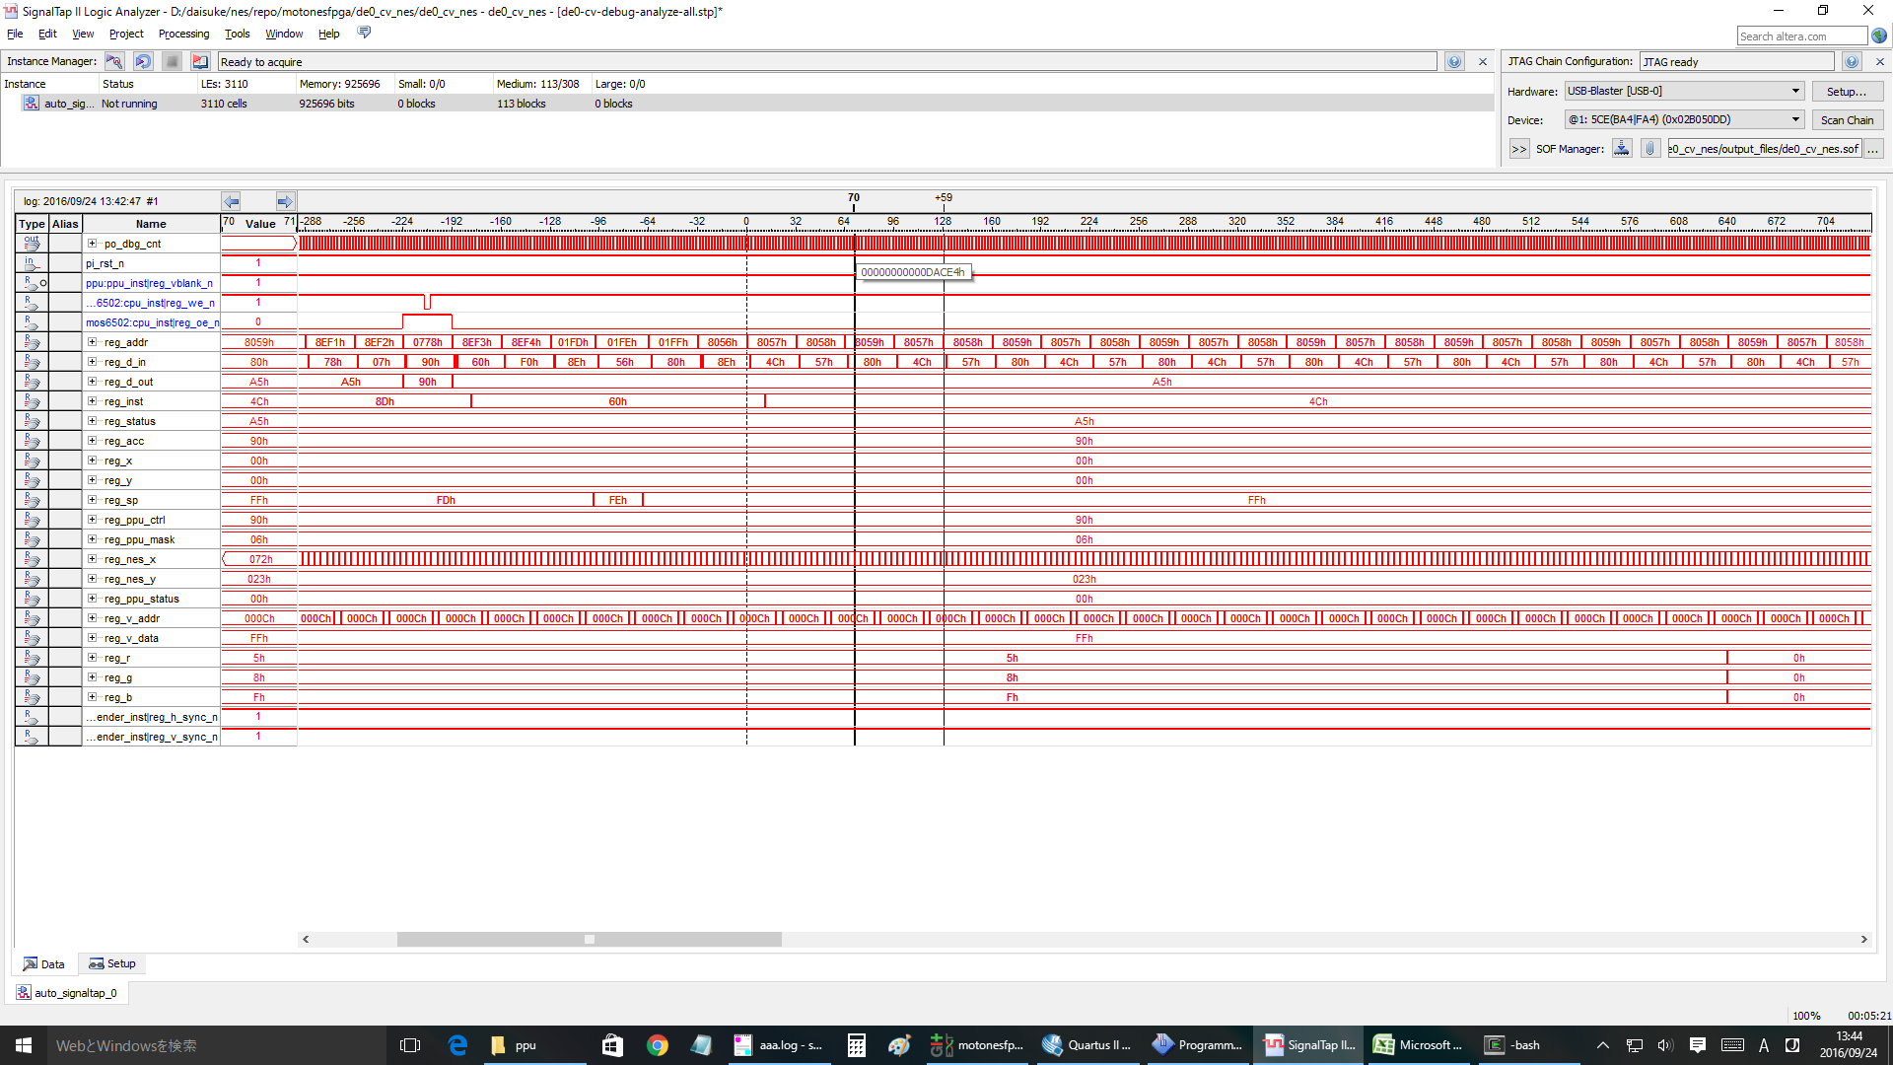

1回目の | NMI | OK
cnt= | 12B411 | 付近

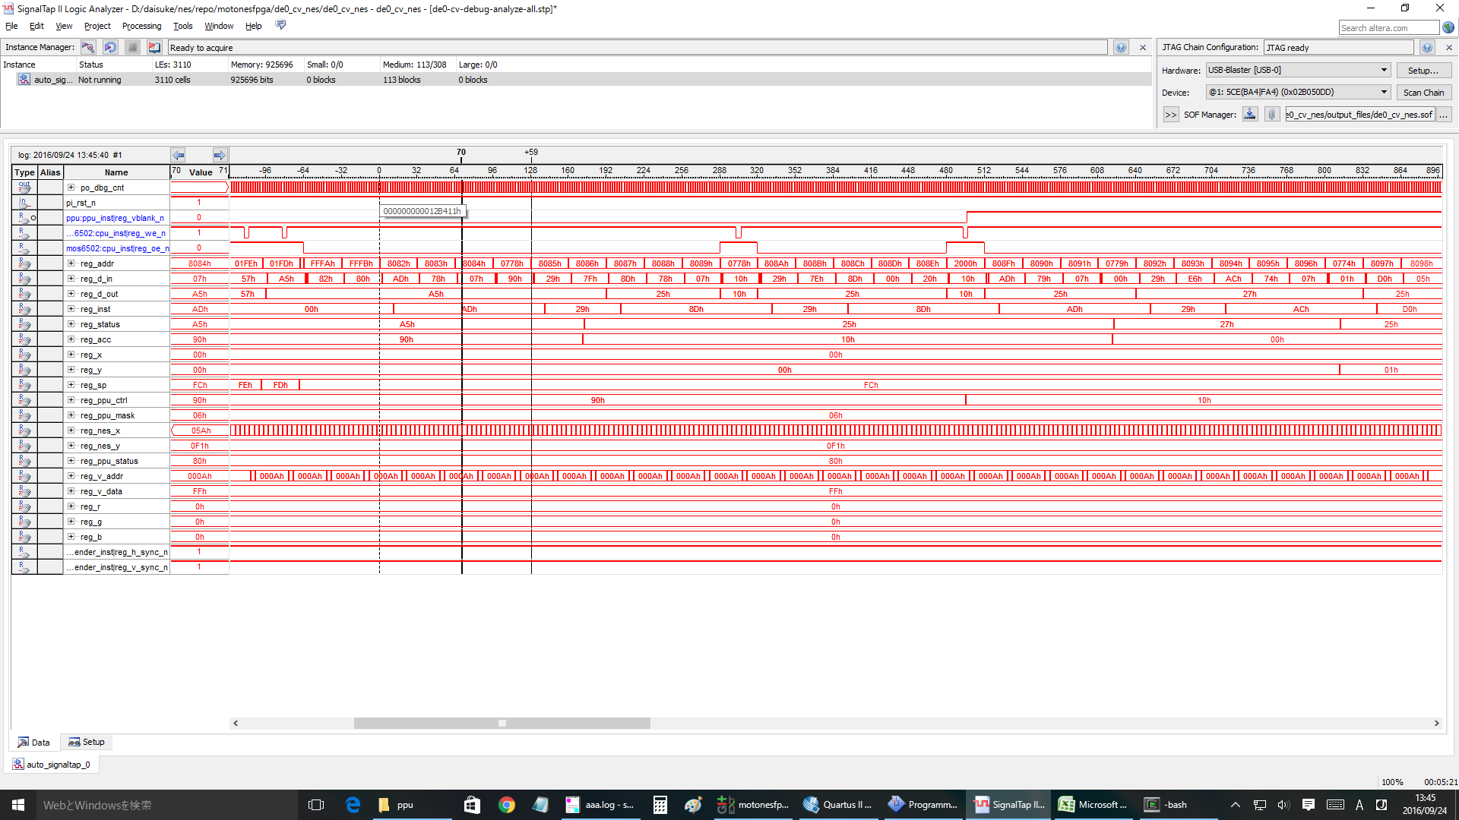

1回目の | RTI | OK
cnt= | 241264 | 付近

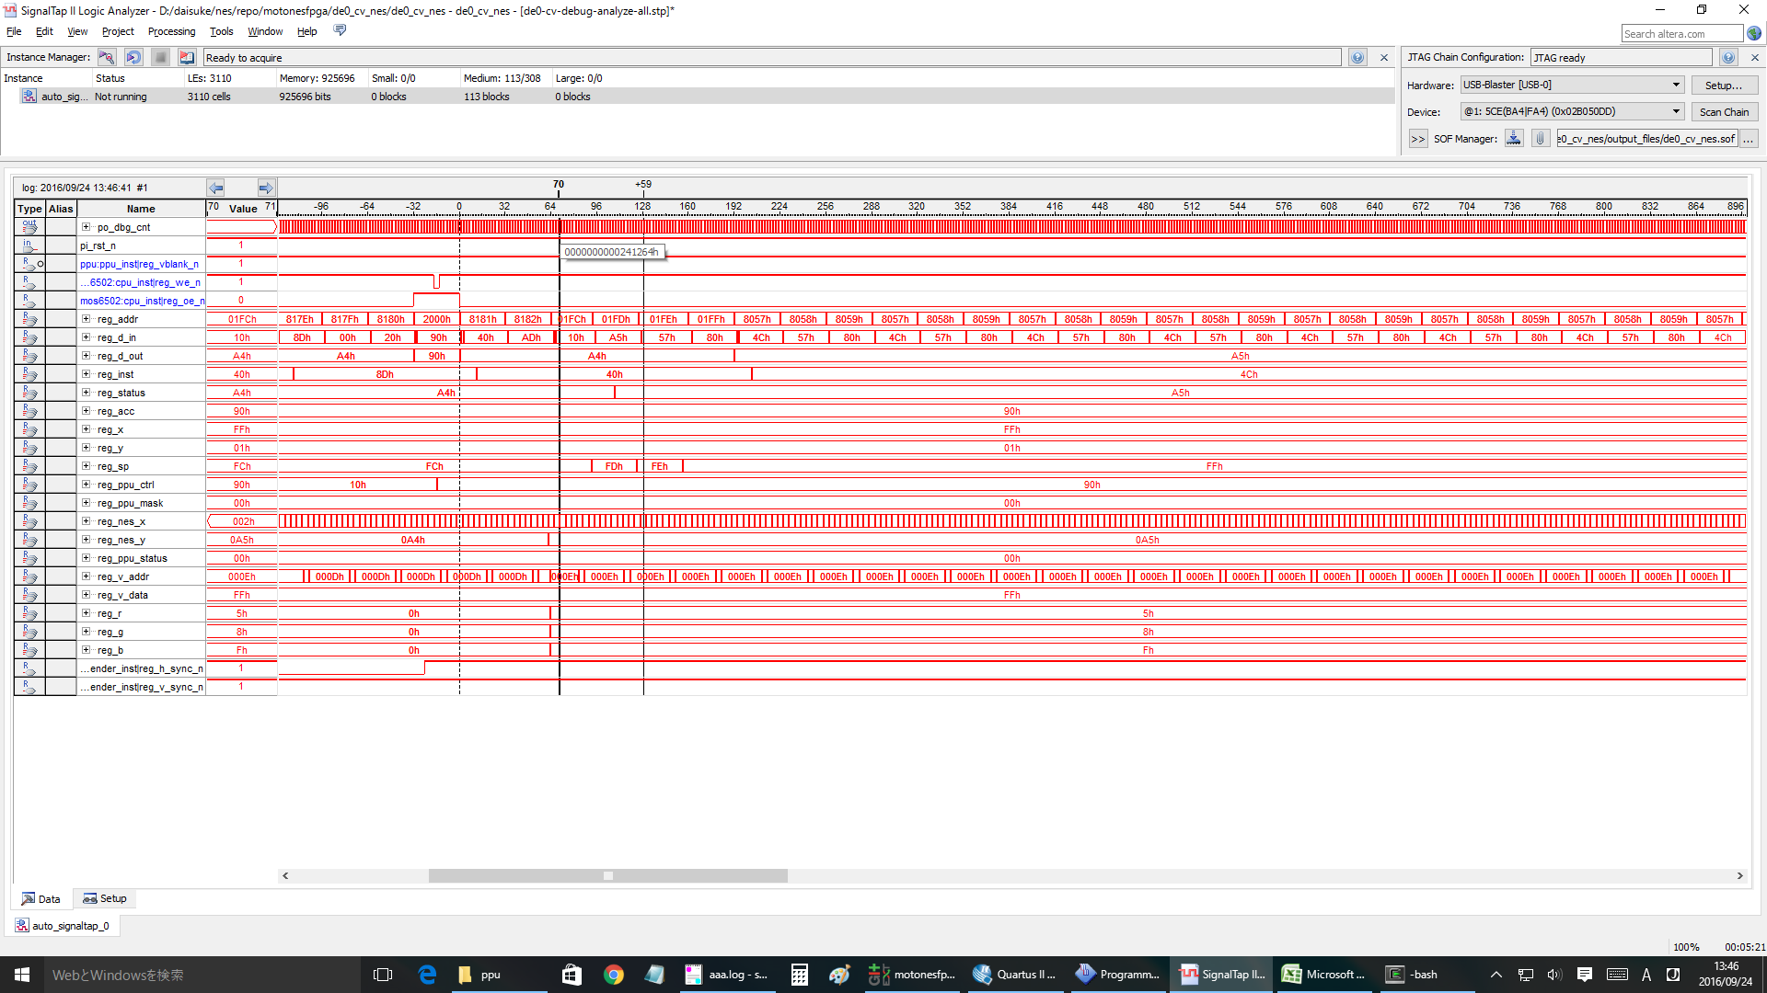

2回目 | nmi
cnt= | 25ED60 | 付近 | と想定 | >> nmi ok.

#3 | nmi
cnt= | 2C5600 | 付近 | と想定 | >>ok

#4 | nmi
cnt= | 32BEA0 | 付近 | >ok

#5 | nmi
cnt= | 392740 | 付近 | >ok

#10 | nmi
cnt= | 5F9B00 | 付近 | >ok

#20 | nmi
cnt= | 7FA620 | 付近 | ok

#25 | ok
#26 | ok |  |  | clock= | A619E0
#27 | ok |  |  | clock= | AC8280
#28 | ng | <<<wrong!!! |  | clock= | B2EB20
#30 | ng

 | #28 case

emu-info
 |  |  |  |  |  |  |  | bg |  |  |  |  |  |  |  |  |  | spr

sprite 0のみ設定
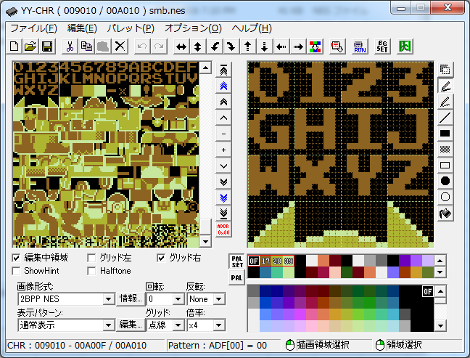
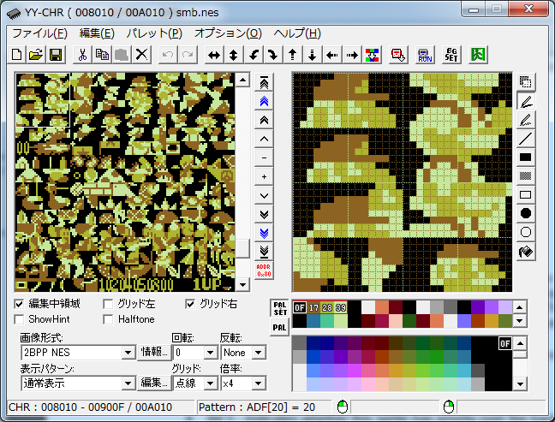
nmi | 1b | 27 | 回目 | BGなし
 | 1c | 28 | 回目 | BGのみ | sprite hit @(90, 29)
 | 1d | 29 | 回目 | BG+Spr
pattern index @ 1000
 | 1e | 30 | 回目 | BG+Spr

 | motonesemu start...
 | joypad key entry:
 | select button: <Tab>
 | start button: <Enter>
 | up key: Q, W, E, R |  |  |  |  |  | control reg1
 | down key: Z, X, C, V, B |  |  |  |  |  | nmi_vblank:1
 | left key: A, S |  |  |  |  |  | sprite_size:0
 | right key: D, F |  |  |  |  |  | bg_ptn:1
 | A button: <:>, <]> |  |  |  |  |  | spr_ptn:0
 | B button: L, <;> |  |  |  |  |  | inc size:0
 | cpu clock started. |  |  |  |  |  | name tbl:0
 | 8000: 78 SEI
 | motonesemu: motonesemu: motonesemu: motonesemu: 1b00000000000000 |  |  |  |  |  | control reg2
 | 1b, 0 |  |  |  |  |  | intense r:0
 | motonesemu: motonesemu: ------------------ |  |  |  |  |  | intense g:0
 | break... |  |  |  |  |  | intense b:0
 |  |  |  |  |  |  | show spr:1
 | clock: 1b00000000000000 |  |  |  |  |  | show bg:1
 | 6502 CPU registers: |  |  |  |  |  | left 8 pix spr:1
 | pc: 8082 |  |  |  |  |  | left 8 pix bg:1
 | acc: 90 |  |  |  |  |  | col mode:0 |  | 1000 | 4096 | 0 | 0 | 0 | 0x2000 | byte | 8192
 | x: ff |  |  |  |  |  |  |  | 1001 | 4128 | 1 | 1 | 1 | 256 | chars
 | y: ff |  |  |  |  |  | status reg |  | 1002 | 4160 | 2 | 2 | 2
 | sp: fc |  |  |  |  |  | vram_ignore:0 |  | 1003 | 4192 | 3 | 3 | 3 | 1 char has high and low pattern
 | status: |  |  |  |  |  | sprite_overflow:0 |  | 1004 | 4224 | 4 | 4 | 4 | each pattern has 8 x 8 pixels
 | negative: 1 |  |  |  |  |  | sprite0_hit:0 |  | 1005 | 4256 | 5 | 5 | 5 | 64 pix = 64/8 = 8 byte. |  |  | >> 1 chr = 8x2 = 16 bytes.
 | overflow: 0 |  |  |  |  |  | vblank:1 |  | 1006 | 4288 | 6 | 6 | 6
 | break: 0 |  |  |  |  |  |  |  | 1007 | 4320 | 7 | 7 | 7 | 1 line = 100 byte
 | decimal: 0 |  |  |  |  |  | vram_addr_reg:0000 |  | 1008 | 4352 | 8 | 8 | 8 | 1 line 10 chr
 | irq: 1 |  |  |  |  |  | vram_data_reg:18 |  | 1009 | 4384 | 9 | 9 | 9 | 1 chr 10 byte.
 | zero: 0 |  |  |  |  |  |  |  | 1010 | 4416 | A | 10 | A
 | carry: 1 |  |  |  |  |  | scroll_reg: |  | 1011 | 4448 | B | 11 | B
 | ------------------- |  |  |  |  |  | x:0 |  | 1012 | 4480 | C | 12 | C | 0x0000 = bg
 | 1b00000000000000 8082: ad 78 07 LDA $0778 |  |  |  |  |  | y:0 |  | 1013 | 4512 | D | 13 | D | 0x2000 = spr
 | 0000: f8 00 00 00 f8 00 00 00 f8 00 00 00 f8 00 00 00 |  |  |  |  |  |  |  | 1014 | 4544 | E | 14 | E
 | 0010: f8 00 00 00 f8 00 00 00 f8 00 00 00 f8 00 00 00 |  |  |  |  |  |  |  | 1015 | 4576 | F | 15 | F
 | 0020: f8 00 00 00 f8 00 00 00 f8 00 00 00 f8 00 00 00 |  |  |  |  |  |  |  | 1016 | 4608 | G | 16 | 10
 | 0030: f8 00 00 00 f8 00 00 00 f8 00 00 00 f8 00 00 00 |  |  |  |  |  |  |  | 1017 | 4640 | H | 17 | 11
 | 0040: f8 00 00 00 f8 00 00 00 f8 00 00 00 f8 00 00 00 |  |  |  |  |  |  |  | 1018 | 4672 | I | 18 | 12
 | 0050: f8 00 00 00 f8 00 00 00 f8 00 00 00 f8 00 00 00 |  |  |  |  |  |  |  | 1019 | 4704 | J | 19 | 13
 | 0060: f8 00 00 00 f8 00 00 00 f8 00 00 00 f8 00 00 00 |  |  |  |  |  |  |  | 1020 | 4736 | K | 20 | 14
 | 0070: f8 00 00 00 f8 00 00 00 f8 00 00 00 f8 00 00 00 |  |  |  |  |  |  |  | 1021 | 4768 | L | 21 | 15
 | 0080: f8 00 00 00 f8 00 00 00 f8 00 00 00 f8 00 00 00 |  |  |  |  |  |  |  | 1022 | 4800 | M | 22 | 16
 | 0090: f8 00 00 00 f8 00 00 00 f8 00 00 00 f8 00 00 00 |  |  |  |  |  |  |  | 1023 | 4832 | N | 23 | 17
 | 00a0: f8 00 00 00 f8 00 00 00 f8 00 00 00 f8 00 00 00 |  |  |  |  |  |  |  | 1024 | 4864 | O | 24 | 18
1bのnmiでDMAしてspriteを設定していると思う。
 | 00b0: f8 00 00 00 f8 00 00 00 f8 00 00 00 f8 00 00 00 |  |  |  |  |  |  |  | 1025 | 4896 | P | 25 | 19
 | 00c0: f8 00 00 00 f8 00 00 00 f8 00 00 00 f8 00 00 00 |  |  |  |  |  |  |  | 1026 | 4928 | Q | 26 | 1A
 | 00d0: f8 00 00 00 f8 00 00 00 f8 00 00 00 f8 00 00 00 |  |  |  |  |  |  |  | 1027 | 4960 | R | 27 | 1B
 | 00e0: f8 00 00 00 f8 00 00 00 f8 00 00 00 f8 00 00 00 |  |  |  |  |  |  |  | 1028 | 4992 | S | 28 | 1C
 | 00f0: f8 00 00 00 f8 00 00 00 f8 00 00 00 f8 00 00 00 |  |  |  |  |  |  |  | 1029 | 5024 | T | 29 | 1D
 |  |  |  |  |  |  |  |  | 1030 | 5056 | U | 30 | 1E
 | motonesemu: 1c00000000000000 |  |  |  |  |  |  |  | 1031 | 5088 | V | 31 | 1F
 | 1c, 0 |  |  |  |  |  |  |  | 1032 | 5120 | W | 32 | 20
 | motonesemu: motonesemu: sprite hit @(89, 29) |  |  |  |  |  |  |  | 1033 | 5152 | X | 33 | 21
 | sprite hit @(90, 29) |  |  |  |  |  |  |  | 1034 | 5184 | Y | 34 | 22
 | sprite hit @(91, 29) |  |  |  |  |  |  |  | 1035 | 5216 | Z | 35 | 23
 | sprite hit @(92, 29)
 | sprite hit @(93, 29)
 | sprite hit @(90, 30)
 | sprite hit @(91, 30)
 | sprite hit @(92, 30)
 | ------------------
 | break...

 | clock: 1c00000000000000
 | 6502 CPU registers:
 | pc: 8082
 | acc: 90
 | x: 05
 | y: 00
 | sp: fc
 | status:
 | negative: 1
 | overflow: 0
 | break: 0
 | decimal: 0
 | irq: 1
 | zero: 0
 | carry: 1
 | -------------------
 | 1c00000000000000 8082: ad 78 07 LDA $0778
 | 0000: 18 ff 23 58 f8 00 00 00 f8 00 00 00 f8 00 00 00
 | 0010: f8 00 00 00 f8 00 00 00 f8 00 00 00 f8 00 00 00
 | 0020: f8 00 00 00 f8 00 00 00 f8 00 00 00 f8 00 00 00
 | 0030: f8 00 00 00 f8 00 00 00 f8 00 00 00 f8 00 00 00
 | 0040: f8 00 00 00 f8 00 00 00 f8 00 00 00 f8 00 00 00
 | 0050: f8 00 00 00 f8 00 00 00 f8 00 00 00 f8 00 00 00
 | 0060: f8 00 00 00 f8 00 00 00 f8 00 00 00 f8 00 00 00
 | 0070: f8 00 00 00 f8 00 00 00 f8 00 00 00 f8 00 00 00
 | 0080: f8 00 00 00 f8 00 00 00 f8 00 00 00 f8 00 00 00
 | 0090: f8 00 00 00 f8 00 00 00 f8 00 00 00 f8 00 00 00
 | 00a0: f8 00 00 00 f8 00 00 00 f8 00 00 00 f8 00 00 00
 | 00b0: f8 00 00 00 f8 00 00 00 f8 00 00 00 f8 00 00 00
 | 00c0: f8 00 00 00 f8 00 00 00 f8 00 00 00 f8 00 00 00
 | 00d0: f8 00 00 00 f8 00 00 00 f8 00 00 00 f8 00 00 00
 | 00e0: f8 00 00 00 f8 00 00 00 f8 00 00 00 f8 00 00 00
 | 00f0: f8 00 00 00 f8 00 00 00 f8 00 00 00 f8 00 00 00

 | motonesemu: 1d00000000000000
 | 1d, 0
 | motonesemu: motonesemu: sprite hit @(89, 29)
 | sprite hit @(90, 29)
 | sprite hit @(91, 29)
 | sprite hit @(92, 29)
 | sprite hit @(93, 29)
 | sprite hit @(90, 30)
 | sprite hit @(91, 30)
 | sprite hit @(92, 30)
 | ------------------
 | break...

 | clock: 1d00000000000000
 | 6502 CPU registers:
 | pc: 8082
 | acc: 90
 | x: 05
 | y: 00
 | sp: fc
 | status:
 | negative: 1
 | overflow: 0
 | break: 0
 | decimal: 0
 | irq: 1
 | zero: 0
 | carry: 1
 | -------------------
 | 1d00000000000000 8082: ad 78 07 LDA $0778
 | 0000: 18 ff 23 58 b0 fc 00 28 b0 fc 00 30 b8 fc 00 28
 | 0010: b8 fc 00 30 c0 3a 00 28 c0 37 00 30 c8 4f 00 28
 | 0020: c8 4f 40 30 f8 00 00 00 f8 00 00 00 f8 00 00 00
 | 0030: f8 00 00 00 f8 00 00 00 f8 00 00 00 f8 00 00 00
 | 0040: f8 00 00 00 f8 00 00 00 f8 00 00 00 f8 00 00 00
 | 0050: f8 00 00 00 f8 00 00 00 f8 00 00 00 f8 00 00 00
 | 0060: f8 00 00 00 f8 00 00 00 f8 00 00 00 f8 00 00 00
 | 0070: f8 00 00 00 f8 00 00 00 f8 00 00 00 f8 00 00 00
 | 0080: f8 00 00 00 f8 00 00 00 f8 00 00 00 f8 00 00 00
 | 0090: f8 00 00 00 f8 00 00 00 f8 00 00 00 f8 00 00 00
 | 00a0: f8 00 00 00 f8 00 00 00 f8 00 00 00 f8 00 00 00
 | 00b0: f8 00 00 00 f8 00 00 00 f8 00 00 00 f8 00 00 00
 | 00c0: f8 00 00 00 f8 00 00 00 f8 00 00 00 f8 00 00 00
 | 00d0: f8 00 00 00 f8 00 00 00 f8 00 00 00 f8 00 00 00
 | 00e0: f8 00 00 00 f8 00 00 00 f8 00 00 00 f8 00 00 00
 | 00f0: f8 00 00 00 f8 00 00 00 f8 00 00 00 f8 00 00 00

 | motonesemu: 1e00000000000000
 | 1e, 0
 | motonesemu: motonesemu: sprite hit @(89, 29)
 | sprite hit @(90, 29)
 | sprite hit @(91, 29)
 | sprite hit @(92, 29)
 | sprite hit @(93, 29)
 | sprite hit @(90, 30)
 | sprite hit @(91, 30)
 | sprite hit @(92, 30)
 | ------------------
 | break...

 | clock: 1e00000000000000
 | 6502 CPU registers:
 | pc: 8082
 | acc: 90
 | x: 05
 | y: 05
 | sp: fc
 | status:
 | negative: 1
 | overflow: 0
 | break: 0
 | decimal: 0
 | irq: 1
 | zero: 0
 | carry: 1
 | -------------------
 | 1e00000000000000 8082: ad 78 07 LDA $0778
 | 0000: 18 ff 23 58 b0 fc 00 28 b0 fc 00 30 b8 fc 00 28
 | 0010: b8 fc 00 30 c0 3a 00 28 c0 37 00 30 c8 4f 00 28
 | 0020: c8 4f 40 30 f8 00 00 00 f8 00 00 00 f8 00 00 00
 | 0030: f8 00 00 00 f8 00 00 00 f8 00 00 00 f8 00 00 00
 | 0040: f8 00 00 00 f8 00 00 00 f8 00 00 00 f8 00 00 00
 | 0050: f8 00 00 00 f8 00 00 00 f8 00 00 00 f8 00 00 00
 | 0060: f8 00 00 00 f8 00 00 00 f8 00 00 00 f8 00 00 00
 | 0070: f8 00 00 00 f8 00 00 00 f8 00 00 00 f8 00 00 00
 | 0080: f8 00 00 00 f8 00 00 00 f8 00 00 00 f8 00 00 00
 | 0090: f8 00 00 00 f8 00 00 00 f8 00 00 00 f8 00 00 00
 | 00a0: f8 00 00 00 f8 00 00 00 f8 00 00 00 f8 00 00 00
 | 00b0: f8 00 00 00 f8 00 00 00 f8 00 00 00 f8 00 00 00
 | 00c0: f8 00 00 00 f8 00 00 00 f8 00 00 00 f8 00 00 00
 | 00d0: f8 00 00 00 f8 00 00 00 f8 00 00 00 f8 00 00 00
 | 00e0: f8 00 00 00 f8 00 00 00 f8 00 00 00 f8 00 00 00
 | 00f0: f8 00 00 00 f8 00 00 00 f8 00 00 00 f8 00 00 00

 | motonesemu: quit...
 | clean data...
 | cpu clock thread joined.

 | motonesemu start...
 | joypad key entry:
 | select button: <Tab>
 | start button: <Enter>
 | up key: Q, W, E, R
 | down key: Z, X, C, V, B
 | left key: A, S
 | right key: D, F
 | A button: <:>, <]>
 | B button: L, <;>
 | cpu clock started.
 | 8000: 78 SEI
 | motonesemu: motonesemu: motonesemu: motonesemu: 1b00000000000000
 | 1b, 0
 | motonesemu: motonesemu:
 | 2000: 00 00 00 00 00 00 00 00 00 00 00 00 00 00 00 00
 | 2010: 00 00 00 00 00 00 00 00 00 00 00 00 00 00 00 00
 | 2020: 00 00 00 00 00 00 00 00 00 00 00 00 00 00 00 00
 | 2030: 00 00 00 00 00 00 00 00 00 00 00 00 00 00 00 00
 | 2040: 00 00 00 00 00 00 00 00 00 00 00 00 00 00 00 00
 | 2050: 00 00 00 00 00 00 00 00 00 00 00 00 00 00 00 00
 | 2060: 00 00 00 00 00 00 00 00 00 00 00 00 00 00 00 00
 | 2070: 00 00 00 00 00 00 00 00 00 00 00 00 00 00 00 00
 | 2080: 00 00 00 00 00 00 00 00 00 00 00 00 00 00 00 00
 | 2090: 00 00 00 00 00 00 00 00 00 00 00 00 00 00 00 00
 | 20a0: 00 00 00 00 00 00 00 00 00 00 00 00 00 00 00 00
 | 20b0: 00 00 00 00 00 00 00 00 00 00 00 00 00 00 00 00
 | 20c0: 00 00 00 00 00 00 00 00 00 00 00 00 00 00 00 00
 | 20d0: 00 00 00 00 00 00 00 00 00 00 00 00 00 00 00 00
 | 20e0: 00 00 00 00 00 00 00 00 00 00 00 00 00 00 00 00
 | 20f0: 00 00 00 00 00 00 00 00 00 00 00 00 00 00 00 00
 | 2100: 00 00 00 00 00 00 00 00 00 00 00 00 00 00 00 00
 | 2110: 00 00 00 00 00 00 00 00 00 00 00 00 00 00 00 00
 | 2120: 00 00 00 00 00 00 00 00 00 00 00 00 00 00 00 00
 | 2130: 00 00 00 00 00 00 00 00 00 00 00 00 00 00 00 00
 | 2140: 00 00 00 00 00 00 00 00 00 00 00 00 00 00 00 00
 | 2150: 00 00 00 00 00 00 00 00 00 00 00 00 00 00 00 00
 | 2160: 00 00 00 00 00 00 00 00 00 00 00 00 00 00 00 00
 | 2170: 00 00 00 00 00 00 00 00 00 00 00 00 00 00 00 00
 | 2180: 00 00 00 00 00 00 00 00 00 00 00 00 00 00 00 00
 | 2190: 00 00 00 00 00 00 00 00 00 00 00 00 00 00 00 00
 | 21a0: 00 00 00 00 00 00 00 00 00 00 00 00 00 00 00 00
 | 21b0: 00 00 00 00 00 00 00 00 00 00 00 00 00 00 00 00
 | 21c0: 00 00 00 00 00 00 00 00 00 00 00 00 00 00 00 00
 | 21d0: 00 00 00 00 00 00 00 00 00 00 00 00 00 00 00 00
 | 21e0: 00 00 00 00 00 00 00 00 00 00 00 00 00 00 00 00
 | 21f0: 00 00 00 00 00 00 00 00 00 00 00 00 00 00 00 00
 | 2200: 00 00 00 00 00 00 00 00 00 00 00 00 00 00 00 00
 | 2210: 00 00 00 00 00 00 00 00 00 00 00 00 00 00 00 00
 | 2220: 00 00 00 00 00 00 00 00 00 00 00 00 00 00 00 00
 | 2230: 00 00 00 00 00 00 00 00 00 00 00 00 00 00 00 00
 | 2240: 00 00 00 00 00 00 00 00 00 00 00 00 00 00 00 00
 | 2250: 00 00 00 00 00 00 00 00 00 00 00 00 00 00 00 00
 | 2260: 00 00 00 00 00 00 00 00 00 00 00 00 00 00 00 00
 | 2270: 00 00 00 00 00 00 00 00 00 00 00 00 00 00 00 00
 | 2280: 00 00 00 00 00 00 00 00 00 00 00 00 00 00 00 00
 | 2290: 00 00 00 00 00 00 00 00 00 00 00 00 00 00 00 00
 | 22a0: 00 00 00 00 00 00 00 00 00 00 00 00 00 00 00 00
 | 22b0: 00 00 00 00 00 00 00 00 00 00 00 00 00 00 00 00
 | 22c0: 00 00 00 00 00 00 00 00 00 00 00 00 00 00 00 00
 | 22d0: 00 00 00 00 00 00 00 00 00 00 00 00 00 00 00 00
 | 22e0: 00 00 00 00 00 00 00 00 00 00 00 00 00 00 00 00
 | 22f0: 00 00 00 00 00 00 00 00 00 00 00 00 00 00 00 00
 | 2300: 00 00 00 00 00 00 00 00 00 00 00 00 00 00 00 00
 | 2310: 00 00 00 00 00 00 00 00 00 00 00 00 00 00 00 00
 | 2320: 00 00 00 00 00 00 00 00 00 00 00 00 00 00 00 00
 | 2330: 00 00 00 00 00 00 00 00 00 00 00 00 00 00 00 00
 | 2340: 00 00 00 00 00 00 00 00 00 00 00 00 00 00 00 00
 | 2350: 00 00 00 00 00 00 00 00 00 00 00 00 00 00 00 00
 | 2360: 00 00 00 00 00 00 00 00 00 00 00 00 00 00 00 00
 | 2370: 00 00 00 00 00 00 00 00 00 00 00 00 00 00 00 00
 | 2380: 00 00 00 00 00 00 00 00 00 00 00 00 00 00 00 00
 | 2390: 00 00 00 00 00 00 00 00 00 00 00 00 00 00 00 00
 | 23a0: 00 00 00 00 00 00 00 00 00 00 00 00 00 00 00 00
 | 23b0: 00 00 00 00 00 00 00 00 00 00 00 00 00 00 00 00
 | 23c0: 00 00 00 00 00 00 00 00 00 00 00 00 00 00 00 00
 | 23d0: 00 00 00 00 00 00 00 00 00 00 00 00 00 00 00 00
 | 23e0: 00 00 00 00 00 00 00 00 00 00 00 00 00 00 00 00
 | 23f0: 00 00 00 00 00 00 00 00 00 00 00 00 00 00 00 00

 | motonesemu:
 | 2400: 00 00 00 00 00 00 00 00 00 00 00 00 00 00 00 00
 | 2410: 00 00 00 00 00 00 00 00 00 00 00 00 00 00 00 00
 | 2420: 00 00 00 00 00 00 00 00 00 00 00 00 00 00 00 00
 | 2430: 00 00 00 00 00 00 00 00 00 00 00 00 00 00 00 00
 | 2440: 00 00 00 00 00 00 00 00 00 00 00 00 00 00 00 00
 | 2450: 00 00 00 00 00 00 00 00 00 00 00 00 00 00 00 00
 | 2460: 00 00 00 00 00 00 00 00 00 00 00 00 00 00 00 00
 | 2470: 00 00 00 00 00 00 00 00 00 00 00 00 00 00 00 00
 | 2480: 00 00 00 00 00 00 00 00 00 00 00 00 00 00 00 00
 | 2490: 00 00 00 00 00 00 00 00 00 00 00 00 00 00 00 00
 | 24a0: 00 00 00 00 00 00 00 00 00 00 00 00 00 00 00 00
 | 24b0: 00 00 00 00 00 00 00 00 00 00 00 00 00 00 00 00
 | 24c0: 00 00 00 00 00 00 00 00 00 00 00 00 00 00 00 00
 | 24d0: 00 00 00 00 00 00 00 00 00 00 00 00 00 00 00 00
 | 24e0: 00 00 00 00 00 00 00 00 00 00 00 00 00 00 00 00
 | 24f0: 00 00 00 00 00 00 00 00 00 00 00 00 00 00 00 00
 | 2500: 00 00 00 00 00 00 00 00 00 00 00 00 00 00 00 00
 | 2510: 00 00 00 00 00 00 00 00 00 00 00 00 00 00 00 00
 | 2520: 00 00 00 00 00 00 00 00 00 00 00 00 00 00 00 00
 | 2530: 00 00 00 00 00 00 00 00 00 00 00 00 00 00 00 00
 | 2540: 00 00 00 00 00 00 00 00 00 00 00 00 00 00 00 00
 | 2550: 00 00 00 00 00 00 00 00 00 00 00 00 00 00 00 00
 | 2560: 00 00 00 00 00 00 00 00 00 00 00 00 00 00 00 00
 | 2570: 00 00 00 00 00 00 00 00 00 00 00 00 00 00 00 00
 | 2580: 00 00 00 00 00 00 00 00 00 00 00 00 00 00 00 00
 | 2590: 00 00 00 00 00 00 00 00 00 00 00 00 00 00 00 00
 | 25a0: 00 00 00 00 00 00 00 00 00 00 00 00 00 00 00 00
 | 25b0: 00 00 00 00 00 00 00 00 00 00 00 00 00 00 00 00
 | 25c0: 00 00 00 00 00 00 00 00 00 00 00 00 00 00 00 00
 | 25d0: 00 00 00 00 00 00 00 00 00 00 00 00 00 00 00 00
 | 25e0: 00 00 00 00 00 00 00 00 00 00 00 00 00 00 00 00
 | 25f0: 00 00 00 00 00 00 00 00 00 00 00 00 00 00 00 00
 | 2600: 00 00 00 00 00 00 00 00 00 00 00 00 00 00 00 00
 | 2610: 00 00 00 00 00 00 00 00 00 00 00 00 00 00 00 00
 | 2620: 00 00 00 00 00 00 00 00 00 00 00 00 00 00 00 00
 | 2630: 00 00 00 00 00 00 00 00 00 00 00 00 00 00 00 00
 | 2640: 00 00 00 00 00 00 00 00 00 00 00 00 00 00 00 00
 | 2650: 00 00 00 00 00 00 00 00 00 00 00 00 00 00 00 00
 | 2660: 00 00 00 00 00 00 00 00 00 00 00 00 00 00 00 00
 | 2670: 00 00 00 00 00 00 00 00 00 00 00 00 00 00 00 00
 | 2680: 00 00 00 00 00 00 00 00 00 00 00 00 00 00 00 00
 | 2690: 00 00 00 00 00 00 00 00 00 00 00 00 00 00 00 00
 | 26a0: 00 00 00 00 00 00 00 00 00 00 00 00 00 00 00 00
 | 26b0: 00 00 00 00 00 00 00 00 00 00 00 00 00 00 00 00
 | 26c0: 00 00 00 00 00 00 00 00 00 00 00 00 00 00 00 00
 | 26d0: 00 00 00 00 00 00 00 00 00 00 00 00 00 00 00 00
 | 26e0: 00 00 00 00 00 00 00 00 00 00 00 00 00 00 00 00
 | 26f0: 00 00 00 00 00 00 00 00 00 00 00 00 00 00 00 00
 | 2700: 00 00 00 00 00 00 00 00 00 00 00 00 00 00 00 00
 | 2710: 00 00 00 00 00 00 00 00 00 00 00 00 00 00 00 00
 | 2720: 00 00 00 00 00 00 00 00 00 00 00 00 00 00 00 00
 | 2730: 00 00 00 00 00 00 00 00 00 00 00 00 00 00 00 00
 | 2740: 00 00 00 00 00 00 00 00 00 00 00 00 00 00 00 00
 | 2750: 00 00 00 00 00 00 00 00 00 00 00 00 00 00 00 00
 | 2760: 00 00 00 00 00 00 00 00 00 00 00 00 00 00 00 00
 | 2770: 00 00 00 00 00 00 00 00 00 00 00 00 00 00 00 00
 | 2780: 00 00 00 00 00 00 00 00 00 00 00 00 00 00 00 00
 | 2790: 00 00 00 00 00 00 00 00 00 00 00 00 00 00 00 00
 | 27a0: 00 00 00 00 00 00 00 00 00 00 00 00 00 00 00 00
 | 27b0: 00 00 00 00 00 00 00 00 00 00 00 00 00 00 00 00
 | 27c0: 00 00 00 00 00 00 00 00 00 00 00 00 00 00 00 00
 | 27d0: 00 00 00 00 00 00 00 00 00 00 00 00 00 00 00 00
 | 27e0: 00 00 00 00 00 00 00 00 00 00 00 00 00 00 00 00
 | 27f0: 00 00 00 00 00 00 00 00 00 00 00 00 00 00 00 00

 | motonesemu:
 | 2800: 00 00 00 00 00 00 00 00 00 00 00 00 00 00 00 00
 | 2810: 00 00 00 00 00 00 00 00 00 00 00 00 00 00 00 00
 | 2820: 00 00 00 00 00 00 00 00 00 00 00 00 00 00 00 00
 | 2830: 00 00 00 00 00 00 00 00 00 00 00 00 00 00 00 00
 | 2840: 00 00 00 00 00 00 00 00 00 00 00 00 00 00 00 00
 | 2850: 00 00 00 00 00 00 00 00 00 00 00 00 00 00 00 00
 | 2860: 00 00 00 00 00 00 00 00 00 00 00 00 00 00 00 00
 | 2870: 00 00 00 00 00 00 00 00 00 00 00 00 00 00 00 00
 | 2880: 00 00 00 00 00 00 00 00 00 00 00 00 00 00 00 00
 | 2890: 00 00 00 00 00 00 00 00 00 00 00 00 00 00 00 00
 | 28a0: 00 00 00 00 00 00 00 00 00 00 00 00 00 00 00 00
 | 28b0: 00 00 00 00 00 00 00 00 00 00 00 00 00 00 00 00
 | 28c0: 00 00 00 00 00 00 00 00 00 00 00 00 00 00 00 00
 | 28d0: 00 00 00 00 00 00 00 00 00 00 00 00 00 00 00 00
 | 28e0: 00 00 00 00 00 00 00 00 00 00 00 00 00 00 00 00
 | 28f0: 00 00 00 00 00 00 00 00 00 00 00 00 00 00 00 00
 | 2900: 00 00 00 00 00 00 00 00 00 00 00 00 00 00 00 00
 | 2910: 00 00 00 00 00 00 00 00 00 00 00 00 00 00 00 00
 | 2920: 00 00 00 00 00 00 00 00 00 00 00 00 00 00 00 00
 | 2930: 00 00 00 00 00 00 00 00 00 00 00 00 00 00 00 00
 | 2940: 00 00 00 00 00 00 00 00 00 00 00 00 00 00 00 00
 | 2950: 00 00 00 00 00 00 00 00 00 00 00 00 00 00 00 00
 | 2960: 00 00 00 00 00 00 00 00 00 00 00 00 00 00 00 00
 | 2970: 00 00 00 00 00 00 00 00 00 00 00 00 00 00 00 00
 | 2980: 00 00 00 00 00 00 00 00 00 00 00 00 00 00 00 00
 | 2990: 00 00 00 00 00 00 00 00 00 00 00 00 00 00 00 00
 | 29a0: 00 00 00 00 00 00 00 00 00 00 00 00 00 00 00 00
 | 29b0: 00 00 00 00 00 00 00 00 00 00 00 00 00 00 00 00
 | 29c0: 00 00 00 00 00 00 00 00 00 00 00 00 00 00 00 00
 | 29d0: 00 00 00 00 00 00 00 00 00 00 00 00 00 00 00 00
 | 29e0: 00 00 00 00 00 00 00 00 00 00 00 00 00 00 00 00
 | 29f0: 00 00 00 00 00 00 00 00 00 00 00 00 00 00 00 00
 | 2a00: 00 00 00 00 00 00 00 00 00 00 00 00 00 00 00 00
 | 2a10: 00 00 00 00 00 00 00 00 00 00 00 00 00 00 00 00
 | 2a20: 00 00 00 00 00 00 00 00 00 00 00 00 00 00 00 00
 | 2a30: 00 00 00 00 00 00 00 00 00 00 00 00 00 00 00 00
 | 2a40: 00 00 00 00 00 00 00 00 00 00 00 00 00 00 00 00
 | 2a50: 00 00 00 00 00 00 00 00 00 00 00 00 00 00 00 00
 | 2a60: 00 00 00 00 00 00 00 00 00 00 00 00 00 00 00 00
 | 2a70: 00 00 00 00 00 00 00 00 00 00 00 00 00 00 00 00
 | 2a80: 00 00 00 00 00 00 00 00 00 00 00 00 00 00 00 00
 | 2a90: 00 00 00 00 00 00 00 00 00 00 00 00 00 00 00 00
 | 2aa0: 00 00 00 00 00 00 00 00 00 00 00 00 00 00 00 00
 | 2ab0: 00 00 00 00 00 00 00 00 00 00 00 00 00 00 00 00
 | 2ac0: 00 00 00 00 00 00 00 00 00 00 00 00 00 00 00 00
 | 2ad0: 00 00 00 00 00 00 00 00 00 00 00 00 00 00 00 00
 | 2ae0: 00 00 00 00 00 00 00 00 00 00 00 00 00 00 00 00
 | 2af0: 00 00 00 00 00 00 00 00 00 00 00 00 00 00 00 00
 | 2b00: 00 00 00 00 00 00 00 00 00 00 00 00 00 00 00 00
 | 2b10: 00 00 00 00 00 00 00 00 00 00 00 00 00 00 00 00
 | 2b20: 00 00 00 00 00 00 00 00 00 00 00 00 00 00 00 00
 | 2b30: 00 00 00 00 00 00 00 00 00 00 00 00 00 00 00 00
 | 2b40: 00 00 00 00 00 00 00 00 00 00 00 00 00 00 00 00
 | 2b50: 00 00 00 00 00 00 00 00 00 00 00 00 00 00 00 00
 | 2b60: 00 00 00 00 00 00 00 00 00 00 00 00 00 00 00 00
 | 2b70: 00 00 00 00 00 00 00 00 00 00 00 00 00 00 00 00
 | 2b80: 00 00 00 00 00 00 00 00 00 00 00 00 00 00 00 00
 | 2b90: 00 00 00 00 00 00 00 00 00 00 00 00 00 00 00 00
 | 2ba0: 00 00 00 00 00 00 00 00 00 00 00 00 00 00 00 00
 | 2bb0: 00 00 00 00 00 00 00 00 00 00 00 00 00 00 00 00
 | 2bc0: 00 00 00 00 00 00 00 00 00 00 00 00 00 00 00 00
 | 2bd0: 00 00 00 00 00 00 00 00 00 00 00 00 00 00 00 00
 | 2be0: 00 00 00 00 00 00 00 00 00 00 00 00 00 00 00 00
 | 2bf0: 00 00 00 00 00 00 00 00 00 00 00 00 00 00 00 00

 | motonesemu:
 | 2c00: 00 00 00 00 00 00 00 00 00 00 00 00 00 00 00 00
 | 2c10: 00 00 00 00 00 00 00 00 00 00 00 00 00 00 00 00
 | 2c20: 00 00 00 00 00 00 00 00 00 00 00 00 00 00 00 00
 | 2c30: 00 00 00 00 00 00 00 00 00 00 00 00 00 00 00 00
 | 2c40: 00 00 00 00 00 00 00 00 00 00 00 00 00 00 00 00
 | 2c50: 00 00 00 00 00 00 00 00 00 00 00 00 00 00 00 00
 | 2c60: 00 00 00 00 00 00 00 00 00 00 00 00 00 00 00 00
 | 2c70: 00 00 00 00 00 00 00 00 00 00 00 00 00 00 00 00
 | 2c80: 00 00 00 00 00 00 00 00 00 00 00 00 00 00 00 00
 | 2c90: 00 00 00 00 00 00 00 00 00 00 00 00 00 00 00 00
 | 2ca0: 00 00 00 00 00 00 00 00 00 00 00 00 00 00 00 00
 | 2cb0: 00 00 00 00 00 00 00 00 00 00 00 00 00 00 00 00
 | 2cc0: 00 00 00 00 00 00 00 00 00 00 00 00 00 00 00 00
 | 2cd0: 00 00 00 00 00 00 00 00 00 00 00 00 00 00 00 00
 | 2ce0: 00 00 00 00 00 00 00 00 00 00 00 00 00 00 00 00
 | 2cf0: 00 00 00 00 00 00 00 00 00 00 00 00 00 00 00 00
 | 2d00: 00 00 00 00 00 00 00 00 00 00 00 00 00 00 00 00
 | 2d10: 00 00 00 00 00 00 00 00 00 00 00 00 00 00 00 00
 | 2d20: 00 00 00 00 00 00 00 00 00 00 00 00 00 00 00 00
 | 2d30: 00 00 00 00 00 00 00 00 00 00 00 00 00 00 00 00
 | 2d40: 00 00 00 00 00 00 00 00 00 00 00 00 00 00 00 00
 | 2d50: 00 00 00 00 00 00 00 00 00 00 00 00 00 00 00 00
 | 2d60: 00 00 00 00 00 00 00 00 00 00 00 00 00 00 00 00
 | 2d70: 00 00 00 00 00 00 00 00 00 00 00 00 00 00 00 00
 | 2d80: 00 00 00 00 00 00 00 00 00 00 00 00 00 00 00 00
 | 2d90: 00 00 00 00 00 00 00 00 00 00 00 00 00 00 00 00
 | 2da0: 00 00 00 00 00 00 00 00 00 00 00 00 00 00 00 00
 | 2db0: 00 00 00 00 00 00 00 00 00 00 00 00 00 00 00 00
 | 2dc0: 00 00 00 00 00 00 00 00 00 00 00 00 00 00 00 00
 | 2dd0: 00 00 00 00 00 00 00 00 00 00 00 00 00 00 00 00
 | 2de0: 00 00 00 00 00 00 00 00 00 00 00 00 00 00 00 00
 | 2df0: 00 00 00 00 00 00 00 00 00 00 00 00 00 00 00 00
 | 2e00: 00 00 00 00 00 00 00 00 00 00 00 00 00 00 00 00
 | 2e10: 00 00 00 00 00 00 00 00 00 00 00 00 00 00 00 00
 | 2e20: 00 00 00 00 00 00 00 00 00 00 00 00 00 00 00 00
 | 2e30: 00 00 00 00 00 00 00 00 00 00 00 00 00 00 00 00
 | 2e40: 00 00 00 00 00 00 00 00 00 00 00 00 00 00 00 00
 | 2e50: 00 00 00 00 00 00 00 00 00 00 00 00 00 00 00 00
 | 2e60: 00 00 00 00 00 00 00 00 00 00 00 00 00 00 00 00
 | 2e70: 00 00 00 00 00 00 00 00 00 00 00 00 00 00 00 00
 | 2e80: 00 00 00 00 00 00 00 00 00 00 00 00 00 00 00 00
 | 2e90: 00 00 00 00 00 00 00 00 00 00 00 00 00 00 00 00
 | 2ea0: 00 00 00 00 00 00 00 00 00 00 00 00 00 00 00 00
 | 2eb0: 00 00 00 00 00 00 00 00 00 00 00 00 00 00 00 00
 | 2ec0: 00 00 00 00 00 00 00 00 00 00 00 00 00 00 00 00
 | 2ed0: 00 00 00 00 00 00 00 00 00 00 00 00 00 00 00 00
 | 2ee0: 00 00 00 00 00 00 00 00 00 00 00 00 00 00 00 00
 | 2ef0: 00 00 00 00 00 00 00 00 00 00 00 00 00 00 00 00
 | 2f00: 00 00 00 00 00 00 00 00 00 00 00 00 00 00 00 00
 | 2f10: 00 00 00 00 00 00 00 00 00 00 00 00 00 00 00 00
 | 2f20: 00 00 00 00 00 00 00 00 00 00 00 00 00 00 00 00
 | 2f30: 00 00 00 00 00 00 00 00 00 00 00 00 00 00 00 00
 | 2f40: 00 00 00 00 00 00 00 00 00 00 00 00 00 00 00 00
 | 2f50: 00 00 00 00 00 00 00 00 00 00 00 00 00 00 00 00
 | 2f60: 00 00 00 00 00 00 00 00 00 00 00 00 00 00 00 00
 | 2f70: 00 00 00 00 00 00 00 00 00 00 00 00 00 00 00 00
 | 2f80: 00 00 00 00 00 00 00 00 00 00 00 00 00 00 00 00
 | 2f90: 00 00 00 00 00 00 00 00 00 00 00 00 00 00 00 00
 | 2fa0: 00 00 00 00 00 00 00 00 00 00 00 00 00 00 00 00
 | 2fb0: 00 00 00 00 00 00 00 00 00 00 00 00 00 00 00 00
 | 2fc0: 00 00 00 00 00 00 00 00 00 00 00 00 00 00 00 00
 | 2fd0: 00 00 00 00 00 00 00 00 00 00 00 00 00 00 00 00
 | 2fe0: 00 00 00 00 00 00 00 00 00 00 00 00 00 00 00 00
 | 2ff0: 00 00 00 00 00 00 00 00 00 00 00 00 00 00 00 00

 | motonesemu: ------------------
 | break...

 | clock: 1b00000000000000
 | 6502 CPU registers:
 | pc: 8082
 | acc: 90
 | x: ff
 | y: ff
 | sp: fc
 | status:
 | negative: 1
 | overflow: 0
 | break: 0
 | decimal: 0
 | irq: 1
 | zero: 0
 | carry: 1
 | -------------------
 | 1b00000000000000 8082: ad 78 07 LDA $0778
 | motonesemu: 1c00000000000000 |  |  |  |  |  | M=0x16
 | 1c, 0
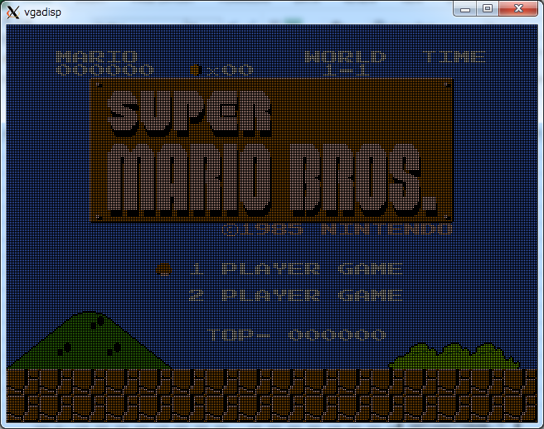
 | motonesemu: motonesemu:
 | 2000: 24 24 24 24 24 24 24 24 24 24 24 24 24 24 24 24 |  |  |  |  | 0x2000 = 0x2800
 | 2010: 24 24 24 24 24 24 24 24 24 24 24 24 24 24 24 24 |  |  |  |  | 0x2400 = 0x2c00
 | 2020: 24 24 24 24 24 24 24 24 24 24 24 24 24 24 24 24
MARIO
 | 2030: 24 24 24 24 24 24 24 24 24 24 24 24 24 24 24 24
 | 2040: 24 24 24 16 0a 1b 12 18 24 24 24 24 24 24 24 24
 | 2050: 24 24 20 18 1b 15 0d 24 24 1d 12 16 0e 24 24 24
 | 2060: 24 24 24 00 00 00 00 00 00 24 24 2e 29 00 00 24
 | 2070: 24 24 24 01 28 01 24 24 24 24 24 24 24 24 24 24
 | 2080: 24 24 24 24 24 44 48 48 48 48 48 48 48 48 48 48
 | 2090: 48 48 48 48 48 48 48 48 48 48 49 24 24 24 24 24
 | 20a0: 24 24 24 24 24 46 d0 d1 d8 d8 de d1 d0 da de d1
 | 20b0: 26 26 26 26 26 26 26 26 26 26 4a 24 24 24 24 24
 | 20c0: 24 24 24 24 24 46 d2 d3 db db db d9 db dc db df
 | 20d0: 26 26 26 26 26 26 26 26 26 26 4a 24 24 24 24 24
 | 20e0: 24 24 24 24 24 46 d4 d5 d4 d9 db e2 d4 da db e0
 | 20f0: 26 26 26 26 26 26 26 26 26 26 4a 24 24 24 24 24
 | 2100: 24 24 24 24 24 46 d6 d7 d6 d7 e1 26 d6 dd e1 e1
 | 2110: 26 26 26 26 26 26 26 26 26 26 4a 24 24 24 24 24
 | 2120: 24 24 24 24 24 46 d0 e8 d1 d0 d1 de d1 d8 d0 d1
 | 2130: 26 de d1 de d1 d0 d1 d0 d1 26 4a 24 24 24 24 24
 | 2140: 24 24 24 24 24 46 db 42 42 db 42 db 42 db db 42
 | 2150: 26 db 42 db 42 db 42 db 42 26 4a 24 24 24 24 24
 | 2160: 24 24 24 24 24 46 db db db db db db df db db db
 | 2170: 26 db df db df db db e4 e5 26 4a 24 24 24 24 24
 | 2180: 24 24 24 24 24 46 db db db de 43 db e0 db db db
 | 2190: 26 db e3 db e0 db db e6 e3 26 4a 24 24 24 24 24
 | 21a0: 24 24 24 24 24 46 db db db db 42 db db db d4 d9
 | 21b0: 26 db d9 db db d4 d9 d4 d9 e7 4a 24 24 24 24 24
 | 21c0: 24 24 24 24 24 5f 95 95 95 95 95 95 95 95 97 98
 | 21d0: 78 95 96 95 95 97 98 97 98 95 7a 24 24 24 24 24
 | 21e0: 24 24 24 24 24 24 24 24 24 24 24 24 24 cf 01 09
 | 21f0: 08 05 24 17 12 17 1d 0e 17 0d 18 24 24 24 24 24
 | 2200: 24 24 24 24 24 24 24 24 24 24 24 24 24 24 24 24
 | 2210: 24 24 24 24 24 24 24 24 24 24 24 24 24 24 24 24
 | 2220: 24 24 24 24 24 24 24 24 24 24 24 24 24 24 24 24
 | 2230: 24 24 24 24 24 24 24 24 24 24 24 24 24 24 24 24
 | 2240: 24 24 24 24 24 24 24 24 24 ce 24 01 24 19 15 0a
 | 2250: 22 0e 1b 24 10 0a 16 0e 24 24 24 24 24 24 24 24
 | 2260: 24 24 24 24 24 24 24 24 24 24 24 24 24 24 24 24
 | 2270: 24 24 24 24 24 24 24 24 24 24 24 24 24 24 24 24
 | 2280: 24 24 24 24 24 24 24 24 24 24 24 02 24 19 15 0a
 | 2290: 22 0e 1b 24 10 0a 16 0e 24 24 24 24 24 24 24 24
 | 22a0: 24 24 24 24 31 32 24 24 24 24 24 24 24 24 24 24
 | 22b0: 24 24 24 24 24 24 24 24 24 24 24 24 24 24 24 24
 | 22c0: 24 24 24 30 26 34 33 24 24 24 24 24 24 24 24 24
 | 22d0: 24 24 24 24 24 24 24 24 24 24 24 24 24 24 24 24
 | 22e0: 24 24 30 26 26 26 26 33 24 24 24 24 1d 18 19 28
 | 22f0: 24 00 00 00 00 00 00 24 24 24 24 24 24 24 24 24
 | 2300: 24 30 26 34 26 26 34 26 33 24 24 24 24 24 24 24
 | 2310: 24 24 24 24 24 24 24 24 36 37 36 37 36 37 24 24
 | 2320: 30 26 26 26 26 26 26 26 26 33 24 24 24 24 24 24
 | 2330: 24 24 24 24 24 24 24 35 25 25 25 25 25 25 38 24
 | 2340: b4 b5 b4 b5 b4 b5 b4 b5 b4 b5 b4 b5 b4 b5 b4 b5
 | 2350: b4 b5 b4 b5 b4 b5 b4 b5 b4 b5 b4 b5 b4 b5 b4 b5
 | 2360: b6 b7 b6 b7 b6 b7 b6 b7 b6 b7 b6 b7 b6 b7 b6 b7
 | 2370: b6 b7 b6 b7 b6 b7 b6 b7 b6 b7 b6 b7 b6 b7 b6 b7
 | 2380: b4 b5 b4 b5 b4 b5 b4 b5 b4 b5 b4 b5 b4 b5 b4 b5
 | 2390: b4 b5 b4 b5 b4 b5 b4 b5 b4 b5 b4 b5 b4 b5 b4 b5
 | 23a0: b6 b7 b6 b7 b6 b7 b6 b7 b6 b7 b6 b7 b6 b7 b6 b7
 | 23b0: b6 b7 b6 b7 b6 b7 b6 b7 b6 b7 b6 b7 b6 b7 b6 b7
 | 23c0: aa aa ea aa aa aa aa aa 00 55 55 55 55 55 55 55
 | 23d0: 55 55 55 55 55 55 55 55 55 55 55 55 55 55 55 00
 | 23e0: 00 00 99 aa aa aa 00 00 00 00 99 aa aa aa 00 00
 | 23f0: 50 50 50 50 50 50 50 50 05 05 05 05 05 05 05 05

 | motonesemu:
 | 2400: 24 24 24 24 24 24 24 24 24 24 24 24 24 24 24 24
 | 2410: 24 24 24 24 24 24 24 24 24 24 24 24 24 24 24 24
 | 2420: 24 24 24 24 24 24 24 24 24 24 24 24 24 24 24 24
 | 2430: 24 24 24 24 24 24 24 24 24 24 24 24 24 24 24 24
 | 2440: 24 24 24 24 24 24 24 24 24 24 24 24 24 24 24 24
 | 2450: 24 24 24 24 24 24 24 24 24 24 24 24 24 24 24 24
 | 2460: 24 24 24 24 24 24 24 24 24 24 24 24 24 24 24 24
 | 2470: 24 24 24 24 24 24 24 24 24 24 24 24 24 24 24 24
 | 2480: 24 24 24 24 24 24 24 24 36 37 24 24 24 24 24 24
 | 2490: 24 24 24 24 24 24 24 24 24 24 24 24 24 24 24 24
 | 24a0: 24 24 24 24 24 24 24 35 25 25 38 24 24 24 24 24
 | 24b0: 24 24 24 24 24 24 24 24 24 24 24 24 24 24 24 24
 | 24c0: 24 24 24 24 24 24 24 39 3a 3b 3c 24 24 24 24 24
 | 24d0: 24 24 24 24 24 24 24 24 24 24 24 24 24 24 24 24
 | 24e0: 24 24 24 24 24 24 24 24 24 24 24 24 24 24 24 24
 | 24f0: 24 24 24 24 24 24 24 24 24 24 24 24 24 24 24 24
 | 2500: 24 24 24 24 24 24 24 24 24 24 24 24 24 24 24 24
 | 2510: 24 24 24 24 24 24 24 24 24 24 24 24 24 24 24 24
 | 2520: 24 24 24 24 24 24 24 24 24 24 24 24 24 24 24 24
 | 2530: 24 24 24 24 24 24 24 24 24 24 24 24 24 24 24 24
 | 2540: 24 24 24 24 24 24 24 24 24 24 24 24 53 54 24 24
 | 2550: 24 24 24 24 24 24 24 24 24 24 24 24 24 24 24 24
 | 2560: 24 24 24 24 24 24 24 24 24 24 24 24 55 56 24 24
 | 2570: 24 24 24 24 24 24 24 24 24 24 24 24 24 24 24 24
 | 2580: 24 24 24 24 24 24 24 24 24 24 24 24 24 24 24 24
 | 2590: 24 24 24 24 24 24 24 24 24 24 24 24 24 24 24 24
 | 25a0: 24 24 24 24 24 24 24 24 24 24 24 24 24 24 24 24
 | 25b0: 24 24 24 24 24 24 24 24 24 24 24 24 24 24 24 24
 | 25c0: 24 24 24 24 24 24 24 24 24 24 24 24 24 24 24 24
 | 25d0: 24 24 24 24 24 24 24 24 24 24 24 24 24 24 24 24
 | 25e0: 24 24 24 24 24 24 24 24 24 24 24 24 24 24 24 24
 | 25f0: 24 24 24 24 24 24 24 24 24 24 24 24 24 24 24 24
 | 2600: 24 24 24 24 24 24 24 24 24 24 24 24 24 24 24 24
 | 2610: 24 24 24 24 24 24 24 24 24 24 24 24 24 24 24 24
 | 2620: 24 24 24 24 24 24 24 24 24 24 24 24 24 24 24 24
 | 2630: 24 24 24 24 24 24 24 24 24 24 24 24 24 24 24 24
 | 2640: 53 54 24 24 24 24 24 24 45 45 53 54 45 45 53 54
 | 2650: 24 24 24 24 24 24 24 24 24 24 24 24 24 24 24 24
 | 2660: 55 56 24 24 24 24 24 24 47 47 55 56 47 47 55 56
 | 2670: 24 24 24 24 24 24 24 24 24 24 24 24 24 24 24 24
 | 2680: 24 24 24 24 24 24 24 24 24 24 24 24 24 24 24 24
 | 2690: 24 24 24 24 24 24 24 24 24 24 24 24 24 24 24 24
 | 26a0: 24 24 24 24 24 24 24 24 24 24 24 24 24 24 24 24
 | 26b0: 24 24 24 24 24 24 24 24 24 24 24 24 24 24 24 24
 | 26c0: 24 24 24 24 24 24 24 24 24 24 24 24 24 24 24 24
 | 26d0: 24 24 24 24 24 24 24 24 24 24 24 24 24 24 24 24
 | 26e0: 24 24 31 32 24 24 24 24 24 24 24 24 24 24 24 24
 | 26f0: 24 24 24 24 24 24 24 24 24 24 24 24 24 24 24 24
 | 2700: 24 30 26 34 33 24 24 24 24 24 24 24 24 24 24 24
 | 2710: 24 24 24 24 24 24 24 24 24 24 24 24 24 24 24 24
 | 2720: 30 26 26 26 26 33 24 24 24 24 24 24 24 24 24 35
 | 2730: 24 24 24 24 24 24 24 24 24 24 24 24 24 24 24 24
 | 2740: b4 b5 b4 b5 b4 b5 b4 b5 b4 b5 b4 b5 b4 b5 b4 b5
 | 2750: 24 24 24 24 24 24 24 24 24 24 24 24 24 24 24 24
 | 2760: b6 b7 b6 b7 b6 b7 b6 b7 b6 b7 b6 b7 b6 b7 b6 b7
 | 2770: 24 24 24 24 24 24 24 24 24 24 24 24 24 24 24 24
 | 2780: b4 b5 b4 b5 b4 b5 b4 b5 b4 b5 b4 b5 b4 b5 b4 b5
 | 2790: 24 24 24 24 24 24 24 24 24 24 24 24 24 24 24 24
 | 27a0: b6 b7 b6 b7 b6 b7 b6 b7 b6 b7 b6 b7 b6 b7 b6 b7
 | 27b0: 24 24 24 24 24 24 24 24 24 24 24 24 24 24 24 24
 | 27c0: 00 00 00 00 00 00 00 00 00 88 aa 00 00 00 00 00
 | 27d0: 00 00 00 30 00 00 00 00 00 00 00 00 00 00 00 00
 | 27e0: 30 00 d0 d0 00 00 00 00 00 00 00 00 00 00 00 00
 | 27f0: 50 50 50 50 00 00 00 00 05 05 05 05 00 00 00 00

 | motonesemu:
 | 2800: 24 24 24 24 24 24 24 24 24 24 24 24 24 24 24 24
 | 2810: 24 24 24 24 24 24 24 24 24 24 24 24 24 24 24 24
 | 2820: 24 24 24 24 24 24 24 24 24 24 24 24 24 24 24 24
 | 2830: 24 24 24 24 24 24 24 24 24 24 24 24 24 24 24 24
 | 2840: 24 24 24 16 0a 1b 12 18 24 24 24 24 24 24 24 24
 | 2850: 24 24 20 18 1b 15 0d 24 24 1d 12 16 0e 24 24 24
 | 2860: 24 24 24 00 00 00 00 00 00 24 24 2e 29 00 00 24
 | 2870: 24 24 24 01 28 01 24 24 24 24 24 24 24 24 24 24
 | 2880: 24 24 24 24 24 44 48 48 48 48 48 48 48 48 48 48
 | 2890: 48 48 48 48 48 48 48 48 48 48 49 24 24 24 24 24
 | 28a0: 24 24 24 24 24 46 d0 d1 d8 d8 de d1 d0 da de d1
 | 28b0: 26 26 26 26 26 26 26 26 26 26 4a 24 24 24 24 24
 | 28c0: 24 24 24 24 24 46 d2 d3 db db db d9 db dc db df
 | 28d0: 26 26 26 26 26 26 26 26 26 26 4a 24 24 24 24 24
 | 28e0: 24 24 24 24 24 46 d4 d5 d4 d9 db e2 d4 da db e0
 | 28f0: 26 26 26 26 26 26 26 26 26 26 4a 24 24 24 24 24
 | 2900: 24 24 24 24 24 46 d6 d7 d6 d7 e1 26 d6 dd e1 e1
 | 2910: 26 26 26 26 26 26 26 26 26 26 4a 24 24 24 24 24
 | 2920: 24 24 24 24 24 46 d0 e8 d1 d0 d1 de d1 d8 d0 d1
 | 2930: 26 de d1 de d1 d0 d1 d0 d1 26 4a 24 24 24 24 24
 | 2940: 24 24 24 24 24 46 db 42 42 db 42 db 42 db db 42
 | 2950: 26 db 42 db 42 db 42 db 42 26 4a 24 24 24 24 24
 | 2960: 24 24 24 24 24 46 db db db db db db df db db db
 | 2970: 26 db df db df db db e4 e5 26 4a 24 24 24 24 24
 | 2980: 24 24 24 24 24 46 db db db de 43 db e0 db db db
 | 2990: 26 db e3 db e0 db db e6 e3 26 4a 24 24 24 24 24
 | 29a0: 24 24 24 24 24 46 db db db db 42 db db db d4 d9
 | 29b0: 26 db d9 db db d4 d9 d4 d9 e7 4a 24 24 24 24 24
 | 29c0: 24 24 24 24 24 5f 95 95 95 95 95 95 95 95 97 98
 | 29d0: 78 95 96 95 95 97 98 97 98 95 7a 24 24 24 24 24
 | 29e0: 24 24 24 24 24 24 24 24 24 24 24 24 24 cf 01 09
 | 29f0: 08 05 24 17 12 17 1d 0e 17 0d 18 24 24 24 24 24
 | 2a00: 24 24 24 24 24 24 24 24 24 24 24 24 24 24 24 24
 | 2a10: 24 24 24 24 24 24 24 24 24 24 24 24 24 24 24 24
 | 2a20: 24 24 24 24 24 24 24 24 24 24 24 24 24 24 24 24
 | 2a30: 24 24 24 24 24 24 24 24 24 24 24 24 24 24 24 24
 | 2a40: 24 24 24 24 24 24 24 24 24 ce 24 01 24 19 15 0a
 | 2a50: 22 0e 1b 24 10 0a 16 0e 24 24 24 24 24 24 24 24
 | 2a60: 24 24 24 24 24 24 24 24 24 24 24 24 24 24 24 24
 | 2a70: 24 24 24 24 24 24 24 24 24 24 24 24 24 24 24 24
 | 2a80: 24 24 24 24 24 24 24 24 24 24 24 02 24 19 15 0a
 | 2a90: 22 0e 1b 24 10 0a 16 0e 24 24 24 24 24 24 24 24
 | 2aa0: 24 24 24 24 31 32 24 24 24 24 24 24 24 24 24 24
 | 2ab0: 24 24 24 24 24 24 24 24 24 24 24 24 24 24 24 24
 | 2ac0: 24 24 24 30 26 34 33 24 24 24 24 24 24 24 24 24
 | 2ad0: 24 24 24 24 24 24 24 24 24 24 24 24 24 24 24 24
 | 2ae0: 24 24 30 26 26 26 26 33 24 24 24 24 1d 18 19 28
 | 2af0: 24 00 00 00 00 00 00 24 24 24 24 24 24 24 24 24
 | 2b00: 24 30 26 34 26 26 34 26 33 24 24 24 24 24 24 24
 | 2b10: 24 24 24 24 24 24 24 24 36 37 36 37 36 37 24 24
 | 2b20: 30 26 26 26 26 26 26 26 26 33 24 24 24 24 24 24
 | 2b30: 24 24 24 24 24 24 24 35 25 25 25 25 25 25 38 24
 | 2b40: b4 b5 b4 b5 b4 b5 b4 b5 b4 b5 b4 b5 b4 b5 b4 b5
 | 2b50: b4 b5 b4 b5 b4 b5 b4 b5 b4 b5 b4 b5 b4 b5 b4 b5
 | 2b60: b6 b7 b6 b7 b6 b7 b6 b7 b6 b7 b6 b7 b6 b7 b6 b7
 | 2b70: b6 b7 b6 b7 b6 b7 b6 b7 b6 b7 b6 b7 b6 b7 b6 b7
 | 2b80: b4 b5 b4 b5 b4 b5 b4 b5 b4 b5 b4 b5 b4 b5 b4 b5
 | 2b90: b4 b5 b4 b5 b4 b5 b4 b5 b4 b5 b4 b5 b4 b5 b4 b5
 | 2ba0: b6 b7 b6 b7 b6 b7 b6 b7 b6 b7 b6 b7 b6 b7 b6 b7
 | 2bb0: b6 b7 b6 b7 b6 b7 b6 b7 b6 b7 b6 b7 b6 b7 b6 b7
 | 2bc0: aa aa ea aa aa aa aa aa 00 55 55 55 55 55 55 55
 | 2bd0: 55 55 55 55 55 55 55 55 55 55 55 55 55 55 55 00
 | 2be0: 00 00 99 aa aa aa 00 00 00 00 99 aa aa aa 00 00
 | 2bf0: 50 50 50 50 50 50 50 50 05 05 05 05 05 05 05 05

 | motonesemu:
 | 2c00: 24 24 24 24 24 24 24 24 24 24 24 24 24 24 24 24
 | 2c10: 24 24 24 24 24 24 24 24 24 24 24 24 24 24 24 24
 | 2c20: 24 24 24 24 24 24 24 24 24 24 24 24 24 24 24 24
 | 2c30: 24 24 24 24 24 24 24 24 24 24 24 24 24 24 24 24
 | 2c40: 24 24 24 24 24 24 24 24 24 24 24 24 24 24 24 24
 | 2c50: 24 24 24 24 24 24 24 24 24 24 24 24 24 24 24 24
 | 2c60: 24 24 24 24 24 24 24 24 24 24 24 24 24 24 24 24
 | 2c70: 24 24 24 24 24 24 24 24 24 24 24 24 24 24 24 24
 | 2c80: 24 24 24 24 24 24 24 24 36 37 24 24 24 24 24 24
 | 2c90: 24 24 24 24 24 24 24 24 24 24 24 24 24 24 24 24
 | 2ca0: 24 24 24 24 24 24 24 35 25 25 38 24 24 24 24 24
 | 2cb0: 24 24 24 24 24 24 24 24 24 24 24 24 24 24 24 24
 | 2cc0: 24 24 24 24 24 24 24 39 3a 3b 3c 24 24 24 24 24
 | 2cd0: 24 24 24 24 24 24 24 24 24 24 24 24 24 24 24 24
 | 2ce0: 24 24 24 24 24 24 24 24 24 24 24 24 24 24 24 24
 | 2cf0: 24 24 24 24 24 24 24 24 24 24 24 24 24 24 24 24
 | 2d00: 24 24 24 24 24 24 24 24 24 24 24 24 24 24 24 24
 | 2d10: 24 24 24 24 24 24 24 24 24 24 24 24 24 24 24 24
 | 2d20: 24 24 24 24 24 24 24 24 24 24 24 24 24 24 24 24
 | 2d30: 24 24 24 24 24 24 24 24 24 24 24 24 24 24 24 24
 | 2d40: 24 24 24 24 24 24 24 24 24 24 24 24 53 54 24 24
 | 2d50: 24 24 24 24 24 24 24 24 24 24 24 24 24 24 24 24
 | 2d60: 24 24 24 24 24 24 24 24 24 24 24 24 55 56 24 24
 | 2d70: 24 24 24 24 24 24 24 24 24 24 24 24 24 24 24 24
 | 2d80: 24 24 24 24 24 24 24 24 24 24 24 24 24 24 24 24
 | 2d90: 24 24 24 24 24 24 24 24 24 24 24 24 24 24 24 24
 | 2da0: 24 24 24 24 24 24 24 24 24 24 24 24 24 24 24 24
 | 2db0: 24 24 24 24 24 24 24 24 24 24 24 24 24 24 24 24
 | 2dc0: 24 24 24 24 24 24 24 24 24 24 24 24 24 24 24 24
 | 2dd0: 24 24 24 24 24 24 24 24 24 24 24 24 24 24 24 24
 | 2de0: 24 24 24 24 24 24 24 24 24 24 24 24 24 24 24 24
 | 2df0: 24 24 24 24 24 24 24 24 24 24 24 24 24 24 24 24
 | 2e00: 24 24 24 24 24 24 24 24 24 24 24 24 24 24 24 24
 | 2e10: 24 24 24 24 24 24 24 24 24 24 24 24 24 24 24 24
 | 2e20: 24 24 24 24 24 24 24 24 24 24 24 24 24 24 24 24
 | 2e30: 24 24 24 24 24 24 24 24 24 24 24 24 24 24 24 24
 | 2e40: 53 54 24 24 24 24 24 24 45 45 53 54 45 45 53 54
 | 2e50: 24 24 24 24 24 24 24 24 24 24 24 24 24 24 24 24
 | 2e60: 55 56 24 24 24 24 24 24 47 47 55 56 47 47 55 56
 | 2e70: 24 24 24 24 24 24 24 24 24 24 24 24 24 24 24 24
 | 2e80: 24 24 24 24 24 24 24 24 24 24 24 24 24 24 24 24
 | 2e90: 24 24 24 24 24 24 24 24 24 24 24 24 24 24 24 24
 | 2ea0: 24 24 24 24 24 24 24 24 24 24 24 24 24 24 24 24
 | 2eb0: 24 24 24 24 24 24 24 24 24 24 24 24 24 24 24 24
 | 2ec0: 24 24 24 24 24 24 24 24 24 24 24 24 24 24 24 24
 | 2ed0: 24 24 24 24 24 24 24 24 24 24 24 24 24 24 24 24
 | 2ee0: 24 24 31 32 24 24 24 24 24 24 24 24 24 24 24 24
 | 2ef0: 24 24 24 24 24 24 24 24 24 24 24 24 24 24 24 24
 | 2f00: 24 30 26 34 33 24 24 24 24 24 24 24 24 24 24 24
 | 2f10: 24 24 24 24 24 24 24 24 24 24 24 24 24 24 24 24
 | 2f20: 30 26 26 26 26 33 24 24 24 24 24 24 24 24 24 35
 | 2f30: 24 24 24 24 24 24 24 24 24 24 24 24 24 24 24 24
 | 2f40: b4 b5 b4 b5 b4 b5 b4 b5 b4 b5 b4 b5 b4 b5 b4 b5
 | 2f50: 24 24 24 24 24 24 24 24 24 24 24 24 24 24 24 24
 | 2f60: b6 b7 b6 b7 b6 b7 b6 b7 b6 b7 b6 b7 b6 b7 b6 b7
 | 2f70: 24 24 24 24 24 24 24 24 24 24 24 24 24 24 24 24
 | 2f80: b4 b5 b4 b5 b4 b5 b4 b5 b4 b5 b4 b5 b4 b5 b4 b5
 | 2f90: 24 24 24 24 24 24 24 24 24 24 24 24 24 24 24 24
 | 2fa0: b6 b7 b6 b7 b6 b7 b6 b7 b6 b7 b6 b7 b6 b7 b6 b7
 | 2fb0: 24 24 24 24 24 24 24 24 24 24 24 24 24 24 24 24
 | 2fc0: 00 00 00 00 00 00 00 00 00 88 aa 00 00 00 00 00
 | 2fd0: 00 00 00 30 00 00 00 00 00 00 00 00 00 00 00 00
 | 2fe0: 30 00 d0 d0 00 00 00 00 00 00 00 00 00 00 00 00
 | 2ff0: 50 50 50 50 00 00 00 00 05 05 05 05 00 00 00 00

 | motonesemu: quit...
 | clean data...
 | cpu clock thread joined.

sim
first nmi | 65829165989 ps |  | 65.8 ms
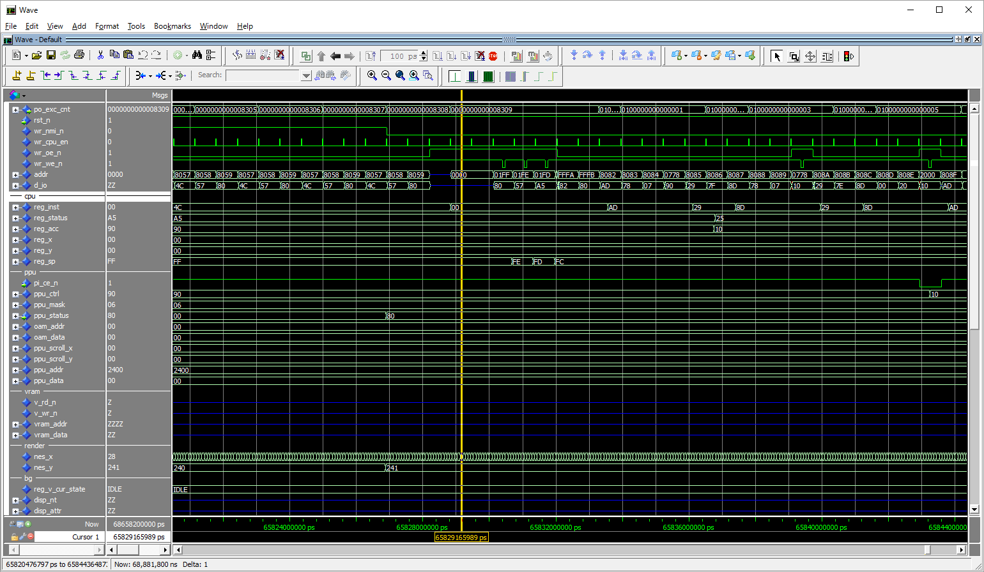

joypad read error.
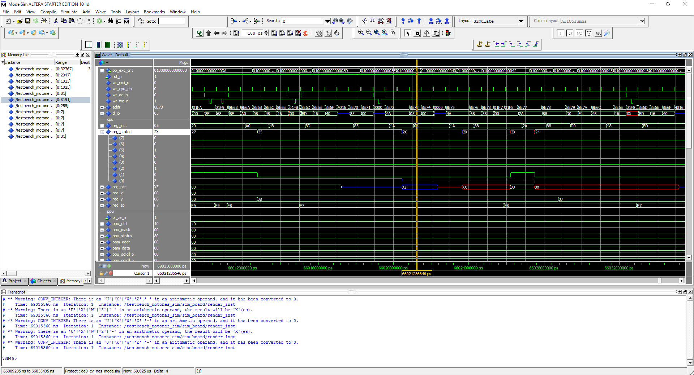

suspicious ram |  |  |  |  |  |  |  | joy pad read val save.
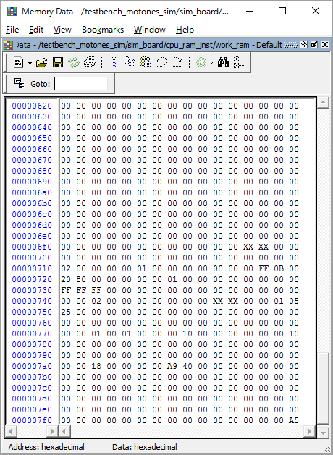
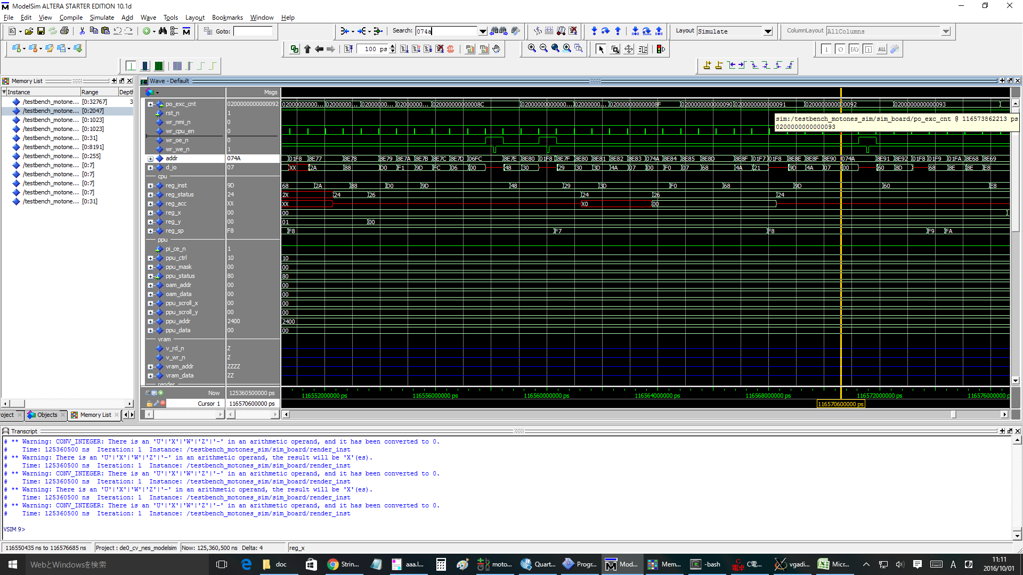

nmi 4 @ | 149,826,920,000 |  | after chk ok

149826920000 ps |  |  |  |  | nmi duration 4ms.
133026920000 ps |  | diff: 16.8ms |  |  |  |  |  |  |  |  |  |  |  |  |  |  |  |  |  |  | NMI 09
 |  |  |  |  |  |  |  |  |  |  |  |  |  |  |  |  |  |  |  |  | 09000000000000aa 8ebe: ca DEX 24, 07, 16, fa, 24
nmi 5 @ | 166,626,920,000 |  | after chk ok |  |  | 5 | 5 |  |  |  |  |  |  |  |  |  |  |  |  |  | 09000000000000ab 8ebf: d0 f5 BNE # -11 24, 06, 16, fa, 24
nmi 6 | 183,426,920,000 |  | after chk ok |  |  | 6 | 6 |  |  |  |  |  |  |  |  |  |  |  |  |  | 09000000000000ac 8eb6: b0 01 BCS # +1 24, 06, 16, fa, 24
nmi 7 | 200,226,920,000 |  | after chk ok |  |  | 7 | 7 |  | 13:54:00 | 14:27:00 | 0:33:00 |  |  |  |  |  |  |  |  |  | 09000000000000ad 8eb8: c8 INY 24, 06, 16, fa, 24
nmi 8 | 217,026,920,000 |  | after chk ok |  |  | 8 | 8 |  |  |  |  | 0000000000008a1a 8e3b: 8d 07 20 STA $2007 24, 01, 10, fd, 25 |  |  |  |  |  |  | OK |  | 09000000000000ae 8eb9: b1 00 LDA ($00), y 24, 06, 17, fa, 24
nmi 9 | 233,826,920,000 |  | after chk ok |  |  | 9 | 9 | <<data set! |  |  |  | vram_data_set addr:23b0, data:24 |  |  |  |  |  |  |  |  | 09000000000000af 8ebb: 8d 07 20 STA $2007 24, 06, 17, fa, 24
nmi A | 250,626,920,000 |  |  |  |  | 10 | A | <<data set! |  |  |  |  |  |  |  |  |  |  |  |  | vram_data_set addr:2300, data:24
nmi B | 267,426,920,000 |  |  |  |  | 11 | B | <<data set! |  |  |  | 0d000000000000cd 8ebb: 8d 07 20 STA $2007 b6, 01, 1c, fa, a4 |  |  |  |  |  |  | NG |  | 09000000000000b0 8ebe: ca DEX 24, 06, 17, fa, 24
nmi C | 284,226,920,000 |  |  |  |  | 12 | C |  |  |  |  | vram_data_set addr:23b0, data:b6 |  |  |  |  |  |  |  |  | 09000000000000b1 8ebf: d0 f5 BNE # -11 24, 05, 17, fa, 24
nmi D | 301,026,920,000 |  |  |  |  | 13 | D | <<data set! |  |  |  |  |  |  |  |  |  |  |  |  | 09000000000000b2 8eb6: b0 01 BCS # +1 24, 05, 17, fa, 24 | vram increment size is 32!!!!
nmi E | 317,826,920,000 |  |  |  |  | 14 | E |  |  |  |  |  |  |  |  |  |  |  |  |  | 09000000000000b3 8eb8: c8 INY 24, 05, 17, fa, 24 | 0900000000000271 8eed: 8d 00 20 STA $2000 14, 00, 02, f7, 25
nmi F | 334,626,920,000 |  |  |  |  | 15 | F | <<data set! |  |  |  |  |  |  |  |  |  |  |  |  | 09000000000000b4 8eb9: b1 00 LDA ($00), y 24, 05, 18, fa, 24
nmi 10 | 351,426,920,000 |  |  |  |  | 16 | 10 |  |  |  |  |  |  |  |  |  |  |  |  |  | 09000000000000b5 8ebb: 8d 07 20 STA $2007 30, 05, 18, fa, 24
nmi 11 | 368,226,920,000 |  |  |  |  | 17 | 11 |  |  |  |  |  |  |  |  |  |  |  |  |  | vram_data_set addr:2320, data:30
nmi 12 | 385,026,920,000 |  |  |  |  | 18 | 12 |  |  |  |  |  |  |  |  |  |  |  |  |  | 09000000000000b6 8ebe: ca DEX 30, 05, 18, fa, 24
nmi 13 | 401,826,920,000 |  |  |  |  | 19 | 13 |  |  |  |  |  |  |  |  |  |  |  |  |  | 09000000000000b7 8ebf: d0 f5 BNE # -11 30, 04, 18, fa, 24
nmi 14 | 418,626,920,000 |  |  |  |  | 20 | 14 |  |  |  |  |  |  |  |  |  |  |  |  |  | 09000000000000b8 8eb6: b0 01 BCS # +1 30, 04, 18, fa, 24
nmi 15 | 435,426,920,000 |  |  |  |  | 21 | 15 |  |  |  |  |  |  |  |  |  |  |  |  |  | 09000000000000b9 8eb8: c8 INY 30, 04, 18, fa, 24
nmi 16 | 452,226,920,000 |  | after chk ok |  |  | 22 | 16 |  |  |  |  |  |  |  |  |  |  |  |  |  | 09000000000000ba 8eb9: b1 00 LDA ($00), y 30, 04, 19, fa, 24
nmi 17 | 469,026,920,000 | aftercheck | vram ok | mem wrong | sprite not set | 23 | 17 | <<big change!!! |  |  |  |  |  |  |  |  |  |  |  |  | 09000000000000bb 8ebb: 8d 07 20 STA $2007 b4, 04, 19, fa, a4
nmi 18 | 485,826,920,000 |  |  |  |  | 24 | 18 |  |  |  |  |  |  |  |  |  |  |  |  |  | vram_data_set addr:2340, data:b4
nmi 19 | 502,626,920,000 |  |  |  |  | 25 | 19 |  |  |  |  |  |  |  |  |  |  |  |  |  | 09000000000000bc 8ebe: ca DEX b4, 04, 19, fa, a4
nmi 1A | 519,426,920,000 |  |  |  |  | 26 | 1A |  |  |  |  |  |  |  |  |  |  |  |  |  | 09000000000000bd 8ebf: d0 f5 BNE # -11 b4, 03, 19, fa, 24
nmi 1B | 536,226,920,000 | aftercheck | vram ng | mem ng | sprite ng | 27 | 1B |  |  |  |  |  |  |  |  |  |  |  |  |  | 09000000000000be 8eb6: b0 01 BCS # +1 b4, 03, 19, fa, 24
nmi 1C | 553,026,920,000 |  |  |  |  | 28 | 1C |  |  |  |  |  |  |  |  |  |  |  |  |  | 09000000000000bf 8eb8: c8 INY b4, 03, 19, fa, 24
nmi 1D | 569,826,920,000 |  |  |  |  | 29 | 1D |  |  |  |  |  |  |  |  |  |  |  |  |  | 09000000000000c0 8eb9: b1 00 LDA ($00), y b4, 03, 1a, fa, 24
nmi 1E | 586,626,920,000 |  |  |  |  | 30 | 1E |  |  |  |  |  |  |  |  |  |  |  |  |  | 09000000000000c1 8ebb: 8d 07 20 STA $2007 b6, 03, 1a, fa, a4
nmi 1F | 603,426,920,000 |  |  |  |  | 31 | 1F |  |  |  |  |  |  |  |  |  |  |  |  |  | vram_data_set addr:2360, data:b6
nmi 20 | 620,226,920,000 |  |  |  |  | 32 | 20 |  |  |  |  |  |  |  |  |  |  |  |  |  | 09000000000000c2 8ebe: ca DEX b6, 03, 1a, fa, a4
 |  |  |  |  |  |  |  |  |  |  |  |  |  |  |  |  |  |  |  |  | 09000000000000c3 8ebf: d0 f5 BNE # -11 b6, 02, 1a, fa, 24
 |  |  |  |  |  |  |  |  |  |  |  |  |  |  |  |  |  |  |  |  | 09000000000000c4 8eb6: b0 01 BCS # +1 b6, 02, 1a, fa, 24
 |  |  |  |  |  |  |  |  |  |  |  |  |  |  |  |  |  |  |  |  | 09000000000000c5 8eb8: c8 INY b6, 02, 1a, fa, 24
 | 203,373,882,415 |  |  |  |  |  |  |  |  |  |  |  |  |  |  |  |  |  |  |  | 09000000000000c6 8eb9: b1 00 LDA ($00), y b6, 02, 1b, fa, 24
 | 519,426,920,000
 | 316,053,037,585

vram read error.

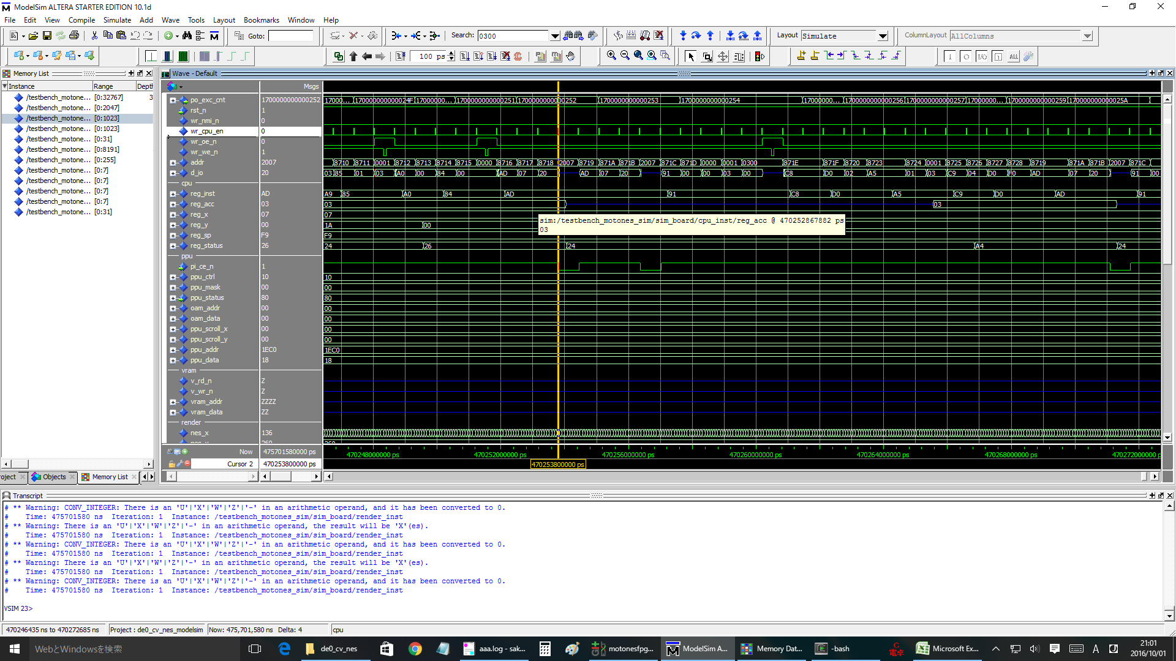

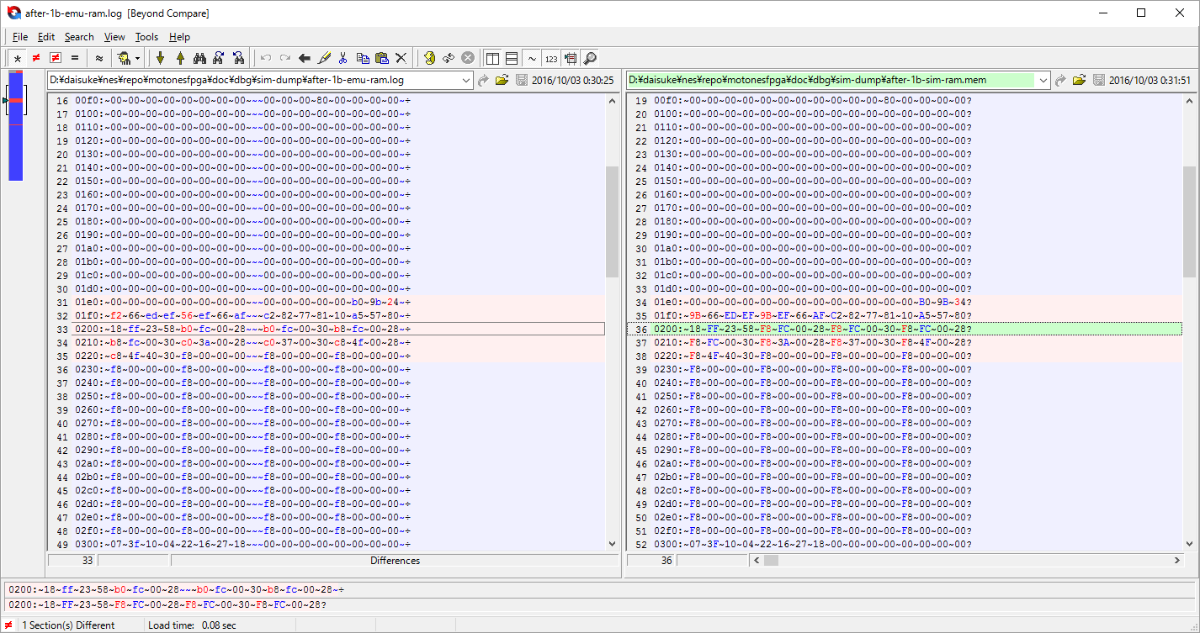

1b00000000000218 8227: 99 00 02 STA $0200, y f8, 07, 04, fa, a4
load: @8227 = 99
load: @8228 = 00
load: @8229 = 02
store: @0204 = f8

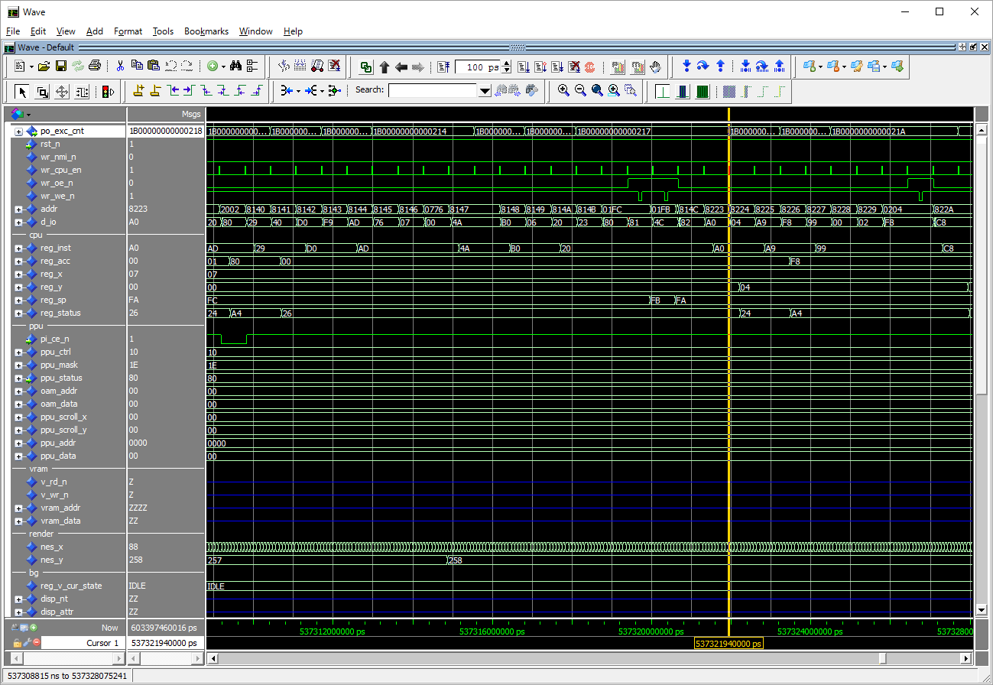

1b00000000000a5b f2b1: 99 00 02 STA $0200, y b0, b8, 04, f1, a4
load: @f2b1 = 99
load: @f2b2 = 00
load: @f2b3 = 02
store: @0204 = b0

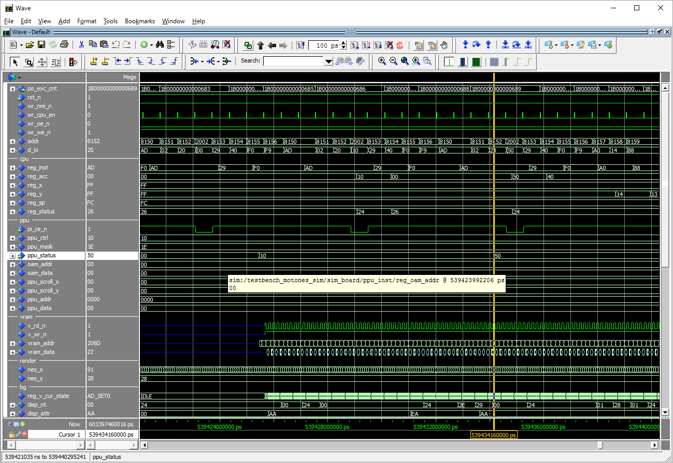

 |  |  |  |  |  |  |  |  |  |  |  |  |  | 1b000000000006ff 8150: ad 02 20 LDA $2002 00, ff, ff, fc, 26
 |  |  |  |  |  |  |  |  |  |  |  |  |  | 1b00000000000700 8153: 29 40 AND #$40 00, ff, ff, fc, 26
 |  |  |  |  |  |  |  |  |  |  |  |  |  | 1b00000000000701 8155: f0 f9 BEQ # -7 00, ff, ff, fc, 26
 |  |  |  |  |  |  |  |  |  |  |  |  |  | 1b00000000000702 8150: ad 02 20 LDA $2002 00, ff, ff, fc, 26
 |  |  |  |  |  |  |  |  |  |  |  |  |  | 1b00000000000703 8153: 29 40 AND #$40 00, ff, ff, fc, 26
 |  |  |  |  |  |  |  |  |  |  |  |  |  | 1b00000000000704 8155: f0 f9 BEQ # -7 00, ff, ff, fc, 26
 |  |  |  |  |  |  |  |  |  |  |  |  |  | sprite hit @(89, 29)
exit the loop.
 |  |  |  |  |  |  |  |  |  |  |  |  |  | sprite hit @(90, 29)
 |  |  |  |  |  |  |  |  |  |  |  |  |  | sprite hit @(91, 29)
 |  |  |  |  |  |  |  |  |  |  |  |  |  | sprite hit @(92, 29)
 |  |  |  |  |  |  |  |  |  |  |  |  |  | sprite hit @(93, 29)
 |  |  |  |  |  |  |  |  |  |  |  |  |  | 1b00000000000705 8150: ad 02 20 LDA $2002 00, ff, ff, fc, 26
 |  |  |  |  |  |  |  |  |  |  |  |  |  | 1b00000000000706 8153: 29 40 AND #$40 40, ff, ff, fc, 24
 |  |  |  |  |  |  |  |  |  |  |  |  |  | 1b00000000000707 8155: f0 f9 BEQ # -7 40, ff, ff, fc, 24
 |  |  |  |  |  |  |  |  |  |  |  |  |  | 1b00000000000708 8157: a0 14 LDY #$14 40, ff, ff, fc, 24
 |  |  |  |  |  |  |  |  |  |  |  |  |  | 1b00000000000709 8159: 88 DEY 40, ff, 14, fc, 24
 |  |  |  |  |  |  |  |  |  |  |  |  |  | 1b0000000000070a 815a: d0 fd BNE # -3 40, ff, 13, fc, 24
 |  |  |  |  |  |  |  |  |  |  |  |  |  | 1b0000000000070b 8159: 88 DEY 40, ff, 13, fc, 24
sprite hit.
 |  |  |  |  |  |  |  |  |  |  |  |  |  | 1b0000000000070c 815a: d0 fd BNE # -3 40, ff, 12, fc, 24

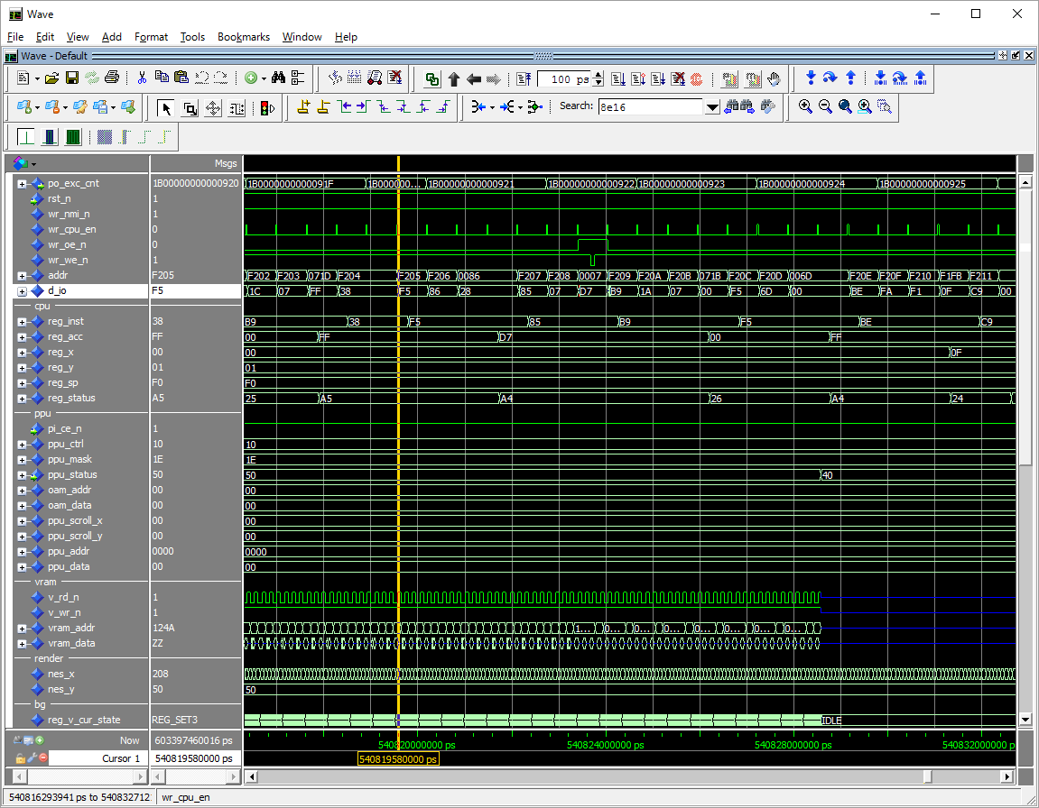

 |  |  |  |  |  |  |  |  |  |  |  |  |  |  | 1b0000000000099c f204: 38 SEC ff, 00, 01, f0, a5
 |  |  |  |  |  |  |  |  |  |  |  |  |  |  | load: @f204 = 38
 |  |  |  |  |  |  |  |  |  |  |  |  |  |  | 1b0000000000099d f205: f5 86 SBC $86, x ff, 00, 01, f0, a5
 |  |  |  |  |  |  |  |  |  |  |  |  |  |  | load: @f205 = f5
 |  |  |  |  |  |  |  |  |  |  |  |  |  |  | load: @f206 = 86
no change.
 |  |  |  |  |  |  |  |  |  |  |  |  |  |  | load: @0086 = 28

 |  |  |  |  |  |  |  |  |  |  |  |  |  |  | status is mistaken here!!!!

 |  |  |  |  |  |  |  |  |  |  |  |  |  |  | 1b0000000000099e f207: 85 07 STA $07 d7, 00, 01, f0, a5

 |  |  |  |  |  |  |  |  |  |  |  |  |  |  | load: @f207 = 85
 |  |  |  |  |  |  |  |  |  |  |  |  |  |  | load: @f208 = 07
 |  |  |  |  |  |  |  |  |  |  |  |  |  |  | store: @0007 = d7

 |  |  |  |  |  |  |  |  |  |  |  |  |  |  | status is wrong!!!

carry bit is wrong.
 |  |  |  |  |  |  |  |  |  |  |  |  |  |  | 1b0000000000099f f209: b9 1a 07 LDA $071a, y d7, 00, 01, f0, a5
 |  |  |  |  |  |  |  |  |  |  |  |  |  |  | load: @f209 = b9
 |  |  |  |  |  |  |  |  |  |  |  |  |  |  | load: @f20a = 1a
 |  |  |  |  |  |  |  |  |  |  |  |  |  |  | load: @f20b = 07
 |  |  |  |  |  |  |  |  |  |  |  |  |  |  | load: @071b = 00

 |  |  |  |  |  |  |  |  |  |  |  |  | -- Flags (bit 7 to bit 0):
 |  |  |  |  |  |  |  |  |  |  |  |  | -- N .... Negative
 |  |  |  |  |  |  |  |  |  |  |  |  | -- V .... Overflow
 |  |  |  |  |  |  |  |  |  |  |  |  | -- - .... ignored -- always 1 for NES 6502
 |  |  |  |  |  |  |  |  |  |  |  |  | -- B .... Break
 |  |  |  |  |  |  |  |  |  |  |  |  | -- D .... Decimal (use BCD for arithmetics) -- not supported. always 0.
 |  |  |  |  |  |  |  |  |  |  |  |  | -- I .... Interrupt (IRQ disable)
 |  |  |  |  |  |  |  |  |  |  |  |  | -- Z .... Zero
 |  |  |  |  |  |  |  |  |  |  |  |  | -- C .... Carry
 |  |  |  |  |  |  |  |  |  |  |  |  |  |  |  |  | a5=1010 0101
 |  |  |  |  |  |  |  |  |  |  |  |  |  | acc = ff |  | status=a5 | N | 1 | → | 1
 |  |  |  |  |  |  |  |  |  |  |  |  |  | x = 0 |  |  | V | 0 |  | 0
 |  |  |  |  |  |  |  |  |  |  |  |  |  | 86, x = @86 |  |  | - | 1 |  | 1
 |  |  |  |  |  |  |  |  |  |  |  |  |  | @86 = 28 |  |  | B | 0 |  | 0
 |  |  |  |  |  |  |  |  |  |  |  |  |  | ff-28=d7 |  |  | D | 0 |  | 0
 |  |  |  |  |  |  |  |  |  |  |  |  |  |  |  |  | I | 1 |  | 1
 |  |  |  |  |  |  |  |  |  |  |  |  |  | n=1 |  |  | Z | 0 |  | 0
 |  |  |  |  |  |  |  |  |  |  |  |  |  | v=0 |  |  | C | 1 |  | 1
 |  |  |  |  |  |  |  |  |  |  |  |  |  | c=0

 |  |  |  |  |  |  |  |  |  |  |  |  |  | status:
 |  |  |  |  |  |  |  |  |  |  |  |  |  | negative: 1
 |  |  |  |  |  |  |  |  |  |  |  |  |  | overflow: 0
 |  |  |  |  |  |  |  |  |  |  |  |  |  |  | 1
 |  |  |  |  |  |  |  |  |  |  |  |  |  | break: 0
 |  |  |  |  |  |  |  |  |  |  |  |  |  | decimal: 0
 |  |  |  |  |  |  |  |  |  |  |  |  |  | irq: 1
 |  |  |  |  |  |  |  |  |  |  |  |  |  | zero: 0
 |  |  |  |  |  |  |  |  |  |  |  |  |  | carry: 1

more
nmi 0x2b1=689 frames.

>> 11.575 sec.

1fame 30min, 689 frame > 344hours.

 | mem comparison ok after 02b1 nmi.

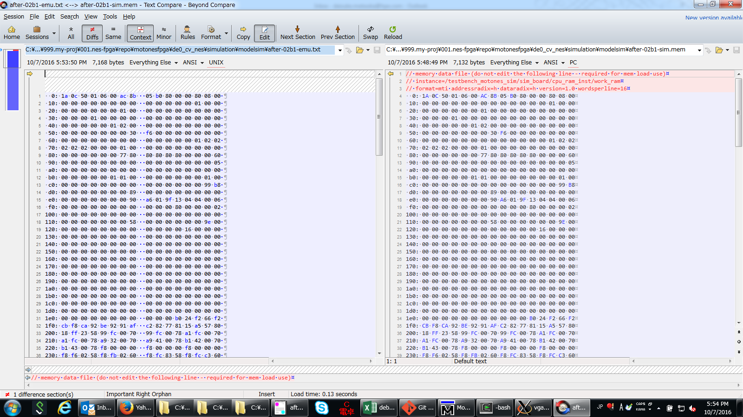

ppu | control reg1
 | nmi_vblank:1 | nmi vblank | 7 | 1
 | sprite_size:0 | n/a | 6 | 0
 | bg_ptn:1 | spr size | 5 | 0
 | spr_ptn:0 | bg ptn tbl | 4 | 1
 | inc size:1 | spr ptn tbl | 3 | 0
 | name tbl:1 | inc size | 2 | 1
 |  | nt addr | 1 | 0
 |  |  | 0 | 1 | >> 95.
 |  |  |  |  | correct.

stuck at 02bd.

nmi disabled and never return.

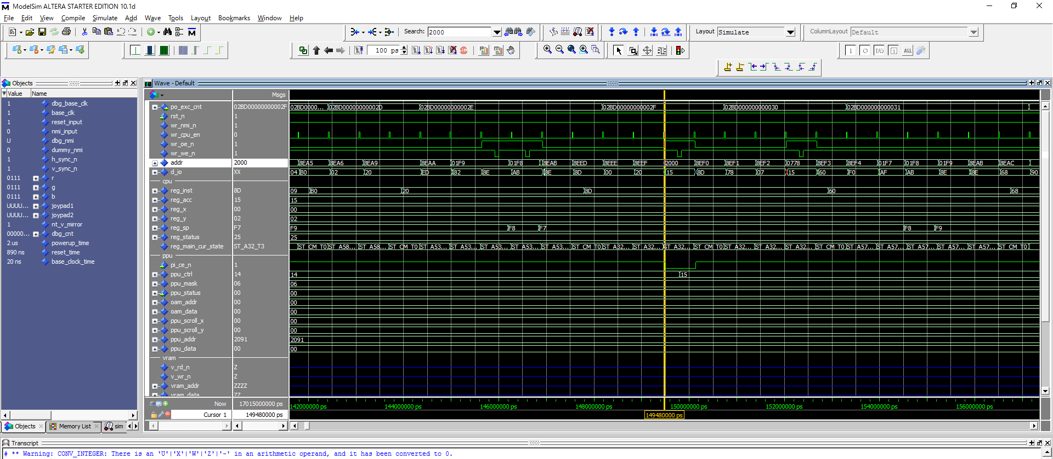

disabled here.

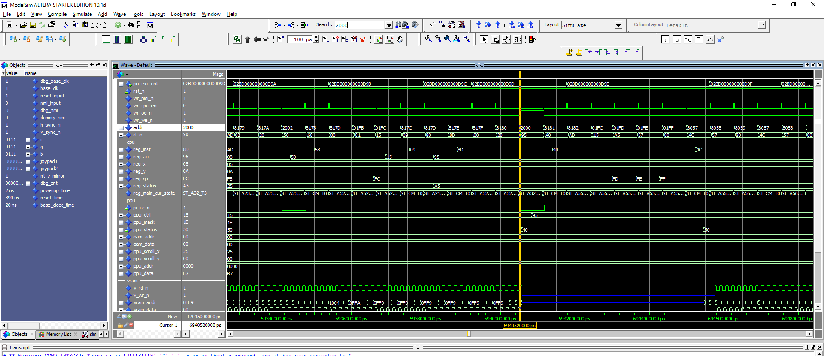

restored here.

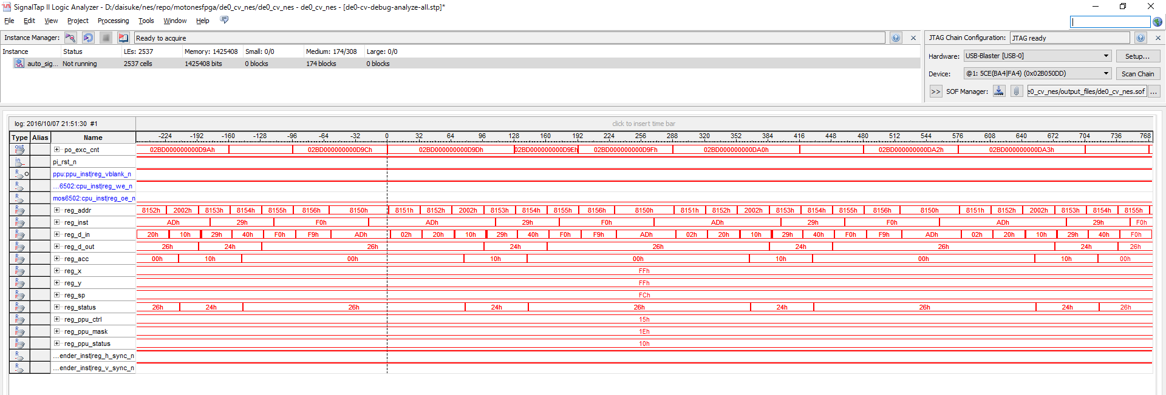

different.

sprite waiting but never comes up!

