smb debug
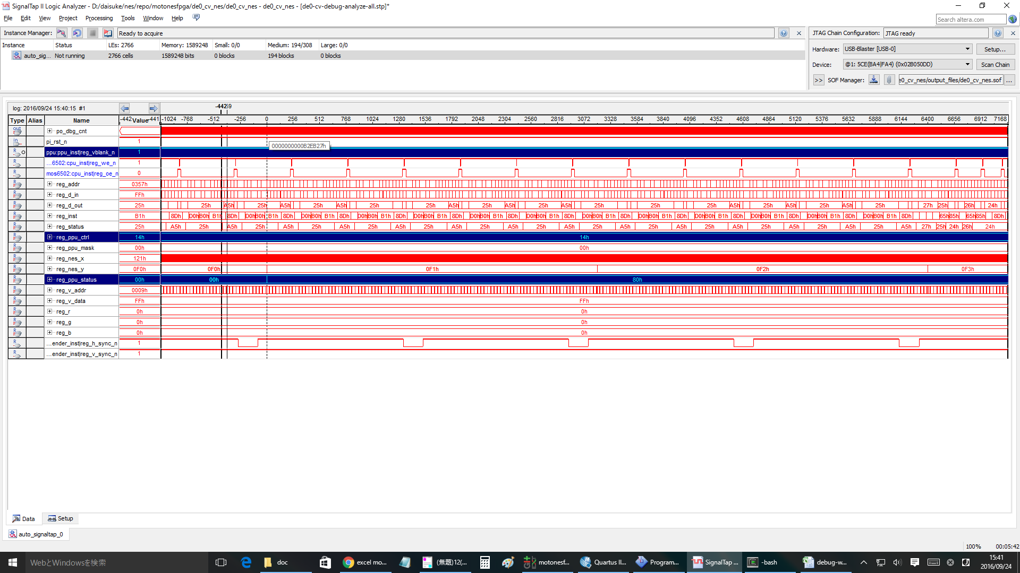
無限ループ |  |  |  |  | NMI | RTI
804f: ad 78 07 LDA $0778 |  |  |  |  | ： | ：
8052: 09 80 ORA #$80 |  |  |  |  | ： | ：
8054: 20 ed 8e JSR $8eed |  |  |  |  | ： | ：
8eed: 8d 00 20 STA $2000 |  |  |  |  | ： | ：
8ef0: 8d 78 07 STA $0778 |  |  |  |  | 8057: 4c 57 80 JMP $8057 | 8178: ad 02 20 LDA $2002
8ef3: 60 RTS |  |  |  |  | 8057: 4c 57 80 JMP $8057 | 817b: 68 PLA
8057: 4c 57 80 JMP $8057 |  |  |  |  | 8057: 4c 57 80 JMP $8057 | 817c: 09 80 ORA #$80
8057: 4c 57 80 JMP $8057 |  |  |  |  | 8082: ad 78 07 LDA $0778 | 817e: 8d 00 20 STA $2000
8057: 4c 57 80 JMP $8057 |  |  |  |  | 8085: 29 7f AND #$7f | 8181: 40 RTI
8057: 4c 57 80 JMP $8057 |  |  |  |  | 8087: 8d 78 07 STA $0778 | 8057: 4c 57 80 JMP $8057
8057: 4c 57 80 JMP $8057 |  |  |  |  | 808a: 29 7e AND #$7e | 8057: 4c 57 80 JMP $8057
： |  |  |  |  | 808c: 8d 00 20 STA $2000 | 8057: 4c 57 80 JMP $8057
： |  |  |  |  | ： | 8057: 4c 57 80 JMP $8057
： |  |  |  |  | ： | ：
： |  |  |  |  | ： | ：
： |  |  |  |  |  | ：
 |  |  |  |  |  | ：

1回目のinf loopはOK
cnt= | DACE4 | 付近

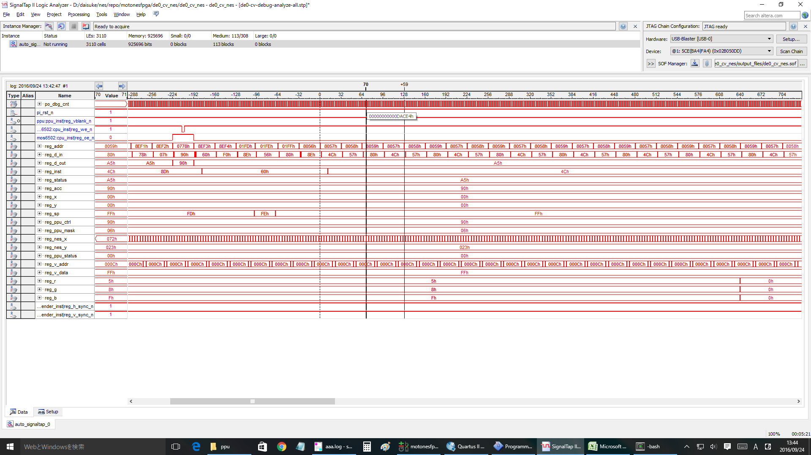

1回目の | NMI | OK
cnt= | 12B411 | 付近

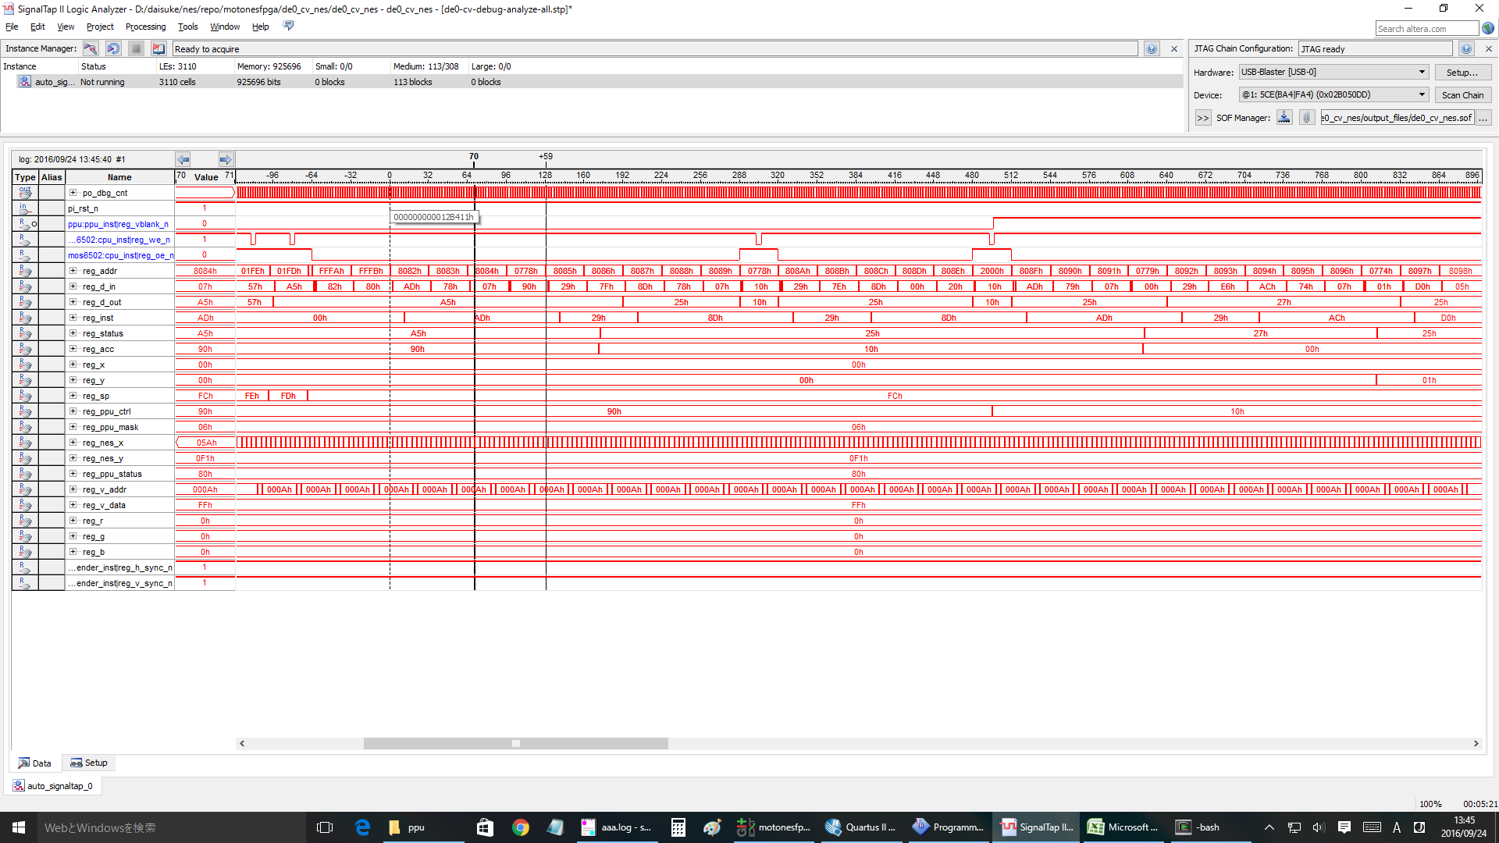

1回目の | RTI | OK
cnt= | 241264 | 付近

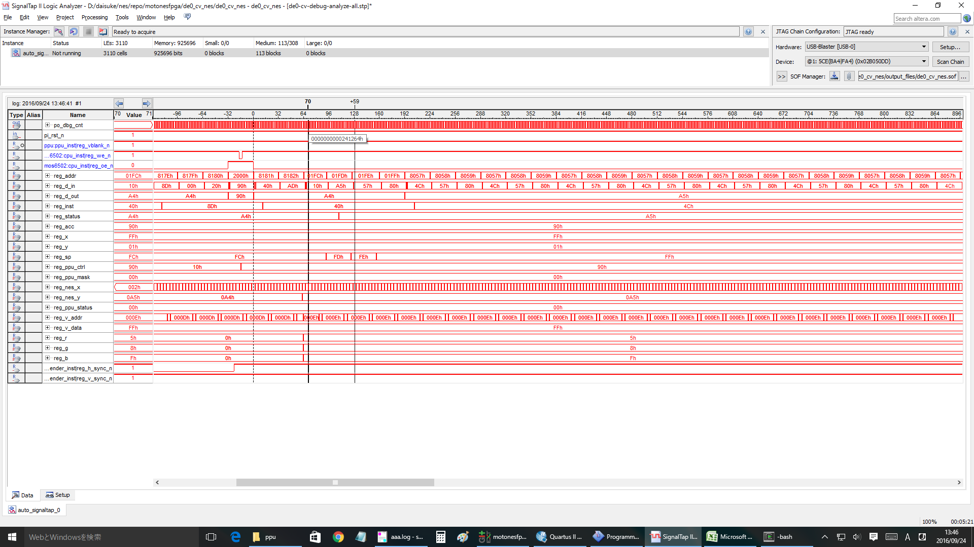

2回目 | nmi
cnt= | 25ED60 | 付近 | と想定 | >> nmi ok.

#3 | nmi
cnt= | 2C5600 | 付近 | と想定 | >>ok

#4 | nmi
cnt= | 32BEA0 | 付近 | >ok

#5 | nmi
cnt= | 392740 | 付近 | >ok

#10 | nmi
cnt= | 5F9B00 | 付近 | >ok

#20 | nmi
cnt= | 7FA620 | 付近 | ok

#25 | ok
#26 | ok |  |  | clock= | A619E0
#27 | ok |  |  | clock= | AC8280
#28 | ng | <<<wrong!!! |  | clock= | B2EB20
#30 | ng

 | #28 case

emu-info
sprite 0のみ設定
nmi | 1b | 27 | 回目 | BGなし
 | 1c | 28 | 回目 | BGのみ | sprite hit @(90, 29)
 | 1d | 29 | 回目 | BG+Spr
 | 1e | 30 | 回目 | BG+Spr

 | motonesemu start...
 | joypad key entry:
 | select button: <Tab>
 | start button: <Enter>
 | up key: Q, W, E, R
 | down key: Z, X, C, V, B
 | left key: A, S
 | right key: D, F
 | A button: <:>, <]>
 | B button: L, <;>
 | cpu clock started.
 | 8000: 78 SEI
 | motonesemu: motonesemu: motonesemu: motonesemu: 1b00000000000000
 | 1b, 0
 | motonesemu: motonesemu: ------------------
 | break...

 | clock: 1b00000000000000
 | 6502 CPU registers:
 | pc: 8082
 | acc: 90
 | x: ff
 | y: ff
 | sp: fc
 | status:
 | negative: 1
 | overflow: 0
 | break: 0
 | decimal: 0
 | irq: 1
 | zero: 0
 | carry: 1
 | -------------------
 | 1b00000000000000 8082: ad 78 07 LDA $0778
 | 0000: f8 00 00 00 f8 00 00 00 f8 00 00 00 f8 00 00 00
 | 0010: f8 00 00 00 f8 00 00 00 f8 00 00 00 f8 00 00 00
 | 0020: f8 00 00 00 f8 00 00 00 f8 00 00 00 f8 00 00 00
 | 0030: f8 00 00 00 f8 00 00 00 f8 00 00 00 f8 00 00 00
 | 0040: f8 00 00 00 f8 00 00 00 f8 00 00 00 f8 00 00 00
 | 0050: f8 00 00 00 f8 00 00 00 f8 00 00 00 f8 00 00 00
 | 0060: f8 00 00 00 f8 00 00 00 f8 00 00 00 f8 00 00 00
 | 0070: f8 00 00 00 f8 00 00 00 f8 00 00 00 f8 00 00 00
 | 0080: f8 00 00 00 f8 00 00 00 f8 00 00 00 f8 00 00 00
 | 0090: f8 00 00 00 f8 00 00 00 f8 00 00 00 f8 00 00 00
 | 00a0: f8 00 00 00 f8 00 00 00 f8 00 00 00 f8 00 00 00
1bのnmiでDMAしてspriteを設定していると思う。
 | 00b0: f8 00 00 00 f8 00 00 00 f8 00 00 00 f8 00 00 00
 | 00c0: f8 00 00 00 f8 00 00 00 f8 00 00 00 f8 00 00 00
 | 00d0: f8 00 00 00 f8 00 00 00 f8 00 00 00 f8 00 00 00
 | 00e0: f8 00 00 00 f8 00 00 00 f8 00 00 00 f8 00 00 00
 | 00f0: f8 00 00 00 f8 00 00 00 f8 00 00 00 f8 00 00 00

 | motonesemu: 1c00000000000000
 | 1c, 0
 | motonesemu: motonesemu: sprite hit @(89, 29)
 | sprite hit @(90, 29)
 | sprite hit @(91, 29)
 | sprite hit @(92, 29)
 | sprite hit @(93, 29)
 | sprite hit @(90, 30)
 | sprite hit @(91, 30)
 | sprite hit @(92, 30)
 | ------------------
 | break...

 | clock: 1c00000000000000
 | 6502 CPU registers:
 | pc: 8082
 | acc: 90
 | x: 05
 | y: 00
 | sp: fc
 | status:
 | negative: 1
 | overflow: 0
 | break: 0
 | decimal: 0
 | irq: 1
 | zero: 0
 | carry: 1
 | -------------------
 | 1c00000000000000 8082: ad 78 07 LDA $0778
 | 0000: 18 ff 23 58 f8 00 00 00 f8 00 00 00 f8 00 00 00
 | 0010: f8 00 00 00 f8 00 00 00 f8 00 00 00 f8 00 00 00
 | 0020: f8 00 00 00 f8 00 00 00 f8 00 00 00 f8 00 00 00
 | 0030: f8 00 00 00 f8 00 00 00 f8 00 00 00 f8 00 00 00
 | 0040: f8 00 00 00 f8 00 00 00 f8 00 00 00 f8 00 00 00
 | 0050: f8 00 00 00 f8 00 00 00 f8 00 00 00 f8 00 00 00
 | 0060: f8 00 00 00 f8 00 00 00 f8 00 00 00 f8 00 00 00
 | 0070: f8 00 00 00 f8 00 00 00 f8 00 00 00 f8 00 00 00
 | 0080: f8 00 00 00 f8 00 00 00 f8 00 00 00 f8 00 00 00
 | 0090: f8 00 00 00 f8 00 00 00 f8 00 00 00 f8 00 00 00
 | 00a0: f8 00 00 00 f8 00 00 00 f8 00 00 00 f8 00 00 00
 | 00b0: f8 00 00 00 f8 00 00 00 f8 00 00 00 f8 00 00 00
 | 00c0: f8 00 00 00 f8 00 00 00 f8 00 00 00 f8 00 00 00
 | 00d0: f8 00 00 00 f8 00 00 00 f8 00 00 00 f8 00 00 00
 | 00e0: f8 00 00 00 f8 00 00 00 f8 00 00 00 f8 00 00 00
 | 00f0: f8 00 00 00 f8 00 00 00 f8 00 00 00 f8 00 00 00

 | motonesemu: 1d00000000000000
 | 1d, 0
 | motonesemu: motonesemu: sprite hit @(89, 29)
 | sprite hit @(90, 29)
 | sprite hit @(91, 29)
 | sprite hit @(92, 29)
 | sprite hit @(93, 29)
 | sprite hit @(90, 30)
 | sprite hit @(91, 30)
 | sprite hit @(92, 30)
 | ------------------
 | break...

 | clock: 1d00000000000000
 | 6502 CPU registers:
 | pc: 8082
 | acc: 90
 | x: 05
 | y: 00
 | sp: fc
 | status:
 | negative: 1
 | overflow: 0
 | break: 0
 | decimal: 0
 | irq: 1
 | zero: 0
 | carry: 1
 | -------------------
 | 1d00000000000000 8082: ad 78 07 LDA $0778
 | 0000: 18 ff 23 58 b0 fc 00 28 b0 fc 00 30 b8 fc 00 28
 | 0010: b8 fc 00 30 c0 3a 00 28 c0 37 00 30 c8 4f 00 28
 | 0020: c8 4f 40 30 f8 00 00 00 f8 00 00 00 f8 00 00 00
 | 0030: f8 00 00 00 f8 00 00 00 f8 00 00 00 f8 00 00 00
 | 0040: f8 00 00 00 f8 00 00 00 f8 00 00 00 f8 00 00 00
 | 0050: f8 00 00 00 f8 00 00 00 f8 00 00 00 f8 00 00 00
 | 0060: f8 00 00 00 f8 00 00 00 f8 00 00 00 f8 00 00 00
 | 0070: f8 00 00 00 f8 00 00 00 f8 00 00 00 f8 00 00 00
 | 0080: f8 00 00 00 f8 00 00 00 f8 00 00 00 f8 00 00 00
 | 0090: f8 00 00 00 f8 00 00 00 f8 00 00 00 f8 00 00 00
 | 00a0: f8 00 00 00 f8 00 00 00 f8 00 00 00 f8 00 00 00
 | 00b0: f8 00 00 00 f8 00 00 00 f8 00 00 00 f8 00 00 00
 | 00c0: f8 00 00 00 f8 00 00 00 f8 00 00 00 f8 00 00 00
 | 00d0: f8 00 00 00 f8 00 00 00 f8 00 00 00 f8 00 00 00
 | 00e0: f8 00 00 00 f8 00 00 00 f8 00 00 00 f8 00 00 00
 | 00f0: f8 00 00 00 f8 00 00 00 f8 00 00 00 f8 00 00 00

 | motonesemu: 1e00000000000000
 | 1e, 0
 | motonesemu: motonesemu: sprite hit @(89, 29)
 | sprite hit @(90, 29)
 | sprite hit @(91, 29)
 | sprite hit @(92, 29)
 | sprite hit @(93, 29)
 | sprite hit @(90, 30)
 | sprite hit @(91, 30)
 | sprite hit @(92, 30)
 | ------------------
 | break...

 | clock: 1e00000000000000
 | 6502 CPU registers:
 | pc: 8082
 | acc: 90
 | x: 05
 | y: 05
 | sp: fc
 | status:
 | negative: 1
 | overflow: 0
 | break: 0
 | decimal: 0
 | irq: 1
 | zero: 0
 | carry: 1
 | -------------------
 | 1e00000000000000 8082: ad 78 07 LDA $0778
 | 0000: 18 ff 23 58 b0 fc 00 28 b0 fc 00 30 b8 fc 00 28
 | 0010: b8 fc 00 30 c0 3a 00 28 c0 37 00 30 c8 4f 00 28
 | 0020: c8 4f 40 30 f8 00 00 00 f8 00 00 00 f8 00 00 00
 | 0030: f8 00 00 00 f8 00 00 00 f8 00 00 00 f8 00 00 00
 | 0040: f8 00 00 00 f8 00 00 00 f8 00 00 00 f8 00 00 00
 | 0050: f8 00 00 00 f8 00 00 00 f8 00 00 00 f8 00 00 00
 | 0060: f8 00 00 00 f8 00 00 00 f8 00 00 00 f8 00 00 00
 | 0070: f8 00 00 00 f8 00 00 00 f8 00 00 00 f8 00 00 00
 | 0080: f8 00 00 00 f8 00 00 00 f8 00 00 00 f8 00 00 00
 | 0090: f8 00 00 00 f8 00 00 00 f8 00 00 00 f8 00 00 00
 | 00a0: f8 00 00 00 f8 00 00 00 f8 00 00 00 f8 00 00 00
 | 00b0: f8 00 00 00 f8 00 00 00 f8 00 00 00 f8 00 00 00
 | 00c0: f8 00 00 00 f8 00 00 00 f8 00 00 00 f8 00 00 00
 | 00d0: f8 00 00 00 f8 00 00 00 f8 00 00 00 f8 00 00 00
 | 00e0: f8 00 00 00 f8 00 00 00 f8 00 00 00 f8 00 00 00
 | 00f0: f8 00 00 00 f8 00 00 00 f8 00 00 00 f8 00 00 00

 | motonesemu: quit...
 | clean data...
 | cpu clock thread joined.

