smb debug
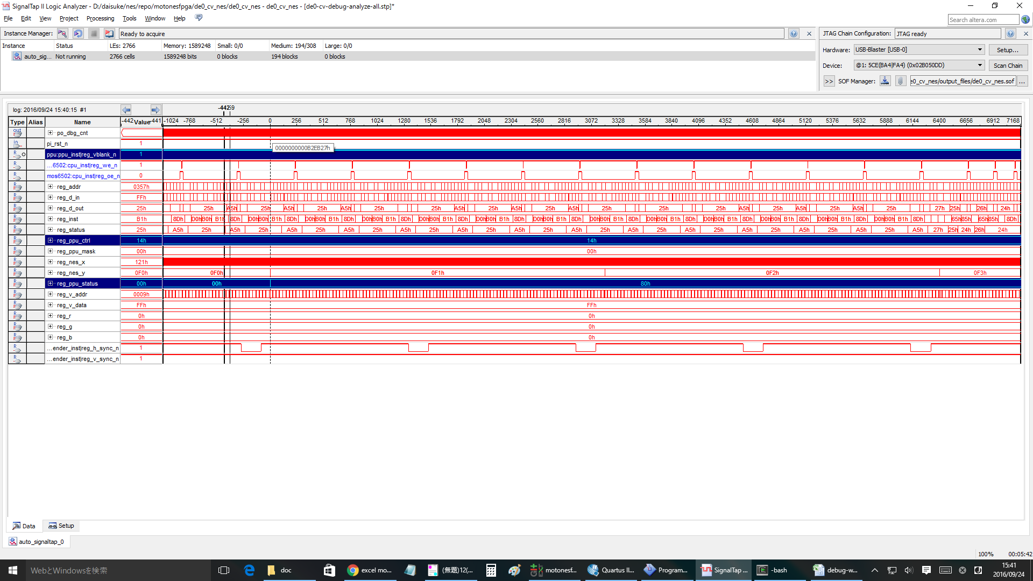
無限ループ |  |  |  |  | NMI | RTI
804f: ad 78 07 LDA $0778 |  |  |  |  | ： | ：
8052: 09 80 ORA #$80 |  |  |  |  | ： | ：
8054: 20 ed 8e JSR $8eed |  |  |  |  | ： | ：
8eed: 8d 00 20 STA $2000 |  |  |  |  | ： | ：
8ef0: 8d 78 07 STA $0778 |  |  |  |  | 8057: 4c 57 80 JMP $8057 | 8178: ad 02 20 LDA $2002
8ef3: 60 RTS |  |  |  |  | 8057: 4c 57 80 JMP $8057 | 817b: 68 PLA
8057: 4c 57 80 JMP $8057 |  |  |  |  | 8057: 4c 57 80 JMP $8057 | 817c: 09 80 ORA #$80
8057: 4c 57 80 JMP $8057 |  |  |  |  | 8082: ad 78 07 LDA $0778 | 817e: 8d 00 20 STA $2000
8057: 4c 57 80 JMP $8057 |  |  |  |  | 8085: 29 7f AND #$7f | 8181: 40 RTI
8057: 4c 57 80 JMP $8057 |  |  |  |  | 8087: 8d 78 07 STA $0778 | 8057: 4c 57 80 JMP $8057
8057: 4c 57 80 JMP $8057 |  |  |  |  | 808a: 29 7e AND #$7e | 8057: 4c 57 80 JMP $8057
： |  |  |  |  | 808c: 8d 00 20 STA $2000 | 8057: 4c 57 80 JMP $8057
： |  |  |  |  | ： | 8057: 4c 57 80 JMP $8057
： |  |  |  |  | ： | ：
： |  |  |  |  | ： | ：
： |  |  |  |  |  | ：
 |  |  |  |  |  | ：

1回目のinf loopはOK
cnt= | DACE4 | 付近

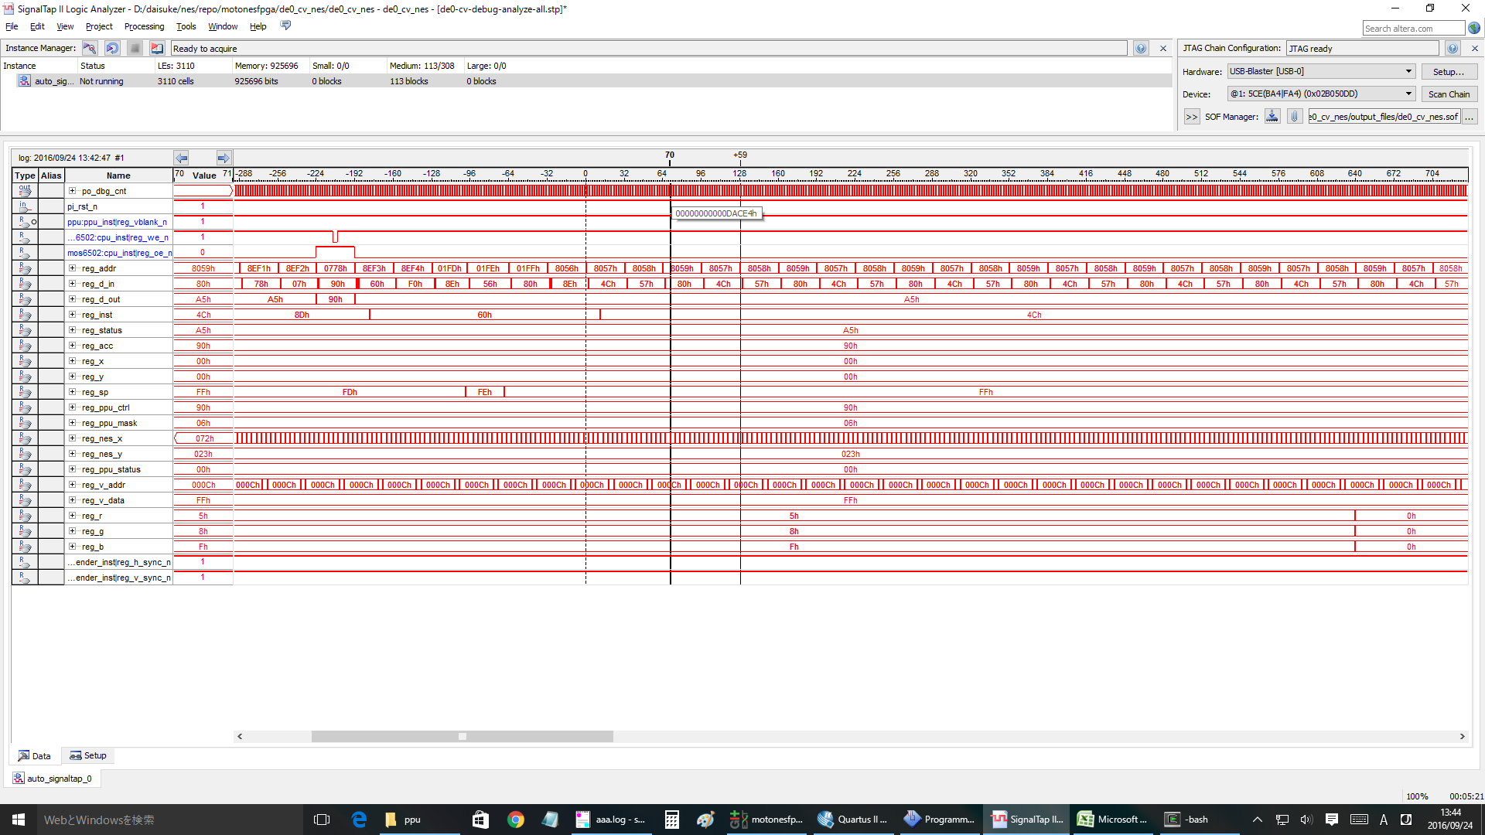

1回目の | NMI | OK
cnt= | 12B411 | 付近

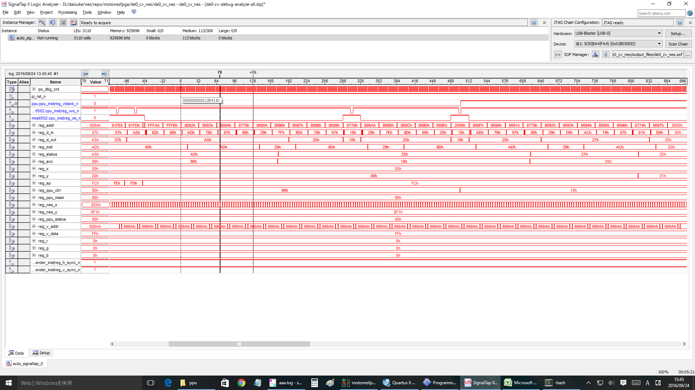

1回目の | RTI | OK
cnt= | 241264 | 付近

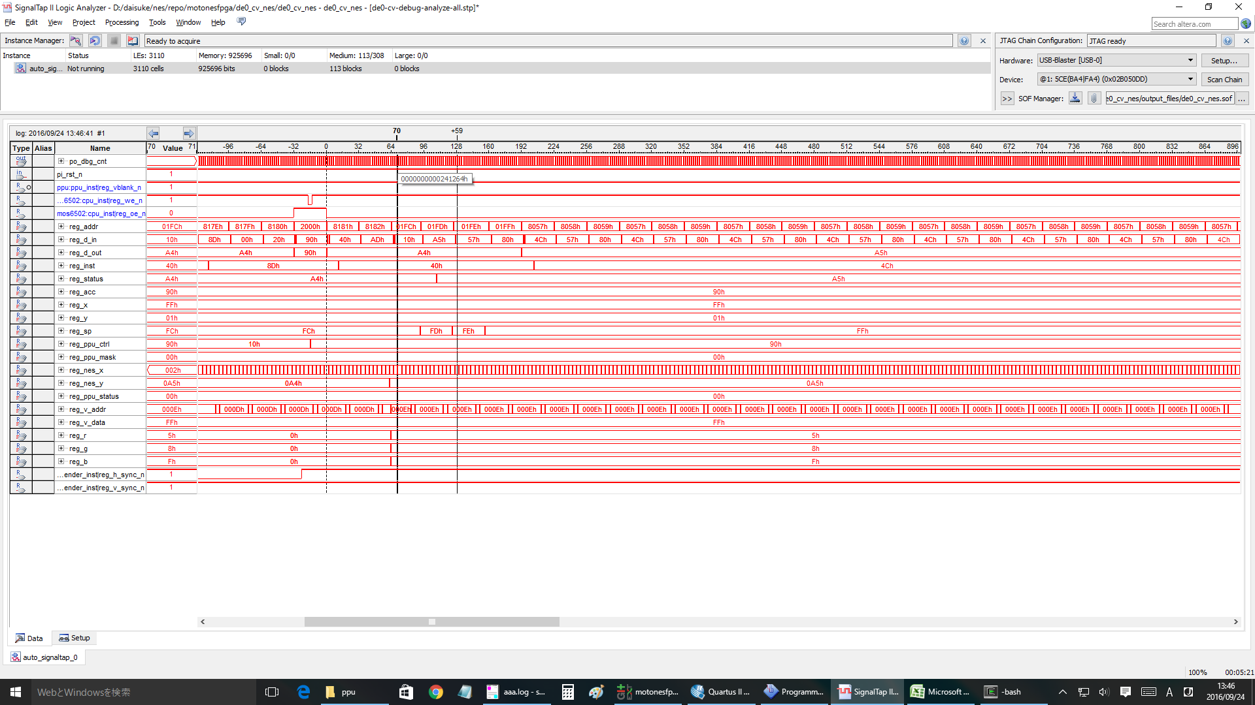

2回目 | nmi
cnt= | 25ED60 | 付近 | と想定 | >> nmi ok.

#3 | nmi
cnt= | 2C5600 | 付近 | と想定 | >>ok

#4 | nmi
cnt= | 32BEA0 | 付近 | >ok

#5 | nmi
cnt= | 392740 | 付近 | >ok

#10 | nmi
cnt= | 5F9B00 | 付近 | >ok

#20 | nmi
cnt= | 7FA620 | 付近 | ok

#25 | ok
#26 | ok |  |  | clock= | A619E0
#27 | ok |  |  | clock= | AC8280
#28 | ng | <<<wrong!!! |  | clock= | B2EB20
#30 | ng

 | #28 case

emu-info
sprite 0のみ設定
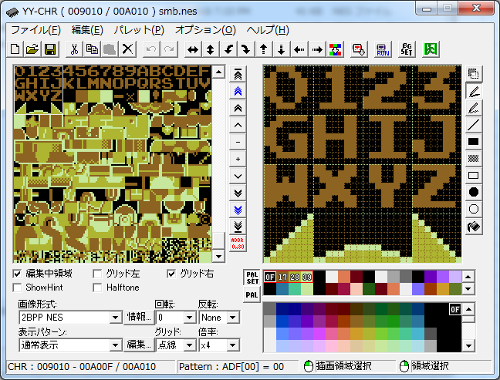
nmi | 1b | 27 | 回目 | BGなし
 | 1c | 28 | 回目 | BGのみ | sprite hit @(90, 29)
 | 1d | 29 | 回目 | BG+Spr
pattern index @ 1000
 | 1e | 30 | 回目 | BG+Spr

 | motonesemu start...
 | joypad key entry:
 | select button: <Tab>
 | start button: <Enter>
 | up key: Q, W, E, R |  |  |  |  | control reg1
 | down key: Z, X, C, V, B |  |  |  |  | nmi_vblank:1
 | left key: A, S |  |  |  |  | sprite_size:0
 | right key: D, F |  |  |  |  | bg_ptn:1
 | A button: <:>, <]> |  |  |  |  | spr_ptn:0
 | B button: L, <;> |  |  |  |  | inc size:0
 | cpu clock started. |  |  |  |  | name tbl:0
 | 8000: 78 SEI
 | motonesemu: motonesemu: motonesemu: motonesemu: 1b00000000000000 |  |  |  |  | control reg2
 | 1b, 0 |  |  |  |  | intense r:0
 | motonesemu: motonesemu: ------------------ |  |  |  |  | intense g:0
 | break... |  |  |  |  | intense b:0
 |  |  |  |  |  | show spr:1
 | clock: 1b00000000000000 |  |  |  |  | show bg:1
 | 6502 CPU registers: |  |  |  |  | left 8 pix spr:1
 | pc: 8082 |  |  |  |  | left 8 pix bg:1
 | acc: 90 |  |  |  |  | col mode:0 | 1000 | 4096 | 0 | 80 | 0x2000 | byte
 | x: ff |  |  |  |  |  | 1001 | 4128 | 1 | 81 | 256 | chars
 | y: ff |  |  |  |  | status reg | 1002 | 4160 | 2 | 82 | 1 char = 32 byte
 | sp: fc |  |  |  |  | vram_ignore:0 | 1003 | 4192 | 3 | 83 | 1 char has high and low pattern
 | status: |  |  |  |  | sprite_overflow:0 | 1004 | 4224 | 4 | 84 | each pattern has 8 x 8 pixels
 | negative: 1 |  |  |  |  | sprite0_hit:0 | 1005 | 4256 | 5 | 85 | 128 pix = 128/8 = 16 byte.
 | overflow: 0 |  |  |  |  | vblank:1 | 1006 | 4288 | 6 | 86 | 2 pattern = 32 byte each.
 | break: 0 |  |  |  |  |  | 1007 | 4320 | 7 | 87
 | decimal: 0 |  |  |  |  | vram_addr_reg:0000 | 1008 | 4352 | 8 | 88
 | irq: 1 |  |  |  |  | vram_data_reg:18 | 1009 | 4384 | 9 | 89
 | zero: 0 |  |  |  |  |  | 1010 | 4416 | A | 90
 | carry: 1 |  |  |  |  | scroll_reg: | 1011 | 4448 | B | 91
 | ------------------- |  |  |  |  | x:0 | 1012 | 4480 | C | 92
 | 1b00000000000000 8082: ad 78 07 LDA $0778 |  |  |  |  | y:0 | 1013 | 4512 | D | 93
 | 0000: f8 00 00 00 f8 00 00 00 f8 00 00 00 f8 00 00 00 |  |  |  |  |  | 1014 | 4544 | E | 94
 | 0010: f8 00 00 00 f8 00 00 00 f8 00 00 00 f8 00 00 00 |  |  |  |  |  | 1015 | 4576 | F | 95
 | 0020: f8 00 00 00 f8 00 00 00 f8 00 00 00 f8 00 00 00 |  |  |  |  |  | 1016 | 4608 | G | 96
 | 0030: f8 00 00 00 f8 00 00 00 f8 00 00 00 f8 00 00 00 |  |  |  |  |  | 1017 | 4640 | H | 97
 | 0040: f8 00 00 00 f8 00 00 00 f8 00 00 00 f8 00 00 00 |  |  |  |  |  | 1018 | 4672 | I | 98
 | 0050: f8 00 00 00 f8 00 00 00 f8 00 00 00 f8 00 00 00 |  |  |  |  |  | 1019 | 4704 | J | 99
 | 0060: f8 00 00 00 f8 00 00 00 f8 00 00 00 f8 00 00 00 |  |  |  |  |  | 1020 | 4736 | K | 100
 | 0070: f8 00 00 00 f8 00 00 00 f8 00 00 00 f8 00 00 00 |  |  |  |  |  | 1021 | 4768 | L | 101
 | 0080: f8 00 00 00 f8 00 00 00 f8 00 00 00 f8 00 00 00 |  |  |  |  |  | 1022 | 4800 | M | 102
 | 0090: f8 00 00 00 f8 00 00 00 f8 00 00 00 f8 00 00 00 |  |  |  |  |  | 1023 | 4832 | N | 103
 | 00a0: f8 00 00 00 f8 00 00 00 f8 00 00 00 f8 00 00 00 |  |  |  |  |  | 1024 | 4864 | O | 104
1bのnmiでDMAしてspriteを設定していると思う。
 | 00b0: f8 00 00 00 f8 00 00 00 f8 00 00 00 f8 00 00 00 |  |  |  |  |  | 1025 | 4896 | P | 105
 | 00c0: f8 00 00 00 f8 00 00 00 f8 00 00 00 f8 00 00 00 |  |  |  |  |  | 1026 | 4928 | Q | 106
 | 00d0: f8 00 00 00 f8 00 00 00 f8 00 00 00 f8 00 00 00 |  |  |  |  |  | 1027 | 4960 | R | 107
 | 00e0: f8 00 00 00 f8 00 00 00 f8 00 00 00 f8 00 00 00 |  |  |  |  |  | 1028 | 4992 | S | 108
 | 00f0: f8 00 00 00 f8 00 00 00 f8 00 00 00 f8 00 00 00 |  |  |  |  |  | 1029 | 5024 | T | 109
 |  |  |  |  |  |  | 1030 | 5056 | U | 110
 | motonesemu: 1c00000000000000 |  |  |  |  |  | 1031 | 5088 | V | 111
 | 1c, 0 |  |  |  |  |  | 1032 | 5120 | W | 112
 | motonesemu: motonesemu: sprite hit @(89, 29) |  |  |  |  |  | 1033 | 5152 | X | 113
 | sprite hit @(90, 29) |  |  |  |  |  | 1034 | 5184 | Y | 114
 | sprite hit @(91, 29) |  |  |  |  |  | 1035 | 5216 | Z | 115
 | sprite hit @(92, 29)
 | sprite hit @(93, 29)
 | sprite hit @(90, 30)
 | sprite hit @(91, 30)
 | sprite hit @(92, 30)
 | ------------------
 | break...

 | clock: 1c00000000000000
 | 6502 CPU registers:
 | pc: 8082
 | acc: 90
 | x: 05
 | y: 00
 | sp: fc
 | status:
 | negative: 1
 | overflow: 0
 | break: 0
 | decimal: 0
 | irq: 1
 | zero: 0
 | carry: 1
 | -------------------
 | 1c00000000000000 8082: ad 78 07 LDA $0778
 | 0000: 18 ff 23 58 f8 00 00 00 f8 00 00 00 f8 00 00 00
 | 0010: f8 00 00 00 f8 00 00 00 f8 00 00 00 f8 00 00 00
 | 0020: f8 00 00 00 f8 00 00 00 f8 00 00 00 f8 00 00 00
 | 0030: f8 00 00 00 f8 00 00 00 f8 00 00 00 f8 00 00 00
 | 0040: f8 00 00 00 f8 00 00 00 f8 00 00 00 f8 00 00 00
 | 0050: f8 00 00 00 f8 00 00 00 f8 00 00 00 f8 00 00 00
 | 0060: f8 00 00 00 f8 00 00 00 f8 00 00 00 f8 00 00 00
 | 0070: f8 00 00 00 f8 00 00 00 f8 00 00 00 f8 00 00 00
 | 0080: f8 00 00 00 f8 00 00 00 f8 00 00 00 f8 00 00 00
 | 0090: f8 00 00 00 f8 00 00 00 f8 00 00 00 f8 00 00 00
 | 00a0: f8 00 00 00 f8 00 00 00 f8 00 00 00 f8 00 00 00
 | 00b0: f8 00 00 00 f8 00 00 00 f8 00 00 00 f8 00 00 00
 | 00c0: f8 00 00 00 f8 00 00 00 f8 00 00 00 f8 00 00 00
 | 00d0: f8 00 00 00 f8 00 00 00 f8 00 00 00 f8 00 00 00
 | 00e0: f8 00 00 00 f8 00 00 00 f8 00 00 00 f8 00 00 00
 | 00f0: f8 00 00 00 f8 00 00 00 f8 00 00 00 f8 00 00 00

 | motonesemu: 1d00000000000000
 | 1d, 0
 | motonesemu: motonesemu: sprite hit @(89, 29)
 | sprite hit @(90, 29)
 | sprite hit @(91, 29)
 | sprite hit @(92, 29)
 | sprite hit @(93, 29)
 | sprite hit @(90, 30)
 | sprite hit @(91, 30)
 | sprite hit @(92, 30)
 | ------------------
 | break...

 | clock: 1d00000000000000
 | 6502 CPU registers:
 | pc: 8082
 | acc: 90
 | x: 05
 | y: 00
 | sp: fc
 | status:
 | negative: 1
 | overflow: 0
 | break: 0
 | decimal: 0
 | irq: 1
 | zero: 0
 | carry: 1
 | -------------------
 | 1d00000000000000 8082: ad 78 07 LDA $0778
 | 0000: 18 ff 23 58 b0 fc 00 28 b0 fc 00 30 b8 fc 00 28
 | 0010: b8 fc 00 30 c0 3a 00 28 c0 37 00 30 c8 4f 00 28
 | 0020: c8 4f 40 30 f8 00 00 00 f8 00 00 00 f8 00 00 00
 | 0030: f8 00 00 00 f8 00 00 00 f8 00 00 00 f8 00 00 00
 | 0040: f8 00 00 00 f8 00 00 00 f8 00 00 00 f8 00 00 00
 | 0050: f8 00 00 00 f8 00 00 00 f8 00 00 00 f8 00 00 00
 | 0060: f8 00 00 00 f8 00 00 00 f8 00 00 00 f8 00 00 00
 | 0070: f8 00 00 00 f8 00 00 00 f8 00 00 00 f8 00 00 00
 | 0080: f8 00 00 00 f8 00 00 00 f8 00 00 00 f8 00 00 00
 | 0090: f8 00 00 00 f8 00 00 00 f8 00 00 00 f8 00 00 00
 | 00a0: f8 00 00 00 f8 00 00 00 f8 00 00 00 f8 00 00 00
 | 00b0: f8 00 00 00 f8 00 00 00 f8 00 00 00 f8 00 00 00
 | 00c0: f8 00 00 00 f8 00 00 00 f8 00 00 00 f8 00 00 00
 | 00d0: f8 00 00 00 f8 00 00 00 f8 00 00 00 f8 00 00 00
 | 00e0: f8 00 00 00 f8 00 00 00 f8 00 00 00 f8 00 00 00
 | 00f0: f8 00 00 00 f8 00 00 00 f8 00 00 00 f8 00 00 00

 | motonesemu: 1e00000000000000
 | 1e, 0
 | motonesemu: motonesemu: sprite hit @(89, 29)
 | sprite hit @(90, 29)
 | sprite hit @(91, 29)
 | sprite hit @(92, 29)
 | sprite hit @(93, 29)
 | sprite hit @(90, 30)
 | sprite hit @(91, 30)
 | sprite hit @(92, 30)
 | ------------------
 | break...

 | clock: 1e00000000000000
 | 6502 CPU registers:
 | pc: 8082
 | acc: 90
 | x: 05
 | y: 05
 | sp: fc
 | status:
 | negative: 1
 | overflow: 0
 | break: 0
 | decimal: 0
 | irq: 1
 | zero: 0
 | carry: 1
 | -------------------
 | 1e00000000000000 8082: ad 78 07 LDA $0778
 | 0000: 18 ff 23 58 b0 fc 00 28 b0 fc 00 30 b8 fc 00 28
 | 0010: b8 fc 00 30 c0 3a 00 28 c0 37 00 30 c8 4f 00 28
 | 0020: c8 4f 40 30 f8 00 00 00 f8 00 00 00 f8 00 00 00
 | 0030: f8 00 00 00 f8 00 00 00 f8 00 00 00 f8 00 00 00
 | 0040: f8 00 00 00 f8 00 00 00 f8 00 00 00 f8 00 00 00
 | 0050: f8 00 00 00 f8 00 00 00 f8 00 00 00 f8 00 00 00
 | 0060: f8 00 00 00 f8 00 00 00 f8 00 00 00 f8 00 00 00
 | 0070: f8 00 00 00 f8 00 00 00 f8 00 00 00 f8 00 00 00
 | 0080: f8 00 00 00 f8 00 00 00 f8 00 00 00 f8 00 00 00
 | 0090: f8 00 00 00 f8 00 00 00 f8 00 00 00 f8 00 00 00
 | 00a0: f8 00 00 00 f8 00 00 00 f8 00 00 00 f8 00 00 00
 | 00b0: f8 00 00 00 f8 00 00 00 f8 00 00 00 f8 00 00 00
 | 00c0: f8 00 00 00 f8 00 00 00 f8 00 00 00 f8 00 00 00
 | 00d0: f8 00 00 00 f8 00 00 00 f8 00 00 00 f8 00 00 00
 | 00e0: f8 00 00 00 f8 00 00 00 f8 00 00 00 f8 00 00 00
 | 00f0: f8 00 00 00 f8 00 00 00 f8 00 00 00 f8 00 00 00

 | motonesemu: quit...
 | clean data...
 | cpu clock thread joined.

