circuit-emu
 |  | |> diode | vcc 3.3
test 1 | vcc 5v | > register |  | > fpga input

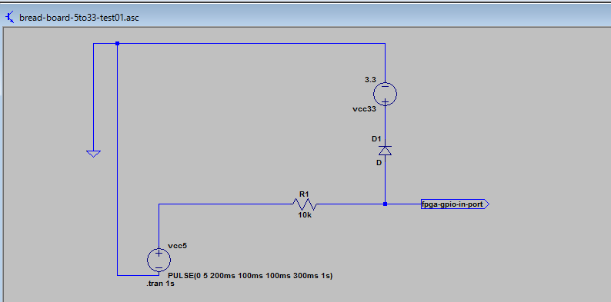

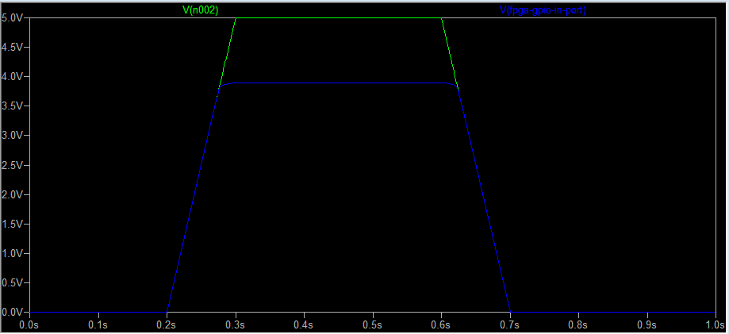

 | ok!

test 2 |  | > register | vcc 3.3
 | vcc 5v | |> diode |  | > fpga input

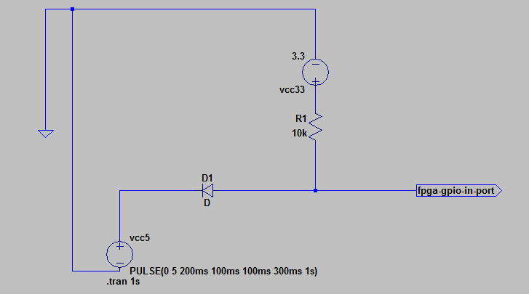

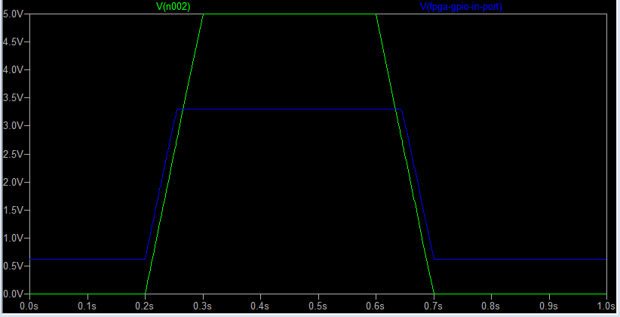

low out leaking??

test 3 | DE1 case.
 | vcc 5v | > register |  | > fpga input

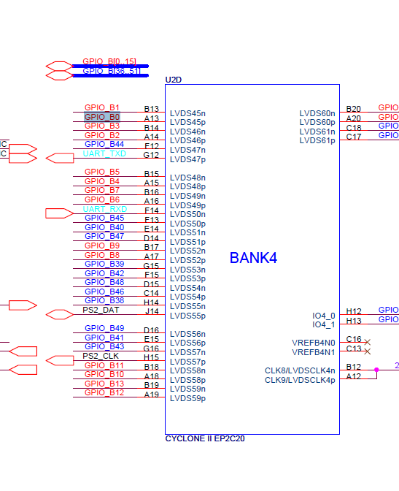

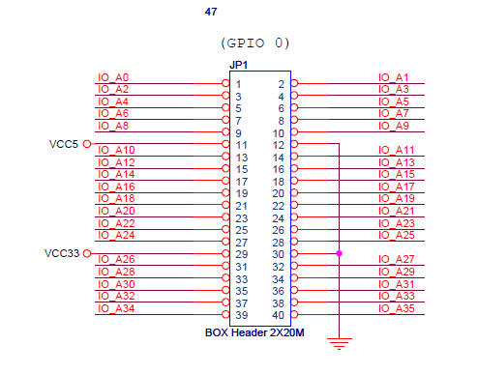
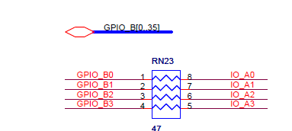

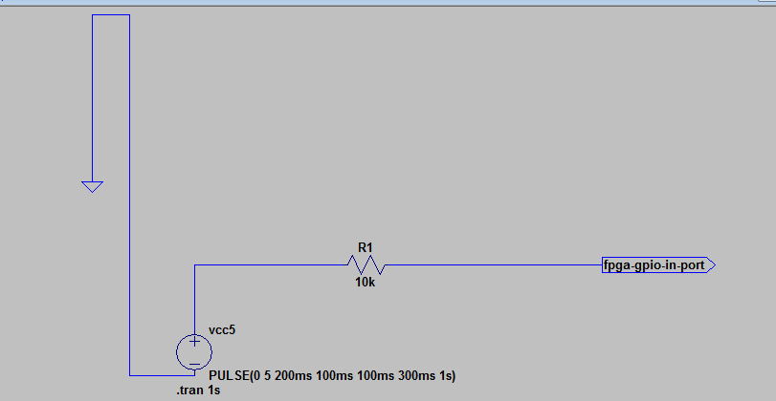

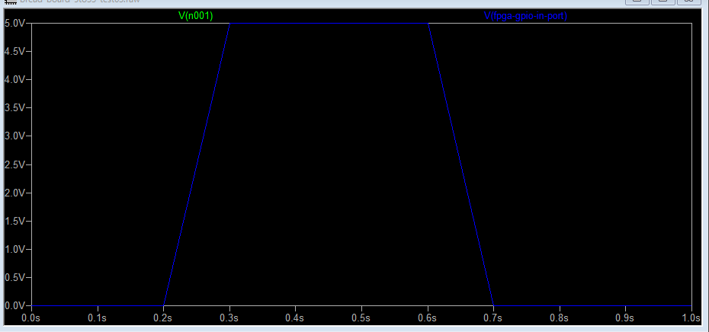

voltage is not decreased!!

test 4 | de0-cv manual simulation

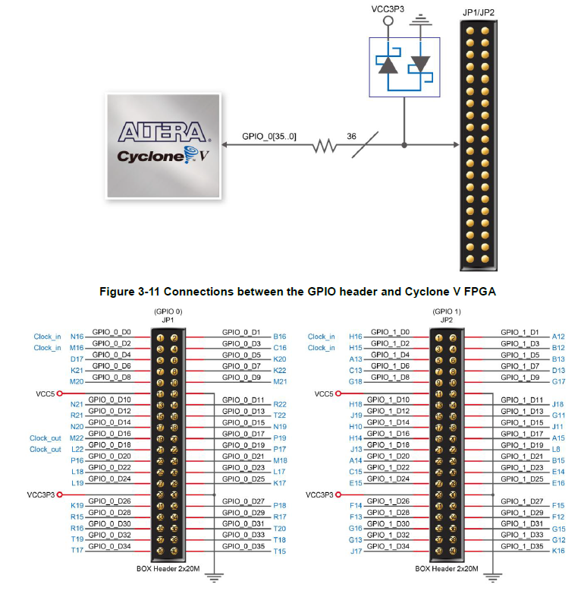

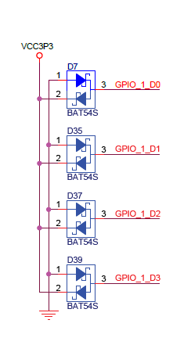

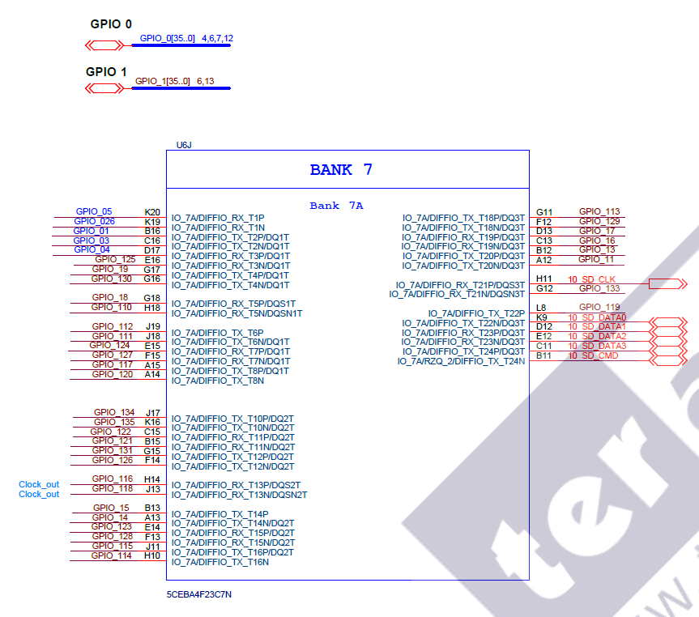

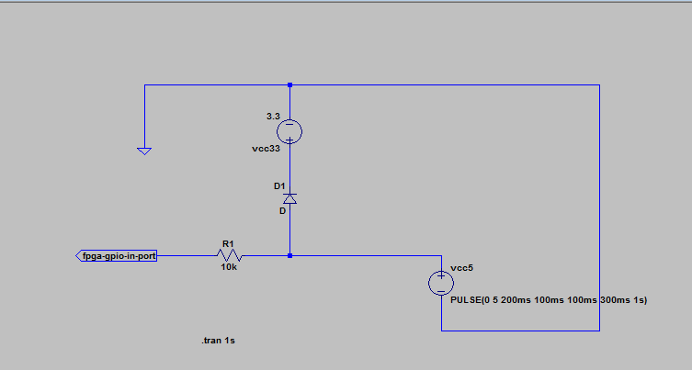

register position is reversed??

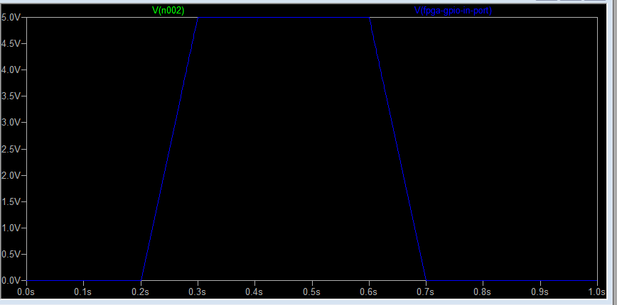

not protected!

level_shift_test01
bread board

 |  |  | 5v

level shifter

 |  |  | 3.3v

DE0 board

 |  |  |  | gpio 1 |  |  |  |  |  |  |  |  | gpio 0

led | 9 |  | 8 | 7 | 6 | 5 | 4 | 3 | 2 | 1 | 0 | led | 7 |  | 6 | 5 |  | 4 | 3 |  | 2 | 1 |  | 0

sw | 9 |  | 8 | 7 | 6 | 5 | 4 | 3 | 2 | 1 | 0 | btn |  | 3 |  |  | 2 |  |  | 1 |  |  | 0
 |  |  | count divide sw
 | direction |  |  |  |  |  |  |  |  |  |  |  |  | inc btn |  |  |  |  |  |  |  |  | rst btn

 | dir | on = cp gpio 0 to 1
 |  | off = cp gpio 1 to 0

logic-analyzer-result
2 clocks delayed.
no difference btn level shifter and diode level change.

universal-board
 | 40 | 39 | 38 | 37 | 36 | 35 | 34 | 33 | 32 | 31 | 30 | 29 | 28 | 27 | 26 | 25 | 24 | 23 | 22 | 21 | 20 | 19 | 18 | 17 | 16 | 15 | 14 | 13 | 12 | 11 | 10 | 9 | 8 | 7 | 6 | 5 | 4 | 3 | 2 | 1
1
2 |  |  |  |  |  |  |  |  |  |  |  |  |  |  |  |  |  |  |  |  |  |  |  |  |  |  |  |  |  |  |  |  |  |  |  |  |  |  |  |  | 1:GND
3 |  |  |  |  |  |  |  |  |  |  |  |  |  |  |  |  |  |  |  |  |  |  |  |  |  |  |  |  |  |  |  |  |  |  |  |  |  |  |  |  | 2:PRG-A11
4 |  |  |  |  |  |  |  |  |  |  |  |  |  |  |  |  |  |  |  |  |  |  |  |  |  |  |  |  |  |  |  |  |  |  |  |  |  |  |  |  | 3:PRG-A10
5 |  |  |  |  |  |  |  |  |  |  |  |  |  |  |  |  |  |  |  |  |  |  |  |  |  |  |  |  |  |  |  |  |  |  |  |  |  |  |  |  | 4:PRG-A9
6 |  |  |  |  |  |  |  |  |  |  |  |  |  |  |  |  |  |  |  |  |  |  |  |  |  |  |  |  |  |  |  |  |  |  |  |  |  |  |  |  | 5:PRG-A8
7 |  |  |  |  |  |  |  |  |  |  |  |  |  |  |  |  |  |  |  |  |  |  |  |  |  |  |  |  |  |  |  |  |  |  |  |  |  |  |  |  | 6:PRG-A7
8 |  |  |  |  |  |  |  |  |  |  |  |  |  |  |  |  |  |  |  |  |  |  |  |  |  |  |  |  |  |  |  |  |  |  |  |  |  |  |  |  | 7:PRG-A6
9 |  |  |  |  |  |  |  |  |  |  |  |  |  |  |  |  |  |  |  |  |  |  |  |  |  |  |  |  |  |  |  |  |  |  |  |  |  |  |  |  | 8:PRG-A5
10 |  |  |  |  |  |  |  |  |  |  |  |  |  |  |  |  |  |  |  |  |  |  |  |  |  |  |  |  |  |  |  |  |  |  |  |  |  |  |  |  | 9:PRG-A4
11 |  |  |  |  |  |  |  |  |  |  |  |  |  |  |  |  |  |  |  |  |  |  |  |  |  |  |  |  |  |  |  |  |  |  |  |  |  |  |  |  | 10:PRG-A3
12 |  |  |  |  |  |  |  |  |  |  |  |  |  |  |  |  |  |  |  |  |  |  |  |  |  |  |  |  |  |  |  |  |  |  |  |  |  |  |  |  | 11:PRG-A2
13 |  |  |  |  |  |  |  |  |  |  |  |  |  |  |  |  |  |  |  |  |  |  |  |  |  |  |  |  |  |  |  |  |  |  |  |  |  |  |  |  | 12:PRG-A1
14 |  |  |  |  |  |  |  |  |  |  |  |  |  |  |  |  |  |  |  |  |  |  |  |  |  |  |  |  |  |  |  |  |  |  |  |  |  |  |  |  | 13:PRG-A0
15 |  |  |  |  |  |  |  |  |  |  |  |  |  |  |  |  |  |  |  |  |  |  |  |  |  |  |  |  |  |  |  |  |  |  |  |  |  |  |  |  | 14:PRG-R/~W
16 |  |  |  |  |  |  |  |  |  |  |  |  |  |  |  |  |  |  |  |  |  |  |  |  |  |  |  |  |  |  |  |  |  |  |  |  |  |  |  |  | 15:~IRQ N/C (Out)
17 |  |  |  |  |  |  |  |  |  |  |  |  |  |  |  |  |  |  |  |  |  |  |  |  |  |  |  |  |  |  |  |  |  |  |  |  |  |  |  |  | 16:GND
18 |  |  |  |  |  |  |  |  |  |  |  |  |  |  |  |  |  |  |  |  |  |  |  |  |  |  |  |  |  |  |  |  |  |  |  |  |  |  |  |  | 17:~CHR-OE
19 |  |  |  |  |  |  |  |  |  |  |  |  |  |  |  |  |  |  |  |  |  |  |  |  |  |  |  |  |  |  |  |  |  |  |  |  |  |  |  |  | 18:VRAM-A10
20 |  |  |  |  |  |  |  |  |  |  |  |  |  |  |  |  |  |  |  |  |  |  |  |  |  |  |  |  |  |  |  |  |  |  |  |  |  |  |  |  | 19:CHR-A6
21 |  |  |  |  |  |  |  |  |  |  |  |  |  |  |  |  |  |  |  |  |  |  |  |  |  |  |  |  |  |  |  |  |  |  |  |  |  |  |  |  | 20:CHR-A5
22 |  |  |  |  |  |  |  |  |  |  |  |  |  |  |  |  |  |  |  |  |  |  |  |  |  |  |  |  |  |  |  |  |  |  |  |  |  |  |  |  | 21:CHR-A4
23 |  |  |  |  |  |  |  |  |  |  |  |  |  |  |  |  |  |  |  |  |  |  |  |  |  |  |  |  |  |  |  |  |  |  |  |  |  |  |  |  | 22:CHR-A3
24 |  |  |  |  |  |  |  |  |  |  |  |  |  |  |  |  |  |  |  |  |  |  |  |  |  |  |  |  |  |  |  |  |  |  |  |  |  |  |  |  | 23:CHR-A2
25 |  |  |  |  |  |  |  |  |  |  |  |  |  |  |  |  |  |  |  |  |  |  |  |  |  |  |  |  |  |  |  |  |  |  |  |  |  |  |  |  | 24:CHR-A1
26 |  |  |  |  |  |  |  |  |  |  |  |  |  |  |  |  |  |  |  |  |  |  |  |  |  |  |  |  |  |  |  |  |  |  |  |  |  |  |  |  | 25:CHR-A0
27 |  |  |  |  |  |  |  |  |  |  |  |  |  |  |  |  |  |  |  |  |  |  |  |  |  |  |  |  |  |  |  |  |  |  |  |  |  |  |  |  | 26:CHR-D0
28 |  |  |  |  |  |  |  |  |  |  |  |  |  |  |  |  |  |  |  |  |  |  |  |  |  |  |  |  |  |  |  |  |  |  |  |  |  |  |  |  | 27:CHR-D1
29 |  |  |  |  |  |  |  |  |  |  |  |  |  |  |  |  |  |  |  |  |  |  |  |  |  |  |  |  |  |  |  |  |  |  |  |  |  |  |  |  | 28:CHR-D2
hand hold space
hand hold space
30 |  |  |  |  |  |  |  |  |  |  |  |  |  |  |  |  |  |  |  |  |  |  |  |  |  |  |  |  |  |  |  |  |  |  |  |  |  |  |  |  | 29:CHR-D3
8bit level shifter (back)
/oe
gnd
vcc3
vcc5
8bit level shifter (back)
/oe
gnd
vcc3
vcc5
31 |  |  |  |  |  |  |  |  |  |  |  |  |  |  |  |  |  |  |  |  |  |  |  |  |  |  |  |  |  |  |  |  |  |  | irq |  |  |  |  |  | 30:Vcc
32 |  |  |  |  |  |  |  |  |  |  |  |  |  |  |  |  |  |  |  |  |  |  |  |  |  |  |  | nc | sin |  |  |  |  |  | va10
Front side
33 |  |  |  |  |  |  |  |  |  |  |  |  |  |  |  |  |  |  |  |  |  |  |  |  |  |  |  | c48 | sout
34 |  |  |  |  |  |  |  |  |  |  |  |  |  |  |  |  |  |  |  |  |  |  |  |  |  |  |  | c49
16bit level shifter (back)
1dir
/1oe
2dir
/2oe
gnd
gnd
gnd
gnd
gnd
gnd
gnd
gnd
vcc3
vcc3
vcc5
vcc5
35 |  |  |  |  |  |  |  |  |  |  |  |  |  |  |  |  |  |  |  |  |  |  |  |  |  |  |  |  |  |  | gnd |  |  | 5v
36
37 |  |  |  |  |  |  |  |  |  |  |  |  |  |  |  |  |  |  |  |  |  |  |  |  |  |  |  |  |  |  |  |  |  |  |  | 3v
38
39
40
41
42
16bit level shifter (back)
1dir
/1oe
2dir
/2oe
gnd
gnd
gnd
gnd
gnd
gnd
gnd
gnd
vcc3
vcc3
vcc5
vcc5
43
44
45
46
47
48
49

 |  |  | 1:GND | 2:PRG-A11 | 3:PRG-A10 | 4:PRG-A9 | 5:PRG-A8 | 6:PRG-A7 | 7:PRG-A6 | 8:PRG-A5 | 9:PRG-A4 | 10:PRG-A3 | 11:PRG-A2 | 12:PRG-A1 | 13:PRG-A0 | 14:PRG-R/~W | 15:~IRQ N/C (Out) | 16:GND | 17:~CHR-OE | 18:VRAM-A10 | 19:CHR-A6 | 20:CHR-A5 | 21:CHR-A4 | 22:CHR-A3 | 23:CHR-A2 | 24:CHR-A1 | 25:CHR-A0 | 26:CHR-D0 | 27:CHR-D1 | 28:CHR-D2 | 29:CHR-D3 | 30:Vcc
 |  |  | 31:Vcc | 32:??? N/C | 33:PRG-A12 | 34:PRG-A13 | 35:PRG-A14 | 36:PRG-D7 | 37:PRG-D6 | 38:PRG-D5 | 39:PRG-D4 | 40:PRG-D3 | 41:PRG-D2 | 42:PRG-D1 | 43:PRG-D0 | 44:~PRG-CE | 45:Sound In C46 | 46:Sound Out C45 | 47:~CHR-WE | 48:??? C49 | 49:??? C48 | 50:CHR-A7 | 51:CHR-A8 | 52:CHR-A9 | 53:CHR-A10 | 54:CHR-A11 | 55:CHR-A12 | 56:~CHR-CE (CHR-A13) | 57:CHR-D7 | 58:CHR-A6 | 59:CHR-D5 | 60:CHR-D4

 | 40 | 39 | 38 | 37 | 36 | 35 | 34 | 33 | 32 | 31 | 30 | 29 | 28 | 27 | 26 | 25 | 24 | 23 | 22 | 21 | 20 | 19 | 18 | 17 | 16 | 15 | 14 | 13 | 12 | 11 | 10 | 9 | 8 | 7 | 6 | 5 | 4 | 3 | 2 | 1

 | 1 | 2 | 3 | 4 | 5 | 6 | 7 | 8 | 9 | 10 | 11 | 12 | 13 | 14 | 15 | 16 | 17 | 18 | 19 | 20 | 21 | 22 | 23 | 24 | 25 | 26 | 27 | 28 | 29 | 30 | 31 | 32 | 33 | 34 | 35 | 36 | 37 | 38 | 39 | 40
1 |  |  |  |  |  |  |  |  |  |  |  |  |  |  |  |  |  |  |  |  |  |  |  |  |  |  |  |  |  |  |  |  |  |  |  |  |  |  |  |  | 31:Vcc
2 |  |  |  |  |  |  |  |  |  |  |  |  |  |  |  |  |  |  |  |  |  |  |  |  |  |  |  |  |  |  |  |  |  |  |  |  |  |  |  |  | 32:??? N/C
3 |  |  |  |  |  |  |  |  |  |  |  |  |  |  |  |  |  |  |  |  |  |  |  |  |  |  |  |  |  |  |  |  |  |  |  |  |  |  |  |  | 33:PRG-A12
4 |  |  |  |  |  |  |  |  |  |  |  |  |  |  |  |  |  |  |  |  |  |  |  |  |  |  |  |  |  |  |  |  |  |  |  |  |  |  |  |  | 34:PRG-A13
5 |  |  |  |  |  |  |  |  |  |  |  |  |  |  |  |  |  |  |  |  |  |  |  |  |  |  |  |  |  |  |  |  |  |  |  |  |  |  |  |  | 35:PRG-A14
6 |  |  |  |  |  |  |  |  |  |  |  |  |  |  |  |  |  |  |  |  |  |  |  |  |  |  |  |  |  |  |  |  |  |  |  |  |  |  |  |  | 36:PRG-D7
7 |  |  |  |  |  |  |  |  |  |  |  |  |  |  |  |  |  |  |  |  |  |  |  |  |  |  |  |  |  |  |  |  |  |  |  |  |  |  |  |  | 37:PRG-D6
8 |  |  |  |  |  |  |  |  |  |  |  |  |  |  |  |  |  |  |  |  |  |  |  |  |  |  |  |  |  |  |  |  |  |  |  |  |  |  |  |  | 38:PRG-D5
9 |  |  |  |  |  |  |  |  |  |  |  |  |  |  |  |  |  |  |  |  |  |  |  |  |  |  |  |  |  |  |  |  |  |  |  |  |  |  |  |  | 39:PRG-D4
10 |  |  |  |  |  |  |  |  |  |  |  |  |  |  |  |  |  |  |  |  |  |  |  |  |  |  |  |  |  |  |  |  |  |  |  |  |  |  |  |  | 40:PRG-D3
11 |  |  |  |  |  |  |  |  |  |  |  |  |  |  |  |  |  |  |  |  |  |  |  |  |  |  |  |  |  |  |  |  |  |  |  |  |  |  |  |  | 41:PRG-D2
12 |  |  |  |  |  |  |  |  |  |  |  |  |  |  |  |  |  |  |  |  |  |  |  |  |  |  |  |  |  |  |  |  |  |  |  |  |  |  |  |  | 42:PRG-D1
13 |  |  |  |  |  |  |  |  |  |  |  |  |  |  |  |  |  |  |  |  |  |  |  |  |  |  |  |  |  |  |  |  |  |  |  |  |  |  |  |  | 43:PRG-D0
14 |  |  |  |  |  |  |  |  |  |  |  |  |  |  |  |  |  |  |  |  |  |  |  |  |  |  |  |  |  |  |  |  |  |  |  |  |  |  |  |  | 44:~PRG-CE
15 |  |  |  |  |  |  |  |  |  |  |  |  |  |  |  |  |  |  |  |  |  |  |  |  |  |  |  |  |  |  |  |  |  |  |  |  |  |  |  |  | 45:Sound In C46
16 |  |  |  |  |  |  |  |  |  |  |  |  |  |  |  |  |  |  |  |  |  |  |  |  |  |  |  |  |  |  |  |  |  |  |  |  |  |  |  |  | 46:Sound Out C45
17 |  |  |  |  |  |  |  |  |  |  |  |  |  |  |  |  |  |  |  |  |  |  |  |  |  |  |  |  |  |  |  |  |  |  |  |  |  |  |  |  | 47:~CHR-WE
18 |  |  |  |  |  |  |  |  |  |  |  |  |  |  |  |  |  |  |  |  |  |  |  |  |  |  |  |  |  |  |  |  |  |  |  |  |  |  |  |  | 48:??? C49
19 |  |  |  |  |  |  |  |  |  |  |  |  |  |  |  |  |  |  |  |  |  |  |  |  |  |  |  |  |  |  |  |  |  |  |  |  |  |  |  |  | 49:??? C48
20 |  |  |  |  |  |  |  |  |  |  |  |  |  |  |  |  |  |  |  |  |  |  |  |  |  |  |  |  |  |  |  |  |  |  |  |  |  |  |  |  | 50:CHR-A7
21 |  |  |  |  |  |  |  |  |  |  |  |  |  |  |  |  |  |  |  |  |  |  |  |  |  |  |  |  |  |  |  |  |  |  |  |  |  |  |  |  | 51:CHR-A8
22 |  |  |  |  |  |  |  |  |  |  |  |  |  |  |  |  |  |  |  |  |  |  |  |  |  |  |  |  |  |  |  |  |  |  |  |  |  |  |  |  | 52:CHR-A9
23 |  |  |  |  |  |  |  |  |  |  |  |  |  |  |  |  |  |  |  |  |  |  |  |  |  |  |  |  |  |  |  |  |  |  |  |  |  |  |  |  | 53:CHR-A10
24 |  |  |  |  |  |  |  |  |  |  |  |  |  |  |  |  |  |  |  |  |  |  |  |  |  |  |  |  |  |  |  |  |  |  |  |  |  |  |  |  | 54:CHR-A11
25 |  |  |  |  |  |  |  |  |  |  |  |  |  |  |  |  |  |  |  |  |  |  |  |  |  |  |  |  |  |  |  |  |  |  |  |  |  |  |  |  | 55:CHR-A12
26 |  |  |  |  |  |  |  |  |  |  |  |  |  |  |  |  |  |  |  |  |  |  |  |  |  |  |  |  |  |  |  |  |  |  |  |  |  |  |  |  | 56:~CHR-CE (CHR-A13)
27 |  |  |  |  |  |  |  |  |  |  |  |  |  |  |  |  |  |  |  |  |  |  |  |  |  |  |  |  |  |  |  |  |  |  |  |  |  |  |  |  | 57:CHR-D7
28 |  |  |  |  |  |  |  |  |  |  |  |  |  |  |  |  |  |  |  |  |  |  |  |  |  |  |  |  |  |  |  |  |  |  |  |  |  |  |  |  | 58:CHR-A6
29 |  |  |  |  |  |  |  |  |  |  |  |  |  |  |  |  |  |  |  |  |  |  |  |  |  |  |  |  |  |  |  |  |  |  |  |  |  |  |  |  | 59:CHR-D5
hand hold space
hand hold space
30 |  |  |  |  |  |  |  |  |  |  |  |  |  |  |  |  |  |  |  |  |  |  |  |  |  |  |  |  |  |  |  |  |  |  |  |  |  |  |  |  | 60:CHR-D4
8bit level shifter
/oe
gnd
vcc3
vcc5
31
8bit level shifter
/oe
gnd
vcc3
vcc5
32
16bit level shifter
1dir
/1oe
2dir
/2oe
gnd
gnd
gnd
gnd
gnd
gnd
gnd
gnd
vcc3
vcc3
vcc5
vcc5
33
Back side
34
35
36
37
38
39
40
41
16bit level shifter
1dir
/1oe
2dir
/2oe
gnd
gnd
gnd
gnd
gnd
gnd
gnd
gnd
vcc3
vcc3
vcc5
vcc5
42
43
44
45
46
47
48
49

 |  |  |  |  |  |  |  |  | 30:Vcc | 29:CHR-D3 | 28:CHR-D2 | 27:CHR-D1 | 26:CHR-D0 | 25:CHR-A0 | 24:CHR-A1 | 23:CHR-A2 | 22:CHR-A3 | 21:CHR-A4 | 20:CHR-A5 | 19:CHR-A6 | 18:VRAM-A10 | 17:~CHR-OE | 16:GND | 15:~IRQ N/C (Out) | 14:PRG-R/~W | 13:PRG-A0 | 12:PRG-A1 | 11:PRG-A2 | 10:PRG-A3 | 9:PRG-A4 | 8:PRG-A5 | 7:PRG-A6 | 6:PRG-A7 | 5:PRG-A8 | 4:PRG-A9 | 3:PRG-A10 | 2:PRG-A11 | 1:GND
 |  |  |  |  |  |  |  |  | 60:CHR-D4 | 59:CHR-D5 | 58:CHR-A6 | 57:CHR-D7 | 56:~CHR-CE (CHR-A13) | 55:CHR-A12 | 54:CHR-A11 | 53:CHR-A10 | 52:CHR-A9 | 51:CHR-A8 | 50:CHR-A7 | 49:??? C48 | 48:??? C49 | 47:~CHR-WE | 46:Sound Out C45 | 45:Sound In C46 | 44:~PRG-CE | 43:PRG-D0 | 42:PRG-D1 | 41:PRG-D2 | 40:PRG-D3 | 39:PRG-D4 | 38:PRG-D5 | 37:PRG-D6 | 36:PRG-D7 | 35:PRG-A14 | 34:PRG-A13 | 33:PRG-A12 | 32:??? N/C | 31:Vcc

 | 1 | 2 | 3 | 4 | 5 | 6 | 7 | 8 | 9 | 10 | 11 | 12 | 13 | 14 | 15 | 16 | 17 | 18 | 19 | 20 | 21 | 22 | 23 | 24 | 25 | 26 | 27 | 28 | 29 | 30 | 31 | 32 | 33 | 34 | 35 | 36 | 37 | 38 | 39 | 40

board-inter-connect
back side

 |  |  |  |  |  |  |  |  |  |  |  |  |  |  |  |  |  |  |  |  | header1 | 1 | 42:PRG-D1 | header2 | 1 | 44:~PRG-CE
 |  |  |  |  |  |  |  |  |  |  |  |  |  |  |  |  |  |  |  |  |  | 2 | 43:PRG-D0 |  | 2 | 14:PRG-R/~W
 |  |  |  |  |  |  |  |  |  |  |  |  |  |  |  |  |  |  |  |  |  | 3 | 41:PRG-D2 |  | 3 | 13:PRG-A0
 | header1 |  | header2 |  |  |  |  |  |  |  |  |  |  |  |  |  |  |  |  |  |  | 4 | 40:PRG-D3 |  | 4 | 12:PRG-A1
 |  |  |  |  |  |  |  |  |  |  |  |  |  |  |  |  |  |  |  |  |  | 5 | 39:PRG-D4 |  | 5 | 11:PRG-A2
 |  |  |  |  |  |  |  |  |  |  |  |  |  |  |  |  |  |  |  |  |  | 6 | 38:PRG-D5 |  | 6 | 10:PRG-A3
 |  |  |  |  |  |  |  |  |  |  |  |  |  |  |  |  |  |  |  |  |  | 7 | 37:PRG-D6 |  | 7 | 9:PRG-A4
 |  |  |  |  |  |  |  |  |  |  |  |  |  |  |  |  |  |  |  |  |  | 8 | 36:PRG-D7 |  | 8 | 8:PRG-A5
 |  |  |  |  |  |  |  |  |  |  |  |  |  |  |  |  |  |  |  |  |  |  |  |  | 9 | 7:PRG-A6
Lvl sft
 |  |  |  |  |  |  |  |  |  |  |  |  |  |  |  |  |  |  |  |  |  |  |  |  | 10 | 6:PRG-A7
 |  |  |  |  |  |  |  |  |  |  |  |  |  |  |  |  |  |  |  |  |  |  |  |  | 11 | 5:PRG-A8
 |  |  |  |  |  |  |  |  |  |  |  |  |  |  |  |  |  |  |  |  |  |  |  |  | 12 | 4:PRG-A9
 |  |  |  |  |  |  |  |  |  |  |  |  |  |  |  |  |  |  |  |  |  |  |  |  | 13 | 3:PRG-A10
 |  |  |  |  |  |  |  |  |  |  |  |  |  |  |  |  |  |  |  |  |  |  |  |  | 14 | 2:PRG-A11
 |  |  |  |  |  |  |  |  |  |  |  |  |  |  |  |  |  |  |  |  |  |  |  |  | 15 | 35:PRG-A14
 |  |  |  |  |  |  |  |  |  |  |  |  |  |  |  |  |  |  |  |  |  |  |  |  | 16 | 34:PRG-A13
 |  |  |  |  |  |  |  |  |  |  |  |  |  |  |  |  |  |  |  |  |  |  |  |  | 17 | 33:PRG-A12

 |  |  |  | 16:GND | 15:~IRQ N/C (Out) | 14:PRG-R/~W | 13:PRG-A0 | 12:PRG-A1 | 11:PRG-A2 | 10:PRG-A3 | 9:PRG-A4 | 8:PRG-A5 | 7:PRG-A6 | 6:PRG-A7 | 5:PRG-A8 | 4:PRG-A9 | 3:PRG-A10 | 2:PRG-A11 | 1:GND | back
 |  |  |  | 46:Sound Out C45 | 45:Sound In C46 | 44:~PRG-CE | 43:PRG-D0 | 42:PRG-D1 | 41:PRG-D2 | 40:PRG-D3 | 39:PRG-D4 | 38:PRG-D5 | 37:PRG-D6 | 36:PRG-D7 | 35:PRG-A14 | 34:PRG-A13 | 33:PRG-A12 | 32:??? N/C | 31:Vcc | front

DE1
 |  |  |  |  |  |  |  |  |  |  |  |  |  |  |  |  |  |  |  |  | JP2 | 1 | 42:PRG-D1
 |  |  |  |  |  |  |  |  |  |  |  |  |  |  |  |  |  |  |  |  |  | 2 | 43:PRG-D0
 |  |  |  |  |  |  |  |  |  |  |  |  |  |  |  |  |  |  |  |  |  | 3 | 41:PRG-D2
JP2 |  |  |  |  |  |  |  |  |  |  |  |  |  |  |  |  |  |  |  |  |  | 4 | 40:PRG-D3
 | 2 | 4 |  |  |  |  |  |  |  |  |  |  |  |  |  |  |  |  |  |  |  | 5 | 39:PRG-D4
 |  |  |  |  |  |  |  |  |  |  |  |  |  |  |  |  |  |  |  |  |  | 6 | 38:PRG-D5
 |  |  |  |  |  |  |  |  |  |  |  |  |  |  |  |  |  |  |  |  |  | 7 | 37:PRG-D6
 | 1 | 3 |  |  |  |  |  |  |  |  |  |  |  |  |  |  |  |  |  |  |  | 8 | 36:PRG-D7
 |  |  |  |  |  |  |  |  |  |  |  |  |  |  |  |  |  |  |  |  |  | 9 | NC
JP1 |  |  |  |  |  |  |  |  |  |  |  |  |  |  |  |  |  |  |  |  |  | 10 | NC
 | 2 | 4 |  |  |  |  |  |  |  |  |  |  |  |  |  |  |  |  |  |  |  | 11 | VCC5
 |  |  |  |  |  |  |  |  |  |  |  |  |  |  |  |  |  |  |  |  |  | 12 | GND
 |  |  |  |  |  |  |  |  |  |  |  |  |  |  |  |  |  |  |  |  |  | 13 | 44:~PRG-CE
 | 1 | 3 |  |  |  |  |  |  |  |  |  |  |  |  |  |  |  |  |  |  |  | 14 | 7:PRG-A6
 |  |  |  |  |  |  |  |  |  |  |  |  |  |  |  |  |  |  |  |  |  | 15 | 14:PRG-R/~W
 |  |  |  |  |  |  |  |  |  |  |  |  |  |  |  |  |  |  |  |  |  | 16 | 6:PRG-A7
 |  |  |  |  |  |  |  |  |  |  |  |  |  |  |  |  |  |  |  |  |  | 17 | 13:PRG-A0
 |  |  |  |  |  |  |  |  |  |  |  |  |  |  |  |  |  |  |  |  |  | 18 | 5:PRG-A8
 |  |  |  |  |  |  |  |  |  |  |  |  |  |  |  |  |  |  |  |  |  | 19 | 12:PRG-A1
 |  |  |  |  |  |  |  |  |  |  |  |  |  |  |  |  |  |  |  |  |  | 20 | 4:PRG-A9
 |  |  |  |  |  |  |  |  |  |  |  |  |  |  |  |  |  |  |  |  |  | 21 | 11:PRG-A2
 |  |  |  |  |  |  |  |  |  |  |  |  |  |  |  |  |  |  |  |  |  | 22 | 3:PRG-A10
 |  |  |  |  |  |  |  |  |  |  |  |  |  |  |  |  |  |  |  |  |  | 23 | 10:PRG-A3
 |  |  |  |  |  |  |  |  |  |  |  |  |  |  |  |  |  |  |  |  |  | 24 | 2:PRG-A11
 |  |  |  |  |  |  |  |  |  |  |  |  |  |  |  |  |  |  |  |  |  | 25 | 9:PRG-A4
 |  |  |  |  |  |  |  |  |  |  |  |  |  |  |  |  |  |  |  |  |  | 26 | 35:PRG-A14
 |  |  |  |  |  |  |  |  |  |  |  |  |  |  |  |  |  |  |  |  |  | 27 | 8:PRG-A5
 |  |  |  |  |  |  |  |  |  |  |  |  |  |  |  |  |  |  |  |  |  | 28 | 34:PRG-A13
 |  |  |  |  |  |  |  |  |  |  |  |  |  |  |  |  |  |  |  |  |  | 29 | VCC33
 |  |  |  |  |  |  |  |  |  |  |  |  |  |  |  |  |  |  |  |  |  | 30 | GND
 |  |  |  |  |  |  |  |  |  |  |  |  |  |  |  |  |  |  |  |  |  | 31 | 33:PRG-A12
 |  |  |  |  |  |  |  |  |  |  |  |  |  |  |  |  |  |  |  |  |  | 32 | NC
 |  |  |  |  |  |  |  |  |  |  |  |  |  |  |  |  |  |  |  |  |  | 33 | NC
 |  |  |  |  |  |  |  |  |  |  |  |  |  |  |  |  |  |  |  |  |  | 34 | NC
 |  |  |  |  |  |  |  |  |  |  |  |  |  |  |  |  |  |  |  |  |  | 35 | NC
 |  |  |  |  |  |  |  |  |  |  |  |  |  |  |  |  |  |  |  |  |  | 36 | NC
 |  |  |  |  |  |  |  |  |  |  |  |  |  |  |  |  |  |  |  |  |  | 37 | NC
 |  |  |  |  |  |  |  |  |  |  |  |  |  |  |  |  |  |  |  |  |  | 38 | NC
 |  |  |  |  |  |  |  |  |  |  |  |  |  |  |  |  |  |  |  |  |  | 39 | NC
 |  |  |  |  |  |  |  |  |  |  |  |  |  |  |  |  |  |  |  |  |  | 40 | NC

