circuit-emu
 |  | |> diode | vcc 3.3
test 1 | vcc 5v | > register |  | > fpga input

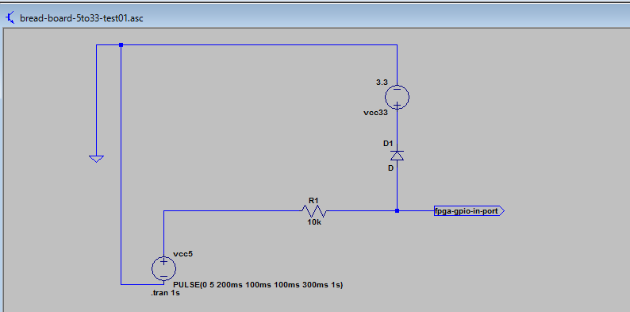

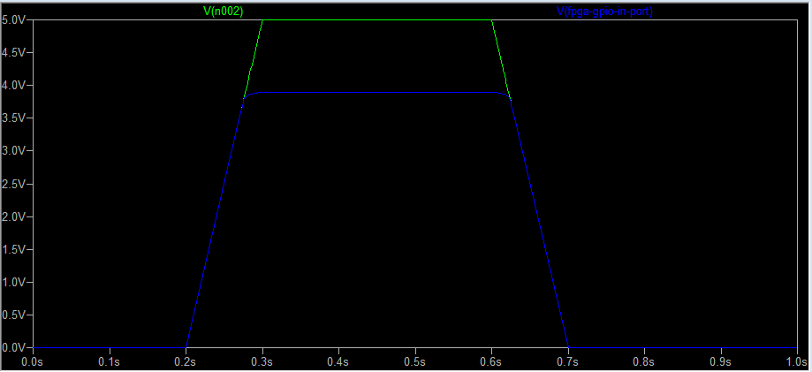

 | ok!

test 2 |  | > register | vcc 3.3
 | vcc 5v | |> diode |  | > fpga input

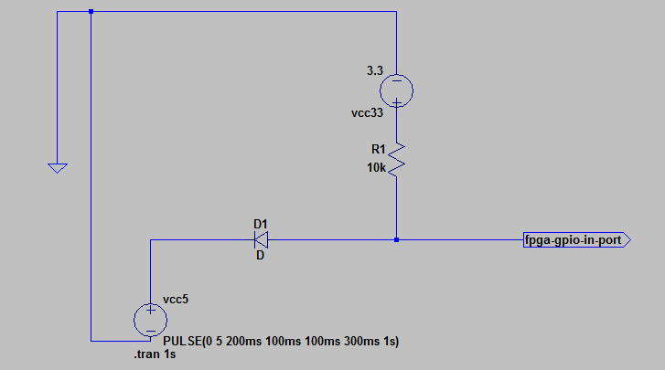

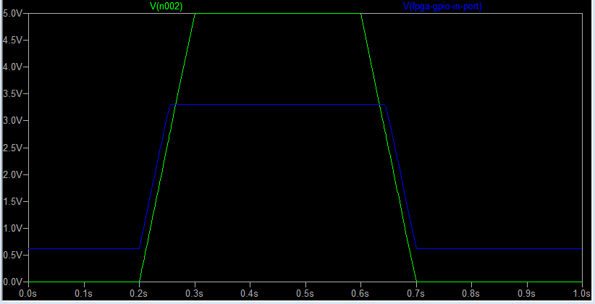

low out leaking??

test 3 | DE1 case.
 | vcc 5v | > register |  | > fpga input

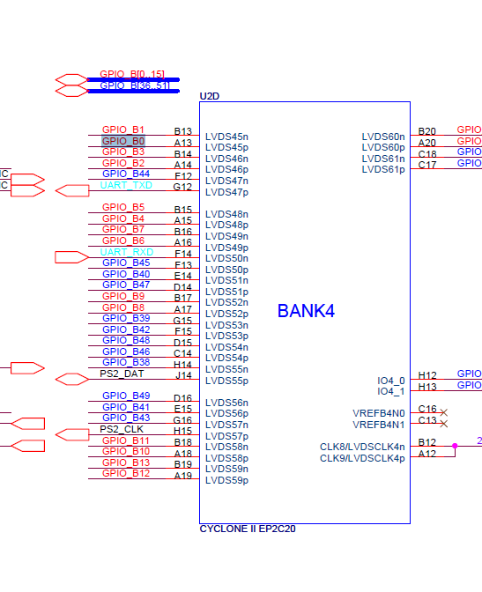

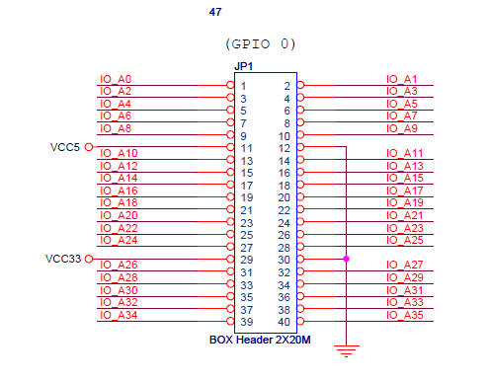
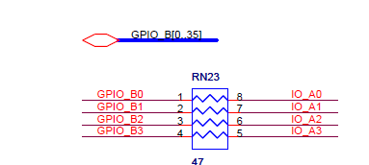

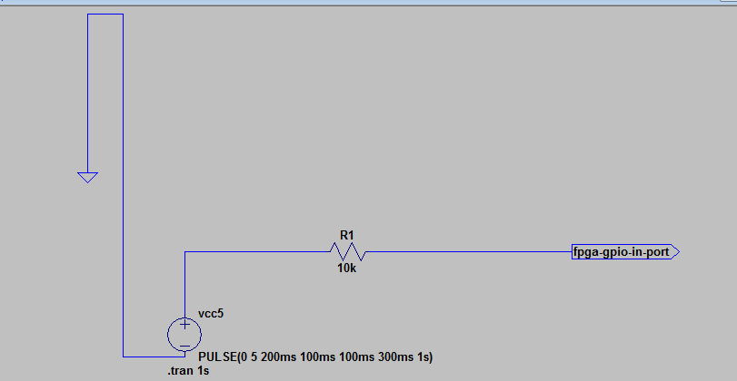

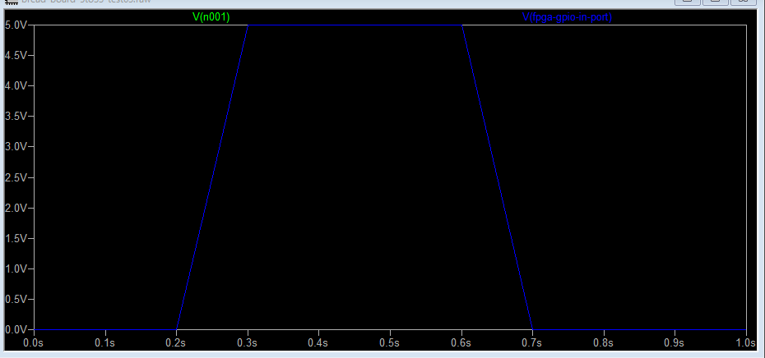

voltage is not decreased!!

test 4 | de0-cv manual simulation

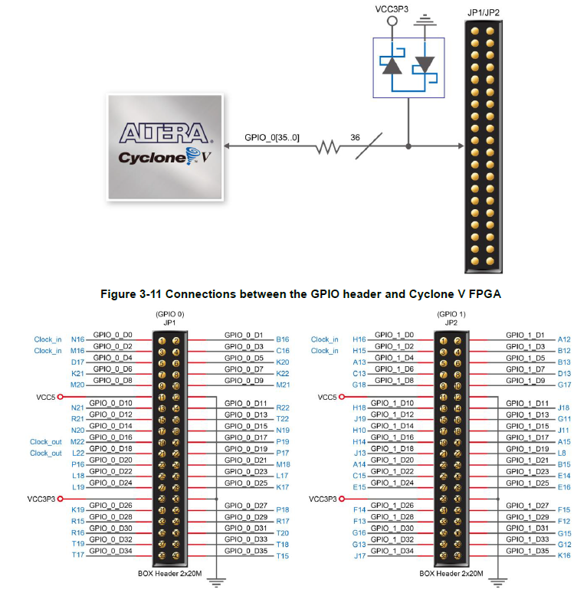

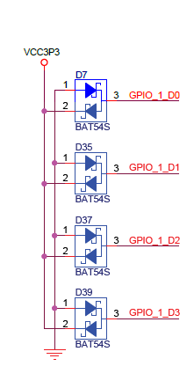

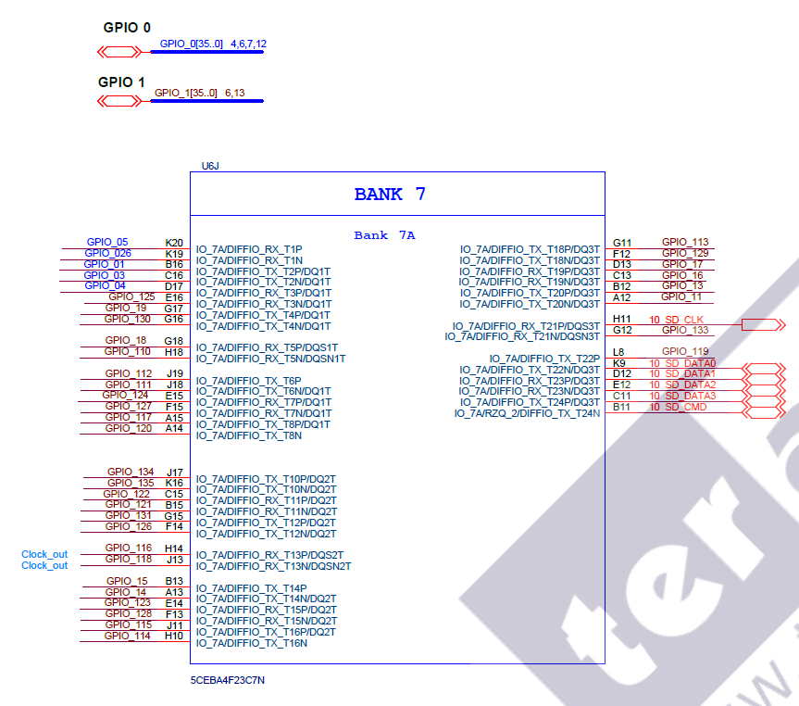

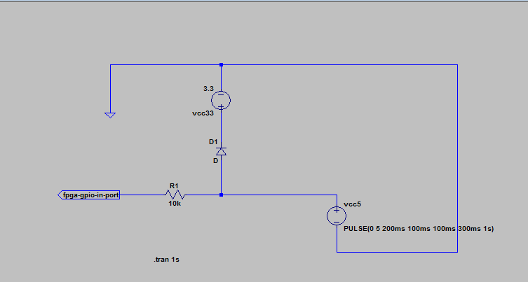

register position is reversed??

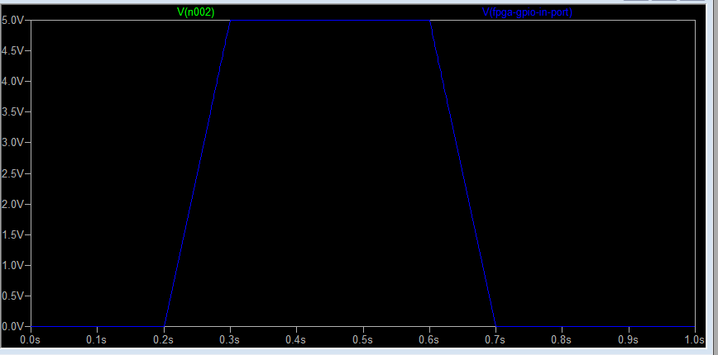

not protected!

level_shift_test01
bread board

 |  |  | 5v

level shifter

 |  |  | 3.3v

DE0 board

 |  |  |  | gpio 1 |  |  |  |  |  |  |  |  | gpio 0

led | 9 |  | 8 | 7 | 6 | 5 | 4 | 3 | 2 | 1 | 0 | led | 7 |  | 6 | 5 |  | 4 | 3 |  | 2 | 1 |  | 0

sw | 9 |  | 8 | 7 | 6 | 5 | 4 | 3 | 2 | 1 | 0 | btn |  | 3 |  |  | 2 |  |  | 1 |  |  | 0
 |  |  | count divide sw
 | direction |  |  |  |  |  |  |  |  |  |  |  |  | inc btn |  |  |  |  |  |  |  |  | rst btn

 | dir | on = cp gpio 0 to 1
 |  | off = cp gpio 1 to 0

logic-analyzer-result
2 clocks delayed.
no difference btn level shifter and diode level change.

universal-board
 | 40 | 39 | 38 | 37 | 36 | 35 | 34 | 33 | 32 | 31 | 30 | 29 | 28 | 27 | 26 | 25 | 24 | 23 | 22 | 21 | 20 | 19 | 18 | 17 | 16 | 15 | 14 | 13 | 12 | 11 | 10 | 9 | 8 | 7 | 6 | 5 | 4 | 3 | 2 | 1
1
2 |  |  |  |  |  |  |  |  |  |  |  |  |  |  |  |  |  |  |  |  |  |  |  |  |  |  |  |  |  |  |  |  |  |  |  |  |  |  |  |  | 1:GND
3 |  |  |  |  |  |  |  |  |  |  |  |  |  |  |  |  |  |  |  |  |  |  |  |  |  |  |  |  |  |  |  |  |  |  |  |  |  |  |  |  | 2:PRG-A11
4 |  |  |  |  |  |  |  |  |  |  |  |  |  |  |  |  |  |  |  |  |  |  |  |  |  |  |  |  |  |  |  |  |  |  |  |  |  |  |  |  | 3:PRG-A10
5 |  |  |  |  |  |  |  |  |  |  |  |  |  |  |  |  |  |  |  |  |  |  |  |  |  |  |  |  |  |  |  |  |  |  |  |  |  |  |  |  | 4:PRG-A9
6 |  |  |  |  |  |  |  |  |  |  |  |  |  |  |  |  |  |  |  |  |  |  |  |  |  |  |  |  |  |  |  |  |  |  |  |  |  |  |  |  | 5:PRG-A8
7 |  |  |  |  |  |  |  |  |  |  |  |  |  |  |  |  |  |  |  |  |  |  |  |  |  |  |  |  |  |  |  |  |  |  |  |  |  |  |  |  | 6:PRG-A7
8 |  |  |  |  |  |  |  |  |  |  |  |  |  |  |  |  |  |  |  |  |  |  |  |  |  |  |  |  |  |  |  |  |  |  |  |  |  |  |  |  | 7:PRG-A6
9 |  |  |  |  |  |  |  |  |  |  |  |  |  |  |  |  |  |  |  |  |  |  |  |  |  |  |  |  |  |  |  |  |  |  |  |  |  |  |  |  | 8:PRG-A5
10 |  |  |  |  |  |  |  |  |  |  |  |  |  |  |  |  |  |  |  |  |  |  |  |  |  |  |  |  |  |  |  |  |  |  |  |  |  |  |  |  | 9:PRG-A4
11 |  |  |  |  |  |  |  |  |  |  |  |  |  |  |  |  |  |  |  |  |  |  |  |  |  |  |  |  |  |  |  |  |  |  |  |  |  |  |  |  | 10:PRG-A3
12 |  |  |  |  |  |  |  |  |  |  |  |  |  |  |  |  |  |  |  |  |  |  |  |  |  |  |  |  |  |  |  |  |  |  |  |  |  |  |  |  | 11:PRG-A2
13 |  |  |  |  |  |  |  |  |  |  |  |  |  |  |  |  |  |  |  |  |  |  |  |  |  |  |  |  |  |  |  |  |  |  |  |  |  |  |  |  | 12:PRG-A1
14 |  |  |  |  |  |  |  |  |  |  |  |  |  |  |  |  |  |  |  |  |  |  |  |  |  |  |  |  |  |  |  |  |  |  |  |  |  |  |  |  | 13:PRG-A0
15 |  |  |  |  |  |  |  |  |  |  |  |  |  |  |  |  |  |  |  |  |  |  |  |  |  |  |  |  |  |  |  |  |  |  |  |  |  |  |  |  | 14:PRG-R/~W
16 |  |  |  |  |  |  |  |  |  |  |  |  |  |  |  |  |  |  |  |  |  |  |  |  |  |  |  |  |  |  |  |  |  |  |  |  |  |  |  |  | 15:~IRQ N/C (Out)
17 |  |  |  |  |  |  |  |  |  |  |  |  |  |  |  |  |  |  |  |  |  |  |  |  |  |  |  |  |  |  |  |  |  |  |  |  |  |  |  |  | 16:GND
18 |  |  |  |  |  |  |  |  |  |  |  |  |  |  |  |  |  |  |  |  |  |  |  |  |  |  |  |  |  |  |  |  |  |  |  |  |  |  |  |  | 17:~CHR-OE
19 |  |  |  |  |  |  |  |  |  |  |  |  |  |  |  |  |  |  |  |  |  |  |  |  |  |  |  |  |  |  |  |  |  |  |  |  |  |  |  |  | 18:VRAM-A10
20 |  |  |  |  |  |  |  |  |  |  |  |  |  |  |  |  |  |  |  |  |  |  |  |  |  |  |  |  |  |  |  |  |  |  |  |  |  |  |  |  | 19:CHR-A6
21 |  |  |  |  |  |  |  |  |  |  |  |  |  |  |  |  |  |  |  |  |  |  |  |  |  |  |  |  |  |  |  |  |  |  |  |  |  |  |  |  | 20:CHR-A5
22 |  |  |  |  |  |  |  |  |  |  |  |  |  |  |  |  |  |  |  |  |  |  |  |  |  |  |  |  |  |  |  |  |  |  |  |  |  |  |  |  | 21:CHR-A4
23 |  |  |  |  |  |  |  |  |  |  |  |  |  |  |  |  |  |  |  |  |  |  |  |  |  |  |  |  |  |  |  |  |  |  |  |  |  |  |  |  | 22:CHR-A3
24 |  |  |  |  |  |  |  |  |  |  |  |  |  |  |  |  |  |  |  |  |  |  |  |  |  |  |  |  |  |  |  |  |  |  |  |  |  |  |  |  | 23:CHR-A2
25 |  |  |  |  |  |  |  |  |  |  |  |  |  |  |  |  |  |  |  |  |  |  |  |  |  |  |  |  |  |  |  |  |  |  |  |  |  |  |  |  | 24:CHR-A1
26 |  |  |  |  |  |  |  |  |  |  |  |  |  |  |  |  |  |  |  |  |  |  |  |  |  |  |  |  |  |  |  |  |  |  |  |  |  |  |  |  | 25:CHR-A0
27 |  |  |  |  |  |  |  |  |  |  |  |  |  |  |  |  |  |  |  |  |  |  |  |  |  |  |  |  |  |  |  |  |  |  |  |  |  |  |  |  | 26:CHR-D0
28 |  |  |  |  |  |  |  |  |  |  |  |  |  |  |  |  |  |  |  |  |  |  |  |  |  |  |  |  |  |  |  |  |  |  |  |  |  |  |  |  | 27:CHR-D1
29 |  |  |  |  |  |  |  |  |  |  |  |  |  |  |  |  |  |  |  |  |  |  |  |  |  |  |  |  |  |  |  |  |  |  |  |  |  |  |  |  | 28:CHR-D2
hand hold space
hand hold space
30 |  |  |  |  |  |  |  |  |  |  |  |  |  |  |  |  |  |  |  |  |  |  |  |  |  |  |  |  |  |  |  |  |  |  |  |  |  |  |  |  | 29:CHR-D3
8bit level shifter (back)
/oe
gnd
vcc3
vcc5
8bit level shifter (back)
/oe
gnd
vcc3
vcc5
31 |  |  |  |  |  |  |  |  |  |  |  |  |  |  |  |  |  |  |  |  |  |  |  |  |  |  |  |  |  |  |  |  |  |  | irq |  |  |  |  |  | 30:Vcc
32 |  |  |  |  |  |  |  |  |  |  |  |  |  |  |  |  |  |  |  |  |  |  |  |  |  |  |  | nc | sin |  |  |  |  |  | va10
Front side
33 |  |  |  |  |  |  |  |  |  |  |  |  |  |  |  |  |  |  |  |  |  |  |  |  |  |  |  | c48 | sout
34 |  |  |  |  |  |  |  |  |  |  |  |  |  |  |  |  |  |  |  |  |  |  |  |  |  |  |  | c49
16bit level shifter (back)
1dir
/1oe
2dir
/2oe
gnd
gnd
gnd
gnd
gnd
gnd
gnd
gnd
vcc3
vcc3
vcc5
vcc5
35 |  |  |  |  |  |  |  |  |  |  |  |  |  |  |  |  |  |  |  |  |  |  |  |  |  |  |  |  |  |  | gnd |  |  | 5v
36
37 |  |  |  |  |  |  |  |  |  |  |  |  |  |  |  |  |  |  |  |  |  |  |  |  |  |  |  |  |  |  |  |  |  |  |  | 3v
38
39
40
41
42
16bit level shifter (back)
1dir
/1oe
2dir
/2oe
gnd
gnd
gnd
gnd
gnd
gnd
gnd
gnd
vcc3
vcc3
vcc5
vcc5
43
44
45
46
47
48
49

 |  |  | 1:GND | 2:PRG-A11 | 3:PRG-A10 | 4:PRG-A9 | 5:PRG-A8 | 6:PRG-A7 | 7:PRG-A6 | 8:PRG-A5 | 9:PRG-A4 | 10:PRG-A3 | 11:PRG-A2 | 12:PRG-A1 | 13:PRG-A0 | 14:PRG-R/~W | 15:~IRQ N/C (Out) | 16:GND | 17:~CHR-OE | 18:VRAM-A10 | 19:CHR-A6 | 20:CHR-A5 | 21:CHR-A4 | 22:CHR-A3 | 23:CHR-A2 | 24:CHR-A1 | 25:CHR-A0 | 26:CHR-D0 | 27:CHR-D1 | 28:CHR-D2 | 29:CHR-D3 | 30:Vcc
 |  |  | 31:Vcc | 32:??? N/C | 33:PRG-A12 | 34:PRG-A13 | 35:PRG-A14 | 36:PRG-D7 | 37:PRG-D6 | 38:PRG-D5 | 39:PRG-D4 | 40:PRG-D3 | 41:PRG-D2 | 42:PRG-D1 | 43:PRG-D0 | 44:~PRG-CE | 45:Sound In C46 | 46:Sound Out C45 | 47:~CHR-WE | 48:??? C49 | 49:??? C48 | 50:CHR-A7 | 51:CHR-A8 | 52:CHR-A9 | 53:CHR-A10 | 54:CHR-A11 | 55:CHR-A12 | 56:~CHR-CE (CHR-A13) | 57:CHR-D7 | 58:CHR-A6 | 59:CHR-D5 | 60:CHR-D4

 | 40 | 39 | 38 | 37 | 36 | 35 | 34 | 33 | 32 | 31 | 30 | 29 | 28 | 27 | 26 | 25 | 24 | 23 | 22 | 21 | 20 | 19 | 18 | 17 | 16 | 15 | 14 | 13 | 12 | 11 | 10 | 9 | 8 | 7 | 6 | 5 | 4 | 3 | 2 | 1

 | 1 | 2 | 3 | 4 | 5 | 6 | 7 | 8 | 9 | 10 | 11 | 12 | 13 | 14 | 15 | 16 | 17 | 18 | 19 | 20 | 21 | 22 | 23 | 24 | 25 | 26 | 27 | 28 | 29 | 30 | 31 | 32 | 33 | 34 | 35 | 36 | 37 | 38 | 39 | 40
1 |  |  |  |  |  |  |  |  |  |  |  |  |  |  |  |  |  |  |  |  |  |  |  |  |  |  |  |  |  |  |  |  |  |  |  |  |  |  |  |  | 31:Vcc
2 |  |  |  |  |  |  |  |  |  |  |  |  |  |  |  |  |  |  |  |  |  |  |  |  |  |  |  |  |  |  |  |  |  |  |  |  |  |  |  |  | 32:??? N/C
3 |  |  |  |  |  |  |  |  |  |  |  |  |  |  |  |  |  |  |  |  |  |  |  |  |  |  |  |  |  |  |  |  |  |  |  |  |  |  |  |  | 33:PRG-A12
4 |  |  |  |  |  |  |  |  |  |  |  |  |  |  |  |  |  |  |  |  |  |  |  |  |  |  |  |  |  |  |  |  |  |  |  |  |  |  |  |  | 34:PRG-A13
5 |  |  |  |  |  |  |  |  |  |  |  |  |  |  |  |  |  |  |  |  |  |  |  |  |  |  |  |  |  |  |  |  |  |  |  |  |  |  |  |  | 35:PRG-A14
6 |  |  |  |  |  |  |  |  |  |  |  |  |  |  |  |  |  |  |  |  |  |  |  |  |  |  |  |  |  |  |  |  |  |  |  |  |  |  |  |  | 36:PRG-D7
7 |  |  |  |  |  |  |  |  |  |  |  |  |  |  |  |  |  |  |  |  |  |  |  |  |  |  |  |  |  |  |  |  |  |  |  |  |  |  |  |  | 37:PRG-D6
8 |  |  |  |  |  |  |  |  |  |  |  |  |  |  |  |  |  |  |  |  |  |  |  |  |  |  |  |  |  |  |  |  |  |  |  |  |  |  |  |  | 38:PRG-D5
9 |  |  |  |  |  |  |  |  |  |  |  |  |  |  |  |  |  |  |  |  |  |  |  |  |  |  |  |  |  |  |  |  |  |  |  |  |  |  |  |  | 39:PRG-D4
10 |  |  |  |  |  |  |  |  |  |  |  |  |  |  |  |  |  |  |  |  |  |  |  |  |  |  |  |  |  |  |  |  |  |  |  |  |  |  |  |  | 40:PRG-D3
11 |  |  |  |  |  |  |  |  |  |  |  |  |  |  |  |  |  |  |  |  |  |  |  |  |  |  |  |  |  |  |  |  |  |  |  |  |  |  |  |  | 41:PRG-D2
12 |  |  |  |  |  |  |  |  |  |  |  |  |  |  |  |  |  |  |  |  |  |  |  |  |  |  |  |  |  |  |  |  |  |  |  |  |  |  |  |  | 42:PRG-D1
13 |  |  |  |  |  |  |  |  |  |  |  |  |  |  |  |  |  |  |  |  |  |  |  |  |  |  |  |  |  |  |  |  |  |  |  |  |  |  |  |  | 43:PRG-D0
14 |  |  |  |  |  |  |  |  |  |  |  |  |  |  |  |  |  |  |  |  |  |  |  |  |  |  |  |  |  |  |  |  |  |  |  |  |  |  |  |  | 44:~PRG-CE
15 |  |  |  |  |  |  |  |  |  |  |  |  |  |  |  |  |  |  |  |  |  |  |  |  |  |  |  |  |  |  |  |  |  |  |  |  |  |  |  |  | 45:Sound In C46
16 |  |  |  |  |  |  |  |  |  |  |  |  |  |  |  |  |  |  |  |  |  |  |  |  |  |  |  |  |  |  |  |  |  |  |  |  |  |  |  |  | 46:Sound Out C45
17 |  |  |  |  |  |  |  |  |  |  |  |  |  |  |  |  |  |  |  |  |  |  |  |  |  |  |  |  |  |  |  |  |  |  |  |  |  |  |  |  | 47:~CHR-WE
18 |  |  |  |  |  |  |  |  |  |  |  |  |  |  |  |  |  |  |  |  |  |  |  |  |  |  |  |  |  |  |  |  |  |  |  |  |  |  |  |  | 48:??? C49
19 |  |  |  |  |  |  |  |  |  |  |  |  |  |  |  |  |  |  |  |  |  |  |  |  |  |  |  |  |  |  |  |  |  |  |  |  |  |  |  |  | 49:??? C48
20 |  |  |  |  |  |  |  |  |  |  |  |  |  |  |  |  |  |  |  |  |  |  |  |  |  |  |  |  |  |  |  |  |  |  |  |  |  |  |  |  | 50:CHR-A7
21 |  |  |  |  |  |  |  |  |  |  |  |  |  |  |  |  |  |  |  |  |  |  |  |  |  |  |  |  |  |  |  |  |  |  |  |  |  |  |  |  | 51:CHR-A8
22 |  |  |  |  |  |  |  |  |  |  |  |  |  |  |  |  |  |  |  |  |  |  |  |  |  |  |  |  |  |  |  |  |  |  |  |  |  |  |  |  | 52:CHR-A9
23 |  |  |  |  |  |  |  |  |  |  |  |  |  |  |  |  |  |  |  |  |  |  |  |  |  |  |  |  |  |  |  |  |  |  |  |  |  |  |  |  | 53:CHR-A10
24 |  |  |  |  |  |  |  |  |  |  |  |  |  |  |  |  |  |  |  |  |  |  |  |  |  |  |  |  |  |  |  |  |  |  |  |  |  |  |  |  | 54:CHR-A11
25 |  |  |  |  |  |  |  |  |  |  |  |  |  |  |  |  |  |  |  |  |  |  |  |  |  |  |  |  |  |  |  |  |  |  |  |  |  |  |  |  | 55:CHR-A12
26 |  |  |  |  |  |  |  |  |  |  |  |  |  |  |  |  |  |  |  |  |  |  |  |  |  |  |  |  |  |  |  |  |  |  |  |  |  |  |  |  | 56:~CHR-CE (CHR-A13)
27 |  |  |  |  |  |  |  |  |  |  |  |  |  |  |  |  |  |  |  |  |  |  |  |  |  |  |  |  |  |  |  |  |  |  |  |  |  |  |  |  | 57:CHR-D7
28 |  |  |  |  |  |  |  |  |  |  |  |  |  |  |  |  |  |  |  |  |  |  |  |  |  |  |  |  |  |  |  |  |  |  |  |  |  |  |  |  | 58:CHR-A6
29 |  |  |  |  |  |  |  |  |  |  |  |  |  |  |  |  |  |  |  |  |  |  |  |  |  |  |  |  |  |  |  |  |  |  |  |  |  |  |  |  | 59:CHR-D5
hand hold space
hand hold space
30 |  |  |  |  |  |  |  |  |  |  |  |  |  |  |  |  |  |  |  |  |  |  |  |  |  |  |  |  |  |  |  |  |  |  |  |  |  |  |  |  | 60:CHR-D4
8bit level shifter
/oe
gnd
vcc3
vcc5
31
8bit level shifter
/oe
gnd
vcc3
vcc5
32
16bit level shifter
1dir
/1oe
2dir
/2oe
gnd
gnd
gnd
gnd
gnd
gnd
gnd
gnd
vcc3
vcc3
vcc5
vcc5
33
Back side
34
35
36
37
38
39
40
41
16bit level shifter
1dir
/1oe
2dir
/2oe
gnd
gnd
gnd
gnd
gnd
gnd
gnd
gnd
vcc3
vcc3
vcc5
vcc5
42
43
44
45
46
47
48
49

 |  |  |  |  |  |  |  |  | 30:Vcc | 29:CHR-D3 | 28:CHR-D2 | 27:CHR-D1 | 26:CHR-D0 | 25:CHR-A0 | 24:CHR-A1 | 23:CHR-A2 | 22:CHR-A3 | 21:CHR-A4 | 20:CHR-A5 | 19:CHR-A6 | 18:VRAM-A10 | 17:~CHR-OE | 16:GND | 15:~IRQ N/C (Out) | 14:PRG-R/~W | 13:PRG-A0 | 12:PRG-A1 | 11:PRG-A2 | 10:PRG-A3 | 9:PRG-A4 | 8:PRG-A5 | 7:PRG-A6 | 6:PRG-A7 | 5:PRG-A8 | 4:PRG-A9 | 3:PRG-A10 | 2:PRG-A11 | 1:GND
 |  |  |  |  |  |  |  |  | 60:CHR-D4 | 59:CHR-D5 | 58:CHR-A6 | 57:CHR-D7 | 56:~CHR-CE (CHR-A13) | 55:CHR-A12 | 54:CHR-A11 | 53:CHR-A10 | 52:CHR-A9 | 51:CHR-A8 | 50:CHR-A7 | 49:??? C48 | 48:??? C49 | 47:~CHR-WE | 46:Sound Out C45 | 45:Sound In C46 | 44:~PRG-CE | 43:PRG-D0 | 42:PRG-D1 | 41:PRG-D2 | 40:PRG-D3 | 39:PRG-D4 | 38:PRG-D5 | 37:PRG-D6 | 36:PRG-D7 | 35:PRG-A14 | 34:PRG-A13 | 33:PRG-A12 | 32:??? N/C | 31:Vcc

 | 1 | 2 | 3 | 4 | 5 | 6 | 7 | 8 | 9 | 10 | 11 | 12 | 13 | 14 | 15 | 16 | 17 | 18 | 19 | 20 | 21 | 22 | 23 | 24 | 25 | 26 | 27 | 28 | 29 | 30 | 31 | 32 | 33 | 34 | 35 | 36 | 37 | 38 | 39 | 40

board-inter-connect
back side

 |  |  |  |  |  |  |  |  |  |  |  |  |  |  |  |  |  |  |  |  | header1 | 1 | 42:PRG-D1 | header2 | 1 | 44:~PRG-CE
 |  |  |  |  |  |  |  |  |  |  |  |  |  |  |  |  |  |  |  |  |  | 2 | 43:PRG-D0 |  | 2 | 14:PRG-R/~W
 |  |  |  |  |  |  |  |  |  |  |  |  |  |  |  |  |  |  |  |  |  | 3 | 41:PRG-D2 |  | 3 | 13:PRG-A0
 | header1 |  | header2 |  |  |  |  |  |  |  |  |  |  |  |  |  |  |  |  |  |  | 4 | 40:PRG-D3 |  | 4 | 12:PRG-A1
 |  |  |  |  |  |  |  |  |  |  |  |  |  |  |  |  |  |  |  |  |  | 5 | 39:PRG-D4 |  | 5 | 11:PRG-A2
 |  |  |  |  |  |  |  |  |  |  |  |  |  |  |  |  |  |  |  |  |  | 6 | 38:PRG-D5 |  | 6 | 10:PRG-A3
 |  |  |  |  |  |  |  |  |  |  |  |  |  |  |  |  |  |  |  |  |  | 7 | 37:PRG-D6 |  | 7 | 9:PRG-A4
 |  |  |  |  |  |  |  |  |  |  |  |  |  |  |  |  |  |  |  |  |  | 8 | 36:PRG-D7 |  | 8 | 8:PRG-A5
 |  |  |  |  |  |  |  |  |  |  |  |  |  |  |  |  |  |  |  |  |  |  |  |  | 9 | 7:PRG-A6
Lvl sft
 |  |  |  |  |  |  |  |  |  |  |  |  |  |  |  |  |  |  |  |  |  |  |  |  | 10 | 6:PRG-A7
 |  |  |  |  |  |  |  |  |  |  |  |  |  |  |  |  |  |  |  |  |  |  |  |  | 11 | 5:PRG-A8
 |  |  |  |  |  |  |  |  |  |  |  |  |  |  |  |  |  |  |  |  |  |  |  |  | 12 | 4:PRG-A9
 |  |  |  |  |  |  |  |  |  |  |  |  |  |  |  |  |  |  |  |  |  |  |  |  | 13 | 3:PRG-A10
 |  |  |  |  |  |  |  |  |  |  |  |  |  |  |  |  |  |  |  |  |  |  |  |  | 14 | 2:PRG-A11
 |  |  |  |  |  |  |  |  |  |  |  |  |  |  |  |  |  |  |  |  |  |  |  |  | 15 | 35:PRG-A14
 |  |  |  |  |  |  |  |  |  |  |  |  |  |  |  |  |  |  |  |  |  |  |  |  | 16 | 34:PRG-A13
 |  |  |  |  |  |  |  |  |  |  |  |  |  |  |  |  |  |  |  |  |  |  |  |  | 17 | 33:PRG-A12

 |  |  |  | 46:Sound Out C45 | 45:Sound In C46 | 44:~PRG-CE | 43:PRG-D0 | 42:PRG-D1 | 41:PRG-D2 | 40:PRG-D3 | 39:PRG-D4 | 38:PRG-D5 | 37:PRG-D6 | 36:PRG-D7 | 35:PRG-A14 | 34:PRG-A13 | 33:PRG-A12 | 32: Φ N/C | 31:Vcc | back
 |  |  |  | 16:GND | 15:~IRQ N/C (Out) | 14:PRG-R/~W | 13:PRG-A0 | 12:PRG-A1 | 11:PRG-A2 | 10:PRG-A3 | 9:PRG-A4 | 8:PRG-A5 | 7:PRG-A6 | 6:PRG-A7 | 5:PRG-A8 | 4:PRG-A9 | 3:PRG-A10 | 2:PRG-A11 | 1:GND | front

DE1
 |  |  |  |  |  |  |  |  |  |  |  |  |  |  |  |  |  |  |  |  | JP2 | 1 | 42:PRG-D1
 |  |  |  |  |  |  |  |  |  |  |  |  |  |  |  |  |  |  |  |  |  | 2 | 39:PRG-D4
 |  |  |  |  |  |  |  |  |  |  |  |  |  |  |  |  |  |  |  |  |  | 3 | 43:PRG-D0
JP2 |  |  |  |  |  |  |  |  |  |  |  |  |  |  |  |  |  |  |  |  |  | 4 | 38:PRG-D5
 | 2 | 4 |  |  |  |  |  |  |  |  |  |  |  |  |  |  |  |  |  |  |  | 5 | 41:PRG-D2
 |  |  |  |  |  |  |  |  |  |  |  |  |  |  |  |  |  |  |  |  |  | 6 | 37:PRG-D6
 |  |  |  |  |  |  |  |  |  |  |  |  |  |  |  |  |  |  |  |  |  | 7 | 40:PRG-D3
 | 1 | 3 |  |  |  |  |  |  |  |  |  |  |  |  |  |  |  |  |  |  |  | 8 | 36:PRG-D7
 |  |  |  |  |  |  |  |  |  |  |  |  |  |  |  |  |  |  |  |  |  | 9 | NC
JP1 |  |  |  |  |  |  |  |  |  |  |  |  |  |  |  |  |  |  |  |  |  | 10 | NC
 | 2 | 4 |  |  |  |  |  |  |  |  |  |  |  |  |  |  |  |  |  |  |  | 11 | VCC5
 |  |  |  |  |  |  |  |  |  |  |  |  |  |  |  |  |  |  |  |  |  | 12 | GND
 |  |  |  |  |  |  |  |  |  |  |  |  |  |  |  |  |  |  |  |  |  | 13 | 44:~PRG-CE
 | 1 | 3 |  |  |  |  |  |  |  |  |  |  |  |  |  |  |  |  |  |  |  | 14 | 7:PRG-A6
 |  |  |  |  |  |  |  |  |  |  |  |  |  |  |  |  |  |  |  |  |  | 15 | 14:PRG-R/~W
 |  |  |  |  |  |  |  |  |  |  |  |  |  |  |  |  |  |  |  |  |  | 16 | 6:PRG-A7
 |  |  |  |  |  |  |  |  |  |  |  |  |  |  |  |  |  |  |  |  |  | 17 | 13:PRG-A0
 |  |  |  |  |  |  |  |  |  |  |  |  |  |  |  |  |  |  |  |  |  | 18 | 5:PRG-A8
 |  |  |  |  |  |  |  |  |  |  |  |  |  |  |  |  |  |  |  |  |  | 19 | 12:PRG-A1
 |  |  |  |  |  |  |  |  |  |  |  |  |  |  |  |  |  |  |  |  |  | 20 | 4:PRG-A9
 |  |  |  |  |  |  |  |  |  |  |  |  |  |  |  |  |  |  |  |  |  | 21 | 11:PRG-A2
 |  |  |  |  |  |  |  |  |  |  |  |  |  |  |  |  |  |  |  |  |  | 22 | 3:PRG-A10
 |  |  |  |  |  |  |  |  |  |  |  |  |  |  |  |  |  |  |  |  |  | 23 | 10:PRG-A3
 |  |  |  |  |  |  |  |  |  |  |  |  |  |  |  |  |  |  |  |  |  | 24 | 2:PRG-A11
 |  |  |  |  |  |  |  |  |  |  |  |  |  |  |  |  |  |  |  |  |  | 25 | 9:PRG-A4
 |  |  |  |  |  |  |  |  |  |  |  |  |  |  |  |  |  |  |  |  |  | 26 | 35:PRG-A14
 |  |  |  |  |  |  |  |  |  |  |  |  |  |  |  |  |  |  |  |  |  | 27 | 8:PRG-A5
 |  |  |  |  |  |  |  |  |  |  |  |  |  |  |  |  |  |  |  |  |  | 28 | 34:PRG-A13
 |  |  |  |  |  |  |  |  |  |  |  |  |  |  |  |  |  |  |  |  |  | 29 | VCC33
 |  |  |  |  |  |  |  |  |  |  |  |  |  |  |  |  |  |  |  |  |  | 30 | GND
 |  |  |  |  |  |  |  |  |  |  |  |  |  |  |  |  |  |  |  |  |  | 31 | 33:PRG-A12
 |  |  |  |  |  |  |  |  |  |  |  |  |  |  |  |  |  |  |  |  |  | 32 | NC
 |  |  |  |  |  |  |  |  |  |  |  |  |  |  |  |  |  |  |  |  |  | 33 | NC
 |  |  |  |  |  |  |  |  |  |  |  |  |  |  |  |  |  |  |  |  |  | 34 | NC
 |  |  |  |  |  |  |  |  |  |  |  |  |  |  |  |  |  |  |  |  |  | 35 | NC
 |  |  |  |  |  |  |  |  |  |  |  |  |  |  |  |  |  |  |  |  |  | 36 | NC
 |  |  |  |  |  |  |  |  |  |  |  |  |  |  |  |  |  |  |  |  |  | 37 | NC
 |  |  |  |  |  |  |  |  |  |  |  |  |  |  |  |  |  |  |  |  |  | 38 | NC
 |  |  |  |  |  |  |  |  |  |  |  |  |  |  |  |  |  |  |  |  |  | 39 | NC
 |  |  |  |  |  |  |  |  |  |  |  |  |  |  |  |  |  |  |  |  |  | 40 | NC

nes-debug
fetch reset vector
rom /ce doesn't set??
push stack

#define NMI_VECTOR 0xFFFA
#define RESET_VECTOR 0xFFFC
#define IRQ_VECTOR 0xFFFE
FFE is irq vector!!!
IRQ must be disabled first!!

other test rom select comes correctly.

Universal board ver. 2 result

reset comes, but....
rom ce doesn't come.
address is wrong..

0000000000000000 8000: 78 SEI
0000000000000001 8001: a2 ff LDX #$ff
0000000000000002 8003: 9a TXS
0000000000000003 8004: 20 30 80 JSR $8030
0000000000000004 8030: a9 00 LDA #$00
0000000000000005 8032: 8d 00 03 STA $0300
0000000000000006 8035: 8d 01 03 STA $0301
0000000000000007 8038: 8d 57 03 STA $0357
0000000000000008 803b: 60 RTS
0000000000000009 8007: 20 9e 8c JSR $8c9e
000000000000000a 8c9e: a9 20 LDA #$20
000000000000000b 8ca0: 8d 02 03 STA $0302
000000000000000c 8ca3: a9 00 LDA #$00
000000000000000d 8ca5: 8d 03 03 STA $0303
000000000000000e 8ca8: a9 00 LDA #$00
000000000000000f 8caa: 8d 00 20 STA $2000
0000000000000010 8cad: 8d 00 03 STA $0300
0000000000000011 8cb0: 8d 01 20 STA $2001
0000000000000012 8cb3: 8d 01 03 STA $0301
0000000000000013 8cb6: a9 3f LDA #$3f
0000000000000014 8cb8: 8d 06 20 STA $2006
0000000000000015 8cbb: a9 00 LDA #$00
0000000000000016 8cbd: 8d 06 20 STA $2006
0000000000000017 8cc0: a2 00 LDX #$00
0000000000000018 8cc2: a0 20 LDY #$20
0000000000000019 8cc4: bd cf 8c LDA $8ccf, x
000000000000001a 8cc7: 8d 07 20 STA $2007
000000000000001b 8cca: e8 INX
000000000000001c 8ccb: 88 DEY
000000000000001d 8ccc: d0 f6 BNE # -10
000000000000001e 8cc4: bd cf 8c LDA $8ccf, x
000000000000001f 8cc7: 8d 07 20 STA $2007
0000000000000020 8cca: e8 INX
0000000000000021 8ccb: 88 DEY
0000000000000022 8ccc: d0 f6 BNE # -10
0000000000000023 8cc4: bd cf 8c LDA $8ccf, x
0000000000000024 8cc7: 8d 07 20 STA $2007
0000000000000025 8cca: e8 INX
0000000000000026 8ccb: 88 DEY
0000000000000027 8ccc: d0 f6 BNE # -10
0000000000000028 8cc4: bd cf 8c LDA $8ccf, x
0000000000000029 8cc7: 8d 07 20 STA $2007
000000000000002a 8cca: e8 INX
000000000000002b 8ccb: 88 DEY
000000000000002c 8ccc: d0 f6 BNE # -10
000000000000002d 8cc4: bd cf 8c LDA $8ccf, x
000000000000002e 8cc7: 8d 07 20 STA $2007
000000000000002f 8cca: e8 INX
0000000000000030 8ccb: 88 DEY
0000000000000031 8ccc: d0 f6 BNE # -10
0000000000000032 8cc4: bd cf 8c LDA $8ccf, x
0000000000000033 8cc7: 8d 07 20 STA $2007
0000000000000034 8cca: e8 INX
0000000000000035 8ccb: 88 DEY
0000000000000036 8ccc: d0 f6 BNE # -10
0000000000000037 8cc4: bd cf 8c LDA $8ccf, x
0000000000000038 8cc7: 8d 07 20 STA $2007
0000000000000039 8cca: e8 INX
000000000000003a 8ccb: 88 DEY
000000000000003b 8ccc: d0 f6 BNE # -10
000000000000003c 8cc4: bd cf 8c LDA $8ccf, x
000000000000003d 8cc7: 8d 07 20 STA $2007
000000000000003e 8cca: e8 INX
000000000000003f 8ccb: 88 DEY
0000000000000040 8ccc: d0 f6 BNE # -10
0000000000000041 8cc4: bd cf 8c LDA $8ccf, x
0000000000000042 8cc7: 8d 07 20 STA $2007
0000000000000043 8cca: e8 INX
0000000000000044 8ccb: 88 DEY
0000000000000045 8ccc: d0 f6 BNE # -10
0000000000000046 8cc4: bd cf 8c LDA $8ccf, x
0000000000000047 8cc7: 8d 07 20 STA $2007
0000000000000048 8cca: e8 INX
0000000000000049 8ccb: 88 DEY
000000000000004a 8ccc: d0 f6 BNE # -10
000000000000004b 8cc4: bd cf 8c LDA $8ccf, x
000000000000004c 8cc7: 8d 07 20 STA $2007
000000000000004d 8cca: e8 INX
000000000000004e 8ccb: 88 DEY
000000000000004f 8ccc: d0 f6 BNE # -10
0000000000000050 8cc4: bd cf 8c LDA $8ccf, x
0000000000000051 8cc7: 8d 07 20 STA $2007
0000000000000052 8cca: e8 INX
0000000000000053 8ccb: 88 DEY
0000000000000054 8ccc: d0 f6 BNE # -10
0000000000000055 8cc4: bd cf 8c LDA $8ccf, x
0000000000000056 8cc7: 8d 07 20 STA $2007
0000000000000057 8cca: e8 INX
0000000000000058 8ccb: 88 DEY
0000000000000059 8ccc: d0 f6 BNE # -10
000000000000005a 8cc4: bd cf 8c LDA $8ccf, x
000000000000005b 8cc7: 8d 07 20 STA $2007
000000000000005c 8cca: e8 INX
000000000000005d 8ccb: 88 DEY
000000000000005e 8ccc: d0 f6 BNE # -10
000000000000005f 8cc4: bd cf 8c LDA $8ccf, x
0000000000000060 8cc7: 8d 07 20 STA $2007
0000000000000061 8cca: e8 INX
0000000000000062 8ccb: 88 DEY
0000000000000063 8ccc: d0 f6 BNE # -10
0000000000000064 8cc4: bd cf 8c LDA $8ccf, x
0000000000000065 8cc7: 8d 07 20 STA $2007
0000000000000066 8cca: e8 INX
0000000000000067 8ccb: 88 DEY
0000000000000068 8ccc: d0 f6 BNE # -10
0000000000000069 8cc4: bd cf 8c LDA $8ccf, x
000000000000006a 8cc7: 8d 07 20 STA $2007
000000000000006b 8cca: e8 INX
000000000000006c 8ccb: 88 DEY
000000000000006d 8ccc: d0 f6 BNE # -10
000000000000006e 8cc4: bd cf 8c LDA $8ccf, x
000000000000006f 8cc7: 8d 07 20 STA $2007
0000000000000070 8cca: e8 INX
0000000000000071 8ccb: 88 DEY
0000000000000072 8ccc: d0 f6 BNE # -10
0000000000000073 8cc4: bd cf 8c LDA $8ccf, x
0000000000000074 8cc7: 8d 07 20 STA $2007
0000000000000075 8cca: e8 INX
0000000000000076 8ccb: 88 DEY
0000000000000077 8ccc: d0 f6 BNE # -10
0000000000000078 8cc4: bd cf 8c LDA $8ccf, x
0000000000000079 8cc7: 8d 07 20 STA $2007
000000000000007a 8cca: e8 INX
000000000000007b 8ccb: 88 DEY
000000000000007c 8ccc: d0 f6 BNE # -10
000000000000007d 8cc4: bd cf 8c LDA $8ccf, x
000000000000007e 8cc7: 8d 07 20 STA $2007
000000000000007f 8cca: e8 INX
0000000000000080 8ccb: 88 DEY
0000000000000081 8ccc: d0 f6 BNE # -10
0000000000000082 8cc4: bd cf 8c LDA $8ccf, x
0000000000000083 8cc7: 8d 07 20 STA $2007
0000000000000084 8cca: e8 INX
0000000000000085 8ccb: 88 DEY
0000000000000086 8ccc: d0 f6 BNE # -10
0000000000000087 8cc4: bd cf 8c LDA $8ccf, x
0000000000000088 8cc7: 8d 07 20 STA $2007
0000000000000089 8cca: e8 INX
000000000000008a 8ccb: 88 DEY
000000000000008b 8ccc: d0 f6 BNE # -10
000000000000008c 8cc4: bd cf 8c LDA $8ccf, x
000000000000008d 8cc7: 8d 07 20 STA $2007
000000000000008e 8cca: e8 INX
000000000000008f 8ccb: 88 DEY
0000000000000090 8ccc: d0 f6 BNE # -10
0000000000000091 8cc4: bd cf 8c LDA $8ccf, x
0000000000000092 8cc7: 8d 07 20 STA $2007
0000000000000093 8cca: e8 INX
0000000000000094 8ccb: 88 DEY
0000000000000095 8ccc: d0 f6 BNE # -10
0000000000000096 8cc4: bd cf 8c LDA $8ccf, x
0000000000000097 8cc7: 8d 07 20 STA $2007
0000000000000098 8cca: e8 INX
0000000000000099 8ccb: 88 DEY
000000000000009a 8ccc: d0 f6 BNE # -10
000000000000009b 8cc4: bd cf 8c LDA $8ccf, x
000000000000009c 8cc7: 8d 07 20 STA $2007
000000000000009d 8cca: e8 INX
000000000000009e 8ccb: 88 DEY
000000000000009f 8ccc: d0 f6 BNE # -10
00000000000000a0 8cc4: bd cf 8c LDA $8ccf, x
00000000000000a1 8cc7: 8d 07 20 STA $2007
00000000000000a2 8cca: e8 INX
00000000000000a3 8ccb: 88 DEY
00000000000000a4 8ccc: d0 f6 BNE # -10
00000000000000a5 8cc4: bd cf 8c LDA $8ccf, x
00000000000000a6 8cc7: 8d 07 20 STA $2007
00000000000000a7 8cca: e8 INX
00000000000000a8 8ccb: 88 DEY
00000000000000a9 8ccc: d0 f6 BNE # -10
00000000000000aa 8cc4: bd cf 8c LDA $8ccf, x
00000000000000ab 8cc7: 8d 07 20 STA $2007
00000000000000ac 8cca: e8 INX
00000000000000ad 8ccb: 88 DEY
00000000000000ae 8ccc: d0 f6 BNE # -10
00000000000000af 8cc4: bd cf 8c LDA $8ccf, x
00000000000000b0 8cc7: 8d 07 20 STA $2007
00000000000000b1 8cca: e8 INX
00000000000000b2 8ccb: 88 DEY
00000000000000b3 8ccc: d0 f6 BNE # -10
00000000000000b4 8cc4: bd cf 8c LDA $8ccf, x
00000000000000b5 8cc7: 8d 07 20 STA $2007
00000000000000b6 8cca: e8 INX
00000000000000b7 8ccb: 88 DEY
00000000000000b8 8ccc: d0 f6 BNE # -10
00000000000000b9 8cce: 60 RTS
00000000000000ba 800a: 20 e1 8b JSR $8be1
00000000000000bb 8be1: ad ef 8c LDA $8cef
00000000000000bc 8be4: 85 00 STA $00
00000000000000bd 8be6: ad f0 8c LDA $8cf0
00000000000000be 8be9: 85 01 STA $01
00000000000000bf 8beb: 20 34 8c JSR $8c34
00000000000000c0 8c34: ad 02 03 LDA $0302
00000000000000c1 8c37: 8d 06 20 STA $2006
00000000000000c2 8c3a: ad 03 03 LDA $0303
00000000000000c3 8c3d: 8d 06 20 STA $2006
00000000000000c4 8c40: a0 00 LDY #$00
00000000000000c5 8c42: b1 00 LDA ($00), y
00000000000000c6 8c44: 8d 07 20 STA $2007
00000000000000c7 8c47: f0 04 BEQ # +4
00000000000000c8 8c49: c8 INY
00000000000000c9 8c4a: 4c 42 8c JMP $8c42
00000000000000ca 8c42: b1 00 LDA ($00), y
00000000000000cb 8c44: 8d 07 20 STA $2007
00000000000000cc 8c47: f0 04 BEQ # +4
00000000000000cd 8c49: c8 INY
00000000000000ce 8c4a: 4c 42 8c JMP $8c42
00000000000000cf 8c42: b1 00 LDA ($00), y
00000000000000d0 8c44: 8d 07 20 STA $2007
00000000000000d1 8c47: f0 04 BEQ # +4
00000000000000d2 8c49: c8 INY
00000000000000d3 8c4a: 4c 42 8c JMP $8c42
00000000000000d4 8c42: b1 00 LDA ($00), y
00000000000000d5 8c44: 8d 07 20 STA $2007
00000000000000d6 8c47: f0 04 BEQ # +4
00000000000000d7 8c49: c8 INY
00000000000000d8 8c4a: 4c 42 8c JMP $8c42
00000000000000d9 8c42: b1 00 LDA ($00), y
00000000000000da 8c44: 8d 07 20 STA $2007
00000000000000db 8c47: f0 04 BEQ # +4
00000000000000dc 8c49: c8 INY
00000000000000dd 8c4a: 4c 42 8c JMP $8c42
00000000000000de 8c42: b1 00 LDA ($00), y
00000000000000df 8c44: 8d 07 20 STA $2007
00000000000000e0 8c47: f0 04 BEQ # +4
00000000000000e1 8c49: c8 INY
00000000000000e2 8c4a: 4c 42 8c JMP $8c42
00000000000000e3 8c42: b1 00 LDA ($00), y
00000000000000e4 8c44: 8d 07 20 STA $2007
00000000000000e5 8c47: f0 04 BEQ # +4
00000000000000e6 8c49: c8 INY
00000000000000e7 8c4a: 4c 42 8c JMP $8c42
00000000000000e8 8c42: b1 00 LDA ($00), y
00000000000000e9 8c44: 8d 07 20 STA $2007
00000000000000ea 8c47: f0 04 BEQ # +4
00000000000000eb 8c49: c8 INY
00000000000000ec 8c4a: 4c 42 8c JMP $8c42
00000000000000ed 8c42: b1 00 LDA ($00), y
00000000000000ee 8c44: 8d 07 20 STA $2007
00000000000000ef 8c47: f0 04 BEQ # +4
00000000000000f0 8c49: c8 INY
00000000000000f1 8c4a: 4c 42 8c JMP $8c42
00000000000000f2 8c42: b1 00 LDA ($00), y
00000000000000f3 8c44: 8d 07 20 STA $2007
00000000000000f4 8c47: f0 04 BEQ # +4
00000000000000f5 8c49: c8 INY
00000000000000f6 8c4a: 4c 42 8c JMP $8c42
00000000000000f7 8c42: b1 00 LDA ($00), y
00000000000000f8 8c44: 8d 07 20 STA $2007
00000000000000f9 8c47: f0 04 BEQ # +4
00000000000000fa 8c49: c8 INY
00000000000000fb 8c4a: 4c 42 8c JMP $8c42
00000000000000fc 8c42: b1 00 LDA ($00), y
00000000000000fd 8c44: 8d 07 20 STA $2007
00000000000000fe 8c47: f0 04 BEQ # +4
00000000000000ff 8c49: c8 INY
0000000000000100 8c4a: 4c 42 8c JMP $8c42
0000000000000101 8c42: b1 00 LDA ($00), y
0000000000000102 8c44: 8d 07 20 STA $2007
0000000000000103 8c47: f0 04 BEQ # +4
0000000000000104 8c49: c8 INY
0000000000000105 8c4a: 4c 42 8c JMP $8c42
0000000000000106 8c42: b1 00 LDA ($00), y
0000000000000107 8c44: 8d 07 20 STA $2007
0000000000000108 8c47: f0 04 BEQ # +4
0000000000000109 8c4d: 98 TYA
000000000000010a 8c4e: 29 1f AND #$1f
000000000000010b 8c50: c9 1f CMP #$1f
000000000000010c 8c52: f0 09 BEQ # +9
000000000000010d 8c54: a9 00 LDA #$00
000000000000010e 8c56: 8d 07 20 STA $2007
000000000000010f 8c59: c8 INY
0000000000000110 8c5a: 4c 4d 8c JMP $8c4d
0000000000000111 8c4d: 98 TYA
0000000000000112 8c4e: 29 1f AND #$1f
0000000000000113 8c50: c9 1f CMP #$1f
0000000000000114 8c52: f0 09 BEQ # +9
0000000000000115 8c54: a9 00 LDA #$00
0000000000000116 8c56: 8d 07 20 STA $2007
0000000000000117 8c59: c8 INY
0000000000000118 8c5a: 4c 4d 8c JMP $8c4d
0000000000000119 8c4d: 98 TYA
000000000000011a 8c4e: 29 1f AND #$1f
000000000000011b 8c50: c9 1f CMP #$1f
000000000000011c 8c52: f0 09 BEQ # +9
000000000000011d 8c54: a9 00 LDA #$00
000000000000011e 8c56: 8d 07 20 STA $2007
000000000000011f 8c59: c8 INY
0000000000000120 8c5a: 4c 4d 8c JMP $8c4d
0000000000000121 8c4d: 98 TYA
0000000000000122 8c4e: 29 1f AND #$1f
0000000000000123 8c50: c9 1f CMP #$1f
0000000000000124 8c52: f0 09 BEQ # +9
0000000000000125 8c54: a9 00 LDA #$00
0000000000000126 8c56: 8d 07 20 STA $2007
0000000000000127 8c59: c8 INY
0000000000000128 8c5a: 4c 4d 8c JMP $8c4d
0000000000000129 8c4d: 98 TYA
000000000000012a 8c4e: 29 1f AND #$1f
000000000000012b 8c50: c9 1f CMP #$1f
000000000000012c 8c52: f0 09 BEQ # +9
000000000000012d 8c54: a9 00 LDA #$00
000000000000012e 8c56: 8d 07 20 STA $2007
000000000000012f 8c59: c8 INY
0000000000000130 8c5a: 4c 4d 8c JMP $8c4d
0000000000000131 8c4d: 98 TYA
0000000000000132 8c4e: 29 1f AND #$1f
0000000000000133 8c50: c9 1f CMP #$1f
0000000000000134 8c52: f0 09 BEQ # +9
0000000000000135 8c54: a9 00 LDA #$00
0000000000000136 8c56: 8d 07 20 STA $2007
0000000000000137 8c59: c8 INY
0000000000000138 8c5a: 4c 4d 8c JMP $8c4d
0000000000000139 8c4d: 98 TYA
000000000000013a 8c4e: 29 1f AND #$1f
000000000000013b 8c50: c9 1f CMP #$1f
000000000000013c 8c52: f0 09 BEQ # +9
000000000000013d 8c54: a9 00 LDA #$00
000000000000013e 8c56: 8d 07 20 STA $2007
000000000000013f 8c59: c8 INY
0000000000000140 8c5a: 4c 4d 8c JMP $8c4d
0000000000000141 8c4d: 98 TYA
0000000000000142 8c4e: 29 1f AND #$1f
0000000000000143 8c50: c9 1f CMP #$1f
0000000000000144 8c52: f0 09 BEQ # +9
0000000000000145 8c54: a9 00 LDA #$00
0000000000000146 8c56: 8d 07 20 STA $2007
0000000000000147 8c59: c8 INY
0000000000000148 8c5a: 4c 4d 8c JMP $8c4d
0000000000000149 8c4d: 98 TYA
000000000000014a 8c4e: 29 1f AND #$1f
000000000000014b 8c50: c9 1f CMP #$1f
000000000000014c 8c52: f0 09 BEQ # +9
000000000000014d 8c54: a9 00 LDA #$00
000000000000014e 8c56: 8d 07 20 STA $2007
000000000000014f 8c59: c8 INY
0000000000000150 8c5a: 4c 4d 8c JMP $8c4d
0000000000000151 8c4d: 98 TYA
0000000000000152 8c4e: 29 1f AND #$1f
0000000000000153 8c50: c9 1f CMP #$1f
0000000000000154 8c52: f0 09 BEQ # +9
0000000000000155 8c54: a9 00 LDA #$00
0000000000000156 8c56: 8d 07 20 STA $2007
0000000000000157 8c59: c8 INY
0000000000000158 8c5a: 4c 4d 8c JMP $8c4d
0000000000000159 8c4d: 98 TYA
000000000000015a 8c4e: 29 1f AND #$1f
000000000000015b 8c50: c9 1f CMP #$1f
000000000000015c 8c52: f0 09 BEQ # +9
000000000000015d 8c54: a9 00 LDA #$00
000000000000015e 8c56: 8d 07 20 STA $2007
000000000000015f 8c59: c8 INY
0000000000000160 8c5a: 4c 4d 8c JMP $8c4d
0000000000000161 8c4d: 98 TYA
0000000000000162 8c4e: 29 1f AND #$1f
0000000000000163 8c50: c9 1f CMP #$1f
0000000000000164 8c52: f0 09 BEQ # +9
0000000000000165 8c54: a9 00 LDA #$00
0000000000000166 8c56: 8d 07 20 STA $2007
0000000000000167 8c59: c8 INY
0000000000000168 8c5a: 4c 4d 8c JMP $8c4d
0000000000000169 8c4d: 98 TYA
000000000000016a 8c4e: 29 1f AND #$1f
000000000000016b 8c50: c9 1f CMP #$1f
000000000000016c 8c52: f0 09 BEQ # +9
000000000000016d 8c54: a9 00 LDA #$00
000000000000016e 8c56: 8d 07 20 STA $2007
000000000000016f 8c59: c8 INY
0000000000000170 8c5a: 4c 4d 8c JMP $8c4d
0000000000000171 8c4d: 98 TYA
0000000000000172 8c4e: 29 1f AND #$1f
0000000000000173 8c50: c9 1f CMP #$1f
0000000000000174 8c52: f0 09 BEQ # +9
0000000000000175 8c54: a9 00 LDA #$00
0000000000000176 8c56: 8d 07 20 STA $2007
0000000000000177 8c59: c8 INY
0000000000000178 8c5a: 4c 4d 8c JMP $8c4d
0000000000000179 8c4d: 98 TYA
000000000000017a 8c4e: 29 1f AND #$1f
000000000000017b 8c50: c9 1f CMP #$1f
000000000000017c 8c52: f0 09 BEQ # +9
000000000000017d 8c54: a9 00 LDA #$00
000000000000017e 8c56: 8d 07 20 STA $2007
000000000000017f 8c59: c8 INY
0000000000000180 8c5a: 4c 4d 8c JMP $8c4d
0000000000000181 8c4d: 98 TYA
0000000000000182 8c4e: 29 1f AND #$1f
0000000000000183 8c50: c9 1f CMP #$1f
0000000000000184 8c52: f0 09 BEQ # +9
0000000000000185 8c54: a9 00 LDA #$00
0000000000000186 8c56: 8d 07 20 STA $2007
0000000000000187 8c59: c8 INY
0000000000000188 8c5a: 4c 4d 8c JMP $8c4d
0000000000000189 8c4d: 98 TYA
000000000000018a 8c4e: 29 1f AND #$1f
000000000000018b 8c50: c9 1f CMP #$1f
000000000000018c 8c52: f0 09 BEQ # +9
000000000000018d 8c54: a9 00 LDA #$00
000000000000018e 8c56: 8d 07 20 STA $2007
000000000000018f 8c59: c8 INY
0000000000000190 8c5a: 4c 4d 8c JMP $8c4d
0000000000000191 8c4d: 98 TYA
0000000000000192 8c4e: 29 1f AND #$1f
0000000000000193 8c50: c9 1f CMP #$1f
0000000000000194 8c52: f0 09 BEQ # +9
0000000000000195 8c54: a9 00 LDA #$00
0000000000000196 8c56: 8d 07 20 STA $2007
0000000000000197 8c59: c8 INY
0000000000000198 8c5a: 4c 4d 8c JMP $8c4d
0000000000000199 8c4d: 98 TYA
000000000000019a 8c4e: 29 1f AND #$1f
000000000000019b 8c50: c9 1f CMP #$1f
000000000000019c 8c52: f0 09 BEQ # +9
000000000000019d 8c5d: ad 03 03 LDA $0303
000000000000019e 8c60: 8c 03 03 STY $0303
000000000000019f 8c63: 6d 03 03 ADC $0303
00000000000001a0 8c66: 8d 03 03 STA $0303
00000000000001a1 8c69: aa TAX
00000000000001a2 8c6a: ad 02 03 LDA $0302
00000000000001a3 8c6d: 90 06 BCC # +6
00000000000001a4 8c75: c9 23 CMP #$23
00000000000001a5 8c77: d0 0f BNE # +15
00000000000001a6 8c88: 60 RTS
00000000000001a7 8bee: 20 34 8c JSR $8c34
00000000000001a8 8c34: ad 02 03 LDA $0302
00000000000001a9 8c37: 8d 06 20 STA $2006
00000000000001aa 8c3a: ad 03 03 LDA $0303
00000000000001ab 8c3d: 8d 06 20 STA $2006
00000000000001ac 8c40: a0 00 LDY #$00
00000000000001ad 8c42: b1 00 LDA ($00), y
00000000000001ae 8c44: 8d 07 20 STA $2007
00000000000001af 8c47: f0 04 BEQ # +4
00000000000001b0 8c49: c8 INY
00000000000001b1 8c4a: 4c 42 8c JMP $8c42
00000000000001b2 8c42: b1 00 LDA ($00), y
00000000000001b3 8c44: 8d 07 20 STA $2007
00000000000001b4 8c47: f0 04 BEQ # +4
00000000000001b5 8c49: c8 INY
00000000000001b6 8c4a: 4c 42 8c JMP $8c42
00000000000001b7 8c42: b1 00 LDA ($00), y
00000000000001b8 8c44: 8d 07 20 STA $2007
00000000000001b9 8c47: f0 04 BEQ # +4
00000000000001ba 8c49: c8 INY
00000000000001bb 8c4a: 4c 42 8c JMP $8c42
00000000000001bc 8c42: b1 00 LDA ($00), y
00000000000001bd 8c44: 8d 07 20 STA $2007
00000000000001be 8c47: f0 04 BEQ # +4
00000000000001bf 8c49: c8 INY
00000000000001c0 8c4a: 4c 42 8c JMP $8c42
00000000000001c1 8c42: b1 00 LDA ($00), y
00000000000001c2 8c44: 8d 07 20 STA $2007
00000000000001c3 8c47: f0 04 BEQ # +4
00000000000001c4 8c49: c8 INY
00000000000001c5 8c4a: 4c 42 8c JMP $8c42
00000000000001c6 8c42: b1 00 LDA ($00), y
00000000000001c7 8c44: 8d 07 20 STA $2007
00000000000001c8 8c47: f0 04 BEQ # +4
00000000000001c9 8c49: c8 INY
00000000000001ca 8c4a: 4c 42 8c JMP $8c42
00000000000001cb 8c42: b1 00 LDA ($00), y
00000000000001cc 8c44: 8d 07 20 STA $2007
00000000000001cd 8c47: f0 04 BEQ # +4
00000000000001ce 8c49: c8 INY
00000000000001cf 8c4a: 4c 42 8c JMP $8c42
00000000000001d0 8c42: b1 00 LDA ($00), y
00000000000001d1 8c44: 8d 07 20 STA $2007
00000000000001d2 8c47: f0 04 BEQ # +4
00000000000001d3 8c49: c8 INY
00000000000001d4 8c4a: 4c 42 8c JMP $8c42
00000000000001d5 8c42: b1 00 LDA ($00), y
00000000000001d6 8c44: 8d 07 20 STA $2007
00000000000001d7 8c47: f0 04 BEQ # +4
00000000000001d8 8c49: c8 INY
00000000000001d9 8c4a: 4c 42 8c JMP $8c42
00000000000001da 8c42: b1 00 LDA ($00), y
00000000000001db 8c44: 8d 07 20 STA $2007
00000000000001dc 8c47: f0 04 BEQ # +4
00000000000001dd 8c49: c8 INY
00000000000001de 8c4a: 4c 42 8c JMP $8c42
00000000000001df 8c42: b1 00 LDA ($00), y
00000000000001e0 8c44: 8d 07 20 STA $2007
00000000000001e1 8c47: f0 04 BEQ # +4
00000000000001e2 8c49: c8 INY
00000000000001e3 8c4a: 4c 42 8c JMP $8c42
00000000000001e4 8c42: b1 00 LDA ($00), y
00000000000001e5 8c44: 8d 07 20 STA $2007
00000000000001e6 8c47: f0 04 BEQ # +4
00000000000001e7 8c49: c8 INY
00000000000001e8 8c4a: 4c 42 8c JMP $8c42
00000000000001e9 8c42: b1 00 LDA ($00), y
00000000000001ea 8c44: 8d 07 20 STA $2007
00000000000001eb 8c47: f0 04 BEQ # +4
00000000000001ec 8c49: c8 INY
00000000000001ed 8c4a: 4c 42 8c JMP $8c42
00000000000001ee 8c42: b1 00 LDA ($00), y
00000000000001ef 8c44: 8d 07 20 STA $2007
00000000000001f0 8c47: f0 04 BEQ # +4
00000000000001f1 8c4d: 98 TYA
00000000000001f2 8c4e: 29 1f AND #$1f
00000000000001f3 8c50: c9 1f CMP #$1f
00000000000001f4 8c52: f0 09 BEQ # +9
00000000000001f5 8c54: a9 00 LDA #$00
00000000000001f6 8c56: 8d 07 20 STA $2007
00000000000001f7 8c59: c8 INY
00000000000001f8 8c5a: 4c 4d 8c JMP $8c4d
00000000000001f9 8c4d: 98 TYA
00000000000001fa 8c4e: 29 1f AND #$1f
00000000000001fb 8c50: c9 1f CMP #$1f
00000000000001fc 8c52: f0 09 BEQ # +9
00000000000001fd 8c54: a9 00 LDA #$00
00000000000001fe 8c56: 8d 07 20 STA $2007
00000000000001ff 8c59: c8 INY
0000000000000200 8c5a: 4c 4d 8c JMP $8c4d
0000000000000201 8c4d: 98 TYA
0000000000000202 8c4e: 29 1f AND #$1f
0000000000000203 8c50: c9 1f CMP #$1f
0000000000000204 8c52: f0 09 BEQ # +9
0000000000000205 8c54: a9 00 LDA #$00
0000000000000206 8c56: 8d 07 20 STA $2007
0000000000000207 8c59: c8 INY
0000000000000208 8c5a: 4c 4d 8c JMP $8c4d
0000000000000209 8c4d: 98 TYA
000000000000020a 8c4e: 29 1f AND #$1f
000000000000020b 8c50: c9 1f CMP #$1f
000000000000020c 8c52: f0 09 BEQ # +9
000000000000020d 8c54: a9 00 LDA #$00
000000000000020e 8c56: 8d 07 20 STA $2007
000000000000020f 8c59: c8 INY
0000000000000210 8c5a: 4c 4d 8c JMP $8c4d
0000000000000211 8c4d: 98 TYA
0000000000000212 8c4e: 29 1f AND #$1f
0000000000000213 8c50: c9 1f CMP #$1f
0000000000000214 8c52: f0 09 BEQ # +9
0000000000000215 8c54: a9 00 LDA #$00
0000000000000216 8c56: 8d 07 20 STA $2007
0000000000000217 8c59: c8 INY
0000000000000218 8c5a: 4c 4d 8c JMP $8c4d
0000000000000219 8c4d: 98 TYA
000000000000021a 8c4e: 29 1f AND #$1f
000000000000021b 8c50: c9 1f CMP #$1f
000000000000021c 8c52: f0 09 BEQ # +9
000000000000021d 8c54: a9 00 LDA #$00
000000000000021e 8c56: 8d 07 20 STA $2007
000000000000021f 8c59: c8 INY
0000000000000220 8c5a: 4c 4d 8c JMP $8c4d
0000000000000221 8c4d: 98 TYA
0000000000000222 8c4e: 29 1f AND #$1f
0000000000000223 8c50: c9 1f CMP #$1f
0000000000000224 8c52: f0 09 BEQ # +9
0000000000000225 8c54: a9 00 LDA #$00
0000000000000226 8c56: 8d 07 20 STA $2007
0000000000000227 8c59: c8 INY
0000000000000228 8c5a: 4c 4d 8c JMP $8c4d
0000000000000229 8c4d: 98 TYA
000000000000022a 8c4e: 29 1f AND #$1f
000000000000022b 8c50: c9 1f CMP #$1f
000000000000022c 8c52: f0 09 BEQ # +9
000000000000022d 8c54: a9 00 LDA #$00
000000000000022e 8c56: 8d 07 20 STA $2007
000000000000022f 8c59: c8 INY
0000000000000230 8c5a: 4c 4d 8c JMP $8c4d
0000000000000231 8c4d: 98 TYA
0000000000000232 8c4e: 29 1f AND #$1f
0000000000000233 8c50: c9 1f CMP #$1f
0000000000000234 8c52: f0 09 BEQ # +9
0000000000000235 8c54: a9 00 LDA #$00
0000000000000236 8c56: 8d 07 20 STA $2007
0000000000000237 8c59: c8 INY
0000000000000238 8c5a: 4c 4d 8c JMP $8c4d
0000000000000239 8c4d: 98 TYA
000000000000023a 8c4e: 29 1f AND #$1f
000000000000023b 8c50: c9 1f CMP #$1f
000000000000023c 8c52: f0 09 BEQ # +9
000000000000023d 8c54: a9 00 LDA #$00
000000000000023e 8c56: 8d 07 20 STA $2007
000000000000023f 8c59: c8 INY
0000000000000240 8c5a: 4c 4d 8c JMP $8c4d
0000000000000241 8c4d: 98 TYA
0000000000000242 8c4e: 29 1f AND #$1f
0000000000000243 8c50: c9 1f CMP #$1f
0000000000000244 8c52: f0 09 BEQ # +9
0000000000000245 8c54: a9 00 LDA #$00
0000000000000246 8c56: 8d 07 20 STA $2007
0000000000000247 8c59: c8 INY
0000000000000248 8c5a: 4c 4d 8c JMP $8c4d
0000000000000249 8c4d: 98 TYA
000000000000024a 8c4e: 29 1f AND #$1f
000000000000024b 8c50: c9 1f CMP #$1f
000000000000024c 8c52: f0 09 BEQ # +9
000000000000024d 8c54: a9 00 LDA #$00
000000000000024e 8c56: 8d 07 20 STA $2007
000000000000024f 8c59: c8 INY
0000000000000250 8c5a: 4c 4d 8c JMP $8c4d
0000000000000251 8c4d: 98 TYA
0000000000000252 8c4e: 29 1f AND #$1f
0000000000000253 8c50: c9 1f CMP #$1f
0000000000000254 8c52: f0 09 BEQ # +9
0000000000000255 8c54: a9 00 LDA #$00
0000000000000256 8c56: 8d 07 20 STA $2007
0000000000000257 8c59: c8 INY
0000000000000258 8c5a: 4c 4d 8c JMP $8c4d
0000000000000259 8c4d: 98 TYA
000000000000025a 8c4e: 29 1f AND #$1f
000000000000025b 8c50: c9 1f CMP #$1f
000000000000025c 8c52: f0 09 BEQ # +9
000000000000025d 8c54: a9 00 LDA #$00
000000000000025e 8c56: 8d 07 20 STA $2007
000000000000025f 8c59: c8 INY
0000000000000260 8c5a: 4c 4d 8c JMP $8c4d
0000000000000261 8c4d: 98 TYA
0000000000000262 8c4e: 29 1f AND #$1f
0000000000000263 8c50: c9 1f CMP #$1f
0000000000000264 8c52: f0 09 BEQ # +9
0000000000000265 8c54: a9 00 LDA #$00
0000000000000266 8c56: 8d 07 20 STA $2007
0000000000000267 8c59: c8 INY
0000000000000268 8c5a: 4c 4d 8c JMP $8c4d
0000000000000269 8c4d: 98 TYA
000000000000026a 8c4e: 29 1f AND #$1f
000000000000026b 8c50: c9 1f CMP #$1f
000000000000026c 8c52: f0 09 BEQ # +9
000000000000026d 8c54: a9 00 LDA #$00
000000000000026e 8c56: 8d 07 20 STA $2007
000000000000026f 8c59: c8 INY
0000000000000270 8c5a: 4c 4d 8c JMP $8c4d
0000000000000271 8c4d: 98 TYA
0000000000000272 8c4e: 29 1f AND #$1f
0000000000000273 8c50: c9 1f CMP #$1f
0000000000000274 8c52: f0 09 BEQ # +9
0000000000000275 8c54: a9 00 LDA #$00
0000000000000276 8c56: 8d 07 20 STA $2007
0000000000000277 8c59: c8 INY
0000000000000278 8c5a: 4c 4d 8c JMP $8c4d
0000000000000279 8c4d: 98 TYA
000000000000027a 8c4e: 29 1f AND #$1f
000000000000027b 8c50: c9 1f CMP #$1f
000000000000027c 8c52: f0 09 BEQ # +9
000000000000027d 8c54: a9 00 LDA #$00
000000000000027e 8c56: 8d 07 20 STA $2007
000000000000027f 8c59: c8 INY
0000000000000280 8c5a: 4c 4d 8c JMP $8c4d
0000000000000281 8c4d: 98 TYA
0000000000000282 8c4e: 29 1f AND #$1f
0000000000000283 8c50: c9 1f CMP #$1f
0000000000000284 8c52: f0 09 BEQ # +9
0000000000000285 8c5d: ad 03 03 LDA $0303
0000000000000286 8c60: 8c 03 03 STY $0303
0000000000000287 8c63: 6d 03 03 ADC $0303
0000000000000288 8c66: 8d 03 03 STA $0303
0000000000000289 8c69: aa TAX
000000000000028a 8c6a: ad 02 03 LDA $0302
000000000000028b 8c6d: 90 06 BCC # +6
000000000000028c 8c75: c9 23 CMP #$23
000000000000028d 8c77: d0 0f BNE # +15
000000000000028e 8c88: 60 RTS
000000000000028f 8bf1: 20 34 8c JSR $8c34
0000000000000290 8c34: ad 02 03 LDA $0302
0000000000000291 8c37: 8d 06 20 STA $2006
0000000000000292 8c3a: ad 03 03 LDA $0303
0000000000000293 8c3d: 8d 06 20 STA $2006
0000000000000294 8c40: a0 00 LDY #$00
0000000000000295 8c42: b1 00 LDA ($00), y
0000000000000296 8c44: 8d 07 20 STA $2007
0000000000000297 8c47: f0 04 BEQ # +4
0000000000000298 8c49: c8 INY
0000000000000299 8c4a: 4c 42 8c JMP $8c42
000000000000029a 8c42: b1 00 LDA ($00), y
000000000000029b 8c44: 8d 07 20 STA $2007
000000000000029c 8c47: f0 04 BEQ # +4
000000000000029d 8c49: c8 INY
000000000000029e 8c4a: 4c 42 8c JMP $8c42
000000000000029f 8c42: b1 00 LDA ($00), y
00000000000002a0 8c44: 8d 07 20 STA $2007
00000000000002a1 8c47: f0 04 BEQ # +4
00000000000002a2 8c49: c8 INY
00000000000002a3 8c4a: 4c 42 8c JMP $8c42
00000000000002a4 8c42: b1 00 LDA ($00), y
00000000000002a5 8c44: 8d 07 20 STA $2007
00000000000002a6 8c47: f0 04 BEQ # +4
00000000000002a7 8c49: c8 INY
00000000000002a8 8c4a: 4c 42 8c JMP $8c42
00000000000002a9 8c42: b1 00 LDA ($00), y
00000000000002aa 8c44: 8d 07 20 STA $2007
00000000000002ab 8c47: f0 04 BEQ # +4
00000000000002ac 8c49: c8 INY
00000000000002ad 8c4a: 4c 42 8c JMP $8c42
00000000000002ae 8c42: b1 00 LDA ($00), y
00000000000002af 8c44: 8d 07 20 STA $2007
00000000000002b0 8c47: f0 04 BEQ # +4
00000000000002b1 8c49: c8 INY
00000000000002b2 8c4a: 4c 42 8c JMP $8c42
00000000000002b3 8c42: b1 00 LDA ($00), y
00000000000002b4 8c44: 8d 07 20 STA $2007
00000000000002b5 8c47: f0 04 BEQ # +4
00000000000002b6 8c49: c8 INY
00000000000002b7 8c4a: 4c 42 8c JMP $8c42
00000000000002b8 8c42: b1 00 LDA ($00), y
00000000000002b9 8c44: 8d 07 20 STA $2007
00000000000002ba 8c47: f0 04 BEQ # +4
00000000000002bb 8c49: c8 INY
00000000000002bc 8c4a: 4c 42 8c JMP $8c42
00000000000002bd 8c42: b1 00 LDA ($00), y
00000000000002be 8c44: 8d 07 20 STA $2007
00000000000002bf 8c47: f0 04 BEQ # +4
00000000000002c0 8c49: c8 INY
00000000000002c1 8c4a: 4c 42 8c JMP $8c42
00000000000002c2 8c42: b1 00 LDA ($00), y
00000000000002c3 8c44: 8d 07 20 STA $2007
00000000000002c4 8c47: f0 04 BEQ # +4
00000000000002c5 8c49: c8 INY
00000000000002c6 8c4a: 4c 42 8c JMP $8c42
00000000000002c7 8c42: b1 00 LDA ($00), y
00000000000002c8 8c44: 8d 07 20 STA $2007
00000000000002c9 8c47: f0 04 BEQ # +4
00000000000002ca 8c49: c8 INY
00000000000002cb 8c4a: 4c 42 8c JMP $8c42
00000000000002cc 8c42: b1 00 LDA ($00), y
00000000000002cd 8c44: 8d 07 20 STA $2007
00000000000002ce 8c47: f0 04 BEQ # +4
00000000000002cf 8c49: c8 INY
00000000000002d0 8c4a: 4c 42 8c JMP $8c42
00000000000002d1 8c42: b1 00 LDA ($00), y
00000000000002d2 8c44: 8d 07 20 STA $2007
00000000000002d3 8c47: f0 04 BEQ # +4
00000000000002d4 8c49: c8 INY
00000000000002d5 8c4a: 4c 42 8c JMP $8c42
00000000000002d6 8c42: b1 00 LDA ($00), y
00000000000002d7 8c44: 8d 07 20 STA $2007
00000000000002d8 8c47: f0 04 BEQ # +4
00000000000002d9 8c4d: 98 TYA
00000000000002da 8c4e: 29 1f AND #$1f
00000000000002db 8c50: c9 1f CMP #$1f
00000000000002dc 8c52: f0 09 BEQ # +9
00000000000002dd 8c54: a9 00 LDA #$00
00000000000002de 8c56: 8d 07 20 STA $2007
00000000000002df 8c59: c8 INY
00000000000002e0 8c5a: 4c 4d 8c JMP $8c4d
00000000000002e1 8c4d: 98 TYA
00000000000002e2 8c4e: 29 1f AND #$1f
00000000000002e3 8c50: c9 1f CMP #$1f
00000000000002e4 8c52: f0 09 BEQ # +9
00000000000002e5 8c54: a9 00 LDA #$00
00000000000002e6 8c56: 8d 07 20 STA $2007
00000000000002e7 8c59: c8 INY
00000000000002e8 8c5a: 4c 4d 8c JMP $8c4d
00000000000002e9 8c4d: 98 TYA
00000000000002ea 8c4e: 29 1f AND #$1f
00000000000002eb 8c50: c9 1f CMP #$1f
00000000000002ec 8c52: f0 09 BEQ # +9
00000000000002ed 8c54: a9 00 LDA #$00
00000000000002ee 8c56: 8d 07 20 STA $2007
00000000000002ef 8c59: c8 INY
00000000000002f0 8c5a: 4c 4d 8c JMP $8c4d
00000000000002f1 8c4d: 98 TYA
00000000000002f2 8c4e: 29 1f AND #$1f
00000000000002f3 8c50: c9 1f CMP #$1f
00000000000002f4 8c52: f0 09 BEQ # +9
00000000000002f5 8c54: a9 00 LDA #$00
00000000000002f6 8c56: 8d 07 20 STA $2007
00000000000002f7 8c59: c8 INY
00000000000002f8 8c5a: 4c 4d 8c JMP $8c4d
00000000000002f9 8c4d: 98 TYA
00000000000002fa 8c4e: 29 1f AND #$1f
00000000000002fb 8c50: c9 1f CMP #$1f
00000000000002fc 8c52: f0 09 BEQ # +9
00000000000002fd 8c54: a9 00 LDA #$00
00000000000002fe 8c56: 8d 07 20 STA $2007
00000000000002ff 8c59: c8 INY
0000000000000300 8c5a: 4c 4d 8c JMP $8c4d
0000000000000301 8c4d: 98 TYA
0000000000000302 8c4e: 29 1f AND #$1f
0000000000000303 8c50: c9 1f CMP #$1f
0000000000000304 8c52: f0 09 BEQ # +9
0000000000000305 8c54: a9 00 LDA #$00
0000000000000306 8c56: 8d 07 20 STA $2007
0000000000000307 8c59: c8 INY
0000000000000308 8c5a: 4c 4d 8c JMP $8c4d
0000000000000309 8c4d: 98 TYA
000000000000030a 8c4e: 29 1f AND #$1f
000000000000030b 8c50: c9 1f CMP #$1f
000000000000030c 8c52: f0 09 BEQ # +9
000000000000030d 8c54: a9 00 LDA #$00
000000000000030e 8c56: 8d 07 20 STA $2007
000000000000030f 8c59: c8 INY
0000000000000310 8c5a: 4c 4d 8c JMP $8c4d
0000000000000311 8c4d: 98 TYA
0000000000000312 8c4e: 29 1f AND #$1f
0000000000000313 8c50: c9 1f CMP #$1f
0000000000000314 8c52: f0 09 BEQ # +9
0000000000000315 8c54: a9 00 LDA #$00
0000000000000316 8c56: 8d 07 20 STA $2007
0000000000000317 8c59: c8 INY
0000000000000318 8c5a: 4c 4d 8c JMP $8c4d
0000000000000319 8c4d: 98 TYA
000000000000031a 8c4e: 29 1f AND #$1f
000000000000031b 8c50: c9 1f CMP #$1f
000000000000031c 8c52: f0 09 BEQ # +9
000000000000031d 8c54: a9 00 LDA #$00
000000000000031e 8c56: 8d 07 20 STA $2007
000000000000031f 8c59: c8 INY
0000000000000320 8c5a: 4c 4d 8c JMP $8c4d
0000000000000321 8c4d: 98 TYA
0000000000000322 8c4e: 29 1f AND #$1f
0000000000000323 8c50: c9 1f CMP #$1f
0000000000000324 8c52: f0 09 BEQ # +9
0000000000000325 8c54: a9 00 LDA #$00
0000000000000326 8c56: 8d 07 20 STA $2007
0000000000000327 8c59: c8 INY
0000000000000328 8c5a: 4c 4d 8c JMP $8c4d
0000000000000329 8c4d: 98 TYA
000000000000032a 8c4e: 29 1f AND #$1f
000000000000032b 8c50: c9 1f CMP #$1f
000000000000032c 8c52: f0 09 BEQ # +9
000000000000032d 8c54: a9 00 LDA #$00
000000000000032e 8c56: 8d 07 20 STA $2007
000000000000032f 8c59: c8 INY
0000000000000330 8c5a: 4c 4d 8c JMP $8c4d
0000000000000331 8c4d: 98 TYA
0000000000000332 8c4e: 29 1f AND #$1f
0000000000000333 8c50: c9 1f CMP #$1f
0000000000000334 8c52: f0 09 BEQ # +9
0000000000000335 8c54: a9 00 LDA #$00
0000000000000336 8c56: 8d 07 20 STA $2007
0000000000000337 8c59: c8 INY
0000000000000338 8c5a: 4c 4d 8c JMP $8c4d
0000000000000339 8c4d: 98 TYA
000000000000033a 8c4e: 29 1f AND #$1f
000000000000033b 8c50: c9 1f CMP #$1f
000000000000033c 8c52: f0 09 BEQ # +9
000000000000033d 8c54: a9 00 LDA #$00
000000000000033e 8c56: 8d 07 20 STA $2007
000000000000033f 8c59: c8 INY
0000000000000340 8c5a: 4c 4d 8c JMP $8c4d
0000000000000341 8c4d: 98 TYA
0000000000000342 8c4e: 29 1f AND #$1f
0000000000000343 8c50: c9 1f CMP #$1f
0000000000000344 8c52: f0 09 BEQ # +9
0000000000000345 8c54: a9 00 LDA #$00
0000000000000346 8c56: 8d 07 20 STA $2007
0000000000000347 8c59: c8 INY
0000000000000348 8c5a: 4c 4d 8c JMP $8c4d
0000000000000349 8c4d: 98 TYA
000000000000034a 8c4e: 29 1f AND #$1f
000000000000034b 8c50: c9 1f CMP #$1f
000000000000034c 8c52: f0 09 BEQ # +9
000000000000034d 8c54: a9 00 LDA #$00
000000000000034e 8c56: 8d 07 20 STA $2007
000000000000034f 8c59: c8 INY
0000000000000350 8c5a: 4c 4d 8c JMP $8c4d
0000000000000351 8c4d: 98 TYA
0000000000000352 8c4e: 29 1f AND #$1f
0000000000000353 8c50: c9 1f CMP #$1f
0000000000000354 8c52: f0 09 BEQ # +9
0000000000000355 8c54: a9 00 LDA #$00
0000000000000356 8c56: 8d 07 20 STA $2007
0000000000000357 8c59: c8 INY
0000000000000358 8c5a: 4c 4d 8c JMP $8c4d
0000000000000359 8c4d: 98 TYA
000000000000035a 8c4e: 29 1f AND #$1f
000000000000035b 8c50: c9 1f CMP #$1f
000000000000035c 8c52: f0 09 BEQ # +9
000000000000035d 8c54: a9 00 LDA #$00
000000000000035e 8c56: 8d 07 20 STA $2007
000000000000035f 8c59: c8 INY
0000000000000360 8c5a: 4c 4d 8c JMP $8c4d
0000000000000361 8c4d: 98 TYA
0000000000000362 8c4e: 29 1f AND #$1f
0000000000000363 8c50: c9 1f CMP #$1f
0000000000000364 8c52: f0 09 BEQ # +9
0000000000000365 8c54: a9 00 LDA #$00
0000000000000366 8c56: 8d 07 20 STA $2007
0000000000000367 8c59: c8 INY
0000000000000368 8c5a: 4c 4d 8c JMP $8c4d
0000000000000369 8c4d: 98 TYA
000000000000036a 8c4e: 29 1f AND #$1f
000000000000036b 8c50: c9 1f CMP #$1f
000000000000036c 8c52: f0 09 BEQ # +9
000000000000036d 8c5d: ad 03 03 LDA $0303
000000000000036e 8c60: 8c 03 03 STY $0303
000000000000036f 8c63: 6d 03 03 ADC $0303
0000000000000370 8c66: 8d 03 03 STA $0303
0000000000000371 8c69: aa TAX
0000000000000372 8c6a: ad 02 03 LDA $0302
0000000000000373 8c6d: 90 06 BCC # +6
0000000000000374 8c75: c9 23 CMP #$23
0000000000000375 8c77: d0 0f BNE # +15
0000000000000376 8c88: 60 RTS
0000000000000377 8bf4: ad ff 8c LDA $8cff
0000000000000378 8bf7: 85 00 STA $00
0000000000000379 8bf9: ad 00 8d LDA $8d00
000000000000037a 8bfc: 85 01 STA $01
000000000000037b 8bfe: 20 34 8c JSR $8c34
000000000000037c 8c34: ad 02 03 LDA $0302
000000000000037d 8c37: 8d 06 20 STA $2006
000000000000037e 8c3a: ad 03 03 LDA $0303
000000000000037f 8c3d: 8d 06 20 STA $2006
0000000000000380 8c40: a0 00 LDY #$00
0000000000000381 8c42: b1 00 LDA ($00), y
0000000000000382 8c44: 8d 07 20 STA $2007
0000000000000383 8c47: f0 04 BEQ # +4
0000000000000384 8c49: c8 INY
0000000000000385 8c4a: 4c 42 8c JMP $8c42
0000000000000386 8c42: b1 00 LDA ($00), y
0000000000000387 8c44: 8d 07 20 STA $2007
0000000000000388 8c47: f0 04 BEQ # +4
0000000000000389 8c49: c8 INY
000000000000038a 8c4a: 4c 42 8c JMP $8c42
000000000000038b 8c42: b1 00 LDA ($00), y
000000000000038c 8c44: 8d 07 20 STA $2007
000000000000038d 8c47: f0 04 BEQ # +4
000000000000038e 8c49: c8 INY
000000000000038f 8c4a: 4c 42 8c JMP $8c42
0000000000000390 8c42: b1 00 LDA ($00), y
0000000000000391 8c44: 8d 07 20 STA $2007
0000000000000392 8c47: f0 04 BEQ # +4
0000000000000393 8c49: c8 INY
0000000000000394 8c4a: 4c 42 8c JMP $8c42
0000000000000395 8c42: b1 00 LDA ($00), y
0000000000000396 8c44: 8d 07 20 STA $2007
0000000000000397 8c47: f0 04 BEQ # +4
0000000000000398 8c49: c8 INY
0000000000000399 8c4a: 4c 42 8c JMP $8c42
000000000000039a 8c42: b1 00 LDA ($00), y
000000000000039b 8c44: 8d 07 20 STA $2007
000000000000039c 8c47: f0 04 BEQ # +4
000000000000039d 8c49: c8 INY
000000000000039e 8c4a: 4c 42 8c JMP $8c42
000000000000039f 8c42: b1 00 LDA ($00), y
00000000000003a0 8c44: 8d 07 20 STA $2007
00000000000003a1 8c47: f0 04 BEQ # +4
00000000000003a2 8c49: c8 INY
00000000000003a3 8c4a: 4c 42 8c JMP $8c42
00000000000003a4 8c42: b1 00 LDA ($00), y
00000000000003a5 8c44: 8d 07 20 STA $2007
00000000000003a6 8c47: f0 04 BEQ # +4
00000000000003a7 8c49: c8 INY
00000000000003a8 8c4a: 4c 42 8c JMP $8c42
00000000000003a9 8c42: b1 00 LDA ($00), y
00000000000003aa 8c44: 8d 07 20 STA $2007
00000000000003ab 8c47: f0 04 BEQ # +4
00000000000003ac 8c49: c8 INY
00000000000003ad 8c4a: 4c 42 8c JMP $8c42
00000000000003ae 8c42: b1 00 LDA ($00), y
00000000000003af 8c44: 8d 07 20 STA $2007
00000000000003b0 8c47: f0 04 BEQ # +4
00000000000003b1 8c49: c8 INY
00000000000003b2 8c4a: 4c 42 8c JMP $8c42
00000000000003b3 8c42: b1 00 LDA ($00), y
00000000000003b4 8c44: 8d 07 20 STA $2007
00000000000003b5 8c47: f0 04 BEQ # +4
00000000000003b6 8c49: c8 INY
00000000000003b7 8c4a: 4c 42 8c JMP $8c42
00000000000003b8 8c42: b1 00 LDA ($00), y
00000000000003b9 8c44: 8d 07 20 STA $2007
00000000000003ba 8c47: f0 04 BEQ # +4
00000000000003bb 8c49: c8 INY
00000000000003bc 8c4a: 4c 42 8c JMP $8c42
00000000000003bd 8c42: b1 00 LDA ($00), y
00000000000003be 8c44: 8d 07 20 STA $2007
00000000000003bf 8c47: f0 04 BEQ # +4
00000000000003c0 8c49: c8 INY
00000000000003c1 8c4a: 4c 42 8c JMP $8c42
00000000000003c2 8c42: b1 00 LDA ($00), y
00000000000003c3 8c44: 8d 07 20 STA $2007
00000000000003c4 8c47: f0 04 BEQ # +4
00000000000003c5 8c49: c8 INY
00000000000003c6 8c4a: 4c 42 8c JMP $8c42
00000000000003c7 8c42: b1 00 LDA ($00), y
00000000000003c8 8c44: 8d 07 20 STA $2007
00000000000003c9 8c47: f0 04 BEQ # +4
00000000000003ca 8c49: c8 INY
00000000000003cb 8c4a: 4c 42 8c JMP $8c42
00000000000003cc 8c42: b1 00 LDA ($00), y
00000000000003cd 8c44: 8d 07 20 STA $2007
00000000000003ce 8c47: f0 04 BEQ # +4
00000000000003cf 8c49: c8 INY
00000000000003d0 8c4a: 4c 42 8c JMP $8c42
00000000000003d1 8c42: b1 00 LDA ($00), y
00000000000003d2 8c44: 8d 07 20 STA $2007
00000000000003d3 8c47: f0 04 BEQ # +4
00000000000003d4 8c49: c8 INY
00000000000003d5 8c4a: 4c 42 8c JMP $8c42
00000000000003d6 8c42: b1 00 LDA ($00), y
00000000000003d7 8c44: 8d 07 20 STA $2007
00000000000003d8 8c47: f0 04 BEQ # +4
00000000000003d9 8c49: c8 INY
00000000000003da 8c4a: 4c 42 8c JMP $8c42
00000000000003db 8c42: b1 00 LDA ($00), y
00000000000003dc 8c44: 8d 07 20 STA $2007
00000000000003dd 8c47: f0 04 BEQ # +4
00000000000003de 8c49: c8 INY
00000000000003df 8c4a: 4c 42 8c JMP $8c42
00000000000003e0 8c42: b1 00 LDA ($00), y
00000000000003e1 8c44: 8d 07 20 STA $2007
00000000000003e2 8c47: f0 04 BEQ # +4
00000000000003e3 8c49: c8 INY
00000000000003e4 8c4a: 4c 42 8c JMP $8c42
00000000000003e5 8c42: b1 00 LDA ($00), y
00000000000003e6 8c44: 8d 07 20 STA $2007
00000000000003e7 8c47: f0 04 BEQ # +4
00000000000003e8 8c49: c8 INY
00000000000003e9 8c4a: 4c 42 8c JMP $8c42
00000000000003ea 8c42: b1 00 LDA ($00), y
00000000000003eb 8c44: 8d 07 20 STA $2007
00000000000003ec 8c47: f0 04 BEQ # +4
00000000000003ed 8c49: c8 INY
00000000000003ee 8c4a: 4c 42 8c JMP $8c42
00000000000003ef 8c42: b1 00 LDA ($00), y
00000000000003f0 8c44: 8d 07 20 STA $2007
00000000000003f1 8c47: f0 04 BEQ # +4
00000000000003f2 8c49: c8 INY
00000000000003f3 8c4a: 4c 42 8c JMP $8c42
00000000000003f4 8c42: b1 00 LDA ($00), y
00000000000003f5 8c44: 8d 07 20 STA $2007
00000000000003f6 8c47: f0 04 BEQ # +4
00000000000003f7 8c49: c8 INY
00000000000003f8 8c4a: 4c 42 8c JMP $8c42
00000000000003f9 8c42: b1 00 LDA ($00), y
00000000000003fa 8c44: 8d 07 20 STA $2007
00000000000003fb 8c47: f0 04 BEQ # +4
00000000000003fc 8c49: c8 INY
00000000000003fd 8c4a: 4c 42 8c JMP $8c42
00000000000003fe 8c42: b1 00 LDA ($00), y
00000000000003ff 8c44: 8d 07 20 STA $2007
0000000000000400 8c47: f0 04 BEQ # +4
0000000000000401 8c49: c8 INY
0000000000000402 8c4a: 4c 42 8c JMP $8c42
0000000000000403 8c42: b1 00 LDA ($00), y
0000000000000404 8c44: 8d 07 20 STA $2007
0000000000000405 8c47: f0 04 BEQ # +4
0000000000000406 8c49: c8 INY
0000000000000407 8c4a: 4c 42 8c JMP $8c42
0000000000000408 8c42: b1 00 LDA ($00), y
0000000000000409 8c44: 8d 07 20 STA $2007
000000000000040a 8c47: f0 04 BEQ # +4
000000000000040b 8c49: c8 INY
000000000000040c 8c4a: 4c 42 8c JMP $8c42
000000000000040d 8c42: b1 00 LDA ($00), y
000000000000040e 8c44: 8d 07 20 STA $2007
000000000000040f 8c47: f0 04 BEQ # +4
0000000000000410 8c49: c8 INY
0000000000000411 8c4a: 4c 42 8c JMP $8c42
0000000000000412 8c42: b1 00 LDA ($00), y
0000000000000413 8c44: 8d 07 20 STA $2007
0000000000000414 8c47: f0 04 BEQ # +4
0000000000000415 8c49: c8 INY
0000000000000416 8c4a: 4c 42 8c JMP $8c42
0000000000000417 8c42: b1 00 LDA ($00), y
0000000000000418 8c44: 8d 07 20 STA $2007
0000000000000419 8c47: f0 04 BEQ # +4
000000000000041a 8c49: c8 INY
000000000000041b 8c4a: 4c 42 8c JMP $8c42
000000000000041c 8c42: b1 00 LDA ($00), y
000000000000041d 8c44: 8d 07 20 STA $2007
000000000000041e 8c47: f0 04 BEQ # +4
000000000000041f 8c49: c8 INY
0000000000000420 8c4a: 4c 42 8c JMP $8c42
0000000000000421 8c42: b1 00 LDA ($00), y
0000000000000422 8c44: 8d 07 20 STA $2007
0000000000000423 8c47: f0 04 BEQ # +4
0000000000000424 8c4d: 98 TYA
0000000000000425 8c4e: 29 1f AND #$1f
0000000000000426 8c50: c9 1f CMP #$1f
0000000000000427 8c52: f0 09 BEQ # +9
0000000000000428 8c54: a9 00 LDA #$00
0000000000000429 8c56: 8d 07 20 STA $2007
000000000000042a 8c59: c8 INY
000000000000042b 8c5a: 4c 4d 8c JMP $8c4d
000000000000042c 8c4d: 98 TYA
000000000000042d 8c4e: 29 1f AND #$1f
000000000000042e 8c50: c9 1f CMP #$1f
000000000000042f 8c52: f0 09 BEQ # +9
0000000000000430 8c54: a9 00 LDA #$00
0000000000000431 8c56: 8d 07 20 STA $2007
0000000000000432 8c59: c8 INY
0000000000000433 8c5a: 4c 4d 8c JMP $8c4d
0000000000000434 8c4d: 98 TYA
0000000000000435 8c4e: 29 1f AND #$1f
0000000000000436 8c50: c9 1f CMP #$1f
0000000000000437 8c52: f0 09 BEQ # +9
0000000000000438 8c54: a9 00 LDA #$00
0000000000000439 8c56: 8d 07 20 STA $2007
000000000000043a 8c59: c8 INY
000000000000043b 8c5a: 4c 4d 8c JMP $8c4d
000000000000043c 8c4d: 98 TYA
000000000000043d 8c4e: 29 1f AND #$1f
000000000000043e 8c50: c9 1f CMP #$1f
000000000000043f 8c52: f0 09 BEQ # +9
0000000000000440 8c54: a9 00 LDA #$00
0000000000000441 8c56: 8d 07 20 STA $2007
0000000000000442 8c59: c8 INY
0000000000000443 8c5a: 4c 4d 8c JMP $8c4d
0000000000000444 8c4d: 98 TYA
0000000000000445 8c4e: 29 1f AND #$1f
0000000000000446 8c50: c9 1f CMP #$1f
0000000000000447 8c52: f0 09 BEQ # +9
0000000000000448 8c54: a9 00 LDA #$00
0000000000000449 8c56: 8d 07 20 STA $2007
000000000000044a 8c59: c8 INY
000000000000044b 8c5a: 4c 4d 8c JMP $8c4d
000000000000044c 8c4d: 98 TYA
000000000000044d 8c4e: 29 1f AND #$1f
000000000000044e 8c50: c9 1f CMP #$1f
000000000000044f 8c52: f0 09 BEQ # +9
0000000000000450 8c54: a9 00 LDA #$00
0000000000000451 8c56: 8d 07 20 STA $2007
0000000000000452 8c59: c8 INY
0000000000000453 8c5a: 4c 4d 8c JMP $8c4d
0000000000000454 8c4d: 98 TYA
0000000000000455 8c4e: 29 1f AND #$1f
0000000000000456 8c50: c9 1f CMP #$1f
0000000000000457 8c52: f0 09 BEQ # +9
0000000000000458 8c54: a9 00 LDA #$00
0000000000000459 8c56: 8d 07 20 STA $2007
000000000000045a 8c59: c8 INY
000000000000045b 8c5a: 4c 4d 8c JMP $8c4d
000000000000045c 8c4d: 98 TYA
000000000000045d 8c4e: 29 1f AND #$1f
000000000000045e 8c50: c9 1f CMP #$1f
000000000000045f 8c52: f0 09 BEQ # +9
0000000000000460 8c54: a9 00 LDA #$00
0000000000000461 8c56: 8d 07 20 STA $2007
0000000000000462 8c59: c8 INY
0000000000000463 8c5a: 4c 4d 8c JMP $8c4d
0000000000000464 8c4d: 98 TYA
0000000000000465 8c4e: 29 1f AND #$1f
0000000000000466 8c50: c9 1f CMP #$1f
0000000000000467 8c52: f0 09 BEQ # +9
0000000000000468 8c54: a9 00 LDA #$00
0000000000000469 8c56: 8d 07 20 STA $2007
000000000000046a 8c59: c8 INY
000000000000046b 8c5a: 4c 4d 8c JMP $8c4d
000000000000046c 8c4d: 98 TYA
000000000000046d 8c4e: 29 1f AND #$1f
000000000000046e 8c50: c9 1f CMP #$1f
000000000000046f 8c52: f0 09 BEQ # +9
0000000000000470 8c54: a9 00 LDA #$00
0000000000000471 8c56: 8d 07 20 STA $2007
0000000000000472 8c59: c8 INY
0000000000000473 8c5a: 4c 4d 8c JMP $8c4d
0000000000000474 8c4d: 98 TYA
0000000000000475 8c4e: 29 1f AND #$1f
0000000000000476 8c50: c9 1f CMP #$1f
0000000000000477 8c52: f0 09 BEQ # +9
0000000000000478 8c54: a9 00 LDA #$00
0000000000000479 8c56: 8d 07 20 STA $2007
000000000000047a 8c59: c8 INY
000000000000047b 8c5a: 4c 4d 8c JMP $8c4d
000000000000047c 8c4d: 98 TYA
000000000000047d 8c4e: 29 1f AND #$1f
000000000000047e 8c50: c9 1f CMP #$1f
000000000000047f 8c52: f0 09 BEQ # +9
0000000000000480 8c54: a9 00 LDA #$00
0000000000000481 8c56: 8d 07 20 STA $2007
0000000000000482 8c59: c8 INY
0000000000000483 8c5a: 4c 4d 8c JMP $8c4d
0000000000000484 8c4d: 98 TYA
0000000000000485 8c4e: 29 1f AND #$1f
0000000000000486 8c50: c9 1f CMP #$1f
0000000000000487 8c52: f0 09 BEQ # +9
0000000000000488 8c54: a9 00 LDA #$00
0000000000000489 8c56: 8d 07 20 STA $2007
000000000000048a 8c59: c8 INY
000000000000048b 8c5a: 4c 4d 8c JMP $8c4d
000000000000048c 8c4d: 98 TYA
000000000000048d 8c4e: 29 1f AND #$1f
000000000000048e 8c50: c9 1f CMP #$1f
000000000000048f 8c52: f0 09 BEQ # +9
0000000000000490 8c54: a9 00 LDA #$00
0000000000000491 8c56: 8d 07 20 STA $2007
0000000000000492 8c59: c8 INY
0000000000000493 8c5a: 4c 4d 8c JMP $8c4d
0000000000000494 8c4d: 98 TYA
0000000000000495 8c4e: 29 1f AND #$1f
0000000000000496 8c50: c9 1f CMP #$1f
0000000000000497 8c52: f0 09 BEQ # +9
0000000000000498 8c54: a9 00 LDA #$00
0000000000000499 8c56: 8d 07 20 STA $2007
000000000000049a 8c59: c8 INY
000000000000049b 8c5a: 4c 4d 8c JMP $8c4d
000000000000049c 8c4d: 98 TYA
000000000000049d 8c4e: 29 1f AND #$1f
000000000000049e 8c50: c9 1f CMP #$1f
000000000000049f 8c52: f0 09 BEQ # +9
00000000000004a0 8c54: a9 00 LDA #$00
00000000000004a1 8c56: 8d 07 20 STA $2007
00000000000004a2 8c59: c8 INY
00000000000004a3 8c5a: 4c 4d 8c JMP $8c4d
00000000000004a4 8c4d: 98 TYA
00000000000004a5 8c4e: 29 1f AND #$1f
00000000000004a6 8c50: c9 1f CMP #$1f
00000000000004a7 8c52: f0 09 BEQ # +9
00000000000004a8 8c54: a9 00 LDA #$00
00000000000004a9 8c56: 8d 07 20 STA $2007
00000000000004aa 8c59: c8 INY
00000000000004ab 8c5a: 4c 4d 8c JMP $8c4d
00000000000004ac 8c4d: 98 TYA
00000000000004ad 8c4e: 29 1f AND #$1f
00000000000004ae 8c50: c9 1f CMP #$1f
00000000000004af 8c52: f0 09 BEQ # +9
00000000000004b0 8c54: a9 00 LDA #$00
00000000000004b1 8c56: 8d 07 20 STA $2007
00000000000004b2 8c59: c8 INY
00000000000004b3 8c5a: 4c 4d 8c JMP $8c4d
00000000000004b4 8c4d: 98 TYA
00000000000004b5 8c4e: 29 1f AND #$1f
00000000000004b6 8c50: c9 1f CMP #$1f
00000000000004b7 8c52: f0 09 BEQ # +9
00000000000004b8 8c54: a9 00 LDA #$00
00000000000004b9 8c56: 8d 07 20 STA $2007
00000000000004ba 8c59: c8 INY
00000000000004bb 8c5a: 4c 4d 8c JMP $8c4d
00000000000004bc 8c4d: 98 TYA
00000000000004bd 8c4e: 29 1f AND #$1f
00000000000004be 8c50: c9 1f CMP #$1f
00000000000004bf 8c52: f0 09 BEQ # +9
00000000000004c0 8c54: a9 00 LDA #$00
00000000000004c1 8c56: 8d 07 20 STA $2007
00000000000004c2 8c59: c8 INY
00000000000004c3 8c5a: 4c 4d 8c JMP $8c4d
00000000000004c4 8c4d: 98 TYA
00000000000004c5 8c4e: 29 1f AND #$1f
00000000000004c6 8c50: c9 1f CMP #$1f
00000000000004c7 8c52: f0 09 BEQ # +9
00000000000004c8 8c54: a9 00 LDA #$00
00000000000004c9 8c56: 8d 07 20 STA $2007
00000000000004ca 8c59: c8 INY
00000000000004cb 8c5a: 4c 4d 8c JMP $8c4d
00000000000004cc 8c4d: 98 TYA
00000000000004cd 8c4e: 29 1f AND #$1f
00000000000004ce 8c50: c9 1f CMP #$1f
00000000000004cf 8c52: f0 09 BEQ # +9
00000000000004d0 8c54: a9 00 LDA #$00
00000000000004d1 8c56: 8d 07 20 STA $2007
00000000000004d2 8c59: c8 INY
00000000000004d3 8c5a: 4c 4d 8c JMP $8c4d
00000000000004d4 8c4d: 98 TYA
00000000000004d5 8c4e: 29 1f AND #$1f
00000000000004d6 8c50: c9 1f CMP #$1f
00000000000004d7 8c52: f0 09 BEQ # +9
00000000000004d8 8c54: a9 00 LDA #$00
00000000000004d9 8c56: 8d 07 20 STA $2007
00000000000004da 8c59: c8 INY
00000000000004db 8c5a: 4c 4d 8c JMP $8c4d
00000000000004dc 8c4d: 98 TYA
00000000000004dd 8c4e: 29 1f AND #$1f
00000000000004de 8c50: c9 1f CMP #$1f
00000000000004df 8c52: f0 09 BEQ # +9
00000000000004e0 8c54: a9 00 LDA #$00
00000000000004e1 8c56: 8d 07 20 STA $2007
00000000000004e2 8c59: c8 INY
00000000000004e3 8c5a: 4c 4d 8c JMP $8c4d
00000000000004e4 8c4d: 98 TYA
00000000000004e5 8c4e: 29 1f AND #$1f
00000000000004e6 8c50: c9 1f CMP #$1f
00000000000004e7 8c52: f0 09 BEQ # +9
00000000000004e8 8c54: a9 00 LDA #$00
00000000000004e9 8c56: 8d 07 20 STA $2007
00000000000004ea 8c59: c8 INY
00000000000004eb 8c5a: 4c 4d 8c JMP $8c4d
00000000000004ec 8c4d: 98 TYA
00000000000004ed 8c4e: 29 1f AND #$1f
00000000000004ee 8c50: c9 1f CMP #$1f
00000000000004ef 8c52: f0 09 BEQ # +9
00000000000004f0 8c54: a9 00 LDA #$00
00000000000004f1 8c56: 8d 07 20 STA $2007
00000000000004f2 8c59: c8 INY
00000000000004f3 8c5a: 4c 4d 8c JMP $8c4d
00000000000004f4 8c4d: 98 TYA
00000000000004f5 8c4e: 29 1f AND #$1f
00000000000004f6 8c50: c9 1f CMP #$1f
00000000000004f7 8c52: f0 09 BEQ # +9
00000000000004f8 8c54: a9 00 LDA #$00
00000000000004f9 8c56: 8d 07 20 STA $2007
00000000000004fa 8c59: c8 INY
00000000000004fb 8c5a: 4c 4d 8c JMP $8c4d
00000000000004fc 8c4d: 98 TYA
00000000000004fd 8c4e: 29 1f AND #$1f
00000000000004fe 8c50: c9 1f CMP #$1f
00000000000004ff 8c52: f0 09 BEQ # +9
0000000000000500 8c54: a9 00 LDA #$00
0000000000000501 8c56: 8d 07 20 STA $2007
0000000000000502 8c59: c8 INY
0000000000000503 8c5a: 4c 4d 8c JMP $8c4d
0000000000000504 8c4d: 98 TYA
0000000000000505 8c4e: 29 1f AND #$1f
0000000000000506 8c50: c9 1f CMP #$1f
0000000000000507 8c52: f0 09 BEQ # +9
0000000000000508 8c54: a9 00 LDA #$00
0000000000000509 8c56: 8d 07 20 STA $2007
000000000000050a 8c59: c8 INY
000000000000050b 8c5a: 4c 4d 8c JMP $8c4d
000000000000050c 8c4d: 98 TYA
000000000000050d 8c4e: 29 1f AND #$1f
000000000000050e 8c50: c9 1f CMP #$1f
000000000000050f 8c52: f0 09 BEQ # +9
0000000000000510 8c54: a9 00 LDA #$00
0000000000000511 8c56: 8d 07 20 STA $2007
0000000000000512 8c59: c8 INY
0000000000000513 8c5a: 4c 4d 8c JMP $8c4d
0000000000000514 8c4d: 98 TYA
0000000000000515 8c4e: 29 1f AND #$1f
0000000000000516 8c50: c9 1f CMP #$1f
0000000000000517 8c52: f0 09 BEQ # +9
0000000000000518 8c54: a9 00 LDA #$00
0000000000000519 8c56: 8d 07 20 STA $2007
000000000000051a 8c59: c8 INY
000000000000051b 8c5a: 4c 4d 8c JMP $8c4d
000000000000051c 8c4d: 98 TYA
000000000000051d 8c4e: 29 1f AND #$1f
000000000000051e 8c50: c9 1f CMP #$1f
000000000000051f 8c52: f0 09 BEQ # +9
0000000000000520 8c5d: ad 03 03 LDA $0303
0000000000000521 8c60: 8c 03 03 STY $0303
0000000000000522 8c63: 6d 03 03 ADC $0303
0000000000000523 8c66: 8d 03 03 STA $0303
0000000000000524 8c69: aa TAX
0000000000000525 8c6a: ad 02 03 LDA $0302
0000000000000526 8c6d: 90 06 BCC # +6
0000000000000527 8c75: c9 23 CMP #$23
0000000000000528 8c77: d0 0f BNE # +15
0000000000000529 8c88: 60 RTS
000000000000052a 8c01: ad 22 8d LDA $8d22
000000000000052b 8c04: 85 00 STA $00
000000000000052c 8c06: ad 23 8d LDA $8d23
000000000000052d 8c09: 85 01 STA $01
000000000000052e 8c0b: 20 34 8c JSR $8c34
000000000000052f 8c34: ad 02 03 LDA $0302
0000000000000530 8c37: 8d 06 20 STA $2006
0000000000000531 8c3a: ad 03 03 LDA $0303
0000000000000532 8c3d: 8d 06 20 STA $2006
0000000000000533 8c40: a0 00 LDY #$00
0000000000000534 8c42: b1 00 LDA ($00), y
0000000000000535 8c44: 8d 07 20 STA $2007
0000000000000536 8c47: f0 04 BEQ # +4
0000000000000537 8c49: c8 INY
0000000000000538 8c4a: 4c 42 8c JMP $8c42
0000000000000539 8c42: b1 00 LDA ($00), y
000000000000053a 8c44: 8d 07 20 STA $2007
000000000000053b 8c47: f0 04 BEQ # +4
000000000000053c 8c49: c8 INY
000000000000053d 8c4a: 4c 42 8c JMP $8c42
000000000000053e 8c42: b1 00 LDA ($00), y
000000000000053f 8c44: 8d 07 20 STA $2007
0000000000000540 8c47: f0 04 BEQ # +4
0000000000000541 8c49: c8 INY
0000000000000542 8c4a: 4c 42 8c JMP $8c42
0000000000000543 8c42: b1 00 LDA ($00), y
0000000000000544 8c44: 8d 07 20 STA $2007
0000000000000545 8c47: f0 04 BEQ # +4
0000000000000546 8c49: c8 INY
0000000000000547 8c4a: 4c 42 8c JMP $8c42
0000000000000548 8c42: b1 00 LDA ($00), y
0000000000000549 8c44: 8d 07 20 STA $2007
000000000000054a 8c47: f0 04 BEQ # +4
000000000000054b 8c49: c8 INY
000000000000054c 8c4a: 4c 42 8c JMP $8c42
000000000000054d 8c42: b1 00 LDA ($00), y
000000000000054e 8c44: 8d 07 20 STA $2007
000000000000054f 8c47: f0 04 BEQ # +4
0000000000000550 8c49: c8 INY
0000000000000551 8c4a: 4c 42 8c JMP $8c42
0000000000000552 8c42: b1 00 LDA ($00), y
0000000000000553 8c44: 8d 07 20 STA $2007
0000000000000554 8c47: f0 04 BEQ # +4
0000000000000555 8c49: c8 INY
0000000000000556 8c4a: 4c 42 8c JMP $8c42
0000000000000557 8c42: b1 00 LDA ($00), y
0000000000000558 8c44: 8d 07 20 STA $2007
0000000000000559 8c47: f0 04 BEQ # +4
000000000000055a 8c49: c8 INY
000000000000055b 8c4a: 4c 42 8c JMP $8c42
000000000000055c 8c42: b1 00 LDA ($00), y
000000000000055d 8c44: 8d 07 20 STA $2007
000000000000055e 8c47: f0 04 BEQ # +4
000000000000055f 8c49: c8 INY
0000000000000560 8c4a: 4c 42 8c JMP $8c42
0000000000000561 8c42: b1 00 LDA ($00), y
0000000000000562 8c44: 8d 07 20 STA $2007
0000000000000563 8c47: f0 04 BEQ # +4
0000000000000564 8c49: c8 INY
0000000000000565 8c4a: 4c 42 8c JMP $8c42
0000000000000566 8c42: b1 00 LDA ($00), y
0000000000000567 8c44: 8d 07 20 STA $2007
0000000000000568 8c47: f0 04 BEQ # +4
0000000000000569 8c49: c8 INY
000000000000056a 8c4a: 4c 42 8c JMP $8c42
000000000000056b 8c42: b1 00 LDA ($00), y
000000000000056c 8c44: 8d 07 20 STA $2007
000000000000056d 8c47: f0 04 BEQ # +4
000000000000056e 8c49: c8 INY
000000000000056f 8c4a: 4c 42 8c JMP $8c42
0000000000000570 8c42: b1 00 LDA ($00), y
0000000000000571 8c44: 8d 07 20 STA $2007
0000000000000572 8c47: f0 04 BEQ # +4
0000000000000573 8c49: c8 INY
0000000000000574 8c4a: 4c 42 8c JMP $8c42
0000000000000575 8c42: b1 00 LDA ($00), y
0000000000000576 8c44: 8d 07 20 STA $2007
0000000000000577 8c47: f0 04 BEQ # +4
0000000000000578 8c49: c8 INY
0000000000000579 8c4a: 4c 42 8c JMP $8c42
000000000000057a 8c42: b1 00 LDA ($00), y
000000000000057b 8c44: 8d 07 20 STA $2007
000000000000057c 8c47: f0 04 BEQ # +4
000000000000057d 8c49: c8 INY
000000000000057e 8c4a: 4c 42 8c JMP $8c42
000000000000057f 8c42: b1 00 LDA ($00), y
0000000000000580 8c44: 8d 07 20 STA $2007
0000000000000581 8c47: f0 04 BEQ # +4
0000000000000582 8c49: c8 INY
0000000000000583 8c4a: 4c 42 8c JMP $8c42
0000000000000584 8c42: b1 00 LDA ($00), y
0000000000000585 8c44: 8d 07 20 STA $2007
0000000000000586 8c47: f0 04 BEQ # +4
0000000000000587 8c49: c8 INY
0000000000000588 8c4a: 4c 42 8c JMP $8c42
0000000000000589 8c42: b1 00 LDA ($00), y
000000000000058a 8c44: 8d 07 20 STA $2007
000000000000058b 8c47: f0 04 BEQ # +4
000000000000058c 8c49: c8 INY
000000000000058d 8c4a: 4c 42 8c JMP $8c42
000000000000058e 8c42: b1 00 LDA ($00), y
000000000000058f 8c44: 8d 07 20 STA $2007
0000000000000590 8c47: f0 04 BEQ # +4
0000000000000591 8c49: c8 INY
0000000000000592 8c4a: 4c 42 8c JMP $8c42
0000000000000593 8c42: b1 00 LDA ($00), y
0000000000000594 8c44: 8d 07 20 STA $2007
0000000000000595 8c47: f0 04 BEQ # +4
0000000000000596 8c49: c8 INY
0000000000000597 8c4a: 4c 42 8c JMP $8c42
0000000000000598 8c42: b1 00 LDA ($00), y
0000000000000599 8c44: 8d 07 20 STA $2007
000000000000059a 8c47: f0 04 BEQ # +4
000000000000059b 8c49: c8 INY
000000000000059c 8c4a: 4c 42 8c JMP $8c42
000000000000059d 8c42: b1 00 LDA ($00), y
000000000000059e 8c44: 8d 07 20 STA $2007
000000000000059f 8c47: f0 04 BEQ # +4
00000000000005a0 8c49: c8 INY
00000000000005a1 8c4a: 4c 42 8c JMP $8c42
00000000000005a2 8c42: b1 00 LDA ($00), y
00000000000005a3 8c44: 8d 07 20 STA $2007
00000000000005a4 8c47: f0 04 BEQ # +4
00000000000005a5 8c49: c8 INY
00000000000005a6 8c4a: 4c 42 8c JMP $8c42
00000000000005a7 8c42: b1 00 LDA ($00), y
00000000000005a8 8c44: 8d 07 20 STA $2007
00000000000005a9 8c47: f0 04 BEQ # +4
00000000000005aa 8c49: c8 INY
00000000000005ab 8c4a: 4c 42 8c JMP $8c42
00000000000005ac 8c42: b1 00 LDA ($00), y
00000000000005ad 8c44: 8d 07 20 STA $2007
00000000000005ae 8c47: f0 04 BEQ # +4
00000000000005af 8c49: c8 INY
00000000000005b0 8c4a: 4c 42 8c JMP $8c42
00000000000005b1 8c42: b1 00 LDA ($00), y
00000000000005b2 8c44: 8d 07 20 STA $2007
00000000000005b3 8c47: f0 04 BEQ # +4
00000000000005b4 8c49: c8 INY
00000000000005b5 8c4a: 4c 42 8c JMP $8c42
00000000000005b6 8c42: b1 00 LDA ($00), y
00000000000005b7 8c44: 8d 07 20 STA $2007
00000000000005b8 8c47: f0 04 BEQ # +4
00000000000005b9 8c49: c8 INY
00000000000005ba 8c4a: 4c 42 8c JMP $8c42
00000000000005bb 8c42: b1 00 LDA ($00), y
00000000000005bc 8c44: 8d 07 20 STA $2007
00000000000005bd 8c47: f0 04 BEQ # +4
00000000000005be 8c49: c8 INY
00000000000005bf 8c4a: 4c 42 8c JMP $8c42
00000000000005c0 8c42: b1 00 LDA ($00), y
00000000000005c1 8c44: 8d 07 20 STA $2007
00000000000005c2 8c47: f0 04 BEQ # +4
00000000000005c3 8c49: c8 INY
00000000000005c4 8c4a: 4c 42 8c JMP $8c42
00000000000005c5 8c42: b1 00 LDA ($00), y
00000000000005c6 8c44: 8d 07 20 STA $2007
00000000000005c7 8c47: f0 04 BEQ # +4
00000000000005c8 8c49: c8 INY
00000000000005c9 8c4a: 4c 42 8c JMP $8c42
00000000000005ca 8c42: b1 00 LDA ($00), y
00000000000005cb 8c44: 8d 07 20 STA $2007
00000000000005cc 8c47: f0 04 BEQ # +4
00000000000005cd 8c49: c8 INY
00000000000005ce 8c4a: 4c 42 8c JMP $8c42
00000000000005cf 8c42: b1 00 LDA ($00), y
00000000000005d0 8c44: 8d 07 20 STA $2007
...

