overview
Rasbery Pi or mbed board
NES (fami-con)
Universal board
6502 CPU
Linux

 |  | IDE 40 pins flat cable I/F

RAM

PPU
DE1 board
 | Fami con cartlidge I/F |  | I2C
 | 60 pin 2.54 mm pitch
 | dual side card edge

PRG-ROM
VRAM
Duper Pix Processor

CHR-ROM
AV out

TV

block diagram
NES
Beagle bone
DE0-CV
CPU 6502
RAM
2k
PROM
32k
FIFO
256 byte
CPU
AM3358
EEPROM
4k
onboard NAND
eMMC 4GB

I2C
Slave

PPU
VRAM
2k
CROM
8k
FIFO
256 byte
DDR3
512MB
I2C
Master
NES cartridge | I2C
I/F | GPIO
GPIO

GPIO

nes-bbb-if
DE0-CV

Duper Cartridge
NES
BBB
Duper ROM
- fifo status reg
- fifo read reg
- fifo write reg
FIFO IN
CPU
GPIO

PPU
FIFO OUT
I2C Master

PRGROM
I2C
Slave

CHRROM

board-inter-connect
 |  |  |  |  |  |  |  |  |  |  |  |  | DE1 |  |  |  |  |  |  |  |  |  |  |  |  |  |  |  |  |  |  |  |  |  | BBB |  |  |  |  |  |  |  |  |  |  |  | nes_f_full
 |  |  |  |  |  |  |  |  |  |  |  |  |  |  |  |  |  |  |  |  |  |  |  |  |  |  |  |  |  |  |  |  |  |  |  |  |  |  |  |  |  |  |  |  | bbb_f_empty |  |  |  |  | i2c1_csl |  |  |  |  |  |  |  | gnd

power
 |  |  |  |  |  |  |  |  |  |  |  |  |  |  |  |  |  |  |  |  |  |  |  |  |  |  |  |  |  |  |  |  |  |  |  | 45 | 43 | 41 | 39 | 37 | 35 | 33 | 31 | 29 | 27 | 25 | 23 | 21 | 19 | 17 | 15 | 13 | 11 | 9 | 7 | 5 | 3 | 1
 |  |  |  |  |  |  |  |  |  |  |  |  |  |  |  |  |  |  |  |  |  |  |  |  |  |  |  |  |  |  |  |  |  |  |  | 46 | 44 | 42 | 40 | 38 | 36 | 34 | 32 | 30 | 28 | 26 | 24 | 22 | 20 | 18 | 16 | 14 | 12 | 10 | 8 | 6 | 4 | 2

 |  |  |  |  |  |  |  |  |  |  |  |  |  |  |  |  |  |  |  |  |  |  |  |  |  |  |  |  |  |  |  |  |  |  |  |  |  |  |  |  |  |  |  |  |  |  |  |  |  | i2c1_sda |  |  |  |  |  |  | vdd_33

 |  |  |  |  |  |  |  |  |  |  |  |  |  |  |  |  |  |  |  |  |  |  |  |  |  |  |  |  |  |  |  |  |  |  |  |  |  |  |  |  |  |  |  | serial debug port
NIC
 |  |  |  |  |  |  |  |  |  |  |  |  |  |  |  |  |  |  |  |  |  |  |  |  |  |  |  |  |  |  |  |  |  |  |  |  |  |  |  |  |  |  |  |  |  | Tx | Rx |  |  | gnd

 |  |  |  |  |  |  |  |  |  |  |  |  |  |  |  |  |  |  |  |  |  |  |  |  |  |  |  |  |  |  |  |  |  |  |  |  |  |  |  |  |  |  |  |  |  |  |  |  |  |  |  |  |  |  |  |  |  |  | on/off

NES

 |  |  | FRONT |  |  | BACK

 |  |  | 1:GND | x | x | 31:Vcc
 | x | 2:PRG-A11 | 2:PRG-A11 | x | x | 32:M2
 | x | 3:PRG-A10 | 3:PRG-A10 | x | x | 33:PRG-A12 |  |  | x | 33:PRG-A12
 | x | 4:PRG-A9 | 4:PRG-A9 | x | x | 34:PRG-A13 |  |  | x | 34:PRG-A13
 | x | 5:PRG-A8 | 5:PRG-A8 | x | x | 35:PRG-A14 |  |  | x | 35:PRG-A14
 | x | 6:PRG-A7 | 6:PRG-A7 | x | x | 36:PRG-D7 |  | x | 36:PRG-D7 |  |  |  |  | i2c_sda | i2c_scl | NC | NC | NC | 3.3V | 47:~CHR-WE | 50:CHR-A7 | 51:CHR-A8 | 52:CHR-A9 | 53:CHR-A10 | 54:CHR-A11 | 55:CHR-A12 | 56~:CHR-A13 | 5v | NC | 57:CHR-D7 | 58:CHR-D6 | 59:CHR-D5 | 60:CHR-D4
 | x | 7:PRG-A6 | 7:PRG-A6 | x | x | 37:PRG-D6 |  | x | 37:PRG-D6 |  | x | 32:M2 |  | x | x | x | x | x | x | x | x | x | x | x | x | x | x | x | x | x | x | x | x | JP1
 | x | 8:PRG-A5 | 8:PRG-A5 | x | x | 38:PRG-D5 |  | x | 38:PRG-D5 |  | x | 44:~PRG-CE |  | x | x | x | x | x | x | x | x | x | x | x | x | x | x | x | x | x | x | x | x
 | x | 9:PRG-A4 | 9:PRG-A4 | x | x | 39:PRG-D4 |  | x | 39:PRG-D4 |  |  |  |  | bbb_f_empty | nes_f_full | NC | NC | NC | GND | 17:~CHR-OE | 19:CHR-A6 | 20:CHR-A5 | 21:CHR-A4 | 22:CHR-A3 | 23:CHR-A2 | 24:CHR-A1 | 25:CHR-A0 | GND | NC | 29:CHR-D0 | 28:CHR-D1 | 27:CHR-D2 | 26:CHR-D3
x | 10:PRG-A3 |  | 10:PRG-A3 | x | x | 40:PRG-D3 |  | x | 40:PRG-D3
x | 11:PRG-A2 |  | 11:PRG-A2 | x | x | 41:PRG-D2 |  | x | 41:PRG-D2
x | 12:PRG-A1 |  | 12:PRG-A1 | x | x | 42:PRG-D1 |  | x | 42:PRG-D1 |  |  |  |  | NC | NC | NC | NC | 44:~PRG-CE | 3.3V | 2:PRG-A11 | 3:PRG-A10 | 4:PRG-A9 | 5:PRG-A8 | 6:PRG-A7 | 7:PRG-A6 | 8:PRG-A5 | 9:PRG-A4 | 5v | NC | 36:PRG-D7 | 37:PRG-D6 | 38:PRG-D5 | 39:PRG-D4
x | 13:PRG-A0 |  | 13:PRG-A0 | x | x | 43:PRG-D0 |  | x | 43:PRG-D0 |  |  | i2c_sda |  | 34 | 32 | 30 | 28 | 26 |  | 24 | 22 | 20 | 18 | 16 | 14 | 12 | 10 |  | 8 | 6 | 4 | 2 | 0
x | 14:PRG-R/~W |  | 14:PRG-R/~W | x | x | 44:~PRG-CE |  |  |  |  |  | i2c_scl
 |  |  | 15:~IRQ N/C (Out) | x | x | 45:Sound In C46 |  |  |  |  |  |  |  | x | x | x | x | x | x | x | x | x | x | x | x | x | x | x | x | x | x | x | x
 |  |  | 16:GND | x | x | 46:Sound Out C45 |  |  |  |  |  |  |  | x | x | x | x | x | x | x | x | x | x | x | x | x | x | x | x | x | x | x | x | JP2
 |  |  | 17:~CHR-OE | x | x | 47:~CHR-WE
 |  |  | 18:VRAM-A10 | x | x | 48:~VRAM-CE |  |  |  |  |  |  |  | 35 | 33 | 31 | 29 | 27 |  | 25 | 23 | 21 | 19 | 17 | 15 | 13 | 11 |  | 9 | 7 | 5 | 3 | 1
 | x | 17:~CHR-OE | 19:CHR-A6 | x | x | 49:CHR-A13 |  |  | 47:~CHR-WE |  |  |  |  | NC | NC | NC | NC | 32:M2 | GND | 10:PRG-A3 | 11:PRG-A2 | 12:PRG-A1 | 13:PRG-A0 | 14:PRG-R/~W | 35:PRG-A14 | 34:PRG-A13 | 35:PRG-A12 | GND | NC | 40:PRG-D3 | 41:PRG-D2 | 42:PRG-D1 | 43:PRG-D0
 | x | 19:CHR-A6 | 20:CHR-A5 | x | x | 50:CHR-A7 |  |  | 50:CHR-A7
 | x | 20:CHR-A5 | 21:CHR-A4 | x | x | 51:CHR-A8 |  |  | 51:CHR-A8
 | x | 21:CHR-A4 | 22:CHR-A3 | x | x | 52:CHR-A9 |  |  | 52:CHR-A9
 | x | 22:CHR-A3 | 23:CHR-A2 | x | x | 53:CHR-A10 |  | x | 53:CHR-A10
 | x | 23:CHR-A2 | 24:CHR-A1 | x | x | 54:CHR-A11 |  | x | 54:CHR-A11
 | x | 24:CHR-A1 | 25:CHR-A0 | x | x | 55:CHR-A12 |  | x | 55:CHR-A12
 | x | 25:CHR-A0 | 26:CHR-D0 | x | x | 56~:CHR-A13 |  | x | 56~:CHR-A13
x |  | 26:CHR-D0 | 27:CHR-D1 | x | x | 57:CHR-D7 | x |  | 57:CHR-D7
x |  | 27:CHR-D1 | 28:CHR-D2 | x | x | 58:CHR-D6 | x |  | 58:CHR-D6
x |  | 28:CHR-D2 | 29:CHR-D3 | x | x | 59:CHR-D5 | x |  | 59:CHR-D5
x |  | 29:CHR-D3 | 30:Vcc | x | x | 60:CHR-D4 | x |  | 60:CHR-D4

bus
de0-cv

prgrom

nes

cpu
 | /data
 | /addr
 |  | /i2c_data_in | /empty | /full
 |  | /i2c_data_out

i2c_slave
fifo_in
fifo_out

bbb

AM3359
gpio
 |  | /scl | /full | /empty
 |  | /sda
 |  |  |  |  | /gpio
chrrom

i2c_master
 |  |  |  |  | /i2c

tv
ppu
 | /data
 | /addr
/composite

duper cartridge rtl
 |  |  |  | linux command send |  |  |  |  |  |  |  |  |  |  |  |  |  |  |  |  |  |  |  |  |  |  | linux terminal
 |  |  |  | console display |  |  |  |  |  |  |  |  |  |  |  |  |  |  |  |  |  |  |  |  |  |  | i2c i/o

TV
NES
Duper Cartridge
BBB

 | composite out |  |  |  |  |  |  |  | rom read |  |  |  |  |  |  |  |  |  | fifo status read (gpio)
 |  |  |  |  |  |  |  |  | fifo status read |  |  |  |  |  |  |  |  |  | i2c data read
 |  |  |  |  |  |  |  |  | fifo read |  |  |  |  |  |  |  |  |  | i2c data write
joypad
 | keypad input |  |  |  |  |  |  |  | fifo write

 |  |  |  |  |  |  |  |  |  |  |  |  |  | duper state machine

fifo status read
idle
rom read
fifo read
fifo pop
fifo read ok
fifo write
fifo push
fifo write ok

de0-cv base clock = 50 MHz |  |  |  |  |  |  |  | x 27.93 times

bbb i2c write
bbb i2c read
nes cpu clock = 1.789773 MHz
 |  |  |  |  |  |  |  |  |  |  |  |  |  |  | x 500 times
i2c clock = 100 KHz |  |  |  |  |  |  |  |  | x 17.89 times

 |  | base clock

 |  | nes clock

instruction |  |  | nop |  |  |  |  |  |  |  |  |  |  |  |  |  | lda $50 |  |  |  |  |  |  |  |  |  |  |  |  |  |  |  |  |  |  |  |  | lda $ff25
state machie |  |  | rom read |  |  |  |  |  |  | idle |  |  |  |  |  |  | rom read |  |  |  |  |  |  | rom read |  |  |  |  |  |  | idle |  |  |  |  |  |  | rom read |  |  |  |  |  |  | rom read | rom read | idle
 |  |  |  |  |  |  |  |  |  |  |  |  |  |  |  |  |  |  |  |  |  |  |  |  |  |  |  |  |  |  |  |  |  |  |  |  | idle
 |  |  |  |  |  |  |  |  |  |  |  |  |  |  |  |  |  |  |  |  |  |  |  |  |  |  |  |  |  |  |  |  |  |  |  | fifo push

 |  | i2c clock

 |  |  |  |  | i2c transfer |  |  |  |  |  |  |  |  |  |  |  |  |  |  |  |  |  |  |  |  |  |  |  |  |  |  |  |  |  |  | i2c done

 |  |  |  |  | rom | idle | rom | idle | rom | idle | rom | idle | rom | idle | rom | idle | rom | idle | rom | idle | rom | idle | rom | idle | rom | idle | rom | idle | rom | idle | rom | idle | rom | idle | rom | idle | rom | idle | rom | idle | rom | idle | rom | idle

 |  |  |  |  | i2c xfer |  |  |  |  |  |  |  |  |  |  |  |  |  |  |  |  |  |  |  |  |  | i2c ack |  |  |  |  |  |  |  |  |  |  |  |  |  | i2c idle

fifo
fifo

 | init:
 |  | fifo tail
 |  |  |  |  |  |  |  |  | size = 0
 |  |  |  |  |  |  |  |  | empty = 1
 |  | fifo head |  |  |  |  |  |  | full = 0 | NES > BBB
BBB
I2C master
GPIO
CPU
lda fifo_data
sta fifo_addr
 | push x 4
 |  |  |  |  | fifo tail
 |  |  |  |  |  |  |  |  | size = 4
 |  |  |  |  |  |  |  |  | empty = 0
 |  | fifo head |  |  |  |  |  |  | full = 0
 |  |  |  |  |  |  |  |  |  | duper state machine

idle
 | pop x 2
 |  |  |  |  | fifo tail
 |  |  |  |  |  |  |  |  | size = 2
rom read
 |  |  |  |  |  |  |  |  | empty = 0
 |  |  | fifo head |  |  |  |  |  | full = 0

idle
fifo push
 | pop x 2
 |  |  |  |  | fifo tail
 |  |  |  |  |  |  |  |  | size = 0
 |  |  |  |  |  |  |  |  | empty = 1 |  | fifo head set
 |  |  |  |  | fifo head |  |  |  | full = 0
idle
read i2c

rom read
 | push x 10 |  |  |  |  |  |  |  |  |  |  | notify via gpio
 |  |  |  |  |  |  | ・・・・・・ | fifo tail
 |  |  |  |  |  |  |  |  | size = 10
 |  |  |  |  |  |  |  |  | empty = 0
idle
 |  |  |  |  | fifo head |  |  |  | full = 0 |  |  |  | i2c serial xfer

fifo push
 | push x 246
 |  |  |  | fifo tail
 |  |  |  |  |  |  |  |  | size = 256
idle
 |  |  |  |  |  |  |  |  | empty = 0
 |  |  |  |  | fifo head |  |  |  | full = 1

rom read
idle
 | pop x 2
 |  |  |  | fifo tail
 |  |  |  |  |  |  |  |  | size = 254
fifo pop
 |  |  |  |  |  |  |  |  | empty = 0
 |  |  |  |  |  | fifo head |  |  | full = 0
rom read

idle
 | pop x 254
 |  |  |  | fifo tail
 |  |  |  |  |  |  |  |  | size = 0
 |  |  |  |  |  |  |  |  | empty = 1
rom read
 |  |  |  | fifo head |  |  |  |  | full = 0

idle

bus seq
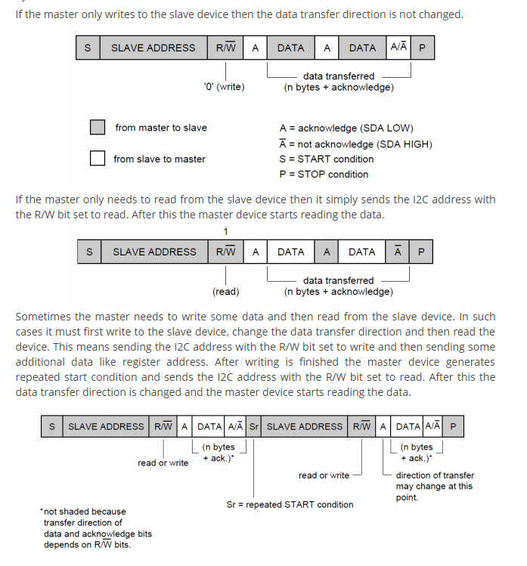
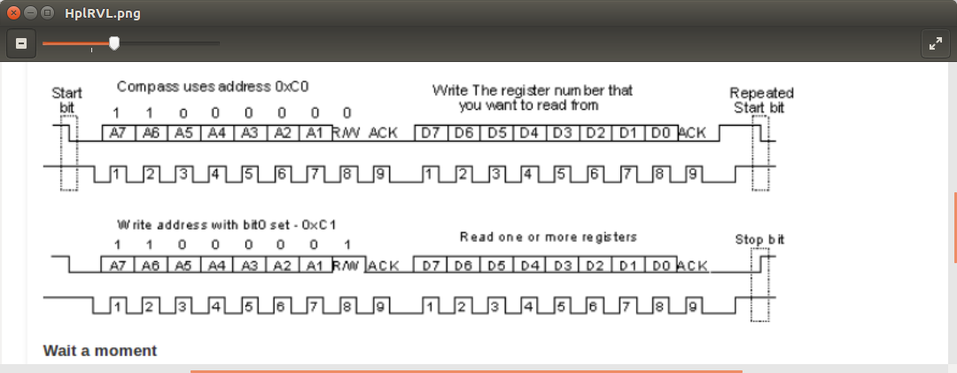

v
 |  |  | Address = 0x44 ( 100 0100) |  |  |  |  |  |  |  |  |  |  |  |  |  |  |  |  |  |  |  |  |  |  |  |  | Data = ‘d’ (0x64, 0110 0100)

 | Start seq |  |  |  |  | 1 |  |  |  |  | 0 |  |  |  | 0 |  |  |  | 0 |  |  |  | 1 | 0 | 0 | R/W = 0 (Write) | Ack | D7 | D6 | D5 | D4 | D3 | D2 | D1 | D0 | Ack | Stop

SDA

SCL

 |  |  |  |  | 1 | 0 | 0 | 0 |  |  |  |  |  |  |  | 0 | 0 |  |  | 0 |  | ack
 |  | S | 1 | 0 |  |  |  |  | 0 | r | ack | P | S | 0 | 0 |  |  | 0 | 0 |  | 0

nes timing
