circuit-emu
 |  | |> diode | vcc 3.3
test 1 | vcc 5v | > register |  | > fpga input

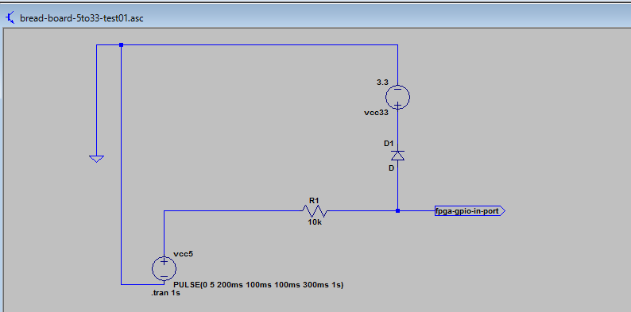

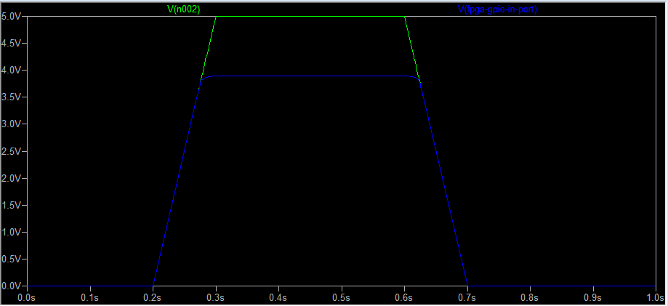

 | ok!

test 2 |  | > register | vcc 3.3
 | vcc 5v | |> diode |  | > fpga input

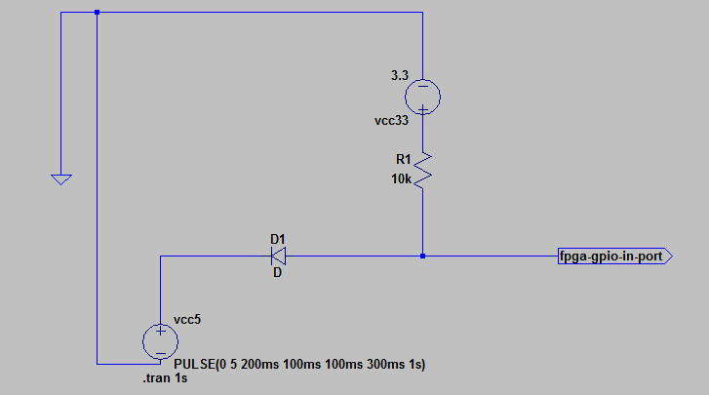

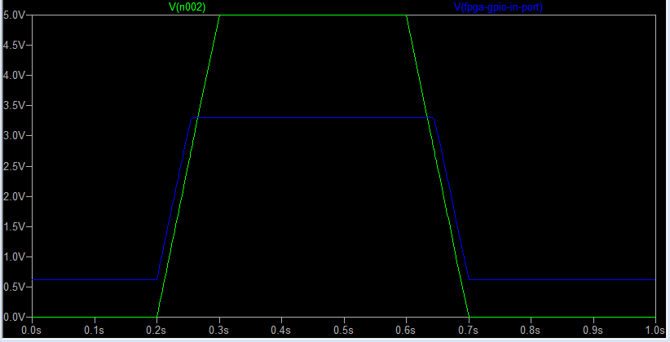

low out leaking??

test 3 | DE1 case.
 | vcc 5v | > register |  | > fpga input

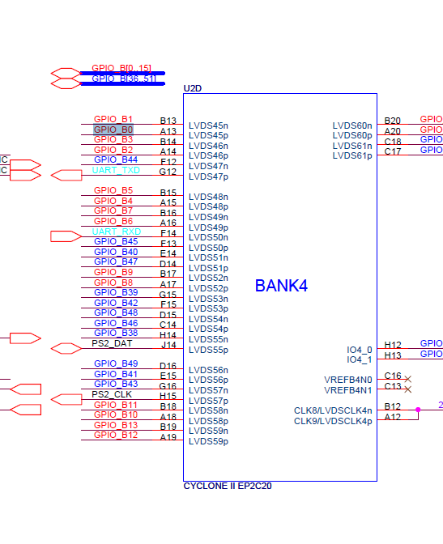

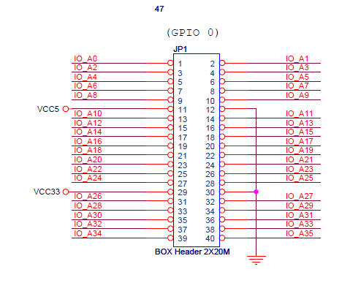
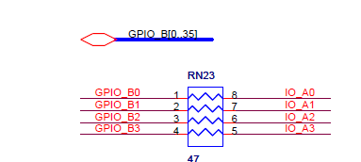

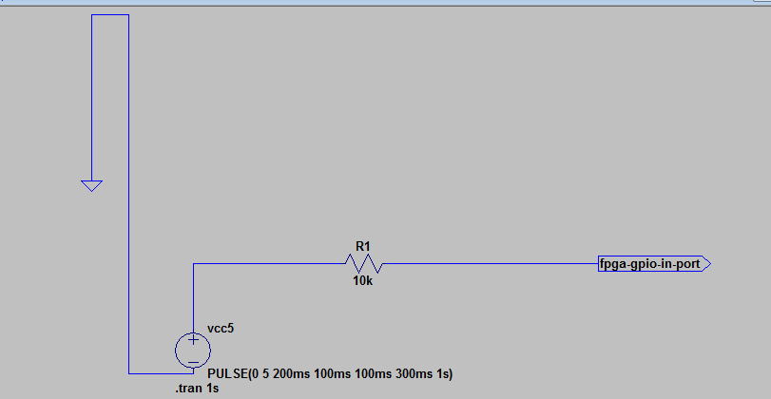

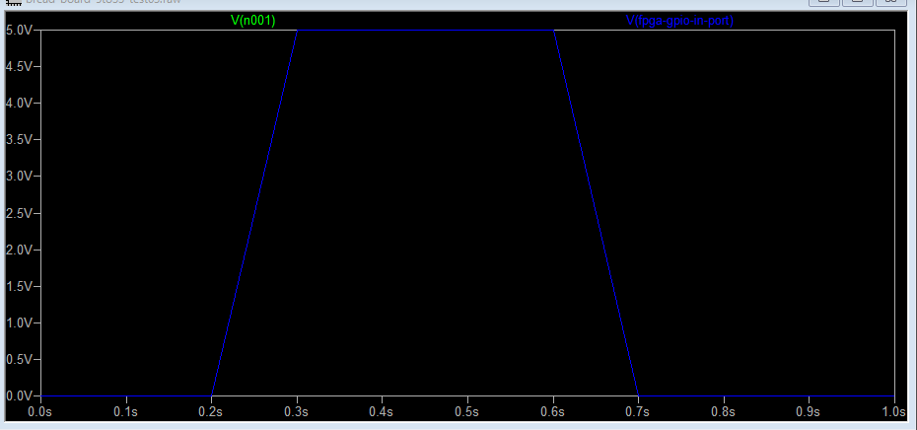

voltage is not decreased!!

test 4 | de0-cv manual simulation

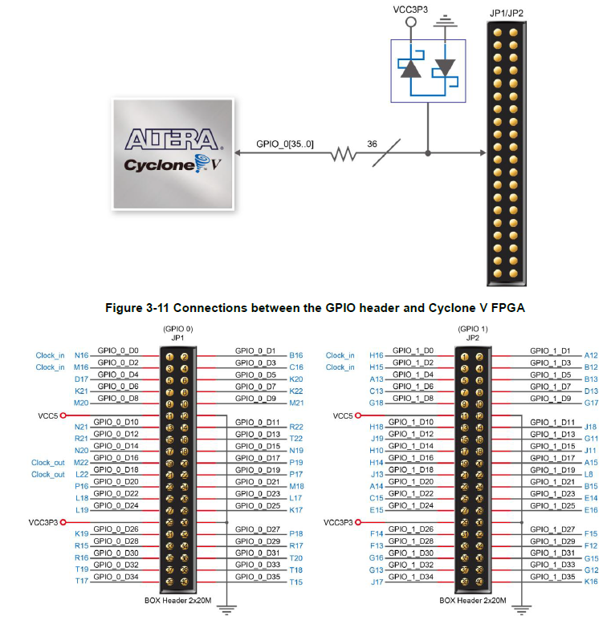

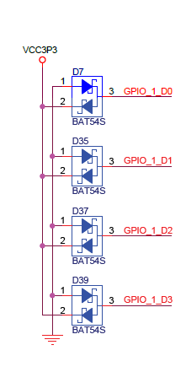

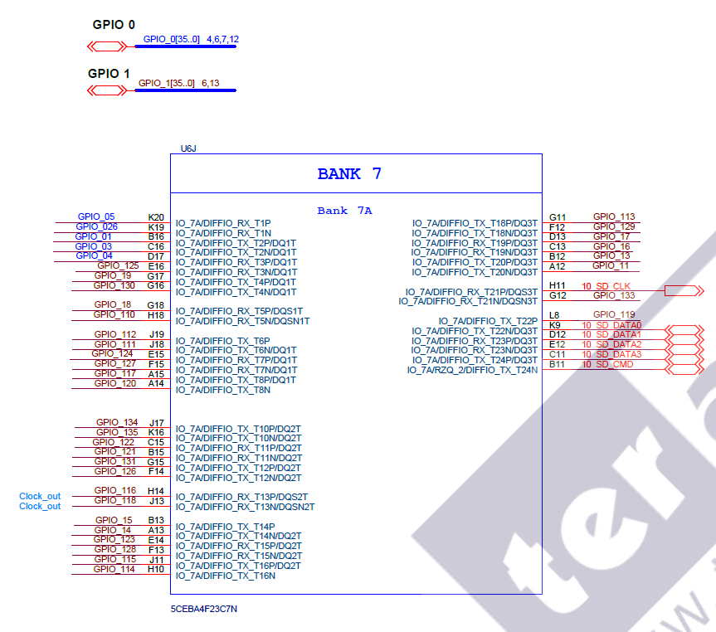

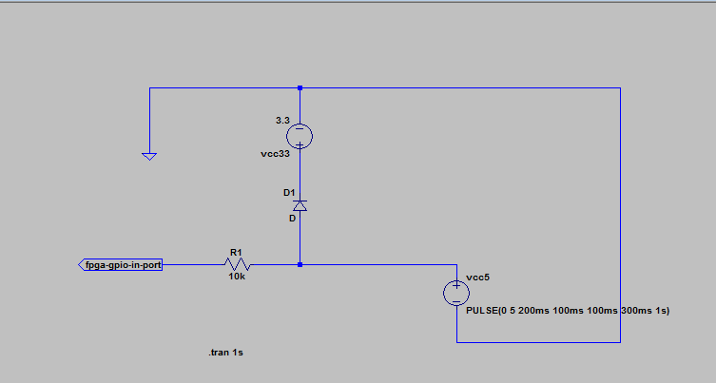

register position is reversed??

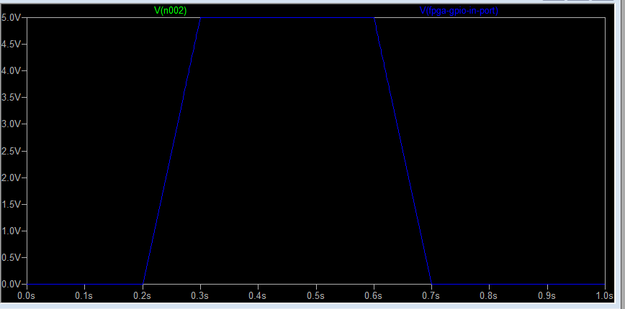

not protected!

level_shift_test01
bread board

 |  |  | 5v

level shifter

 |  |  | 3.3v

DE0 board

 |  |  |  | gpio 1 |  |  |  |  |  |  |  |  | gpio 0

led | 9 |  | 8 | 7 | 6 | 5 | 4 | 3 | 2 | 1 | 0 | led | 7 |  | 6 | 5 |  | 4 | 3 |  | 2 | 1 |  | 0

sw | 9 |  | 8 | 7 | 6 | 5 | 4 | 3 | 2 | 1 | 0 | btn |  | 3 |  |  | 2 |  |  | 1 |  |  | 0
 |  |  | count divide sw
 | direction |  |  |  |  |  |  |  |  |  |  |  |  | inc btn |  |  |  |  |  |  |  |  | rst btn

 | dir | on = cp gpio 0 to 1
 |  | off = cp gpio 1 to 0

logic-analyzer-result
2 clocks delayed.
no difference btn level shifter and diode level change.

