serial
bbb system reference manual

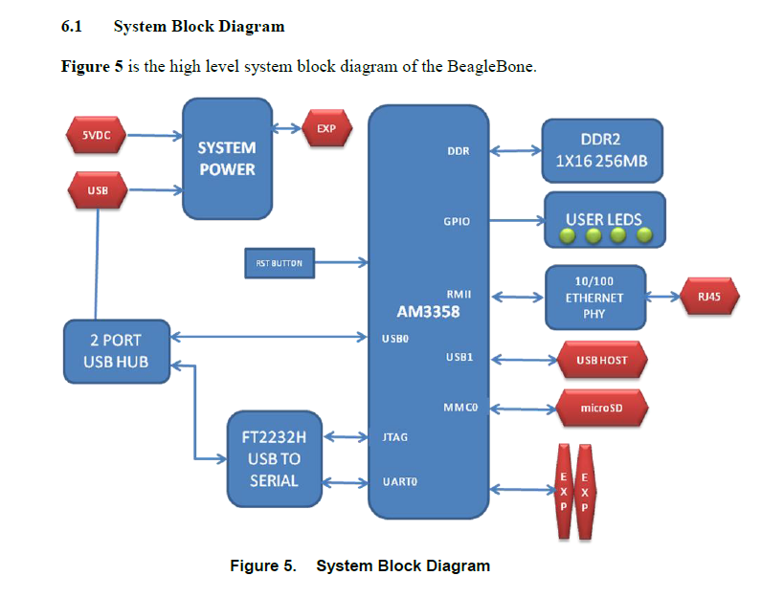

TI AM335x technical reference manual

kernel boot

[ 1.696126] Serial: 8250/16550 driver, 6 ports, IRQ sharing disabled
[ 1.699535] 44e09000.serial: ttyS0 at MMIO 0x44e09000 (irq = 158, base_baud = 3000000) is a 8250

i2c
sample
drivers\misc\eeprom/at24.c

sudo bash -c 'echo duper_nes 0x44 > /sys/bus/i2c/devices/i2c-2/new_device'

55 static const struct i2c_device_id bt_id_table[] = {
56 /*this id must match with the dts entry.*/
57 {"duper_nes", 0 },
58 { }
59 };
60 MODULE_DEVICE_TABLE(i2c, bt_id_table);
61
62
63 static struct i2c_driver bt_i2c_driver = {
64 .driver = {
65 .name = "bbb_tty_drv",
66 /*private data (not set at this moment..)*/
67 .p = NULL,
68 },
69 .probe = bt_i2c_probe,
70 .remove = bt_i2c_remove,
71 .id_table = bt_id_table,
72 };

tty
tty_register first
 |  | module_init(serial8250_init);
 |  |  | static int __init serial8250_init(void) |  |  |  |  |  | 8250_core.c
 |  |  |  | int uart_register_driver(struct uart_driver *drv) |  |  |  |  | serial_core.c
when you register tty,
/sys/devices/virtual/tty/ttyNES0/ is created.
/dev/ttyNES0 is also created.
 |  |  |  |  | tty_register_driver(normal);

console register next.
 |  | module_platform_driver(omap8250_platform_driver); |  |  |  |  |  |  | 8250_omap.c
 |  |  | static int omap8250_probe(struct platform_device *pdev)
 |  |  |  | int serial8250_register_8250_port(struct uart_8250_port *up) |  |  |  |  | 8250_core.c
 |  |  |  |  | int uart_add_one_port(struct uart_driver *drv, struct uart_port *uport) |  |  |  | serial_core.c
 |  |  |  |  |  | uart_configure_port(struct uart_driver *drv, struct uart_state *state,
 |  |  |  |  |  |  |  | struct uart_port *port)
 |  |  |  |  |  |  | register_console(port->cons);

 | bool kgdb_nmi_poll_knock(void)
 |  | static int kgdb_nmi_poll_one_knock(void)
 |  |  | c = dbg_io_ops->read_char();
 |  |  | kgdb_tty_recv(c);

 | static void kgdb_nmi_tty_receiver(unsigned long data)
 |  | tty_insert_flip_char(&priv->port, ch, TTY_NORMAL);

