circuit-emu
 |  | |> diode | vcc 3.3
test 1 | vcc 5v | > register |  | > fpga input

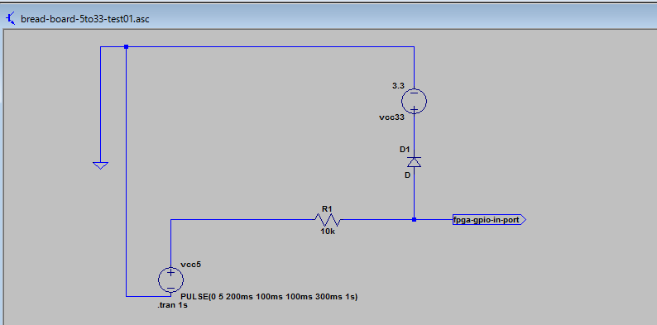

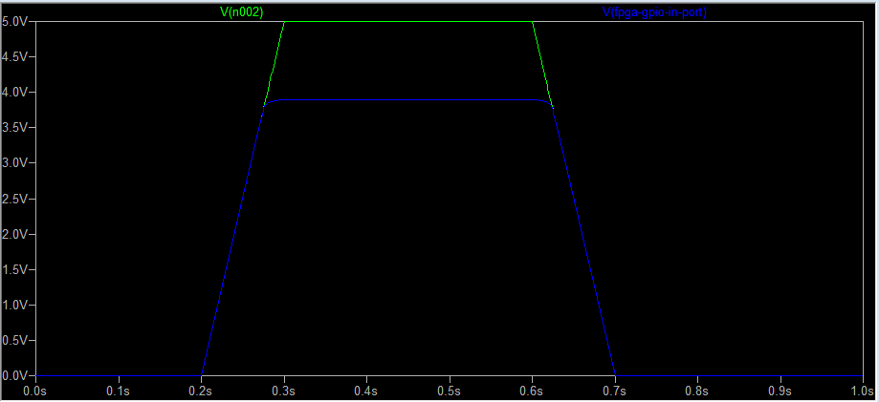

 | ok!

test 2 |  | > register | vcc 3.3
 | vcc 5v | |> diode |  | > fpga input

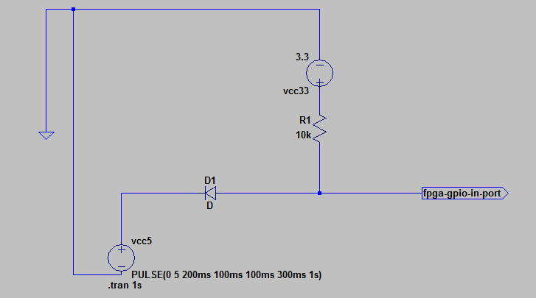

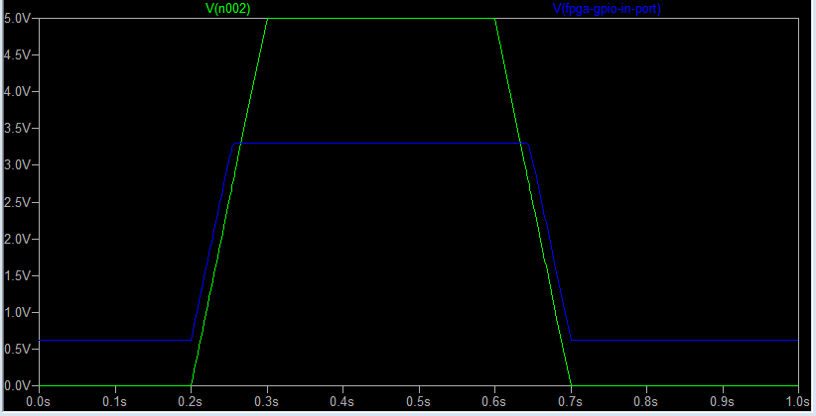

low out leaking??

test 3 | DE1 case.
 | vcc 5v | > register |  | > fpga input

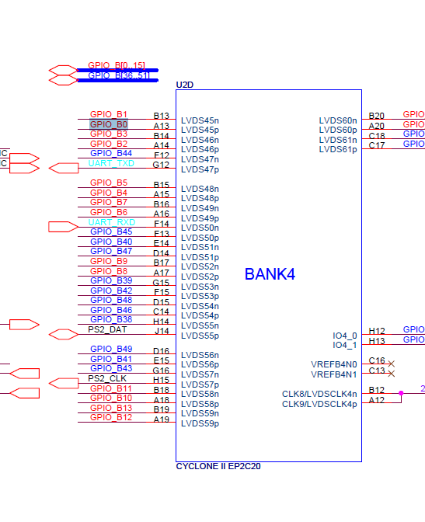

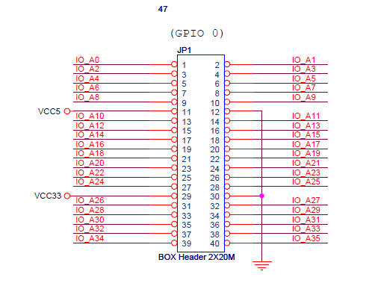
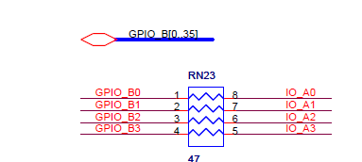

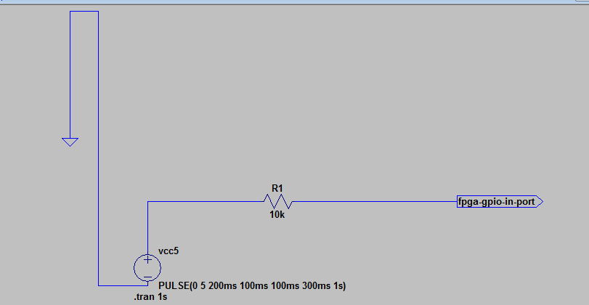

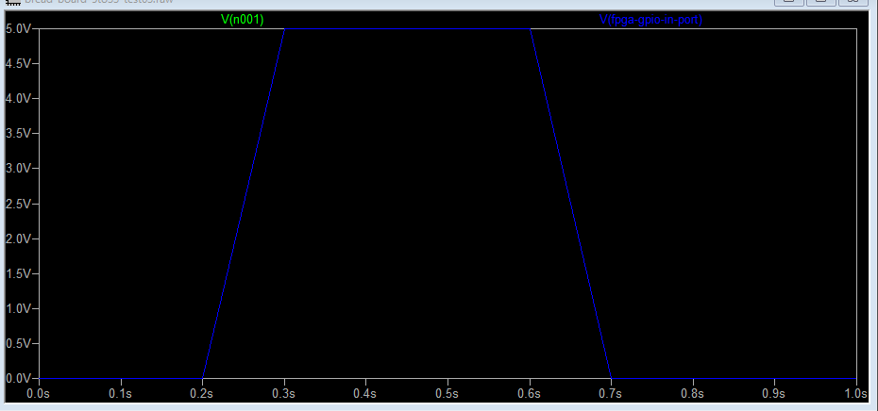

voltage is not decreased!!

test 4 | de0-cv manual simulation

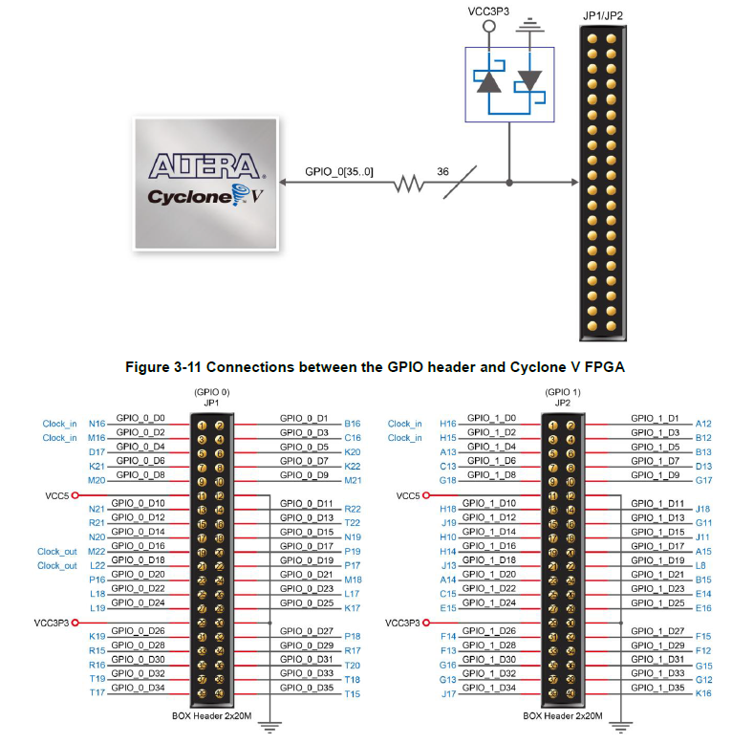

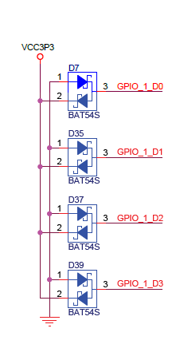

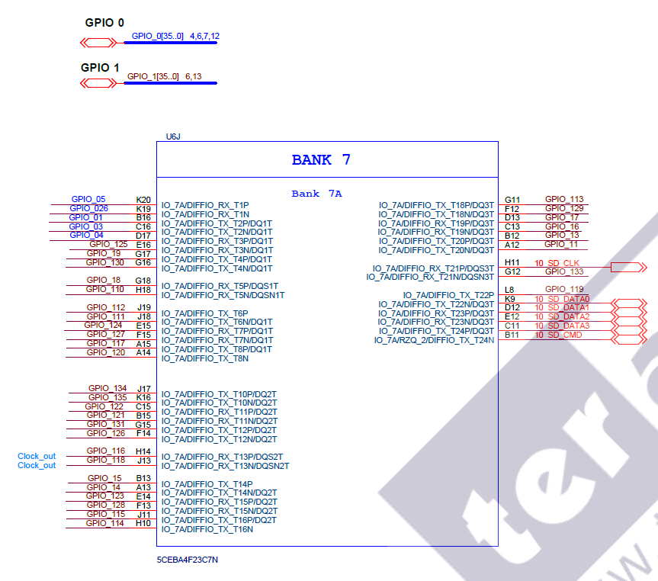

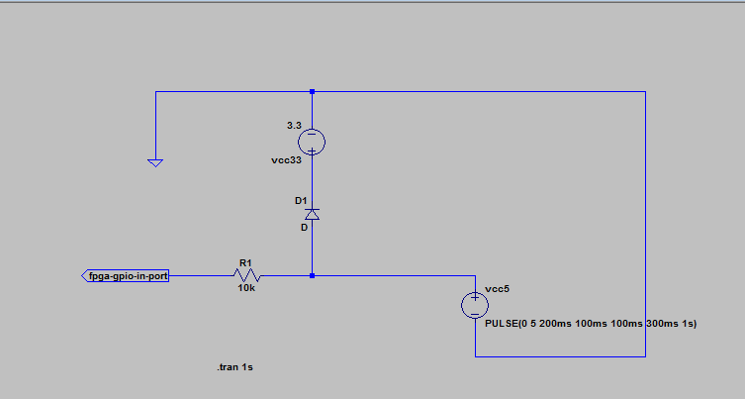

register position is reversed??

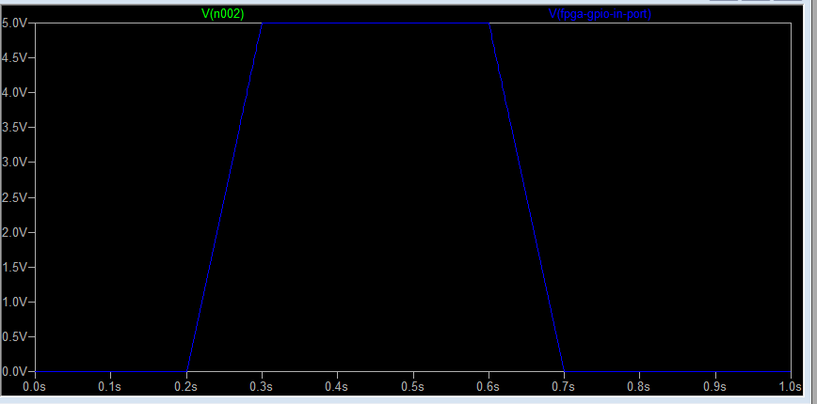

not protected!

level_shift_test01
bread board

 |  |  | 5v

level shifter

 |  |  | 3.3v

DE0 board

 |  |  |  | gpio 1 |  |  |  |  |  |  |  |  | gpio 0

led | 9 |  | 8 | 7 | 6 | 5 | 4 | 3 | 2 | 1 | 0 | led | 7 |  | 6 | 5 |  | 4 | 3 |  | 2 | 1 |  | 0

sw | 9 |  | 8 | 7 | 6 | 5 | 4 | 3 | 2 | 1 | 0 | btn |  | 3 |  |  | 2 |  |  | 1 |  |  | 0
 |  |  | count divide sw
 | direction |  |  |  |  |  |  |  |  |  |  |  |  | inc btn |  |  |  |  |  |  |  |  | rst btn

 | dir | on = cp gpio 0 to 1
 |  | off = cp gpio 1 to 0

logic-analyzer-result
2 clocks delayed.
no difference btn level shifter and diode level change.

cartridge
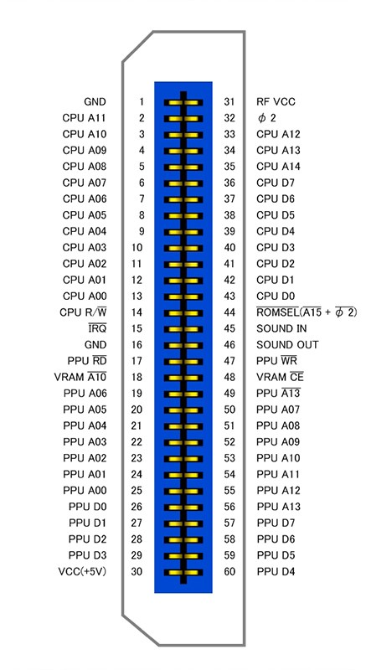
カートリッジコネクタピンアサイン |  | http://wiki.nesdev.com/w/index.php/Cartridge_connector
表 | 裏 |  | ------- |  |  |  |  | おおよそ上半分がCPUからのアドレスバスとデータバス
1:GND | 31:Vcc | GND -- | |01 31| | -- +5V |  |  |  | IRQやオーディオなどを挟んで下半分がPPUのアドレスバスとデータバス
2:PRG-A11 | 32:??? N/C | CPU A11 -> | |02 32| | <- M2 |  |  |  | φ2(M2とも)はシステムクロック
3:PRG-A10 | 33:PRG-A12 | CPU A10 -> | |03 33| | <- CPU A12 |  |  |  | SOUND INはAPU(2A03)からのサウンド出力。
4:PRG-A9 | 34:PRG-A13 | CPU A9 -> | |04 34| | <- CPU A13 |  |  |  | SOUND OUTはカセット側に拡張音源が乗っていればSOUND INとミックスして出力。
5:PRG-A8 | 35:PRG-A14 | CPU A8 -> | |05 35| | <- CPU A14 |  |  |  | 特になければそのままOUTに直結する。
6:PRG-A7 | 36:PRG-D7 | CPU A7 -> | |06 36| | <> CPU D7 |  |  |  | ピッチは2.54mm
7:PRG-A6 | 37:PRG-D6 | CPU A6 -> | |07 37| | <> CPU D6 |  |  |  | 基板厚は1.2mm
8:PRG-A5 | 38:PRG-D5 | CPU A5 -> | |08 38| | <> CPU D5
9:PRG-A4 | 39:PRG-D4 | CPU A4 -> | |09 39| | <> CPU D4
10:PRG-A3 | 40:PRG-D3 | CPU A3 -> | |10 40| | <> CPU D3
11:PRG-A2 | 41:PRG-D2 | CPU A2 -> | |11 41| | <> CPU D2
12:PRG-A1 | 42:PRG-D1 | CPU A1 -> | |12 42| | <> CPU D1
13:PRG-A0 | 43:PRG-D0 | CPU A0 -> | |13 43| | <> CPU D0
14:PRG-R/~W | 44:~PRG-CE | CPU R/W -> | |14 44| | <- /ROMSEL (/A15 + /M2)
15:~IRQ N/C (Out) | 45:Sound In C46 | /IRQ <- | |15 45| | <- Audio from 2A03
16:GND | 46:Sound Out C45 | GND -- | |16 46| | -> Audio to RF
17:~CHR-OE | 47:~CHR-WE | PPU /RD -> | |17 47| | <- PPU /WR
18:VRAM-A10 | 48:~VRAM-CE | CIRAM A10 <- | |18 48| | -> CIRAM /CE
19:CHR-A6 | 49:CHR-A13 | PPU A6 -> | |19 49| | <- PPU A13
20:CHR-A5 | 50:CHR-A7 | PPU A5 -> | |20 50| | <- PPU A7
21:CHR-A4 | 51:CHR-A8 | PPU A4 -> | |21 51| | <- PPU A8
22:CHR-A3 | 52:CHR-A9 | PPU A3 -> | |22 52| | <- PPU A9
23:CHR-A2 | 53:CHR-A10 | PPU A2 -> | |23 53| | <- PPU A10
24:CHR-A1 | 54:CHR-A11 | PPU A1 -> | |24 54| | <- PPU A11
25:CHR-A0 | 55:CHR-A12 | PPU A0 -> | |25 55| | <- PPU A12
26:CHR-D0 | 56~:CHR-A13 | PPU D0 <> | |26 56| | <- PPU /A13
27:CHR-D1 | 57:CHR-D7 | PPU D1 <> | |27 57| | <> PPU D7
28:CHR-D2 | 58:CHR-D6 | PPU D2 <> | |28 58| | <> PPU D6
29:CHR-D3 | 59:CHR-D5 | PPU D3 <> | |29 59| | <> PPU D5
30:Vcc | 60:CHR-D4 | +5V -- | |30 60| | <> PPU D4
 |  |  | -------

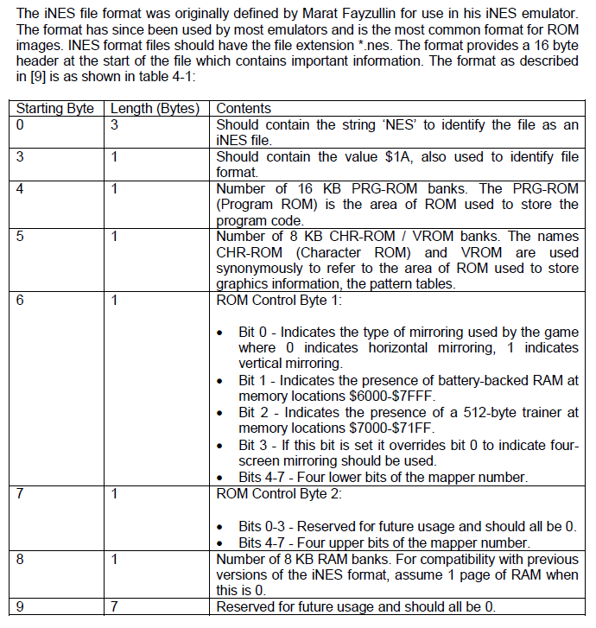

 |  |  |  |  | Burgur time iNES dump

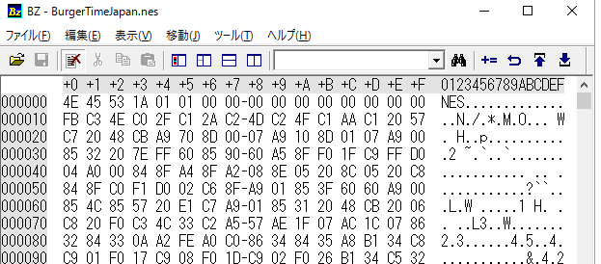

Mapper 0.

 |  |  |  |  |  |  |  |  | https://wiki.nesdev.com/w/index.php/Mask_ROM_pinout#8kB_.2F_16kB_.2F_32kB_.2F_64kBytes_.2828pin.29_ROMs
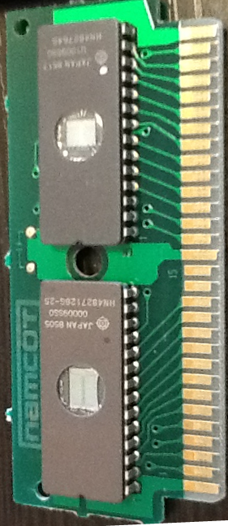
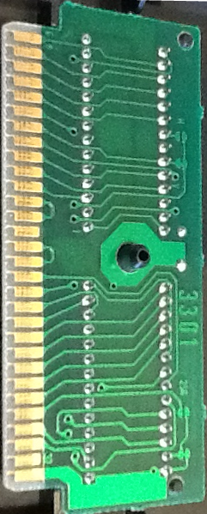
 |  |  | ------- |  |  | ------- |  |  | RROM Non-standard 64-kbit CHR pinout
 |  | GND -- | |01 31| |  |  | |01 31| | -- +5V |  | ---_---
 |  | CPU A11 -> | |02 32| |  |  | |02 32| | <- M2 |  | A7 - |01 28| - +5V
 |  | CPU A10 -> | |03 33| |  |  | |03 33| | <- CPU A12 |  | A6 - |02 27| - A8
 |  | CPU A9 -> | |04 34| |  |  | |04 34| | <- CPU A13 |  | A5 - |03 26| - A9
 |  | CPU A8 -> | |05 35| |  |  | |05 35| | <- CPU A14 |  | A4 - |04 25| - A12
 |  | CPU A7 -> | |06 36| |  |  | |06 36| | <> CPU D7 |  | A3 - |05 24| - /CE
 |  | CPU A6 -> | |07 37| |  |  | |07 37| | <> CPU D6 |  | +5V - |06 23| - NC
 |  | CPU A5 -> | |08 38| |  |  | |08 38| | <> CPU D5 |  | +5V - |07 22| - /OE
 |  | CPU A4 -> | |09 39| |  |  | |09 39| | <> CPU D4 |  | A2 - |08 21| - A10
 |  | CPU A3 -> | |10 40| |  |  | |10 40| | <> CPU D3 |  | A1 - |09 20| - A11
 |  | CPU A2 -> | |11 41| |  |  | |11 41| | <> CPU D2 |  | A0 - |10 19| - D7
 |  | CPU A1 -> | |12 42| |  |  | |12 42| | <> CPU D1 |  | D0 - |11 18| - D6
 |  | CPU A0 -> | |13 43| |  |  | |13 43| | <> CPU D0 |  | D1 - |12 17| - D5
 |  | CPU R/W -> | |14 44| |  |  | |14 44| | <- /ROMSEL (/A15 + /M2) |  | D2 - |13 16| - D4
 |  | /IRQ <- | |15 45| |  |  | |15 45| | <- Audio from 2A03 |  | GND - |14 15| - D3
 |  | GND -- | |16 46| |  |  | |16 46| | -> Audio to RF |  | -------
 |  | PPU /RD -> | |17 47| |  |  | |17 47| | <- PPU /WR
 |  | CIRAM A10 <- | |18 48| |  |  | |18 48| | -> CIRAM /CE
 |  | PPU A6 -> | |19 49| |  |  | |19 49| | <- PPU A13
 |  | PPU A5 -> | |20 50| |  |  | |20 50| | <- PPU A7
 |  | PPU A4 -> | |21 51| |  |  | |21 51| | <- PPU A8
 |  | PPU A3 -> | |22 52| |  |  | |22 52| | <- PPU A9 |  |  | https://wiki.nesdev.com/w/index.php/Mirroring
configure h mirror.
 |  | PPU A2 -> | |23 53| |  |  | |23 53| | <- PPU A10
 |  | PPU A1 -> | |24 54| |  |  | |24 54| | <- PPU A11 |  |  |  | To configure a cartridge board for horizontal mirroring, connect PPU A11 to CIRAM A10. On cartridge boards made by Nintendo, this is selected by shorting the "V" solder pad (for "vertical arrangement"). Note using inverse logic may make more sense, "Leaving the 'H' jumper open gives horizontal mirroring" on Nintendo boards.
 |  | PPU A0 -> | |25 55| |  |  | |25 55| | <- PPU A12
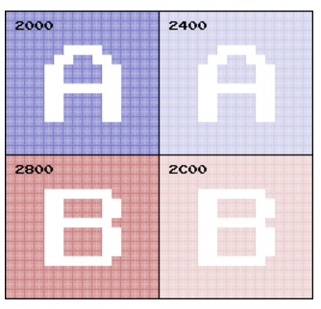
 |  | PPU D0 <> | |26 56| |  |  | |26 56| | <- PPU /A13
 |  | PPU D1 <> | |27 57| |  |  | |27 57| | <> PPU D7
 |  | PPU D2 <> | |28 58| |  |  | |28 58| | <> PPU D6
 |  | PPU D3 <> | |29 59| |  |  | |29 59| | <> PPU D5
 |  | +5V -- | |30 60| |  |  | |30 60| | <> PPU D4
 |  |  | ------- |  |  | -------

universal-board-inter-connect
DE1

 |  |  |  |  |  |  |  |  |  |  |  |  |  |  |  |  |  |  |  |  |  | NES

 |  |  |  |  |  |  |  |  |  |  |  |  |  |  |  |  |  |  |  |  |  |  |  |  | FRONT |  |  | BACK

 |  |  |  |  |  |  |  |  |  |  |  |  |  |  |  |  |  |  |  |  |  |  |  |  | 1:GND | x | x | 31:Vcc
 |  |  |  |  |  |  |  |  |  |  |  |  |  |  |  |  |  |  |  |  |  |  | x | 2:PRG-A11 | 2:PRG-A11 | x | x | 32:M2
 |  |  |  |  |  |  |  |  |  |  |  |  |  |  |  |  |  |  |  |  |  |  | x | 3:PRG-A10 | 3:PRG-A10 | x | x | 33:PRG-A12
 |  |  |  |  |  |  |  |  |  |  |  |  |  |  |  |  |  |  |  |  |  |  | x | 4:PRG-A9 | 4:PRG-A9 | x | x | 34:PRG-A13
 |  |  |  |  |  |  |  |  |  |  |  |  |  |  |  |  |  |  |  |  |  |  | x | 5:PRG-A8 | 5:PRG-A8 | x | x | 35:PRG-A14
 | NC | NC | NC | NC | NC | 3.3V | 29:CHR-D3 | 28:CHR-D2 | 27:CHR-D1 | 26:CHR-D0 | 60:CHR-D4 | 59:CHR-D5 | 58:CHR-D6 | 57:CHR-D7 | 5v | NC | 21:CHR-A4 | 20:CHR-A5 | 19:CHR-A6 | 17:~CHR-OE |  |  | x | 6:PRG-A7 | 6:PRG-A7 | x | x | 36:PRG-D7
 | x | x | x | x | x | x | x | x | x | x | x | x | x | x | x | x | x | x | x | x | JP1 |  | x | 7:PRG-A6 | 7:PRG-A6 | x | x | 37:PRG-D6 | x | 36:PRG-D7 | x | 44:~PRG-CE
 | x | x | x | x | x | x | x | x | x | x | x | x | x | x | x | x | x | x | x | x |  |  | x | 8:PRG-A5 | 8:PRG-A5 | x | x | 38:PRG-D5 | x | 37:PRG-D6 | x | 32:M2
 | NC | NC | NC | NC | NC | GND | 25:CHR-A0 | 24:CHR-A1 | 23:CHR-A2 | 22:CHR-A3 | 56~:CHR-A13 | 55:CHR-A12 | 54:CHR-A11 | 53:CHR-A10 | GND | NC | 52:CHR-A9 | 51:CHR-A8 | 50:CHR-A7 | 47:~CHR-WE |  |  | x | 9:PRG-A4 | 9:PRG-A4 | x | x | 39:PRG-D4 | x | 38:PRG-D5 | x
 |  |  |  |  |  |  |  |  |  |  |  |  |  |  |  |  |  |  |  |  |  |  |  |  | 10:PRG-A3 | x | x | 40:PRG-D3 | x | 39:PRG-D4
 |  |  |  |  |  |  |  |  |  |  |  |  |  |  |  |  |  |  |  |  |  |  | x | 10:PRG-A3 | 11:PRG-A2 | x | x | 41:PRG-D2 | x | 40:PRG-D3
 | NC | NC | NC | NC | 44:~PRG-CE | 3.3V | 2:PRG-A11 | 3:PRG-A10 | 4:PRG-A9 | 5:PRG-A8 | 6:PRG-A7 | 7:PRG-A6 | 8:PRG-A5 | 9:PRG-A4 | 5v | NC | 36:PRG-D7 | 37:PRG-D6 | 38:PRG-D5 | 39:PRG-D4 |  |  | x | 11:PRG-A2 | 12:PRG-A1 | x | x | 42:PRG-D1 | x | 41:PRG-D2
 | 34 | 32 | 30 | 28 | 26 |  | 24 | 22 | 20 | 18 | 16 | 14 | 12 | 10 |  | 8 | 6 | 4 | 2 | 0 |  |  | x | 12:PRG-A1 | 13:PRG-A0 | x | x | 43:PRG-D0 | x | 42:PRG-D1 | x | 17:~CHR-OE
 |  |  |  |  |  |  |  |  |  |  |  |  |  |  |  |  |  |  |  |  |  |  | x | 13:PRG-A0 | 14:PRG-R/~W | x | x | 44:~PRG-CE | x | 43:PRG-D0 | x | 19:CHR-A6
0
 | x | x | x | x | x | x | x | x | x | x | x | x | x | x | x | x | x | x | x | x |  |  | x | 14:PRG-R/~W | 15:~IRQ N/C (Out) | x | x | 45:Sound In C46 |  |  | x | 20:CHR-A5
 | x | x | x | x | x | x | x | x | x | x | x | x | x | x | x | x | x | x | x | x | JP2 |  | x | 35:PRG-A14 | 16:GND | x | x | 46:Sound Out C45 |  |  | x | 21:CHR-A4
 |  |  |  |  |  |  |  |  |  |  |  |  |  |  |  |  |  |  |  |  |  |  | x | 34:PRG-A13 | 17:~CHR-OE | x | x | 47:~CHR-WE |  |  | x | 47:~CHR-WE
 | 35 | 33 | 31 | 29 | 27 |  | 25 | 23 | 21 | 19 | 17 | 15 | 13 | 11 |  | 9 | 7 | 5 | 3 | 1 |  |  | x | 35:PRG-A12 | 18:VRAM-A10 | x | x | 48:~VRAM-CE |  |  | x | 50:CHR-A7
 | NC | NC | NC | NC | 32:M2 | GND | 10:PRG-A3 | 11:PRG-A2 | 12:PRG-A1 | 13:PRG-A0 | 14:PRG-R/~W | 35:PRG-A14 | 34:PRG-A13 | 35:PRG-A12 | GND | NC | 40:PRG-D3 | 41:PRG-D2 | 42:PRG-D1 | 43:PRG-D0 |  |  |  |  | 19:CHR-A6 | x | x | 49:CHR-A13 |  |  | x | 51:CHR-A8
 |  |  |  |  |  |  |  |  |  |  |  |  |  |  |  |  |  |  |  |  |  |  |  |  | 20:CHR-A5 | x | x | 50:CHR-A7 |  |  | x | 52:CHR-A9
 |  |  |  |  |  |  |  |  |  |  |  |  |  |  |  |  |  |  |  |  |  |  |  |  | 21:CHR-A4 | x | x | 51:CHR-A8
 |  |  |  |  |  |  |  |  |  |  |  |  |  |  |  |  |  |  |  |  |  |  |  |  | 22:CHR-A3 | x | x | 52:CHR-A9
 |  |  |  |  |  |  |  |  |  |  |  |  |  |  |  |  |  |  |  |  |  |  | x | 57:CHR-D7 | 23:CHR-A2 | x | x | 53:CHR-A10 | x | 53:CHR-A10
 |  |  |  |  |  |  |  |  |  |  |  |  |  |  |  |  |  |  |  |  |  |  | x | 58:CHR-D6 | 24:CHR-A1 | x | x | 54:CHR-A11 | x | 54:CHR-A11
 |  |  |  |  |  |  |  |  |  |  |  |  |  |  |  |  |  |  |  |  |  |  | x | 59:CHR-D5 | 25:CHR-A0 | x | x | 55:CHR-A12 | x | 55:CHR-A12
 |  |  |  |  |  |  |  |  |  |  |  |  |  |  |  |  |  |  |  |  |  |  | x | 60:CHR-D4 | 26:CHR-D0 | x | x | 56~:CHR-A13 | x | 56~:CHR-A13
 |  |  |  |  |  |  |  |  |  |  |  |  |  |  |  |  |  |  |  |  |  |  | x | 26:CHR-D0 | 27:CHR-D1 | x | x | 57:CHR-D7 | x | 22:CHR-A3
 |  |  |  |  |  |  |  |  |  |  |  |  |  |  |  |  |  |  |  |  |  |  | x | 27:CHR-D1 | 28:CHR-D2 | x | x | 58:CHR-D6 | x | 23:CHR-A2
 |  |  |  |  |  |  |  |  |  |  |  |  |  |  |  |  |  |  |  |  |  |  | x | 28:CHR-D2 | 29:CHR-D3 | x | x | 59:CHR-D5 | x | 24:CHR-A1
 |  |  |  |  |  |  |  |  |  |  |  |  |  |  |  |  |  |  |  |  |  |  | x | 29:CHR-D3 | 30:Vcc | x | x | 60:CHR-D4 | x | 25:CHR-A0

rom-debug
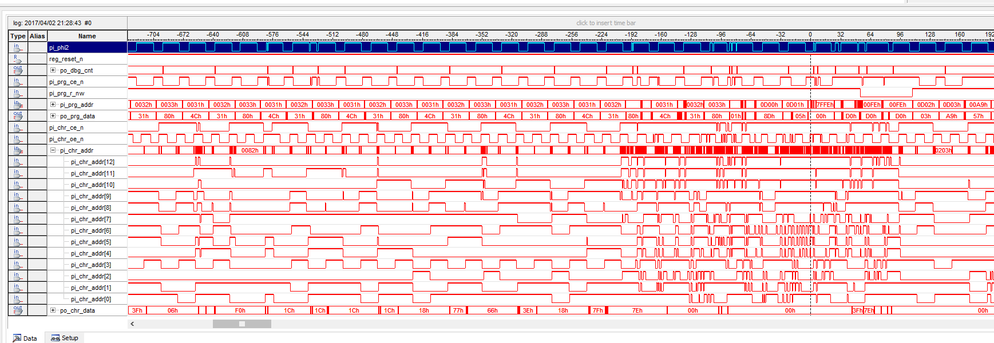
went to invalid address.
rom output timing was wrong???
inifinite loop ok..

SUSPICIOUS!!!!!

;;show bg...
lda #$1e
;; sta $2001
sta ppu_mask
;;;enable nmi
lda #$80
sta $2000
sta ppu_ctl
;;done...
;;infinite loop.
mainloop:
jmp mainloop
.endproc
If show bg is disabled, all the wave form shows ok...

IRQ take place...

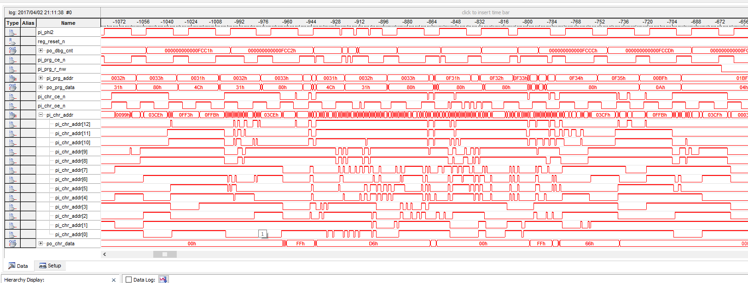

phi2 broken?

noise interfere?

case without ppu side ground pin connected.

nes-debug
fetch reset vector
rom /ce doesn't set??
push stack

#define NMI_VECTOR 0xFFFA
#define RESET_VECTOR 0xFFFC
#define IRQ_VECTOR 0xFFFE
FFE is irq vector!!!
IRQ must be disabled first!!

other test rom select comes correctly.

Universal board ver. 2 result

reset comes, but....
rom ce doesn't come.
address is wrong..

0000000000000000 8000: 78 SEI
0000000000000001 8001: a2 ff LDX #$ff
0000000000000002 8003: 9a TXS
0000000000000003 8004: 20 30 80 JSR $8030
0000000000000004 8030: a9 00 LDA #$00
0000000000000005 8032: 8d 00 03 STA $0300
0000000000000006 8035: 8d 01 03 STA $0301
0000000000000007 8038: 8d 57 03 STA $0357
0000000000000008 803b: 60 RTS
0000000000000009 8007: 20 9e 8c JSR $8c9e
000000000000000a 8c9e: a9 20 LDA #$20
000000000000000b 8ca0: 8d 02 03 STA $0302
000000000000000c 8ca3: a9 00 LDA #$00
000000000000000d 8ca5: 8d 03 03 STA $0303
000000000000000e 8ca8: a9 00 LDA #$00
000000000000000f 8caa: 8d 00 20 STA $2000
0000000000000010 8cad: 8d 00 03 STA $0300
0000000000000011 8cb0: 8d 01 20 STA $2001
0000000000000012 8cb3: 8d 01 03 STA $0301
0000000000000013 8cb6: a9 3f LDA #$3f
0000000000000014 8cb8: 8d 06 20 STA $2006
0000000000000015 8cbb: a9 00 LDA #$00
0000000000000016 8cbd: 8d 06 20 STA $2006
0000000000000017 8cc0: a2 00 LDX #$00
0000000000000018 8cc2: a0 20 LDY #$20
0000000000000019 8cc4: bd cf 8c LDA $8ccf, x
000000000000001a 8cc7: 8d 07 20 STA $2007
000000000000001b 8cca: e8 INX
000000000000001c 8ccb: 88 DEY
000000000000001d 8ccc: d0 f6 BNE # -10
000000000000001e 8cc4: bd cf 8c LDA $8ccf, x
000000000000001f 8cc7: 8d 07 20 STA $2007
0000000000000020 8cca: e8 INX
0000000000000021 8ccb: 88 DEY
0000000000000022 8ccc: d0 f6 BNE # -10
0000000000000023 8cc4: bd cf 8c LDA $8ccf, x
0000000000000024 8cc7: 8d 07 20 STA $2007
0000000000000025 8cca: e8 INX
0000000000000026 8ccb: 88 DEY
0000000000000027 8ccc: d0 f6 BNE # -10
0000000000000028 8cc4: bd cf 8c LDA $8ccf, x
0000000000000029 8cc7: 8d 07 20 STA $2007
000000000000002a 8cca: e8 INX
000000000000002b 8ccb: 88 DEY
000000000000002c 8ccc: d0 f6 BNE # -10
000000000000002d 8cc4: bd cf 8c LDA $8ccf, x
000000000000002e 8cc7: 8d 07 20 STA $2007
000000000000002f 8cca: e8 INX
0000000000000030 8ccb: 88 DEY
0000000000000031 8ccc: d0 f6 BNE # -10
0000000000000032 8cc4: bd cf 8c LDA $8ccf, x
0000000000000033 8cc7: 8d 07 20 STA $2007
0000000000000034 8cca: e8 INX
0000000000000035 8ccb: 88 DEY
0000000000000036 8ccc: d0 f6 BNE # -10
0000000000000037 8cc4: bd cf 8c LDA $8ccf, x
0000000000000038 8cc7: 8d 07 20 STA $2007
0000000000000039 8cca: e8 INX
000000000000003a 8ccb: 88 DEY
000000000000003b 8ccc: d0 f6 BNE # -10
000000000000003c 8cc4: bd cf 8c LDA $8ccf, x
000000000000003d 8cc7: 8d 07 20 STA $2007
000000000000003e 8cca: e8 INX
000000000000003f 8ccb: 88 DEY
0000000000000040 8ccc: d0 f6 BNE # -10
0000000000000041 8cc4: bd cf 8c LDA $8ccf, x
0000000000000042 8cc7: 8d 07 20 STA $2007
0000000000000043 8cca: e8 INX
0000000000000044 8ccb: 88 DEY
0000000000000045 8ccc: d0 f6 BNE # -10
0000000000000046 8cc4: bd cf 8c LDA $8ccf, x
0000000000000047 8cc7: 8d 07 20 STA $2007
0000000000000048 8cca: e8 INX
0000000000000049 8ccb: 88 DEY
000000000000004a 8ccc: d0 f6 BNE # -10
000000000000004b 8cc4: bd cf 8c LDA $8ccf, x
000000000000004c 8cc7: 8d 07 20 STA $2007
000000000000004d 8cca: e8 INX
000000000000004e 8ccb: 88 DEY
000000000000004f 8ccc: d0 f6 BNE # -10
0000000000000050 8cc4: bd cf 8c LDA $8ccf, x
0000000000000051 8cc7: 8d 07 20 STA $2007
0000000000000052 8cca: e8 INX
0000000000000053 8ccb: 88 DEY
0000000000000054 8ccc: d0 f6 BNE # -10
0000000000000055 8cc4: bd cf 8c LDA $8ccf, x
0000000000000056 8cc7: 8d 07 20 STA $2007
0000000000000057 8cca: e8 INX
0000000000000058 8ccb: 88 DEY
0000000000000059 8ccc: d0 f6 BNE # -10
000000000000005a 8cc4: bd cf 8c LDA $8ccf, x
000000000000005b 8cc7: 8d 07 20 STA $2007
000000000000005c 8cca: e8 INX
000000000000005d 8ccb: 88 DEY
000000000000005e 8ccc: d0 f6 BNE # -10
000000000000005f 8cc4: bd cf 8c LDA $8ccf, x
0000000000000060 8cc7: 8d 07 20 STA $2007
0000000000000061 8cca: e8 INX
0000000000000062 8ccb: 88 DEY
0000000000000063 8ccc: d0 f6 BNE # -10
0000000000000064 8cc4: bd cf 8c LDA $8ccf, x
0000000000000065 8cc7: 8d 07 20 STA $2007
0000000000000066 8cca: e8 INX
0000000000000067 8ccb: 88 DEY
0000000000000068 8ccc: d0 f6 BNE # -10
0000000000000069 8cc4: bd cf 8c LDA $8ccf, x
000000000000006a 8cc7: 8d 07 20 STA $2007
000000000000006b 8cca: e8 INX
000000000000006c 8ccb: 88 DEY
000000000000006d 8ccc: d0 f6 BNE # -10
000000000000006e 8cc4: bd cf 8c LDA $8ccf, x
000000000000006f 8cc7: 8d 07 20 STA $2007
0000000000000070 8cca: e8 INX
0000000000000071 8ccb: 88 DEY
0000000000000072 8ccc: d0 f6 BNE # -10
0000000000000073 8cc4: bd cf 8c LDA $8ccf, x
0000000000000074 8cc7: 8d 07 20 STA $2007
0000000000000075 8cca: e8 INX
0000000000000076 8ccb: 88 DEY
0000000000000077 8ccc: d0 f6 BNE # -10
0000000000000078 8cc4: bd cf 8c LDA $8ccf, x
0000000000000079 8cc7: 8d 07 20 STA $2007
000000000000007a 8cca: e8 INX
000000000000007b 8ccb: 88 DEY
000000000000007c 8ccc: d0 f6 BNE # -10
000000000000007d 8cc4: bd cf 8c LDA $8ccf, x
000000000000007e 8cc7: 8d 07 20 STA $2007
000000000000007f 8cca: e8 INX
0000000000000080 8ccb: 88 DEY
0000000000000081 8ccc: d0 f6 BNE # -10
0000000000000082 8cc4: bd cf 8c LDA $8ccf, x
0000000000000083 8cc7: 8d 07 20 STA $2007
0000000000000084 8cca: e8 INX
0000000000000085 8ccb: 88 DEY
0000000000000086 8ccc: d0 f6 BNE # -10
0000000000000087 8cc4: bd cf 8c LDA $8ccf, x
0000000000000088 8cc7: 8d 07 20 STA $2007
0000000000000089 8cca: e8 INX
000000000000008a 8ccb: 88 DEY
000000000000008b 8ccc: d0 f6 BNE # -10
000000000000008c 8cc4: bd cf 8c LDA $8ccf, x
000000000000008d 8cc7: 8d 07 20 STA $2007
000000000000008e 8cca: e8 INX
000000000000008f 8ccb: 88 DEY
0000000000000090 8ccc: d0 f6 BNE # -10
0000000000000091 8cc4: bd cf 8c LDA $8ccf, x
0000000000000092 8cc7: 8d 07 20 STA $2007
0000000000000093 8cca: e8 INX
0000000000000094 8ccb: 88 DEY
0000000000000095 8ccc: d0 f6 BNE # -10
0000000000000096 8cc4: bd cf 8c LDA $8ccf, x
0000000000000097 8cc7: 8d 07 20 STA $2007
0000000000000098 8cca: e8 INX
0000000000000099 8ccb: 88 DEY
000000000000009a 8ccc: d0 f6 BNE # -10
000000000000009b 8cc4: bd cf 8c LDA $8ccf, x
000000000000009c 8cc7: 8d 07 20 STA $2007
000000000000009d 8cca: e8 INX
000000000000009e 8ccb: 88 DEY
000000000000009f 8ccc: d0 f6 BNE # -10
00000000000000a0 8cc4: bd cf 8c LDA $8ccf, x
00000000000000a1 8cc7: 8d 07 20 STA $2007
00000000000000a2 8cca: e8 INX
00000000000000a3 8ccb: 88 DEY
00000000000000a4 8ccc: d0 f6 BNE # -10
00000000000000a5 8cc4: bd cf 8c LDA $8ccf, x
00000000000000a6 8cc7: 8d 07 20 STA $2007
00000000000000a7 8cca: e8 INX
00000000000000a8 8ccb: 88 DEY
00000000000000a9 8ccc: d0 f6 BNE # -10
00000000000000aa 8cc4: bd cf 8c LDA $8ccf, x
00000000000000ab 8cc7: 8d 07 20 STA $2007
00000000000000ac 8cca: e8 INX
00000000000000ad 8ccb: 88 DEY
00000000000000ae 8ccc: d0 f6 BNE # -10
00000000000000af 8cc4: bd cf 8c LDA $8ccf, x
00000000000000b0 8cc7: 8d 07 20 STA $2007
00000000000000b1 8cca: e8 INX
00000000000000b2 8ccb: 88 DEY
00000000000000b3 8ccc: d0 f6 BNE # -10
00000000000000b4 8cc4: bd cf 8c LDA $8ccf, x
00000000000000b5 8cc7: 8d 07 20 STA $2007
00000000000000b6 8cca: e8 INX
00000000000000b7 8ccb: 88 DEY
00000000000000b8 8ccc: d0 f6 BNE # -10
00000000000000b9 8cce: 60 RTS
00000000000000ba 800a: 20 e1 8b JSR $8be1
00000000000000bb 8be1: ad ef 8c LDA $8cef
00000000000000bc 8be4: 85 00 STA $00
00000000000000bd 8be6: ad f0 8c LDA $8cf0
00000000000000be 8be9: 85 01 STA $01
00000000000000bf 8beb: 20 34 8c JSR $8c34
00000000000000c0 8c34: ad 02 03 LDA $0302
00000000000000c1 8c37: 8d 06 20 STA $2006
00000000000000c2 8c3a: ad 03 03 LDA $0303
00000000000000c3 8c3d: 8d 06 20 STA $2006
00000000000000c4 8c40: a0 00 LDY #$00
00000000000000c5 8c42: b1 00 LDA ($00), y
00000000000000c6 8c44: 8d 07 20 STA $2007
00000000000000c7 8c47: f0 04 BEQ # +4
00000000000000c8 8c49: c8 INY
00000000000000c9 8c4a: 4c 42 8c JMP $8c42
00000000000000ca 8c42: b1 00 LDA ($00), y
00000000000000cb 8c44: 8d 07 20 STA $2007
00000000000000cc 8c47: f0 04 BEQ # +4
00000000000000cd 8c49: c8 INY
00000000000000ce 8c4a: 4c 42 8c JMP $8c42
00000000000000cf 8c42: b1 00 LDA ($00), y
00000000000000d0 8c44: 8d 07 20 STA $2007
00000000000000d1 8c47: f0 04 BEQ # +4
00000000000000d2 8c49: c8 INY
00000000000000d3 8c4a: 4c 42 8c JMP $8c42
00000000000000d4 8c42: b1 00 LDA ($00), y
00000000000000d5 8c44: 8d 07 20 STA $2007
00000000000000d6 8c47: f0 04 BEQ # +4
00000000000000d7 8c49: c8 INY
00000000000000d8 8c4a: 4c 42 8c JMP $8c42
00000000000000d9 8c42: b1 00 LDA ($00), y
00000000000000da 8c44: 8d 07 20 STA $2007
00000000000000db 8c47: f0 04 BEQ # +4
00000000000000dc 8c49: c8 INY
00000000000000dd 8c4a: 4c 42 8c JMP $8c42
00000000000000de 8c42: b1 00 LDA ($00), y
00000000000000df 8c44: 8d 07 20 STA $2007
00000000000000e0 8c47: f0 04 BEQ # +4
00000000000000e1 8c49: c8 INY
00000000000000e2 8c4a: 4c 42 8c JMP $8c42
00000000000000e3 8c42: b1 00 LDA ($00), y
00000000000000e4 8c44: 8d 07 20 STA $2007
00000000000000e5 8c47: f0 04 BEQ # +4
00000000000000e6 8c49: c8 INY
00000000000000e7 8c4a: 4c 42 8c JMP $8c42
00000000000000e8 8c42: b1 00 LDA ($00), y
00000000000000e9 8c44: 8d 07 20 STA $2007
00000000000000ea 8c47: f0 04 BEQ # +4
00000000000000eb 8c49: c8 INY
00000000000000ec 8c4a: 4c 42 8c JMP $8c42
00000000000000ed 8c42: b1 00 LDA ($00), y
00000000000000ee 8c44: 8d 07 20 STA $2007
00000000000000ef 8c47: f0 04 BEQ # +4
00000000000000f0 8c49: c8 INY
00000000000000f1 8c4a: 4c 42 8c JMP $8c42
00000000000000f2 8c42: b1 00 LDA ($00), y
00000000000000f3 8c44: 8d 07 20 STA $2007
00000000000000f4 8c47: f0 04 BEQ # +4
00000000000000f5 8c49: c8 INY
00000000000000f6 8c4a: 4c 42 8c JMP $8c42
00000000000000f7 8c42: b1 00 LDA ($00), y
00000000000000f8 8c44: 8d 07 20 STA $2007
00000000000000f9 8c47: f0 04 BEQ # +4
00000000000000fa 8c49: c8 INY
00000000000000fb 8c4a: 4c 42 8c JMP $8c42
00000000000000fc 8c42: b1 00 LDA ($00), y
00000000000000fd 8c44: 8d 07 20 STA $2007
00000000000000fe 8c47: f0 04 BEQ # +4
00000000000000ff 8c49: c8 INY
0000000000000100 8c4a: 4c 42 8c JMP $8c42
0000000000000101 8c42: b1 00 LDA ($00), y
0000000000000102 8c44: 8d 07 20 STA $2007
0000000000000103 8c47: f0 04 BEQ # +4
0000000000000104 8c49: c8 INY
0000000000000105 8c4a: 4c 42 8c JMP $8c42
0000000000000106 8c42: b1 00 LDA ($00), y
0000000000000107 8c44: 8d 07 20 STA $2007
0000000000000108 8c47: f0 04 BEQ # +4
0000000000000109 8c4d: 98 TYA
000000000000010a 8c4e: 29 1f AND #$1f
000000000000010b 8c50: c9 1f CMP #$1f
000000000000010c 8c52: f0 09 BEQ # +9
000000000000010d 8c54: a9 00 LDA #$00
000000000000010e 8c56: 8d 07 20 STA $2007
000000000000010f 8c59: c8 INY
0000000000000110 8c5a: 4c 4d 8c JMP $8c4d
0000000000000111 8c4d: 98 TYA
0000000000000112 8c4e: 29 1f AND #$1f
0000000000000113 8c50: c9 1f CMP #$1f
0000000000000114 8c52: f0 09 BEQ # +9
0000000000000115 8c54: a9 00 LDA #$00
0000000000000116 8c56: 8d 07 20 STA $2007
0000000000000117 8c59: c8 INY
0000000000000118 8c5a: 4c 4d 8c JMP $8c4d
0000000000000119 8c4d: 98 TYA
000000000000011a 8c4e: 29 1f AND #$1f
000000000000011b 8c50: c9 1f CMP #$1f
000000000000011c 8c52: f0 09 BEQ # +9
000000000000011d 8c54: a9 00 LDA #$00
000000000000011e 8c56: 8d 07 20 STA $2007
000000000000011f 8c59: c8 INY
0000000000000120 8c5a: 4c 4d 8c JMP $8c4d
0000000000000121 8c4d: 98 TYA
0000000000000122 8c4e: 29 1f AND #$1f
0000000000000123 8c50: c9 1f CMP #$1f
0000000000000124 8c52: f0 09 BEQ # +9
0000000000000125 8c54: a9 00 LDA #$00
0000000000000126 8c56: 8d 07 20 STA $2007
0000000000000127 8c59: c8 INY
0000000000000128 8c5a: 4c 4d 8c JMP $8c4d
0000000000000129 8c4d: 98 TYA
000000000000012a 8c4e: 29 1f AND #$1f
000000000000012b 8c50: c9 1f CMP #$1f
000000000000012c 8c52: f0 09 BEQ # +9
000000000000012d 8c54: a9 00 LDA #$00
000000000000012e 8c56: 8d 07 20 STA $2007
000000000000012f 8c59: c8 INY
0000000000000130 8c5a: 4c 4d 8c JMP $8c4d
0000000000000131 8c4d: 98 TYA
0000000000000132 8c4e: 29 1f AND #$1f
0000000000000133 8c50: c9 1f CMP #$1f
0000000000000134 8c52: f0 09 BEQ # +9
0000000000000135 8c54: a9 00 LDA #$00
0000000000000136 8c56: 8d 07 20 STA $2007
0000000000000137 8c59: c8 INY
0000000000000138 8c5a: 4c 4d 8c JMP $8c4d
0000000000000139 8c4d: 98 TYA
000000000000013a 8c4e: 29 1f AND #$1f
000000000000013b 8c50: c9 1f CMP #$1f
000000000000013c 8c52: f0 09 BEQ # +9
000000000000013d 8c54: a9 00 LDA #$00
000000000000013e 8c56: 8d 07 20 STA $2007
000000000000013f 8c59: c8 INY
0000000000000140 8c5a: 4c 4d 8c JMP $8c4d
0000000000000141 8c4d: 98 TYA
0000000000000142 8c4e: 29 1f AND #$1f
0000000000000143 8c50: c9 1f CMP #$1f
0000000000000144 8c52: f0 09 BEQ # +9
0000000000000145 8c54: a9 00 LDA #$00
0000000000000146 8c56: 8d 07 20 STA $2007
0000000000000147 8c59: c8 INY
0000000000000148 8c5a: 4c 4d 8c JMP $8c4d
0000000000000149 8c4d: 98 TYA
000000000000014a 8c4e: 29 1f AND #$1f
000000000000014b 8c50: c9 1f CMP #$1f
000000000000014c 8c52: f0 09 BEQ # +9
000000000000014d 8c54: a9 00 LDA #$00
000000000000014e 8c56: 8d 07 20 STA $2007
000000000000014f 8c59: c8 INY
0000000000000150 8c5a: 4c 4d 8c JMP $8c4d
0000000000000151 8c4d: 98 TYA
0000000000000152 8c4e: 29 1f AND #$1f
0000000000000153 8c50: c9 1f CMP #$1f
0000000000000154 8c52: f0 09 BEQ # +9
0000000000000155 8c54: a9 00 LDA #$00
0000000000000156 8c56: 8d 07 20 STA $2007
0000000000000157 8c59: c8 INY
0000000000000158 8c5a: 4c 4d 8c JMP $8c4d
0000000000000159 8c4d: 98 TYA
000000000000015a 8c4e: 29 1f AND #$1f
000000000000015b 8c50: c9 1f CMP #$1f
000000000000015c 8c52: f0 09 BEQ # +9
000000000000015d 8c54: a9 00 LDA #$00
000000000000015e 8c56: 8d 07 20 STA $2007
000000000000015f 8c59: c8 INY
0000000000000160 8c5a: 4c 4d 8c JMP $8c4d
0000000000000161 8c4d: 98 TYA
0000000000000162 8c4e: 29 1f AND #$1f
0000000000000163 8c50: c9 1f CMP #$1f
0000000000000164 8c52: f0 09 BEQ # +9
0000000000000165 8c54: a9 00 LDA #$00
0000000000000166 8c56: 8d 07 20 STA $2007
0000000000000167 8c59: c8 INY
0000000000000168 8c5a: 4c 4d 8c JMP $8c4d
0000000000000169 8c4d: 98 TYA
000000000000016a 8c4e: 29 1f AND #$1f
000000000000016b 8c50: c9 1f CMP #$1f
000000000000016c 8c52: f0 09 BEQ # +9
000000000000016d 8c54: a9 00 LDA #$00
000000000000016e 8c56: 8d 07 20 STA $2007
000000000000016f 8c59: c8 INY
0000000000000170 8c5a: 4c 4d 8c JMP $8c4d
0000000000000171 8c4d: 98 TYA
0000000000000172 8c4e: 29 1f AND #$1f
0000000000000173 8c50: c9 1f CMP #$1f
0000000000000174 8c52: f0 09 BEQ # +9
0000000000000175 8c54: a9 00 LDA #$00
0000000000000176 8c56: 8d 07 20 STA $2007
0000000000000177 8c59: c8 INY
0000000000000178 8c5a: 4c 4d 8c JMP $8c4d
0000000000000179 8c4d: 98 TYA
000000000000017a 8c4e: 29 1f AND #$1f
000000000000017b 8c50: c9 1f CMP #$1f
000000000000017c 8c52: f0 09 BEQ # +9
000000000000017d 8c54: a9 00 LDA #$00
000000000000017e 8c56: 8d 07 20 STA $2007
000000000000017f 8c59: c8 INY
0000000000000180 8c5a: 4c 4d 8c JMP $8c4d
0000000000000181 8c4d: 98 TYA
0000000000000182 8c4e: 29 1f AND #$1f
0000000000000183 8c50: c9 1f CMP #$1f
0000000000000184 8c52: f0 09 BEQ # +9
0000000000000185 8c54: a9 00 LDA #$00
0000000000000186 8c56: 8d 07 20 STA $2007
0000000000000187 8c59: c8 INY
0000000000000188 8c5a: 4c 4d 8c JMP $8c4d
0000000000000189 8c4d: 98 TYA
000000000000018a 8c4e: 29 1f AND #$1f
000000000000018b 8c50: c9 1f CMP #$1f
000000000000018c 8c52: f0 09 BEQ # +9
000000000000018d 8c54: a9 00 LDA #$00
000000000000018e 8c56: 8d 07 20 STA $2007
000000000000018f 8c59: c8 INY
0000000000000190 8c5a: 4c 4d 8c JMP $8c4d
0000000000000191 8c4d: 98 TYA
0000000000000192 8c4e: 29 1f AND #$1f
0000000000000193 8c50: c9 1f CMP #$1f
0000000000000194 8c52: f0 09 BEQ # +9
0000000000000195 8c54: a9 00 LDA #$00
0000000000000196 8c56: 8d 07 20 STA $2007
0000000000000197 8c59: c8 INY
0000000000000198 8c5a: 4c 4d 8c JMP $8c4d
0000000000000199 8c4d: 98 TYA
000000000000019a 8c4e: 29 1f AND #$1f
000000000000019b 8c50: c9 1f CMP #$1f
000000000000019c 8c52: f0 09 BEQ # +9
000000000000019d 8c5d: ad 03 03 LDA $0303
000000000000019e 8c60: 8c 03 03 STY $0303
000000000000019f 8c63: 6d 03 03 ADC $0303
00000000000001a0 8c66: 8d 03 03 STA $0303
00000000000001a1 8c69: aa TAX
00000000000001a2 8c6a: ad 02 03 LDA $0302
00000000000001a3 8c6d: 90 06 BCC # +6
00000000000001a4 8c75: c9 23 CMP #$23
00000000000001a5 8c77: d0 0f BNE # +15
00000000000001a6 8c88: 60 RTS
00000000000001a7 8bee: 20 34 8c JSR $8c34
00000000000001a8 8c34: ad 02 03 LDA $0302
00000000000001a9 8c37: 8d 06 20 STA $2006
00000000000001aa 8c3a: ad 03 03 LDA $0303
00000000000001ab 8c3d: 8d 06 20 STA $2006
00000000000001ac 8c40: a0 00 LDY #$00
00000000000001ad 8c42: b1 00 LDA ($00), y
00000000000001ae 8c44: 8d 07 20 STA $2007
00000000000001af 8c47: f0 04 BEQ # +4
00000000000001b0 8c49: c8 INY
00000000000001b1 8c4a: 4c 42 8c JMP $8c42
00000000000001b2 8c42: b1 00 LDA ($00), y
00000000000001b3 8c44: 8d 07 20 STA $2007
00000000000001b4 8c47: f0 04 BEQ # +4
00000000000001b5 8c49: c8 INY
00000000000001b6 8c4a: 4c 42 8c JMP $8c42
00000000000001b7 8c42: b1 00 LDA ($00), y
00000000000001b8 8c44: 8d 07 20 STA $2007
00000000000001b9 8c47: f0 04 BEQ # +4
00000000000001ba 8c49: c8 INY
00000000000001bb 8c4a: 4c 42 8c JMP $8c42
00000000000001bc 8c42: b1 00 LDA ($00), y
00000000000001bd 8c44: 8d 07 20 STA $2007
00000000000001be 8c47: f0 04 BEQ # +4
00000000000001bf 8c49: c8 INY
00000000000001c0 8c4a: 4c 42 8c JMP $8c42
00000000000001c1 8c42: b1 00 LDA ($00), y
00000000000001c2 8c44: 8d 07 20 STA $2007
00000000000001c3 8c47: f0 04 BEQ # +4
00000000000001c4 8c49: c8 INY
00000000000001c5 8c4a: 4c 42 8c JMP $8c42
00000000000001c6 8c42: b1 00 LDA ($00), y
00000000000001c7 8c44: 8d 07 20 STA $2007
00000000000001c8 8c47: f0 04 BEQ # +4
00000000000001c9 8c49: c8 INY
00000000000001ca 8c4a: 4c 42 8c JMP $8c42
00000000000001cb 8c42: b1 00 LDA ($00), y
00000000000001cc 8c44: 8d 07 20 STA $2007
00000000000001cd 8c47: f0 04 BEQ # +4
00000000000001ce 8c49: c8 INY
00000000000001cf 8c4a: 4c 42 8c JMP $8c42
00000000000001d0 8c42: b1 00 LDA ($00), y
00000000000001d1 8c44: 8d 07 20 STA $2007
00000000000001d2 8c47: f0 04 BEQ # +4
00000000000001d3 8c49: c8 INY
00000000000001d4 8c4a: 4c 42 8c JMP $8c42
00000000000001d5 8c42: b1 00 LDA ($00), y
00000000000001d6 8c44: 8d 07 20 STA $2007
00000000000001d7 8c47: f0 04 BEQ # +4
00000000000001d8 8c49: c8 INY
00000000000001d9 8c4a: 4c 42 8c JMP $8c42
00000000000001da 8c42: b1 00 LDA ($00), y
00000000000001db 8c44: 8d 07 20 STA $2007
00000000000001dc 8c47: f0 04 BEQ # +4
00000000000001dd 8c49: c8 INY
00000000000001de 8c4a: 4c 42 8c JMP $8c42
00000000000001df 8c42: b1 00 LDA ($00), y
00000000000001e0 8c44: 8d 07 20 STA $2007
00000000000001e1 8c47: f0 04 BEQ # +4
00000000000001e2 8c49: c8 INY
00000000000001e3 8c4a: 4c 42 8c JMP $8c42
00000000000001e4 8c42: b1 00 LDA ($00), y
00000000000001e5 8c44: 8d 07 20 STA $2007
00000000000001e6 8c47: f0 04 BEQ # +4
00000000000001e7 8c49: c8 INY
00000000000001e8 8c4a: 4c 42 8c JMP $8c42
00000000000001e9 8c42: b1 00 LDA ($00), y
00000000000001ea 8c44: 8d 07 20 STA $2007
00000000000001eb 8c47: f0 04 BEQ # +4
00000000000001ec 8c49: c8 INY
00000000000001ed 8c4a: 4c 42 8c JMP $8c42
00000000000001ee 8c42: b1 00 LDA ($00), y
00000000000001ef 8c44: 8d 07 20 STA $2007
00000000000001f0 8c47: f0 04 BEQ # +4
00000000000001f1 8c4d: 98 TYA
00000000000001f2 8c4e: 29 1f AND #$1f
00000000000001f3 8c50: c9 1f CMP #$1f
00000000000001f4 8c52: f0 09 BEQ # +9
00000000000001f5 8c54: a9 00 LDA #$00
00000000000001f6 8c56: 8d 07 20 STA $2007
00000000000001f7 8c59: c8 INY
00000000000001f8 8c5a: 4c 4d 8c JMP $8c4d
00000000000001f9 8c4d: 98 TYA
00000000000001fa 8c4e: 29 1f AND #$1f
00000000000001fb 8c50: c9 1f CMP #$1f
00000000000001fc 8c52: f0 09 BEQ # +9
00000000000001fd 8c54: a9 00 LDA #$00
00000000000001fe 8c56: 8d 07 20 STA $2007
00000000000001ff 8c59: c8 INY
0000000000000200 8c5a: 4c 4d 8c JMP $8c4d
0000000000000201 8c4d: 98 TYA
0000000000000202 8c4e: 29 1f AND #$1f
0000000000000203 8c50: c9 1f CMP #$1f
0000000000000204 8c52: f0 09 BEQ # +9
0000000000000205 8c54: a9 00 LDA #$00
0000000000000206 8c56: 8d 07 20 STA $2007
0000000000000207 8c59: c8 INY
0000000000000208 8c5a: 4c 4d 8c JMP $8c4d
0000000000000209 8c4d: 98 TYA
000000000000020a 8c4e: 29 1f AND #$1f
000000000000020b 8c50: c9 1f CMP #$1f
000000000000020c 8c52: f0 09 BEQ # +9
000000000000020d 8c54: a9 00 LDA #$00
000000000000020e 8c56: 8d 07 20 STA $2007
000000000000020f 8c59: c8 INY
0000000000000210 8c5a: 4c 4d 8c JMP $8c4d
0000000000000211 8c4d: 98 TYA
0000000000000212 8c4e: 29 1f AND #$1f
0000000000000213 8c50: c9 1f CMP #$1f
0000000000000214 8c52: f0 09 BEQ # +9
0000000000000215 8c54: a9 00 LDA #$00
0000000000000216 8c56: 8d 07 20 STA $2007
0000000000000217 8c59: c8 INY
0000000000000218 8c5a: 4c 4d 8c JMP $8c4d
0000000000000219 8c4d: 98 TYA
000000000000021a 8c4e: 29 1f AND #$1f
000000000000021b 8c50: c9 1f CMP #$1f
000000000000021c 8c52: f0 09 BEQ # +9
000000000000021d 8c54: a9 00 LDA #$00
000000000000021e 8c56: 8d 07 20 STA $2007
000000000000021f 8c59: c8 INY
0000000000000220 8c5a: 4c 4d 8c JMP $8c4d
0000000000000221 8c4d: 98 TYA
0000000000000222 8c4e: 29 1f AND #$1f
0000000000000223 8c50: c9 1f CMP #$1f
0000000000000224 8c52: f0 09 BEQ # +9
0000000000000225 8c54: a9 00 LDA #$00
0000000000000226 8c56: 8d 07 20 STA $2007
0000000000000227 8c59: c8 INY
0000000000000228 8c5a: 4c 4d 8c JMP $8c4d
0000000000000229 8c4d: 98 TYA
000000000000022a 8c4e: 29 1f AND #$1f
000000000000022b 8c50: c9 1f CMP #$1f
000000000000022c 8c52: f0 09 BEQ # +9
000000000000022d 8c54: a9 00 LDA #$00
000000000000022e 8c56: 8d 07 20 STA $2007
000000000000022f 8c59: c8 INY
0000000000000230 8c5a: 4c 4d 8c JMP $8c4d
0000000000000231 8c4d: 98 TYA
0000000000000232 8c4e: 29 1f AND #$1f
0000000000000233 8c50: c9 1f CMP #$1f
0000000000000234 8c52: f0 09 BEQ # +9
0000000000000235 8c54: a9 00 LDA #$00
0000000000000236 8c56: 8d 07 20 STA $2007
0000000000000237 8c59: c8 INY
0000000000000238 8c5a: 4c 4d 8c JMP $8c4d
0000000000000239 8c4d: 98 TYA
000000000000023a 8c4e: 29 1f AND #$1f
000000000000023b 8c50: c9 1f CMP #$1f
000000000000023c 8c52: f0 09 BEQ # +9
000000000000023d 8c54: a9 00 LDA #$00
000000000000023e 8c56: 8d 07 20 STA $2007
000000000000023f 8c59: c8 INY
0000000000000240 8c5a: 4c 4d 8c JMP $8c4d
0000000000000241 8c4d: 98 TYA
0000000000000242 8c4e: 29 1f AND #$1f
0000000000000243 8c50: c9 1f CMP #$1f
0000000000000244 8c52: f0 09 BEQ # +9
0000000000000245 8c54: a9 00 LDA #$00
0000000000000246 8c56: 8d 07 20 STA $2007
0000000000000247 8c59: c8 INY
0000000000000248 8c5a: 4c 4d 8c JMP $8c4d
0000000000000249 8c4d: 98 TYA
000000000000024a 8c4e: 29 1f AND #$1f
000000000000024b 8c50: c9 1f CMP #$1f
000000000000024c 8c52: f0 09 BEQ # +9
000000000000024d 8c54: a9 00 LDA #$00
000000000000024e 8c56: 8d 07 20 STA $2007
000000000000024f 8c59: c8 INY
0000000000000250 8c5a: 4c 4d 8c JMP $8c4d
0000000000000251 8c4d: 98 TYA
0000000000000252 8c4e: 29 1f AND #$1f
0000000000000253 8c50: c9 1f CMP #$1f
0000000000000254 8c52: f0 09 BEQ # +9
0000000000000255 8c54: a9 00 LDA #$00
0000000000000256 8c56: 8d 07 20 STA $2007
0000000000000257 8c59: c8 INY
0000000000000258 8c5a: 4c 4d 8c JMP $8c4d
0000000000000259 8c4d: 98 TYA
000000000000025a 8c4e: 29 1f AND #$1f
000000000000025b 8c50: c9 1f CMP #$1f
000000000000025c 8c52: f0 09 BEQ # +9
000000000000025d 8c54: a9 00 LDA #$00
000000000000025e 8c56: 8d 07 20 STA $2007
000000000000025f 8c59: c8 INY
0000000000000260 8c5a: 4c 4d 8c JMP $8c4d
0000000000000261 8c4d: 98 TYA
0000000000000262 8c4e: 29 1f AND #$1f
0000000000000263 8c50: c9 1f CMP #$1f
0000000000000264 8c52: f0 09 BEQ # +9
0000000000000265 8c54: a9 00 LDA #$00
0000000000000266 8c56: 8d 07 20 STA $2007
0000000000000267 8c59: c8 INY
0000000000000268 8c5a: 4c 4d 8c JMP $8c4d
0000000000000269 8c4d: 98 TYA
000000000000026a 8c4e: 29 1f AND #$1f
000000000000026b 8c50: c9 1f CMP #$1f
000000000000026c 8c52: f0 09 BEQ # +9
000000000000026d 8c54: a9 00 LDA #$00
000000000000026e 8c56: 8d 07 20 STA $2007
000000000000026f 8c59: c8 INY
0000000000000270 8c5a: 4c 4d 8c JMP $8c4d
0000000000000271 8c4d: 98 TYA
0000000000000272 8c4e: 29 1f AND #$1f
0000000000000273 8c50: c9 1f CMP #$1f
0000000000000274 8c52: f0 09 BEQ # +9
0000000000000275 8c54: a9 00 LDA #$00
0000000000000276 8c56: 8d 07 20 STA $2007
0000000000000277 8c59: c8 INY
0000000000000278 8c5a: 4c 4d 8c JMP $8c4d
0000000000000279 8c4d: 98 TYA
000000000000027a 8c4e: 29 1f AND #$1f
000000000000027b 8c50: c9 1f CMP #$1f
000000000000027c 8c52: f0 09 BEQ # +9
000000000000027d 8c54: a9 00 LDA #$00
000000000000027e 8c56: 8d 07 20 STA $2007
000000000000027f 8c59: c8 INY
0000000000000280 8c5a: 4c 4d 8c JMP $8c4d
0000000000000281 8c4d: 98 TYA
0000000000000282 8c4e: 29 1f AND #$1f
0000000000000283 8c50: c9 1f CMP #$1f
0000000000000284 8c52: f0 09 BEQ # +9
0000000000000285 8c5d: ad 03 03 LDA $0303
0000000000000286 8c60: 8c 03 03 STY $0303
0000000000000287 8c63: 6d 03 03 ADC $0303
0000000000000288 8c66: 8d 03 03 STA $0303
0000000000000289 8c69: aa TAX
000000000000028a 8c6a: ad 02 03 LDA $0302
000000000000028b 8c6d: 90 06 BCC # +6
000000000000028c 8c75: c9 23 CMP #$23
000000000000028d 8c77: d0 0f BNE # +15
000000000000028e 8c88: 60 RTS
000000000000028f 8bf1: 20 34 8c JSR $8c34
0000000000000290 8c34: ad 02 03 LDA $0302
0000000000000291 8c37: 8d 06 20 STA $2006
0000000000000292 8c3a: ad 03 03 LDA $0303
0000000000000293 8c3d: 8d 06 20 STA $2006
0000000000000294 8c40: a0 00 LDY #$00
0000000000000295 8c42: b1 00 LDA ($00), y
0000000000000296 8c44: 8d 07 20 STA $2007
0000000000000297 8c47: f0 04 BEQ # +4
0000000000000298 8c49: c8 INY
0000000000000299 8c4a: 4c 42 8c JMP $8c42
000000000000029a 8c42: b1 00 LDA ($00), y
000000000000029b 8c44: 8d 07 20 STA $2007
000000000000029c 8c47: f0 04 BEQ # +4
000000000000029d 8c49: c8 INY
000000000000029e 8c4a: 4c 42 8c JMP $8c42
000000000000029f 8c42: b1 00 LDA ($00), y
00000000000002a0 8c44: 8d 07 20 STA $2007
00000000000002a1 8c47: f0 04 BEQ # +4
00000000000002a2 8c49: c8 INY
00000000000002a3 8c4a: 4c 42 8c JMP $8c42
00000000000002a4 8c42: b1 00 LDA ($00), y
00000000000002a5 8c44: 8d 07 20 STA $2007
00000000000002a6 8c47: f0 04 BEQ # +4
00000000000002a7 8c49: c8 INY
00000000000002a8 8c4a: 4c 42 8c JMP $8c42
00000000000002a9 8c42: b1 00 LDA ($00), y
00000000000002aa 8c44: 8d 07 20 STA $2007
00000000000002ab 8c47: f0 04 BEQ # +4
00000000000002ac 8c49: c8 INY
00000000000002ad 8c4a: 4c 42 8c JMP $8c42
00000000000002ae 8c42: b1 00 LDA ($00), y
00000000000002af 8c44: 8d 07 20 STA $2007
00000000000002b0 8c47: f0 04 BEQ # +4
00000000000002b1 8c49: c8 INY
00000000000002b2 8c4a: 4c 42 8c JMP $8c42
00000000000002b3 8c42: b1 00 LDA ($00), y
00000000000002b4 8c44: 8d 07 20 STA $2007
00000000000002b5 8c47: f0 04 BEQ # +4
00000000000002b6 8c49: c8 INY
00000000000002b7 8c4a: 4c 42 8c JMP $8c42
00000000000002b8 8c42: b1 00 LDA ($00), y
00000000000002b9 8c44: 8d 07 20 STA $2007
00000000000002ba 8c47: f0 04 BEQ # +4
00000000000002bb 8c49: c8 INY
00000000000002bc 8c4a: 4c 42 8c JMP $8c42
00000000000002bd 8c42: b1 00 LDA ($00), y
00000000000002be 8c44: 8d 07 20 STA $2007
00000000000002bf 8c47: f0 04 BEQ # +4
00000000000002c0 8c49: c8 INY
00000000000002c1 8c4a: 4c 42 8c JMP $8c42
00000000000002c2 8c42: b1 00 LDA ($00), y
00000000000002c3 8c44: 8d 07 20 STA $2007
00000000000002c4 8c47: f0 04 BEQ # +4
00000000000002c5 8c49: c8 INY
00000000000002c6 8c4a: 4c 42 8c JMP $8c42
00000000000002c7 8c42: b1 00 LDA ($00), y
00000000000002c8 8c44: 8d 07 20 STA $2007
00000000000002c9 8c47: f0 04 BEQ # +4
00000000000002ca 8c49: c8 INY
00000000000002cb 8c4a: 4c 42 8c JMP $8c42
00000000000002cc 8c42: b1 00 LDA ($00), y
00000000000002cd 8c44: 8d 07 20 STA $2007
00000000000002ce 8c47: f0 04 BEQ # +4
00000000000002cf 8c49: c8 INY
00000000000002d0 8c4a: 4c 42 8c JMP $8c42
00000000000002d1 8c42: b1 00 LDA ($00), y
00000000000002d2 8c44: 8d 07 20 STA $2007
00000000000002d3 8c47: f0 04 BEQ # +4
00000000000002d4 8c49: c8 INY
00000000000002d5 8c4a: 4c 42 8c JMP $8c42
00000000000002d6 8c42: b1 00 LDA ($00), y
00000000000002d7 8c44: 8d 07 20 STA $2007
00000000000002d8 8c47: f0 04 BEQ # +4
00000000000002d9 8c4d: 98 TYA
00000000000002da 8c4e: 29 1f AND #$1f
00000000000002db 8c50: c9 1f CMP #$1f
00000000000002dc 8c52: f0 09 BEQ # +9
00000000000002dd 8c54: a9 00 LDA #$00
00000000000002de 8c56: 8d 07 20 STA $2007
00000000000002df 8c59: c8 INY
00000000000002e0 8c5a: 4c 4d 8c JMP $8c4d
00000000000002e1 8c4d: 98 TYA
00000000000002e2 8c4e: 29 1f AND #$1f
00000000000002e3 8c50: c9 1f CMP #$1f
00000000000002e4 8c52: f0 09 BEQ # +9
00000000000002e5 8c54: a9 00 LDA #$00
00000000000002e6 8c56: 8d 07 20 STA $2007
00000000000002e7 8c59: c8 INY
00000000000002e8 8c5a: 4c 4d 8c JMP $8c4d
00000000000002e9 8c4d: 98 TYA
00000000000002ea 8c4e: 29 1f AND #$1f
00000000000002eb 8c50: c9 1f CMP #$1f
00000000000002ec 8c52: f0 09 BEQ # +9
00000000000002ed 8c54: a9 00 LDA #$00
00000000000002ee 8c56: 8d 07 20 STA $2007
00000000000002ef 8c59: c8 INY
00000000000002f0 8c5a: 4c 4d 8c JMP $8c4d
00000000000002f1 8c4d: 98 TYA
00000000000002f2 8c4e: 29 1f AND #$1f
00000000000002f3 8c50: c9 1f CMP #$1f
00000000000002f4 8c52: f0 09 BEQ # +9
00000000000002f5 8c54: a9 00 LDA #$00
00000000000002f6 8c56: 8d 07 20 STA $2007
00000000000002f7 8c59: c8 INY
00000000000002f8 8c5a: 4c 4d 8c JMP $8c4d
00000000000002f9 8c4d: 98 TYA
00000000000002fa 8c4e: 29 1f AND #$1f
00000000000002fb 8c50: c9 1f CMP #$1f
00000000000002fc 8c52: f0 09 BEQ # +9
00000000000002fd 8c54: a9 00 LDA #$00
00000000000002fe 8c56: 8d 07 20 STA $2007
00000000000002ff 8c59: c8 INY
0000000000000300 8c5a: 4c 4d 8c JMP $8c4d
0000000000000301 8c4d: 98 TYA
0000000000000302 8c4e: 29 1f AND #$1f
0000000000000303 8c50: c9 1f CMP #$1f
0000000000000304 8c52: f0 09 BEQ # +9
0000000000000305 8c54: a9 00 LDA #$00
0000000000000306 8c56: 8d 07 20 STA $2007
0000000000000307 8c59: c8 INY
0000000000000308 8c5a: 4c 4d 8c JMP $8c4d
0000000000000309 8c4d: 98 TYA
000000000000030a 8c4e: 29 1f AND #$1f
000000000000030b 8c50: c9 1f CMP #$1f
000000000000030c 8c52: f0 09 BEQ # +9
000000000000030d 8c54: a9 00 LDA #$00
000000000000030e 8c56: 8d 07 20 STA $2007
000000000000030f 8c59: c8 INY
0000000000000310 8c5a: 4c 4d 8c JMP $8c4d
0000000000000311 8c4d: 98 TYA
0000000000000312 8c4e: 29 1f AND #$1f
0000000000000313 8c50: c9 1f CMP #$1f
0000000000000314 8c52: f0 09 BEQ # +9
0000000000000315 8c54: a9 00 LDA #$00
0000000000000316 8c56: 8d 07 20 STA $2007
0000000000000317 8c59: c8 INY
0000000000000318 8c5a: 4c 4d 8c JMP $8c4d
0000000000000319 8c4d: 98 TYA
000000000000031a 8c4e: 29 1f AND #$1f
000000000000031b 8c50: c9 1f CMP #$1f
000000000000031c 8c52: f0 09 BEQ # +9
000000000000031d 8c54: a9 00 LDA #$00
000000000000031e 8c56: 8d 07 20 STA $2007
000000000000031f 8c59: c8 INY
0000000000000320 8c5a: 4c 4d 8c JMP $8c4d
0000000000000321 8c4d: 98 TYA
0000000000000322 8c4e: 29 1f AND #$1f
0000000000000323 8c50: c9 1f CMP #$1f
0000000000000324 8c52: f0 09 BEQ # +9
0000000000000325 8c54: a9 00 LDA #$00
0000000000000326 8c56: 8d 07 20 STA $2007
0000000000000327 8c59: c8 INY
0000000000000328 8c5a: 4c 4d 8c JMP $8c4d
0000000000000329 8c4d: 98 TYA
000000000000032a 8c4e: 29 1f AND #$1f
000000000000032b 8c50: c9 1f CMP #$1f
000000000000032c 8c52: f0 09 BEQ # +9
000000000000032d 8c54: a9 00 LDA #$00
000000000000032e 8c56: 8d 07 20 STA $2007
000000000000032f 8c59: c8 INY
0000000000000330 8c5a: 4c 4d 8c JMP $8c4d
0000000000000331 8c4d: 98 TYA
0000000000000332 8c4e: 29 1f AND #$1f
0000000000000333 8c50: c9 1f CMP #$1f
0000000000000334 8c52: f0 09 BEQ # +9
0000000000000335 8c54: a9 00 LDA #$00
0000000000000336 8c56: 8d 07 20 STA $2007
0000000000000337 8c59: c8 INY
0000000000000338 8c5a: 4c 4d 8c JMP $8c4d
0000000000000339 8c4d: 98 TYA
000000000000033a 8c4e: 29 1f AND #$1f
000000000000033b 8c50: c9 1f CMP #$1f
000000000000033c 8c52: f0 09 BEQ # +9
000000000000033d 8c54: a9 00 LDA #$00
000000000000033e 8c56: 8d 07 20 STA $2007
000000000000033f 8c59: c8 INY
0000000000000340 8c5a: 4c 4d 8c JMP $8c4d
0000000000000341 8c4d: 98 TYA
0000000000000342 8c4e: 29 1f AND #$1f
0000000000000343 8c50: c9 1f CMP #$1f
0000000000000344 8c52: f0 09 BEQ # +9
0000000000000345 8c54: a9 00 LDA #$00
0000000000000346 8c56: 8d 07 20 STA $2007
0000000000000347 8c59: c8 INY
0000000000000348 8c5a: 4c 4d 8c JMP $8c4d
0000000000000349 8c4d: 98 TYA
000000000000034a 8c4e: 29 1f AND #$1f
000000000000034b 8c50: c9 1f CMP #$1f
000000000000034c 8c52: f0 09 BEQ # +9
000000000000034d 8c54: a9 00 LDA #$00
000000000000034e 8c56: 8d 07 20 STA $2007
000000000000034f 8c59: c8 INY
0000000000000350 8c5a: 4c 4d 8c JMP $8c4d
0000000000000351 8c4d: 98 TYA
0000000000000352 8c4e: 29 1f AND #$1f
0000000000000353 8c50: c9 1f CMP #$1f
0000000000000354 8c52: f0 09 BEQ # +9
0000000000000355 8c54: a9 00 LDA #$00
0000000000000356 8c56: 8d 07 20 STA $2007
0000000000000357 8c59: c8 INY
0000000000000358 8c5a: 4c 4d 8c JMP $8c4d
0000000000000359 8c4d: 98 TYA
000000000000035a 8c4e: 29 1f AND #$1f
000000000000035b 8c50: c9 1f CMP #$1f
000000000000035c 8c52: f0 09 BEQ # +9
000000000000035d 8c54: a9 00 LDA #$00
000000000000035e 8c56: 8d 07 20 STA $2007
000000000000035f 8c59: c8 INY
0000000000000360 8c5a: 4c 4d 8c JMP $8c4d
0000000000000361 8c4d: 98 TYA
0000000000000362 8c4e: 29 1f AND #$1f
0000000000000363 8c50: c9 1f CMP #$1f
0000000000000364 8c52: f0 09 BEQ # +9
0000000000000365 8c54: a9 00 LDA #$00
0000000000000366 8c56: 8d 07 20 STA $2007
0000000000000367 8c59: c8 INY
0000000000000368 8c5a: 4c 4d 8c JMP $8c4d
0000000000000369 8c4d: 98 TYA
000000000000036a 8c4e: 29 1f AND #$1f
000000000000036b 8c50: c9 1f CMP #$1f
000000000000036c 8c52: f0 09 BEQ # +9
000000000000036d 8c5d: ad 03 03 LDA $0303
000000000000036e 8c60: 8c 03 03 STY $0303
000000000000036f 8c63: 6d 03 03 ADC $0303
0000000000000370 8c66: 8d 03 03 STA $0303
0000000000000371 8c69: aa TAX
0000000000000372 8c6a: ad 02 03 LDA $0302
0000000000000373 8c6d: 90 06 BCC # +6
0000000000000374 8c75: c9 23 CMP #$23
0000000000000375 8c77: d0 0f BNE # +15
0000000000000376 8c88: 60 RTS
0000000000000377 8bf4: ad ff 8c LDA $8cff
0000000000000378 8bf7: 85 00 STA $00
0000000000000379 8bf9: ad 00 8d LDA $8d00
000000000000037a 8bfc: 85 01 STA $01
000000000000037b 8bfe: 20 34 8c JSR $8c34
000000000000037c 8c34: ad 02 03 LDA $0302
000000000000037d 8c37: 8d 06 20 STA $2006
000000000000037e 8c3a: ad 03 03 LDA $0303
000000000000037f 8c3d: 8d 06 20 STA $2006
0000000000000380 8c40: a0 00 LDY #$00
0000000000000381 8c42: b1 00 LDA ($00), y
0000000000000382 8c44: 8d 07 20 STA $2007
0000000000000383 8c47: f0 04 BEQ # +4
0000000000000384 8c49: c8 INY
0000000000000385 8c4a: 4c 42 8c JMP $8c42
0000000000000386 8c42: b1 00 LDA ($00), y
0000000000000387 8c44: 8d 07 20 STA $2007
0000000000000388 8c47: f0 04 BEQ # +4
0000000000000389 8c49: c8 INY
000000000000038a 8c4a: 4c 42 8c JMP $8c42
000000000000038b 8c42: b1 00 LDA ($00), y
000000000000038c 8c44: 8d 07 20 STA $2007
000000000000038d 8c47: f0 04 BEQ # +4
000000000000038e 8c49: c8 INY
000000000000038f 8c4a: 4c 42 8c JMP $8c42
0000000000000390 8c42: b1 00 LDA ($00), y
0000000000000391 8c44: 8d 07 20 STA $2007
0000000000000392 8c47: f0 04 BEQ # +4
0000000000000393 8c49: c8 INY
0000000000000394 8c4a: 4c 42 8c JMP $8c42
0000000000000395 8c42: b1 00 LDA ($00), y
0000000000000396 8c44: 8d 07 20 STA $2007
0000000000000397 8c47: f0 04 BEQ # +4
0000000000000398 8c49: c8 INY
0000000000000399 8c4a: 4c 42 8c JMP $8c42
000000000000039a 8c42: b1 00 LDA ($00), y
000000000000039b 8c44: 8d 07 20 STA $2007
000000000000039c 8c47: f0 04 BEQ # +4
000000000000039d 8c49: c8 INY
000000000000039e 8c4a: 4c 42 8c JMP $8c42
000000000000039f 8c42: b1 00 LDA ($00), y
00000000000003a0 8c44: 8d 07 20 STA $2007
00000000000003a1 8c47: f0 04 BEQ # +4
00000000000003a2 8c49: c8 INY
00000000000003a3 8c4a: 4c 42 8c JMP $8c42
00000000000003a4 8c42: b1 00 LDA ($00), y
00000000000003a5 8c44: 8d 07 20 STA $2007
00000000000003a6 8c47: f0 04 BEQ # +4
00000000000003a7 8c49: c8 INY
00000000000003a8 8c4a: 4c 42 8c JMP $8c42
00000000000003a9 8c42: b1 00 LDA ($00), y
00000000000003aa 8c44: 8d 07 20 STA $2007
00000000000003ab 8c47: f0 04 BEQ # +4
00000000000003ac 8c49: c8 INY
00000000000003ad 8c4a: 4c 42 8c JMP $8c42
00000000000003ae 8c42: b1 00 LDA ($00), y
00000000000003af 8c44: 8d 07 20 STA $2007
00000000000003b0 8c47: f0 04 BEQ # +4
00000000000003b1 8c49: c8 INY
00000000000003b2 8c4a: 4c 42 8c JMP $8c42
00000000000003b3 8c42: b1 00 LDA ($00), y
00000000000003b4 8c44: 8d 07 20 STA $2007
00000000000003b5 8c47: f0 04 BEQ # +4
00000000000003b6 8c49: c8 INY
00000000000003b7 8c4a: 4c 42 8c JMP $8c42
00000000000003b8 8c42: b1 00 LDA ($00), y
00000000000003b9 8c44: 8d 07 20 STA $2007
00000000000003ba 8c47: f0 04 BEQ # +4
00000000000003bb 8c49: c8 INY
00000000000003bc 8c4a: 4c 42 8c JMP $8c42
00000000000003bd 8c42: b1 00 LDA ($00), y
00000000000003be 8c44: 8d 07 20 STA $2007
00000000000003bf 8c47: f0 04 BEQ # +4
00000000000003c0 8c49: c8 INY
00000000000003c1 8c4a: 4c 42 8c JMP $8c42
00000000000003c2 8c42: b1 00 LDA ($00), y
00000000000003c3 8c44: 8d 07 20 STA $2007
00000000000003c4 8c47: f0 04 BEQ # +4
00000000000003c5 8c49: c8 INY
00000000000003c6 8c4a: 4c 42 8c JMP $8c42
00000000000003c7 8c42: b1 00 LDA ($00), y
00000000000003c8 8c44: 8d 07 20 STA $2007
00000000000003c9 8c47: f0 04 BEQ # +4
00000000000003ca 8c49: c8 INY
00000000000003cb 8c4a: 4c 42 8c JMP $8c42
00000000000003cc 8c42: b1 00 LDA ($00), y
00000000000003cd 8c44: 8d 07 20 STA $2007
00000000000003ce 8c47: f0 04 BEQ # +4
00000000000003cf 8c49: c8 INY
00000000000003d0 8c4a: 4c 42 8c JMP $8c42
00000000000003d1 8c42: b1 00 LDA ($00), y
00000000000003d2 8c44: 8d 07 20 STA $2007
00000000000003d3 8c47: f0 04 BEQ # +4
00000000000003d4 8c49: c8 INY
00000000000003d5 8c4a: 4c 42 8c JMP $8c42
00000000000003d6 8c42: b1 00 LDA ($00), y
00000000000003d7 8c44: 8d 07 20 STA $2007
00000000000003d8 8c47: f0 04 BEQ # +4
00000000000003d9 8c49: c8 INY
00000000000003da 8c4a: 4c 42 8c JMP $8c42
00000000000003db 8c42: b1 00 LDA ($00), y
00000000000003dc 8c44: 8d 07 20 STA $2007
00000000000003dd 8c47: f0 04 BEQ # +4
00000000000003de 8c49: c8 INY
00000000000003df 8c4a: 4c 42 8c JMP $8c42
00000000000003e0 8c42: b1 00 LDA ($00), y
00000000000003e1 8c44: 8d 07 20 STA $2007
00000000000003e2 8c47: f0 04 BEQ # +4
00000000000003e3 8c49: c8 INY
00000000000003e4 8c4a: 4c 42 8c JMP $8c42
00000000000003e5 8c42: b1 00 LDA ($00), y
00000000000003e6 8c44: 8d 07 20 STA $2007
00000000000003e7 8c47: f0 04 BEQ # +4
00000000000003e8 8c49: c8 INY
00000000000003e9 8c4a: 4c 42 8c JMP $8c42
00000000000003ea 8c42: b1 00 LDA ($00), y
00000000000003eb 8c44: 8d 07 20 STA $2007
00000000000003ec 8c47: f0 04 BEQ # +4
00000000000003ed 8c49: c8 INY
00000000000003ee 8c4a: 4c 42 8c JMP $8c42
00000000000003ef 8c42: b1 00 LDA ($00), y
00000000000003f0 8c44: 8d 07 20 STA $2007
00000000000003f1 8c47: f0 04 BEQ # +4
00000000000003f2 8c49: c8 INY
00000000000003f3 8c4a: 4c 42 8c JMP $8c42
00000000000003f4 8c42: b1 00 LDA ($00), y
00000000000003f5 8c44: 8d 07 20 STA $2007
00000000000003f6 8c47: f0 04 BEQ # +4
00000000000003f7 8c49: c8 INY
00000000000003f8 8c4a: 4c 42 8c JMP $8c42
00000000000003f9 8c42: b1 00 LDA ($00), y
00000000000003fa 8c44: 8d 07 20 STA $2007
00000000000003fb 8c47: f0 04 BEQ # +4
00000000000003fc 8c49: c8 INY
00000000000003fd 8c4a: 4c 42 8c JMP $8c42
00000000000003fe 8c42: b1 00 LDA ($00), y
00000000000003ff 8c44: 8d 07 20 STA $2007
0000000000000400 8c47: f0 04 BEQ # +4
0000000000000401 8c49: c8 INY
0000000000000402 8c4a: 4c 42 8c JMP $8c42
0000000000000403 8c42: b1 00 LDA ($00), y
0000000000000404 8c44: 8d 07 20 STA $2007
0000000000000405 8c47: f0 04 BEQ # +4
0000000000000406 8c49: c8 INY
0000000000000407 8c4a: 4c 42 8c JMP $8c42
0000000000000408 8c42: b1 00 LDA ($00), y
0000000000000409 8c44: 8d 07 20 STA $2007
000000000000040a 8c47: f0 04 BEQ # +4
000000000000040b 8c49: c8 INY
000000000000040c 8c4a: 4c 42 8c JMP $8c42
000000000000040d 8c42: b1 00 LDA ($00), y
000000000000040e 8c44: 8d 07 20 STA $2007
000000000000040f 8c47: f0 04 BEQ # +4
0000000000000410 8c49: c8 INY
0000000000000411 8c4a: 4c 42 8c JMP $8c42
0000000000000412 8c42: b1 00 LDA ($00), y
0000000000000413 8c44: 8d 07 20 STA $2007
0000000000000414 8c47: f0 04 BEQ # +4
0000000000000415 8c49: c8 INY
0000000000000416 8c4a: 4c 42 8c JMP $8c42
0000000000000417 8c42: b1 00 LDA ($00), y
0000000000000418 8c44: 8d 07 20 STA $2007
0000000000000419 8c47: f0 04 BEQ # +4
000000000000041a 8c49: c8 INY
000000000000041b 8c4a: 4c 42 8c JMP $8c42
000000000000041c 8c42: b1 00 LDA ($00), y
000000000000041d 8c44: 8d 07 20 STA $2007
000000000000041e 8c47: f0 04 BEQ # +4
000000000000041f 8c49: c8 INY
0000000000000420 8c4a: 4c 42 8c JMP $8c42
0000000000000421 8c42: b1 00 LDA ($00), y
0000000000000422 8c44: 8d 07 20 STA $2007
0000000000000423 8c47: f0 04 BEQ # +4
0000000000000424 8c4d: 98 TYA
0000000000000425 8c4e: 29 1f AND #$1f
0000000000000426 8c50: c9 1f CMP #$1f
0000000000000427 8c52: f0 09 BEQ # +9
0000000000000428 8c54: a9 00 LDA #$00
0000000000000429 8c56: 8d 07 20 STA $2007
000000000000042a 8c59: c8 INY
000000000000042b 8c5a: 4c 4d 8c JMP $8c4d
000000000000042c 8c4d: 98 TYA
000000000000042d 8c4e: 29 1f AND #$1f
000000000000042e 8c50: c9 1f CMP #$1f
000000000000042f 8c52: f0 09 BEQ # +9
0000000000000430 8c54: a9 00 LDA #$00
0000000000000431 8c56: 8d 07 20 STA $2007
0000000000000432 8c59: c8 INY
0000000000000433 8c5a: 4c 4d 8c JMP $8c4d
0000000000000434 8c4d: 98 TYA
0000000000000435 8c4e: 29 1f AND #$1f
0000000000000436 8c50: c9 1f CMP #$1f
0000000000000437 8c52: f0 09 BEQ # +9
0000000000000438 8c54: a9 00 LDA #$00
0000000000000439 8c56: 8d 07 20 STA $2007
000000000000043a 8c59: c8 INY
000000000000043b 8c5a: 4c 4d 8c JMP $8c4d
000000000000043c 8c4d: 98 TYA
000000000000043d 8c4e: 29 1f AND #$1f
000000000000043e 8c50: c9 1f CMP #$1f
000000000000043f 8c52: f0 09 BEQ # +9
0000000000000440 8c54: a9 00 LDA #$00
0000000000000441 8c56: 8d 07 20 STA $2007
0000000000000442 8c59: c8 INY
0000000000000443 8c5a: 4c 4d 8c JMP $8c4d
0000000000000444 8c4d: 98 TYA
0000000000000445 8c4e: 29 1f AND #$1f
0000000000000446 8c50: c9 1f CMP #$1f
0000000000000447 8c52: f0 09 BEQ # +9
0000000000000448 8c54: a9 00 LDA #$00
0000000000000449 8c56: 8d 07 20 STA $2007
000000000000044a 8c59: c8 INY
000000000000044b 8c5a: 4c 4d 8c JMP $8c4d
000000000000044c 8c4d: 98 TYA
000000000000044d 8c4e: 29 1f AND #$1f
000000000000044e 8c50: c9 1f CMP #$1f
000000000000044f 8c52: f0 09 BEQ # +9
0000000000000450 8c54: a9 00 LDA #$00
0000000000000451 8c56: 8d 07 20 STA $2007
0000000000000452 8c59: c8 INY
0000000000000453 8c5a: 4c 4d 8c JMP $8c4d
0000000000000454 8c4d: 98 TYA
0000000000000455 8c4e: 29 1f AND #$1f
0000000000000456 8c50: c9 1f CMP #$1f
0000000000000457 8c52: f0 09 BEQ # +9
0000000000000458 8c54: a9 00 LDA #$00
0000000000000459 8c56: 8d 07 20 STA $2007
000000000000045a 8c59: c8 INY
000000000000045b 8c5a: 4c 4d 8c JMP $8c4d
000000000000045c 8c4d: 98 TYA
000000000000045d 8c4e: 29 1f AND #$1f
000000000000045e 8c50: c9 1f CMP #$1f
000000000000045f 8c52: f0 09 BEQ # +9
0000000000000460 8c54: a9 00 LDA #$00
0000000000000461 8c56: 8d 07 20 STA $2007
0000000000000462 8c59: c8 INY
0000000000000463 8c5a: 4c 4d 8c JMP $8c4d
0000000000000464 8c4d: 98 TYA
0000000000000465 8c4e: 29 1f AND #$1f
0000000000000466 8c50: c9 1f CMP #$1f
0000000000000467 8c52: f0 09 BEQ # +9
0000000000000468 8c54: a9 00 LDA #$00
0000000000000469 8c56: 8d 07 20 STA $2007
000000000000046a 8c59: c8 INY
000000000000046b 8c5a: 4c 4d 8c JMP $8c4d
000000000000046c 8c4d: 98 TYA
000000000000046d 8c4e: 29 1f AND #$1f
000000000000046e 8c50: c9 1f CMP #$1f
000000000000046f 8c52: f0 09 BEQ # +9
0000000000000470 8c54: a9 00 LDA #$00
0000000000000471 8c56: 8d 07 20 STA $2007
0000000000000472 8c59: c8 INY
0000000000000473 8c5a: 4c 4d 8c JMP $8c4d
0000000000000474 8c4d: 98 TYA
0000000000000475 8c4e: 29 1f AND #$1f
0000000000000476 8c50: c9 1f CMP #$1f
0000000000000477 8c52: f0 09 BEQ # +9
0000000000000478 8c54: a9 00 LDA #$00
0000000000000479 8c56: 8d 07 20 STA $2007
000000000000047a 8c59: c8 INY
000000000000047b 8c5a: 4c 4d 8c JMP $8c4d
000000000000047c 8c4d: 98 TYA
000000000000047d 8c4e: 29 1f AND #$1f
000000000000047e 8c50: c9 1f CMP #$1f
000000000000047f 8c52: f0 09 BEQ # +9
0000000000000480 8c54: a9 00 LDA #$00
0000000000000481 8c56: 8d 07 20 STA $2007
0000000000000482 8c59: c8 INY
0000000000000483 8c5a: 4c 4d 8c JMP $8c4d
0000000000000484 8c4d: 98 TYA
0000000000000485 8c4e: 29 1f AND #$1f
0000000000000486 8c50: c9 1f CMP #$1f
0000000000000487 8c52: f0 09 BEQ # +9
0000000000000488 8c54: a9 00 LDA #$00
0000000000000489 8c56: 8d 07 20 STA $2007
000000000000048a 8c59: c8 INY
000000000000048b 8c5a: 4c 4d 8c JMP $8c4d
000000000000048c 8c4d: 98 TYA
000000000000048d 8c4e: 29 1f AND #$1f
000000000000048e 8c50: c9 1f CMP #$1f
000000000000048f 8c52: f0 09 BEQ # +9
0000000000000490 8c54: a9 00 LDA #$00
0000000000000491 8c56: 8d 07 20 STA $2007
0000000000000492 8c59: c8 INY
0000000000000493 8c5a: 4c 4d 8c JMP $8c4d
0000000000000494 8c4d: 98 TYA
0000000000000495 8c4e: 29 1f AND #$1f
0000000000000496 8c50: c9 1f CMP #$1f
0000000000000497 8c52: f0 09 BEQ # +9
0000000000000498 8c54: a9 00 LDA #$00
0000000000000499 8c56: 8d 07 20 STA $2007
000000000000049a 8c59: c8 INY
000000000000049b 8c5a: 4c 4d 8c JMP $8c4d
000000000000049c 8c4d: 98 TYA
000000000000049d 8c4e: 29 1f AND #$1f
000000000000049e 8c50: c9 1f CMP #$1f
000000000000049f 8c52: f0 09 BEQ # +9
00000000000004a0 8c54: a9 00 LDA #$00
00000000000004a1 8c56: 8d 07 20 STA $2007
00000000000004a2 8c59: c8 INY
00000000000004a3 8c5a: 4c 4d 8c JMP $8c4d
00000000000004a4 8c4d: 98 TYA
00000000000004a5 8c4e: 29 1f AND #$1f
00000000000004a6 8c50: c9 1f CMP #$1f
00000000000004a7 8c52: f0 09 BEQ # +9
00000000000004a8 8c54: a9 00 LDA #$00
00000000000004a9 8c56: 8d 07 20 STA $2007
00000000000004aa 8c59: c8 INY
00000000000004ab 8c5a: 4c 4d 8c JMP $8c4d
00000000000004ac 8c4d: 98 TYA
00000000000004ad 8c4e: 29 1f AND #$1f
00000000000004ae 8c50: c9 1f CMP #$1f
00000000000004af 8c52: f0 09 BEQ # +9
00000000000004b0 8c54: a9 00 LDA #$00
00000000000004b1 8c56: 8d 07 20 STA $2007
00000000000004b2 8c59: c8 INY
00000000000004b3 8c5a: 4c 4d 8c JMP $8c4d
00000000000004b4 8c4d: 98 TYA
00000000000004b5 8c4e: 29 1f AND #$1f
00000000000004b6 8c50: c9 1f CMP #$1f
00000000000004b7 8c52: f0 09 BEQ # +9
00000000000004b8 8c54: a9 00 LDA #$00
00000000000004b9 8c56: 8d 07 20 STA $2007
00000000000004ba 8c59: c8 INY
00000000000004bb 8c5a: 4c 4d 8c JMP $8c4d
00000000000004bc 8c4d: 98 TYA
00000000000004bd 8c4e: 29 1f AND #$1f
00000000000004be 8c50: c9 1f CMP #$1f
00000000000004bf 8c52: f0 09 BEQ # +9
00000000000004c0 8c54: a9 00 LDA #$00
00000000000004c1 8c56: 8d 07 20 STA $2007
00000000000004c2 8c59: c8 INY
00000000000004c3 8c5a: 4c 4d 8c JMP $8c4d
00000000000004c4 8c4d: 98 TYA
00000000000004c5 8c4e: 29 1f AND #$1f
00000000000004c6 8c50: c9 1f CMP #$1f
00000000000004c7 8c52: f0 09 BEQ # +9
00000000000004c8 8c54: a9 00 LDA #$00
00000000000004c9 8c56: 8d 07 20 STA $2007
00000000000004ca 8c59: c8 INY
00000000000004cb 8c5a: 4c 4d 8c JMP $8c4d
00000000000004cc 8c4d: 98 TYA
00000000000004cd 8c4e: 29 1f AND #$1f
00000000000004ce 8c50: c9 1f CMP #$1f
00000000000004cf 8c52: f0 09 BEQ # +9
00000000000004d0 8c54: a9 00 LDA #$00
00000000000004d1 8c56: 8d 07 20 STA $2007
00000000000004d2 8c59: c8 INY
00000000000004d3 8c5a: 4c 4d 8c JMP $8c4d
00000000000004d4 8c4d: 98 TYA
00000000000004d5 8c4e: 29 1f AND #$1f
00000000000004d6 8c50: c9 1f CMP #$1f
00000000000004d7 8c52: f0 09 BEQ # +9
00000000000004d8 8c54: a9 00 LDA #$00
00000000000004d9 8c56: 8d 07 20 STA $2007
00000000000004da 8c59: c8 INY
00000000000004db 8c5a: 4c 4d 8c JMP $8c4d
00000000000004dc 8c4d: 98 TYA
00000000000004dd 8c4e: 29 1f AND #$1f
00000000000004de 8c50: c9 1f CMP #$1f
00000000000004df 8c52: f0 09 BEQ # +9
00000000000004e0 8c54: a9 00 LDA #$00
00000000000004e1 8c56: 8d 07 20 STA $2007
00000000000004e2 8c59: c8 INY
00000000000004e3 8c5a: 4c 4d 8c JMP $8c4d
00000000000004e4 8c4d: 98 TYA
00000000000004e5 8c4e: 29 1f AND #$1f
00000000000004e6 8c50: c9 1f CMP #$1f
00000000000004e7 8c52: f0 09 BEQ # +9
00000000000004e8 8c54: a9 00 LDA #$00
00000000000004e9 8c56: 8d 07 20 STA $2007
00000000000004ea 8c59: c8 INY
00000000000004eb 8c5a: 4c 4d 8c JMP $8c4d
00000000000004ec 8c4d: 98 TYA
00000000000004ed 8c4e: 29 1f AND #$1f
00000000000004ee 8c50: c9 1f CMP #$1f
00000000000004ef 8c52: f0 09 BEQ # +9
00000000000004f0 8c54: a9 00 LDA #$00
00000000000004f1 8c56: 8d 07 20 STA $2007
00000000000004f2 8c59: c8 INY
00000000000004f3 8c5a: 4c 4d 8c JMP $8c4d
00000000000004f4 8c4d: 98 TYA
00000000000004f5 8c4e: 29 1f AND #$1f
00000000000004f6 8c50: c9 1f CMP #$1f
00000000000004f7 8c52: f0 09 BEQ # +9
00000000000004f8 8c54: a9 00 LDA #$00
00000000000004f9 8c56: 8d 07 20 STA $2007
00000000000004fa 8c59: c8 INY
00000000000004fb 8c5a: 4c 4d 8c JMP $8c4d
00000000000004fc 8c4d: 98 TYA
00000000000004fd 8c4e: 29 1f AND #$1f
00000000000004fe 8c50: c9 1f CMP #$1f
00000000000004ff 8c52: f0 09 BEQ # +9
0000000000000500 8c54: a9 00 LDA #$00
0000000000000501 8c56: 8d 07 20 STA $2007
0000000000000502 8c59: c8 INY
0000000000000503 8c5a: 4c 4d 8c JMP $8c4d
0000000000000504 8c4d: 98 TYA
0000000000000505 8c4e: 29 1f AND #$1f
0000000000000506 8c50: c9 1f CMP #$1f
0000000000000507 8c52: f0 09 BEQ # +9
0000000000000508 8c54: a9 00 LDA #$00
0000000000000509 8c56: 8d 07 20 STA $2007
000000000000050a 8c59: c8 INY
000000000000050b 8c5a: 4c 4d 8c JMP $8c4d
000000000000050c 8c4d: 98 TYA
000000000000050d 8c4e: 29 1f AND #$1f
000000000000050e 8c50: c9 1f CMP #$1f
000000000000050f 8c52: f0 09 BEQ # +9
0000000000000510 8c54: a9 00 LDA #$00
0000000000000511 8c56: 8d 07 20 STA $2007
0000000000000512 8c59: c8 INY
0000000000000513 8c5a: 4c 4d 8c JMP $8c4d
0000000000000514 8c4d: 98 TYA
0000000000000515 8c4e: 29 1f AND #$1f
0000000000000516 8c50: c9 1f CMP #$1f
0000000000000517 8c52: f0 09 BEQ # +9
0000000000000518 8c54: a9 00 LDA #$00
0000000000000519 8c56: 8d 07 20 STA $2007
000000000000051a 8c59: c8 INY
000000000000051b 8c5a: 4c 4d 8c JMP $8c4d
000000000000051c 8c4d: 98 TYA
000000000000051d 8c4e: 29 1f AND #$1f
000000000000051e 8c50: c9 1f CMP #$1f
000000000000051f 8c52: f0 09 BEQ # +9
0000000000000520 8c5d: ad 03 03 LDA $0303
0000000000000521 8c60: 8c 03 03 STY $0303
0000000000000522 8c63: 6d 03 03 ADC $0303
0000000000000523 8c66: 8d 03 03 STA $0303
0000000000000524 8c69: aa TAX
0000000000000525 8c6a: ad 02 03 LDA $0302
0000000000000526 8c6d: 90 06 BCC # +6
0000000000000527 8c75: c9 23 CMP #$23
0000000000000528 8c77: d0 0f BNE # +15
0000000000000529 8c88: 60 RTS
000000000000052a 8c01: ad 22 8d LDA $8d22
000000000000052b 8c04: 85 00 STA $00
000000000000052c 8c06: ad 23 8d LDA $8d23
000000000000052d 8c09: 85 01 STA $01
000000000000052e 8c0b: 20 34 8c JSR $8c34
000000000000052f 8c34: ad 02 03 LDA $0302
0000000000000530 8c37: 8d 06 20 STA $2006
0000000000000531 8c3a: ad 03 03 LDA $0303
0000000000000532 8c3d: 8d 06 20 STA $2006
0000000000000533 8c40: a0 00 LDY #$00
0000000000000534 8c42: b1 00 LDA ($00), y
0000000000000535 8c44: 8d 07 20 STA $2007
0000000000000536 8c47: f0 04 BEQ # +4
0000000000000537 8c49: c8 INY
0000000000000538 8c4a: 4c 42 8c JMP $8c42
0000000000000539 8c42: b1 00 LDA ($00), y
000000000000053a 8c44: 8d 07 20 STA $2007
000000000000053b 8c47: f0 04 BEQ # +4
000000000000053c 8c49: c8 INY
000000000000053d 8c4a: 4c 42 8c JMP $8c42
000000000000053e 8c42: b1 00 LDA ($00), y
000000000000053f 8c44: 8d 07 20 STA $2007
0000000000000540 8c47: f0 04 BEQ # +4
0000000000000541 8c49: c8 INY
0000000000000542 8c4a: 4c 42 8c JMP $8c42
0000000000000543 8c42: b1 00 LDA ($00), y
0000000000000544 8c44: 8d 07 20 STA $2007
0000000000000545 8c47: f0 04 BEQ # +4
0000000000000546 8c49: c8 INY
0000000000000547 8c4a: 4c 42 8c JMP $8c42
0000000000000548 8c42: b1 00 LDA ($00), y
0000000000000549 8c44: 8d 07 20 STA $2007
000000000000054a 8c47: f0 04 BEQ # +4
000000000000054b 8c49: c8 INY
000000000000054c 8c4a: 4c 42 8c JMP $8c42
000000000000054d 8c42: b1 00 LDA ($00), y
000000000000054e 8c44: 8d 07 20 STA $2007
000000000000054f 8c47: f0 04 BEQ # +4
0000000000000550 8c49: c8 INY
0000000000000551 8c4a: 4c 42 8c JMP $8c42
0000000000000552 8c42: b1 00 LDA ($00), y
0000000000000553 8c44: 8d 07 20 STA $2007
0000000000000554 8c47: f0 04 BEQ # +4
0000000000000555 8c49: c8 INY
0000000000000556 8c4a: 4c 42 8c JMP $8c42
0000000000000557 8c42: b1 00 LDA ($00), y
0000000000000558 8c44: 8d 07 20 STA $2007
0000000000000559 8c47: f0 04 BEQ # +4
000000000000055a 8c49: c8 INY
000000000000055b 8c4a: 4c 42 8c JMP $8c42
000000000000055c 8c42: b1 00 LDA ($00), y
000000000000055d 8c44: 8d 07 20 STA $2007
000000000000055e 8c47: f0 04 BEQ # +4
000000000000055f 8c49: c8 INY
0000000000000560 8c4a: 4c 42 8c JMP $8c42
0000000000000561 8c42: b1 00 LDA ($00), y
0000000000000562 8c44: 8d 07 20 STA $2007
0000000000000563 8c47: f0 04 BEQ # +4
0000000000000564 8c49: c8 INY
0000000000000565 8c4a: 4c 42 8c JMP $8c42
0000000000000566 8c42: b1 00 LDA ($00), y
0000000000000567 8c44: 8d 07 20 STA $2007
0000000000000568 8c47: f0 04 BEQ # +4
0000000000000569 8c49: c8 INY
000000000000056a 8c4a: 4c 42 8c JMP $8c42
000000000000056b 8c42: b1 00 LDA ($00), y
000000000000056c 8c44: 8d 07 20 STA $2007
000000000000056d 8c47: f0 04 BEQ # +4
000000000000056e 8c49: c8 INY
000000000000056f 8c4a: 4c 42 8c JMP $8c42
0000000000000570 8c42: b1 00 LDA ($00), y
0000000000000571 8c44: 8d 07 20 STA $2007
0000000000000572 8c47: f0 04 BEQ # +4
0000000000000573 8c49: c8 INY
0000000000000574 8c4a: 4c 42 8c JMP $8c42
0000000000000575 8c42: b1 00 LDA ($00), y
0000000000000576 8c44: 8d 07 20 STA $2007
0000000000000577 8c47: f0 04 BEQ # +4
0000000000000578 8c49: c8 INY
0000000000000579 8c4a: 4c 42 8c JMP $8c42
000000000000057a 8c42: b1 00 LDA ($00), y
000000000000057b 8c44: 8d 07 20 STA $2007
000000000000057c 8c47: f0 04 BEQ # +4
000000000000057d 8c49: c8 INY
000000000000057e 8c4a: 4c 42 8c JMP $8c42
000000000000057f 8c42: b1 00 LDA ($00), y
0000000000000580 8c44: 8d 07 20 STA $2007
0000000000000581 8c47: f0 04 BEQ # +4
0000000000000582 8c49: c8 INY
0000000000000583 8c4a: 4c 42 8c JMP $8c42
0000000000000584 8c42: b1 00 LDA ($00), y
0000000000000585 8c44: 8d 07 20 STA $2007
0000000000000586 8c47: f0 04 BEQ # +4
0000000000000587 8c49: c8 INY
0000000000000588 8c4a: 4c 42 8c JMP $8c42
0000000000000589 8c42: b1 00 LDA ($00), y
000000000000058a 8c44: 8d 07 20 STA $2007
000000000000058b 8c47: f0 04 BEQ # +4
000000000000058c 8c49: c8 INY
000000000000058d 8c4a: 4c 42 8c JMP $8c42
000000000000058e 8c42: b1 00 LDA ($00), y
000000000000058f 8c44: 8d 07 20 STA $2007
0000000000000590 8c47: f0 04 BEQ # +4
0000000000000591 8c49: c8 INY
0000000000000592 8c4a: 4c 42 8c JMP $8c42
0000000000000593 8c42: b1 00 LDA ($00), y
0000000000000594 8c44: 8d 07 20 STA $2007
0000000000000595 8c47: f0 04 BEQ # +4
0000000000000596 8c49: c8 INY
0000000000000597 8c4a: 4c 42 8c JMP $8c42
0000000000000598 8c42: b1 00 LDA ($00), y
0000000000000599 8c44: 8d 07 20 STA $2007
000000000000059a 8c47: f0 04 BEQ # +4
000000000000059b 8c49: c8 INY
000000000000059c 8c4a: 4c 42 8c JMP $8c42
000000000000059d 8c42: b1 00 LDA ($00), y
000000000000059e 8c44: 8d 07 20 STA $2007
000000000000059f 8c47: f0 04 BEQ # +4
00000000000005a0 8c49: c8 INY
00000000000005a1 8c4a: 4c 42 8c JMP $8c42
00000000000005a2 8c42: b1 00 LDA ($00), y
00000000000005a3 8c44: 8d 07 20 STA $2007
00000000000005a4 8c47: f0 04 BEQ # +4
00000000000005a5 8c49: c8 INY
00000000000005a6 8c4a: 4c 42 8c JMP $8c42
00000000000005a7 8c42: b1 00 LDA ($00), y
00000000000005a8 8c44: 8d 07 20 STA $2007
00000000000005a9 8c47: f0 04 BEQ # +4
00000000000005aa 8c49: c8 INY
00000000000005ab 8c4a: 4c 42 8c JMP $8c42
00000000000005ac 8c42: b1 00 LDA ($00), y
00000000000005ad 8c44: 8d 07 20 STA $2007
00000000000005ae 8c47: f0 04 BEQ # +4
00000000000005af 8c49: c8 INY
00000000000005b0 8c4a: 4c 42 8c JMP $8c42
00000000000005b1 8c42: b1 00 LDA ($00), y
00000000000005b2 8c44: 8d 07 20 STA $2007
00000000000005b3 8c47: f0 04 BEQ # +4
00000000000005b4 8c49: c8 INY
00000000000005b5 8c4a: 4c 42 8c JMP $8c42
00000000000005b6 8c42: b1 00 LDA ($00), y
00000000000005b7 8c44: 8d 07 20 STA $2007
00000000000005b8 8c47: f0 04 BEQ # +4
00000000000005b9 8c49: c8 INY
00000000000005ba 8c4a: 4c 42 8c JMP $8c42
00000000000005bb 8c42: b1 00 LDA ($00), y
00000000000005bc 8c44: 8d 07 20 STA $2007
00000000000005bd 8c47: f0 04 BEQ # +4
00000000000005be 8c49: c8 INY
00000000000005bf 8c4a: 4c 42 8c JMP $8c42
00000000000005c0 8c42: b1 00 LDA ($00), y
00000000000005c1 8c44: 8d 07 20 STA $2007
00000000000005c2 8c47: f0 04 BEQ # +4
00000000000005c3 8c49: c8 INY
00000000000005c4 8c4a: 4c 42 8c JMP $8c42
00000000000005c5 8c42: b1 00 LDA ($00), y
00000000000005c6 8c44: 8d 07 20 STA $2007
00000000000005c7 8c47: f0 04 BEQ # +4
00000000000005c8 8c49: c8 INY
00000000000005c9 8c4a: 4c 42 8c JMP $8c42
00000000000005ca 8c42: b1 00 LDA ($00), y
00000000000005cb 8c44: 8d 07 20 STA $2007
00000000000005cc 8c47: f0 04 BEQ # +4
00000000000005cd 8c49: c8 INY
00000000000005ce 8c4a: 4c 42 8c JMP $8c42
00000000000005cf 8c42: b1 00 LDA ($00), y
00000000000005d0 8c44: 8d 07 20 STA $2007
00000000000005d1 8c47: f0 04 BEQ # +4
00000000000005d2 8c49: c8 INY
00000000000005d3 8c4a: 4c 42 8c JMP $8c42
00000000000005d4 8c42: b1 00 LDA ($00), y
00000000000005d5 8c44: 8d 07 20 STA $2007
00000000000005d6 8c47: f0 04 BEQ # +4
00000000000005d7 8c4d: 98 TYA
00000000000005d8 8c4e: 29 1f AND #$1f
00000000000005d9 8c50: c9 1f CMP #$1f
00000000000005da 8c52: f0 09 BEQ # +9
...

chr-rom-dbg
...
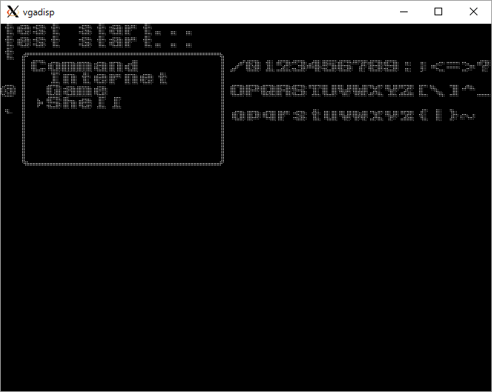
...
Command
C is ascii 0x43.
...
chr rom size= 0x2000, 8k bytes
pttn = 8 x 8 x 2 = 128 bits, 16 byte. >> 512 chrs.
...
The char C data is at 0x430.
...

universal-board
...
 | 40 | 39 | 38 | 37 | 36 | 35 | 34 | 33 | 32 | 31 | 30 | 29 | 28 | 27 | 26 | 25 | 24 | 23 | 22 | 21 | 20 | 19 | 18 | 17 | 16 | 15 | 14 | 13 | 12 | 11 | 10 | 9 | 8 | 7 | 6 | 5 | 4 | 3 | 2 | 1
20
21
22
23 |  |  |  |  |  |  |  |  |  |  |  |  |  |  |  |  |  |  |  |  |  |  |  |  |  |  |  |  |  |  |  |  |  |  |  |  |  |  |  |  | 22:CHR-A3
24 |  |  |  |  |  |  |  |  |  |  |  |  |  |  |  |  |  |  |  |  |  |  |  |  |  |  |  |  |  |  |  |  |  |  |  |  |  |  |  |  | 23:CHR-A2
25 |  |  |  |  |  |  |  |  |  |  |  |  |  |  |  |  |  |  |  |  |  |  |  |  |  |  |  |  |  |  |  |  |  |  |  |  |  |  |  |  | 24:CHR-A1
26 |  |  |  |  |  |  |  |  |  |  |  |  |  |  |  |  |  |  |  |  |  |  |  |  |  |  |  |  |  |  |  |  |  |  |  |  |  |  |  |  | 25:CHR-A0
27 |  |  |  |  |  |  |  |  |  |  |  |  |  |  |  |  |  |  |  |  |  |  |  |  |  |  |  |  |  |  |  |  |  |  |  |  |  |  |  |  | 26:CHR-D0
28 |  |  |  |  |  |  |  |  |  |  |  |  |  |  |  |  |  |  |  |  |  |  |  |  |  |  |  |  |  |  |  |  |  |  |  |  |  |  |  |  | 27:CHR-D1
29 |  |  |  |  |  |  |  |  |  |  |  |  |  |  |  |  |  |  |  |  |  |  |  |  |  |  |  |  |  |  |  |  |  |  |  |  |  |  |  |  | 28:CHR-D2
hand hold space
hand hold space
30 |  |  |  |  |  |  |  |  |  |  |  |  |  |  |  |  |  |  |  |  |  |  |  |  |  |  |  |  |  |  |  |  |  |  |  |  |  |  |  |  | 29:CHR-D3
8bit level shifter (back)
/oe
gnd
vcc3
vcc5
8bit level shifter (back)
/oe
gnd
vcc3
vcc5
31 |  |  |  |  |  |  |  |  |  |  |  |  |  |  |  |  |  |  |  |  |  |  |  |  |  |  |  |  |  |  |  |  |  |  | irq |  |  |  |  |  | 30:Vcc
32 |  |  |  |  |  |  |  |  |  |  |  |  |  |  |  |  |  |  |  |  |  |  |  |  |  |  |  | nc | sin |  |  |  |  |  | va10
Front side
33 |  |  |  |  |  |  |  |  |  |  |  |  |  |  |  |  |  |  |  |  |  |  |  |  |  |  |  | c48 | sout
34 |  |  |  |  |  |  |  |  |  |  |  |  |  |  |  |  |  |  |  |  |  |  |  |  |  |  |  | c49
16bit level shifter (back)
1dir
/1oe
2dir
/2oe
gnd
gnd
gnd
gnd
gnd
gnd
gnd
gnd
vcc3
vcc3
vcc5
vcc5
35 |  |  |  |  |  |  |  |  |  |  |  |  |  |  |  |  |  |  |  |  |  |  |  |  |  |  |  |  |  |  | gnd |  |  | 5v
36
37 |  |  |  |  |  |  |  |  |  |  |  |  |  |  |  |  |  |  |  |  |  |  |  |  |  |  |  |  |  |  |  |  |  |  |  | 3v
38
39
40
41
42
16bit level shifter (back)
1dir
/1oe
2dir
/2oe
gnd
gnd
gnd
gnd
gnd
gnd
gnd
gnd
vcc3
vcc3
vcc5
vcc5
43
44
45
46
47
48
49

 |  |  | 1:GND | 2:PRG-A11 | 3:PRG-A10 | 4:PRG-A9 | 5:PRG-A8 | 6:PRG-A7 | 7:PRG-A6 | 8:PRG-A5 | 9:PRG-A4 | 10:PRG-A3 | 11:PRG-A2 | 12:PRG-A1 | 13:PRG-A0 | 14:PRG-R/~W | 15:~IRQ N/C (Out) | 16:GND | 17:~CHR-OE | 18:VRAM-A10 | 19:CHR-A6 | 20:CHR-A5 | 21:CHR-A4 | 22:CHR-A3 | 23:CHR-A2 | 24:CHR-A1 | 25:CHR-A0 | 26:CHR-D0 | 27:CHR-D1 | 28:CHR-D2 | 29:CHR-D3 | 30:Vcc
 |  |  | 31:Vcc | 32:??? N/C | 33:PRG-A12 | 34:PRG-A13 | 35:PRG-A14 | 36:PRG-D7 | 37:PRG-D6 | 38:PRG-D5 | 39:PRG-D4 | 40:PRG-D3 | 41:PRG-D2 | 42:PRG-D1 | 43:PRG-D0 | 44:~PRG-CE | 45:Sound In C46 | 46:Sound Out C45 | 47:~CHR-WE | 48:??? C49 | 49:??? C48 | 50:CHR-A7 | 51:CHR-A8 | 52:CHR-A9 | 53:CHR-A10 | 54:CHR-A11 | 55:CHR-A12 | 56:~CHR-CE (CHR-A13) | 57:CHR-D7 | 58:CHR-A6 | 59:CHR-D5 | 60:CHR-D4

 | 40 | 39 | 38 | 37 | 36 | 35 | 34 | 33 | 32 | 31 | 30 | 29 | 28 | 27 | 26 | 25 | 24 | 23 | 22 | 21 | 20 | 19 | 18 | 17 | 16 | 15 | 14 | 13 | 12 | 11 | 10 | 9 | 8 | 7 | 6 | 5 | 4 | 3 | 2 | 1

 | 1 | 2 | 3 | 4 | 5 | 6 | 7 | 8 | 9 | 10 | 11 | 12 | 13 | 14 | 15 | 16 | 17 | 18 | 19 | 20 | 21 | 22 | 23 | 24 | 25 | 26 | 27 | 28 | 29 | 30 | 31 | 32 | 33 | 34 | 35 | 36 | 37 | 38 | 39 | 40
...
 | 40 | 39 | 38 | 37 | 36 | 35 | 34 | 33 | 32 | 31 | 30 | 29 | 28 | 27 | 26 | 25 | 24 | 23 | 22 | 21 | 20 | 19 | 18 | 17 | 16 | 15 | 14 | 13 | 12 | 11 | 10 | 9 | 8 | 7 | 6 | 5 | 4 | 3 | 2 | 1
20
21
22
23 |  |  |  |  |  |  |  |  |  |  |  |  |  |  |  |  |  |  |  |  |  |  |  |  |  |  |  |  |  |  |  |  |  |  |  |  |  |  |  |  | 53:CHR-A10
24 |  |  |  |  |  |  |  |  |  |  |  |  |  |  |  |  |  |  |  |  |  |  |  |  |  |  |  |  |  |  |  |  |  |  |  |  |  |  |  |  | 54:CHR-A11
25 |  |  |  |  |  |  |  |  |  |  |  |  |  |  |  |  |  |  |  |  |  |  |  |  |  |  |  |  |  |  |  |  |  |  |  |  |  |  |  |  | 55:CHR-A12
26 |  |  |  |  |  |  |  |  |  |  |  |  |  |  |  |  |  |  |  |  |  |  |  |  |  |  |  |  |  |  |  |  |  |  |  |  |  |  |  |  | 56:~CHR-CE (CHR-A13)
27 |  |  |  |  |  |  |  |  |  |  |  |  |  |  |  |  |  |  |  |  |  |  |  |  |  |  |  |  |  |  |  |  |  |  |  |  |  |  |  |  | 57:CHR-D7
28 |  |  |  |  |  |  |  |  |  |  |  |  |  |  |  |  |  |  |  |  |  |  |  |  |  |  |  |  |  |  |  |  |  |  |  |  |  |  |  |  | 58:CHR-A6
29 |  |  |  |  |  |  |  |  |  |  |  |  |  |  |  |  |  |  |  |  |  |  |  |  |  |  |  |  |  |  |  |  |  |  |  |  |  |  |  |  | 59:CHR-D5
hand hold space
hand hold space
30 |  |  |  |  |  |  |  |  |  |  |  |  |  |  |  |  |  |  |  |  |  |  |  |  |  |  |  |  |  |  |  |  |  |  |  |  |  |  |  |  | 60:CHR-D4
8bit level shifter
/oe
gnd
vcc3
vcc5
31
8bit level shifter
/oe
gnd
vcc3
vcc5
32
16bit level shifter
1dir
/1oe
2dir
/2oe
gnd
gnd
gnd
gnd
gnd
gnd
gnd
gnd
vcc3
vcc3
vcc5
vcc5
33
Back side
34
35
36
37
38
39
40
41
16bit level shifter
1dir
/1oe
2dir
/2oe
gnd
gnd
gnd
gnd
gnd
gnd
gnd
gnd
vcc3
vcc3
vcc5
vcc5
42
43
44
45
46
47
48
49

 |  |  |  |  |  |  |  |  | 30:Vcc | 29:CHR-D3 | 28:CHR-D2 | 27:CHR-D1 | 26:CHR-D0 | 25:CHR-A0 | 24:CHR-A1 | 23:CHR-A2 | 22:CHR-A3 | 21:CHR-A4 | 20:CHR-A5 | 19:CHR-A6 | 18:VRAM-A10 | 17:~CHR-OE | 16:GND | 15:~IRQ N/C (Out) | 14:PRG-R/~W | 13:PRG-A0 | 12:PRG-A1 | 11:PRG-A2 | 10:PRG-A3 | 9:PRG-A4 | 8:PRG-A5 | 7:PRG-A6 | 6:PRG-A7 | 5:PRG-A8 | 4:PRG-A9 | 3:PRG-A10 | 2:PRG-A11 | 1:GND
 |  |  |  |  |  |  |  |  | 60:CHR-D4 | 59:CHR-D5 | 58:CHR-A6 | 57:CHR-D7 | 56:~CHR-CE (CHR-A13) | 55:CHR-A12 | 54:CHR-A11 | 53:CHR-A10 | 52:CHR-A9 | 51:CHR-A8 | 50:CHR-A7 | 49:??? C48 | 48:??? C49 | 47:~CHR-WE | 46:Sound Out C45 | 45:Sound In C46 | 44:~PRG-CE | 43:PRG-D0 | 42:PRG-D1 | 41:PRG-D2 | 40:PRG-D3 | 39:PRG-D4 | 38:PRG-D5 | 37:PRG-D6 | 36:PRG-D7 | 35:PRG-A14 | 34:PRG-A13 | 33:PRG-A12 | 32:??? N/C | 31:Vcc

 | 1 | 2 | 3 | 4 | 5 | 6 | 7 | 8 | 9 | 10 | 11 | 12 | 13 | 14 | 15 | 16 | 17 | 18 | 19 | 20 | 21 | 22 | 23 | 24 | 25 | 26 | 27 | 28 | 29 | 30 | 31 | 32 | 33 | 34 | 35 | 36 | 37 | 38 | 39 | 40

board-inter-connect
back side

 |  |  |  |  |  |  |  |  |  |  |  |  |  |  |  |  |  |  |  |  | header1
...
 | header1 |  | header2
...
Lvl sft
...
 |  |  |  | 46:Sound Out C45 | 45:Sound In C46 | 44:~PRG-CE | 43:PRG-D0 | 42:PRG-D1 | 41:PRG-D2 | 40:PRG-D3 | 39:PRG-D4 | 38:PRG-D5 | 37:PRG-D6 | 36:PRG-D7 | 35:PRG-A14 | 34:PRG-A13 | 33:PRG-A12 | 32: Φ N/C | 31:Vcc | back
 |  |  |  | 16:GND | 15:~IRQ N/C (Out) | 14:PRG-R/~W | 13:PRG-A0 | 12:PRG-A1 | 11:PRG-A2 | 10:PRG-A3 | 9:PRG-A4 | 8:PRG-A5 | 7:PRG-A6 | 6:PRG-A7 | 5:PRG-A8 | 4:PRG-A9 | 3:PRG-A10 | 2:PRG-A11 | 1:GND | front

DE1
 |  |  |  |  |  |  |  |  |  |  |  |  |  |  |  |  |  |  |  |  | JP2 | 1
 |  |  |  |  |  |  |  |  |  |  |  |  |  |  |  |  |  |  |  |  |  | 2
 |  |  |  |  |  |  |  |  |  |  |  |  |  |  |  |  |  |  |  |  |  | 3
JP2 |  |  |  |  |  |  |  |  |  |  |  |  |  |  |  |  |  |  |  |  |  | 4
 | 2 | 4 |  |  |  |  |  |  |  |  |  |  |  |  |  |  |  |  |  |  |  | 5
 |  |  |  |  |  |  |  |  |  |  |  |  |  |  |  |  |  |  |  |  |  | 6
 |  |  |  |  |  |  |  |  |  |  |  |  |  |  |  |  |  |  |  |  |  | 7
 | 1 | 3 |  |  |  |  |  |  |  |  |  |  |  |  |  |  |  |  |  |  |  | 8
 |  |  |  |  |  |  |  |  |  |  |  |  |  |  |  |  |  |  |  |  |  | 9
JP1 |  |  |  |  |  |  |  |  |  |  |  |  |  |  |  |  |  |  |  |  |  | 10
 | 2 | 4 |  |  |  |  |  |  |  |  |  |  |  |  |  |  |  |  |  |  |  | 11
 |  |  |  |  |  |  |  |  |  |  |  |  |  |  |  |  |  |  |  |  |  | 12
 |  |  |  |  |  |  |  |  |  |  |  |  |  |  |  |  |  |  |  |  |  | 13
 | 1 | 3 |  |  |  |  |  |  |  |  |  |  |  |  |  |  |  |  |  |  |  | 14
 |  |  |  |  |  |  |  |  |  |  |  |  |  |  |  |  |  |  |  |  |  | 15
 |  |  |  |  |  |  |  |  |  |  |  |  |  |  |  |  |  |  |  |  |  | 16
 |  |  |  |  |  |  |  |  |  |  |  |  |  |  |  |  |  |  |  |  |  | 17
 |  |  |  |  |  |  |  |  |  |  |  |  |  |  |  |  |  |  |  |  |  | 18
 |  |  |  |  |  |  |  |  |  |  |  |  |  |  |  |  |  |  |  |  |  | 19
 |  |  |  |  |  |  |  |  |  |  |  |  |  |  |  |  |  |  |  |  |  | 20
 |  |  |  |  |  |  |  |  |  |  |  |  |  |  |  |  |  |  |  |  |  | 21
 |  |  |  |  |  |  |  |  |  |  |  |  |  |  |  |  |  |  |  |  |  | 22
 |  |  |  |  |  |  |  |  |  |  |  |  |  |  |  |  |  |  |  |  |  | 23
 |  |  |  |  |  |  |  |  |  |  |  |  |  |  |  |  |  |  |  |  |  | 24
 |  |  |  |  |  |  |  |  |  |  |  |  |  |  |  |  |  |  |  |  |  | 25
 |  |  |  |  |  |  |  |  |  |  |  |  |  |  |  |  |  |  |  |  |  | 26
 |  |  |  |  |  |  |  |  |  |  |  |  |  |  |  |  |  |  |  |  |  | 27
 |  |  |  |  |  |  |  |  |  |  |  |  |  |  |  |  |  |  |  |  |  | 28
 |  |  |  |  |  |  |  |  |  |  |  |  |  |  |  |  |  |  |  |  |  | 29
 |  |  |  |  |  |  |  |  |  |  |  |  |  |  |  |  |  |  |  |  |  | 30
 |  |  |  |  |  |  |  |  |  |  |  |  |  |  |  |  |  |  |  |  |  | 31
...

