gpio
 |  | JP1

 | 1 |  | x | x | 2
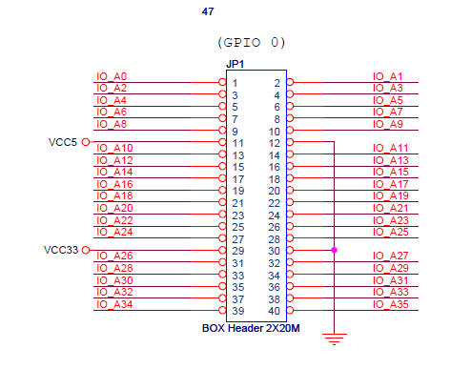
 | 3 |  | x | x | 4

 | 5 |  | x | x | 6

 | 7 |  | x | x | 8

 | 9 |  | x | x | 10

VCC5 | 11 |  | x | x | 12 | GND

 | 13 |  | x | x | 14

 | 15 |  | x | x | 16

 | 17 |  | x | x | 18

 | 19 |  | x | x | 20

 | 21 |  | x | x | 22

 | 23 |  | x | x | 24

 | 25 |  | x | x | 26

 | 27 |  | x | x | 28

VCC33 | 29 |  | x | x | 30 | GND

 | 31 |  | x | x | 32

 | 33 |  | x | x | 34

 | 35 |  | x | x | 36

 | 37 |  | x | x | 38

 | 39 |  | x | x | 40

level_shift_test01
DE0 board

 |  |  |  | gpio 1 |  |  |  |  |  |  |  |  | gpio 0

led | 9 |  | 8 | 7 | 6 | 5 | 4 | 3 | 2 | 1 | 0 | led | 7 |  | 6 | 5 |  | 4 | 3 |  | 2 | 1 |  | 0

sw | 9 |  | 8 | 7 | 6 | 5 | 4 | 3 | 2 | 1 | 0 | btn |  | 3 |  |  | 2 |  |  | 1 |  |  | 0

 | direction |  |  |  |  |  |  |  |  |  |  |  |  | inc btn |  |  |  |  |  |  |  |  | rst btn

 | dir | on = cp gpio 0 to 1
 |  | off = cp gpio 1 to 0

