Sheet1
RAM Layout |  | Digits are arranged [0123] from left to right on the module

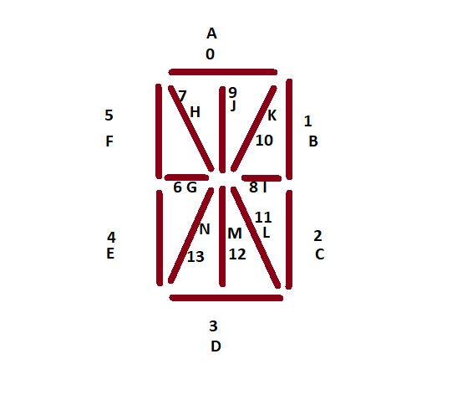
 | Bit: | 7 | 6 | 5 | 4 | 3 | 2 | 1 | 0
 | Digit: | 3 | 2 | 1 | 0 | 3 | 2 | 1 | 0
 | Byte
 | 0 | I | I | I | I | A | A | A | A
 | 1 |  |  |  |  |  |  |  | Colon
 | 2 | H | H | H | H | B | B | B | B
 | 3 |  |  |  |  |  |  |  | Dec
 | 4 | J | J | J | J | C | C | C | C
 | 5
 | 6 | K | K | K | K | D | D | D | D
 | 7
 | 8 | L | L | L | L | E | E | E | E
 | 9
 | 10 | M | M | M | M | F | F | F | F
 | 11
 | 12 | N | N | N | N | G | G | G | G
 | 13
 | 14
 | 15

