Hazard Ratios
(A) META-ANALYSIS ACROSS BREAST AND OVARIAN CANCER DATASETS

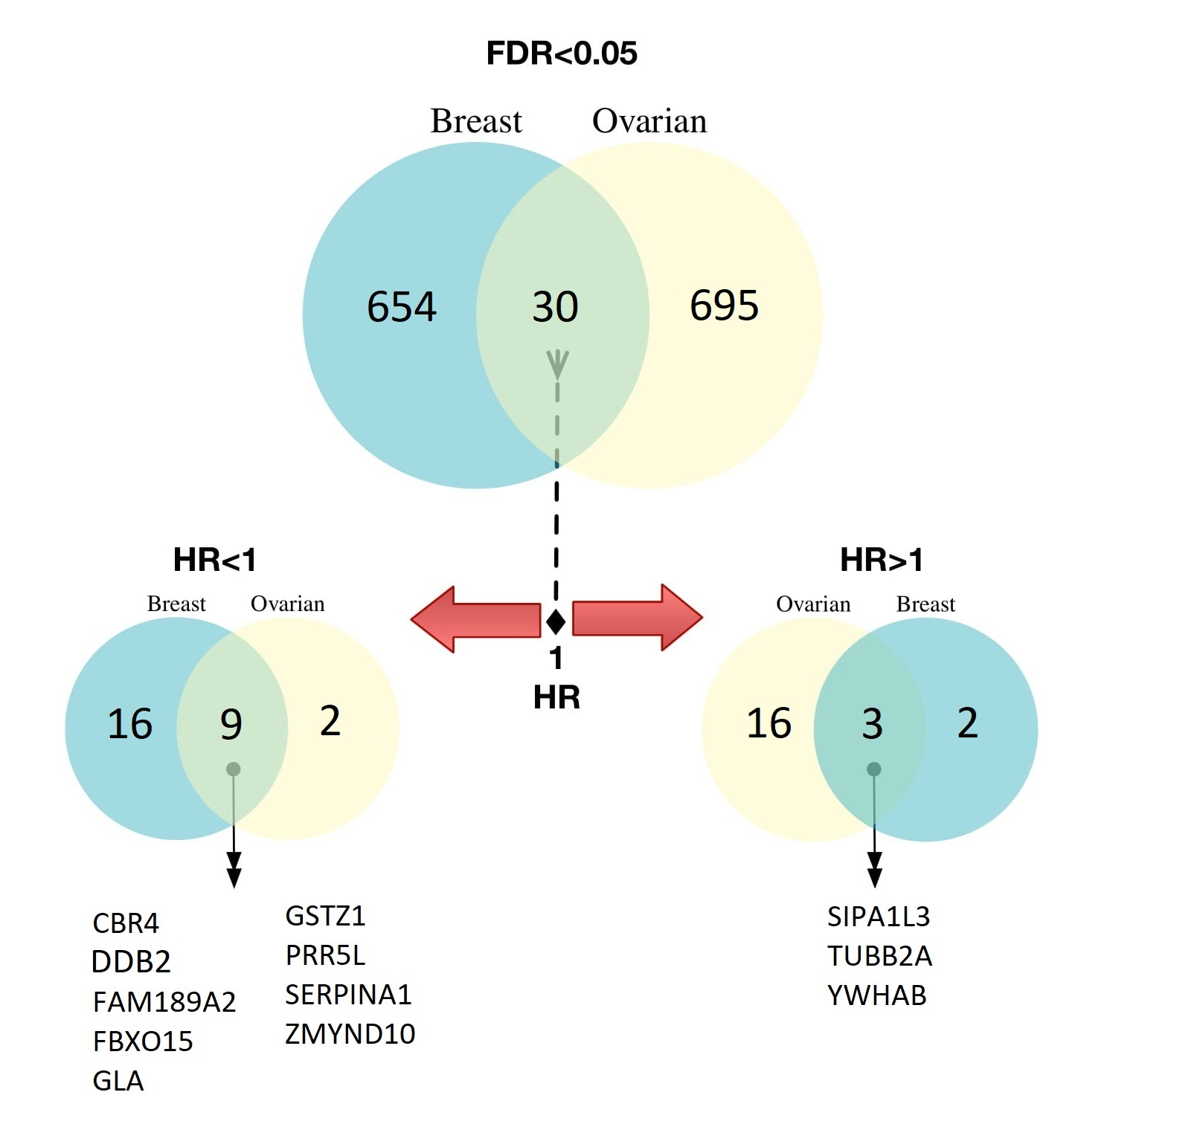

(B) Genome-Wide Analysis of Single Gene Prognosis Across Cancer Types

BREAST CANCER |  |  |  | OVARIAN CANCER |  |  |  | PANCREATIC CANCER
Gene.Name | P.value | Hazard.Ratio | FDR | Gene.Name | P.value | Hazard.Ratio | FDR | Gene.Name | P.value | Hazard.Ratio | FDR
F13B | 7.90E-01 | 1.01[ 0.920319,1.105] | 9.30E-01 | F13B | 1.10E-01 | 1.09[ 0.9817,1.194] | 4.50E-01 | KRT16 | 1.90E-09 | 1.49[ 1.36e+00, 1.624] | 3.40E-05
A1BG | 7.80E-02 | 0.92[ 0.825869,1.015] | 3.70E-01 | A1BG | 5.00E-02 | 1.22[ 1.0174,1.429] | 3.10E-01 | C5orf46 | 2.60E-09 | 1.50[ 1.36e+00, 1.632] | 3.40E-05
CRIP2 | 7.80E-01 | 1.02[ 0.872378,1.169] | 9.20E-01 | CRIP2 | 3.80E-01 | 0.96[ 0.8691,1.053] | 7.30E-01 | DDIT4 | 3.00E-09 | 1.48[ 1.34e+00, 1.606] | 3.40E-05
CTNNA1 | 3.40E-01 | 1.10[ 0.903420,1.292] | 6.80E-01 | CTNNA1 | 4.90E-01 | 1.05[ 0.9061,1.195] | 8.00E-01 | KRT14 | 1.10E-08 | 1.48[ 1.35e+00, 1.621] | 9.30E-05
CYP27B1 | 2.40E-01 | 1.10[ 0.935082,1.273] | 5.90E-01 | CYP27B1 | 5.20E-03 | 0.88[ 0.7939,0.972] | 9.70E-02 | PPP1R10 | 4.60E-08 | 0.69[ 5.52e-01, 0.825] | 3.10E-04
CYB5R3 | 4.00E-02 | 1.20[ 1.021882,1.375] | 2.80E-01 | CYB5R3 | 6.30E-02 | 1.17[ 1.0015,1.345] | 3.50E-01 | UBA6 | 7.30E-08 | 1.48[ 1.34e+00, 1.627] | 4.00E-04
DUSP1 | 4.00E-01 | 0.96[ 0.874245,1.053] | 7.20E-01 | DUSP1 | 4.30E-03 | 1.23[ 1.0846,1.373] | 8.80E-02 | GATA6 | 1.30E-07 | 0.71[ 5.75e-01, 0.838] | 6.10E-04
EML1 | 6.70E-01 | 0.98[ 0.893014,1.069] | 8.70E-01 | EML1 | 4.60E-01 | 0.97[ 0.8813,1.056] | 7.80E-01 | COL7A1 | 1.50E-07 | 1.42[ 1.29e+00, 1.557] | 6.10E-04
FAAH | 7.10E-01 | 0.98[ 0.866061,1.093] | 8.90E-01 | FAAH | 1.10E-01 | 0.93[ 0.8409,1.020] | 4.40E-01 | ZNF185 | 1.60E-07 | 1.70[ 1.50e+00, 1.903] | 6.10E-04
FHL2 | 7.80E-02 | 0.90[ 0.779447,1.020] | 3.70E-01 | FHL2 | 8.70E-01 | 1.01[ 0.8988,1.119] | 9.70E-01 | DSG3 | 2.10E-07 | 1.53[ 1.37e+00, 1.694] | 7.00E-04
HOXD1 | 1.70E-01 | 1.10[ 0.961799,1.237] | 5.20E-01 | HOXD1 | 3.00E-01 | 0.96[ 0.8682,1.043] | 6.70E-01 | FRZB | 2.70E-07 | 0.70[ 5.64e-01, 0.840] | 8.00E-04
KCNJ14 | 9.40E-03 | 0.89[ 0.797184,0.980] | 1.30E-01 | KCNJ14 | 2.60E-01 | 1.07[ 0.9478,1.199] | 6.40E-01 | C2orf40 | 2.90E-07 | 0.71[ 5.75e-01, 0.843] | 8.00E-04
PRICKLE3 | 1.60E-01 | 1.16[ 0.950192,1.379] | 5.00E-01 | PRICKLE3 | 5.40E-01 | 1.05[ 0.8924,1.206] | 8.30E-01 | CYP27C1 | 3.10E-07 | 1.48[ 1.33e+00, 1.632] | 8.00E-04
MEIS3P1 | 9.30E-01 | 1.01[ 0.784684,1.237] | 9.70E-01 | MEIS3P1 | 2.80E-02 | 1.12[ 1.0165,1.220] | 2.40E-01 | PLCB4 | 3.40E-07 | 0.71[ 5.71e-01, 0.843] | 8.00E-04
MYL6 | 1.50E-01 | 1.07[ 0.976275,1.155] | 5.00E-01 | MYL6 | 4.40E-02 | 1.19[ 1.0176,1.366] | 3.00E-01 | KRT6C | 4.10E-07 | 1.42[ 1.28e+00, 1.561] | 8.70E-04
NDUFB6 | 2.40E-01 | 1.05[ 0.965946,1.135] | 6.00E-01 | NDUFB6 | 7.50E-02 | 0.90[ 0.7837,1.018] | 3.70E-01 | ADH1A | 4.20E-07 | 0.71[ 5.74e-01, 0.845] | 8.70E-04
P2RY1 | 1.80E-02 | 1.11[ 1.022160,1.204] | 1.90E-01 | P2RY1 | 1.70E-01 | 0.94[ 0.8473,1.031] | 5.40E-01 | FAM83A | 4.40E-07 | 1.83[ 1.59e+00, 2.067] | 8.70E-04
PDE2A | 7.10E-01 | 1.03[ 0.858161,1.209] | 8.90E-01 | PDE2A | 1.60E-02 | 1.15[ 1.0344,1.268] | 1.80E-01 | SULF2 | 4.80E-07 | 1.41[ 1.27e+00, 1.547] | 9.00E-04
SERPINF2 | 5.00E-05 | 0.84[ 0.748394,0.925] | 5.30E-03 | SERPINF2 | 9.00E-01 | 0.99[ 0.8646,1.119] | 9.70E-01 | ANGPTL4 | 7.70E-07 | 1.50[ 1.34e+00, 1.669] | 1.30E-03
POU1F1 | 7.00E-01 | 1.03[ 0.864989,1.201] | 8.90E-01 | POU1F1 | 7.80E-01 | 1.01[ 0.9199,1.107] | 9.30E-01 | A2ML1 | 9.70E-07 | 1.46[ 1.31e+00, 1.620] | 1.60E-03
MAPK13 | 6.70E-02 | 1.17[ 0.998793,1.346] | 3.50E-01 | MAPK13 | 5.50E-02 | 0.92[ 0.8315,1.007] | 3.30E-01 | C3orf62 | 1.20E-06 | 0.72[ 5.79e-01, 0.854] | 1.90E-03
RAB1A | 1.60E-01 | 1.12[ 0.959157,1.280] | 5.00E-01 | RAB1A | 2.30E-01 | 1.07[ 0.9567,1.182] | 6.10E-01 | FCGRT | 2.00E-06 | 0.72[ 5.87e-01, 0.859] | 3.00E-03
TXNL1 | 5.20E-01 | 1.03[ 0.940633,1.117] | 7.90E-01 | TXNL1 | 1.20E-01 | 0.92[ 0.8127,1.028] | 4.60E-01 | LYPD3 | 2.30E-06 | 1.38[ 1.24e+00, 1.515] | 3.40E-03
RPS24 | 4.40E-01 | 0.93[ 0.729890,1.124] | 7.50E-01 | RPS24 | 5.00E-02 | 1.09[ 1.0025,1.186] | 3.10E-01 | SAMD5 | 2.80E-06 | 0.73[ 6.01e-01, 0.866] | 4.00E-03
SSR4 | 5.10E-01 | 1.05[ 0.906222,1.188] | 7.90E-01 | SSR4 | 7.20E-08 | 0.78[ 0.6872,0.872] | 7.10E-05 | LAMB3 | 3.00E-06 | 1.55[ 1.36e+00, 1.738] | 4.00E-03
MLX | 1.30E-01 | 1.07[ 0.980668,1.157] | 4.70E-01 | MLX | 3.60E-01 | 1.07[ 0.9248,1.210] | 7.20E-01 | FAM189A2 | 3.10E-06 | 0.71[ 5.64e-01, 0.857] | 4.00E-03
UCHL3 | 4.10E-02 | 1.20[ 1.021609,1.382] | 2.80E-01 | UCHL3 | 6.40E-01 | 1.02[ 0.9299,1.113] | 8.80E-01 | C1orf21 | 3.60E-06 | 0.73[ 5.90e-01, 0.865] | 4.30E-03
TMEFF1 | 1.50E-01 | 1.09[ 0.969483,1.220] | 4.90E-01 | TMEFF1 | 1.50E-01 | 1.11[ 0.9655,1.252] | 5.10E-01 | LAMC2 | 3.60E-06 | 1.61[ 1.40e+00, 1.813] | 4.30E-03
USP15 | 1.90E-01 | 1.14[ 0.941634,1.339] | 5.40E-01 | USP15 | 4.10E-01 | 0.95[ 0.8335,1.071] | 7.50E-01 | MUC21 | 4.10E-06 | 1.44[ 1.28e+00, 1.592] | 4.70E-03
BCL2L10 | 1.70E-01 | 1.14[ 0.948436,1.330] | 5.20E-01 | BCL2L10 | 5.90E-01 | 1.04[ 0.8808,1.209] | 8.50E-01 | ANKRD29 | 5.10E-06 | 0.74[ 6.06e-01, 0.871] | 5.50E-03
ARPC2 | 7.60E-02 | 1.22[ 0.995555,1.445] | 3.70E-01 | ARPC2 | 4.80E-01 | 1.03[ 0.9441,1.119] | 7.90E-01 | KLK6 | 5.20E-06 | 1.43[ 1.27e+00, 1.582] | 5.50E-03
RNF41 | 8.60E-02 | 1.12[ 0.987956,1.253] | 3.90E-01 | RNF41 | 9.70E-02 | 1.09[ 0.9862,1.195] | 4.20E-01 | SERPINB5 | 5.40E-06 | 1.48[ 1.31e+00, 1.653] | 5.50E-03
A2M | 1.20E-02 | 0.89[ 0.804765,0.984] | 1.50E-01 | A2M | 4.20E-01 | 1.06[ 0.9116,1.213] | 7.60E-01 | ZBED2 | 5.40E-06 | 1.61[ 1.40e+00, 1.817] | 5.50E-03
APOBEC1 | 3.70E-02 | 0.91[ 0.811513,1.001] | 2.70E-01 | APOBEC1 | 2.80E-02 | 1.18[ 1.0289,1.329] | 2.40E-01 | PTGES | 6.20E-06 | 1.47[ 1.30e+00, 1.637] | 6.10E-03
ASNS | 8.30E-02 | 1.38[ 1.008650,1.750] | 3.80E-01 | ASNS | 2.20E-01 | 1.08[ 0.9534,1.206] | 6.00E-01 | SCEL-AS1 | 6.60E-06 | 3.71[ 3.13e+00, 4.289] | 6.30E-03
ATP5F1E | 4.10E-01 | 1.08[ 0.898630,1.255] | 7.20E-01 | ATP5F1E | 1.60E-03 | 1.16[ 1.0640,1.248] | 5.10E-02 | PAQR8 | 7.40E-06 | 0.74[ 6.01e-01, 0.873] | 6.80E-03
HCN2 | 1.20E-01 | 0.93[ 0.838300,1.024] | 4.50E-01 | HCN2 | 4.80E-01 | 1.06[ 0.8911,1.234] | 7.90E-01 | SCN4B | 8.20E-06 | 0.74[ 6.11e-01, 0.876] | 7.40E-03
DDR1 | 3.60E-01 | 1.04[ 0.953884,1.128] | 6.90E-01 | DDR1 | 4.60E-02 | 0.92[ 0.8294,1.004] | 3.00E-01 | CX3CR1 | 8.60E-06 | 0.74[ 6.08e-01, 0.876] | 7.40E-03
ABCC2 | 3.50E-02 | 1.10[ 1.009192,1.184] | 2.60E-01 | ABCC2 | 4.20E-01 | 1.07[ 0.9005,1.243] | 7.50E-01 | S100A2 | 8.60E-06 | 1.53[ 1.34e+00, 1.715] | 7.40E-03
COL9A1 | 8.00E-01 | 1.02[ 0.883830,1.150] | 9.30E-01 | COL9A1 | 6.70E-01 | 1.03[ 0.9046,1.148] | 8.90E-01 | PYGL | 9.00E-06 | 1.44[ 1.28e+00, 1.604] | 7.40E-03
COX7B | 4.70E-01 | 1.05[ 0.906881,1.202] | 7.70E-01 | COX7B | 2.30E-01 | 0.93[ 0.8151,1.050] | 6.10E-01 | PTHLH | 9.20E-06 | 1.48[ 1.30e+00, 1.653] | 7.40E-03
CR1 | 3.50E-01 | 1.06[ 0.931775,1.193] | 6.90E-01 | CR1 | 9.30E-01 | 1.01[ 0.8256,1.190] | 9.80E-01 | ZC3H12B | 9.40E-06 | 0.72[ 5.73e-01, 0.869] | 7.40E-03
CREM | 2.60E-01 | 1.19[ 0.880973,1.489] | 6.20E-01 | CREM | 1.50E-02 | 1.18[ 1.0458,1.324] | 1.70E-01 | MUC16 | 1.00E-05 | 1.37[ 1.22e+00, 1.507] | 7.40E-03
CRK | 8.50E-01 | 0.99[ 0.904706,1.079] | 9.50E-01 | CRK | 4.50E-01 | 0.96[ 0.8532,1.068] | 7.70E-01 | SPRR1B | 1.00E-05 | 1.40[ 1.25e+00, 1.555] | 7.40E-03
CRYBA4 | 6.60E-01 | 1.03[ 0.892673,1.169] | 8.70E-01 | CRYBA4 | 7.70E-01 | 1.02[ 0.9047,1.129] | 9.30E-01 | NR1D1 | 1.00E-05 | 1.38[ 1.24e+00, 1.533] | 7.40E-03
CSF1 | 1.40E-01 | 0.94[ 0.855278,1.025] | 4.90E-01 | CSF1 | 9.30E-02 | 1.23[ 0.9837,1.468] | 4.10E-01 | ADM | 1.00E-05 | 1.55[ 1.35e+00, 1.755] | 7.40E-03
CSF3 | 2.80E-01 | 1.06[ 0.954870,1.158] | 6.30E-01 | CSF3 | 9.50E-01 | 1.00[ 0.8902,1.103] | 9.90E-01 | TMEM168 | 1.00E-05 | 0.74[ 6.02e-01, 0.876] | 7.40E-03
CSRP2 | 4.10E-02 | 1.21[ 1.022801,1.394] | 2.80E-01 | CSRP2 | 4.90E-01 | 1.04[ 0.9292,1.146] | 8.00E-01 | CDA | 1.10E-05 | 1.64[ 1.42e+00, 1.867] | 7.50E-03
CTNNA2 | 4.20E-01 | 0.96[ 0.873689,1.055] | 7.40E-01 | CTNNA2 | 3.90E-01 | 0.96[ 0.8737,1.052] | 7.40E-01 | RETREG1 | 1.10E-05 | 0.54[ 2.68e-01, 0.821] | 7.60E-03
CTSZ | 3.00E-01 | 1.11[ 0.911839,1.299] | 6.50E-01 | CTSZ | 8.80E-01 | 0.99[ 0.9026,1.083] | 9.70E-01 | CLEC10A | 1.10E-05 | 0.75[ 6.17e-01, 0.881] | 7.60E-03
TEX28 | 3.50E-01 | 0.96[ 0.861891,1.051] | 6.90E-01 | TEX28 | 9.30E-01 | 1.00[ 0.9089,1.099] | 9.80E-01 | PIP5K1B | 1.40E-05 | 0.74[ 6.07e-01, 0.880] | 9.20E-03
CYC1 | 2.00E-02 | 1.25[ 1.057709,1.439] | 2.00E-01 | CYC1 | 8.70E-02 | 0.93[ 0.8401,1.015] | 4.00E-01 | GAPDH | 1.50E-05 | 1.45[ 1.28e+00, 1.622] | 9.20E-03
CYP2A7P1 | 4.20E-01 | 1.22[ 0.725926,1.712] | 7.40E-01 | CYP2A7P1 | 1.80E-01 | 1.10[ 0.9569,1.243] | 5.50E-01 | KRT6A | 1.50E-05 | 1.61[ 1.39e+00, 1.826] | 9.20E-03
CYP51A1 | 1.00E+00 | 1.00[ 0.910660,1.089] | 1.00E+00 | CYP51A1 | 9.00E-01 | 0.99[ 0.8261,1.153] | 9.70E-01 | SELENBP1 | 1.50E-05 | 0.75[ 6.12e-01, 0.882] | 9.20E-03
BRINP1 | 3.30E-01 | 0.96[ 0.866442,1.047] | 6.70E-01 | BRINP1 | 1.10E-01 | 1.08[ 0.9843,1.167] | 4.40E-01 | TGFBI | 1.50E-05 | 1.55[ 1.35e+00, 1.757] | 9.20E-03
ECI1 | 8.40E-01 | 0.99[ 0.899964,1.082] | 9.40E-01 | ECI1 | 1.20E-02 | 0.89[ 0.7924,0.982] | 1.50E-01 | S100A11 | 1.50E-05 | 1.35[ 1.21e+00, 1.486] | 9.20E-03
DCT | 8.00E-01 | 0.99[ 0.901111,1.077] | 9.30E-01 | DCT | 4.50E-01 | 1.05[ 0.9198,1.184] | 7.70E-01 | MIA3 | 1.60E-05 | 0.75[ 6.16e-01, 0.883] | 9.40E-03
DEFA6 | 5.80E-01 | 1.04[ 0.885236,1.204] | 8.30E-01 | DEFA6 | 4.30E-01 | 1.07[ 0.9003,1.239] | 7.60E-01 | ANGPT2 | 1.70E-05 | 1.34[ 1.20e+00, 1.474] | 9.80E-03
GSDME | 5.60E-01 | 1.04[ 0.905554,1.173] | 8.20E-01 | GSDME | 3.50E-03 | 1.16[ 1.0568,1.256] | 7.70E-02 | C12orf56 | 1.80E-05 | 1.33[ 1.20e+00, 1.466] | 1.00E-02
NQO1 | 4.70E-05 | 1.20[ 1.110951,1.291] | 5.10E-03 | NQO1 | 3.00E-01 | 0.96[ 0.8657,1.044] | 6.70E-01 | SLC12A2 | 1.80E-05 | 0.76[ 6.25e-01, 0.886] | 1.00E-02
...

