Recently Created Data Packages
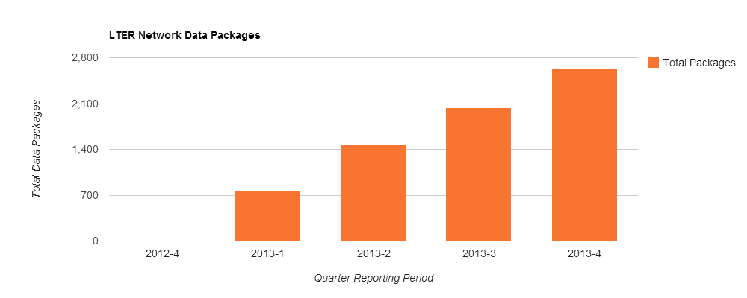

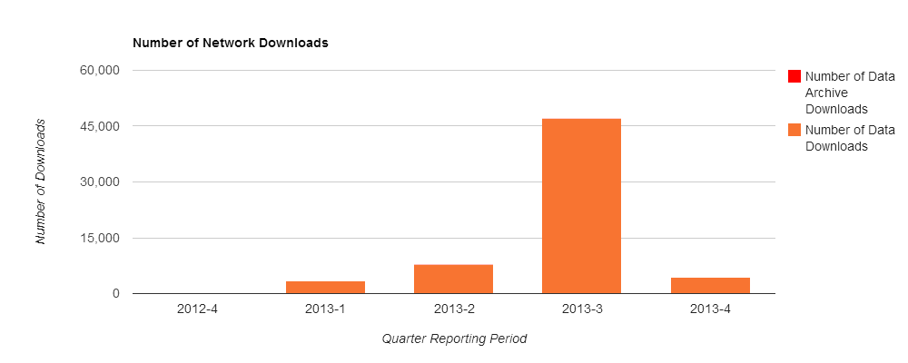

Network Summary Statistics

 | From 10/01/2013 to 10/21/2013 | From 7/01/2013 to 9/30/2013 | A year Ago | Last 12 Months
Number of data packages published | 584 | 578 | 0 | 2626
Number of data package updates/revisions | 242 | 107 | 0 | 567

 | Current Quarter -As of 10/21/2013 | Previous Quarter - As of 9/30/2013 | A year ago - As of 10/21/2012
Total number of published data packages | 2626 | 2042 | 0

Selection of Recently Published Datasets (Last Three Months)

Data Package Identifier | Creators | Publication Date | Title
knb-lter-cdr.327.1 | Peter Reich | 2013-08-08 | Soil pH: BioCON : Biodiversity, Elevated CO2, and N Enrichment
knb-lter-pie.137.4 | Jim Morris, Karen Sundberg | 2006 | Nutrient concentrations from porewater samples at a Typha sp. dominated brackish marsh on the Upper Parker River, Plum Island Ecosystem, MA.
knb-lter-hfr.88.14 | Brian Hall | 2003 | Massachusetts Growing Degree Day and Precipitation Maps
knb-lter-pie.110.5 | Wilfred Wollheim | 2004 | Year 2002, 15 minute measurements of stage, water temperature, conductivity, dissolved oxygen, and pH in a small headwater stream draining a moderate sized, mixed land use (mainly forest) watershed, Fish Brook, Middleton, MA.
knb-lter-arc.10132.3 | Anne Giblin, Christopher Luecke, George Kling | 2010 | Physical and chemical data for various lakes near Toolik Research Station, Arctic LTER Summer 2006.
knb-lter-bes.1520.100 | Ken Belt | 2013-09-19 | Stream Temperature - Jennifer Branch at Ontario (JBON) Water year 2004-2005
knb-lter-gce.207.20 | Daniela Di Iorio | 2005 | March 2004 CTD, PAR, oxygen and chlorophyll profiles for the Georgia Coastal Ecosystems Intracoastal Waterway transect
knb-lter-gce.220.29 | Daniela Di Iorio | 2005 | May 2004 bin-averaged CTD profiles for the Georgia Coastal Ecosystems Inner Marsh transect
knb-lter-cap.573.6 | Bobby Fokidis | 2010-01-12 | Physiological consequences of urbanization to Sonoran Desert birds
knb-lter-luq.156.977382 | Grizelle Gonzalez |  | Daily streamflow (Bisley area, 5 stations: Q1, Q2, Q3, Sabana, Puente Roto)

