Overview
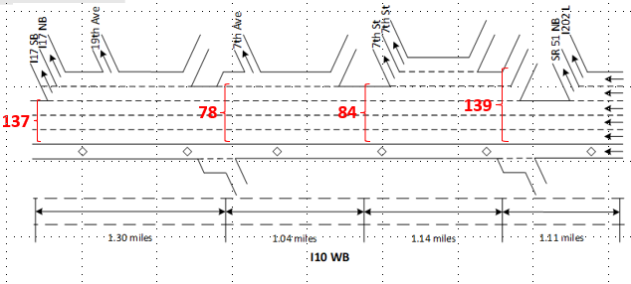
Table 1 basic information of sensors |  |  | Table 2 basic information of the corridor |  | Table 3 Lane type dictionary
78 | 144.641 | - Ramp: Entrance from 3rd Avenue | Detector | Description | num | lane_descr
 |  | - Ramp: Entrance from 7th Avenue | Loop detectors | 78, 84, 137, 139 | 1 | entr from 16th st
 |  | - HOV | Location | I-10 freeway corridor, Westbound direction | 2 | entr from 3rd ave hov
 |  | - Lane 1, Lane 2, Lane 3, Lane 4 | Traffic data collected | Speed (mph) and volume (vehicle/5 minutes) | 3 | entr from 7th ave lane1
84 | 145.681 | - Ramp: Entrance from 7th Street | Traffic data collection period | Year: 2016 | 4 | entr from 7th ave lane2
 |  | - HOV |  | Months: January 5th | 5 | entr from 7th st
 |  | - Lane 1, Lane 2, Lane 3, Lane 4 |  | Interval: 5 minutes (from 00:00 to 23:55) | 6 | exit to l202 eb
137 | 143.346 | - HOV |  |  | 7 | exit to sr51 nb lane1
 |  | - Lane 1, Lane 2, Lane 3 |  |  | 8 | exit to sr51 nb lane2
139 | 146.823 | - Ramp: Entrance from 16th Avenue |  |  | 9 | hov
 |  | - HOV |  |  | 10 | lane1
 |  | - Lane 1, Lane 2, Lane 3, Lane 4, Lane 5 |  |  | 10 | lane2
 |  |  |  |  | 10 | lane3
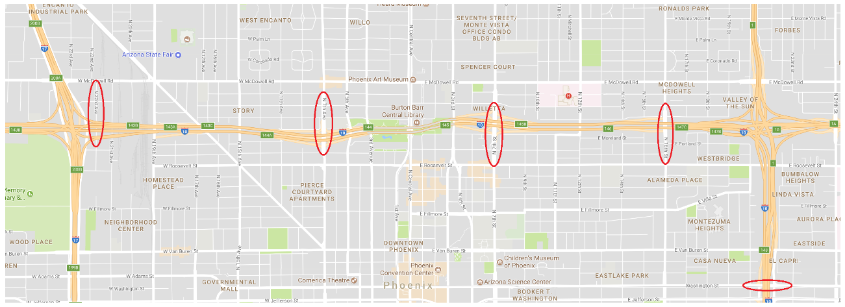
84
78
137
139
 |  |  |  |  | 10 | lane4
 |  |  |  |  | 10 | lane5

Cubic form-L78
 |  |  |  |  |  |  |  | Observation |  | BPR-X |  |  | BPR
Net flow rate function: lambda(t) - mu = gamma*(t-t0)*(t-t2)*(t-t_bar) |  |  |  |  |  |  |  | actual waiting time | 5.4639048631 | Estimation OUTPUT |  | unit | HCM capacity C | 1800 | veh/hr/la
 |  |  |  |  |  |  |  | actual TT | 6.4710477202 | mu | 1033 | 20665.909091 | V (loaded volume from traffic assignment) | 41094.128367 | veh per link per period
 |  |  |  |  |  |  |  |  |  | gamma | 19.215175547 |  | peak hour factor | 3.74
INPUT |  |  |  |  |  |  |  |  |  | alpha_BPR-X used in CUBE or Transcad | 0.0092320631155 |  | C_congestion period | 33725 |  | FromNodeID | 11293 |  | PM_cap | 6745
t0 | 14:10:00 | 14.17 |  |  |  |  |  |  |  | (D/mu)^4 | 584.36347415 |  | V/C ratio | 1.2185064008 | 1.218506 |  | link id | 7930
t3 | 19:05:00 | 19.08 |  |  |  |  |  |  |  | w (min) | 5.4334153363 | min | alpha | 0.99
m | 0.50 |  |  |  |  |  |  |  |  | TT | 6.4405581934 |  | beta | 3.5
t2 | 16:37:30 | 16.63 | t2 = t0 + m*(t3-t0) |  |  |  |  |  |  | theta between (C and mu) | 1.7453632723 |  | TT | 2.9983829297 | min
t_bar | 19:05:00 | 19.08 | t_bar = t0 + [3*(t3-t0) - 4*(t2-t0)]/(4-6*m) |  |  |  |  |  |  | alpha_B converted from alpha -X*(theta^4) | 0.085672629447
n | 4 |  | # of lanes immediately downstream the bottleneck |  |  |  |  |  |  |  |  |  | HCM c_per_hour_per lane | 1803.4759358
v_f | 53 | mile/hr |  |  |  |  |  |  |  |  | 5.7700394472 |  | (theta^4) | 9.2799007518
v_mu |  | mile/hr |  |  |  |  |  |  |  | 625 | 0.17444611037 |  | derived alpha-x | 0.10668217543
observed and estimated waiting time
delta_t | 5 | minutes |  |  |  |  |  |  |  |  |  |  | derived gamma | 222.0431883
length | 1.175 | mile/hr
free_flow speed | 70 | mile/hr
FFTT | 0.016785714286 | hr
congestion period P | 4.9166666667 | hr
number of lanes | 5

Time |  | Observed values |  |  |  |  |  | Estimated values
 |  | flow per 5mins | flow per hr per ln | Speed(t) | Travel_time(t) = length/speed(t) | w(t) = TT(t)-FFTT as Y(t) (hr) | x(t) for Linear regression = 1/(4mu)*(t-t0)^2*(t-t3)^2 | estimated W(t) from estimated gamma (hr)
14:10:00 | 14.17 | 115 | 1377 | 50 | 0.0236 | 0.0068 | 0.000000000 | 0.0000
14:15:00 | 14.25 | 110 | 1317 | 39 | 0.0299 | 0.0132 | 0.000039251 | 0.0008
14:20:00 | 14.33 | 120 | 1440 | 44 | 0.0266 | 0.0098 | 0.000151635 | 0.0029
14:25:00 | 14.42 | 122 | 1461 | 46 | 0.0255 | 0.0088 | 0.000329313 | 0.0063
14:30:00 | 14.50 | 113 | 1356 | 42 | 0.0280 | 0.0112 | 0.000564724 | 0.0109
14:35:00 | 14.58 | 96 | 1155 | 33 | 0.0356 | 0.0188 | 0.000850586 | 0.0163
14:40:00 | 14.67 | 118 | 1413 | 36 | 0.0324 | 0.0156 | 0.001179899 | 0.0227
14:45:00 | 14.75 | 107 | 1284 | 35 | 0.0341 | 0.0173 | 0.001545942 | 0.0297
14:50:00 | 14.83 | 111 | 1335 | 26 | 0.0461 | 0.0293 | 0.001942275 | 0.0373
14:55:00 | 14.92 | 109 | 1308 | 26 | 0.0452 | 0.0284 | 0.002362738 | 0.0454
15:00:00 | 15.00 | 111 | 1329 | 33 | 0.0356 | 0.0188 | 0.002801449 | 0.0538
15:05:00 | 15.08 | 110 | 1323 | 32 | 0.0367 | 0.0199 | 0.003252807 | 0.0625
15:10:00 | 15.17 | 113 | 1359 | 35 | 0.0338 | 0.0170 | 0.003711494 | 0.0713
15:15:00 | 15.25 | 96 | 1149 | 27 | 0.0439 | 0.0271 | 0.004172467 | 0.0802
15:20:00 | 15.33 | 108 | 1293 | 31 | 0.0382 | 0.0214 | 0.004630966 | 0.0890
15:25:00 | 15.42 | 97 | 1164 | 26 | 0.0456 | 0.0288 | 0.005082512 | 0.0977
15:30:00 | 15.50 | 95 | 1143 | 19 | 0.0627 | 0.0459 | 0.005522903 | 0.1061
15:35:00 | 15.58 | 86 | 1029 | 15 | 0.0810 | 0.0642 | 0.005948219 | 0.1143
15:40:00 | 15.67 | 71 | 855 | 11 | 0.1093 | 0.0925 | 0.006354820 | 0.1221
15:45:00 | 15.75 | 66 | 795 | 7 | 0.1741 | 0.1573 | 0.006739345 | 0.1295
15:50:00 | 15.83 | 82 | 978 | 12 | 0.1022 | 0.0854 | 0.007098715 | 0.1364
15:55:00 | 15.92 | 86 | 1029 | 12 | 0.1022 | 0.0854 | 0.007430128 | 0.1428
16:00:00 | 16.00 | 79 | 945 | 8 | 0.1516 | 0.1348 | 0.007731065 | 0.1486
16:05:00 | 16.08 | 89 | 1071 | 13 | 0.0904 | 0.0736 | 0.007999285 | 0.1537
16:10:00 | 16.17 | 66 | 792 | 8 | 0.1424 | 0.1256 | 0.008232829 | 0.1582
16:15:00 | 16.25 | 78 | 939 | 10 | 0.1175 | 0.1007 | 0.008430015 | 0.1620
16:20:00 | 16.33 | 72 | 858 | 9 | 0.1343 | 0.1175 | 0.008589445 | 0.1650
16:25:00 | 16.42 | 59 | 711 | 7 | 0.1679 | 0.1511 | 0.008709997 | 0.1674
16:30:00 | 16.50 | 65 | 780 | 8 | 0.1567 | 0.1399 | 0.008790832 | 0.1689
16:35:00 | 16.58 | 67 | 807 | 6 | 0.2136 | 0.1969 | 0.008831389 | 0.1697
16:40:00 | 16.67 | 83 | 993 | 6 | 0.1958 | 0.1790 | 0.008831389 | 0.1697
16:45:00 | 16.75 | 68 | 813 | 7 | 0.1808 | 0.1640 | 0.008790832 | 0.1689
16:50:00 | 16.83 | 77 | 918 | 6 | 0.1880 | 0.1712 | 0.008709997 | 0.1674
16:55:00 | 16.92 | 66 | 792 | 5 | 0.2238 | 0.2070 | 0.008589445 | 0.1650
17:00:00 | 17.00 | 72 | 861 | 6 | 0.1880 | 0.1712 | 0.008430015 | 0.1620
17:05:00 | 17.08 | 76 | 912 | 9 | 0.1343 | 0.1175 | 0.008232829 | 0.1582
17:10:00 | 17.17 | 64 | 768 | 6 | 0.2043 | 0.1876 | 0.007999285 | 0.1537
17:15:00 | 17.25 | 64 | 765 | 7 | 0.1741 | 0.1573 | 0.007731065 | 0.1486
17:20:00 | 17.33 | 65 | 783 | 4 | 0.2765 | 0.2597 | 0.007430128 | 0.1428
17:25:00 | 17.42 | 65 | 777 | 5 | 0.2238 | 0.2070 | 0.007098715 | 0.1364
17:30:00 | 17.50 | 68 | 819 | 5 | 0.2474 | 0.2306 | 0.006739345 | 0.1295
17:35:00 | 17.58 | 72 | 861 | 6 | 0.1958 | 0.1790 | 0.006354820 | 0.1221
17:40:00 | 17.67 | 64 | 765 | 7 | 0.1679 | 0.1511 | 0.005948219 | 0.1143
17:45:00 | 17.75 | 70 | 843 | 5 | 0.2238 | 0.2070 | 0.005522903 | 0.1061
17:50:00 | 17.83 | 94 | 1128 | 10 | 0.1205 | 0.1037 | 0.005082512 | 0.0977
17:55:00 | 17.92 | 73 | 873 | 9 | 0.1343 | 0.1175 | 0.004630966 | 0.0890
18:00:00 | 18.00 | 59 | 705 | 8 | 0.1567 | 0.1399 | 0.004172467 | 0.0802
18:05:00 | 18.08 | 52 | 624 | 5 | 0.2350 | 0.2182 | 0.003711494 | 0.0713
18:10:00 | 18.17 | 83 | 990 | 10 | 0.1205 | 0.1037 | 0.003252807 | 0.0625
18:15:00 | 18.25 | 70 | 840 | 12 | 0.1022 | 0.0854 | 0.002801449 | 0.0538
18:20:00 | 18.33 | 89 | 1062 | 18 | 0.0662 | 0.0494 | 0.002362738 | 0.0454
18:25:00 | 18.42 | 93 | 1116 | 22 | 0.0540 | 0.0372 | 0.001942275 | 0.0373
18:30:00 | 18.50 | 88 | 1056 | 27 | 0.0435 | 0.0267 | 0.001545942 | 0.0297
18:35:00 | 18.58 | 97 | 1164 | 22 | 0.0534 | 0.0366 | 0.001179899 | 0.0227
18:40:00 | 18.67 | 95 | 1143 | 27 | 0.0431 | 0.0263 | 0.000850586 | 0.0163
18:45:00 | 18.75 | 95 | 1140 | 40 | 0.0294 | 0.0126 | 0.000564724 | 0.0109
18:50:00 | 18.83 | 99 | 1191 | 40 | 0.0296 | 0.0128 | 0.000329313 | 0.0063
18:55:00 | 18.92 | 99 | 1188 | 43 | 0.0275 | 0.0107 | 0.000151635 | 0.0029
19:00:00 | 19.00 | 104 | 1251 | 45 | 0.0264 | 0.0096 | 0.000039251 | 0.0008
19:05:00 | 19.08 | 113 | 1350 | 31 | 0.0379 | 0.0211 | 0.000000000 | 0.0000

