Sheet1
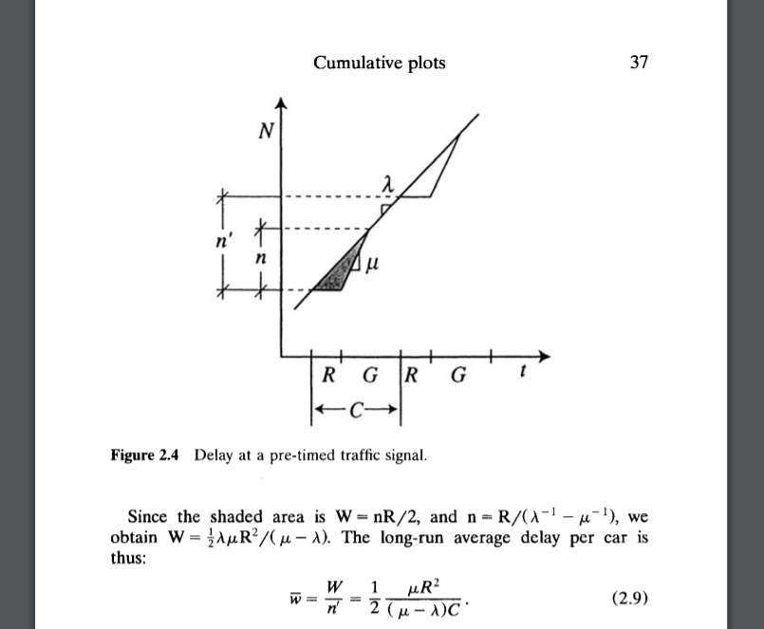

mu | 1530 | 0.425
lambda | 700 | 0.19444444444 | 11.666666667
g | 40
C | 60
R | 20

W_bar | = | 6.1445783133 | sec
capacity | = | 1020 | 17

