Sheet1
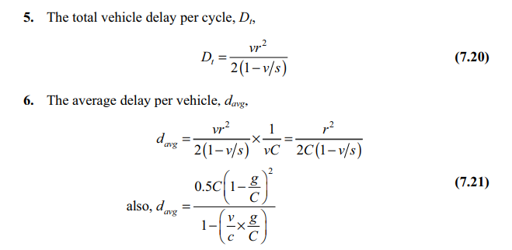
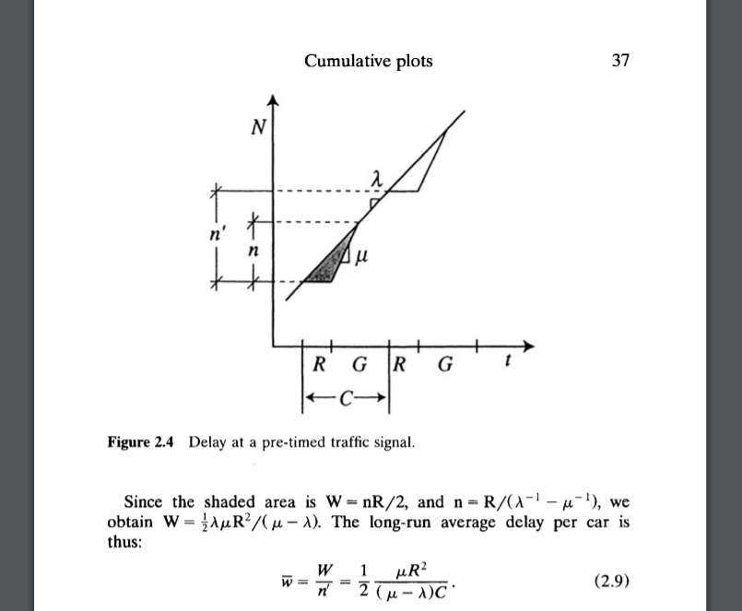

 | per hour | per second
mu | 1440 | 0.4
lambda | 500 | 0.13888888889 | 8.3333333333
g | 25
C | 60
R | 35

lambda/mu | 0.34722222222
Total W | 130.31914894 |  |  | verify
W_bar | = | 15.638297872 | sec | 15.638297872
capacity | = | 600 | 10

