dynamic programming
Sparse matrix
 | action
state | 1 | 2 | 3 | 4 | 5 | 6 | 7
1 | 0 | 0 | 0 | 0 | 0 | 0 | 1
2 | 0 | 0 | 0 | 0 | 0 | 0 | 1
3 | 0 | 0 | 0 | 1 | 1 | 0 | 0
4 | 0 | 0 | 0 | 0 | 0 | 0 | 1
5 | 0 | 0 | 0 | 0 | 0 | 1 | 0
6 | 0 | 0 | 0 | 0 | 0 | 0 | 1

v(a|k)
 | action
state | 1 | 2 | 3 | 4 | 5 | 6 | 7
1 | 0 | 0 | 0 | 0 | 0 | 0 | 0
2 | 0 | 0 | 0 | 0 | 0 | 0 | 0
3 | 0 | 0 | 0 | 2 | 1.5 | 0 | 0
4 | 0 | 0 | 0 | 0 | 0 | 0 | 0
5 | 0 | 0 | 0 | 0 | 0 | 1.5 | 0
6 | 0 | 0 | 0 | 0 | 0 | 0 | 0

 |  |  | network |  |  |  |  | parameters
link No | 1 | 2 | 3 | 4 | 5 | 6 | 7 | mu
cost | 6 | 2 | 1 | 2 | 1.5 | 1.5 | 0 | 1
 | O
 | D |  |  | backward calculation | node utility
 | stage | link states |  | for stage 4 | V_4 | 0
 | 1 | 1,2,3 |  | for stage 3 | V_3 | -1.5
 | 2 | 4,5 |  | for stage 2 | V_2 | -1.6867383125
 | 3 | 6 |  | for stage 1 | V_1 | -1.5802833537
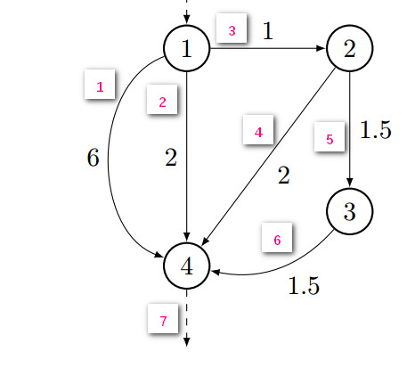
 | 4 | 7
 |  |  |  | forward calculation | link conditional probabilities
 | link cost |  |  | for stage 1 | p_1 | 0.012037642712
 |  |  |  |  | p_2 | 0.65723302283
 |  |  |  |  | p_3 | 0.33072933446
 |  |  |  | for stage 2 | p_4 | 0.73105857863
 |  |  |  |  | p_5 | 0.26894142137
 |  |  |  | for stage 3 | p_6 | 1

 |  |  |  | path | path probability (prod of link conditional propability)
 |  |  |  | 1-4 | 0.0120
 |  |  |  | 1-4 | 0.6572
 |  |  |  | 1-2-4 | 0.2418
 |  |  |  | 1-2-3-4 | 0.0889

 |  |  |  |  | link proportion (sum of path propabability)

Sheet1
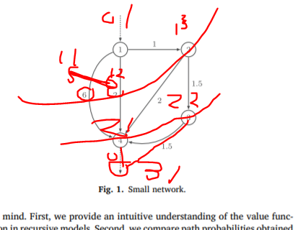
 | node_id | stage_k | state_i
 | 1 | 0 | 1
 | 11 | 1 | 1
 | 12 | 1 | 2
 | 13 | 1 | 3
 | 21 | 2 | 1
 | 22 | 2 | 2
 | 31 | 3 | 1

link_id | from_node_id | to_node_id | from_k | from_i | to_k | to_i | cost | beta_decision |  | d2 |  | d3
 | 1 | 11 | 0 | 1 | 1 | 1 | 3 | cost
 | 1 | 12 | 0 | 1 | 1 | 2 | 1 | cost | X |  | X
 | 1 | 13 | 0 | 1 | 1 | 3 | 1 | cost |  |  |  |  | X
 | 11 | 21 | 1 | 1 | 2 | 1 | 3
 | 12 | 21 | 1 | 2 | 2 | 1 | 1
 | 13 | 22 | 1 | 3 | 2 | 2 | 1.5
 | 21 | 31 | 2 | 1 | 3 | 1 | 0
 | 22 | 31 | 2 | 2 | 3 | 1 | 1.5

 |  |  |  |  |  |  | k3 | k2 |  | k2 |  | k1
 | node_id | stage_k | state_i
 | 1 | 0 | 1 |  |  |  |  |  |  |  |  |  | x
 | 11 | 1 | 1 |  |  |  |  |  |  |  |  | x
 | 12 | 1 | 2 |  |  |  |  |  |  |  |  | x
 | 13 | 1 | 3 |  |  |  |  |  |  |  |  | x
 | 21 | 2 | 1 |  |  |  |  | 0 |  | 0
 | 22 | 2 | 2 |  |  |  |  | x |  | x
 | 31 | 3 | 1 |  |  |  | 0

 | for k in range (stage)
 | for i in index
 | value of (k, i) = log sum of (value at k+1, i) over i // backward

 | for k in range (stage)
 | for i in index
 | prop of (k, i) = log sum of (value at k-, i) over i //forward

