Property Comparables
CLIENT
41 Heritage Park
 |  |  |  |  | Best Comp 1 | Best Comp 2 |  |  |  |  |  | Too Small
Comparable Property # |  | Subject Property | 1 | 2 | 3 |  |  | 5 | 4
Address |  | 41 Heritage Park | 53 Heritage Park | 47 Heritage Heath | 116 Heritage Boulveard | 127 Heritage Court | 172 Southborough Common | 20 Quartz Crescent | 8 Vantage Drive |  |  | 25 Southborough Square
Data Source |  |  | REALTOR | HD | HD | HD | HD | HD | HD |  |  | HD
 |  | 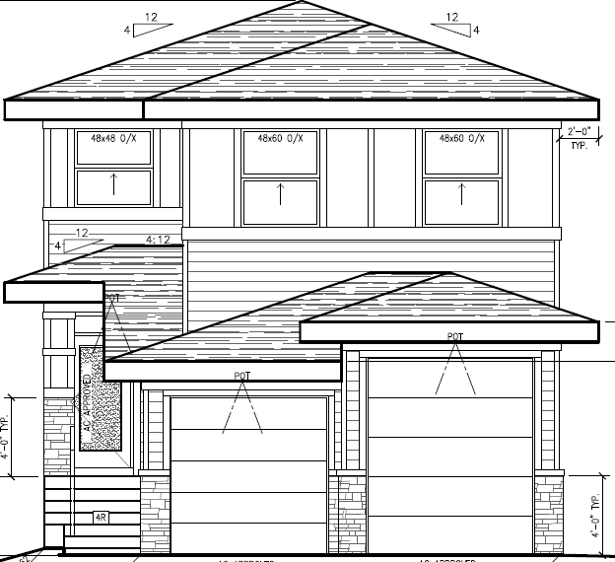 | 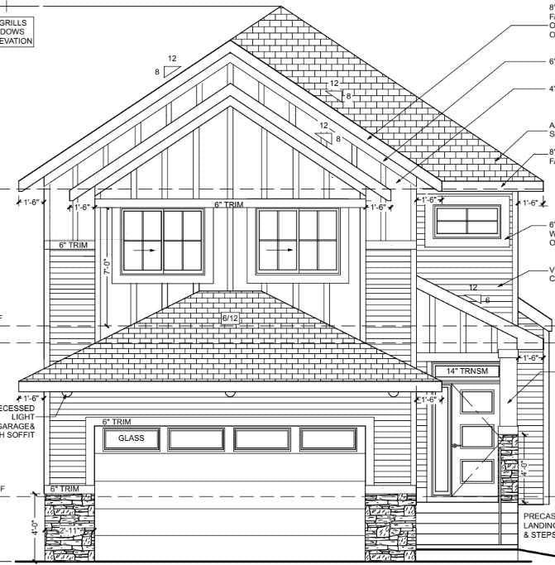 |  | 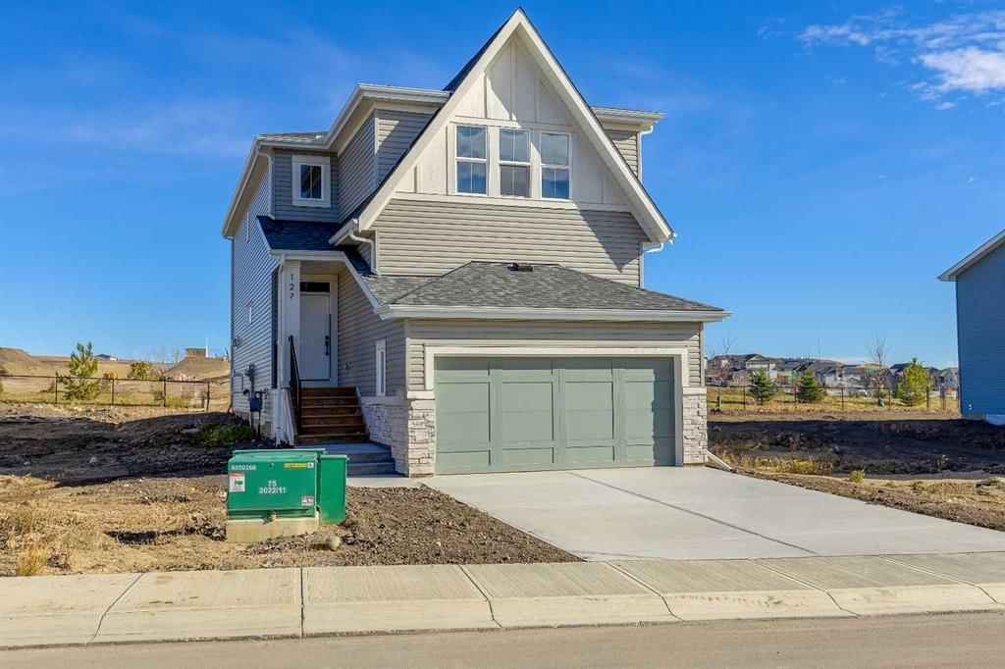 | 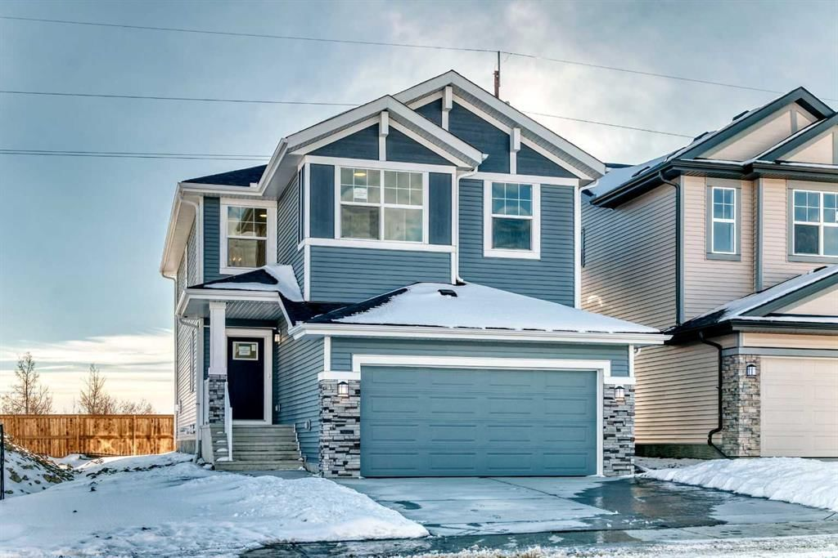 |  | 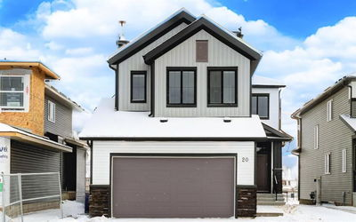 |  |  |  | 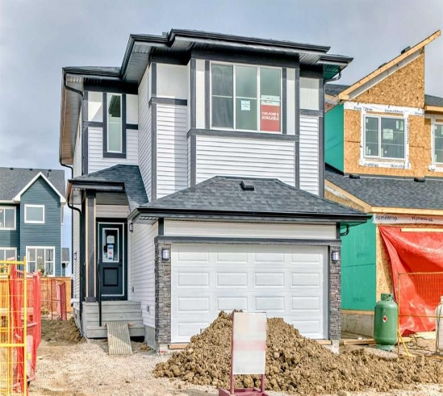
Price |  | $916,000 | $879,000 | $730,000 | $840,000 | $724,900 | $679,900 | $850,000 | $860,000 |  |  | $714,190
 |  |  |  |  |  |  |  |  |  | 2338 and 2455
List Price / Sale Price |  | Sale Price | List Price | Sale Price | Sale Price | Sale Price | Sale Price | Sale Price | Sale Price |  |  | Sale Price
Builder |  | CLIENT | Canbrook Homes |  |  | Homes by Fifty Six | Daytona Homes |  | Green Cedar Homes |  | Very nice lot | Daytona Homes
Neighbourhood |  | Cochrane | Heritage Hills | Heritage Hills | Heritage Hills | Heritage Hills | Southbow Landing | Greystone | Greystone |  | Very nice lot | Southbow Landing
Unadjusted Unit Price (sq. ft.) |  | $391.79 | $350.20 | $291.42 | $337.08 | $335.29 | $288.34 | $352.40 | $377.69 |  |  | $351.64
Sale Date |  |  |  | 2025-10-17 | 2025-05-07 | 2025-11-17 | 2026-01-20 | 2025-03-28 | 2025-12-23 |  |  | 2026-01-20

Floor Area Above Grade (sq. ft.) |  | 2,338 | 2,510 | 2,505 | 2,492 | 2,162 | 2,358 | 2,412 | 2,277 |  |  | 2,031
Site Size (sq. ft.) |  | 3,681 |  | 3,699 | 3,763 | 3,799 | 3,896 | 4,370 | 3,926 |  |  | 3,674
Style |  | Single Family | Single Family | Single Family | Single Family | Single Family | Single Family | Single Family | Single Family |  |  | Single Family
Format |  | 2 Storey | 2 Storey | 2 Storey | 2 Storey | 2 Storey | 2 Storey | 2 Storey | 2 Storey |  |  | 2 Storey
Year Built |  | 2026 | 2026 | 2025 | 2025 | 2025 | 2025 | 2018 | 2022 |  |  | 2025
Bedrooms |  | 3 | 4 | 3 | 4 | 3 | 4 | 5 | 3 | Nicer Comps |  | 4
Bathrooms |  | 3.5 | 2.5 | 3 | 3.5 | 2.5 | 2 | 5 | 3.5 | 543 Rivercrest View, Cochrane AB - For Sale | HonestDoor |  | 2
Basement |  | Legal Suite | Unfinished | Unfinished | Finished | Unfinished | Unfinished | Finished | Finished | 68 Heritage Ridge, Cochrane AB - For Sale | HonestDoor | Very nice lot | Unfinished
Parking |  | Double Attached | Double Attached | Double Attached | Double Attached | Double Attached | Double Attached | Double Attached | Double Attached | 76 Heritage Ridge, Cochrane AB - For Sale | HonestDoor | Very nice lot | Double Attached
Fireplace |  | Gas | Gas | Gas | Electric | Yes | Electric | Gas | Electric |  |  | Electric
Deck/Balcony |  | Deck | Deck | Deck | Deck | Deck | Deck | Deck | Deck |  |  | Deck
Appliances |  | Yes | Yes | Yes | Yes | Yes | No | Yes | Yes |  |  | No
Notes |  | Legal Suite with fire place, walkout lot. Main floor is an extremely odd layout. I cant see access to the garage from the house. |  | Does not have the open to above ceilings | Does not have the open to above ceilings. Legal suite | Backs Park like subject | Nice home but faily basic | Backs onto walking path. Greystone | Former Green Cedar Showhome. Closing Feb 20.
Appraised/ List Price |  | $916,000 | $879,000 | $730,000 | $840,000 | $724,900 | $679,900 | $850,000 | $860,000 |  |  | $714,190
Bid-Ask Adjustment | 5% | $nil | ($43,950) | $nil | $nil | $nil | $nil | $nil | $nil |  |  | $nil

 | Adjustment Type
Adjustment Year Built | Manual | $0 | $0 | $0 | $0 | $0 | $0 | $17,000 | $0 |  |  | $0
Adjustment Format | Manual | $0 | $0 | $0 | $0 | $0 | $0 | $0 | $0 |  |  | $0
Adjustment Garage | Manual | $0 | $0 | $0 | $0 | $0 | $0 | $10,000 | $0 |  |  | $0
Adjustment Bedroom | Automatic | $0 | ($2,500) | $0 | ($2,500) | $0 | ($2,500) | ($5,000) | $0 |  |  | ($2,500)
Adjustment Bathroom | Automatic | $0 | $7,500 | $3,750 | $0 | $7,500 | $11,250 | ($11,250) | $0 |  |  | $11,250
Adjustment Finishing | Manual | $0 | $0 | $0 | $0 | $0 | $0 | $0 | $0 |  |  | $0
Adjustment Basement | Manual | $0 | $40,160 | $40,080 | $0 | $34,592 | $37,728 | $0 | $0 |  |  | $0
Adjustment Appliances | Manual | $0 | $0 | $0 | $0 | $0 | $10,000 | $0 | $0 |  |  | $0
Adjustment Fireplace | Manual | $0 | $0 | $0 | $0 | $0 | $0 | $0 | $0 |  |  | $0
Adjustment Neighbourhood | Manual | $0 | $0 | $0 | $0 | $0 | $0 | $0 | $0 |  |  | $0
Adjustment backyard/deck | Manual | $0 | $0 | $0 | $0 | $0 | $0 | $0 | $0 |  |  | $0
Adjustment Other | Manual | $0 | $0 | $0 | $0 | $0 | $0 | $0 | $0 |  |  | $0
Total Adjustments |  | $0 | $45,160 | $43,830 | ($2,500) | $42,092 | $56,478 | $10,750 | $0 |  |  | $8,750

Adjusted Price |  | $916,000 | $880,210 | $773,830 | $837,500 | $766,992 | $736,378 | $860,750 | $860,000 |  |  | $722,940
Adjusted Unit Price |  | $391.79 | $350.68 | $308.91 | $336.08 | $354.76 | $312.29 | $356.86 | $377.69 |  |  | $355.95

Internal Valuation - Price per sq. ft.

 |  | $ Per Sq. Ft. | Implied Value
Min |  | $308.91 | $722,241
25th Percentile |  | $324.18 | $757,938
Median |  | $342.47 | $800,689
Weighted Avg. Unit Price |  | $341.93 | $799,426
75th Percentile |  | $355.81 | $831,886
Max |  | $377.69 | $883,039
SD |  | $23.13
Subject Property |  | $391.79 | $916,000

KV $ / sq. ft |  | 350
KV Internal Value |  | $818,300

Table A - Adjustment Factors
Bedroom |  | $2,500.00
Bathroom |  | $7,500.00
Garage Parking |  | $10,000.00
Appliances |  | $15,000.00
Basement Adjustment ($ per Sq. Ft.) |  | $40.00
Basement Square Feet Estimate |  | 40.00%
Basement Adjustment - Walkout |  | $8,000.00
Games Room and Wet Bar |  | $5,000.00

