Report
Emotional and Aptitude Test Report

 |  |  | Students in their adolescence go through a lot ; not just in terms of choosing the right subjects, which will shape their career but also face various issues arising out of emotional regulation. No two children are same and each one is unique in its own way. Each student will grow differently and each one will have to face different issues and problems in the world as each day unfolds a new opportunity and a new challenge will emerge. ➢ The test we have designed is a simple test to measure Emotional Regulation and various aspects on one’s Aptitude, which helps in identifying the areas of strength and weakness for an individual. ➢ These tests allow us to understand their personality and guide you to make necessary changes).

Name | Abhishek Aswal

Age(yrs) | 18

email ID | aswal.abhi123@gmail.com

Gender | M

School | MDS

Date of Test | 22-3-2020 05:25:25

Know Yourself First : It will Help You Decide Your Career


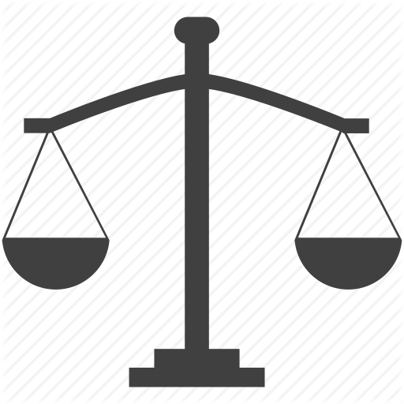
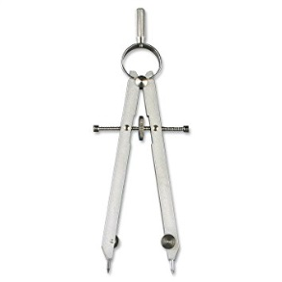
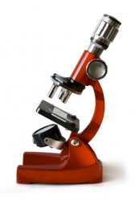

 | Emotional Regulation Parameters

 | Your Result

Emotional Regulation
Emotional Parameters | Your Score | Average
Self-Blame | 0 | 7
Acceptance | 0 | 8.5
Rumination | 0 | 7.5
Positive Refocusing | 0 | 9.5
Refocus on Planning | 0 | 9.5
Positive Reappraisal | 0 | 10.1
Putting into Perspective | 0 | 9.5
Catastrophizing | 0 | 6
Other_Blame | 0 | 6.5

Norms of the Test Variables Self-blame is a coping strategy in which thoughts are central of holding yourself responsible for what you have experienced. A high score on Self-blame, it means that this person is highly preoccupied with his or her sense of guilt. Acceptance refers to thoughts where you resign yourself to what has happened and accept it, thinking that it cannot be changed and life goes on. A high score refers to the frequent use of Acceptance as a strategy. Rumination refers to thinking all the time of and/or being preoccupied with the feelings and thoughts associated with the negative event. Positive Refocusing This concept refers to thinking about other, pleasant matters instead of the event in question. Research has shown that this strategy in itself may have a positive effect on people's well being. Refocus on Planning A high score refers to the frequent use of this strategy. A low score refers to a less frequent use of this strategy. Positive Reappraisal This strategy refers to mentally attributing a positive meaning to an event in terms of personal growth, thinking that the event makes you stronger, looking for the positive sides of an event. Putting into Perspective Putting into Perspective refers to thoughts that play down the seriousness of the event when compared to other events and to emphasizing in your mind that there are worse things in the world. Catastrophising refers to recurring thoughts about how terrib

"What is Aptitude Test About? An aptitude is a component of a competence to do a certain kind of work at a certain level. Outstanding aptitude can be considered ""talent“. An aptitude test, by definition, is any type of assessment that evaluates the talent/ability/ potential to perform a certain task, with no prior knowledge and/or training. This test is designed to provide a convenient, objectively- scorable measure of general cognitive ability or intelligence in the form of profile containing five verbal and five performance sub-tests. These subscales are substantially related to general intellectual ability, which has been consistently found to be important for job performance in virtually all occupation. Patterns of high scores and low scores are helpful in counselling or placing individuals in jobs that enable them to realize their potential."

Aptitude Tests Description Information: score reflects the degree to which an individual has accumulated a fund of knowledge about diverse topics. Long term memory is required for the Information test. High score on information are likely to be found among persons in occupations Examples of such jobs include journalist, professor, teacher, researcher and librarian. Comprehension :Comprehension assesses the ability to evaluate social behavior High score in this subscale would be found in persons in a variety of occupations but particularly in those that require social skills and reasoning abilities. Examples of such jobs include, psychologist, social worker, teacher, lawyer, police officer, human resource worker. Arithmetic :This test, requiring the solution of numerical problems, reflects reasoning and problem solving abilities. High score :Examples of such occupation includes accountant, engineer, astronaut, pilot, computer programmer, scientist and electronic technician. Similarities : Similarities requires more than simply retrieving knowledge from long term memory; in addition, it is a measure of how effectively one can use this knowledge. High score on this section may be linked to occupations that require the ability to generalize, abstract, and find relationships that are not immediately obvious. Examples of such occupations include detective, lawyer, writer, social scientist, engineer and artist. Vocabulary : it indicates the individual's openness to new information and concepts and reflects the capacity effectively to store, categorize, and retrieve this information appropriately .High score on this section may be linked Examples of such oc

Picture Arrangement : This task requires both perceptual abilities and sufficient social intelligence to have insight into others' behavior, permitting evaluation of alternative outcomes. High score in this section may be linked to occupations that require high visual perception and the ability to see cause-effect relationships. Examples include the numerous occupations for which inferring other people’s motivations and intentions is important, such as a salesperson, advertising specialist and marketing representative. Object Assembly : For such task, perceptual analytical skills are required to visualize how the separate parts might be reassembled, or, alternatively, first to identify elements of familiar objects in the disarranged segments and to form a judgment about the integration of the segments into a whole. Because the parts are printed, rather than in a manipulable form, visualization skills are required to imagine the form of the figure when parts are re-arranged. High score in this section may be linked to occupations characterized by perceptual analytical skills. Examples of occupations in which high scorers might be found include mechanic, civil engineer, builder and architect.

Verbal Scores
Verbal Subtest Scores | Your Score | Average
TRIAL | 25 | 50
Comprehension | 19 | 50
Arithmetic | 16 | 50
Similarities | 20 | 50
Vocabulary | 27 | 50

Performance Scores
Performance Subtest Scores | Your Score | Average
Digital Sympbol | 10 | TRIAL
Picture Completion | 15 | 50
Spatial | 25 | 50
Picture Arrangement | 20 | 50
Object Assembly | 31 | 50

Your IQ Scores
IQ Scores | IQ Score | Average IQ Score | Percentile Score
Verbal Score | 70 | 100 | TRIAL
Performance | 70 | 100 | 2
Full Scale Score | 70 | 100 | 2

➢ The analysis of above helps students and parents to know more, which in-turn allows them to be open to accepting and respecting the thoughts and beliefs of the young children thereby creating an environment of harmony, trust and understanding. The concept of this methodology is to help participant to find the right path to reach his destination. Coaching, Mentoring and Discussion is certain methods that help in evaluating and guiding the participants to become self-reliant and contribute effectively for smooth functioning of the system. This methodology we believe allows participants to be more expressive in their thoughts and reemphasis’s that the role of the guide/ mentor is only to clear doubts and provide an environment of confidence and self-sustenance.

Dr Bhavna Chadha Neuro Clinical Psychologist To Schedule an appointment with a Counselor-Contact Phone No. 011-40073779, 9818013063

