Sheet1
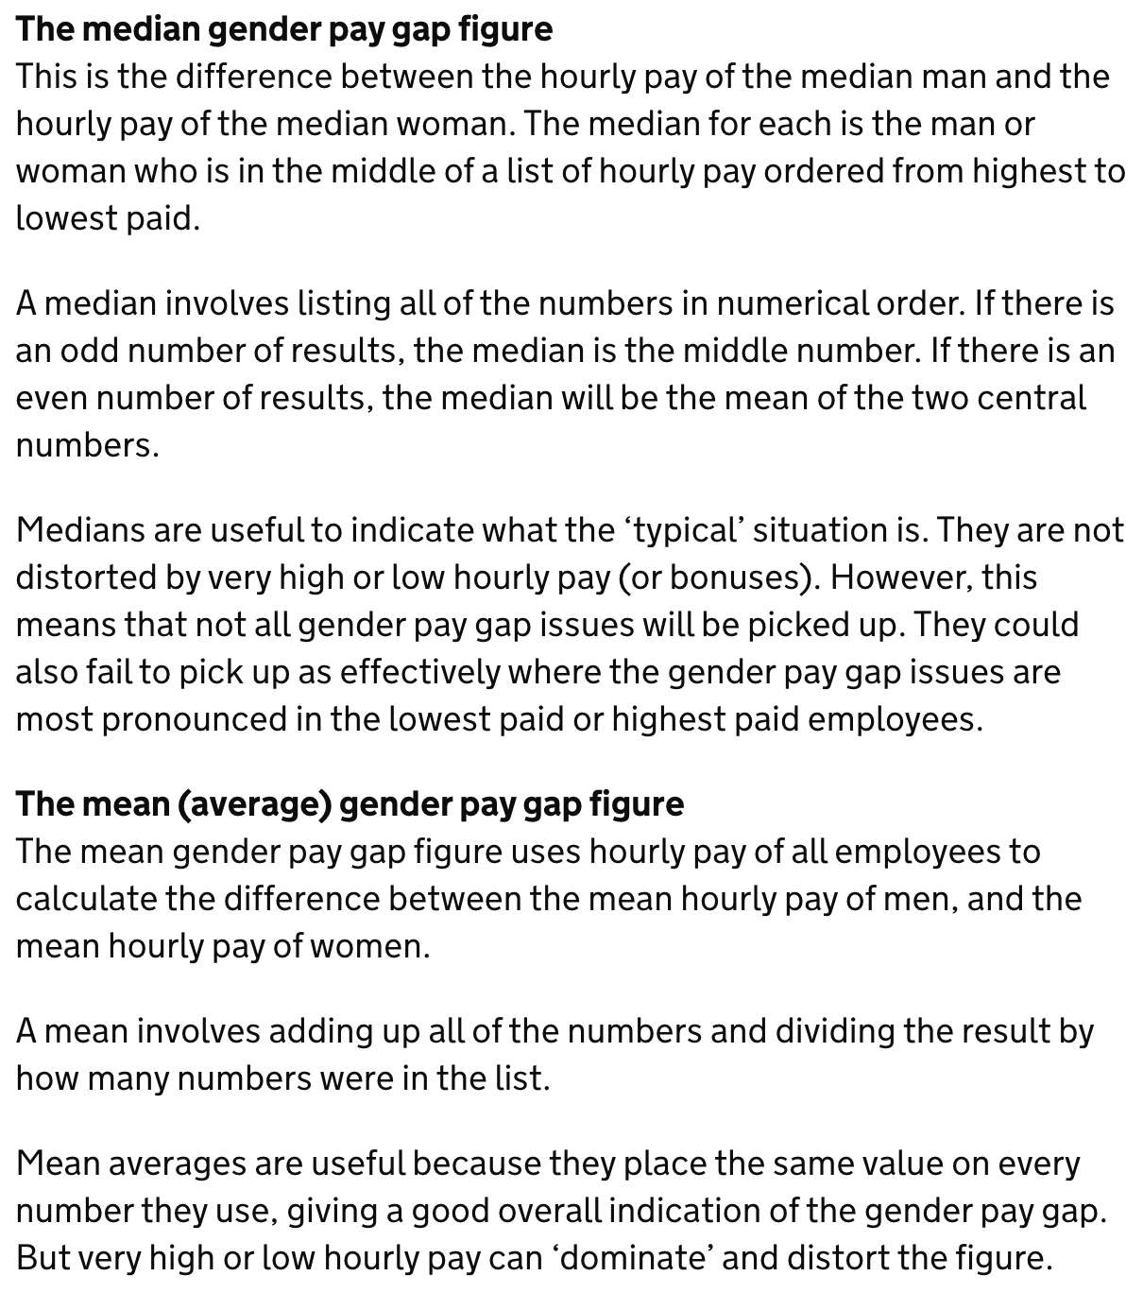
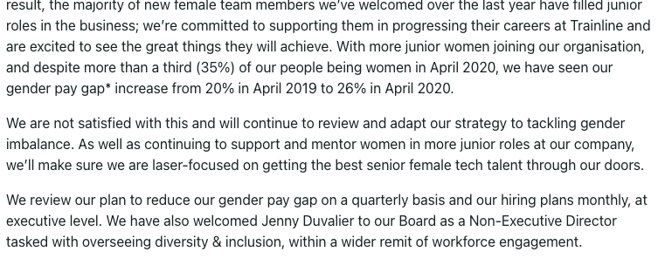

hourly wage diff
year | DiffMeanHourlyPercent | DiffMedianHourlyPercent | DiffMeanBonusPercent | DiffMedianBonusPercent | MaleBonusPercent | FemaleBonusPercent
201718 | 16 | 23 | 13 | -37 | 7 | 8
201819 | 22 | 26 | 27 | 16 | 8 | 9
201920 | 20 | 22 | 14 | 8 | 18 | 18
202021 | 26 | 31 | 67 | 58 | 2 | 2
202122 | 30 | 33 | 33 | 10 | 18 | 13

company make up
year | MaleLowerQuartile | FemaleLowerQuartile | MaleLowerMiddleQuartile | FemaleLowerMiddleQuartile | MaleUpperMiddleQuartile | FemaleUpperMiddleQuartile | MaleTopQuartile | FemaleTopQuartile | Female | Male
201718 | 62 | 38 | 61 | 39 | 74 | 26 | 81 | 19 | 70 | 31
201819 | 56 | 44 | 58 | 42 | 70 | 30 | 82 | 18 | 67 | 34
201920 | 55 | 45 | 62 | 38 | 67 | 33 | 79 | 21 | 66 | 34
202021 | 53 | 47 | 56 | 44 | 68 | 32 | 84 | 16 | 65 | 35
202122 | 49 | 51 | 58 | 42 | 73 | 27 | 83 | 17 | 66 | 34
Lower quartile by gender
Lower middle quartile by gender
Overall gender breakdown of staff

Upper middle quartile by gender
Upper quartile by gender

