twist
r | pitch
0.1 | 30.16 | Reference | File name | Page
0.13170731707 | 27.92 |  | paper_twist_data | 71
0.16097560976 | 26
XV15 Pitch Distribution
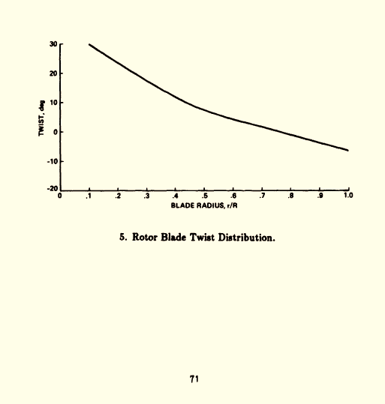
0.18861788618 | 24.4
0.21300813008 | 22.8
0.24552845528 | 20.72
0.27642276423 | 18.96
0.30731707317 | 17.04
0.33983739837 | 15.28
0.37886178862 | 13.2
0.4162601626 | 11.12
0.4487804878 | 9.68
0.48292682927 | 8.24
0.51544715447 | 6.96
0.55772357724 | 5.68
0.59837398374 | 4.56
0.63902439024 | 3.44
0.68455284553 | 2.32
0.73333333333 | 1.04
0.77398373984 | -0.08
0.82276422764 | -1.52
0.86991869919 | -2.64
0.92195121951 | -4.08
0.9674796748 | -5.2
0.99674796748 | -6.32

FM
Ct | FM | Reference | File name | Page
0.0014305150632 | 0.19922178988 |  | paper_hover_data | 6
0.0018192419825 | 0.27911802853
0.0027988338192 | 0.43891050584
FM vs Ct
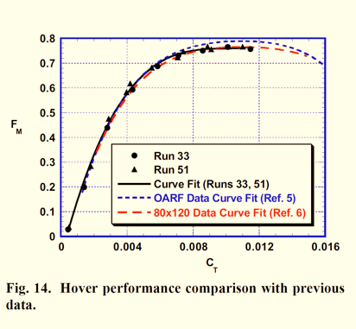
0.0028921282799 | 0.47107652399
0.0039494655005 | 0.58002594034
0.0041827016521 | 0.61426718547
0.0054732750243 | 0.67963683528
0.0058153547133 | 0.6869001297
0.0071370262391 | 0.73047989624
0.007074829932 | 0.71802853437
0.0073858114674 | 0.7439688716
0.0085519922255 | 0.75019455253
0.0088785228377 | 0.76368352789
0.0090962099125 | 0.75226977951
0.010106899903 | 0.76472114137
0.01099319 | 0.76472114137
0.011475218659 | 0.75642023346

Cq_sigma vs Ct_sigma (Cruise)
 | V/omegaR=0.125 |  | V/omegaR=0.15 |  | V/omegaR=0.17 |  | V/omegaR=0.20 |  | Reference | File name | Page
 | Ct/sigma | Cq/sigma | Ct/sigma | Cq/sigma | Ct/sigma | Cq/sigma | Ct/sigma | Cq/sigma |  | paper_hover_data | 8
-15 | 0.075362318841 | 0.0058674033149 | 0.075467625899 | 0.006024691358 | 0.06058465 | 0.004983 | 0.060571428571 | 0.0052714870396
V/omegaR=0.125
V/omegaR=0.15
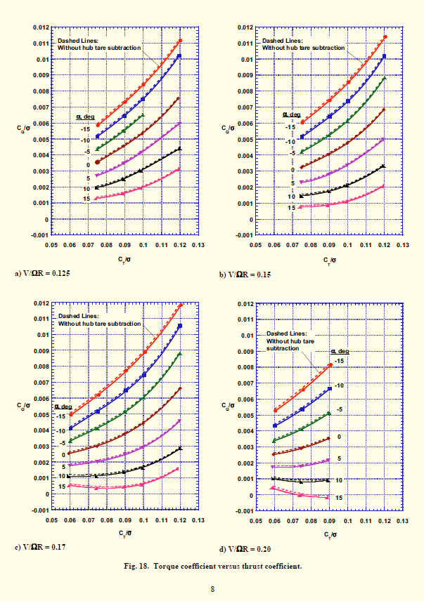
 | 0.090289855072 | 0.0073259668508 | 0.090431654676 | 0.0074074074074 | 0.075679012346 | 0.0061935483871 | 0.075714285714 | 0.0065975443383
 | 0.10014492754 | 0.0084033149171 | 0.10079136691 | 0.0085432098765 | 0.090776014109 | 0.0077258064516 | 0.090857142857 | 0.0081691678035
 | 0.12043478261 | 0.011154696133 | 0.12079136691 | 0.011407407407 | 0.10107583774 | 0.0088709677419
 |  |  |  |  | 0.12082892416 | 0.01185483871
-10 | 0.074927536232 | 0.0051546961326 | 0.075323741007 | 0.0051193415638 | 0.060158730159 | 0.0040967741935 | 0.060285714286 | 0.0043219645293
 | 0.09 | 0.0064806629834 | 0.090575539568 | 0.0064032921811 | 0.075396825397 | 0.0051774193548 | 0.075285714286 | 0.0053697135061
 | 0.099710144928 | 0.0074917127072 | 0.10050359712 | 0.0073744855967 | 0.09049382716 | 0.0064838709677 | 0.090285714286 | 0.0066630286494
 | 0.11971014493 | 0.010226519337 | 0.12021582734 | 0.010189300412 | 0.10051146384 | 0.0074516129032
 |  |  |  |  | 0.12026455026 | 0.010532258065
-5 | 0.074927536232 | 0.0043259668508 | 0.075035971223 | 0.0041481481481 | 0.060017636684 | 0.0033064516129 | 0.059714285714 | 0.0033560709413
 | 0.089565217391 | 0.0055027624309 | 0.090143884892 | 0.0052181069959 | 0.075114638448 | 0.0040806451613 | 0.074857142857 | 0.0040927694407
 | 0.099855072464 | 0.0064640883978 | 0.10007194245 | 0.0060740740741 | 0.090211640212 | 0.0051290322581 | 0.09 | 0.0051077762619
 |  |  | 0.12035971223 | 0.0088065843621 | 0.1002292769 | 0.0059838709677
 |  |  |  |  | 0.11998236332 | 0.0087903225806
0 | 0.075362318841 | 0.0035635359116 | 0.075035971223 | 0.0032263374486 | 0.059312169312 | 0.0025322580645 | 0.059428571429 | 0.0025375170532
 | 0.089275362319 | 0.0045580110497 | 0.089856115108 | 0.0040329218107 | 0.074832451499 | 0.0029838709677 | 0.074571428571 | 0.0029140518417
 | 0.099275362319 | 0.0053370165746 | 0.10007194245 | 0.0047407407407 | 0.089788359788 | 0.0037580645161 | 0.089714285714 | 0.0035361527967
 | 0.11913043478 | 0.0075414364641 | 0.11978417266 | 0.0068477366255 | 0.10008818342 | 0.0044032258065
 |  |  |  |  | 0.12040564374 | 0.0066129032258
5 | 0.074637681159 | 0.0027348066298 | 0.074748201439 | 0.0023209876543 | 0.059735449735 | 0.0018064516129 | 0.058857142857 | 0.0017680763984
 | 0.089275362319 | 0.0034972375691 | 0.09 | 0.0028312757202 | 0.074973544974 | 0.0020483870968 | 0.074285714286 | 0.0018171896317
 | 0.098695652174 | 0.0041767955801 | 0.09964028777 | 0.0033909465021 | 0.089929453263 | 0.0025322580645 | 0.089285714286 | 0.0021773533424
 | 0.11956521739 | 0.006 | 0.11964028777 | 0.0050041152263 | 0.099664902998 | 0.0029193548387
 |  |  |  |  | 0.11984126984 | 0.0045967741935
10 | 0.074347826087 | 0.0019392265193 | 0.074748201439 | 0.0014320987654 | 0.059029982363 | 0.0010806451613 | 0.058857142857 | 0.00099863574352
 | 0.089130434783 | 0.0024861878453 | 0.089712230216 | 0.0017119341564 | 0.074268077601 | 0.001064516129 | 0.074142857143 | 0.00078581173261
 | 0.098550724638 | 0.0029834254144 | 0.099784172662 | 0.0020576131687 | 0.089365079365 | 0.0013387096774 | 0.088857142857 | 0.00090040927694
V/omegaR=0.17
V/omegaR=0.20
 | 0.11985507246 | 0.0043591160221 | 0.11949640288 | 0.0033086419753 | 0.099664902998 | 0.0015806451613
 |  |  |  |  | 0.12012345679 | 0.0028225806452
15 | 0.074057971014 | 0.0012430939227 | 0.074172661871 | 0.00072427983539 | 0.059453262787 | 0.00048387096774 | 0.058571428571 | 0.00040927694407
 | 0.08884057971 | 0.0015580110497 | 0.08928057554 | 0.00082304526749 | 0.074409171076 | 0.00032258064516 | 0.074 | -6.548431105E-05
 | 0.098695652174 | 0.0019060773481 | 0.09964028777 | 0.0010534979424 | 0.089647266314 | 0.00043548387097 | 0.088857142857 | -0.00018008185539
 | 0.11913043478 | 0.0030828729282 | 0.11949640288 | 0.0020411522634 | 0.099382716049 | 0.00053225806452
 |  |  |  |  | 0.11857142857 | 0.0015161290323

blade_loading_hover
Hover torque coefficient versus thrust coefficient
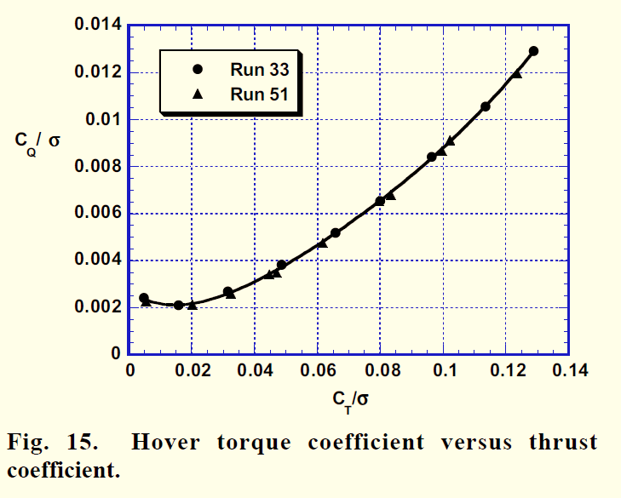
Run 33 |  | Run 51 |  | Reference | File name | Page
Ct/sigma | Cq/sigma | Ct/sigma | Cq/sigma |  | paper_hover_data | 6
0.0046575342466 | 0.023821989529 | 0.0050684931507 | 0.021073298429
0.015753424658 | 0.020523560209 | 0.02 | 0.019790575916
0.031369863014 | 0.026753926702 | 0.032191780822 | 0.024738219895
0.048493150685 | 0.037931937173 | 0.044383561644 | 0.03280104712
0.065753424658 | 0.051492146597 | 0.046849315068 | 0.033717277487
0.079863013699 | 0.065235602094 | 0.061506849315 | 0.046544502618
0.096438356164 | 0.083926701571 | 0.079726027397 | 0.063952879581
0.11342465753 | 0.10554973822 | 0.083150684932 | 0.066884816754
0.12890410959 | 0.12918848168 | 0.099589041096 | 0.08557591623
 |  | 0.10219178082 | 0.090340314136
 |  | 0.12356164384 | 0.11856020942

eta vs Ct_by_sigma
eta vs Ct by sigma
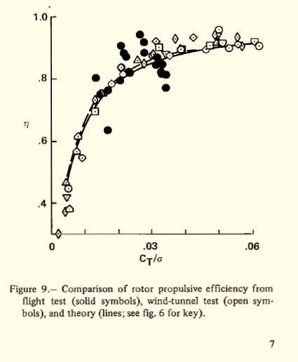
Wind-tunnel Test |  | Flight Test |  | Reference | File name | Page
ct_by_sigma | eta | ct_by_sigma | eta |  | paper_hover_data | 7
0.0042465239262 | 0.10499409733 | 0.016752910356 | 0.47724994525
0.0054179571108 | 0.11621021466 | 0.014529962768 | 0.63989083006
0.004618423453 | 0.17213563345 | 0.016966701484 | 0.66379070708
0.0049845356393 | 0.2071092025 | 0.0131932628 | 0.72120600772
0.0042704281583 | 0.23786178741 | 0.02248951261 | 0.81539245582
0.0092378534 | 0.3484670887 | 0.02177207406 | 0.83360850447
0.0076249467921 | 0.38339452677 | 0.020877739778 | 0.87005323719
0.0079970979423 | 0.45193467015 | 0.026382608622 | 0.92207532389
0.012964523184 | 0.56253997144 | 0.027637304783 | 0.88563901478
0.013154750547 | 0.61988706299 | 0.027718550466 | 0.83655255488
0.017935974402 | 0.69552298895 | 0.023376771063 | 0.73967687046
0.021361828296 | 0.73756088764 | 0.020668244689 | 0.70735549303
0.020828386485 | 0.77251348807 | 0.023108268612 | 0.74948826592
0.025601055141 | 0.80059676706 | 0.031588650033 | 0.81560515188
0.027667261477 | 0.78526031499 | 0.031130869148 | 0.77492123928
0.029652822482 | 0.82167023483 | 0.032934447496 | 0.78478107047
0.030374478668 | 0.83287586784 | 0.032838544738 | 0.75252076419
0.032089166979 | 0.86368506803 | 0.032745674478 | 0.73709082332
0.031194393829 | 0.89023763742 | 0.034276201627 | 0.73151650184
0.03415285708 | 0.83436254333 | 0.03417600283 | 0.67541317789
0.035230812136 | 0.82599606209
0.038743601948 | 0.85125277048
0.037132959952 | 0.89876767393
0.042262430725 | 0.9100760532
0.046300358773 | 0.85422612145
0.047022518206 | 0.86822896899
0.049364126458 | 0.88366816732
0.049011350317 | 0.92282078326
0.050095092713 | 0.9466222691
0.050893368253 | 0.88370381398
0.053137724024 | 0.85858130479
0.055479583899 | 0.87541911039
0.055396673957 | 0.91457801691
0.056736946507 | 0.86425960835
0.060609306295 | 0.88812609692
0.062044818338 | 0.86718053776

