raw_data
Raw tables/data could be directly pasted here :)

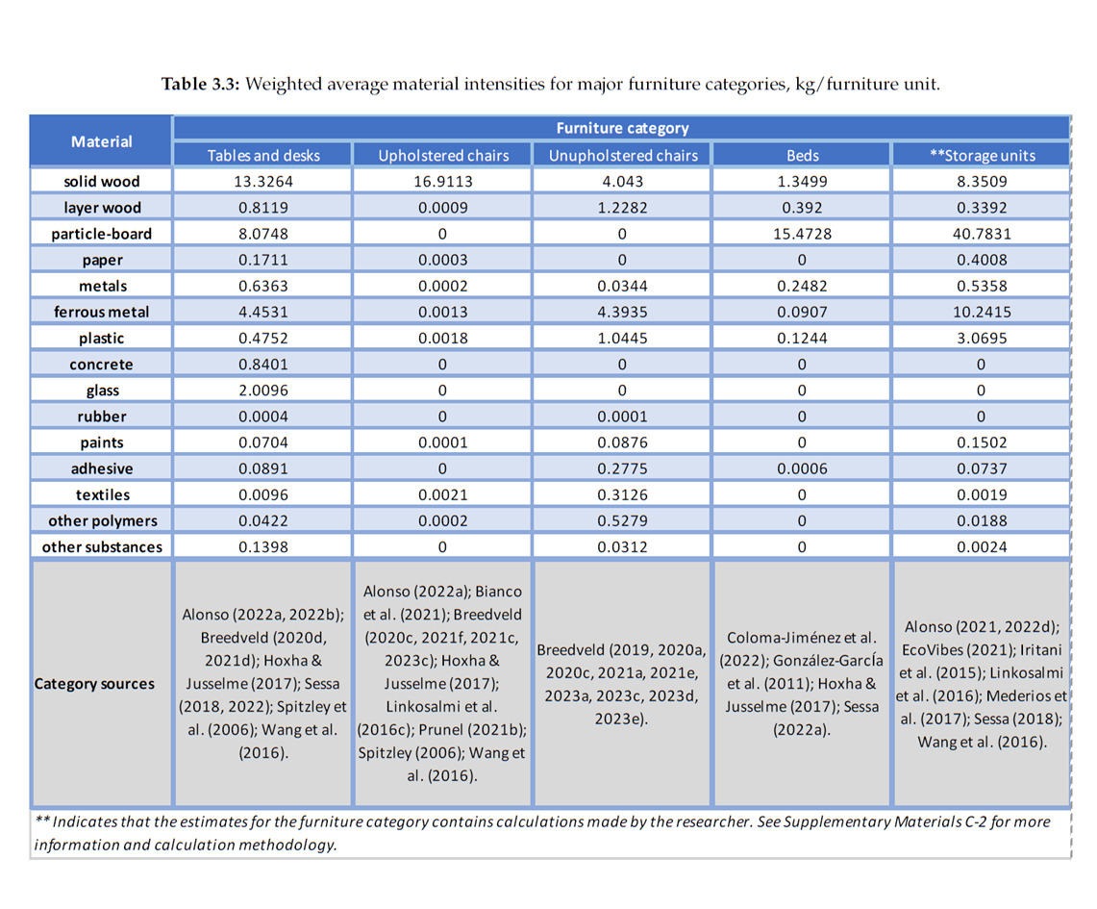

 | Ikeda, Y. (2023). Quantifying materials in household furniture: A case study of dynamic furniture stock in American homes. https://repository.tudelft.nl/islandora/object/uuid%3Afec8d24f-f856-43a4-8673-570cc6de9d01

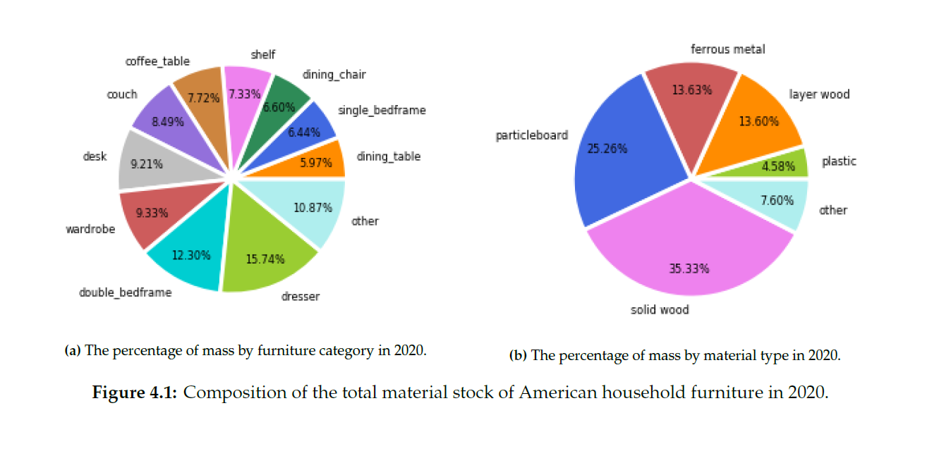

 | Ikeda, Y. (2023). Quantifying materials in household furniture: A case study of dynamic furniture stock in American homes. https://repository.tudelft.nl/islandora/object/uuid%3Afec8d24f-f856-43a4-8673-570cc6de9d01

