1981-2010 Discrete
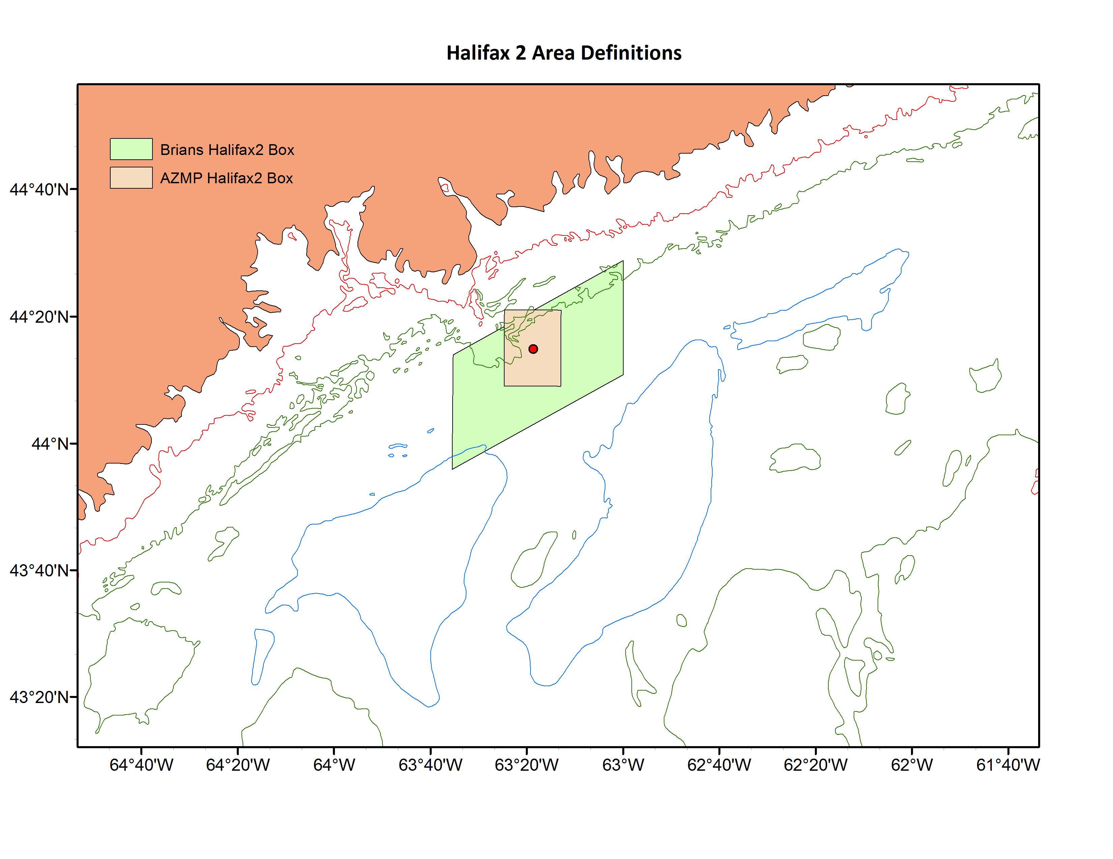
The monthly means below are for the beige "AZMP Halifax2 Box" in the graphic to the right. They are for the 1981-2010 period.
Except for the standard deviations, the averages and number of years are computed in worksheet "Station2_Data_to_2014", in cells O225:AF252.
The values were verified with an independent computation in Matlab, which is where the standard deviations were generated.
Month | Pressure(m) | Temperature | Std.Dev | Years | Salinity | Std.Dev | Years | Sigma-T | Std.Dev | Years
1 | 2 | 2.22 | 1.08 | 9 | 30.84 | 0.15 | 4 | 24.63 | 0.21 | 4
2 | 2 | 0.36 | 0.64 | 12 | 31.14 | 0.20 | 10 | 24.97 | 0.16 | 10
3 | 2 | 0.28 | 1.06 | 13 | 31.18 | 0.30 | 10 | 24.99 | 0.25 | 10
4 | 2 | 1.88 | 1.11 | 10 | 31.05 | 0.42 | 6 | 24.78 | 0.29 | 6
5 | 2 | 5.41 | 1.39 | 10 | 31.29 | 0.37 | 7 | 24.73 | 0.41 | 7
6 | 2 | 9.81 | 2.22 | 17 | 30.91 | 0.30 | 10 | 23.51 | 0.56 | 10
7 | 2 | 14.50 | 1.28 | 12 | 30.93 | 0.30 | 12 | 22.89 | 0.31 | 12
8 | 2 | 18.08 | 0.75 | 13 | 30.70 | 0.34 | 11 | 21.91 | 0.42 | 11
9 | 2 | 16.81 | 1.24 | 10 | 30.53 | 0.62 | 8 | 22.04 | 0.56 | 8
10 | 2 | 13.68 | 2.17 | 10 | 30.33 | 0.53 | 7 | 22.69 | 0.28 | 7
11 | 2 | 9.63 | 1.79 | 14 | 30.30 | 0.33 | 6 | 23.39 | 0.29 | 6
12 | 2 | 5.79 | 0.89 | 7 | 30.67 |  | 1 | 23.99 |  | 1
1 | 5 | 2.13 | 1.20 | 9 | 30.94 | 0.24 | 5 | 24.71 | 0.23 | 5
2 | 5 | 0.19 | 0.74 | 13 | 31.15 | 0.21 | 10 | 24.97 | 0.17 | 10
3 | 5 | 0.27 | 0.96 | 14 | 31.22 | 0.30 | 13 | 25.03 | 0.24 | 13
4 | 5 | 1.54 | 1.16 | 17 | 31.25 | 0.23 | 13 | 24.97 | 0.18 | 13
5 | 5 | 4.78 | 1.04 | 13 | 31.24 | 0.26 | 10 | 24.70 | 0.25 | 10
6 | 5 | 9.07 | 1.71 | 20 | 30.96 | 0.42 | 14 | 23.81 | 0.48 | 14
7 | 5 | 14.05 | 1.48 | 14 | 30.91 | 0.32 | 13 | 22.97 | 0.34 | 13
8 | 5 | 17.80 | 0.86 | 13 | 30.70 | 0.33 | 12 | 22.04 | 0.35 | 12
9 | 5 | 16.08 | 1.53 | 13 | 30.45 | 0.67 | 10 | 22.15 | 0.46 | 10
10 | 5 | 13.06 | 1.36 | 17 | 30.43 | 0.49 | 16 | 22.80 | 0.33 | 16
11 | 5 | 9.48 | 1.63 | 17 | 30.46 | 0.44 | 12 | 23.50 | 0.33 | 12
12 | 5 | 5.67 | 0.77 | 11 | 30.76 | 0.40 | 8 | 24.27 | 0.38 | 8
1 | 10 | 2.43 | 1.56 | 11 | 30.95 | 0.23 | 5 | 24.71 | 0.23 | 5
2 | 10 | 0.18 | 0.78 | 12 | 31.15 | 0.21 | 10 | 24.97 | 0.17 | 10
3 | 10 | 0.00 | 1.07 | 16 | 31.22 | 0.29 | 13 | 25.04 | 0.23 | 13
4 | 10 | 1.45 | 1.13 | 16 | 31.28 | 0.26 | 13 | 25.01 | 0.20 | 13
5 | 10 | 4.32 | 1.29 | 14 | 31.21 | 0.31 | 11 | 24.72 | 0.24 | 11
6 | 10 | 8.55 | 1.38 | 19 | 31.08 | 0.43 | 15 | 24.00 | 0.44 | 15
7 | 10 | 12.49 | 2.43 | 14 | 31.12 | 0.39 | 14 | 23.46 | 0.57 | 14
8 | 10 | 15.82 | 2.54 | 13 | 30.93 | 0.29 | 12 | 22.73 | 0.69 | 12
9 | 10 | 15.94 | 1.94 | 14 | 30.41 | 0.59 | 12 | 22.14 | 0.43 | 12
10 | 10 | 13.13 | 1.25 | 17 | 30.45 | 0.53 | 16 | 22.85 | 0.40 | 16
11 | 10 | 9.38 | 1.23 | 19 | 30.44 | 0.45 | 13 | 23.48 | 0.34 | 13
12 | 10 | 5.44 | 0.89 | 12 | 30.67 | 0.47 | 9 | 24.21 | 0.41 | 9
1 | 60 | 3.09 | 1.00 | 10 | 31.50 | 0.51 | 5 | 25.09 | 0.35 | 5
2 | 60 | 1.30 | 1.09 | 12 | 31.63 | 0.38 | 10 | 25.29 | 0.26 | 10
3 | 60 | 1.09 | 1.35 | 13 | 31.82 | 0.40 | 11 | 25.45 | 0.25 | 11
4 | 60 | 1.48 | 1.14 | 15 | 31.97 | 0.35 | 13 | 25.55 | 0.22 | 13
5 | 60 | 1.68 | 1.09 | 14 | 32.03 | 0.22 | 12 | 25.62 | 0.15 | 12
6 | 60 | 1.73 | 1.03 | 19 | 32.21 | 0.17 | 15 | 25.73 | 0.12 | 15
7 | 60 | 2.53 | 1.23 | 14 | 32.37 | 0.25 | 14 | 25.83 | 0.15 | 14
8 | 60 | 2.40 | 0.80 | 13 | 32.48 | 0.16 | 12 | 25.92 | 0.10 | 12
9 | 60 | 3.19 | 1.45 | 13 | 32.45 | 0.17 | 11 | 25.85 | 0.15 | 11
10 | 60 | 3.91 | 1.02 | 18 | 32.28 | 0.33 | 16 | 25.63 | 0.30 | 16
11 | 60 | 4.93 | 1.79 | 20 | 32.05 | 0.58 | 13 | 25.37 | 0.67 | 12
12 | 60 | 5.26 | 1.71 | 12 | 31.63 | 0.47 | 9 | 24.98 | 0.30 | 9

