Sheet1
watch2 pinout guide
by atctwo

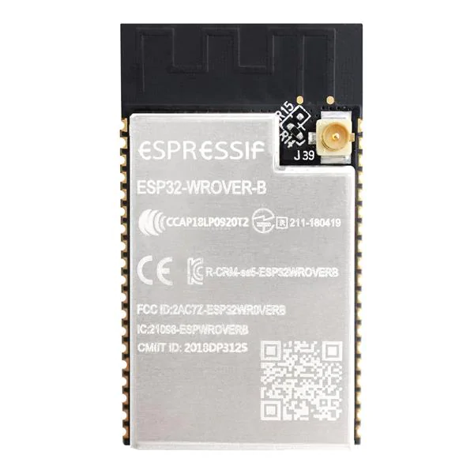
 |  |  |  |  |  | ESP32 WROVER
5 way navigation switch |  |  | GND |  | GND |  | GND |  | GND
 |  |  | VCC | I2S LRC | 26 |  | NC |  | 23 | MOSI
A (right) | Enter |  | EN | I2S BLK | 27 |  | NC |  | 22 | DC
 |  |  | 36 | Torch / TMS | 14 |  | 4 | IR LED | 1 | TX
 |  |  | 39 | IR recv/TDI | 12 |  | 0 |  | 3 | RX
B (up) | D (down) |  | 34 |  | GND |  | 2 |  | 21 | reset
 |  | I2S DIN | 35 | SD CS / TCK | 13 |  | 15 | SCL | NC
 |  | SDA | 32 |  | 9 |  | 8 |  | 19 | MISO
C (left) | Common | TFT backlight | 33 |  | 10 |  | 7 |  | 18 | Clock
 |  | I2S DOUT | 25 |  | 11 |  | 6 |  | 5 | TFT CS

https://cdn-shop.adafruit.com/datasheets/SKQUCAA010-ALPS.pdf |  |  |  | GND |  |  |  |  | GP7 | supervisor shutdown
 |  |  |  | VCC |  |  |  |  | GP6
 |  |  |  | Bootstrapping pins |  |  |  |  | GP5
 |  |  |  | Internal SPI pins (don’t use) |  |  |  |  | GP4 | dpad left
 |  |  |  | I2C |  |  |  |  | GP3 | dpad down
 |  |  |  | I2S |  |  |  |  | GP2 | dpad enter
 |  |  |  | VSPI + TFT stuff |  |  |  |  | GP1 | dpad up
 |  |  |  | dpad pins |  |  |  |  | GP0 | dpad right
 |  |  |  | other peripherals |  |  |  |  | MCP23008
 |  |  |  | Serial
 |  |  |  | input only pins

