Sheet1
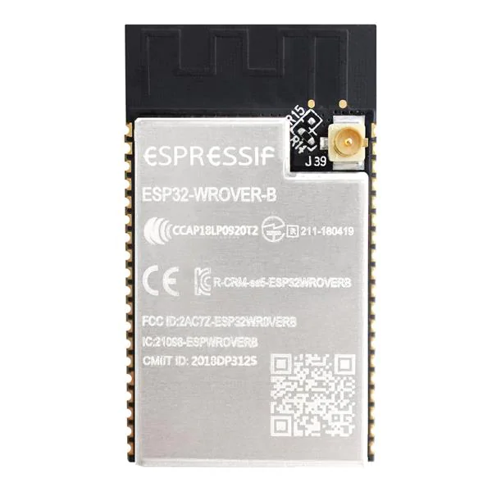
 |  |  | GND |  | GND | GND |  | GND
 |  |  | VCC | I2S LRC | 26 | NC |  | 23 | MOSI
A (right) | Enter |  | EN | I2S BLK | 27 | NC |  | 22 | DC
 |  | dpad enter | 36 | Torch / TMS | 14 | 4 | IR LED | 1 | TX
 |  | dpad down | 39 | IR recv/TDI |  | 0 | screenshot | 3 | RX
B (up) | D (down) | dpad up | 34 |  | GND | 2 |  | 21 | reset
 |  | dpad right | 35 | SD CS / TCK | 13 | 15 | TDO | NC
 |  | dpad left | 32 |  | 9 | 8 |  | 19 | MISO
C (left) | Common | TFT backlight | 33 |  | 10 | 7 |  | 18 | Clock
 |  | I2S DOUT | 25 |  | 11 | 6 |  | 5 | TFT CS

https://cdn-shop.adafruit.com/datasheets/SKQUCAA010-ALPS.pdf |  |  |  | GND
 |  |  |  | VCC
 |  |  |  | Bootstrapping pins
 |  |  |  | Internal SPI pins (don’t use)
 |  |  |  | I2C
 |  |  |  | I2S
 |  |  |  | VSPI + TFT stuff
 |  |  |  | dpad pins
 |  |  |  | other peripherals
 |  |  |  | Serial

