Master sheet
 |  |  | Product name | Sales
 |  |  | 300 | 454656

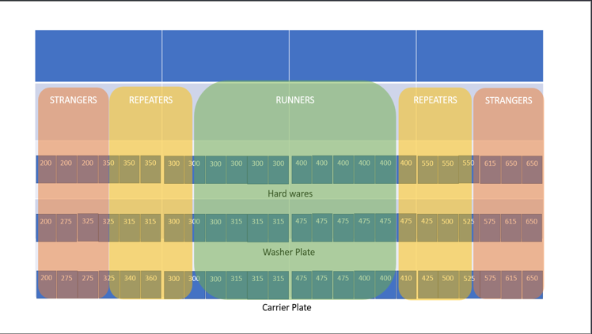
1 | Product name | 300
2
3 | Year sale/ Duration in months | 454656
4 | Belts Sold | 45465.6
5 | No of Washer Plate | 454656
6 | No of Carrier Plate | 454656
7 | No of washer plate required per month | 37888
8 | No of carrier plate required per month | 37888
9 | No of washer plate Totes required per month | 18.944 |  | 0.86109090909
10 | No of carrier plate Totes required per month | 18.944 |  | 0.86109090909
11 | Bolts/month | 37888
12 | Bolts box / Month | 126.29333333
13 | Nuts/ Month | 37888
14 | Nuts Box/ Month | 126.29333333
15 | Washers / Month | 37888
16 | Washers Box / Month | 126.29333333
17 | No of Boxes required/ Month | 1515.52

 | 11.2027° S | 17.8739° E
 | 14.2350° S | 51.9253° W
 | 0.7893° S | 113.9213° E
 | 23.8859° N | 45.0792° E
 | 37.0902° N | 95.7129° W

