Graphs & Visualizations
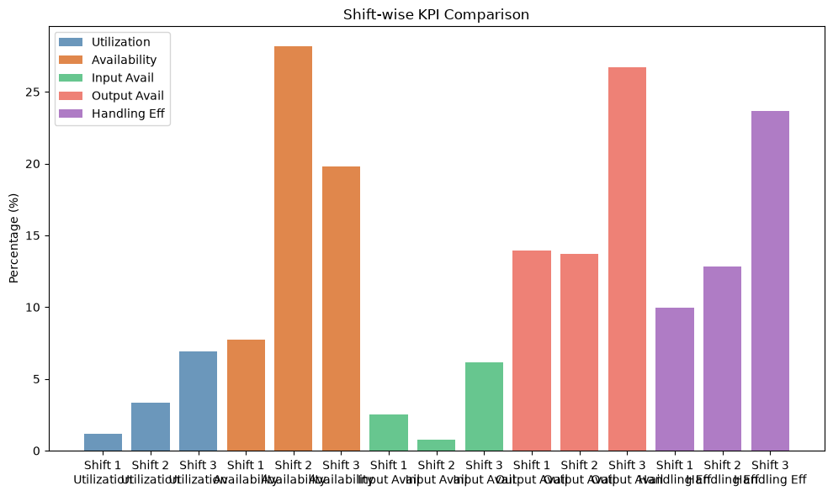
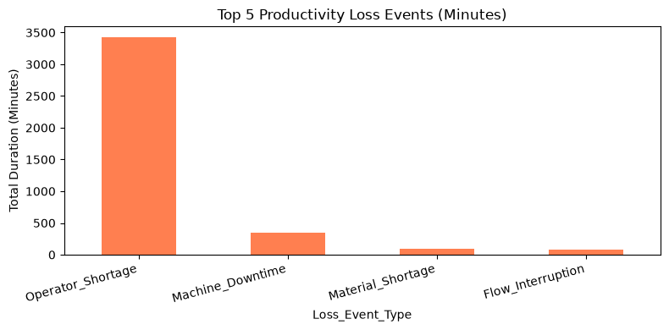
Graphs & Visualizations
Duration values use the unit from the source data (Hours)
Bar Chart: Machine Running Time vs Downtime | Bar Chart: Shift-wise Machine Utilization
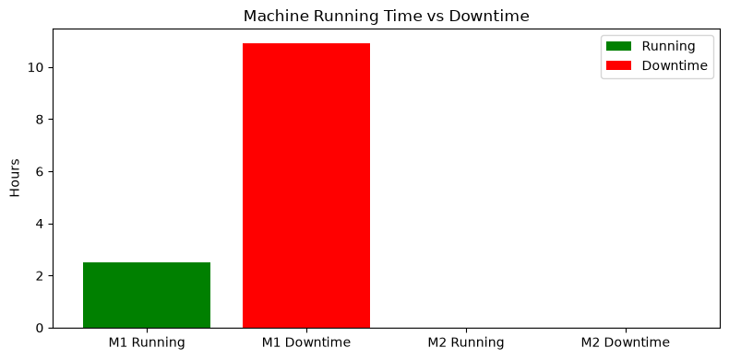
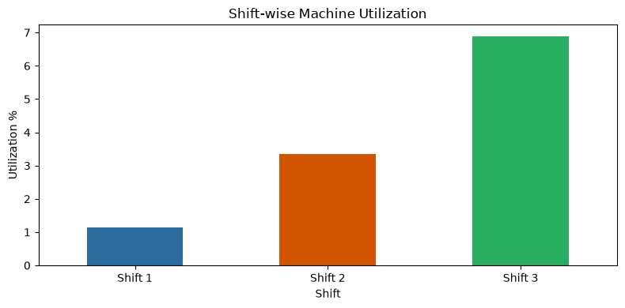

Line Chart: Input vs Output Operator Availability | Bar Chart: Operator Shortage Duration by Shift
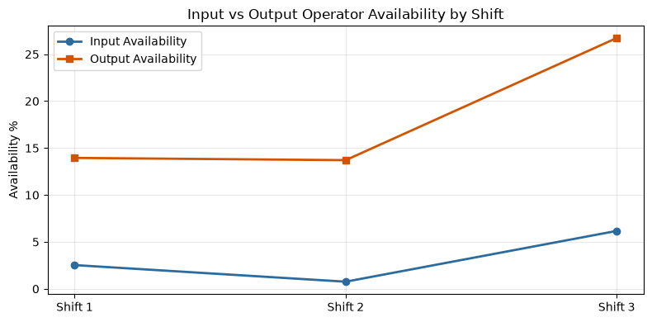
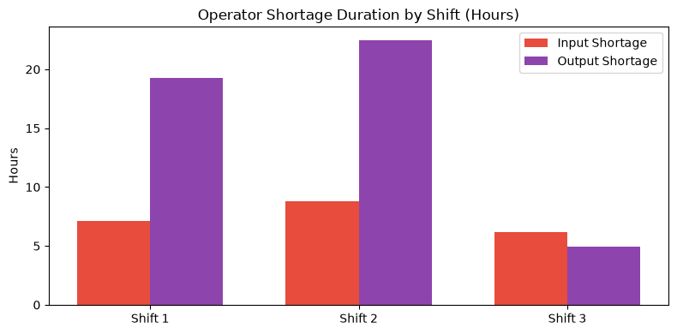

Bar Chart: Material Flow Condition Duration | Line Chart: Material Interruption Trend
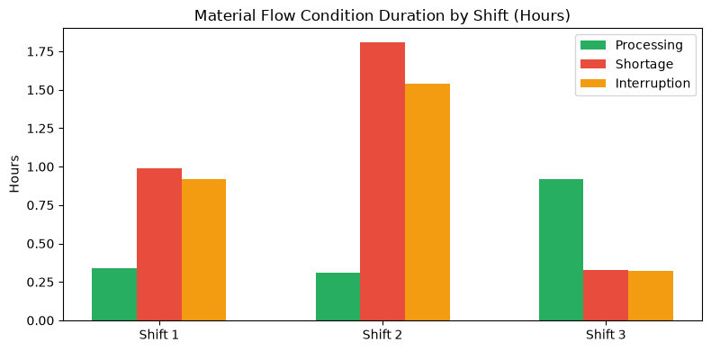
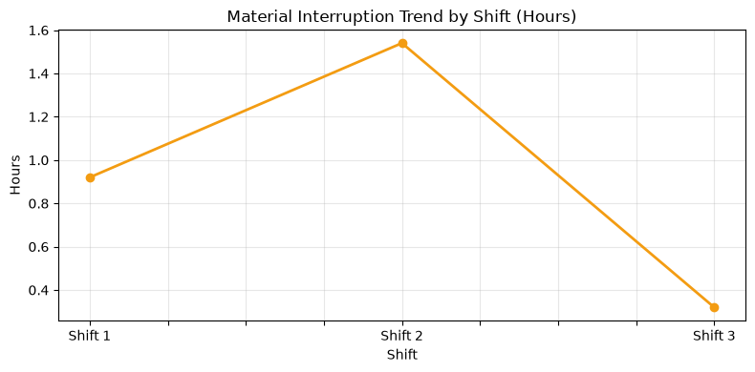

Bar Chart: Shift-wise KPI Comparison | Bar Chart: Top 5 Productivity Loss Events

